Train Evaluation Metrics
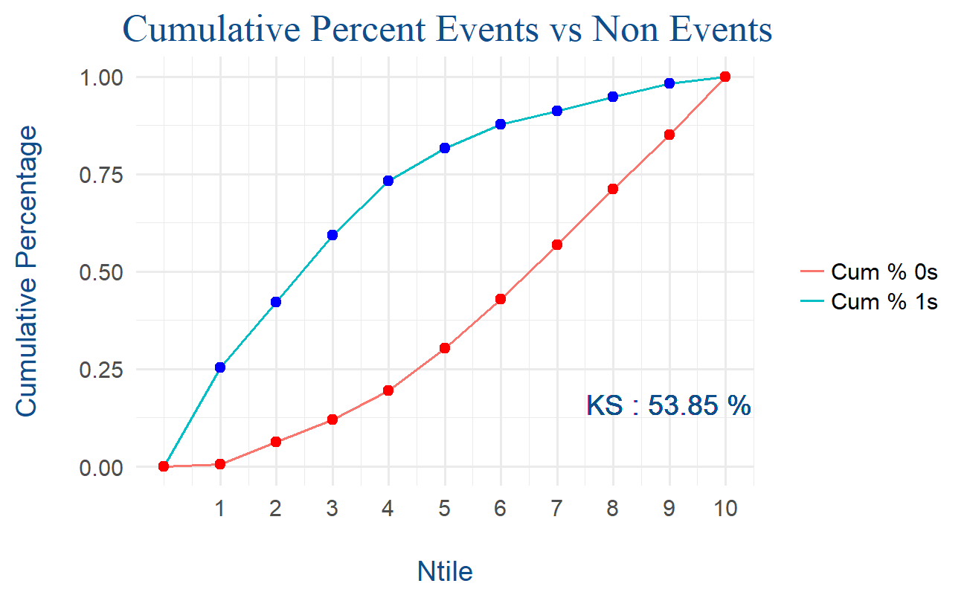
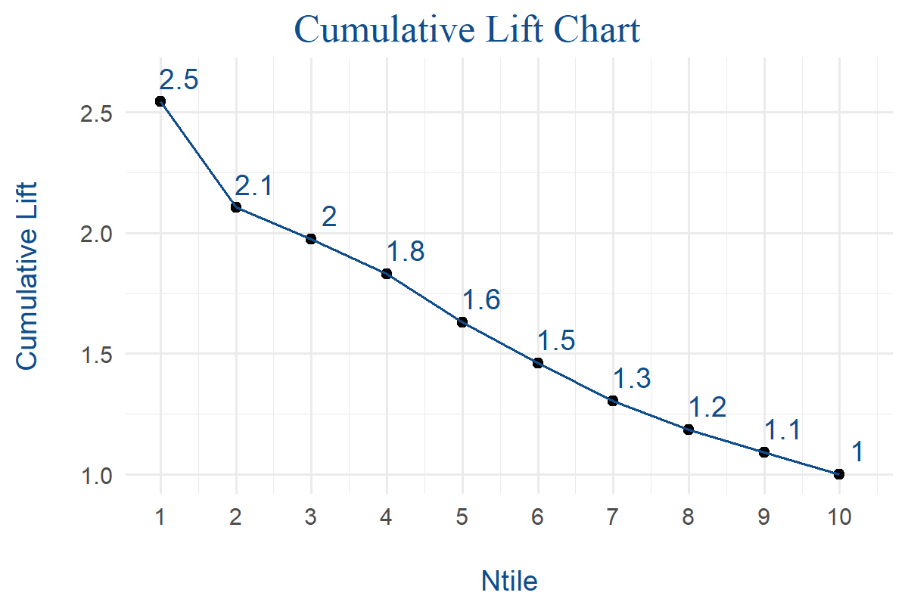
Model_Evaluation_Metrics | Value
Accuracy | 0.7861952862
AUC | 0.83275812482
Gini | 0.66551624964
KS_value | 0.53846706931
Kappa | 0.54536250226
No Information Rate | 0.61616161616
Sensitivity | 0.70614035088
Specificity | 0.83606557377
Pos Pred Value | 0.72850678733
Neg Pred Value | 0.82037533512
F1 | 0.71714922049
Prevalence | 0.38383838384
KS_Ntile | 4
Total Records | 594
Optimized_Threshold_accuracy | 0.37698173956

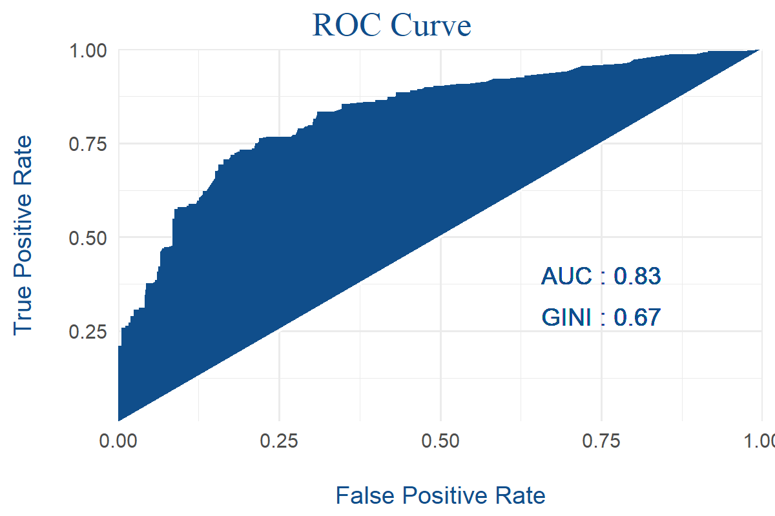
 | Reference_1 | Reference_0
Prediction_1 | 161 | 60
Prediction_0 | 67 | 306

NTile | Total Records | Total 1s | Total 0s | Cumulative 1s | Cumulative 1s percent | Cumulative 0s | Cumulative 0s percent | Cumulative percent difference | Gain | Cumulative lift
1 | 60 | 58 | 2 | 58 | 0.25438596491 | 2 | 0.0054644808743 | 0.24892148404 | 25.438596491 | 2.5438596491
2 | 59 | 38 | 21 | 96 | 0.42105263158 | 23 | 0.062841530055 | 0.35821110152 | 42.105263158 | 2.1052631579
3 | 60 | 39 | 21 | 135 | 0.59210526316 | 44 | 0.12021857923 | 0.47188668392 | 59.210526316 | 1.9736842105
4 | 59 | 32 | 27 | 167 | 0.73245614035 | 71 | 0.19398907104 | 0.53846706931 | 73.245614035 | 1.8311403509
5 | 59 | 19 | 40 | 186 | 0.81578947368 | 111 | 0.30327868852 | 0.51251078516 | 81.578947368 | 1.6315789474
6 | 60 | 14 | 46 | 200 | 0.87719298246 | 157 | 0.42896174863 | 0.44823123382 | 87.719298246 | 1.4619883041
7 | 59 | 8 | 51 | 208 | 0.91228070175 | 208 | 0.56830601093 | 0.34397469083 | 91.228070175 | 1.3032581454
8 | 60 | 8 | 52 | 216 | 0.94736842105 | 260 | 0.71038251366 | 0.23698590739 | 94.736842105 | 1.1842105263
9 | 59 | 8 | 51 | 224 | 0.98245614035 | 311 | 0.84972677596 | 0.13272936439 | 98.245614035 | 1.0916179337
10 | 59 | 4 | 55 | 228 | 1 | 366 | 1 | 0 | 100 | 1

Test Evaluation Metrics
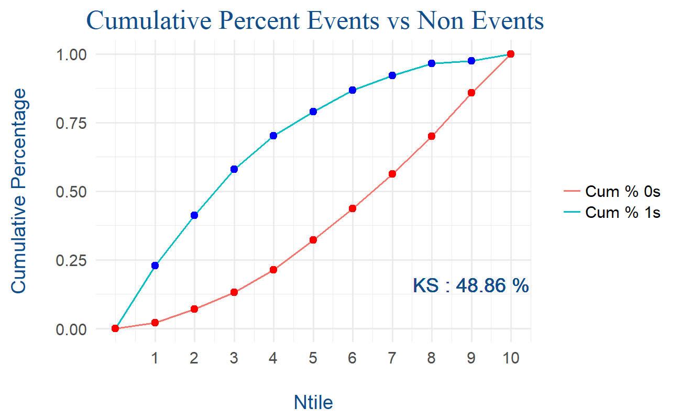
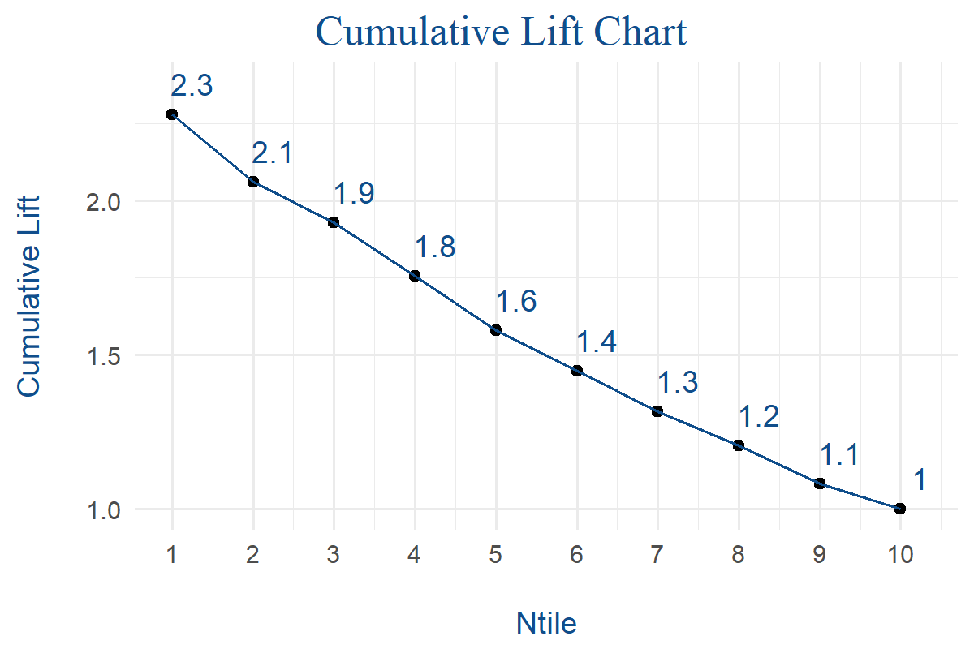
Model_Evaluation_Metrics | Value
Accuracy | 0.78114478114
AUC | 0.81286549708
Gini | 0.62573099415
KS_value | 0.48863963187
Kappa | 0.53189786863
No Information Rate | 0.61616161616
Sensitivity | 0.68421052632
Specificity | 0.84153005464
Pos Pred Value | 0.72897196262
Neg Pred Value | 0.81052631579
F1 | 0.70588235294
Prevalence | 0.38383838384
KS_Ntile | 4
Total Records | 297
Optimized_Threshold_accuracy | 0.37698173956

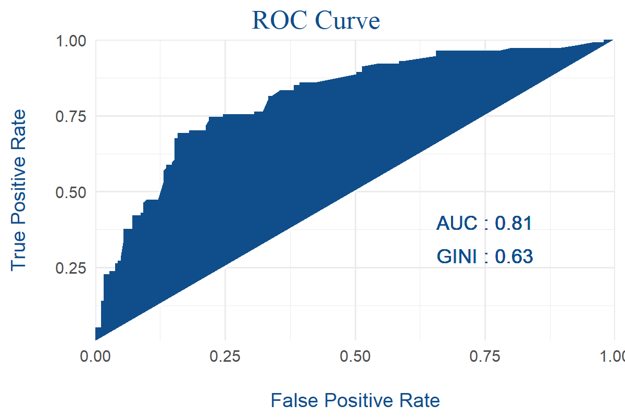
 | Reference_1 | Reference_0
Prediction_1 | 78 | 29
Prediction_0 | 36 | 154

NTile | Total Records | Total 1s | Total 0s | Cumulative 1s | Cumulative 1s percent | Cumulative 0s | Cumulative 0s percent | Cumulative percent difference | Gain | Cumulative lift
1 | 30 | 26 | 4 | 26 | 0.22807017544 | 4 | 0.021857923497 | 0.20621225194 | 22.807017544 | 2.2807017544
2 | 30 | 21 | 9 | 47 | 0.41228070175 | 13 | 0.071038251366 | 0.34124245039 | 41.228070175 | 2.0614035088
3 | 30 | 19 | 11 | 66 | 0.57894736842 | 24 | 0.13114754098 | 0.44779982744 | 57.894736842 | 1.9298245614
4 | 29 | 14 | 15 | 80 | 0.70175438596 | 39 | 0.2131147541 | 0.48863963187 | 70.175438596 | 1.7543859649
5 | 30 | 10 | 20 | 90 | 0.78947368421 | 59 | 0.32240437158 | 0.46706931263 | 78.947368421 | 1.5789473684
6 | 30 | 9 | 21 | 99 | 0.86842105263 | 80 | 0.43715846995 | 0.43126258269 | 86.842105263 | 1.4473684211
7 | 29 | 6 | 23 | 105 | 0.92105263158 | 103 | 0.56284153005 | 0.35821110152 | 92.105263158 | 1.3157894737
8 | 30 | 5 | 25 | 110 | 0.9649122807 | 128 | 0.69945355191 | 0.26545872879 | 96.49122807 | 1.2061403509
9 | 30 | 1 | 29 | 111 | 0.97368421053 | 157 | 0.85792349727 | 0.11576071326 | 97.368421053 | 1.081871345
10 | 29 | 3 | 26 | 114 | 1 | 183 | 1 | 0 | 100 | 1

