Stationarity Test
 | Original Data | After taking first-difference
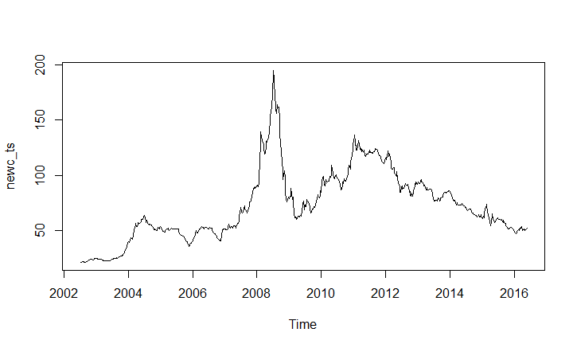
Augmented Dickey-Fuller Test |  | Augmented Dickey-Fuller Test
alternative: stationary |  | alternative: stationary

Type 1: no drift no trend |  | Type 1: no drift no trend
lag ADF p.value |  | lag ADF p.value
[1,] 0 -0.303 0.557 |  | [1,] 0 -19.13 0.01
[2,] 1 -0.551 0.482 |  | [2,] 1 -15.27 0.01
[3,] 2 -0.567 0.476 |  | [3,] 2 -12.95 0.01
[4,] 3 -0.587 0.469 |  | [4,] 3 -12.08 0.01
[5,] 4 -0.555 0.480 |  | [5,] 4 -10.62 0.01
[6,] 5 -0.584 0.470 |  | [6,] 5 -9.21 0.01
[7,] 6 -0.639 0.450 |  | [7,] 6 -8.84 0.01
Type 2: with drift no trend |  | Type 2: with drift no trend
lag ADF p.value |  | lag ADF p.value
[1,] 0 -1.67 0.461 |  | [1,] 0 -19.12 0.01
[2,] 1 -2.05 0.309 |  | [2,] 1 -15.26 0.01
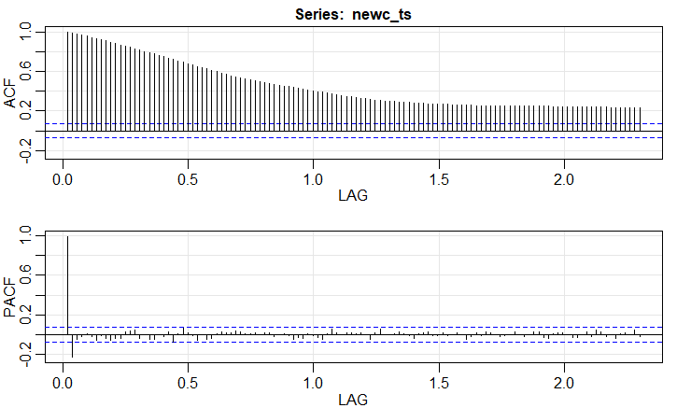
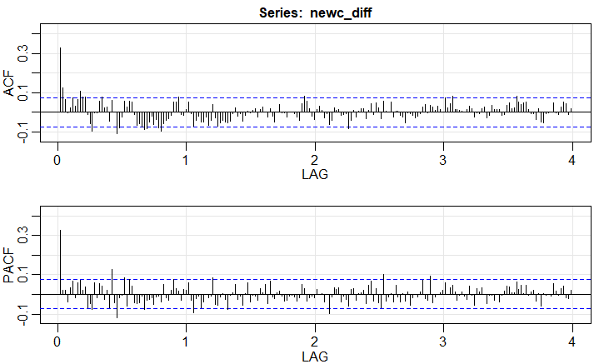
[3,] 2 -2.08 0.298 |  | [3,] 2 -12.95 0.01
[4,] 3 -2.10 0.286 |  | [4,] 3 -12.08 0.01
[5,] 4 -2.06 0.303 |  | [5,] 4 -10.62 0.01
[6,] 5 -2.11 0.283 |  | [6,] 5 -9.21 0.01
[7,] 6 -2.24 0.234 |  | [7,] 6 -8.83 0.01
Type 3: with drift and trend |  | Type 3: with drift and trend
lag ADF p.value |  | lag ADF p.value
[1,] 0 -1.09 0.924 |  | [1,] 0 -19.16 0.01
[2,] 1 -1.73 0.692 |  | [2,] 1 -15.30 0.01
[3,] 2 -1.77 0.673 |  | [3,] 2 -12.99 0.01
[4,] 3 -1.82 0.653 |  | [4,] 3 -12.13 0.01
[5,] 4 -1.75 0.684 |  | [5,] 4 -10.67 0.01
[6,] 5 -1.82 0.652 |  | [6,] 5 -9.27 0.01
[7,] 6 -1.99 0.581 |  | [7,] 6 -8.90 0.01
---- |  | ----
Note: in fact, p.value = 0.01 means p.value <= 0.01 |  | Note: in fact, p.value = 0.01 means p.value <= 0.01

ARIMA(1,1,0)
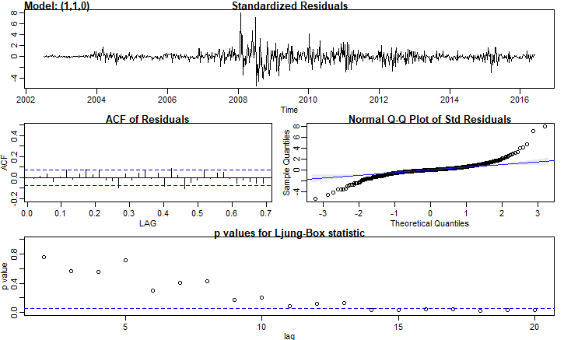
Call:
stats::arima(x = xdata, order = c(p, d, q), seasonal = list(order = c(P, D,
Q), period = S), xreg = constant, optim.control = list(trace = trc, REPORT = 1,
reltol = tol))

Coefficients:
ar1 constant
0.3270 0.0428
s.e. 0.0351 0.1500

sigma^2 estimated as 7.402: log likelihood = -1754.44, aic = 3514.88

$degrees_of_freedom
[1] 723

$ttable
Estimate SE t.value p.value
ar1 0.3270 0.0351 9.3280 0.0000
constant 0.0428 0.1500 0.2856 0.7753

$AIC
[1] 3.007313

$AICc
[1] 3.010113

$BIC
[1] 2.01995

3w_test_pred_a110
test_date | actual_test | pred_test
2013-08-16 | 79.58 | 77.977808407 |  | Validation Metrics
2013-08-23 | 79.27 | 77.803304685 | ME | RMSE | MAE | MPE | MAPE
2013-08-30 | 78.61 | 77.226987722 | -0.7983681 | 3.682557 | 2.619378 | -1.385781 | 4.121467
2013-09-06 | 76.7 | 77.068458821
2013-09-13 | 77.73 | 81.116373659
2013-09-20 | 79.54 | 79.369389102
2013-09-27 | 79.59 | 78.536633532
2013-10-04 | 80.14 | 76.008196014
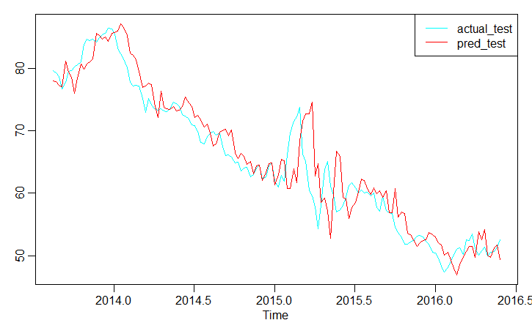
2013-10-11 | 80.54 | 78.469529988
2013-10-18 | 80.98 | 80.668058472
2013-10-25 | 83.86 | 79.862970516
2013-11-01 | 84.59 | 80.65664671
2013-11-08 | 84.43 | 80.98542179
2013-11-15 | 84.63 | 81.44622154
2013-11-22 | 84.22 | 85.523530605
2013-11-29 | 84.91 | 85.210970126
2013-12-06 | 85.28 | 84.61951362
2013-12-13 | 85.51 | 84.993940341
2013-12-20 | 86.36 | 84.28680139
2013-12-27 | 86.3 | 85.511016778
2014-01-03 | 85.41 | 85.727494356
2014-01-10 | 83.23 | 85.890343487
2014-01-17 | 82.3 | 87.043130834
2014-01-24 | 81.52 | 86.542632088
2014-01-31 | 80.01 | 85.247276017
2014-02-07 | 77.73 | 82.428624216
2014-02-14 | 77.16 | 82.103130246
2014-02-21 | 77.3 | 81.391883795
2014-02-28 | 77.18 | 79.521076564
2014-03-07 | 75.17 | 76.851142948
2014-03-14 | 72.98 | 77.113344067
2014-03-21 | 75.1 | 77.59847068
2014-03-28 | 74.07 | 77.351338321
2014-04-04 | 73.52 | 74.41070205
2014-04-11 | 73.28 | 72.120980269
2014-04-18 | 73.56 | 76.351220911
2014-04-25 | 73.12 | 73.787589302
2014-05-02 | 73.09 | 73.466881077
2014-05-09 | 73.49 | 73.375520872
2014-05-16 | 74.6 | 73.907741798
2014-05-23 | 74.33 | 73.117442067
2014-05-30 | 73.89 | 73.285262621
2014-06-06 | 72.55 | 73.894433232
2014-06-13 | 72.38 | 75.351929234
2014-06-20 | 71.83 | 74.413318237
2014-06-27 | 70.89 | 73.888935842
2014-07-04 | 70.84 | 72.10794826
2014-07-11 | 69.9 | 72.502690759
2014-07-18 | 68.18 | 71.766317955
2014-07-25 | 67.89 | 70.633514878
2014-08-01 | 69.02 | 71.013506496
2014-08-08 | 69.59 | 69.638941487
2014-08-15 | 69.88 | 67.533467889
2014-08-22 | 69.27 | 67.934547633
2014-08-29 | 69.69 | 69.75588806
2014-09-05 | 67.45 | 70.056940533
2014-09-12 | 66.07 | 70.212302011
2014-09-19 | 66.14 | 69.164002497
2014-09-26 | 65.83 | 70.083781493
2014-10-03 | 64.91 | 66.544646902
2014-10-10 | 64.92 | 65.57782276
2014-10-17 | 63.56 | 66.349544981
2014-10-24 | 64.03 | 65.854234875
2014-10-31 | 64.2 | 64.635116677
2014-11-07 | 62.66 | 65.094898001
2014-11-14 | 63.03 | 63.066557397
2014-11-21 | 64.09 | 64.423241292
2014-11-28 | 64.51 | 64.448639714
2014-12-05 | 62.25 | 62.076033848
2014-12-12 | 62.65 | 63.37006808
2014-12-19 | 64.4 | 64.767164873
2014-12-26 | 64.81 | 64.879504058
2015-01-02 | 61.94 | 61.313141793
2015-01-09 | 61.04 | 63.001709647
2015-01-16 | 62.91 | 65.41185185
2015-01-23 | 61.97 | 65.174415128
2015-01-30 | 66.15 | 60.709343035
2015-02-06 | 69.65 | 60.758598606
2015-02-13 | 71.55 | 63.970868367
2015-02-20 | 72.2 | 61.67418307
2015-02-27 | 73.7 | 68.325185715
2015-03-06 | 66.21 | 71.522837357
2015-03-13 | 65.11 | 72.659645345
2015-03-20 | 60.56 | 72.706298626
2015-03-27 | 59.6 | 74.624292224
2015-04-03 | 57.86 | 62.788443468
2015-04-10 | 54.37 | 64.753580793
2015-04-17 | 58.13 | 58.537164848
2015-04-24 | 63.83 | 59.287660257
2015-05-01 | 65.1 | 57.168903047
2015-05-08 | 61.14 | 52.823395003
2015-05-15 | 59.66 | 60.048260717
2015-05-22 | 57.04 | 66.717903561
2015-05-29 | 57.39 | 65.868690336
2015-06-05 | 58.11 | 59.406882482
2015-06-12 | 59.38 | 59.100371773
2015-06-19 | 61.24 | 55.921924729
2015-06-26 | 61.66 | 57.690218822
2015-07-03 | 60.91 | 58.588438635
2015-07-10 | 60.08 | 60.124420564
2015-07-17 | 60.52 | 62.275574356
2015-07-24 | 60.02 | 62.008848852
2015-07-31 | 60.2 | 60.699505066
2015-08-07 | 59.54 | 59.82803163
2015-08-14 | 60 | 60.87341143
2015-08-21 | 57.77 | 59.924458779
2015-08-28 | 57.1 | 60.428178212
2015-09-04 | 59.48 | 59.366296602
2015-09-11 | 57.19 | 60.360023418
2015-09-18 | 56.95 | 56.844302953
2015-09-25 | 56.72 | 56.912314325
2015-10-02 | 54.53 | 60.751035284
2015-10-09 | 53.71 | 56.240229773
2015-10-16 | 52.88 | 56.966359919
2015-10-23 | 51.84 | 56.740036907
2015-10-30 | 51.9 | 53.617442522
2015-11-06 | 52.2 | 53.440283729
2015-11-13 | 52.4 | 52.602222786
2015-11-20 | 53.2 | 51.458967047
2015-11-27 | 53.23 | 52.038263218
2015-12-04 | 52.98 | 52.452457585
2015-12-11 | 52.34 | 52.605835766
2015-12-18 | 51.88 | 53.69173907
2015-12-25 | 50.63 | 53.358288363
2016-01-01 | 50.49 | 52.975098764
2016-01-08 | 49.6 | 52.148504853
2016-01-15 | 48.41 | 51.771661651
2016-01-22 | 47.37 | 50.143910586
2016-01-29 | 48.14 | 50.52737948
2016-02-05 | 49.14 | 49.279910667
2016-02-12 | 50.1 | 47.943556438
2016-02-19 | 51 | 46.970251455
2016-02-26 | 51.29 | 48.598157244
2016-03-04 | 50.21 | 49.710384405
2016-03-11 | 52.59 | 50.654942948
2016-03-18 | 52.49 | 51.529786536
2016-03-25 | 53.54 | 51.532241576
2016-04-01 | 51.13 | 49.800598892
2016-04-08 | 50.14 | 53.825756374
2016-04-15 | 50.83 | 52.551892203
2016-04-22 | 51.36 | 54.147076156
2016-04-29 | 49.95 | 50.100987348
2016-05-06 | 50.61 | 49.774748927
2016-05-13 | 50.64 | 51.256828083
2016-05-20 | 51.41 | 51.713394374
2016-05-27 | 52.59 | 49.386993624

5w_test_pred_a110
test_date | actual_test | pred_test |  | Validation
2013-08-16 | 79.58 | 77.578923298 | ME | RMSE | MAE | MPE | MAPE
2013-08-23 | 79.27 | 78.177438375 | -1.126049 | 4.135271 | 3.015719 | -1.933333 | 4.749197
2013-08-30 | 78.61 | 77.995713077
2013-09-06 | 76.7 | 77.410709042
2013-09-13 | 77.73 | 77.253770469

2013-09-20 | 79.54 | 81.363924089
2013-09-27 | 79.59 | 79.560580699
2013-10-04 | 80.14 | 78.719166654
2013-10-11 | 80.54 | 76.15932135
2013-10-18 | 80.98 | 78.677576746
2013-10-25 | 83.86 | 80.898130887
2013-11-01 | 84.59 | 80.059862258
2013-11-08 | 84.43 | 80.863643052
2013-11-15 | 84.63 | 81.190861431
2013-11-22 | 84.22 | 81.653491236
2013-11-29 | 84.91 | 85.78608439
2013-12-06 | 85.28 | 85.434649161
2013-12-13 | 85.51 | 84.827034982
2013-12-20 | 86.36 | 85.207945575
2013-12-27 | 86.3 | 84.488529938
2014-01-03 | 85.41 | 85.733635424
2014-01-10 | 83.23 | 85.945517885
2014-01-17 | 82.3 | 86.106371681
2014-01-24 | 81.52 | 87.272236385
2014-01-31 | 80.01 | 86.755606057
2014-02-07 | 77.73 | 85.442622861
2014-02-14 | 77.16 | 82.590962223
2014-02-21 | 77.3 | 82.286752864
2014-02-28 | 77.18 | 81.575169797
2014-03-07 | 75.17 | 79.686456333
2014-03-14 | 72.98 | 76.991852462
2014-03-21 | 75.1 | 77.284908552
2014-03-28 | 74.07 | 77.782642371
2014-04-04 | 73.52 | 77.530308583
2014-04-11 | 73.28 | 74.546925994
2014-04-18 | 73.56 | 72.246191098
2014-04-25 | 73.12 | 76.564267479
2014-05-02 | 73.09 | 73.939668327
2014-05-09 | 73.49 | 73.625101926
2014-05-16 | 74.6 | 73.538115121
2014-05-23 | 74.33 | 74.079867902
2014-05-30 | 73.89 | 73.275470506
2014-06-06 | 72.55 | 73.450030835
2014-06-13 | 72.38 | 74.0675773
2014-06-20 | 71.83 | 75.54050177
2014-06-27 | 70.89 | 74.577155379
2014-07-04 | 70.84 | 74.048100357
2014-07-11 | 69.9 | 72.247150542
2014-07-18 | 68.18 | 72.661211934
2014-07-25 | 67.89 | 71.916221453
2014-08-01 | 69.02 | 70.77349867
2014-08-08 | 69.59 | 71.168423452
2014-08-15 | 69.88 | 69.775302068
2014-08-22 | 69.27 | 67.650549742
2014-08-29 | 69.69 | 68.075296956
2014-09-05 | 67.45 | 69.924290739
2014-09-12 | 66.07 | 70.217316219
2014-09-19 | 66.14 | 70.368554711
2014-09-26 | 65.83 | 69.302572261
2014-10-03 | 64.91 | 70.241179625
2014-10-10 | 64.92 | 66.646189972
2014-10-17 | 63.56 | 65.692526523
2014-10-24 | 64.03 | 66.489186415
2014-10-31 | 64.2 | 65.986194004
2014-11-07 | 62.66 | 64.75346171
2014-11-14 | 63.03 | 65.229082034
2014-11-21 | 64.09 | 63.172797327
2014-11-28 | 64.51 | 64.562111938
2014-12-05 | 62.25 | 64.582708889
2014-12-12 | 62.65 | 62.175913889
2014-12-19 | 64.4 | 63.50353069
2014-12-26 | 64.81 | 64.915414977
2015-01-02 | 61.94 | 65.017963035
2015-01-09 | 61.04 | 61.395860187
2015-01-16 | 62.91 | 63.133694821
2015-01-23 | 61.97 | 65.574292253
2015-01-30 | 66.15 | 65.312767164
2015-02-06 | 69.65 | 60.779738389
2015-02-13 | 71.55 | 60.862923332
2015-02-20 | 72.2 | 64.129904393
2015-02-27 | 73.7 | 61.780468867
2015-03-06 | 66.21 | 68.533414467
2015-03-13 | 65.11 | 71.730840289
2015-03-20 | 60.56 | 72.844740701
2015-03-27 | 59.6 | 72.869347755
2015-04-03 | 57.86 | 74.80820579
2015-04-10 | 54.37 | 62.790091483
2015-04-17 | 58.13 | 64.865932501
2015-04-24 | 63.83 | 58.576195266
2015-05-01 | 65.1 | 59.385321877
2015-05-08 | 61.14 | 57.248307
2015-05-15 | 59.66 | 52.860907899
2015-05-22 | 57.04 | 60.220762944
2015-05-29 | 57.39 | 66.942030951
2015-06-05 | 58.11 | 66.018164545
2015-06-12 | 59.38 | 59.457337247
2015-06-19 | 61.24 | 59.18873679
2015-06-26 | 61.66 | 55.980434978
2015-07-03 | 60.91 | 57.801164824
2015-07-10 | 60.08 | 58.707318214
2015-07-17 | 60.52 | 60.255779953
2015-07-24 | 60.02 | 62.424397356
2015-07-31 | 60.2 | 62.132842001
2015-08-07 | 59.54 | 60.802086571
2015-08-14 | 60 | 59.926710462
2015-08-21 | 57.77 | 60.993877076
2015-08-28 | 57.1 | 60.027997695
2015-09-04 | 59.48 | 60.543165409
2015-09-11 | 57.19 | 59.465532829
2015-09-18 | 56.95 | 60.478625588
2015-09-25 | 56.72 | 56.912618082
2015-10-02 | 54.53 | 57.00389047
2015-10-09 | 53.71 | 60.901463724
2015-10-16 | 52.88 | 56.30617533
2015-10-23 | 51.84 | 57.064172241
2015-10-30 | 51.9 | 56.837197615
2015-11-06 | 52.2 | 53.676940853
2015-11-13 | 52.4 | 53.519113761
2015-11-20 | 53.2 | 52.678371624
2015-11-27 | 53.23 | 51.528672519
2015-12-04 | 52.98 | 52.125506212
2015-12-11 | 52.34 | 52.54423249
2015-12-18 | 51.88 | 52.696474342
2015-12-25 | 50.63 | 53.794013102
2016-01-01 | 50.49 | 53.448338713
2016-01-08 | 49.6 | 53.059884311
2016-01-15 | 48.41 | 52.225102215
2016-01-22 | 47.37 | 51.849757826
2016-01-29 | 48.14 | 50.205765955
2016-02-05 | 49.14 | 50.606376555
2016-02-12 | 50.1 | 49.344338228
2016-02-19 | 51 | 47.999748731
2016-02-26 | 51.29 | 47.025766304
2016-03-04 | 50.21 | 48.684524333
2016-03-11 | 52.59 | 49.803104767
2016-03-18 | 52.49 | 50.749621416
2016-03-25 | 53.54 | 51.625927044
2016-04-01 | 51.13 | 51.619382558
2016-04-08 | 50.14 | 49.86277772
2016-04-15 | 50.83 | 53.952180435
2016-04-22 | 51.36 | 52.635839539
2016-04-29 | 49.95 | 54.251874473
2016-05-06 | 50.61 | 50.14458952
2016-05-13 | 50.64 | 49.837873791
2016-05-20 | 51.41 | 51.348053623
2016-05-27 | 52.59 | 51.803478271

12w_test_pred_a110
test_date | actual_test | pred_test
2013-08-16 | 79.58 | 88.93635152
2013-08-23 | 79.27 | 89.090452394 |  | Validation metrics
2013-08-30 | 78.61 | 87.365858293 | ME | RMSE | MAE | MPE | MAPE
2013-09-06 | 76.7 | 82.87989188 | -3.126641 | 5.953578 | 5.008258 | -5.093252 | 7.719666
2013-09-13 | 77.73 | 82.942067211
2013-09-20 | 79.54 | 78.315827093
2013-09-27 | 79.59 | 77.192393298
2013-10-04 | 80.14 | 78.253918629
2013-10-11 | 80.54 | 78.857844263
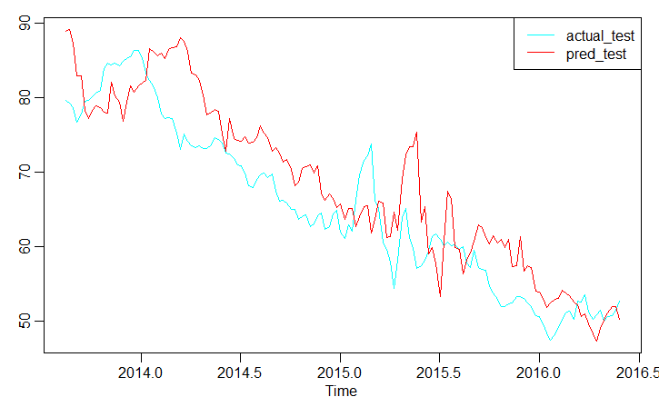
2013-10-18 | 80.98 | 78.67349653
2013-10-25 | 83.86 | 78.080680321
2013-11-01 | 84.59 | 77.920801572
2013-11-08 | 84.43 | 82.086909121
2013-11-15 | 84.63 | 80.252710433
2013-11-22 | 84.22 | 79.4005819
2013-11-29 | 84.91 | 76.801102264
2013-12-06 | 85.28 | 79.353475451
2013-12-13 | 85.51 | 81.607511634
2013-12-20 | 86.36 | 80.751718992
2013-12-27 | 86.3 | 81.56291494
2014-01-03 | 85.41 | 81.893109206
2014-01-10 | 83.23 | 82.359933327
2014-01-17 | 82.3 | 86.549549915
2014-01-24 | 81.52 | 86.182598638
2014-01-31 | 80.01 | 85.568250543
2014-02-07 | 77.73 | 85.951714032
2014-02-14 | 77.16 | 85.223398537
2014-02-21 | 77.3 | 86.480159118
2014-02-28 | 77.18 | 86.69387791
2014-03-07 | 75.17 | 86.855589703
2014-03-14 | 72.98 | 88.032608329
2014-03-21 | 75.1 | 87.510401122
2014-03-28 | 74.07 | 86.182004236
2014-04-04 | 73.52 | 83.287201996
2014-04-11 | 73.28 | 82.987351644
2014-04-18 | 73.56 | 82.266140586
2014-04-25 | 73.12 | 80.355897517
2014-05-02 | 73.09 | 77.619007081
2014-05-09 | 73.49 | 77.922918098
2014-05-16 | 74.6 | 78.424500314
2014-05-23 | 74.33 | 78.168696687
2014-05-30 | 73.89 | 75.142765111
2014-06-06 | 72.55 | 72.814422404
2014-06-13 | 72.38 | 77.195401249
2014-06-20 | 71.83 | 74.534351517
2014-06-27 | 70.89 | 74.214397248
2014-07-04 | 70.84 | 74.125350164
2014-07-11 | 69.9 | 74.671352609
2014-07-18 | 68.18 | 73.857867775
2014-07-25 | 67.89 | 74.033066815
2014-08-01 | 69.02 | 74.655878946
2014-08-08 | 69.59 | 76.143100451
2014-08-15 | 69.88 | 75.170440949
2014-08-22 | 69.27 | 74.634484881
2014-08-29 | 69.69 | 72.813977208
2014-09-05 | 67.45 | 73.230115028
2014-09-12 | 66.07 | 72.476174112
2014-09-19 | 66.14 | 71.320537089
2014-09-26 | 65.83 | 71.717839175
2014-10-03 | 64.91 | 70.309546782
2014-10-10 | 64.92 | 68.161179957
2014-10-17 | 63.56 | 68.588348129
2014-10-24 | 64.03 | 70.454464434
2014-10-31 | 64.2 | 70.750877128
2014-11-07 | 62.66 | 70.903433424
2014-11-14 | 63.03 | 69.826018303
2014-11-21 | 64.09 | 70.772756548
2014-11-28 | 64.51 | 67.130960228
2014-12-05 | 62.25 | 66.175405365
2014-12-12 | 62.65 | 66.977921289
2014-12-19 | 64.4 | 66.469329243
2014-12-26 | 64.81 | 65.223092969
2015-01-02 | 61.94 | 65.701957778
2015-01-09 | 61.04 | 63.624585667
2015-01-16 | 62.91 | 65.025541128
2015-01-23 | 61.97 | 65.046137739
2015-01-30 | 66.15 | 62.615162032
2015-02-06 | 69.65 | 63.953582796
2015-02-13 | 71.55 | 65.378774845
2015-02-20 | 72.2 | 65.482815975
2015-02-27 | 73.7 | 61.814684856
2015-03-06 | 66.21 | 63.576975268
2015-03-13 | 65.11 | 66.049521029
2015-03-20 | 60.56 | 65.777943482
2015-03-27 | 59.6 | 61.188126554
2015-04-03 | 57.86 | 61.281131756
2015-04-10 | 54.37 | 64.587177406
2015-04-17 | 58.13 | 62.207227822
2015-04-24 | 63.83 | 69.03967371
2015-05-01 | 65.1 | 72.269944721
2015-05-08 | 61.14 | 73.391517476
2015-05-15 | 59.66 | 73.408217108
2015-05-22 | 57.04 | 75.373066909
2015-05-29 | 57.39 | 63.205022711
2015-06-05 | 58.11 | 65.320922407
2015-06-12 | 59.38 | 58.959499528
2015-06-19 | 61.24 | 59.781333541
2015-06-26 | 61.66 | 57.622130378
2015-07-03 | 60.91 | 53.18347495
2015-07-10 | 60.08 | 60.631590002
2015-07-17 | 60.52 | 67.422249656
2015-07-24 | 60.02 | 66.476776807
2015-07-31 | 60.2 | 59.846555298
2015-08-07 | 59.54 | 59.579485788
2015-08-14 | 60 | 56.327903532
2015-08-21 | 57.77 | 58.173714414
2015-08-28 | 57.1 | 59.088033475
2015-09-04 | 59.48 | 60.650981958
2015-09-11 | 57.19 | 62.84926446
2015-09-18 | 56.95 | 62.547572351
2015-09-25 | 56.72 | 61.204140003
2015-10-02 | 54.53 | 60.319345188
2015-10-09 | 53.71 | 61.395109517
2015-10-16 | 52.88 | 60.419985084
2015-10-23 | 51.84 | 60.939047374
2015-10-30 | 51.9 | 59.850907775
2015-11-06 | 52.2 | 60.872255646
2015-11-13 | 52.4 | 57.272726363
2015-11-20 | 53.2 | 57.362663622
2015-11-27 | 53.23 | 61.30526574
2015-12-04 | 52.98 | 56.65872878
2015-12-11 | 52.34 | 57.421631131
2015-12-18 | 51.88 | 57.191837432
2015-12-25 | 50.63 | 54.001409612
2016-01-01 | 50.49 | 53.840053873
2016-01-08 | 49.6 | 52.990431531
2016-01-15 | 48.41 | 51.829111186
2016-01-22 | 47.37 | 52.429996473
2016-01-29 | 48.14 | 52.852096814
2016-02-05 | 49.14 | 53.005584026
2016-02-12 | 50.1 | 54.112625058
2016-02-19 | 51 | 53.764303992
2016-02-26 | 51.29 | 53.371988948
2016-03-04 | 50.21 | 52.528810613
2016-03-11 | 52.59 | 52.149322723
2016-03-18 | 52.49 | 50.489626146
2016-03-25 | 53.54 | 50.892305618
2016-04-01 | 51.13 | 49.618322872
2016-04-08 | 50.14 | 48.260582083
2016-04-15 | 50.83 | 47.276410897
2016-04-22 | 51.36 | 48.948527919
2016-04-29 | 49.95 | 50.077341384
2016-05-06 | 50.61 | 51.032812088
2016-05-13 | 50.64 | 51.917391595
2016-05-20 | 51.41 | 51.911352059
2016-05-27 | 52.59 | 50.139050764

