Typhoon Casualty Statistic
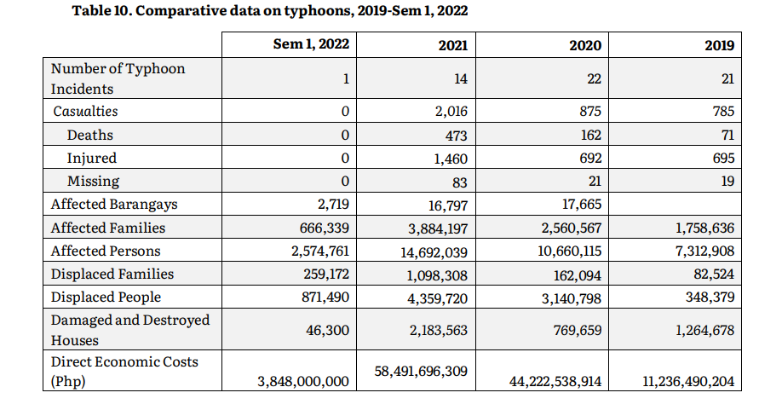
Year | Affected Barangays | Affected Families | Affected Persons | Displaced Families | Displaced People | Damaged and Destroyed Houses | Direct Economic Costs | Deaths | Injured | Missing
2022 | 2,719 | 666,339 | 2,574,761 | 259,172 | 871,490 | 46,300 | 3,848,000,000 | 0 | 0 | 0
2021 | 16,797 | 3,884,197 | 14,692,039 | 1,098,308 | 4,359,720 | 2,183,563 | 58,491,696,309 | 473 | 1,460 | 83
2020 | 17,665 | 2,560,567 | 10,660,115 | 162,094 | 3,140,798 | 769,659 | 44,222,538,914 | 162 | 692 | 21
2019 | 0 | 1,758,636 | 7,312,908 | 82,524 | 348,379 | 1,264,678 | 11,236,490,204 | 71 | 695 | 19

Fire Casualty Statistic
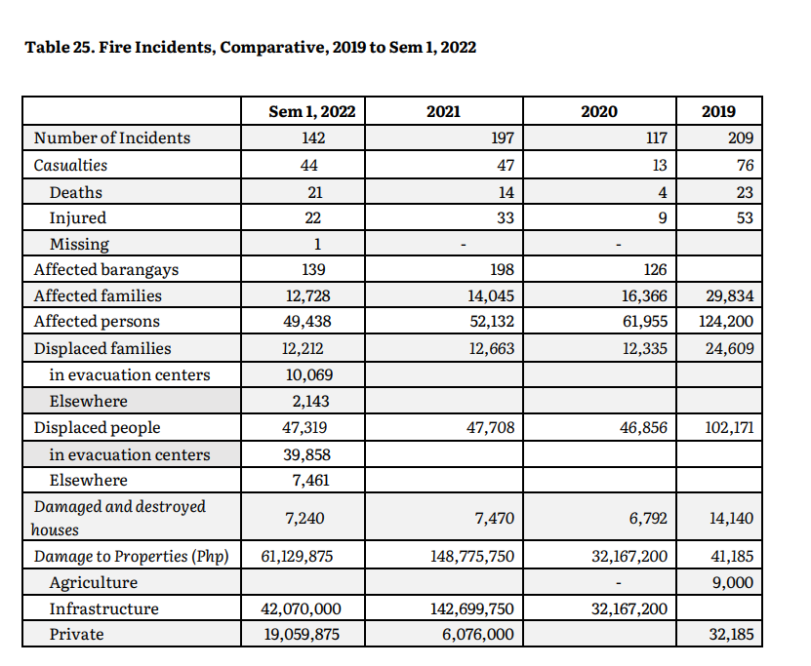
Year | Affected Barangays | Affected Families | Affected Persons | Displaced Families | Displaced People | Damaged and Destroyed Houses | Direct Economic Costs | Deaths | Injured | Missing
2022 | 139 | 12,728 | 49,438 | 12212 | 47319 | 7240 | 61129875 | 21 | 22 | 1
2021 | 198 | 14,045 | 52,132 | 12,663 | 47708 | 7470 | 148775750 | 14 | 33 | 0
2020 | 126 | 16,366 | 61,955 | 12,335 | 46856 | 6792 | 32167200 | 4 | 9 | 0
2019 | 0 | 29,834 | 124,200 | 24,609 | 102171 | 14140 | 41185 | 23 | 53 | 0

Flood Casualty Statistic
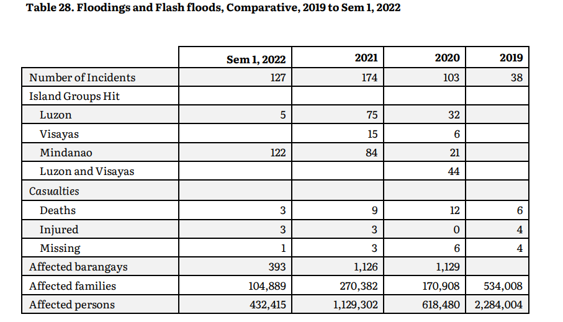
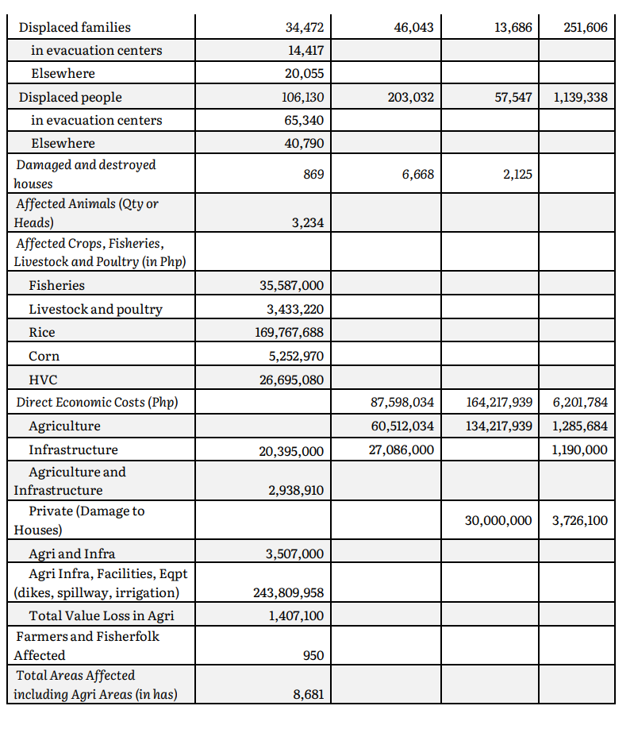
Year | Affected Barangays | Affected Families | Affected Persons | Displaced Families | Displaced People | Damaged and Destroyed Houses | Direct Economic Costs | Deaths | Injured | Missing
2022 | 393 | 104889 | 432415 | 34472 | 106130 | 869 | 243809958 | 3 | 3 | 1
2021 | 1126 | 270382 | 1129302 | 46043 | 203032 | 6668 | 87598034 | 9 | 3 | 3
2020 | 1129 | 170908 | 618480 | 13686 | 57547 | 2125 | 164217939 | 12 | 0 | 6
2019 | 1261 | 534008 | 2284004 | 251606 | 1139338 | 8711 | 6201784 | 6 | 4 | 4

Earthquake Casualty Statistic
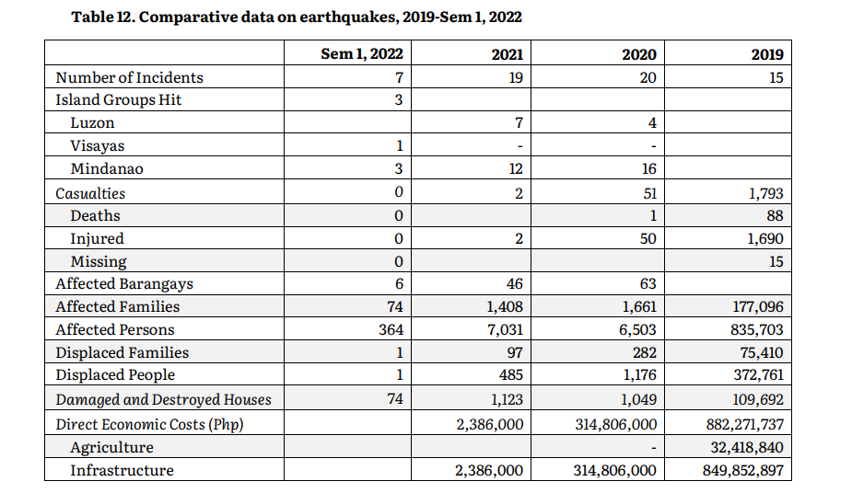
Year | Affected Barangays | Affected Families | Affected Persons | Displaced Families | Displaced People | Damaged and Destroyed Houses | Direct Economic Costs | Deaths | Injured | Missing
2022 | 6 | 74 | 364 | 1 | 1 | 74 | 0 | 0 | 0 | 0
2021 | 46 | 1408 | 7031 | 97 | 485 | 1,123 | 2,386,000 | 0 | 2 | 0
2020 | 63 | 1661 | 6503 | 282 | 1176 | 1,049 | 314,806,000 | 1 | 50 | 0
2019 | 0 | 177,096 | 835,703 | 75,410 | 372,761 | 109,692 | 882,271,737 | 88 | 1,690 | 15

