Coulomb
Index
Amper-hour
Aℎ=3600𝐶
Elementary unit of eletric charge charge
𝑒=1,602176487×〖10〗^(−19) 𝐶
Fundamental unit of eletric charge
1𝐶=1𝐴×1𝑠
 | Formulas:

 | Slove coulomb:
 |  | A= | 5.000000000000 | Amper
 |  | s= | 0.000002083333 | Seconds
 |  | C= | 0.000010416667 | Coulomb

 | Slove amper
 |  | C= | 72.000000000000 | Coulomb
 |  | s= | 3,600.000000000000 | Seconds
 |  | A= | 0.020000000000 | Amper

 | Slove seconds
 |  | C= | 25,200.000000000000 | Coulomb
 |  | A= | 0.400000000000 | Amper
 |  | s= | 63,000.000000000000 | Seconds

 | References:
 |  | http://en.wikipedia.org/wiki/Coulomb

Farad
Index
 | Formulas:
Farad equalities
F=(𝐴×𝑠)/𝑉=𝐽/𝑉^2 = (𝑊×𝑠)/𝑉^2 = 𝐶/𝑉= 𝐶^2/𝐽= 𝐶^2/(𝑁×𝑚)= (𝑠^2×𝐶^2)/(𝑚^2×𝑘𝑔)= (𝑠^4×𝐴^2)/(𝑚^2×𝑘𝑔)= 𝑠/Ω= 𝑠^2/𝐻
A=ampere, V=volt, C=coulomb, J=joule, m=metre, N=newton, s=second, W=watt, kg=kilogram, Ω=ohm, H=henry.

 | Slove Farad:
 |  | C= | 25,200.000000000000 | Coulomb
 |  | V= | 12.000000000000 | Volt
 |  | F= | 2,100.000000000000 | Farad

 | References:
 |  | http://en.wikipedia.org/wiki/Farad

Voltage Ripple Capacitor
Index
 | Formulas:
Capacitor Charge
𝑄=𝐼∗𝑡= 𝐼/𝑓
Q= Charge, I=Amper, t=Seconds, f=Frequency
Voltage Ripple Spike to Spike
𝑉_𝑟𝑝𝑝= 𝐼/𝑓𝐶= 𝑉_𝑜𝑐𝑐/𝑓𝐶𝑅
I=Amper, f=Frequency, C=Farad, R=Load, Vocc=Peeak Voltage
Farad
𝐹= 𝐶/𝑉
F=Farad, C=Coulomb, V=Volts

 | Slove Farad:
 |  | V= | 1.000000000000 | Volts
 |  | I= | 4.000000000000 | Amper
 |  | f= | 10,000.000000000000 | Hz
 |  | t= | 0.000100000000 | Seconds
 |  | Q= | 0.000400000000 | Coulomb
 |  | F= | 0.000400000000 | Farad

 | References:
 |  | https://pt.wikipedia.org/wiki/Ripple

VA (volt-amper)
Index

Single phase amps to VA
𝑆_𝑉𝐴=𝐼_𝐴 𝑥 𝑉_(𝐿𝑖𝑛𝑒 𝑡𝑜 𝑁𝑒𝑢𝑡𝑟𝑎𝑙)
 | Formulas:
3 phase amps to VA
𝑆_𝑉𝐴=√3 𝑥 𝐼_𝐴 𝑥 𝑉_(𝐿𝑖𝑛𝑒 𝑡𝑜 𝐿𝑖𝑛𝑒)=3 𝑥 𝐼_𝐴 𝑥 𝑉_(𝐿𝑖𝑛𝑒 𝑡𝑜 𝑁𝑒𝑢𝑡𝑟𝑎𝑙)

 | Single phase amps to VA:
 |  | A | 20.000000000000 | Amps
 |  | V | 230.000000000000 | Volts
 |  | VA | 4,600.000000000000 | Volt-Amp

 | Single phase VA to amps: | VA | 3,000.000000000000 | Volt-Amp
 |  | V | 230.000000000000 | Volt
 |  | A | 13.043478260000 | Amps

 | 3 phase amps to VA:
 |  | A | 1.086956521739 | Amps
 |  | V | 230.000000000000 | Volts
 |  | VA | 750.000000000000 | Volt-Amp

 | References:

 |  | https://www.rapidtables.com/calc/electric/va-to-amps-calculator.html
 |  | https://pt.wikipedia.org/wiki/Voltampere

Decibel
Index

Amplitude Gain
𝑑𝐵𝑉= 〖20 x log〗⁡〖𝑉/𝑉𝑟𝑒𝑓〗
Power Gain
𝑑𝐵𝑊= 〖10 x log〗⁡〖𝑊/𝑊𝑟𝑒𝑓〗
 | Formulas:
Signal Strength
𝑑𝐵𝑚= 〖10 x log〗⁡〖𝑊/0,001〗

 | Slove Amplitude Gain:
 |  | V | 20.000000000000 | Volt
 |  | Vref | 10.000000000000 | Volt
 |  | VA | 6.020599913000 | dBV

 | Slove Power Gain: | W | 20.000000000000 | Watt
 |  | Wref | 10.000000000000 | Watt
 |  | A | 3.010299957000 | dBW

 | Slove RF Signal Srength
 |  | W | 0.000600000000 | Watt
 |  | Wref | 0.001000000000 | Watt
 |  | VA | -2.218487496000 | dBm

 | Slove dBm to Watt:
 |  | dBm | -44.000000000000 | dBm
 |  | W | 0.000000039811 | Watt

 | References:

RF Free-space Path Loss
Index

FSPL - Free-space path loss power ratio
𝑃𝑡/𝑃𝑟 = 𝐷𝑡*𝐷𝑟*(𝛾/4𝜋𝑑)^2
Pt = Power transmited
Pr = Power recived
Dt = Directivity of the transmitting antenna
Dr = Directivity of the receiving antenna
Y = Signal wavelength
d = distance between the antennas
 | Formulas:
ATENTION
Signal sensitivity ranges from 0 dBm to -128 dBm. The closer to zero the number, the higher the value, and the stronger the signal. So for example, -30 dBm is stronger than -60 dBm. Again, since dB and, therefore, dBm doesn't scale like most measurements (weight, length, etc.)

 |  |  |  |  | dB vs Power, Vrms and Vpp with impedance of 50 Ohms |  |  |  |  | Distance (Metter) vs Attenuation (dB) and Power (W)
 |  |  |  |  | dB | Power | Vrms | Vpp |  | Distance | Attenuation | Power | Vrms | Vpp
 | Slove Free-space path loss: | Power TX: | 4.000000000000 | Watt | 0 | 1.000000000000 | 0.141421356200 | 0.200000000000 | EXCELENT SIGNAL | 0.10 | -12 | 0.630957344500 | 0.112335 | 0.892308
 |  | Antenna Gain TX: | 2.325581395000 | dBi | -1 | 0.794328234700 | 0.126041916400 | 0.178250187600 |  | 0.20 | -18 | 0.158489319200 | 0.056301 | 0.224138
 |  | Antenna Gain RX: | 2.325581395000 | dBi | -2 | 0.630957344500 | 0.112334976300 | 0.158865646900 |  | 0.40 | -24 | 0.039810717060 | 0.028217 | 0.056301
 |  | Power Loss: | 0.000000000000 | dB | -3 | 0.501187233600 | 0.100118653000 | 0.141589156900 |  | 0.80 | -30 | 0.010000000000 | 0.014142 | 0.014142
 |  | Frequency: | 2,400,000,000.000000000000 | Hertz | -4 | 0.398107170600 | 0.089230843380 | 0.126191468900 |  | 1.60 | -36 | 0.002511886432 | 0.007088 | 0.003552
 |  | Distance: | 35.000000000000 | Metter | -5 | 0.316227766000 | 0.079527072880 | 0.112468265000 |  | 3.20 | -42 | 0.000630957345 | 0.003552 | 0.000892
 |  | Impedance: | 50.000000000000 | Ohm | -6 | 0.251188643200 | 0.070878578310 | 0.100237446700 |  | 6.40 | -48 | 0.000158489319 | 0.001780 | 0.000224
 |  | Speed of Ligth= | 299,792,458.000000000000 | Metter/s | -7 | 0.199526231500 | 0.063170599410 | 0.089336718430 |  | 12.80 | -54 | 0.000039810717 | 0.000892 | 0.000056
 |  | Wavelength= | 0.124913524200 | Lambda | -8 | 0.158489319200 | 0.056300855990 | 0.079621434110 |  | 25.60 | -60 | 0.000010000000 | 0.000447 | 0.000014
 |  | Power RX= | 0.000000941541 | Watt | -9 | 0.125892541200 | 0.050178190720 | 0.070962677850 |  | 51.20 | -66 | 0.000002511886 | 0.000224 | 0.000004
 |  | Vrms RX= | 0.000137225457 | Volt RMS | -10 | 0.100000000000 | 0.044721359550 | 0.063245553200 |  | 102.40 | -72 | 0.000000630957 | 0.000112 | 0.000001
 |  | Vpp RX= | 0.000194066102 | Volt Peak to Peak | -20 | 0.010000000000 | 0.014142135620 | 0.020000000000 |  | 204.80 | -78 | 0.000000158489 | 0.000056 | 0.000000
 |  | FSPL= | -60.261606240000 | dB | -30 | 0.001000000000 | 0.004472135955 | 0.006324555320 | GOOD SIGNAL | 409.60 | -84 | 0.000000039811 | 0.000028 | 0.000000
 |  |  |  |  | -40 | 0.000100000000 | 0.001414213562 | 0.002000000000 |  | 819.20 | -90 | 0.000000010000 | 0.000014 | 0.000000
 |  |  |  |  | -50 | 0.000010000000 | 0.000447213596 | 0.000632455532 |  | 1,638.40 | -96 | 0.000000002512 | 0.000007 | 0.000000
 |  |  |  |  | -60 | 0.000001000000 | 0.000141421356 | 0.000200000000 | MEDIUM SIGNAL | 3,276.80 | -102 | 0.000000000631 | 0.000004 | 0.000000
 | References: |  |  |  | -70 | 0.000000100000 | 0.000044721360 | 0.000063245553 |  | 6,553.60 | -108 | 0.000000000158 | 0.000002 | 0.000000
 |  | https://en.wikipedia.org/wiki/Free-space_path_loss |  |  | -80 | 0.000000010000 | 0.000014142136 | 0.000020000000 |  | 13,107.20 | -114 | 0.000000000000 | 0.000001 | 0.000000
 |  | https://en.wikipedia.org/wiki/Directivity |  |  | -90 | 0.000000001000 | 0.000004472136 | 0.000006324555 |  | 26,214.40 | -120 | 0.000000000000 | 0.000000 | 0.000000
 |  | https://www.pasternack.com/t-calculator-friis.aspx |  |  | -100 | 0.000000000100 | 0.000001414214 | 0.000002000000 |  | 52,428.80 | -126 | 0.000000000000 | 0.000000 | 0.000000
 |  |  |  |  | -110 | 0.000000000000 | 0.000000447214 | 0.000000632456 |  | 104,857.60 | -132 | 0.000000000000 | 0.000000 | 0.000000
 |  |  |  |  | -120 | 0.000000000000 | 0.000000141421 | 0.000000200000 | BAD SIGNAL | 209,715.20 | -138 | 0.000000000000 | 0.000000 | 0.000000
 |  |  |  |  |  |  |  |  |  | 419,430.40 | -144 | 0.000000000000 | 0.000000 | 0.000000

Volt Amper to Farad
Index
 | Formulas:
Farad equalities
F=(𝐴×𝑠)/𝑉=𝐽/𝑉^2 = (𝑊×𝑠)/𝑉^2 = 𝐶/𝑉= 𝐶^2/𝐽= 𝐶^2/(𝑁×𝑚)= (𝑠^2×𝐶^2)/(𝑚^2×𝑘𝑔)= (𝑠^4×𝐴^2)/(𝑚^2×𝑘𝑔)= 𝑠/Ω= 𝑠^2/𝐻
A=ampere, V=volt, C=coulomb, J=joule, m=metre, N=newton, s=second, W=watt, kg=kilogram, Ω=ohm, H=henry.

 | Slove Farad:
 |  | Volts= | 12.000000000000 | Volt
 |  | Ampers= | 8.000000000000 | Amper
 |  | Time= | 3,600.000000000000 | Seconds
 |  | Coulombs= | 28,800.000000000000 | Coulomb
 |  | Farad= | 2,400.000000000000 | Farad

 | References:
 |  | http://en.wikipedia.org/wiki/Farad

Resistor Equivalence
Index
 | Formulas:
Resistor equivalence in serie
𝑅_𝑒𝑞= ∑▒𝑅_𝑛
Resistor equivalence in parallel
𝑅_𝑒𝑞=1/(∑▒1/𝑅_𝑛 )

AC Power Factor
Power Factor
𝑃𝐹= 𝑃/𝑆= cos⁡𝜃
Index
 | Formulas:
AC Power Factor in Wats
𝑃=𝑉𝐼 cos⁡〖(𝜃)〗

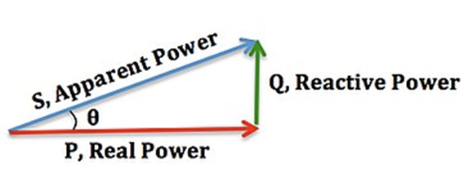
 | Slove AC Real Power | V | 220.000000000000 | Volt
 |  | I | 5.000000000000 | Amper
 |  | Phi | 50.000000000000 | Angle º
 |  | Cos(Phi) | 0.642787609700 | Cos Phi
 |  | P | 707.066370700000 | W

 | Slove AC Reactive Power | V | 220.000000000000 | Volt
 |  | I | 5.000000000000 | Amper
 |  | Phi | 50.000000000000 | Angle º
 |  | Sin(Phi) | 0.766044443100 | Sin Phi
 |  | Q | 842.648887400000 | VAr | Q - Reactive Power (Volt-Amper)
 |  |  |  |  | S - Apparent Power (Volt-Amper)
 |  |  |  |  | P - Real Power (Wat)
 | Slove AC Apparent Power | V | 220.000000000000 | Volt | PF - Power Factor
 |  | I | 5.000000000000 | Amper
 |  | S | 1,100.000000000000 | VA

 | References:
 |  | https://en.wikipedia.org/wiki/Power_factor
 |  | https://www.electronics-tutorials.ws/accircuits/power-triangle.html

AC Inductive Reactance X(L)
Index
 | Formulas:
Inductive Reactance
𝑋_𝐿=𝜔𝐿
Angular Frequency (rad)
𝜔=2𝜋𝑓

 |  |  |  |  |  |  |  |  |  | 254nh
 |  |  |  |  |  |  |  |  |  | 63nh
 | Slove inductance:
 |  | F= | 3,000.000000000000 | Hertz | 10.61032954 | m
 |  | Xl= | 200.000000000000 | Ohms | 10610.32954 | u
 |  | L= | 0.010610329540 | Henry | 10610329.54 | n

 | Slove reactance:
 |  | F= | 147,000.000000000000 | Hertz
 |  | L= | 0.000047000000 | Henry |  |  |  | VS | 0.2700
 |  | Xl= | 43.410527290000 | Ohms |  |  |  | RS | 50.0000
 |  |  |  |  |  | 43 | RL | IS | 0.0028
 | Slove frequency: |  |  |  |  | 0.0032 | RC | VL | 0.1320
 |  | L= | 0.000031830989 | Henry |  | 0.9301633367 | I | RL | 47.8261
 |  | Xl= | 100.000000000000 | Ohms |  | VL | 39.99702348 | IL | 0.0028
 |  | F= | 500,000.000000000000 | Hertz |  | VC | 0.002976522677

 | References:
 |  | https://pt.wikipedia.org/wiki/Reatância
 |  | https://pt.wikipedia.org/wiki/Impedância_elétrica

AC Capacitive Reactance X(C)
Index
 | Formulas:
Capacitive Reactance
𝑋_𝐶=−1/𝜔𝐶
Angular Frequency (rad)
𝜔=2𝜋𝑓

 | Slove capacitance:
 |  | F= | 10.000000000000 | Hertz
 |  | X(C)= | 795.000000000000 | Ohms
 |  | C= | 0.000020019490 | Farad | 0.0200194897 | m
 |  |  |  |  | 20.0194897 | u
 | Slove reactance: |  |  |  | 20019.4897 | n
 |  | F= | 20,000.000000000000 | Hertz | 20019489.7 | p
 |  | C= | 0.000000000795 | Farad
 |  | X(C)= | 10,009.744850000000 | Ohms

 | Slove frequency: |  |  |  |  | 23.98
 |  | X(C)= | 15,000.000000000000 | Hertz |  | 71.94
 |  | C= | 0.000000000470 | Farad
 |  | F= | 22,575.169230000000 | Ohms | 684.6762925

 | References:
 |  | http://en.wikipedia.org/wiki/Capacitor
 |  | http://www.allaboutcircuits.com/vol_2/chpt_4/2.html
 |  | https://pt.wikipedia.org/wiki/Reatância
 |  | https://pt.wikipedia.org/wiki/Impedância_elétrica

AC Voltage Phase Shift
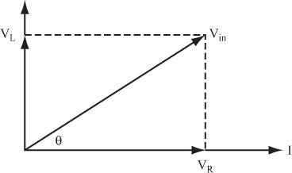
Index
 | Formulas:
The Phase Angle of Voltage
tan⁡𝜃=−𝑉_𝐿/𝑉_𝑅 = 𝑋_(𝐿 𝑜𝑟 𝐶)/𝑅

 | Slove Phase:
 |  | X | 90,000.000000000000 | Ohms
 |  | R | 2,000.000000000000 | Ohms
 |  | º | 45.000000000000 | Angle

 | Note:
 |  | Maximum Phase Shift By a Single CR or LR circuit is 90º degress
 | References:
 |  | https://www.oreilly.com/library/view/complete-electronics-self-teaching/9781118282328/c06_level1_6.xhtml

AC Impedance
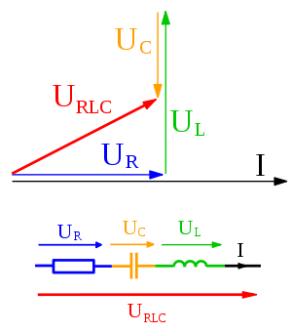
Index
 | Formulas:
Impedance
𝑍= √(𝑅^2+𝑋^2 )

 | Slove RLC impedance:
 |  | R= | 100,000.000000000000 | Ohms
 |  | X >= | 1,000,000.000000000000 | Ohms
 |  | X <= | 1,000.000000000000 | Ohms
 |  | Z= | 1,003,992.530000000000 | Ohms
 |  | cos Φ= | 0.099602334710 | Cosine Phi
 |  | Φº= | 84.283728390000 | Angle

 | References:
 |  | https://pt.wikipedia.org/wiki/Fasor
 |  | https://pt.wikipedia.org/wiki/Imped%C3%A2ncia_el%C3%A9trica
 |  | http://eletronicanoel.blogspot.pt/2012/06/curso-de-eletronica-circuitos-rc-parte.html
 |  | http://www.electronics-tutorials.ws/accircuits/phasors.html

Back EMF of Inductor
Back EMF Generated by an Inductor in Volts
𝑉= □(64&−𝐿 𝑑𝑖/𝑑𝑡)
Index
 | Formulas:
Instantaneous Energy Stored in a Inductor
𝐸= □(64&1/2)𝐿𝐼^2
Fundamental unit of eletric charge
1𝐶=1𝐴×1𝑠

 | Back EMF Generated:
 |  | VCC | 25.000000000000 | Volt
 |  | L= | 0.100000000000 | Henry
 |  | di= | 5.000000000000 | Amper
 |  | dt= | 0.025000000000 | Second
 |  | v= | -20.000000000000 | Volt

 | Instantanious Energy Stored:
 |  | L= | 0.010000000000 | Henry
 |  | i= | 5.000000000000 | Amper
 |  | f= | 1.000000000000 | Hertz
 |  | t= | 1.000000000000 | Second
 |  | E= | 0.125000000000 | Joule
 |  | Q= | 5.000000000000 | Coulomb
 |  | V= | 0.025000000000 | Volt

 | References:
 |  | https://www.electronics-tutorials.ws/inductor/inductor.html

Inductor Stored Energy
Inductor Stored Energy
𝐸= 1/2 𝐿𝐼^2
E = Joule
1 Watt = 1 Joule/s
Index
 | Formulas:

 | Inductor Stored Energy:
 |  | L= | 0.100000000000 | Henry
 |  | I= | 0.500000000000 | Amper
 |  | t= | 0.500000000000 | Second
 |  | E= | 0.012500000000 | Joule
 |  | W= | 0.006250000000 | Watt | 0.0003125

 | References:

Coupling Capacitor
Index
 | Formulas:
Coupling Capacitor
𝐶=1/(2𝜋𝑓∗𝑍_𝐼𝑁/100∗5 )

 | Slove Capacitance:
 |  | f= | 100,000,000.000000000000 | Hertz | m | 5.30516477E-08
 |  | Zin= | 600.000000000000 | Ohms (Impedance) | u | 5.30516477E-05
 |  | C= | 0.000000000000 | Farad | n | 0.0530516477
 |  |  |  |  | p | 53.0516477
 | References:
 |  | https://www.reddit.com/r/electronics/comments/1z1gox/how_do_you_choose_coupling_capacitor_size/

RMS to DC Converter
Index
 | Formulas:
RMS to DC
𝑅𝑀𝑆= 𝐴/√2
A= Amplitude

 | Slove RMS | DC | 67.882250993909 | Volts
 |  | AC | 48.000000000000 | RMS

 | Slove DC | AC | 48.000000000000 | RMS
 |  | DC | 67.882250990000 | Volts

 | References: |  |  |  | A | 48.0000 | amplitude
 |  | https://en.wikipedia.org/wiki/Root_mean_square |  |  | f | 60.0000 | frequency
 |  |  |  |  | w | 376.9911 | angular frequency
 |  |  |  |  | t | 240.0000 | time
 |  |  |  |  | y | -46.7681 | displacement

Coil Design
Coil Indutance
𝐿=(𝑛^2 𝑢𝐴)/(𝑙 )
Area of Circunfence
𝐴=𝜋𝑟^2
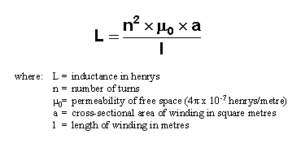
Index
 | Formulas:

 | Resolve coil indutance:
 |  | n= | 25.000000000000 | Number of turns
 |  | d= | 15.000000000000 | Inner coil diameter (mm)
 |  | l= | 30.000000000000 | Coil lenght (mm) | Material | Magnetic Permeability | min | max | med
 |  | u= | 0.006300000000 | Magnetic permeability (H/m) | Air | 4 x PI x 10-7 | 1.257E-06 | 1.257E-06 | 1.257E-06
 |  | L= | 0.023193789510 | Coil indutance (H) | Iron (99.95% pure Fe annealed in H) | 2.5×10−1 | 2.500E-01 | 2.500E-01 | 2.500E-01
 |  | L= | 23,193,789.510000000000 | Coil indutance (nH) | Iron (99.8% pure) | 6.3×10−3 | 6.300E-03 | 6.300E-03 | 6.300E-03
 |  |  |  |  | Ferrite (cobalt nickel zinc) | 5.03×10−5 – 1.57×10−4 | 5.030E-05 | 1.570E-04 | 1.036E-04
 |  |  |  |  | Ferritic stainless steel (annealed) | 1.26×10−3 – 2.26×10−3 | 1.260E-03 | 2.260E-03 | 1.760E-03
 |  |  |  |  | Ferrite (nickel zinc) | 1.26×10−5 – 2.89×10−3 | 1.260E-05 | 2.890E-03 | 1.451E-03
 |  |  |  |  | Ferrite (manganese zinc) | 4.4×10−4 – 2.51×10−2 | 4.400E-04 | 2.510E-02 | 1.277E-02
 | Relative permeability: | u= | 0.000001256638 | Magnetic permeability (H/m) | Ferrite (magnesium manganese zinc | 4.4×10−4 – 6.28×10−4 | 4.400E-04 | 6.280E-04 | 5.340E-04
 |  | uo= | 0.000001256637 | Free Space Permeability
 |  | ur= | 1.000000373000 | Relative Permeability
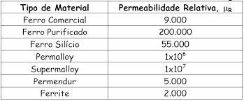

 | Absolute permeability: | ur | 2000 | Relative permeability
 |  | uo | 0.000001256637 | Free Space Permeabiliy
 |  | u | 0.002513274123 | Magnetic permeability (H/m)

 | References:
 |  | https://www.newtoncbraga.com.br/index.php/eletronica/52-artigos-diversos/4151-art572
 |  | https://en.wikipedia.org/wiki/Permeability_(electromagnetism)

Mutual inductance
Index

Mutual Indutance
𝑁_1/𝑁_2 = 𝑉_1/𝑉_2 = 𝐼_2/1=𝐾 √(𝐿_1/𝐿_2 )
Transformer Power Relation
𝑃_1=𝑃_2 ⇔┬ 𝑉_1 𝐼_1= 𝑉_2 𝐼_2
 | Formulas:

 | Calculate Transformer:
 |  | Primary= | 230.0000 | Volts
 |  | Secondary= | 48.0000 | Volts
 |  | Frequency= | 60.0000 | Hertz
 |  | Primary= | 0.5200 | Ampers
 |  | Coefficient= | 1.0000 | Coupling
 |  | Primary= | 442.3077 | Ohms
 |  | Primary= | 1.1733 | Henry
 |  | Transformer= | 4.7917 | Ratio
 |  | Secondary= | 0.0511 | Henry

 | Calculate Primary Current:
 |  | Primary= | 230.0000 | Volts
 |  | Secondary= | 48.0000 | Volts
 |  | Secondary= | 3.0000 | Amperes
 |  | Power= | 144.0000 | Watts
 |  | Primary= | 0.6261 | Amperes

 |  | N1= | 100.0000 | Turns
 |  | Primary= | 0.6300 | Amps
 |  | Secondary= | 3.0000 | Amps
 |  | Transformer= | 4.7619 | Ratio
 |  | N2= | 21.0000 | Turns

 | References:
 |  | http://electronics.stackexchange.com/questions/24864/transformer-design-how-do-i-set-an-n1-n2-ratio-by-means-of-selecting-winding-in
 |  | http://en.wikipedia.org/wiki/Inductance
 |  | https://www.electronics-tutorials.ws/inductor/mutual-inductance.html
 |  | http://www.tpub.com/neets/book2/5h.htm

Sinusoidal Waveform
Sinusoid representation
A= 〖A sin〗⁡〖(𝜔𝑡+ 𝜃)〗
Angular Frequency (rad/s)
𝜔=2𝜋𝑓
Index
 | Formulas:

 | Slove Amplitude
 |  | A= | 12.0000000 | Maximum amplitude
 |  | F= | 33.0000000 | Frequency (Hertz)
 |  | t= | 0.1230000 | Time (Seconds)
 |  | Φ= | 0.7853982 | Phase (radians)
 |  | ω= | 207.3451151 | Angular frequency (rads/s)
 |  | At= | 10.9828941 | Amplitude in time
 |  | It= | 0.0000109

 | References:
 |  | http://www.electronics-tutorials.ws/accircuits/sinusoidal-waveform.html
 |  |  |  |  | GRAUS | 45.0000
 |  |  |  |  | RADIANOS | 0.7854
 |  |  |  |  | GRAUS | 45.0000

 |  |  |  |  | COS | 0.7071
 |  |  |  |  | ACOS | 0.7854

Passive RC Filter
Index
 | Formulas:
RC Filter (FIRST ORDER)
𝐶=1/(2𝜋.𝑓𝑐.𝑅)

 | Slove capacitance:
 |  | F= | 20,000.000000000000 | Hertz
 |  | R= | 1,000.000000000000 | Ohms | 0.00 | m
 |  | Db | -3.000000000000 | Decibel | 0.01 | u
 |  | fc (point)= | 70.794578440000 | Percent | 7.96 | n
 |  | fc (point)= | 10,023.744670000000 | Hertz
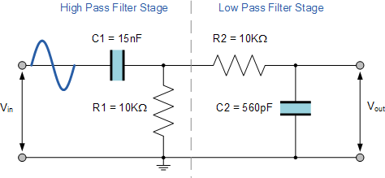
 |  | C= | 0.000000007958 | Farad | 7,957.75 | p

 | Slove resistence:
 |  | F= | 20,000.000000000000 | Hertz
 |  | C= | 0.000000007958 | Farad
 |  | Db | -3.000000000000 | Decibel
 |  | fc (point)= | 70.794578440000 | Percent
 |  | fc (point)= | 10,023.744670000000 | Hertz
 |  | R= | 1,000.000000000000 | Ohms

 | Slove frequencie:
 |  | R= | 1,000.000000000000 | Ohms
 |  | C= | 0.000000007958 | Farad
 |  | F= | 20,000.000000000000 | Hertz
 |  | fc (point)= | 14,158.915690000000 | Hertz

 |  |  |  |  |  |  | 80.0000000000
 | References:
 |  | https://www.electronics-tutorials.ws/filter/decibels.html
 |  | http://www.electronics-tutorials.ws/filter/filter_4.html
 |  | http://www.learningaboutelectronics.com/Articles/Low-pass-filter-calculator.php#answer1
 |  | https://excelribbon.tips.net/T012486_Deriving_Antilogs.html

Passive LC Filter
Index
 | Formulas:
LC Filter (SECOND ORDER)
𝑓_𝑐=1/(2𝜋√𝐿𝐶)
 |  |  |  |  |  | LOW PASS
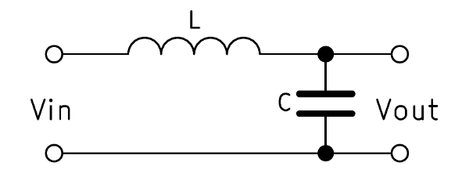

 | Slove inductance:
 |  | f= | 25,000,000.000000000000 | Hertz
 |  | C= | 0.000000000006 | Farad
 |  | fc -6Db= | 6,279,716.079000000000 | Hertz
 |  | L= | 0.000006754746 | Henry | 6.754745576

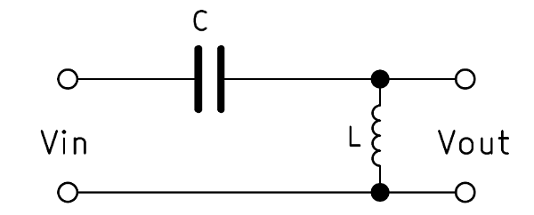
 |  |  |  |  |  | HIGH PASS
 | Slove capacitance:
 |  | f= | 25,000,000.000000000000 | Hertz
 |  | L= | 0.000006754746 | Henry
 |  | fc -6Db= | 6,279,716.079000000000 | Hertz
 |  | C= | 0.000000000000 | Farad

 | Slove frequencie:
 |  | L= | 0.000006754746 | Henry
 |  | C= | 0.000000000006 | Farad
 |  | fc -6DB= | 25,000,000.000000000000 | Hertz
 |  | f= | 99,526,792.640000000000 | Hertz

 | References:
 |  | http://www.electronics-tutorials.ws/filter/filter_4.html
 |  | https://electronicbase.net/lc-filter-calculator/

Varicap Junction Capacitance
Index
 | Formula:
Varicap capacitance
𝐶_𝐽 (𝑉_𝑅)=𝐶_𝐽𝑂/(1+𝑉_𝑅/𝑉_𝐽 )^𝑚

 | Slove capacitance:
 |  | CJO= | 692.000 | zero-bias junction capacitance
 |  | VR= | 12.000 | reverse bias voltage
 |  | VJ= | 2.500 | junction potential
 |  | m= | 1.000 | grading coefficient
 |  | CJ= | 119.310 | junction capacitance

 | References:
 |  | http://www.engr.uky.edu/~radun/EE603/LectureNotes/DiodeChar/NonIdealDiode
 |  | http://electronics-diy.com/varicaps.php
 |  | http://en.wikipedia.org/wiki/Varicap

 | Notes:
 |  | Normal diodes can be used as varactor diodes

RC Charge Time
Charge voltage
𝑉_𝐶 (𝑡)=𝑉_𝐶𝐶 (1−𝑒^((−𝑡)/𝜏) )
Charge time
𝑡=ln⁡(𝑉_𝐶𝐶/(𝑉_𝐷 (𝑡)))𝜏
Index
 | Formulas:
Time constant
𝜏=𝑅𝐶
Discharge voltage
𝑉_𝐷 (𝑡)=𝑉_𝐶𝐶 (𝑒^( (−𝑡)/𝜏) )

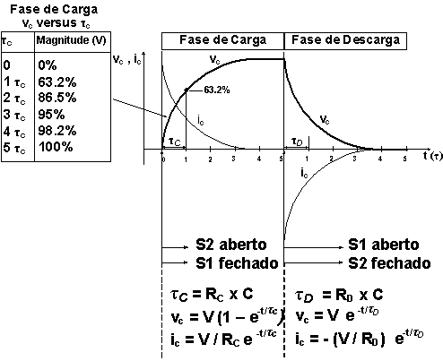
 | Slove resistance: | t5= | 0.0080 | Time constant at ~100% of charge (seconds)
 |  | C= | 0.0000 | Capacitance (farad)
 |  | t= | 0.0016 | Time constant at ~63% of charge (seconds)
 |  | R= | 1600.0000 | Resistance (ohms)

 | Slove voltage:
 |  | VCC= | 12.0000 | Source voltage (volts)
 |  | t= | 0.0166 | Time (seconds)
 |  | R= | 16.0000 | Resistance (ohms)
 |  | C= | 0.0001 | Capacitance (farads)
 |  | T= | 0.0016 | Time Constant (táu)
 |  | VC(t)= | 11.9996 | Charge voltage (voltage on capacitor)
 |  | VR(t)= | 0.0004 | Dischage voltage (voltage on resistor)

RC Chrage Time
 | Analyze charge /discharge: | VCC | 10.0000 | Sorce voltage (volts)
 |  | R | 2000.0000 | Resistance (ohms)
 |  | C | 0.0010 | Cpacitance (farad)
 |  | t | 2.0000 | Time constant at ~63% of charge (seconds)
 |  | t5 | 10.0000 | Time constant at ~100% of charge (seconds)

 |  | t5 % | time | logarithm | C | R
 |  | 0.00 | 0.00 | 1.00 | 0.00 | 10.00
 |  | 5.00 | 0.50 | 0.78 | 2.21 | 7.79
 |  | 10.00 | 1.00 | 0.61 | 3.93 | 6.07
 |  | 15.00 | 1.50 | 0.47 | 5.28 | 4.72
 |  | 20.00 | 2.00 | 0.37 | 6.32 | 3.68
 |  | 25.00 | 2.50 | 0.29 | 7.13 | 2.87
 |  | 30.00 | 3.00 | 0.22 | 7.77 | 2.23
 |  | 35.00 | 3.50 | 0.17 | 8.26 | 1.74
 |  | 40.00 | 4.00 | 0.14 | 8.65 | 1.35
 |  | 45.00 | 4.50 | 0.11 | 8.95 | 1.05
 |  | 50.00 | 5.00 | 0.08 | 9.18 | 0.82
 |  | 55.00 | 5.50 | 0.06 | 9.36 | 0.64
 |  | 60.00 | 6.00 | 0.05 | 9.50 | 0.50
 |  | 65.00 | 6.50 | 0.04 | 9.61 | 0.39
 |  | 70.00 | 7.00 | 0.03 | 9.70 | 0.30
 |  | 75.00 | 7.50 | 0.02 | 9.76 | 0.24
 |  | 80.00 | 8.00 | 0.02 | 9.82 | 0.18
 |  | 85.00 | 8.50 | 0.01 | 9.86 | 0.14
 |  | 90.00 | 9.00 | 0.01 | 9.89 | 0.11
 |  | 95.00 | 9.50 | 0.01 | 9.91 | 0.09
 |  | 100.00 | 10.00 | 0.01 | 9.93 | 0.07

 | References:
 |  | http://en.wikipedia.org/wiki/RC_time_constant
 |  | http://www.eletronica24h.com.br/Curso%20CA/aparte1/aulas/aula003.html
 |  | http://www.electronics-tutorials.ws/rc/rc_1.html
 |  | http://macao.communications.museum/por/Exhibition/secondfloor/moreinfo/2_3_5_ChargingCapacitor.html

RL Charge Time
Time constant
𝜏=𝐿/𝑅
Charge current
𝑖_𝐿=𝑉/𝑅 〖(1−𝑒〗^((−𝑡)/𝜏))
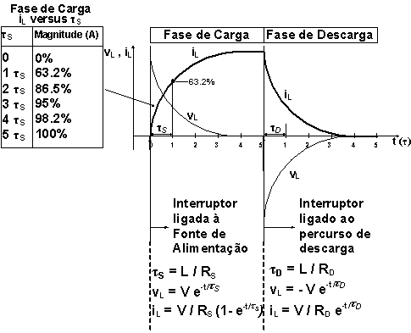
Index
 | Formulas:

 | Slove charge current: | V= | 6.00000000 | Volts
 |  | R= | 10.00000000 | Ohms
 |  | L= | 10.00000000 | Henry
 |  | t= | 0.50200000 | Time (seconds)
 |  | T= | 1.00000000 | Time constant (táu)
 |  | i= | -0.39116162 | Ampers

 | Slove Sotred Power: | A= | 0.50000000 | Ampers
 |  | L= | 0.50000000 | Henry
 |  | t= | 0.00800000 | Time (seconds)
 |  | J= | 0.06250000 | Joules
 |  | P= | 7.81250000 | Watts

 | References:

 |  | http://macao.communications.museum/por/Exhibition/secondfloor/moreinfo/2_3_6_ResistanceInductance.html

LC Resonance Frequency
Index
 | Formulas: |  |  |  | 4.272727273
Resonant frequency
𝑓_𝑜=1/(2𝜋√𝐿𝐶)

 | Slove frequency: |  |  |  |  | Nano Henry | Capacitor | Resonant Freq.
 |  | L= | 0.100000000000000 | Henry |  | 85.78 | 4,03n | 8,56MHz
 |  | C= | 0.100000000000000 | Farad |  | 89.91 | 3,89n | 8,51MHz
 |  | F= | 1.591549431000000 | Hertz |  | 79.04 | 960p | 18,27MHz

 | Slove inductance:
 |  | C= | 0.100000000000000 | Farad
 |  | F= | 1.591549430918950 | Hertz
 |  | L= | 0.100000000000000 | Henry | 100000

 | Slove capacitance:
 |  | L= | 0.100000000000000 | Henry
 |  | F= | 1.591549430918950 | Hertz
 |  | C= | 0.100000000000000 | Farad | 100,000,000,000.00000000000000

 | References:
 |  | http://www.ekswai.com/en_lc.htm
 |  | http://en.wikipedia.org/wiki/LC_circuit

Maximum Power Transfer
Index

 | Formulas:
Maximum Power Transfer
𝑃= 𝐼^2 𝑅_𝐿
V / R = I
𝐼= 𝑉_𝑠/(𝑅_(𝐿 ) 𝑅_𝑠 )

 | Slove Maximum Power Transfer:
 |  | Vs= | 12.0000 | Volts
 |  | Rl= | 4.0000 | Ohms
 |  | Rs= | 4.0000 | Ohms
 |  | I= | 1.5000 | Ampers
 |  | P= | 9.0000 | Watts

 | References:
 |  | https://en.wikipedia.org/wiki/Maximum_power_transfer_theorem
 |  | https://www.electronics-tutorials.ws/dccircuits/dcp_9.html
 |  | http://www.etelg.com.br/downloads/eletronica/cursos/Aulas/Aula014.html

Thévenin`s theorem
Index

Voltage divider
𝑉_𝑇𝐻=(𝑅2+𝑅3 )/((𝑅2+𝑅3)+𝑅4) x VCC
Resistor equivalence
𝑅_𝑇𝐻=((𝑅2+𝑅3) 𝑥 𝑅4)/((𝑅2+𝑅3)+𝑅4)+𝑅1
 | Formulas:

 | Slove frequency:
 |  | VCC | 15.000000000000 | Volts
 |  | R4 | 2,000.000000000000 | Ohms
 |  | R3+R2 | 2,000.000000000000 | Ohms
 |  | R1 | 1,000.000000000000 | Ohms
 |  | Rth | 2,000.000000000000 | Ohms
 |  | Vth | 7.500000000000 | Volts
 |  | Iab= | 0.003750000000 | Ampers

 | References:
 |  | https://en.wikipedia.org/wiki/Thévenin's_theorem
 |  | https://pt.wikipedia.org/wiki/Divisor_de_tensão
 |  | http://www.corradi.junior.nom.br/teoremanortonthevenin.pdf
 |  | https://itligado.files.wordpress.com/2013/04/3-thevenin-norton-exercicios-1.pdf

Rect. Conductor Magnetic Field
Index

Ampers
𝐼=𝐵 2𝜋𝑟/𝜇_0
r is distance in metters
from conductor
 | Formulas:
Constant of premiable
magnetic in vacum
𝜇_0=4𝜋〖10〗^(−7)
u measure in T.m/A
Magnetic Field
𝐵=(𝜇_0 𝐼)/2𝜋𝑟
B measure in Tesla
Earth
Magnetic Field
5∗〖10〗^(−5)
Tesela

 | Slove magnetic field:
 |  | r | 0.005000000000 | Meters (Distance from conductor)
 |  | I | 12.500000000000 | Ampers
 |  | B | 0.000500000000 | Tesela (Magnetic field intensity)

 | Slove current:
 |  | B | 0.000050000000 | Tesela (Magnetic field intensity)
 |  | r | 0.050000000000 | Meters (Distance from conductor)
 |  | I | 12.500000000000 | Ampers

 | References:
 |  | https://pt.khanacademy.org/science/physics/magnetic-forces-and-magnetic-fields/magnetic-field-current-carrying-wire/a/what-are-magnetic-fields
 |  | http://fisicaevestibular.com.br/novo/eletricidade/eletromagnetismo/campo-magnetico-originado-por-um-condutor-retilineo-extenso-percorrido-por-corrente-eletrica/

 | Notes: | 1 Gauss == 10^-4 Tesla in CGS units

Colpitts Oscilator
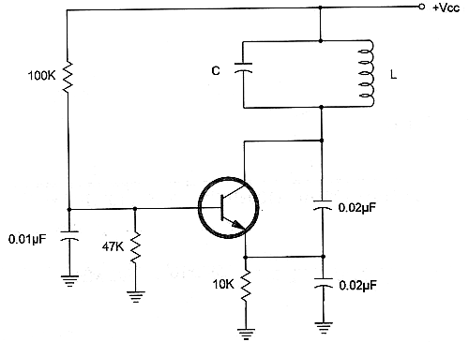
Index

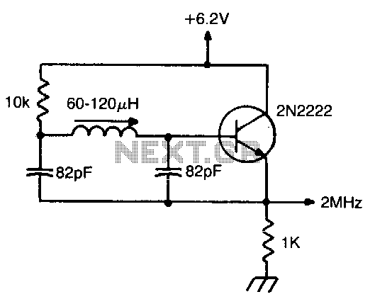

 | http://www.newtoncbraga.com.br/index.php/matematica-para-eletronica/439-oscilador-de-colpitts-calculo-m008.html

NPN Common Emitter
Index

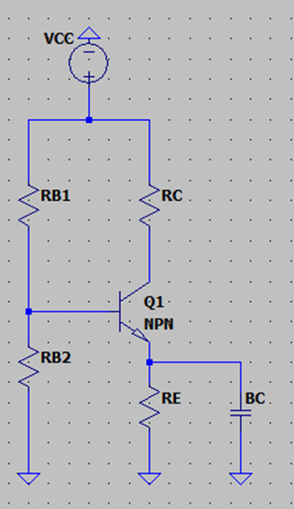
 | VCC | 15.000000000000 | Volts
 | VCE | 10.000000000000 | Volts
 | VC | 4.000000000000 | Volts
 | Hfe | 296.000000000000 | Beta
 | IC | 0.010000000000 | Ampers
 | VE | 1.000000000000 | Volts
 | IB | 0.000033783784 | Ampers
 | IRB1 | 0.000337837838 | Ampers
 | IRB2 | 0.000304054054 | Ampers
 | RB1 | 43,808.000000000000 | Ohms
 | RB2 | 5,920.000000000000 | Ohms
 | RC | 400.000000000000 | Ohms
 | RE | 100.000000000000 | Ohms
 | BC | 10.000000000000 | Ohms
 | Re | 740.000000000000 | Ohms
 | Zin | 648.047337300000 | Ohms
 | Zout | 8.888888889000 | Ohms

 | VT | 0.40000000 | gm
 | A | 118.400000000000

NPN Common Collector
Index

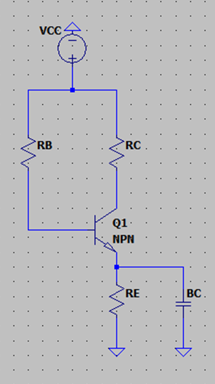
 | VCC | 15.000000000000 | Volts
 | VCE | 10.000000000000 | Volts
 | VC | 4.000000000000
 | Hfe | 296.000000000000 | Beta
 | IC | 0.010000000000 | Ampers
 | VE | 1.000000000000 | Volts
 | IB | 0.000033783784 | Ampers
 | VB | 1.800000000000
 | RB | 390,720.000000000000 | Ohms
 | RC | 400.000000000000 | Ohms
 | RE | 100.000000000000 | Ohms
 | BC | 10.000000000000 | Ohms
 | Zin | 738.601134200000 | Ohms
 | zout | 8.888888889000 | Ohms

NE555 Astable
Mark Space Ratio
𝑇_1/𝑇_0
Duty Cycle
𝑇_1/𝑇 100
Index
 | Formulas:
Frequency
F=1,44/(𝑅_1+〖2𝑅〗_2 )𝐶
High Time
T1=0,694(𝑅_1+𝑅_2 )𝐶
Low Time
T0=0,694𝑅_2 𝐶

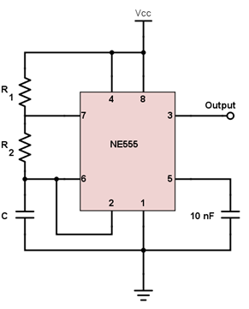

 | Slove Frequency | R1 | 140,000.000000000000 | Ohms
 |  | R2 | 75,000.000000000000 | Ohms
 |  | C | 0.000000000820 | Farad
 |  | Frequency | 6,055.508831000000 | Hz
 |  | T1 (High Time) | 0.000122352200 | Seconds | 122.3522
 |  | T0 (Low Time) | 0.000042681000 | Seconds
 |  | T (Total Time) | 0.000165033200 | Seconds
 |  | Mark Space | 2.866666667000 | Ratio
 |  | Duty Cycle | 74.137931030000 | Percentage

 | Slove R2:
 |  | Frequency | 140,000.000000000000 | Hz
 |  | R1 | 500.000000000000 | Ohms
 |  | C | 0.000000000100 | Farad
 |  | R2 | 51,178.571430000000 | Ohms
 |  | T1 (High Time) | 0.000003586493 | Seconds
 |  | T0 (Low Time) | 0.000003551793 | Seconds
 |  | T (Total Time) | 0.000007138286 | Seconds
 |  | Mark Space | 1.009769714000 | Ratio
 |  | Duty Cycle | 50.243055560000 | Percentage

 | References:
 |  | https://www.allaboutcircuits.com/tools/555-timer-astable-circuit/

Thermal Resistance
Index

 | Formulas:
Junction temperature
𝑇𝑗=𝑃𝑑(𝜃𝑗𝑐+𝜃𝑐𝑠+𝜃𝑠𝑎)+𝑇𝑎
Tj = junction temperature, °C
Pd = power dissipation, W
Θjc = junction thermal resistance, °C/W
Θcs = insulator thermal resistance, °C/W
Θsa = heat sink thermal resistance, °C/W
Θja = junction to ambient, °C/W
Ta = ambient temperature, °C
Junction to ambient
𝜃𝑗𝑎= 𝜃𝑗𝑐+𝜃𝑐𝑠+𝜃𝑠𝑎
Tj = junction temperature, °C
Pd = power dissipation, W
Θjc = junction thermal resistance, °C/W
Θcs = insulator thermal resistance, °C/W
Θsa = heat sink thermal resistance, °C/W
Θja = junction to ambient, °C/W
Ta = ambient temperature, °C
Junction temperature, short for transistor junction temperature, is the highest operating temperature of the actual semiconductor in an electronic device. In operation, it is higher than case temperature and the temperature of the part's exterior.

 | Slove power dissipation: | Tj | 125.000000 | ºC
 |  | Θja | 30.000000 | ºC/W
 |  | Ta | 35.000000 | ºC
 |  | Pd | 3.000000 | W | TO-220, TO-263 - junction to case thermal resistance 0,89 ºC/W

 | Slove Junction temperature | Pd | 6.000000 | W
 |  | Θjc | 0.890000 | ºC/W
 |  | Θcs | 0.500000 | ºC/W
 |  | Θsa | 13.610000 | ºC/W
 |  | Ta | 35.000000 | ºC
 |  | Θja | 15.000000 | ºC/W
 |  | Tj | 125.000000 | ºC

 | Slove Power Dissipation | Tj | 125.000000 | ºC
 |  | Θjc | 0.890000 | ºC/W
 |  | Θcs | 0.500000 | ºC/W
 |  | Θsa | 15.500000 | ºC/W
 |  | Ta | 35.000000 | ºC
 |  | Θja | 16.890000 | ºC/W
 |  | Pd | 5.328597 | W

 | Slove heat sink thermal resistance | Tj | 125.000000 | ºC
 |  | Pd | 6.000000 | W
 |  | Θjc | 0.890000 | ºC/W
 |  | Θcs | 0.500000 | ºC/W
 |  | Ta | 35.000000 | ºC
 |  | Θsa | 13.610000 | ºC/W

 | Slove insulator thermal resistance | Θjc | 0.890000 | ºC/W
 |  | Θsa | 15.500000 | ºC/W
 |  | Θja | 16.890000 | ºC/W
 |  | Θcs | 0.500000 | ºC/W

 | References | https://en.wikipedia.org/wiki/Junction_temperature
 |  | https://www.re-innovation.co.uk/docs/heatsink-calculations/
 |  | https://www.designworldonline.com/how-to-select-a-suitable-heat-sink/
 |  | https://www.cuidevices.com/product/resource/calculators/heat-sink-calculator

Thermal Noise
Index

 | Formulas:
Thermal Noise
𝑉_𝑅𝑀𝑆=√(4∗𝐾_𝐵∗𝑇∗𝑅∗𝐵)
KB = Boltzmann Constant
T = Temperature in Kelvin
R = Resistance in Ohm
B = Bandwidth in Hertz

 | Slove Thermal Noise: | T= | 23.000000 | Celcius
 |  | R= | 1,000.000000 | Ohms
 |  | B= | 100,000,000.000000 | Hertz
 |  | K= | 296.150000 | Kelvin
 |  | V= | 4.044152E-05 | RMS Volt
 |  | dBV= | -8.786345E+01 | dBV

 | References:
 |  | https://en.wikipedia.org/wiki/Johnson%E2%80%93Nyquist_noise

Heat Sink Calculator
Index

 | Formulas:
Heat sink volume in cm3 = (heat source power in watts x volumetric thermal resistance) / (Tjunction - maximum ambient temperature)
Thermal Resistance
𝑅_𝑡=𝐿/𝑘𝐴
Rt = Thermal resistance
k = MaterialThermal conductivity [W·m−1·K−1]
L = Plane thickness
A = Plane area (m2)

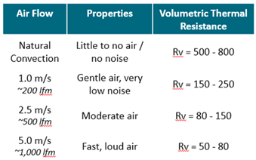

 | Slove volume: | Power | 6.00 | Watt
 |  | Volumetric thermal resistance | 50.00 | Rv
 |  | Thermal junction | 125.00 | ºC
 |  | Ambient temperature | 35.00 | ºC
 |  | Heat sink volume | 3.33 | cm3

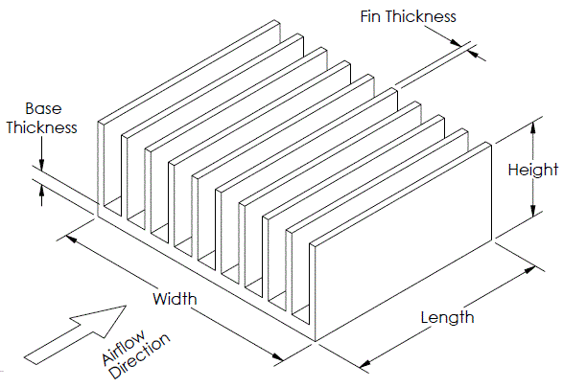
 | Slove power: | Heat sink volume | 3.33 | cm3
 |  | Volumetric thermal resistance | 50.00 | Rv
 |  | Thermal junction | 125.00 | ºC
 |  | Ambient temperature | 35.00 | ºC
 |  | Power | 6.00 | Watt

 | Slove Volume: | Base thickness | 0.20 | cm
 |  | Base width | 1.40 | cm
 |  | Base length | 1.40 | cm
 |  | Fin thickness | 0.40 | cm
 |  | Fin width | 0.20 | cm
 |  | Fin lenght | 0.20 | cm
 |  | Fins count | 16.00 | number
 |  | Base volume | 0.39 | cm3
 |  | Fin volume | 0.02 | cm3
 |  | Total volume | 0.65 | cm3
 |  | Thermal Resistance | 0.000659 | ºC/W

 | References:
 |  | https://celsiainc.com/resources/calculators/heat-sink-size-calculator/
 |  | https://www.google.com/search?q=heat+sink+formula&oq=heat+sink+formula&aqs=chrome.0.35i39j0i22i30l5.18254j0j7&sourceid=chrome&ie=UTF-8

Buck Converter Power Dissipated
Index
How do you calculate the power dissipation in a switching regulator?
You can compute this dissipation from the output power and the efficiency. The output will be 5V * 1.5A = 7.5W. If the switcher is 80% efficient, for example, then the total input power will be 7.5W / 0.8 = 9.4W.
 | Formulas:

 | Slove volume: | Voltage | 5.0000 | V
 |  | Current | 5.0000 | I
 |  | Efeciency | 85.0000 | %
 |  | Power | 25.0000 | Watt
 |  | Power Draw | 21.2500 | Watt
 |  | Power Lost | 3.7500 | Watt

 | References:
 |  | https://www.edaboard.com/threads/what-is-the-formula-to-calculate-power-dissipation-in-a-switching-regulator.286300/

