vs X3
Point | Offense/Defense | GoodVibes | X3 | Turnovers | Break | Point starts | Point ends | Duration | Player | Passes Total | Passes Completed | Drops | Blocks by them | Pases Efficiency | Passes Received | Passes Lost | Blocks by them | Receiving Efficiency | Blocks by us | Points Played | Offense Points | Scored Offense | Offense Effeciency | Defense Points | Scored Defense | Defense Effeciency | Time Played | Time Played
1 | Offense | 1 | 0 | 4 |  | 0:00:50 | 0:03:53 | 0:03:03 | p1 | 3 | 2 | 0 | 1 | 67% | 3 | 0 | 0 | 100% |  | 4 | 1 | 1 | 100% | 3 | 0 | 0% | 0:02:50 | 16.25%
2 | Defense | 1 | 1 | 2 |  | 0:04:40 | 0:06:20 | 0:01:40 | p2 | 1 | 1 | 0 | 0 | 100% | 1 | 0 | 0 | 100% |  | 3 | 0 | 0 | 0% | 3 | 0 | 0% | 0:03:18 | 18.93%
3 | Offense | 2 | 1 |  |  | 0:07:05 | 0:07:53 | 0:00:48 | p3 | 2 | 2 | 0 | 0 | 100% | 2 | 0 | 0 | 100% |  | 5 | 2 | 0 | 0% | 3 | 0 | 0% | 0:04:40 | 26.77%
4 | Defense | 2 | 2 |  |  | 0:08:25 | 0:09:50 | 0:01:25 | p4 | 8 | 8 | 0 | 0 | 100% | 10 | 0 | 0 | 100% | 1 | 11 | 6 | 4 | 67% | 5 | 1 | 20% | 0:12:25 | 71.22%
5 | Offense | 3 | 2 |  |  | 0:10:38 | 0:10:56 | 0:00:18 | p5 | 8 | 7 | 1 | 0 | 88% | 7 | 0 | 0 | 100% | 1 | 8 | 3 | 2 | 67% | 5 | 1 | 20% | 0:10:09 | 58.22%
6 | Defense | 4 | 2 | 1 | 1 | 0:11:38 | 0:13:11 | 0:01:33 | p6 | 6 | 6 | 0 | 0 | 100% | 8 | 1 | 0 | 89% |  | 9 | 5 | 4 | 80% | 4 | 1 | 25% | 0:10:59 | 63.00%
7 | Defense | 4 | 3 |  |  | 0:13:53 | 0:14:06 | 0:00:13 | p7 | 15 | 12 | 3 | 0 | 80% | 8 | 0 | 0 | 100% | 1 | 9 | 7 | 5 | 71% | 2 | 1 | 50% | 0:09:52 | 56.60%
8 | Offense | 4 | 4 | 1 | 1 | 0:14:42 | 0:15:06 | 0:00:24 | p8 | 5 | 5 | 0 | 0 | 100% | 5 | 0 | 0 | 100% |  | 8 | 5 | 3 | 60% | 3 | 0 | 0% | 0:05:36 | 32.12%
9 | Offense | 5 | 4 |  |  | 0:16:01 | 0:16:33 | 0:00:32 | p9 | 8 | 8 | 0 | 0 | 100% | 8 | 0 | 0 | 100% |  | 7 | 5 | 2 | 40% | 2 | 1 | 50% | 0:06:42 | 38.43%
10 | Defense | 5 | 5 |  |  | 0:17:08 | 0:17:47 | 0:00:39 | p10 | 3 | 3 | 0 | 0 | 100% | 4 | 0 | 1 | 80% |  | 6 | 5 | 4 | 80% | 1 | 0 | 0% | 0:07:13 | 41.40%
11 | Offense | 5 | 6 | 1 | 1 | 0:18:25 | 0:21:04 | 0:02:39 | p11 | 6 | 5 | 0 | 0 | 93% | 6 | 0 | 0 | 97% | 1 | 7 | 4 | 3 | 56% | 3 | 0.5 | 16% | 0:07:22 | 42.29%
12 | Offense | 6 | 6 |  |  | 0:21:48 | 0:22:15 | 0:00:27
13 | Defense | 6 | 7 |  |  | 0:22:54 | 0:24:24 | 0:01:30
14 | Offense | 6 | 8 | 1 | 1 | 0:25:08 | 0:26:06 | 0:00:58
15 | Offense | 6 | 9 | 1 | 1 | 0:26:55 | 0:28:12 | 0:01:17
 |  |  |  |  |  |  | Total | 0:17:26

 | Total | Scored | Efficiency
Offense | 9 | 5 | 56%
Defense | 6 | 1 | 17%

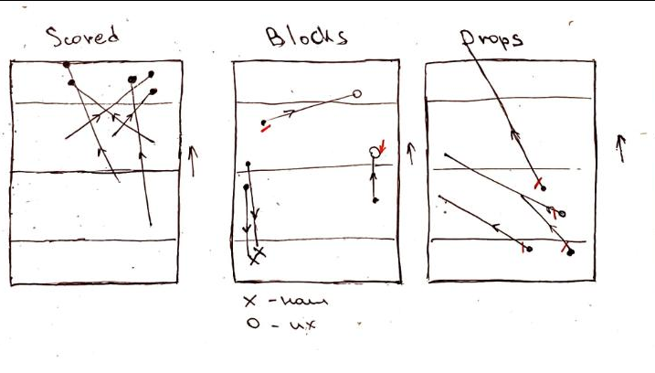
 |  |  |  |  |  |  |  |  |  |  |  |  |  |  |  |  |  |  |  |  |  |  |  | Block by them | https://youtu.be/A3JlOKXDp7U?t=68
 |  |  |  |  |  |  |  |  |  |  |  |  |  |  |  |  |  |  |  |  |  |  |  | Block by us | https://youtu.be/A3JlOKXDp7U?t=87
 |  |  |  |  |  |  |  |  |  |  |  |  |  |  |  |  |  |  |  |  |  |  |  | Drop | https://youtu.be/A3JlOKXDp7U?t=101
 |  |  |  |  |  |  |  |  |  |  |  |  |  |  |  |  |  |  |  |  |  |  |  | Block by them | https://youtu.be/A3JlOKXDp7U?t=186
 |  |  |  |  |  |  |  |  |  |  |  |  |  |  |  |  |  |  |  |  |  |  |  | Block by them | https://youtu.be/A3JlOKXDp7U?t=370
 |  |  |  |  |  |  |  |  |  |  |  |  |  |  |  |  |  |  |  |  |  |  |  | Drop | https://youtu.be/A3JlOKXDp7U?t=893
 |  |  |  |  |  |  |  |  |  |  |  |  |  |  |  |  |  |  |  |  |  |  |  | Drop | https://youtu.be/A3JlOKXDp7U?t=1121
 |  |  |  |  |  |  |  |  |  |  |  |  |  |  |  |  |  |  |  |  |  |  |  | Stall Out | https://youtu.be/A3JlOKXDp7U?t=1528
 |  |  |  |  |  |  |  |  |  |  |  |  |  |  |  |  |  |  |  |  |  |  |  | Drop | https://youtu.be/A3JlOKXDp7U?t=1646

Pases Efficiency, Receiving Efficiency, Offense Effeciency and Defense Effeciency

vs Lynxes
Point | Offense/Defense | GoodVibes | Lynxes | Turnovers | Break | Point starts | Point ends | Duration |  | Player | Passes Total | Passes Completed | Drops | Blocks by them | Pases Efficiency | Passes Received | Passes Lost | Blocks by them | Receiving Efficiency | Blocks by us | Points Played | Points Played | Offense Points | Scored Offense | Offense Effeciency | Defense Points | Scored Defense | Defense Effeciency | Time Played | Time Played
1 | Offense | 1 | 0 | 2 |  | 0:00:44 | 0:02:35 | 0:01:51 | 1 | p1 | 1 | 1 | 0 | 0 | 100% | 3 | 0 | 0 | 100% | 0 | 1,3,5,8,11,13,14 | 7 | 2 | 2 | 100% | 5 | 2 | 40% | 0:06:16 | 44.76%
2 | Defense | 2 | 0 | 1 | 1 | 0:03:15 | 0:04:03 | 0:00:48 | 1 | p2 | 2 | 1 | 1 | 0 | 50% | 4 | 0 | 0 | 100% | 0 | 2,6,7,9,12 | 5 | 1 | 1 | 100% | 4 | 4 | 100% | 0:05:44 | 40.95%
3 | Defense | 2 | 1 |  |  | 0:04:47 | 0:05:00 | 0:00:13 | 0 | p3 | 4 | 4 | 0 | 0 | 100% | 4 | 0 | 0 | 100% | 0 | 2,3,6,7,9,10,13,14 | 8 | 1 | 1 | 100% | 7 | 5 | 71% | 0:06:11 | 44.17%
4 | Offense | 3 | 1 |  |  | 0:05:36 | 0:06:07 | 0:00:31 | 1 | p4 | 8 | 7 | 1 | 0 | 88% | 8 | 1 | 0 | 89% | 0 | 1,2,4,7,9,10,13,14 | 8 | 3 | 3 | 100% | 5 | 4 | 80% | 0:08:05 | 57.74%
5 | Defense | 4 | 1 | 1 | 1 | 0:06:52 | 0:07:24 | 0:00:32 | 1 | p5 | 10 | 9 | 1 | 0 | 90% | 5 | 0 | 0 | 100% | 1 | 1,2,4,5,6,7,9,10,13,14 | 10 | 3 | 3 | 100% | 7 | 6 | 86% | 0:08:52 | 63.33%
6 | Defense | 5 | 1 | 1 | 1 | 0:08:10 | 0:08:25 | 0:00:15 | 1 | p6 | 5 | 5 | 0 | 0 | 100% | 4 | 0 | 0 | 100% | 1 | 1,5,6,8,11,12 | 6 | 2 | 2 | 100% | 4 | 3 | 75% | 0:07:33 | 53.93%
7 | Defense | 6 | 1 | 1 | 1 | 0:09:12 | 0:10:05 | 0:00:53 | 1 | p7 | 8 | 7 | 1 | 0 | 88% | 8 | 1 | 0 | 89% | 0 | 1,3,4,8,10,12 | 6 | 3 | 3 | 100% | 3 | 2 | 67% | 0:08:45 | 62.50%
8 | Defense | 7 | 1 | 3 | 1 | 0:10:46 | 0:13:47 | 0:03:01 | 1 | p8 | 2 | 2 | 0 | 0 | 100% | 3 | 0 | 0 | 100% | 0 | 2,4,5,8,10,11,13,14 | 8 | 2 | 2 | 100% | 6 | 4 | 67% | 0:07:00 | 50.00%
9 | Defense | 8 | 1 | 3 | 1 | 0:14:30 | 0:16:38 | 0:02:08 | 1 | p9 | 11 | 11 | 0 | 0 | 100% | 7 | 0 | 0 | 100% | 1 | 3,4,6,7,9,11,12 | 7 | 2 | 2 | 100% | 5 | 3 | 60% | 0:05:54 | 42.14%
10 | Defense | 9 | 1 | 1 | 1 | 0:17:38 | 0:19:07 | 0:01:29 | 1 | p10 | 2 | 2 | 0 | 0 | 100% | 2 | 0 | 0 | 100% | 0 | 3,5,8,11,12 | 5 | 1 | 1 | 100% | 4 | 2 | 50% | 0:05:40 | 40.48%
11 | Defense | 9 | 2 |  |  | 0:19:52 | 0:20:06 | 0:00:14 | 0 | p11 | 5 | 5 | 0.4 | 0 | 92% | 5 | 0.2 | 0 | 98% | 0.30 |  | 7.0 | 2.0 | 2.0 | 100% | 5.0 | 3.5 | 69.55% | 0:07:00 | 50.00%
12 | Offense | 10 | 2 | 2 |  | 0:20:51 | 0:22:31 | 0:01:40 | 1
13 | Defense | 10 | 3 |  |  | 0:23:08 | 0:23:20 | 0:00:12 | 0
14 | Offense | 11 | 3 |  |  | 0:24:05 | 0:24:18 | 0:00:13 | 1
 |  |  |  |  |  |  | Total | 0:14:00

 | Total | Scored | Efficiency
Offense | 4 | 4 | 100%
Defense | 10 | 7 | 70%

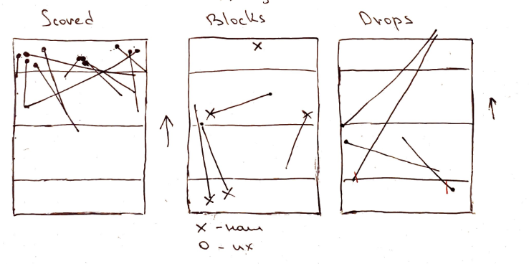
 |  |  |  |  |  |  |  |  |  |  |  |  |  |  |  |  |  |  |  |  |  | Drop |  | https://youtu.be/9txH6wCX-4U?t=67
 |  |  |  |  |  |  |  |  |  |  |  |  |  |  |  |  |  |  |  |  |  | Block by us |  | https://youtu.be/9txH6wCX-4U?t=116
 |  |  |  |  |  |  |  |  |  |  |  |  |  |  |  |  |  |  |  |  |  | Block by us |  | https://youtu.be/9txH6wCX-4U?t=425
 |  |  |  |  |  |  |  |  |  |  |  |  |  |  |  |  |  |  |  |  |  | Block by us |  | https://youtu.be/9txH6wCX-4U?t=581
 |  |  |  |  |  |  |  |  |  |  |  |  |  |  |  |  |  |  |  |  |  | Drop |  | https://youtu.be/9txH6wCX-4U?t=674
 |  |  |  |  |  |  |  |  |  |  |  |  |  |  |  |  |  |  |  |  |  | Block by us |  | https://youtu.be/9txH6wCX-4U?t=810
 |  |  |  |  |  |  |  |  |  |  |  |  |  |  |  |  |  |  |  |  |  | Drop |  | https://youtu.be/9txH6wCX-4U?t=924
 |  |  |  |  |  |  |  |  |  |  |  |  |  |  |  |  |  |  |  |  |  | Block by us |  | https://youtu.be/9txH6wCX-4U?t=1073
 |  |  |  |  |  |  |  |  |  |  |  |  |  |  |  |  |  |  |  |  |  | Drop |  | https://youtu.be/9txH6wCX-4U?t=1260

Pases Efficiency, Receiving Efficiency, Offense Effeciency and Defense Effeciency

vs Nova
Point | Offense/Defense | GoodVibes | Nova | Turnovers | Break | Point starts | Point ends | Duration |  | Player | Passes Total | Passes Completed | Drops | Blocks by them | Pases Efficiency | Passes Received | Passes Lost | Blocks by them | Receiving Efficiency | Blocks by us | Points Played | Points Played | Offense Points | Scored Offense | Offense Effeciency | Defense Points | Scored Defense | Defense Effeciency | Time Played | Time Played | Points Played
1 | Offense | 1 | 0 | 2 |  | 0:01:08 | 0:02:52 | 0:01:44 | 1 | p1 | 2 | 2 | 0 | 0 | 100% | 11 | 0 | 0 | 100% | 0 | 3,4,8,11,14 | 5 | 2 | 1 | 50% | 3 | 1 | 33% | 0:04:14 | 21.99% | 3 | 4 | 8 | 11 | 14
2 | Defense | 1 | 1 |  |  | 0:03:32 | 0:03:54 | 0:00:22 | 0 | p2 | 2 | 2 | 0 | 0 | 100% | 2 | 0 | 0 | 100% | 0 | 4,8,17 | 3 | 1 | 1 | 100% | 2 | 1 | 50% | 0:01:53 | 9.78% | 4 | 8 | 17
3 | Offense | 2 | 1 |  |  | 0:04:34 | 0:05:07 | 0:00:33 | 1 | p3 | 6 | 6 | 0 | 0 | 100% | 6 | 0 | 0 | 100% | 0 | 2,4,7,9,11,13,15,17,18 | 9 | 4 | 3 | 75% | 5 | 1 | 20% | 0:06:00 | 31.17% | 2 | 4 | 7 | 9 | 11 | 13 | 15 | 17 | 18
4 | Defense | 2 | 2 |  |  | 0:05:47 | 0:06:30 | 0:00:43 | 0 | p4 | 24 | 23 | 1 | 0 | 96% | 28 | 2 | 0 | 93% | 0 | 1,3,4,5,7,9,10,12,13,14,15,17,18 | 13 | 10 | 7 | 70% | 3 | 1 | 33% | 0:12:20 | 64.07% | 1 | 3 | 4 | 5 | 7 | 9 | 10 | 12 | 13 | 14 | 15 | 17 | 18
5 | Offense | 3 | 2 |  |  | 0:07:08 | 0:07:48 | 0:00:40 | 1 | p5 | 29 | 28 | 1 | 0 | 97% | 23 | 1 | 0 | 96% | 2 | 1,2,4,5,6,8,10,11,13,14,15,16,18 | 13 | 6 | 4 | 67% | 7 | 2 | 29% | 0:11:35 | 60.17% | 1 | 2 | 4 | 5 | 6 | 8 | 10 | 11 | 13 | 14 | 15 | 16 | 18
6 | Defense | 3 | 3 |  |  | 0:08:31 | 0:08:47 | 0:00:16 | 0 | p6 | 15 | 14 | 1 | 0 | 93% | 18 | 1 | 0 | 95% | 0 | 1,2,3,5,6,9,10,11,12,14,15,16,18 | 13 | 7 | 5 | 71% | 6 | 1 | 17% | 0:09:10 | 47.62% | 1 | 2 | 3 | 5 | 6 | 9 | 10 | 11 | 12 | 14 | 15 | 16 | 18
7 | Offense | 4 | 3 |  |  | 0:09:15 | 0:09:57 | 0:00:42 | 1 | p7 | 30 | 30 | 0 | 0 | 100% | 24 | 0 | 0 | 100% | 0 | 1,3,5,7,10,12,13,15,17,18 | 10 | 9 | 7 | 78% | 1 | 1 | 100% | 0:09:56 | 51.60% | 1 | 3 | 5 | 7 | 10 | 12 | 13 | 15 | 17 | 18
8 | Defense | 5 | 3 | 1 | 1 | 0:10:48 | 0:11:58 | 0:01:10 | 1 | p8 | 5 | 5 | 0 | 0 | 100% | 5 | 0 | 0 | 100% | 0 | 2,5,6,8,9,11,12,14,16 | 9 | 3 | 1 | 33% | 6 | 1 | 17% | 0:05:55 | 30.74% | 2 | 5 | 6 | 8 | 9 | 11 | 12 | 14 | 16
9 | Defense | 5 | 4 |  |  | 0:12:40 | 0:12:54 | 0:00:14 | 0 | p9 | 14 | 13 | 1 | 0 | 93% | 11 | 0 | 0 | 100% | 0 | 2,3,6,7,9,10,13,16,17 | 9 | 5 | 4 | 80% | 4 | 0 | 0% | 0:06:05 | 31.60% | 2 | 3 | 6 | 7 | 9 | 10 | 13 | 16 | 17
10 | Offense | 6 | 4 |  |  | 0:13:26 | 0:14:40 | 0:01:14 | 1 | p10 | 2 | 2 | 0 | 0 | 100% | 2 | 1 | 0 | 67% | 0 | 1,6,7,8,12,16 | 6 | 3 | 2 | 67% | 3 | 1 | 33% | 0:05:17 | 27.45% | 1 | 6 | 7 | 8 | 12 | 16
11 | Defense | 6 | 5 |  |  | 0:15:22 | 0:15:43 | 0:00:21 | 0 | p11 | 13 | 13 | 0.4 | 0 | 98% | 13 | 0.5 | 0 | 95% | 0.20 |  | 9 | 5 | 3.5 | 69% | 4 | 1 | 33.19% | 0:07:14 | 37.62%
12 | Offense | 6 | 6 | 1 | 1 | 0:16:20 | 0:17:45 | 0:01:25 | 0
13 | Offense | 6 | 7 | 1 | 1 | 0:18:16 | 0:21:00 | 0:02:44 | 0
14 | Offense | 6 | 8 | 1 | 1 | 0:21:38 | 0:23:05 | 0:01:27 | 0
15 | Offense | 7 | 8 |  |  | 0:23:43 | 0:24:37 | 0:00:54 | 1
16 | Defense | 7 | 9 |  |  | 0:25:17 | 0:25:48 | 0:00:31 | 0
17 | Offense | 8 | 9 |  |  | 0:26:24 | 0:26:43 | 0:00:19 | 1
18 | Defense | 9 | 9 | 5 | 1 | 0:27:20 | 0:30:44 | 0:03:24 | 1
19 | Offense | 9 | 10 | 1 | 1 | 0:31:27 | 0:31:59 | 0:00:32 | 0
 |  |  |  |  |  |  | Total | 0:19:15

 | Total | Scored | Efficiency
Offense | 11 | 7 | 64%
Defense | 8 | 2 | 25%

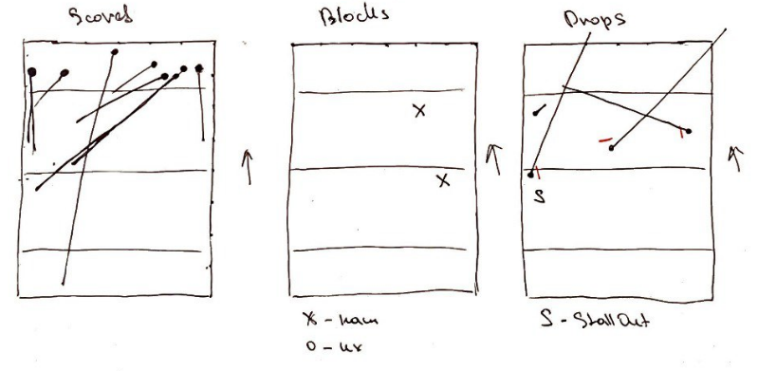
 |  |  |  |  |  |  |  |  |  |  |  |  |  |  |  |  |  |  |  |  |  |  | Drop |  | https://youtu.be/iumcfpBxhKQ?t=86
 |  |  |  |  |  |  |  |  |  |  |  |  |  |  |  |  |  |  |  |  |  |  | Block by us |  | https://youtu.be/iumcfpBxhKQ?t=658
 |  |  |  |  |  |  |  |  |  |  |  |  |  |  |  |  |  |  |  |  |  |  | Drop |  | https://youtu.be/iumcfpBxhKQ?t=1151
 |  |  |  |  |  |  |  |  |  |  |  |  |  |  |  |  |  |  |  |  |  |  | Stall Out |  | https://youtu.be/iumcfpBxhKQ?t=1341
 |  |  |  |  |  |  |  |  |  |  |  |  |  |  |  |  |  |  |  |  |  |  | Drop |  | https://youtu.be/iumcfpBxhKQ?t=1677
 |  |  |  |  |  |  |  |  |  |  |  |  |  |  |  |  |  |  |  |  |  |  | Block by us |  | https://youtu.be/iumcfpBxhKQ?t=1700
 |  |  |  |  |  |  |  |  |  |  |  |  |  |  |  |  |  |  |  |  |  |  | Drop |  | https://youtu.be/iumcfpBxhKQ?t=1755

Pases Efficiency, Receiving Efficiency, Offense Effeciency and Defense Effeciency

vs Phoenix
Point | Offense/Defense | GoodVibes | Phoenix | Turnovers | Break | Point starts | Point ends | Duration |  | Player | Passes Total | Passes Completed | Drops | Blocks by them | Pases Efficiency | Passes Received | Passes Lost | Blocks by them | Receiving Efficiency | Blocks by us | Points Played | Points Played | Offense Points | Scored Offense | Offense Effeciency | Defense Points | Scored Defense | Defense Effeciency | Time Played | Time Played | Points Played
1 | Offense | 0 | 1 | 1 | 1 | 0:01:40 | 0:02:27 | 0:00:47 | 0 | p1 | 5 | 5 | 0 | 0 | 100% | 6 | 0 | 0 | 100% | 0 | 1,6,9,13,14 | 5 | 3 | 2 | 67% | 2 | 1 | 50% | 0:03:59 | 20.62% | 1 | 6 | 9 | 13 | 14
2 | Offense | 1 | 1 |  |  | 0:02:58 | 0:03:44 | 0:00:46 | 1 | p2 | 0 | 0 | 0 | 0 | 0% | 0 | 0 | 0 | 0% | 0 | 3,6 | 2 | 0 | 0 | 0% | 2 | 1 | 50% | 0:01:01 | 5.26% | 3 | 6
3 | Defense | 1 | 2 |  |  | 0:04:26 | 0:04:41 | 0:00:15 | 0 | p3 | 4 | 4 | 0 | 0 | 100% | 4 | 1 | 0 | 80% | 0 | 4,5,7,10,12,15 | 6 | 4 | 2 | 50% | 2 | 2 | 100% | 0:10:47 | 55.82% | 4 | 5 | 7 | 10 | 12 | 15
4 | Offense | 1 | 3 | 1 | 1 | 0:05:21 | 0:06:33 | 0:01:12 | 0 | p4 | 12 | 12 | 0 | 0 | 100% | 12 | 0 | 0 | 100% | 0 | 1,2,4,5,7,9,10,12,13,14,15 | 11 | 8 | 5 | 63% | 3 | 2 | 67% | 0:14:46 | 76.45% | 1 | 2 | 4 | 5 | 7 | 9 | 10 | 12 | 13 | 14 | 15
5 | Offense | 2 | 3 |  |  | 0:07:14 | 0:07:38 | 0:00:24 | 1 | p5 | 16 | 16 | 0 | 0 | 100% | 13 | 0 | 0 | 100% | 0 | 1,2,3,6,7,8,9,10,11,13,14,15 | 12 | 5 | 4 | 80% | 7 | 3 | 43% | 0:19:42 | 101.98% | 1 | 2 | 3 | 6 | 7 | 8 | 9 | 10 | 11 | 13 | 14 | 15
6 | Defense | 3 | 3 | 1 | 1 | 0:08:25 | 0:09:11 | 0:00:46 | 1 | p6 | 10 | 9 | 1 | 0 | 90% | 11 | 0 | 0 | 100% | 2 | 1,2,3,6,7,8,10,11,12,13,14,15 | 12 | 5 | 3 | 60% | 7 | 3 | 43% | 0:19:59 | 103.45% | 1 | 2 | 3 | 6 | 7 | 8 | 10 | 11 | 12 | 13 | 14 | 15
7 | Defense | 4 | 3 | 4 | 1 | 0:09:56 | 0:13:34 | 0:03:38 | 1 | p7 | 12 | 10 | 2 | 0 | 83% | 10 | 0 | 0 | 100% | 0 | 1,2,4,5,7,8,9,11,12,15 | 10 | 7 | 4 | 57% | 3 | 1 | 33% | 0:15:10 | 78.52% | 1 | 2 | 4 | 5 | 7 | 8 | 9 | 11 | 12 | 15
8 | Defense | 4 | 4 |  |  | 0:14:25 | 0:15:43 | 0:01:18 | 0 | p8 | 4 | 3 | 1 | 0 | 75% | 4 | 0 | 0 | 100% | 0 | 3,4,5,8,10,11,13,14 | 8 | 3 | 2 | 67% | 5 | 1 | 20% | 0:08:31 | 44.09% | 3 | 4 | 5 | 8 | 10 | 11 | 13 | 14
9 | Offense | 5 | 4 |  |  | 0:16:26 | 0:17:12 | 0:00:46 | 1 | p9 | 6 | 6 | 0 | 0 | 100% | 6 | 0 | 0 | 100% | 0 | 3,4,5,8,9,12 | 6 | 4 | 2 | 50% | 2 | 0 | 0% | 0:04:58 | 25.71% | 3 | 4 | 5 | 8 | 9 | 12
10 | Defense | 6 | 4 | 1 | 1 | 0:17:59 | 0:19:27 | 0:01:28 | 1 | p10 | 2 | 2 | 0 | 0 | 100% | 2 | 0 | 0 | 100% | 0 | 2,6,11 | 3 | 1 | 1 | 100% | 2 | 1 | 50% | 0:03:46 | 19.50% | 2 | 6 | 11
11 | Defense | 6 | 5 |  |  | 0:20:09 | 0:22:23 | 0:02:14 | 0 | p11 | 7 | 7 | 0.4 | 0 | 85% | 7 | 0.1 | 0 | 88% | 0.20 |  | 7.5 | 4 | 2.5 | 59% | 3.5 | 1.5 | 45.57% | 0:10:16 | 53.14%
12 | Offense | 6 | 6 | 1 | 1 | 0:23:14 | 0:24:17 | 0:01:03 | 0
13 | Offense | 7 | 6 |  |  | 0:24:09 | 0:25:25 | 0:01:16 | 1
14 | Defense | 7 | 7 |  |  | 0:26:04 | 0:26:28 | 0:00:24 | 0
15 | Offense | 8 | 7 |  |  | 0:27:43 | 0:30:45 | 0:03:02 | 1
 |  |  |  |  |  |  | Total | 0:19:19

 | Total | Scored | Efficiency
Offense | 8 | 5 | 63%
Defense | 7 | 3 | 43%

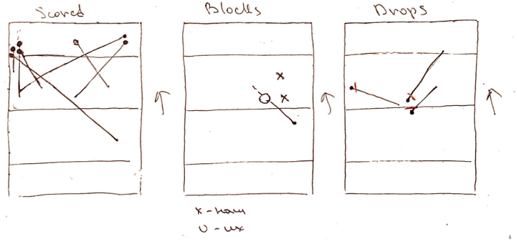
 |  |  |  |  |  |  |  |  |  |  |  |  |  |  |  |  |  |  |  |  |  | Drop |  | https://youtu.be/cwDAa_BDeoI?t=124
 |  |  |  |  |  |  |  |  |  |  |  |  |  |  |  |  |  |  |  |  |  | Drop |  | https://youtu.be/cwDAa_BDeoI?t=367
 |  |  |  |  |  |  |  |  |  |  |  |  |  |  |  |  |  |  |  |  |  | Block by us |  | https://youtu.be/cwDAa_BDeoI?t=627
 |  |  |  |  |  |  |  |  |  |  |  |  |  |  |  |  |  |  |  |  |  | Block by us |  | https://youtu.be/cwDAa_BDeoI?t=1089
 |  |  |  |  |  |  |  |  |  |  |  |  |  |  |  |  |  |  |  |  |  | Block by them |  | https://youtu.be/cwDAa_BDeoI?t=1427

 |  |  |  |  |  |  |  |  |  |  |  |  |  |  |  |  |  |  |  |  |  |  | Point | Duration |  |  | 0:00:47 | 0:00:47 | 0
 |  |  |  |  |  |  |  |  |  |  |  |  |  |  |  |  |  |  |  |  |  |  | 1 | 0:00:47 |  |  | 0:00:46 | 0:00:46 | 0:00:00
 |  |  |  |  |  |  |  |  |  |  |  |  |  |  |  |  |  |  |  |  |  |  | 2 | 0:00:46 |  |  | 0:00:15 | 0:00:15 | 0:00:00
 |  |  |  |  |  |  |  |  |  |  |  |  |  |  |  |  |  |  |  |  |  |  | 3 | 0:00:15 |  |  | 0:01:12 | 0:00:46 | 0:00:26
 |  |  |  |  |  |  |  |  |  |  |  |  |  |  |  |  |  |  |  |  |  |  | 4 | 0:01:12 |  |  | 0:00:24 | 0:03:38 | -0.0022453704
 |  |  |  |  |  |  |  |  |  |  |  |  |  |  |  |  |  |  |  |  |  |  | 5 | 0:00:24 |  |  | 0:00:46 | 0:01:18 | -0.0003703704
 |  |  |  |  |  |  |  |  |  |  |  |  |  |  |  |  |  |  |  |  |  |  | 6 | 0:00:46 |  |  | 0:03:38 | 0:00:46 | 0:02:52
 |  |  |  |  |  |  |  |  |  |  |  |  |  |  |  |  |  |  |  |  |  |  | 7 | 0:03:38 |  |  | 0:01:18 | 0:01:28 | -0.0001157407
 |  |  |  |  |  |  |  |  |  |  |  |  |  |  |  |  |  |  |  |  |  |  | 8 | 0:01:18 |  |  | 0:00:46 | 0:02:14 | -0.0010185185
 |  |  |  |  |  |  |  |  |  |  |  |  |  |  |  |  |  |  |  |  |  |  | 9 | 0:00:46 |  |  | 0:01:28 | 0:01:16 | 0:00:12
 |  |  |  |  |  |  |  |  |  |  |  |  |  |  |  |  |  |  |  |  |  |  | 10 | 0:01:28 |  |  | 0:02:14 | 0:00:24 | 0:01:50
 |  |  |  |  |  |  |  |  |  |  |  |  |  |  |  |  |  |  |  |  |  |  | 11 | 0:02:14 |  |  | 0:01:03 | 0:03:02 | -0.0013773148
 |  |  |  |  |  |  |  |  |  |  |  |  |  |  |  |  |  |  |  |  |  |  | 12 | 0:01:03 |  |  | 0:01:16 | 0:03:02 | -0.0012268519
 |  |  |  |  |  |  |  |  |  |  |  |  |  |  |  |  |  |  |  |  |  |  | 13 | 0:01:16
 |  |  |  |  |  |  |  |  |  |  |  |  |  |  |  |  |  |  |  |  |  |  | 14 | 0:00:24
Pases Efficiency, Receiving Efficiency, Offense Effeciency and Defense Effeciency
 |  |  |  |  |  |  |  |  |  |  |  |  |  |  |  |  |  |  |  |  |  |  | 15 | 0:03:02

vs Executors
Point | Offense/Defense | GoodVibes | Executors | Turnovers | Break | Point starts | Point ends | Duration |  | Player | Passes Total | Passes Completed | Drops | Blocks by them | Pases Efficiency | Passes Received | Passes Lost | Blocks by them | Receiving Efficiency | Blocks by us | Points Played | Points Played | Offense Points | Scored Offense | Offense Effeciency | Defense Points | Scored Defense | Defense Effeciency | Time Played | Time Played | Points Played
1 | Defense | 0 | 1 |  |  | 0:05:59 | 0:06:34 | 0:00:35 | 0 | p1 | 5 | 5 | 0 | 0 | 100% | 6 | 0 | 0 | 100% | 0 | 5,7,9,13,14,15 | 6 | 4 | 1 | 25% | 2 | 1 | 50% | 0:06:35 | 34.11% | 5 | 7 | 9 | 13 | 14 | 15
2 | Offense | 0 | 2 | 1 | 1 | 0:07:18 | 0:08:22 | 0:01:04 | 0 | p2 | 1 | 0 | 1 | 0 | 0% | 1 | 1 | 0 | 50% | 0 | 14 | 1 | 1 | 0 | 0% | 0 | 0 | 0% | 0:02:42 | 13.99% | 14
3 | Offense | 0 | 3 | 1 | 1 | 0:09:03 | 0:09:26 | 0:00:23 | 0 | p3 | 2 | 2 | 0 | 0 | 100% | 2 | 0 | 0 | 100% | 0 | 3,4,7,11,12 | 5 | 5 | 2 | 40% | 0 | 0 | 0% | 0:03:54 | 20.21% | 3 | 4 | 7 | 11 | 12
4 | Offense | 1 | 3 |  |  | 0:10:05 | 0:10:39 | 0:00:34 | 1 | p4 | 10 | 9 | 1 | 0 | 90% | 10 | 0 | 0 | 100% | 0 | 2,3,4,7,8,10,12,15 | 8 | 7 | 2 | 29% | 1 | 1 | 100% | 0:12:41 | 65.72% | 2 | 3 | 4 | 7 | 8 | 10 | 12 | 15
5 | Defense | 2 | 3 | 1 | 1 | 0:11:16 | 0:12:01 | 0:00:45 | 1 | p5 | 23 | 18 | 5 | 0 | 78% | 11 | 0 | 0 | 100% | 0 | 1,2,3,4,6,8,10,11,13,14 | 10 | 7 | 1 | 14% | 3 | 1 | 33% | 0:14:04 | 72.88% | 1 | 2 | 3 | 4 | 6 | 8 | 10 | 11 | 13 | 14
6 | Defense | 2 | 4 | 2 |  | 0:12:53 | 0:13:43 | 0:00:50 | 0 | p6 | 6 | 5 | 1 | 0 | 83% | 5 | 1 | 0 | 83% | 1 | 1,2,5,6,7,9,11,12,13,15 | 10 | 6 | 1 | 17% | 4 | 1 | 25% | 0:08:59 | 46.55% | 1 | 2 | 5 | 6 | 7 | 9 | 11 | 12 | 13 | 15
7 | Offense | 3 | 4 |  |  | 0:14:27 | 0:14:47 | 0:00:20 | 1 | p7 | 8 | 8 | 0 | 0 | 100% | 8 | 1 | 0 | 89% | 0 | 2,3,4,7,9,10,11,13 | 8 | 7 | 2 | 29% | 1 | 0 | 0% | 0:09:46 | 50.60% | 2 | 3 | 4 | 7 | 9 | 10 | 11 | 13
8 | Defense | 4 | 4 | 1 | 1 | 0:15:28 | 0:16:28 | 0:01:00 | 1 | p8 | 1 | 1 | 0 | 0 | 100% | 1 | 0 | 0 | 100% | 0 | 1,5,8,9,13,15 | 6 | 2 | 0 | 0% | 4 | 2 | 50% | 0:05:08 | 26.60% | 1 | 5 | 8 | 9 | 13 | 15
9 | Defense | 4 | 5 |  |  | 0:17:09 | 0:17:38 | 0:00:29 | 0 | p9 | 8 | 7 | 1 | 0 | 88% | 8 | 0 | 0 | 100% | 0 | 1,2,5,6,8,9,11,12,14,15 | 10 | 5 | 0 | 0% | 5 | 2 | 40% | 0:11:35 | 60.02% | 1 | 2 | 5 | 6 | 8 | 9 | 11 | 12 | 14 | 15
10 | Offense | 4 | 6 | 5 |  | 0:18:43 | 0:24:23 | 0:05:40 | 0 | p10 | 3 | 2 | 1 | 0 | 67% | 3 | 1 | 0 | 75% | 0 | 5,6,10,14 | 4 | 2 | 0 | 0% | 2 | 1 | 50% | 0:09:57 | 51.55% | 5 | 6 | 10 | 14
11 | Offense | 4 | 7 | 1 | 1 | 0:25:12 | 0:25:42 | 0:00:30 | 0 | p11 | 11 | 9 | 2 | 0 | 82% | 10 | 0 | 0 | 100% | 0 | 1,3,4,6,8,10,12 | 7 | 4 | 1 | 25% | 3 | 1 | 33% | 0:11:09 | 57.77% | 1 | 3 | 4 | 6 | 8 | 10 | 12
12 | Offense | 4 | 8 | 3 | 1 | 0:26:28 | 0:28:35 | 0:02:07 | 0 | Авокадий | 7 | 6 | 1 | 0 | 81% | 6 | 0.4 | 0 | 1 | 0.1 |  | 7 | 5 | 1 | 16% | 2 | 1 | 0 | 0 | 45.45%
13 | Offense | 4 | 9 | 1 | 1 | 0:29:25 | 0:30:11 | 0:00:46 | 0
14 | Offense | 4 | 10 | 3 | 1 | 0:31:05 | 0:33:47 | 0:02:42 | 0
15 | Offense | 4 | 11 | 1 | 1 | 0:34:45 | 0:36:18 | 0:01:33 | 0
 |  |  |  |  |  |  | Total | 0:19:18

 | Total | Scored | Efficiency
Offense | 10 | 3 | 30%
Defense | 5 | 2 | 40%

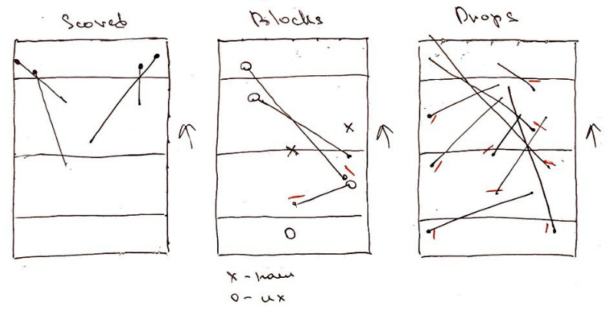
 |  |  |  |  |  |  |  |  |  |  |  |  |  |  |  |  |  |  |  |  |  |  | Block by them |  | https://youtu.be/T9s04UYNM24?t=463
 |  |  |  |  |  |  |  |  |  |  |  |  |  |  |  |  |  |  |  |  |  |  | Drop |  | https://youtu.be/T9s04UYNM24?t=549
 |  |  |  |  |  |  |  |  |  |  |  |  |  |  |  |  |  |  |  |  |  |  | Drop |  | https://youtu.be/T9s04UYNM24?t=793
 |  |  |  |  |  |  |  |  |  |  |  |  |  |  |  |  |  |  |  |  |  |  | Block by us |  | https://youtu.be/T9s04UYNM24?t=954
 |  |  |  |  |  |  |  |  |  |  |  |  |  |  |  |  |  |  |  |  |  |  | Drop |  | https://youtu.be/T9s04UYNM24?t=1149
 |  |  |  |  |  |  |  |  |  |  |  |  |  |  |  |  |  |  |  |  |  |  | Drop |  | https://youtu.be/T9s04UYNM24?t=1223
 |  |  |  |  |  |  |  |  |  |  |  |  |  |  |  |  |  |  |  |  |  |  | Drop |  | https://youtu.be/T9s04UYNM24?t=1418
 |  |  |  |  |  |  |  |  |  |  |  |  |  |  |  |  |  |  |  |  |  |  | Block by them |  | https://youtu.be/T9s04UYNM24?t=1520
 |  |  |  |  |  |  |  |  |  |  |  |  |  |  |  |  |  |  |  |  |  |  | Block by them |  | https://youtu.be/T9s04UYNM24?t=1636
 |  |  |  |  |  |  |  |  |  |  |  |  |  |  |  |  |  |  |  |  |  |  | Block by them |  | https://youtu.be/T9s04UYNM24?t=1696
 |  |  |  |  |  |  |  |  |  |  |  |  |  |  |  |  |  |  |  |  |  |  | Drop |  | https://youtu.be/T9s04UYNM24?t=1783
 |  |  |  |  |  |  |  |  |  |  |  |  |  |  |  |  |  |  |  |  |  |  | Drop |  | https://youtu.be/T9s04UYNM24?t=1886
 |  |  |  |  |  |  |  |  |  |  |  |  |  |  |  |  |  |  |  |  |  |  | Drop |  | https://youtu.be/T9s04UYNM24?t=2102

Pases Efficiency, Receiving Efficiency, Offense Effeciency and Defense Effeciency

vs Ultim8
Point | Offense/Defense | GoodVibes | Ultim8 | Turnovers | Break | Point starts | Point ends | Duration |  | Player | Passes Total | Passes Completed | Drops | Blocks by them | Pases Efficiency | Passes Received | Passes Lost | Blocks by them | Receiving Efficiency | Blocks by us | Points Played | Points Played | Offense Points | Scored Offense | Offense Effeciency | Defense Points | Scored Defense | Defense Effeciency | Time Played | Time Played | Points Played
1 | Offense | 1 | 0 |  |  | 0:00:35 | 0:01:11 | 0:00:36 | 1 | p1 | 3 | 3 | 0 | 0 | 100% | 4 | 0 | 0 | 100% | 0 | 4,5,11,19 | 4 | 2 | 2 | 100% | 2 | 0 | 0% | 0:02:44 | 24.81% | 4 | 5 | 11 | 19
2 | Defense | 1 | 1 |  |  | 0:01:15 | 0:02:17 | 0:01:02 | 0 | p2 | 1 | 1 | 0 | 0 | 100% | 1 | 0 | 0 | 100% | 0 | 12,15 | 2 | 1 | 0 | 0% | 1 | 0 | 0% | 0:03:59 | 36.16% | 12 | 15
3 | Offense | 2 | 1 |  |  | 0:02:53 | 0:03:25 | 0:00:32 | 1 | p3 | 1 | 1 | 0 | 0 | 100% | 4 | 1 | 0 | 80% | 0 | 2,3,8,10,13,14,15,16 | 8 | 5 | 3 | 60% | 3 | 0 | 0% | 0:07:41 | 69.74% | 2 | 3 | 8 | 10 | 13 | 14 | 15 | 16
4 | Defense | 2 | 2 |  |  | 0:04:07 | 0:04:16 | 0:00:09 | 0 | p4 | 11 | 10 | 1 | 0 | 91% | 13 | 0 | 0 | 100% | 0 | 1,2,4,5,6,7,9,10,11,12,13,14,16,17,18 | 15 | 9 | 7 | 78% | 6 | 0 | 0% | 0:09:23 | 85.17% | 1 | 2 | 4 | 5 | 6 | 7 | 9 | 10 | 11 | 12 | 13 | 14 | 16 | 17 | 18
5 | Offense | 3 | 2 |  |  | 0:04:45 | 0:05:43 | 0:00:58 | 1 | p5 | 16 | 15 | 1 | 0 | 94% | 13 | 0 | 0 | 100% | 0 | 1,2,4,5,6,7,8,10,12,13,14,15,17,18 | 14 | 7 | 5 | 71% | 7 | 0 | 0% | 0:14:14 | 129.20% | 1 | 2 | 4 | 5 | 6 | 7 | 8 | 10 | 12 | 13 | 14 | 15 | 17 | 18
6 | Defense | 3 | 3 |  |  | 0:06:27 | 0:06:41 | 0:00:14 | 0 | p6 | 8 | 7 | 1 | 0 | 88% | 9 | 0 | 0 | 100% | 0 | 1,3,6,7,8,9,11,15,19 | 9 | 6 | 4 | 67% | 3 | 0 | 0% | 0:07:28 | 67.78% | 1 | 3 | 6 | 7 | 8 | 9 | 11 | 15 | 19
7 | Offense | 4 | 3 |  |  | 0:07:21 | 0:07:34 | 0:00:13 | 1 | p7 | 17 | 17 | 0 | 0 | 100% | 12 | 0 | 0 | 100% | 0 | 1,5,7,8,9,10,12,13,14,16,17,18 | 12 | 8 | 6 | 75% | 4 | 0 | 0% | 0:08:50 | 80.18% | 1 | 5 | 7 | 8 | 9 | 10 | 12 | 13 | 14 | 16 | 17 | 18
8 | Defense | 4 | 4 |  |  | 0:08:11 | 0:08:36 | 0:00:25 | 0 | p8 | 3 | 3 | 0 | 0 | 100% | 3 | 1 | 0 | 75% | 0 | 2,4,10,11,15,19 | 6 | 3 | 1 | 33% | 3 | 0 | 0% | 0:07:12 | 65.36% | 2 | 4 | 10 | 11 | 15 | 19
9 | Offense | 4 | 5 | 1 | 1 | 0:09:11 | 0:09:47 | 0:00:36 | 0 | p9 | 9 | 8 | 1 | 0 | 89% | 7 | 0 | 0 | 100% | 0 | 2,6,7,9,11,15,16,19 | 8 | 5 | 3 | 60% | 3 | 0 | 0% | 0:07:36 | 68.99% | 2 | 6 | 7 | 9 | 11 | 15 | 16 | 19
10 | Offense | 4 | 6 | 1 | 1 | 0:10:23 | 0:11:32 | 0:01:09 | 0 | p10 | 0 | 0 | 0 | 0 | 0% | 0 | 1 | 0 | 0% | 0 | 6,19 | 2 | 0 | 0 | 0% | 2 | 0 | 0% | 0:01:22 | 12.41% | 6 | 19
11 | Offense | 5 | 6 |  |  | 0:12:10 | 0:12:39 | 0:00:29 | 1 | p11 | 12 | 12 | 0 | 0 | 100% | 10 | 0 | 0 | 100% | 0 | 1,3,4,5,8,9,12,13,14,16,17,18 | 12 | 7 | 6 | 86% | 5 | 0 | 0% | 0:08:09 | 1253.85% | 1 | 3 | 4 | 5 | 8 | 9 | 12 | 13 | 14 | 16 | 17 | 18
12 | Defense | 5 | 7 |  |  | 0:13:15 | 0:13:59 | 0:00:44 | 0 | Авокадий | 7 | 7 | 0 | 0 | 87% | 7 | 0.3 | 0 | 1 | 0 |  | 8 | 5 | 3 | 57% | 4 | 0 | 0 | 0:07:09 | 172.15%
13 | Offense | 6 | 7 |  |  | 0:14:32 | 0:14:51 | 0:00:19 | 1
14 | Defense | 6 | 8 |  |  | 0:15:25 | 0:15:45 | 0:00:20 | 0
15 | Offense | 6 | 9 | 1 | 1 | 0:16:30 | 0:19:45 | 0:03:15 | 0
16 | Offense | 7 | 9 |  |  | 0:20:21 | 0:21:00 | 0:00:39 | 1
17 | Defense | 7 | 10 |  |  | 0:21:31 | 0:21:50 | 0:00:19 | 0
18 | Offense | 8 | 10 |  |  | 0:22:32 | 0:23:48 | 0:01:16 | 1
19 | Defense | 8 | 11 |  |  | 0:24:25 | 0:25:33 | 0:01:08 | 0
 |  |  |  |  |  |  | Total | 0:11:01

 | Total | Scored | Efficiency
Offense | 11 | 8 | 73%
Defense | 8 | 0 | 0%

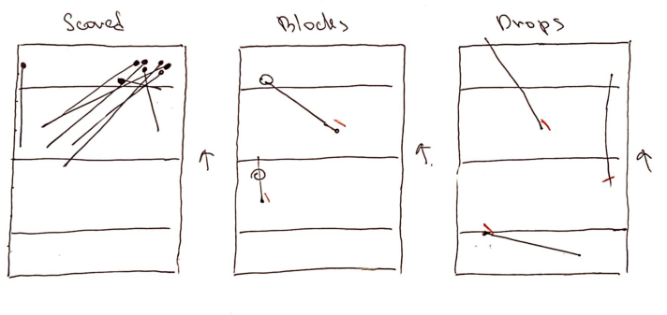
 |  |  |  |  |  |  |  |  |  |  |  |  |  |  |  |  |  |  |  |  |  | Drop |  | https://youtu.be/8lWjshhqnyA?t=567
 |  |  |  |  |  |  |  |  |  |  |  |  |  |  |  |  |  |  |  |  |  | Block by them |  | https://youtu.be/8lWjshhqnyA?t=656
 |  |  |  |  |  |  |  |  |  |  |  |  |  |  |  |  |  |  |  |  |  | Drop |  | https://youtu.be/8lWjshhqnyA?t=1031
 |  |  |  |  |  |  |  |  |  |  |  |  |  |  |  |  |  |  |  |  |  | Block by them |  | https://youtu.be/8lWjshhqnyA?t=1363
 |  |  |  |  |  |  |  |  |  |  |  |  |  |  |  |  |  |  |  |  |  | Drop |  | https://youtu.be/8lWjshhqnyA?t=1514

Pases Efficiency, Receiving Efficiency, Offense Effeciency and Defense Effeciency

Totals
Total Points | 97
Scored Points | 47
Scoring | 48.45%
Total Passes | 471
Passes Completed | 438
Pases Efficiency | 92.99%
Received Total | 460
Passes Received | 443
Receiving Efficiency | 96.30%

Player | Passes Total | Passes Completed | Pases Efficiency | Received Total | Passes Received | Receiving Efficiency | Points Played | Points Played | Offense Points | Scored Offense | Offense Effeciency | Defense Points | Scored Defense | Defense Effeciency
p1 | 19 | 18 | 95% | 33 | 33 | 100% | 31 | 32% | 14 | 9 | 64% | 17 | 5 | 29%
p2 | 7 | 5 | 71% | 10 | 9 | 90% | 16 | 16% | 4 | 2 | 50% | 12 | 6 | 50%
p3 | 19 | 19 | 100% | 24 | 22 | 92% | 41 | 42% | 21 | 11 | 52% | 20 | 8 | 40%
p4 | 73 | 69 | 95% | 84 | 81 | 96% | 66 | 68% | 43 | 28 | 65% | 23 | 9 | 39%
p5 | 102 | 93 | 91% | 73 | 72 | 99% | 67 | 69% | 31 | 19 | 61% | 36 | 13 | 36%
p6 | 50 | 46 | 92% | 58 | 55 | 95% | 59 | 61% | 31 | 19 | 61% | 28 | 9 | 32%
p7 | 90 | 84 | 93% | 72 | 70 | 97% | 55 | 57% | 41 | 27 | 66% | 14 | 5 | 36%
p8 | 20 | 19 | 95% | 22 | 21 | 95% | 45 | 46% | 18 | 9 | 50% | 27 | 8 | 30%
p9 | 56 | 53 | 95% | 47 | 47 | 100% | 47 | 48% | 26 | 13 | 50% | 21 | 6 | 29%
p10 | 12 | 11 | 92% | 17 | 13 | 76% | 26 | 27% | 12 | 8 | 67% | 14 | 5 | 36%
p11 | 23 | 21 | 91% | 20 | 20 | 100% | 19 | 20% | 11 | 7 | 64% | 8 | 1 | 13%
Авокадий | 43 | 40 | 92% | 42 | 40 | 95% | 42.9 | 44% | 23 | 14 | 59% | 20 | 6.8 | 34%

