Sheet1
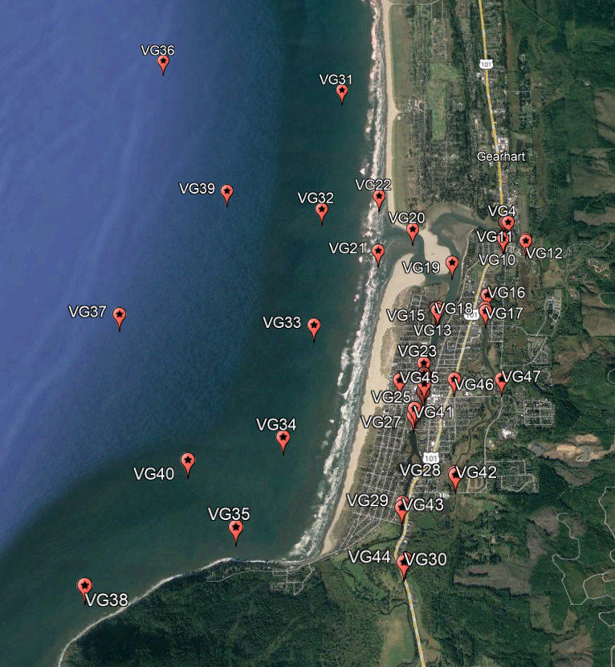
VG | Lat | Long
1 | 46° 0'46.64"N | 123°54'40.22"W
2 | 46° 0'46.45"N | 123°54'39.89"W
3 | 46° 0'46.16"N | 123°54'39.91"W
4 | 46° 0'45.96"N | 123°54'38.13"W
5 | 46° 0'46.05"N | 123°54'40.18"W
6 | 46° 0'39.63"N | 123°54'40.96"W
7 | 46° 0'38.91"N | 123°54'41.61"W
8 | 46° 0'38.84"N | 123°54'40.55"W
9 | 46° 0'38.44"N | 123°54'40.91"W
10 | 46° 0'38.06"N | 123°54'41.40"W
11 | 46° 0'37.79"N | 123°54'28.46"W
12 | 46° 0'36.97"N | 123°54'28.40"W
13 | 46° 0'5.78"N | 123°55'18.87"W
14 | 46° 0'5.89"N | 123°55'20.53"W
15 | 46° 0'4.91"N | 123°55'19.55"W
16 | 46° 0'11.71"N | 123°54'51.52"W
17 | 46° 0'5.79"N | 123°54'52.90"W
18 | 46° 0'4.52"N | 123°54'52.76"W
19 | 46° 0'26.65"N | 123°55'11.09"W
20 | 46° 0'42.56"N | 123°55'33.78"W
21 | 46° 0'32.27"N | 123°55'53.54"W
22 | 46° 0'58.94"N | 123°55'53.80"W
23 | 45°59'41.83"N | 123°55'27.19"W
24 | 45°59'37.26"N | 123°55'27.05"W
25 | 45°59'33.20"N | 123°55'26.87"W
26 | 45°59'29.93"N | 123°55'27.38"W
27 | 45°59'22.99"N | 123°55'32.01"W
28 | 45°58'57.67"N | 123°55'11.22"W
29 | 45°58'46.24"N | 123°55'37.99"W
30 | 45°58'24.89"N | 123°55'36.81"W
31 | 46° 1'55.13"N | 123°56'18.81"W
32 | 46° 0'52.37"N | 123°56'27.33"W
33 | 45°59'58.31"N | 123°56'28.07"W
34 | 45°59'11.61"N | 123°56'40.95"W
35 | 45°58'37.47"N | 123°57'1.70"W
36 | 46° 2'11.88"N | 123°58'13.55"W
37 | 46° 0'3.08"N | 123°58'16.79"W
38 | 45°58'16.75"N | 123°58'13.49"W
39 | 46° 1'1.45"N | 123°57'24.14"W
40 | 45°59'2.65"N | 123°57'29.62"W
41 | 45°59'20.50"N | 123°55'32.59"W | NOTE: next to 27
42 | 45°58'56.92"N | 123°55'10.65"W | NOTE: next to 28
43 | 45°58'44.68"N | 123°55'38.14"W | NOTE: next to 29
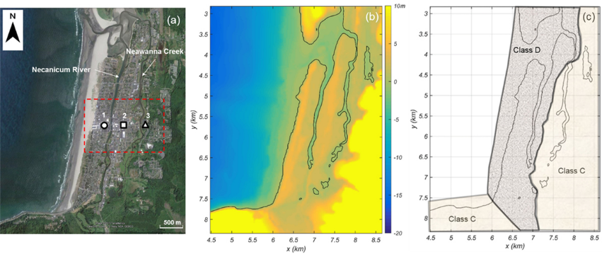
44 | 45°58'25.80"N | 123°55'36.16"W | NOTE: next to 30
45 | 45°59'34.72"N | 123°55'40.15"W | NOTE: Pto circulo paper
46 | 45°59'35.12"N | 123°55'10.74"W | NOTE: Pto quadrado paper
47 | 45°59'35.16"N | 123°54'45.19"W | NOTE: Pto triangulo paper
48 | 45°59'35.85"N | 123°54'52.22"W
49 | 45°59'35.73"N | 123°54'53.36"W
50 | 45°59'34.82"N | 123°54'53.14"W
51 | 46°2'3.082"N | 123°55'33.2346"W
52 | 46°1'37.2021"N | 123°55'28.4612"W
53 | 46°1'12.4699"N | 123°55'25.4777"W
54 | 46°1'50.3499"N | 123°55'6.4059"W
55 | 46°1'32.6965"N | 123°55'10.1998"W
56 | 46°1'15.5035"N | 123°55'6.0684"W
57 | 46°1'59.3745"N | 123°54'41.1854"W
58 | 46°1'35.0146"N | 123°54'42.3247"W
59 | 46°1'11.8212"N | 123°54'41.1642"W
60 | 46°2'8.3201"N | 123°54'59.4723"W
61 | 46°1'26.9131"N | 123°54'59.3461"W
62 | 46°1'8.7563"N | 123°54'55.3937"W
63 | 46°2'11.609"N | 123°56'4.3402"W
64 | 46°1'45.0637"N | 123°56'3.1017"W
65 | 46°1'26.6478"N | 123°56'0.14612"W
66 | 46°1'12.3841"N | 123°55'59.2412"W
67 | 46°1'0.18099"N | 123°55'54.0073"W

