Overview
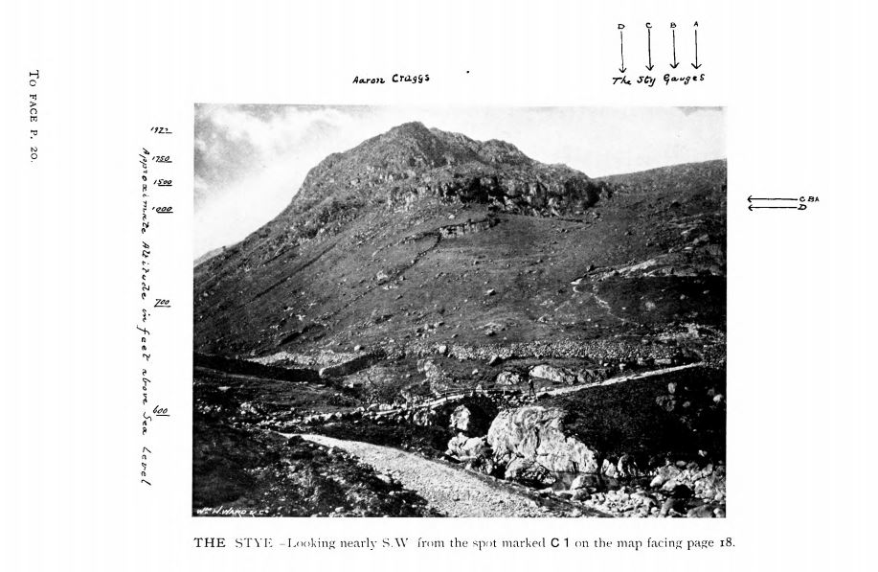
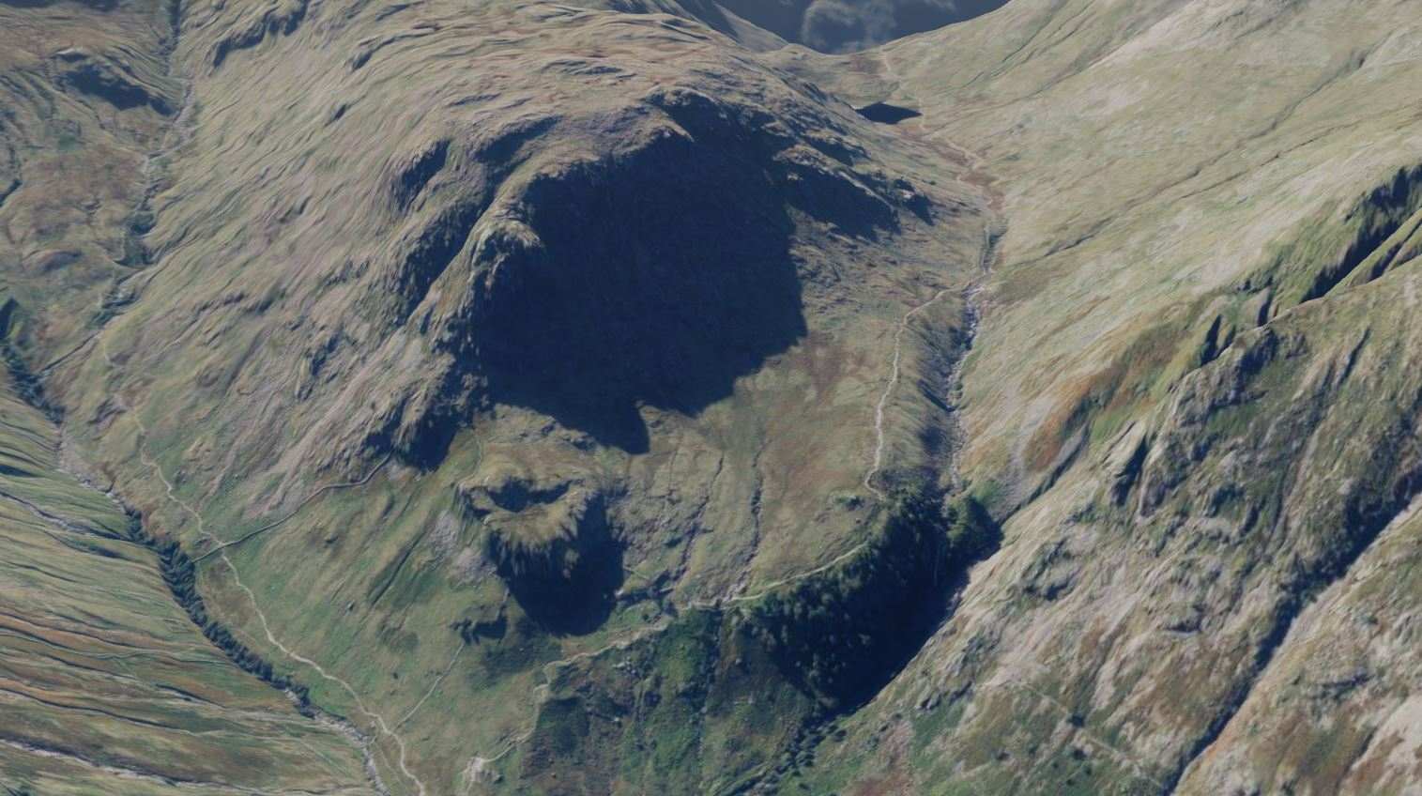
Rain Gauges at The Stye

The Stye is located on Seathwaite Fell at the far end of Borrowdale in the Lake District, about a mile south of Seathwaite village. Its grid reference is NY 231107, altitude around 1100 ft (330m). (Note that the Stye is a different location from Styehead Tarn, which is about 3/4 mile south-west of the Stye, and about 500 feet higher in altitude. And Stye Head is also a separate location, at the pass just beyond the Styehead Tarn.)

The Stye's rainfall has received particular attention as the rain gauges there often recorded larger annual totals than any other location in Britain, sometimes over 200 inches in a year. The Met Office archives hold 28 rainfall sheets for the The Stye between 1850 and 1960. Articles and readings presented in the annual British Rainfall almanacs for this period indicate that these sheets (and a further two which seem to have gone missing) relate to 9 different rain gauges, with up to 4 gauges running in parallel.

The tabs in this spreadsheet are:
- a summary list of the 9 different rain gauges, including the names assigned to them for the purposes of this document.
- timeline information for the different gauges at The Stye, as determined from British Rainfall articles
- a mapping of the 28 rainfall sheets (and 2 missing ones) to the 9 rain gauges
- rain gauge location information

The pictures below are i) a modern aerial shot of the The Stye area (taken from Ordnance Survy OS Maps Online 3-D view). The view is looking south-west towards The Stye, which is the fairly smooth area just below the centre of the picture. Styehead Gill runs below and to the right of it, leading up to Styehead Tarn in the background, with Stye Head beyond the tarn. The slopes to the right of the Tarn are the south-eastern flank of Great Gable. ii) A photgraph of The Stye in British Rainfall 1896, taken from near Stockley Bridge.

Stye Gauges Locations
This sheet presents information relating to the locations of the Stye rain gauges, with a summary table at the end assigning a possible approximate grid reference to each gauge.
Information about the detailed location of the 9 individual Stye rain gauges is a bit confusing and contradictory, so locations are not certain.

Maps:
These show the Stye as the relatively flat area near Greenhow Knott and Black Waugh.

i) Map in British Rainfall 1896, labelling Stye A, B, C and D gauges (and the gauge at Taylor Gill) |  |  |  |  | ii) OS Map (NLS site) from about 1900, noting a Rain Gauge (at NY230107 ?) | iii) Modern OS Map

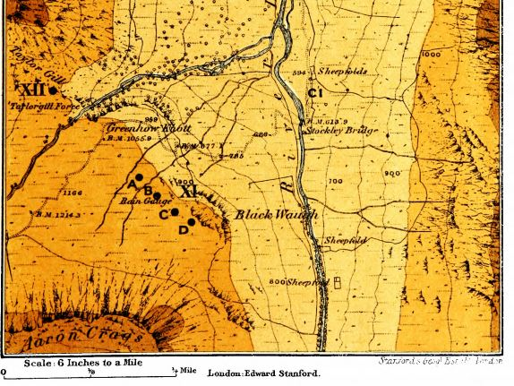
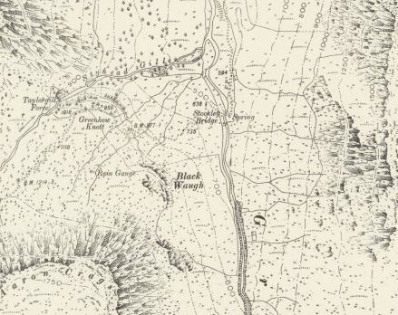
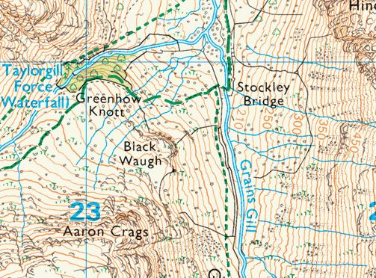

- the detailed map in British Rainfall 1896 showing A, B, C and D gauge locations on the Stye
- old Ordnance Survey maps showing a rain gauge position on the Stye

Styehead labelling not really accurate

Altitudes shown on rainfall sheets:
The sheet for the early Miller/Dixon gauge shows the altitude as 948 feet. This seems likely to be an underestimate.
The sheets for the 'Later Stye A' Octapent gauge show 1100 feet as the altitude.
Sheets for the other gauges show 1077 feet as the altitude, or a very similar value.
[The gauge at Taylor Gill also shows 1077 feet as its altitude.)

Grid references on the 1950s rainfall sheets and in MIDAS:
Stye B Seathwaite Gauge: NY229107 (same in MIDAS)
Later Stye A Gauge: NY231106 (marginally different, NY231107, in MIDAS)
These grid references are a little further to the south-west than the positions shown on the 1896 map.

Other location information on the rainfall sheets:
The 'Original Stye B' 1920s sheet says this gauge is 3 yards to SW of the 'new' B gauge (the Seathwaite gauge).
The 'Stye B Seathwaite gauge' 1920s sheet says there is a steep slope 5 yards to the north. It also presents some triangulation relationships to 3 nearby peaks.
The 'Main Stye C' 1920s sheet says there is steeply sloping ground to the NE.
The 'Stye D' 1920s sheet says the gauge is to the south-east of a prominent knoll, with steep slopes all round, except to the south.
The 'Later Stye A' 1940s sheet says the gauge was moved 20 yards nearer the stream in 1947.

Note also that the rainfall sheets from 1930s onwards (and British Rainfall's tables) identify the locations as 'Stye Head' rather than 'The Stye'.
This is not an accurate label - Sty(e) Head is a separate place, about 1 kilometre south-west of the Stye on the ridge between Great Gable and Great End,
and is at the top of the pass between Borrowdale and Wasdale, at an altitude of about 1600 ft - grid reference NY219095.

Information from British Rainfall almanacs:
BR 1886: Symons describes setting up two new gauges:
 | in a line stretching 1,000 ft. S.E.ward from the old gauge — one at 600 ft. and the other at 1,000 ft
The 'old gauge' being 'Original Stye A', and the two new gauges being 'Original Stye B' and 'Short-lived C', referred to at the time as 'SE B' and 'SE C'
BR 1896: George Symons speculates that the rain gauge shown on old OS maps must be the Miller/Dixon gauge. The survey for the
OS map was performed in 1862, before any of the other gauges existed.
BR 1896: Presents the detailed map shown above labelling Stye A B C and D sites (with The Stye as a whole labelled XI). The A B C separations on the map don't correspond
with the 600ft/1000ft description from the BR 1886 extract however, the map shows them as being much closer, with the A-D distance no more than 500ft. A different C gauge
is in use compared to 1886, so may be in a different position.

Symons express his own doubts about confusion in where the B gauge is/was:
 | We are not sure that this gauge has always been in the same position;
 | we rather fear that there may have been some
 | confusion when, at the end of 1895, two additional gauges were
 | erected. We always regarded this gauge as occupying the position
 | now occupied by XI D, but according to Mr. Wilson it was at XI B.
Possibly this means than the 1000ft long line described in BR 1886 was shorter than this in practice.
BR 1931: Describes the siting of the 'Later Stye A' gauge as follows:
 | A more satisfactory site was selected with Mr. F. Hudleston further west [than the B gauges], on a relatively
 | flat plain, and this site was found later to be almost identical with that of the original
 | site A, for which records are available from 1851 to 1857.
This description seems to confuse the 'original Stye A' gauge, which start operations in 1865, with the 'Early Miller/Dixon' gauge which operated in the 1850s
at a separate location on The Stye. From this, it is not clear whether the 'Later Stye A' gauge was actually at the same position as the 'Original Stye A' gauge.

Conclusion
The above does not readily lead to definite consistent positions for the various Stye gauges, and Symons in 1896 was already unsure of the history of exactly where the gauges had been.
His map in 1896 British Rainfall shown above presents a neat line of equally spaced gauges labelled A to D, but this may well be just illustrative of the positions and
layout rather than exact positioning. However, the area covered by The Stye is reasonably compact (an irregular shape, maximum dimension about 300 metres), so the gauges
were not far apart, whatever their exact arrangement.

The table below presents nominal grid reference positions for the various Stye gauges using:
- the rain gauge shown on the old OS map as the position of the early Miller/Dixon gauge
- the A B C D positions shown on the map in British Rainfall 1896
- assuming that both gauges labelled 'A' were in the same position, as were both gauges labelled 'C'

 | Gauge | Grid Reference | Altitude | Notes
 | Early Miller/Dixon | NY230107 | 948 | Stated altitude must be too low
 | Original Stye A | NY230108 | 1077
 | Short-lived Maitland | NY230108 | 1077 | Near Original Stye A
 | Original Stye B | NY231107 | 1077
 | Short-lived C | NY231107 | 1077
 | Main Stye C | NY231107 | 1077
 | Stye D | NY232107 | 1077
 | Stye B Seathwaite Gauge | NY231107 | 1070 | 3 yards from Original Stye B
 | Later Stye A | NY230108 | 1100

