Telem_PWR_Board
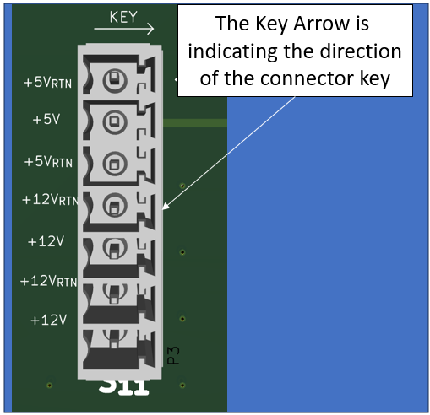
Item | Qty | REF DES | Manufacturer | Part Number |  | Description / Value | Package | Part Type | Notes
 |  |  |  | Manufacturer | Distributor
C1 | 1 | C1 | KYOCERA AVX | TAJD107M016RNJ | Digi-Key: 478-3919-1-ND | Tantalum Capacitor / 100uF | 2917 | SMD | -
C2 | 1 | C2 | KEMET | T491C106M025AT | Digi-Key: 399-3736-1-ND | Tantalum Capacitor / 10uF | 2312 | SMD | -
C3,C9 | 2 | C3,C9 | Samsung Electro-Mechanics | CL10B105KP8NNNC | Digi-Key: 1276-1946-1-ND | Ceramic Decoup. Cap / 1uF | 0603 | SMD | -
C4,C7,C8 | 3 | C4,C7,C8 | Yageo | CC0603KRX7R7BB104 | Digi-Key: 311-1088-1-ND | Ceramic Decoup. Cap / 0.1uF | 0603 | SMD | -
C5,C6 | 2 | C5,C6 | Yageo | CC0603KRX7R9BB103 | Digi-Key: 311-1085-1-ND | Ceramic Decoup. Cap / 0.01uF | 0603 | SMD | -
D1 | 1 | D1 | Nexperia USA Inc. | PLVA653A,215 | Digi-Key: 1727-5168-1-ND | 5.3V Zener Diode | TO-236AB | SMD | -
F1 | 1 | F1 | Little Fuse | 0438001.WR | Digi-Key: F2947CT-ND | FUSE BRD MNT 1A 32VAC 63VDC 0603 | 0603 | SMD | -
J1,J2,J3,J4,J5,J6,J7,J8,J9 | 9 | J1,J2,J3,J4,J5,J6,J7,J8,J9 | Phoenix Contact | 1803471 | Digi-Key: 277-1226-ND | TERM BLOCK HDR 7POS VERT 3.81MM | 7-Pos | Through Hole | -
L1,L2 | 2 | L1,L2 | Coil Craft | MLC1538-152ML_ | Coil Craft: MLC1538-152ML_ | Series Inductor, 1.5uH | - | SMD | -
LED1 | 1 | LED | Würth Elektronik | 150060AS75000 | Digi-Key: 732-150060AS75000CT-ND | Series LED, Amber | 0603 | SMD | -
M1 | 1 | M1 | Toshiba Semiconductor and Storage | SSM3K15AFS,LF | Digi-Key: SSM3K15AFS_LF | N-FET | SOT-416 | SMD | -
P1 | 1 | P1 | Würth Elektronik | 618009231121 | Digi-Key: 732-618009231121-ND | Male D-Sub Connector | 9-Pos D-Sub | SMD | -
R1 | 1 | R1 | DO NOT INSTALL |  |  |  | 0805 | SMD | -
R2,R3 | 2 | R2,R3 | Yageo | RC0603FR-0749K9L | Digi-Key: 311-49.9KHRCT-ND | Series Chip Res, 49.9k | 0603 | SMD | -
R4 | 1 | R4 | Panasonic Electronic Components | ERJ-3EKF1000V | Digi-Key: P100HCT-ND | Series Chip Res, 100 | 0603 | SMD | -
R5 | 1 | R5 | Panasonic Electronic Components | ERJ-P06J100V | Digi-Key: P10ADCT-ND | Series Chip Res, 10 | 0805 | SMD | -
U1 | 1 | U1 | CUI | PDQ30-Q24-S5-D | Digi-Key: 102-3891-ND | DC-DC Converter (5V @ 30W) |  | Through Hole | -

Total Parts | 31

 | NOTES: | The Key directions on the silkscreen are indicating the direction of the key for each Pheonix connector

