Input
 | in1 | in2 | in3 | in4 | in5 | in6 | in7 | Define Rscript interactions (Rdefinitions):
2 | 2 |  | 1 |  | 1 | 0.298 | 0.403 | 3 column area (1st col: definition type, 2nd: definition value, 3rd: definition path)
3 | 3 |  | 1 |  | 1 | 0.307 | 0.507 | possible types: rexec, dir, script, arg (R input objects), res (R output objects), diag (R output diagrams)
4 | 4 |  | 1 |  | 1 | 0.010 | 0.017 | Rdefinition area name always starts with R_Addin and has an optional postfix as description of the definition
5 | 5 |  | 1 |  | 1 | 0.005 | 0.007 | Area name can be Workbook global or worksheet local
6 | 6 |  | 1 |  | 1 | 0.213 | 0.288 | the worksheet name (for worksheet local names) or the workbook name (for workbook global names) is prepended to the postfix definition description
7 | 7 |  | 1 |  | 1 | 0.006 | 0.009 | So for the 4 areas defined in this test workbook there should be 4 entries in the Rdefinition dropdown: Input_toy, test.xlsm, Input_toyAnotherDef, test.xlsmAnotherDef
8 | 8 |  | 1 |  | 1 | 0.009 | 0.012 | The range names that are referred in arg, res and diag types are also either workbook global or worksheet local (having the worksheet name + ! in front of the name)
9 | 9 |  | 1 |  | 1 | 0.012 | 0.016
10 | 10 |  | 1 |  | 1 | 0.023 | 0.031
3 | 3 | 1 | 1 |  | 1 | 0.384 | 0.634 | dir | C:\dev\RAddin\trunk | dir | .
3 | 3 | 2 | 1 |  | 1 | 0.345 | 0.571 | script | testScript.R | script | testScript.R | testRDir
4 | 4 | 1 | 1 |  | 1 | 0.015 | 0.024 | arg | test_in | arg | test_in | testRDir
4 | 4 | 2 | 1 |  | 1 | 0.015 | 0.024 | res | test_out | res | test_out | testRDir
5 | 5 | 2 | 1 |  | 1 | 0.010 | 0.014 | diag | testdiagram | diag | testdiagram | testRDir
6 | 6 | 1 | 1 |  | 1 | 0.298 | 0.403
6 | 6 | 2 | 1 |  | 1 | 0.298 | 0.403
7 | 7 | 1 | 1 |  | 1 | 0.008 | 0.013
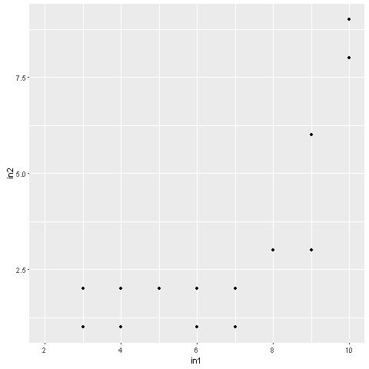
7 | 7 | 2 | 1 |  | 1 | 0.008 | 0.013
8 | 8 | 3 | 1 |  | 1 | 0.012 | 0.016
9 | 9 | 3 | 1 |  | 1 | 0.017 | 0.023
9 | 9 | 6 | 1 |  | 1 | 0.019 | 0.026
10 | 10 | 8 | 1 |  | 1 | 0.043 | 0.058
10 | 10 | 9 | 1 |  | 1 | 0.038 | 0.052
3 | 3 | 1 | 1 | 2 | 1 | 0.445 | 0.735
3 | 3 | 1 | 0 | 2 | 1 | 0.330 | 0.545
3 | 3 | 1 | 1 | 2 | 0 | 0.361 | 0.596
3 | 3 | 1 | 0 | 2 | 0 | 0.192 | 0.317
4 | 4 | 1 | 1 | 2 | 1 | 0.018 | 0.031
4 | 4 | 1 | 0 | 2 | 1 | 0.013 | 0.021
4 | 4 | 1 | 1 | 2 | 0 | 0.013 | 0.021
4 | 4 | 1 | 0 | 2 | 0 | 0.008 | 0.013
6 | 6 | 1 | 1 | 2 | 1 | 0.340 | 0.460
6 | 6 | 1 | 0 | 2 | 1 | 0.255 | 0.345
6 | 6 | 1 | 1 | 2 | 0 | 0.255 | 0.345
6 | 6 | 1 | 0 | 2 | 0 | 0.085 | 0.115
7 | 7 | 1 | 1 | 2 | 1 | 0.012 | 0.019
7 | 7 | 1 | 0 | 2 | 1 | 0.007 | 0.011
7 | 7 | 1 | 1 | 2 | 0 | 0.007 | 0.011
7 | 7 | 1 | 0 | 2 | 0 | 0.003 | 0.004
9 | 9 | 3 | 1 | 6 | 1 | 0.034 | 0.046
9 | 9 | 3 | 0 | 6 | 1 | 0.017 | 0.023
9 | 9 | 3 | 1 | 6 | 0 | 0.015 | 0.020
9 | 9 | 3 | 0 | 6 | 0 | 0.009 | 0.012
10 | 10 | 8 | 1 | 9 | 1 | 0.060 | 0.081
10 | 10 | 8 | 0 | 9 | 1 | 0.034 | 0.046
10 | 10 | 8 | 1 | 9 | 0 | 0.036 | 0.049
10 | 10 | 8 | 0 | 9 | 0 | 0.017 | 0.023

Input_Toy

3 | 23 | 3 | 3 | 3 | 3 | 3.000 | 3.000 | dir | .
3 | 3 |  | 3 |  | 3 | 3.000 | 3.000 | script | testScript.R
 | 3 |  | 3 |  | 3 | 3.000 | 3.000 | arg | Input_Toy!test_in
 |  |  |  |  |  |  |  | res | Input_Toy!test_out
 |  |  |  |  |  |  |  | diag | Input_Toy!testdiagram

 |  |  |  |  |  |  |  | dir | .
 |  |  |  |  |  |  |  | script | testScript.R
 |  |  |  |  |  |  |  | arg | Input_Toy!test_in
 |  |  |  |  |  |  |  | res | Input_Toy!test_out
 |  |  |  |  |  |  |  | diag | Input_Toy!testdiagram

