Main Test
 | in1 | in2 | in3 | in4 | in5 | in6 | in7 | dir | . | dir | C:\dev\RAddin\trunk\test\ |  | dir | C:\dev\RAddin\trunk\test\ |  | dir | C:\dev\RAddin\trunk\test\
0.30 | 0.30 | 0.40 | 0.30 | 0.30 | 0.40 | 0.30 | 0.40 | script | testScript.R | script | testScript.R | testDir | script | testScript.R | testDirNonExisting | scriptRng | Test_scriptRng!scriptRange
0.31 | 0.31 | 0.51 | 0.31 | 0.31 | 0.51 | 0.31 | 0.51 | arg | test_in | arg | test_in | testDir | arg | test_in | testDirNonExisting | arg | test_in
0.01 | 0.01 | 0.02 | 0.01 | 0.01 | 0.02 | 0.01 | 0.02 | res | test_out | res | test_out | testDir | res | test_out | testDirNonExisting | res | test_out | unterverz/unterunterverz/20190726
0.01 | 0.01 | 0.01 | 0.01 | 0.01 | 0.01 | 0.01 | 0.01 | diag | testdiagram | diag | testdiagram | testDir | diag | testdiagram | testDirNonExisting | diag | testdiagram | unterverz/unterunterverz/20190726
0.21 | 0.21 | 0.29 | 0.21 | 0.21 | 0.29 | 0.21 | 0.29
0.01 | 0.01 | 0.01 | 0.01 | 0.01 | 0.01 | 0.01 | 0.01 |  |  |  |  |  |  |  |  |  |  | unterverz/unterunterverz/20190726
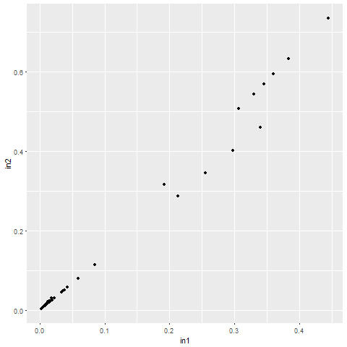
0.01 | 0.01 | 0.01 | 0.01 | 0.01 | 0.01 | 0.01 | 0.01
0.01 | 0.01 | 0.02 | 0.01 | 0.01 | 0.02 | 0.01 | 0.02
0.02 | 0.02 | 0.03 | 0.02 | 0.02 | 0.03 | 0.02 | 0.03
0.38 | 0.38 | 0.63 | 0.38 | 0.38 | 0.63 | 0.38 | 0.63
0.35 | 0.35 | 0.57 | 0.35 | 0.35 | 0.57 | 0.35 | 0.57
0.01 | 0.01 | 0.02 | 0.01 | 0.01 | 0.02 | 0.01 | 0.02
0.01 | 0.01 | 0.02 | 0.01 | 0.01 | 0.02 | 0.01 | 0.02
0.01 | 0.01 | 0.01 | 0.01 | 0.01 | 0.01 | 0.01 | 0.01
0.30 | 0.30 | 0.40 | 0.30 | 0.30 | 0.40 | 0.30 | 0.40
0.30 | 0.30 | 0.40 | 0.30 | 0.30 | 0.40 | 0.30 | 0.40
0.01 | 0.01 | 0.01 | 0.01 | 0.01 | 0.01 | 0.01 | 0.01
0.01 | 0.01 | 0.01 | 0.01 | 0.01 | 0.01 | 0.01 | 0.01
0.01 | 0.01 | 0.02 | 0.01 | 0.01 | 0.02 | 0.01 | 0.02
0.02 | 0.02 | 0.02 | 0.02 | 0.02 | 0.02 | 0.02 | 0.02
0.02 | 0.02 | 0.03 | 0.02 | 0.02 | 0.03 | 0.02 | 0.03
0.04 | 0.04 | 0.06 | 0.04 | 0.04 | 0.06 | 0.04 | 0.06
0.04 | 0.04 | 0.05 | 0.04 | 0.04 | 0.05 | 0.04 | 0.05
0.45 | 0.45 | 0.74 | 0.45 | 0.45 | 0.74 | 0.45 | 0.74
0.33 | 0.33 | 0.55 | 0.33 | 0.33 | 0.55 | 0.33 | 0.55
0.36 | 0.36 | 0.60 | 0.36 | 0.36 | 0.60 | 0.36 | 0.60
0.19 | 0.19 | 0.32 | 0.19 | 0.19 | 0.32 | 0.19 | 0.32
0.02 | 0.02 | 0.03 | 0.02 | 0.02 | 0.03 | 0.02 | 0.03
0.01 | 0.01 | 0.02 | 0.01 | 0.01 | 0.02 | 0.01 | 0.02
0.01 | 0.01 | 0.02 | 0.01 | 0.01 | 0.02 | 0.01 | 0.02
0.01 | 0.01 | 0.01 | 0.01 | 0.01 | 0.01 | 0.01 | 0.01
0.34 | 0.34 | 0.46 | 0.34 | 0.34 | 0.46 | 0.34 | 0.46
0.26 | 0.26 | 0.35 | 0.26 | 0.26 | 0.35 | 0.26 | 0.35
0.26 | 0.26 | 0.35 | 0.26 | 0.26 | 0.35 | 0.26 | 0.35
0.09 | 0.09 | 0.12 | 0.09 | 0.09 | 0.12 | 0.09 | 0.12
0.01 | 0.01 | 0.02 | 0.01 | 0.01 | 0.02 | 0.01 | 0.02
0.01 | 0.01 | 0.01 | 0.01 | 0.01 | 0.01 | 0.01 | 0.01
0.01 | 0.01 | 0.01 | 0.01 | 0.01 | 0.01 | 0.01 | 0.01
0.00 | 0.00 | 0.00 | 0.00 | 0.00 | 0.00 | 0.00 | 0.00
0.03 | 0.03 | 0.05 | 0.03 | 0.03 | 0.05 | 0.03 | 0.05
0.02 | 0.02 | 0.02 | 0.02 | 0.02 | 0.02 | 0.02 | 0.02
0.01 | 0.01 | 0.02 | 0.01 | 0.01 | 0.02 | 0.01 | 0.02
0.01 | 0.01 | 0.01 | 0.01 | 0.01 | 0.01 | 0.01 | 0.01
0.06 | 0.06 | 0.08 | 0.06 | 0.06 | 0.08 | 0.06 | 0.08
0.03 | 0.03 | 0.05 | 0.03 | 0.03 | 0.05 | 0.03 | 0.05
0.04 | 0.04 | 0.05 | 0.04 | 0.04 | 0.05 | 0.04 | 0.05
0.02 | 0.02 | 0.02 | 0.02 | 0.02 | ß | ö | ä

Test_scriptRng

 | library(ggplot2)
 | initial.options <- commandArgs(trailingOnly = FALSE)
 | script.name <- sub("--file=", "", initial.options[grep("--file=", initial.options)])
 | script.basename <- dirname(script.name)
 | if (length(script.basename) == 0) {
 | # this only works RGui
 | script.basename <- getSrcDirectory(function(x) {x})
 | }
 | setwd(script.basename)
 | #test_in <-as.matrix(read.csv2("test_in.txt",sep="\t",header=FALSE))
 | #mode(test_in) <-"numeric"
 | test_in <- read.csv2("test_in.txt",dec=".",sep="\t",header=TRUE)
 | write.table(test_in[,1],file="unterverz/unterunterverz/20190726/test_out.txt",sep="\t",row.names=FALSE,col.names=FALSE,quote=FALSE)
 | gplot <- ggplot(data = test_in, aes(x = in1, y = in2) ) + geom_point()
 | png(filename="unterverz/unterunterverz/20190726/testdiagram.png")
 | print(gplot)
 | dev.off()

dir | .
scriptRng | Test_scriptRng!scriptRange
arg | test_in
res | test_out
diag | Test_scriptRng!testdiagram

dir | .
scriptCell | library(ggplot2) initial.options <- commandArgs(trailingOnly = FALSE) script.name <- sub("--file=", "", initial.options[grep("--file=", initial.options)]) script.basename <- dirname(script.name) if (length(script.basename) == 0) { # this only works RGui script.basename <- getSrcDirectory(function(x) {x}) } setwd(script.basename) #test_in <-as.matrix(read.csv2("test_in.txt",sep="\t",header=FALSE)) #mode(test_in) <-"numeric" test_in <- read.csv2("test_in.txt",dec=".",sep="\t",header=TRUE) write.table(test_in[,1],file="test_out.txt",sep="\t",row.names=FALSE,col.names=FALSE,quote=FALSE) gplot <- ggplot(data = test_in, aes(x = in1, y = in2) ) + geom_point() png(filename="testdiagram.png") print(gplot) dev.off()
arg | test_in
res | test_out
diag | testdiagram
 | -> Attention, diagram for test_scriptcell appears in Main Test !!!

Test_OtherSheet
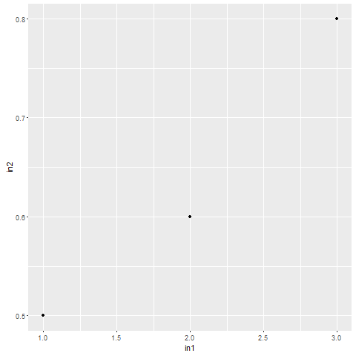
result: | in1 | in2 | in3 | in4 | in5 | in6 | in7 | dir | .
1 | 1 | 0.50 | 3 | 3 | 3 | 3.000 | 3.000 | script | testScript.R
2 | 2 | 0.60 | 3 |  | 3 | 3.000 | 3.000 | arg | Test_OtherSheet!test_in
3 | 3 | 0.80 | 3 |  | 3 | 3.000 | 3.000 | res | Test_OtherSheet!test_out
 |  |  |  |  |  |  |  | diag | Test_OtherSheet!testdiagram

 |  |  |  |  |  |  |  | rexec | cmd
 |  |  |  |  |  |  |  | dir | .
 |  |  |  |  |  |  |  | script | testStartRscript.cmd
 |  |  |  |  |  |  |  | arg | Test_OtherSheet!test_in
 |  |  |  |  |  |  |  | res | Test_OtherSheet!test_out
 |  |  |  |  |  |  |  | diag | Test_OtherSheet!testdiagram

Test_RdotNet
scriptCell | library(ggplot2) test_out <- as.Date(c("2017-01-01","2017-01-02","2017-01-03"))+25569 # difference between 1/1/1900 and 1/1/1970 + MS error test_out2 <- test_in rownames(test_out2) <- c("huey","dewey","louie") gplot <- ggplot(data = test_in, aes(x = in1, y = in2) ) + geom_point() png(filename="C:/dev/Raddin/trunk/test/testdiagram.png") print(gplot) dev.off() | result: | in1 | in2 | in3 | in4 | in5 | in6 | in7
argc | Test_RdotNet!test_in | 42736 | 100 | 0.6 | 3 | 0.1 | sdfs | 3.000 | 3.000
res | Test_RdotNet!test_out | 42737 | 68.56 | 1.68 | 4 | 0.8 | sdfs | 3.000 | 3.000
res | Test_RdotNet!test_out2 | 42738 | 300 | 0.9 | 5 | 5 | ret | 3.000 | 3.000
diag | Test_RdotNet!testdiagram

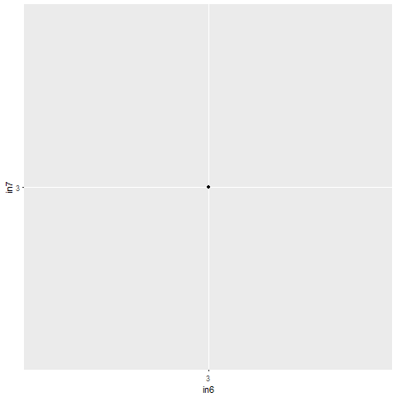
 |  |  |  | in1 | in2 | in3 | in4 | in5 | in6 | in7
 |  |  | huey | 100 | 0.6 | 3 | 0.1 | sdfs | 3 | 3
 |  |  | dewey | 68.56 | 1.68 | 4 | 0.8 | sdfs | 1900-01-03 | 3
 |  |  | louie | 300 | 0.9 | 5 | 5 | ret | 1900-01-03 | 3

scriptCell | library(ggplot2) gplot <- ggplot(data = test_in, aes(x = in6, y = in7) ) + geom_point() png(filename="C:/dev/Raddin/trunk/test/testdiagram.png") print(gplot) dev.off()
diag | Test_RdotNet!testdiagram

