Main Test
 | in1 | in2 | in3 | in4 | in5 | in6 | in7 | dir | . | dir | C:\dev\RAddin\test\ |  | dir | C:\dev\RAddin\test\ |  | dir | C:\dev\RAddin\test\
0.30 | 0.30 | 0.40 | 0.70 | -0.30 | 1.00 | 1.29 | -1.89 | script | testScript.R | script | testScript.R | testDir | script | testScript.R | testDirNonExisting | scriptRng | Test_scriptRng!scriptRange
0.31 | 0.31 | 0.51 | 0.81 | -0.31 | 1.12 | 1.43 | -2.04 | arg | test_in | arg | test_in | testDir | arg | test_in | testDirNonExisting | arg | test_in
0.01 | 0.01 | 0.02 | 0.03 | -0.01 | 0.04 | 0.05 | -0.07 | res | test_out | res | test_out | testDir | res | test_out | testDirNonExisting | res | test_out | unterverz/unterunterverz/20210307
0.01 | 0.01 | 0.01 | 0.01 | -0.01 | 0.02 | 0.02 | -0.03 | diag | testdiagram | diag | testdiagram | testDir | diag | testdiagram | testDirNonExisting | diag | testdiagram | unterverz/unterunterverz/20210307
0.21 | 0.21 | 0.29 | 0.50 | -0.21 | 0.71 | 0.92 | -1.35
0.01 | 0.01 | 0.01 | 0.01 | -0.01 | 0.02 | 0.03 | -0.04 |  |  |  |  |  |  |  |  |  |  | unterverz/unterunterverz/20210307
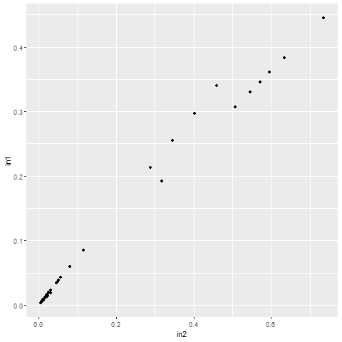
0.01 | 0.01 | 0.01 | 0.02 | -0.01 | 0.03 | 0.04 | -0.05
0.01 | 0.01 | 0.02 | 0.03 | -0.01 | 0.04 | 0.05 | -0.08
0.02 | 0.02 | 0.03 | 0.05 | -0.02 | 0.08 | 0.10 | -0.15
0.38 | 0.38 | 0.63 | 1.02 | -0.38 | 1.40 | 1.78 | -2.55
0.35 | 0.35 | 0.57 | 0.92 | -0.35 | 1.26 | 1.61 | -2.30
0.01 | 0.01 | 0.02 | 0.04 | -0.01 | 0.05 | 0.07 | -0.10
0.01 | 0.01 | 0.02 | 0.04 | -0.01 | 0.05 | 0.07 | -0.10
0.01 | 0.01 | 0.01 | 0.02 | -0.01 | 0.03 | 0.04 | -0.06
0.30 | 0.30 | 0.40 | 0.70 | -0.30 | 1.00 | 1.29 | -1.89
0.30 | 0.30 | 0.40 | 0.70 | -0.30 | 1.00 | 1.29 | -1.89
0.01 | 0.01 | 0.01 | 0.02 | -0.01 | 0.03 | 0.04 | -0.05
0.01 | 0.01 | 0.01 | 0.02 | -0.01 | 0.03 | 0.04 | -0.05
0.01 | 0.01 | 0.02 | 0.03 | -0.01 | 0.04 | 0.05 | -0.08
0.02 | 0.02 | 0.02 | 0.04 | -0.02 | 0.06 | 0.07 | -0.11
0.02 | 0.02 | 0.03 | 0.05 | -0.02 | 0.06 | 0.08 | -0.12
0.04 | 0.04 | 0.06 | 0.10 | -0.04 | 0.14 | 0.19 | -0.27
0.04 | 0.04 | 0.05 | 0.09 | -0.04 | 0.13 | 0.17 | -0.24
0.45 | 0.45 | 0.74 | 1.18 | -0.45 | 1.63 | 2.07 | -2.96
0.33 | 0.33 | 0.55 | 0.88 | -0.33 | 1.20 | 1.53 | -2.19
0.36 | 0.36 | 0.60 | 0.96 | -0.36 | 1.32 | 1.68 | -2.40
0.19 | 0.19 | 0.32 | 0.51 | -0.19 | 0.70 | 0.89 | -1.28
0.02 | 0.02 | 0.03 | 0.05 | -0.02 | 0.07 | 0.09 | -0.12
0.01 | 0.01 | 0.02 | 0.03 | -0.01 | 0.05 | 0.06 | -0.08
0.01 | 0.01 | 0.02 | 0.03 | -0.01 | 0.05 | 0.06 | -0.08
0.01 | 0.01 | 0.01 | 0.02 | -0.01 | 0.03 | 0.04 | -0.05
0.34 | 0.34 | 0.46 | 0.80 | -0.34 | 1.14 | 1.48 | -2.16
0.26 | 0.26 | 0.35 | 0.60 | -0.26 | 0.86 | 1.11 | -1.62
0.26 | 0.26 | 0.35 | 0.60 | -0.26 | 0.86 | 1.11 | -1.62
0.09 | 0.09 | 0.12 | 0.20 | -0.09 | 0.29 | 0.37 | -0.54
0.01 | 0.01 | 0.02 | 0.03 | -0.01 | 0.04 | 0.05 | -0.08
0.01 | 0.01 | 0.01 | 0.02 | -0.01 | 0.02 | 0.03 | -0.04
0.01 | 0.01 | 0.01 | 0.02 | -0.01 | 0.02 | 0.03 | -0.04
0.00 | 0.00 | 0.00 | 0.01 | 0.00 | 0.01 | 0.01 | -0.02
0.03 | 0.03 | 0.05 | 0.08 | -0.03 | 0.11 | 0.15 | -0.22
0.02 | 0.02 | 0.02 | 0.04 | -0.02 | 0.06 | 0.07 | -0.11
0.01 | 0.01 | 0.02 | 0.04 | -0.01 | 0.05 | 0.06 | -0.09
0.01 | 0.01 | 0.01 | 0.02 | -0.01 | 0.03 | 0.04 | -0.05
0.06 | 0.06 | 0.08 | 0.14 | -0.06 | 0.20 | 0.26 | -0.38
0.03 | 0.03 | 0.05 | 0.08 | -0.03 | 0.11 | 0.15 | -0.22
0.04 | 0.04 | 0.05 | 0.08 | -0.04 | 0.12 | 0.16 | -0.23
0.02 | 0.02 | 0.02 | 0.04 | -0.02 | 0.06 | 0.07 | -0.11

Test_scriptRng
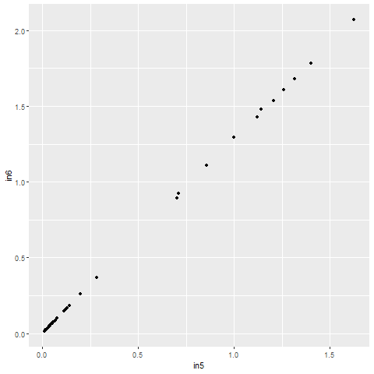
 | library(ggplot2)
 | initial.options <- commandArgs(trailingOnly = FALSE)
 | script.name <- sub("--file=", "", initial.options[grep("--file=", initial.options)])
 | script.basename <- dirname(script.name)
 | if (length(script.basename) > 0) {
 | setwd(script.basename)
 | test_in <- read.csv2("test_in.txt",dec=".",sep="\t",header=TRUE)
 | write.table(test_in[,1],file="unterverz/unterunterverz/20210307/test_out.txt",sep="\t",row.names=FALSE,col.names=FALSE,quote=FALSE)
 | }
 | gplot <- ggplot(data = test_in, aes(x = in5, y = in6) ) + geom_point()
 | png(filename="unterverz/unterunterverz/20210307/testdiagram.png")
 | print(gplot)
 | dev.off()

dir | .
scriptRng | Test_scriptRng!scriptRange
argc | test_in
res | test_out | unterverz/unterunterverz/20210307
diag | Test_scriptRng!testdiagram | unterverz/unterunterverz/20210307

dir | .
scriptCell | library(ggplot2) initial.options <- commandArgs(trailingOnly = FALSE) script.name <- sub("--file=", "", initial.options[grep("--file=", initial.options)]) script.basename <- dirname(script.name) if (length(script.basename) > 0) { setwd(script.basename) test_in <- read.csv2("test_in.txt",dec=".",sep="\t",header=TRUE) write.table(test_in[,1],file="test_out.txt",sep="\t",row.names=FALSE,col.names=FALSE,quote=FALSE) } test_out<-test_in[,1] print(getwd()) gplot <- ggplot(data = test_in, aes(x = in3, y = in4) ) + geom_point() png(filename="testdiagram.png") print(gplot) dev.off()
argc | test_in
res | test_out
diag | testdiagram
 | -> Attention, diagram for test_scriptcell appears in Main Test !!!

Test_OtherSheet
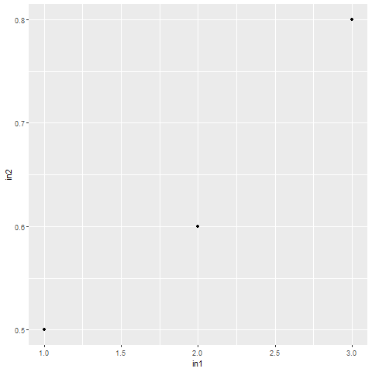
result: | in1 | in2 | in3 | in4 | in5 | in6 | in7 | dir | .
1 | 1 | 0.50 | 3 | 3 | 3 | 3.000 | 3.000 | script | testScript.R
2 | 2 | 0.60 | 3 |  | 3 | 3.000 | 3.000 | arg | Test_OtherSheet!test_in
3 | 3 | 0.80 | 3 |  | 3 | 3.000 | 3.000 | res | Test_OtherSheet!test_out
 |  |  |  |  |  |  |  | diag | Test_OtherSheet!testdiagram

 |  |  |  |  |  |  |  | rexec | cmd.exe | /c
 |  |  |  |  |  |  |  | dir | .
 |  |  |  |  |  |  |  | script | testStartRscript.cmd
 |  |  |  |  |  |  |  | arg | Test_OtherSheet!test_in
 |  |  |  |  |  |  |  | res | Test_OtherSheet!test_out
 |  |  |  |  |  |  |  | diag | Test_OtherSheet!testdiagram

Test_RdotNet
scriptCell | # cannot be called via shell, because test_in is not read from file -> in memory !! library(ggplot2) test_out <- as.Date(c("2017-01-01","2017-01-02","2017-01-03"))+25569 # difference between 1/1/1900 and 1/1/1970 + MS error test_out2 <- test_in rownames(test_out2) <- c("huey","dewey","louie") gplot <- ggplot(data = test_in, aes(x = in1, y = in2) ) + geom_point() png(filename="C:/dev/Raddin/test/testdiagram.png") print(gplot) dev.off() | result: | in1 | in2 | in3 | in4 | in5 | in6 | in7
argc | Test_RdotNet!test_in | 42736 | 100 | 0.6 | 3 | 0.1 | sdfs | 3.000 | 3.000
res | Test_RdotNet!test_out | 42737 | 68.56 | 1.68 | 4 | 0.8 | sdfs | 3.000 | 3.000
res | Test_RdotNet!test_out2 | 42738 | 300 | 0.9 | 5 | 5 | ret | 3.000 | 3.000
diag | Test_RdotNet!testdiagram

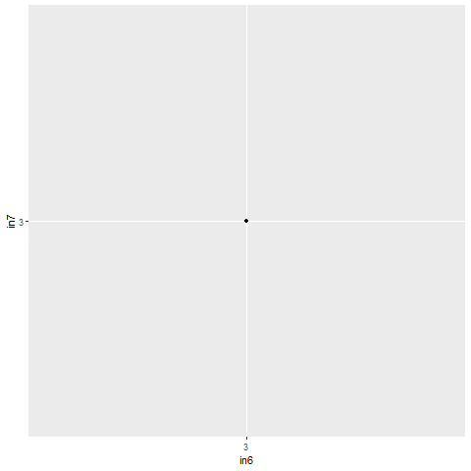
 |  |  |  | in1 | in2 | in3 | in4 | in5 | in6 | in7
 |  |  | huey | 100 | 0.6 | 3 | 0.1 | sdfs | 3 | 3
 |  |  | dewey | 68.56 | 1.68 | 4 | 0.8 | sdfs | 1900-01-03 | 3
 |  |  | louie | 300 | 0.9 | 5 | 5 | ret | 1900-01-03 | 3

scriptCell | # cannot be called via shell, because test_in is not read from file -> in memory !! library(ggplot2) gplot <- ggplot(data = test_in, aes(x = in6, y = in7) ) + geom_point() png(filename="C:/dev/Raddin/test/testdiagram.png") print(gplot) dev.off()
argc | Test_RdotNet!test_in
diag | Test_RdotNet!testdiagram

