Main Test
 | in1 | in2 | in3 | in4 | in5 | in6 | in7 | dir | . | dir | C:\dev\ScriptAddin\test\[testScriptAddin.xlsx]Main Test |  | dir | C:\dev\ScriptAddin\test\[testScriptAddin.xlsx]Main Test |  | dir | C:\dev\ScriptAddin\test\
0.30 | 0.30 | 0.40 | 0.70 | -0.30 | 1.00 | 1.29 | -1.89 | type | R | type | R |  | type | R |  | type | R
0.31 | 0.31 | 0.51 | 0.81 | -0.31 | 1.12 | 1.43 | -2.04 | script | testScript.R | script | testScript.R | testDir | script | testScript.R | testDirNonExisting | scriptRng | Test_scriptRng!scriptRange
0.01 | 0.01 | 0.02 | 0.03 | -0.01 | 0.04 | 0.05 | -0.07 | arg | test_in | arg | test_in | testDir | arg | test_in | testDirNonExisting | arg | test_in
0.01 | 0.01 | 0.01 | 0.01 | -0.01 | 0.02 | 0.02 | -0.03 | res | test_out | res | test_out | testDir | res | test_out | testDirNonExisting | res | test_out | unterverz/unterunterverz/20210730
0.21 | 0.21 | 0.29 | 0.50 | -0.21 | 0.71 | 0.92 | -1.35 | diag | testdiagram | diag | testdiagram | testDir | diag | testdiagram | testDirNonExisting | diag | testdiagram | unterverz/unterunterverz/20210730
0.01 | 0.01 | 0.01 | 0.01 | -0.01 | 0.02 | 0.03 | -0.04
0.01 | 0.01 | 0.01 | 0.02 | -0.01 | 0.03 | 0.04 | -0.05 |  |  |  |  |  |  |  |  |  |  | unterverz/unterunterverz/20210730
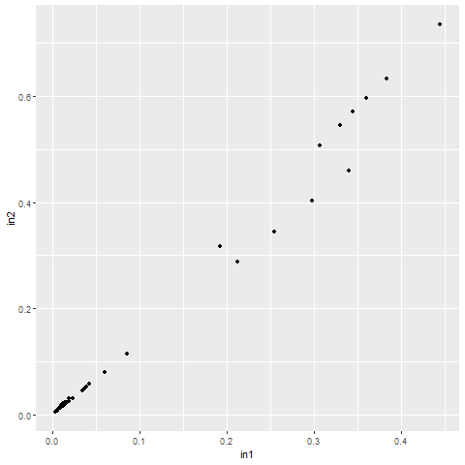
0.01 | 0.01 | 0.02 | 0.03 | -0.01 | 0.04 | 0.05 | -0.08
0.02 | 0.02 | 0.03 | 0.05 | -0.02 | 0.08 | 0.10 | -0.15
0.38 | 0.38 | 0.63 | 1.02 | -0.38 | 1.40 | 1.78 | -2.55 |  |  |  |  |  |  | choose to run: | testScript.R
0.35 | 0.35 | 0.57 | 0.92 | -0.35 | 1.26 | 1.61 | -2.30
0.01 | 0.01 | 0.02 | 0.04 | -0.01 | 0.05 | 0.07 | -0.10 |  |  |  |  |  |  | dir | .
0.01 | 0.01 | 0.02 | 0.04 | -0.01 | 0.05 | 0.07 | -0.10 |  |  |  |  |  |  | type | R
0.01 | 0.01 | 0.01 | 0.02 | -0.01 | 0.03 | 0.04 | -0.06 |  |  |  |  |  |  | script | testScript.R
0.30 | 0.30 | 0.40 | 0.70 | -0.30 | 1.00 | 1.29 | -1.89 |  |  |  |  |  |  | skipscript | library(ggplot2) initial.options <- commandArgs(trailingOnly = FALSE) script.name <- sub("--file=", "", initial.options[grep("--file=", initial.options)]) script.basename <- dirname(script.name) if (length(script.basename) > 0) { setwd(script.basename) test_in <- read.csv2("test_in.txt",dec=".",sep="\t",header=TRUE) write.table(test_in[,1],file="test_out.txt",sep="\t",row.names=FALSE,col.names=FALSE,quote=FALSE) } test_out<-test_in[,1] print(getwd()) gplot <- ggplot(data = test_in, aes(x = in3, y = in4) ) + geom_point() png(filename="testdiagram.png") print(gplot) dev.off()
0.30 | 0.30 | 0.40 | 0.70 | -0.30 | 1.00 | 1.29 | -1.89 |  |  |  |  |  |  | arg | test_in
0.01 | 0.01 | 0.01 | 0.02 | -0.01 | 0.03 | 0.04 | -0.05 |  |  |  |  |  |  | res | test_out
0.01 | 0.01 | 0.01 | 0.02 | -0.01 | 0.03 | 0.04 | -0.05 |  |  |  |  |  |  | diag | testdiagram
0.01 | 0.01 | 0.02 | 0.03 | -0.01 | 0.04 | 0.05 | -0.08
0.02 | 0.02 | 0.02 | 0.04 | -0.02 | 0.06 | 0.07 | -0.11
0.02 | 0.02 | 0.03 | 0.05 | -0.02 | 0.06 | 0.08 | -0.12
0.04 | 0.04 | 0.06 | 0.10 | -0.04 | 0.14 | 0.19 | -0.27
0.04 | 0.04 | 0.05 | 0.09 | -0.04 | 0.13 | 0.17 | -0.24
0.45 | 0.45 | 0.74 | 1.18 | -0.45 | 1.63 | 2.07 | -2.96
0.33 | 0.33 | 0.55 | 0.88 | -0.33 | 1.20 | 1.53 | -2.19
0.36 | 0.36 | 0.60 | 0.96 | -0.36 | 1.32 | 1.68 | -2.40
0.19 | 0.19 | 0.32 | 0.51 | -0.19 | 0.70 | 0.89 | -1.28
0.02 | 0.02 | 0.03 | 0.05 | -0.02 | 0.07 | 0.09 | -0.12
0.01 | 0.01 | 0.02 | 0.03 | -0.01 | 0.05 | 0.06 | -0.08
0.01 | 0.01 | 0.02 | 0.03 | -0.01 | 0.05 | 0.06 | -0.08
0.01 | 0.01 | 0.01 | 0.02 | -0.01 | 0.03 | 0.04 | -0.05
0.34 | 0.34 | 0.46 | 0.80 | -0.34 | 1.14 | 1.48 | -2.16
0.26 | 0.26 | 0.35 | 0.60 | -0.26 | 0.86 | 1.11 | -1.62
0.26 | 0.26 | 0.35 | 0.60 | -0.26 | 0.86 | 1.11 | -1.62
0.09 | 0.09 | 0.12 | 0.20 | -0.09 | 0.29 | 0.37 | -0.54
0.01 | 0.01 | 0.02 | 0.03 | -0.01 | 0.04 | 0.05 | -0.08
0.01 | 0.01 | 0.01 | 0.02 | -0.01 | 0.02 | 0.03 | -0.04
0.01 | 0.01 | 0.01 | 0.02 | -0.01 | 0.02 | 0.03 | -0.04
0.00 | 0.00 | 0.00 | 0.01 | 0.00 | 0.01 | 0.01 | -0.02
0.03 | 0.03 | 0.05 | 0.08 | -0.03 | 0.11 | 0.15 | -0.22
0.02 | 0.02 | 0.02 | 0.04 | -0.02 | 0.06 | 0.07 | -0.11
0.01 | 0.01 | 0.02 | 0.04 | -0.01 | 0.05 | 0.06 | -0.09
0.01 | 0.01 | 0.01 | 0.02 | -0.01 | 0.03 | 0.04 | -0.05
0.06 | 0.06 | 0.08 | 0.14 | -0.06 | 0.20 | 0.26 | -0.38
0.03 | 0.03 | 0.05 | 0.08 | -0.03 | 0.11 | 0.15 | -0.22
0.04 | 0.04 | 0.05 | 0.08 | -0.04 | 0.12 | 0.16 | -0.23
0.02 | 0.02 | 0.02 | 0.04 | -0.02 | 0.06 | 0.07 | -0.11
0.02

Test_scriptRng
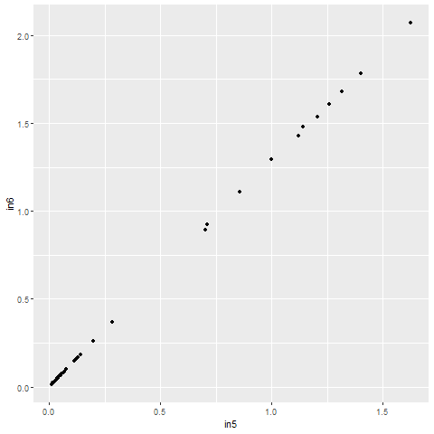
 | library(ggplot2)
 | initial.options <- commandArgs(trailingOnly = FALSE)
 | script.name <- sub("--file=", "", initial.options[grep("--file=", initial.options)])
 | script.basename <- dirname(script.name)
 | if (length(script.basename) > 0) {
 | setwd(script.basename)
 | test_in <- read.csv2("test_in.txt",dec=".",sep="\t",header=TRUE)
 | write.table(test_in[,1],file="unterverz/unterunterverz/20210730/test_out.txt",sep="\t",row.names=FALSE,col.names=FALSE,quote=FALSE)
 | }
 | gplot <- ggplot(data = test_in, aes(x = in5, y = in6) ) + geom_point()
 | png(filename="unterverz/unterunterverz/20210730/testdiagram.png")
 | print(gplot)
 | dev.off()

dir | .
type | R
scriptRng | Test_scriptRng!scriptRange
arg | test_in
res | test_out | unterverz/unterunterverz/20210730
diag | Test_scriptRng!testdiagram | unterverz/unterunterverz/20210730

dir | .
type | R
scriptCell | library(ggplot2) initial.options <- commandArgs(trailingOnly = FALSE) script.name <- sub("--file=", "", initial.options[grep("--file=", initial.options)]) script.basename <- dirname(script.name) if (length(script.basename) > 0) { setwd(script.basename) test_in <- read.csv2("test_in.txt",dec=".",sep="\t",header=TRUE) write.table(test_in[,1],file="test_out.txt",sep="\t",row.names=FALSE,col.names=FALSE,quote=FALSE) } test_out<-test_in[,1] print(getwd()) gplot <- ggplot(data = test_in, aes(x = in3, y = in4) ) + geom_point() png(filename="testdiagram.png") print(gplot) dev.off() print("Press Enter to continue...") invisible(scan("stdin", character(), nlines = 1, quiet = TRUE))
arg | test_in
res | test_out
diag | testdiagram
 | -> Attention, diagram for test_scriptcell appears in Main Test !!!

Test_OtherSheet
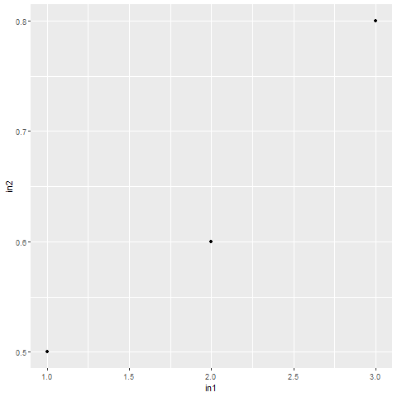
result: | in1 | in2 | in3 | in4 | in5 | in6 | in7 | dir | .
1 | 1 | 0.50 | 3 | 3 | 3 | 3.000 | 3.000 | type | R
2 | 2 | 0.60 | 3 |  | 3 | 3.000 | 3.000 | script | testScript.R
3 | 3 | 0.80 | 3 |  | 3 | 3.000 | 3.000 | arg | Test_OtherSheet!test_in
 |  |  |  |  |  |  |  | res | Test_OtherSheet!test_out
 |  |  |  |  |  |  |  | diag | Test_OtherSheet!testdiagram

 |  |  |  |  |  |  |  | rexec | cmd.exe | /c
 |  |  |  |  |  |  |  | type | R | no
 |  |  |  |  |  |  |  | dir | .
 |  |  |  |  |  |  |  | script | testStartRscript.cmd
 |  |  |  |  |  |  |  | arg | Test_OtherSheet!test_in
 |  |  |  |  |  |  |  | res | Test_OtherSheet!test_out
 |  |  |  |  |  |  |  | diag | Test_OtherSheet!testdiagram

Test_python
dir | .
type | Python
scriptCell | import matplotlib.pyplot as plt import numpy as np from inspect import getsourcefile from os.path import abspath, dirname from os import chdir print("changing to script dir..") scriptpath = dirname(abspath(getsourcefile(lambda:0))) chdir(scriptpath) print("loading data ..") csvfile = np.loadtxt('test_in.txt',skiprows=1,unpack=True) np.savetxt('test_out.txt',csvfile[1]) print(csvfile[1],csvfile[2]) print("plotting data ..") plt.scatter(csvfile[1],csvfile[2]) plt.ylabel('in2') plt.xlabel('in1') plt.savefig("testdiagrampython.png", dpi=300, format='png') print("finished ..") | 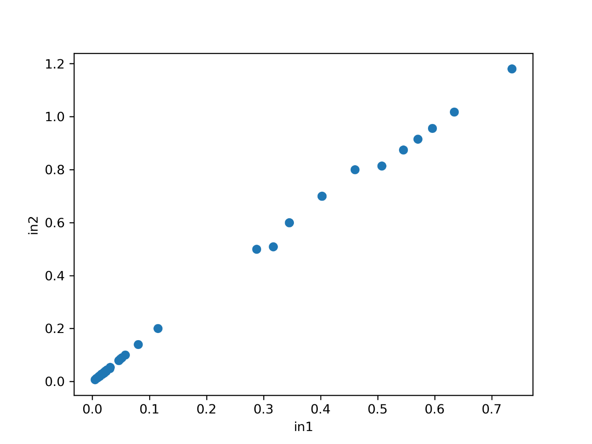
arg | test_in
res | test_out
diag | testdiagrampython

Test_perl
dir | .
type | Perl
scriptCell | use GD::Graph::points; open(SRC, '<test_in.txt') or die $!; my (@in1, @in2); while (<SRC>) { chomp; my @line = split /\t/; next if $line[1] eq "in2"; print $line[1]." ... ".$line[2]."\n"; push @in1, $line[1]; push @in2, $line[2]; } close SRC; open(TGT, '>test_out.txt') or die $!; print TGT $_."\n" for @in2; close TGT; print "plotting data\n"; my @data = ([@in1], [@in2]); my $graph = GD::Graph::points->new(500, 300); $graph->set( x_label => 'in1', y_label => 'in2', ) or warn $mygraph->error; my $gd = $graph->plot(\@data) or die $graph->error; open(IMG, '>testdiagramperl.png') or die $!; binmode IMG; print IMG $gd->png; print "finished \n"; | 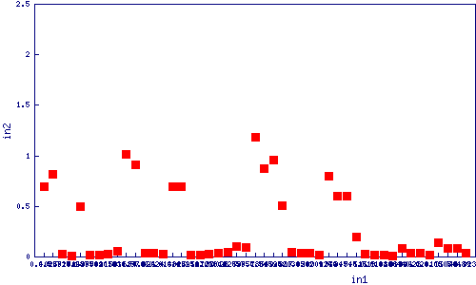
arg | test_in
res | test_out
diag | testdiagramperl

