Decoder
 | Response | Message ID |  |  |  |  |  |  |  |  |  | Gear_State |  |  |  |  |  |  |  |  |  |  |  |  | RailP_pFlt |  | Rail_pSetPoint
HEX | 62 | 01 | 65 | 00 | 00 | 0D | CB | 00 | 00 | 00 | 00 | 0F | 09 | 1B | 03 | 20 | 03 | 33 | 08 | E9 | 0D | 67 | 00 | 00 | 0F | A0 | 0F | A0 | 08 | E9 | 00 | 00 | 00 | 00
DEC |  |  |  |  |  |  |  |  |  |  |  | 15 |  |  |  |  |  |  |  |  |  |  |  |  | 4000 |  | 4000

 |  |  |  |  |  |  |  |  |  |  | Value [°C] | HEX | Dec
 |  |  |  |  |  |  |  |  |  |  | -45.040012 | 0x08e9 | 2281
 |  |  |  |  |  |  |  |  |  |  | 13.959990 | 0x0b37 | 2871
 |  |  |  |  |  |  |  |  |  |  | 19.459990 | 0x0b6e | 2926
 |  |  |  |  |  |  |  |  |  |  | 21.959990 | 0x0b87 | 2951
 |  |  |  |  |  |  |  |  |  |  | 22.059990 | 0x0b88 | 2952
 |  |  |  |  |  |  |  |  |  |  | 46.159988 | 0x0c79 | 3193

Msg_structure
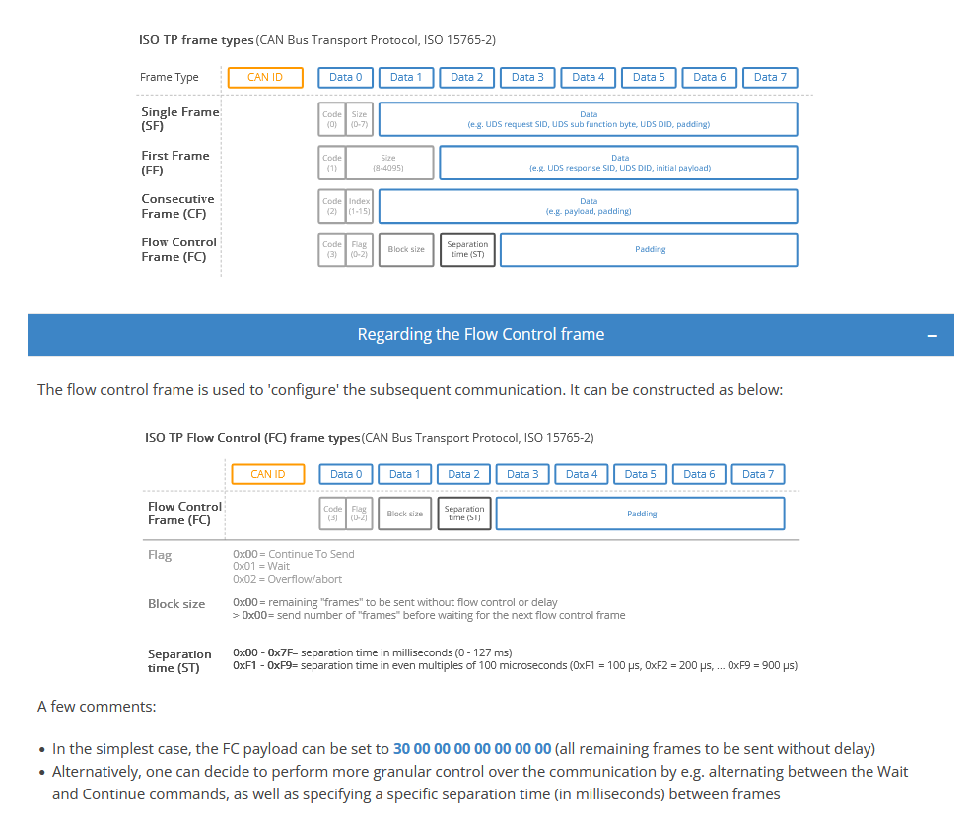

UDS request |  | Byte | 1 | 2 | 3 | 4 | 5 | 6 | 7 | 8
 |  | CAN ID | PCI | SID | (Sub fnct) | Req. PID |  | Padding

Response | Negative | CAN ID | PCI | Neg. SID (0x7F) | Rejected SID | NRC | Padding

 |  |  |  |  |  |  |  |  |  | Sender | CAN PID | 1 | 2 | 3 | 4 | 5 | 6 | 7 | 8
 |  |  |  |  |  |  |  |  | REQ (SF) | DIAG | 7E0 | 03 | 22 | 01 | 68 | 00 | 00 | 00 | 00
 |  |  |  |  |  |  |  |  |  |  |  | PCI (0=SF, size 3) | SID (0x22 = read data) | DID |  | Padding
 |  |  |  |  |  |  |  |  | Response (FF) | ECU | 7E8 | 10 | 39 | 62 | 01 | 68 | 13 | 74 | 39
 |  |  |  |  |  |  |  |  |  |  |  | PCI (1 = FF, 0 to size) | Size (57 in DEC) | Positive response | DID |  | Data
 |  |  |  |  |  |  |  |  | Flow control | DIAG | 7E0 | 30 | 08 | 14 | 00 | 00 | 00 | 00 | 00
 |  |  |  |  |  |  |  |  |  |  |  | 3 = Flow control, 0 = Flag (continue) | Block size | ST (ms) | Padding
 |  |  |  |  |  |  |  |  | DATA (CF) | ECU | 7E8 | 21 | 8B | 03 | E8 | 0D | CB | 00 | 00
 |  |  |  |  |  |  |  |  |  |  |  | PCI (2 = CF, 1 = IDX) | Data
 |  |  |  |  |  |  |  |  |  |  |  | PCI

