PyBaMM Parameters
S.No | Parameter | Initial Value
 | CELL
1 | Negative current collector thickness [m] | 7.44E-05 | Watzold 2025
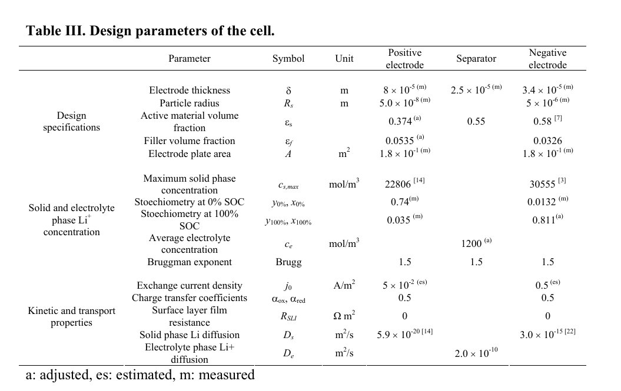
2 | Positive current collector thickness [m] | 5.75E-05 | Watzold 2025
3 | Negative electrode thickness [m] | 3.63E-05 | Watzold 2025
4 | Positive electrode thickness [m] | 6.27E-05 | Watzold 2025
5 | Separator thickness [m] | 2.00E-05 | Watzold 2025
6 | Electrode height [m] | 1.713 | Watzold 2025 | 1.774 | A
7 | Electrode width [m] | 0.055 | Watzold 2025
8 | Cell cooling surface area [m2] | 5.33E-03 | Watzold 2025
9 | Cell volume [m3] | 3.46E-05 | Watzold 2025
10 | Nominal cell capacity [A.h] | 2.5
11 | Number of electrodes connected in parallel to make a cell | 1
12 | Number of cells connected in series to make a battery | 1
13 | Current function [A] | 2.5

 | NEGATIVE ELECTRODE
14 | Maximum concentration in negative electrode [mol.m-3] | 28985
15 | Initial concentration in negative electrode [mol.m-3] | 0.85*
16 | Negative electrode OCP [V] | function
17 | Negative electrode OCP entropic change [V.K-1] | 0
18 | Negative electrode exchange-current density [A.m-2] | function
19 | Negative particle radius [m] | 5.48E-07 | Scipioni 2018
20 | Negative particle diffusivity [m2.s-1] | 4.80E-15
21 | Negative electrode active material volume fraction | 0.58
22 | Negative electrode porosity | 0.36
23 | Negative electrode conductivity [S.m-1] | 108.5
24 | Negative electrode Bruggeman coefficient (electrolyte) | 1.5
25 | Negative electrode Bruggeman coefficient (electrode) | 1.5
26 | Negative electrode density [kg.m-3] | 2260
27 | Negative electrode specific heat capacity [J.kg-1.K-1] | 700

 | POSITIVE ELECTRODE
28 | Maximum concentration in positive electrode [mol.m-3] | 22882
29 | Initial concentration in positive electrode [mol.m-3] | 0.035*
30 | Positive electrode OCP [V] | function
31 | Positive electrode OCP entropic change [V.K-1] | 0
32 | Positive electrode exchange-current density [A.m-2] | function
33 | Positive particle radius [m] | 3.80E-08 | Scipioni 2018
34 | Positive particle diffusivity [m2.s-1] | 2.40E-17
35 | Positive electrode active material volume fraction | 0.36
36 | Positive electrode porosity | 0.55
37 | Positive electrode conductivity [S.m-1] | 0.18
38 | Positive electrode Bruggeman coefficient (electrolyte) | 1.5
39 | Positive electrode Bruggeman coefficient (electrode) | 1.5
40 | Positive electrode density [kg.m-3] | 3610
41 | Positive electrode specific heat capacity [J.kg-1.K-1] | 1000

 | SEPARATOR
42 | Separator porosity | 0.45
43 | Separator Bruggeman coefficient (electrolyte) | 1.5
44 | Separator density [kg.m-3] | 397
45 | Separator specific heat capacity [J.kg-1.K-1] | 700

 | ELECTROLYTE
46 | Initial concentration in electrolyte [mol.m-3] | 1200
47 | Cation transference number | 0.38
48 | Thermodynamic factor | 1
49 | Electrolyte diffusivity [m2.s-1] | 1.00E-10
50 | Electrolyte conductivity [S.m-1] | function

 | CURRENT COLLECTORS
51 | Negative current collector conductivity [S.m-1] | 5.95E+07
52 | Positive current collector conductivity [S.m-1] | 3.77E+07
53 | Negative current collector density [kg.m-3] | 8960
54 | Positive current collector density [kg.m-3] | 2700
55 | Negative current collector specific heat capacity [J.kg-1.K-1] | 385
56 | Positive current collector specific heat capacity [J.kg-1.K-1] | 897

 | THERMAL & EXPERIMENT
57 | Reference temperature [K] | 298.15
58 | Initial temperature [K] | 298.15
59 | Ambient temperature [K] | 298.15
60 | Total heat transfer coefficient [W.m-2.K-1] | 12
61 | Lower voltage cut-off [V] | 2
62 | Upper voltage cut-off [V] | 3.6
63 | Ideal gas constant [J.K-1.mol-1] | R
64 | Faraday constant [C.mol-1] | F

Density
