Background
The Workbook contains various body measurements of 252 males, including two estimates of the percentage of body fat for each man. Sources: Penrose, K., Nelson, A., and Fisher, A., “Generalized Body Composition Prediction Equation for Men Using Simple Measurement Techniques,” Medicine and Science in Sports and Exercise v. 17, no. 2 (1985), p. 189.

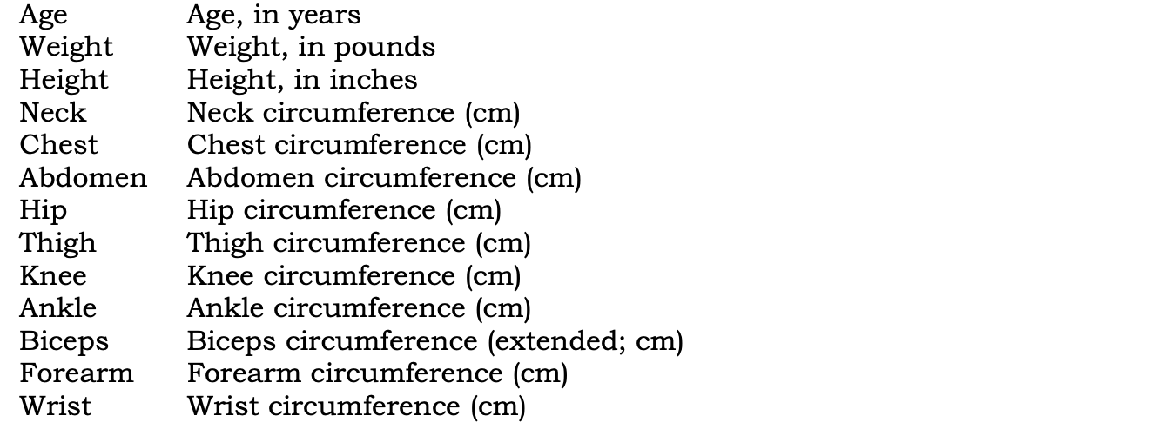

Siri’s equation provides a standard method for estimating the percentage of fat in a person’s body. Details may be found in the libstat Web site noted above, or in W. E. Siri, “Gross Composition of the Body,” in Advances in Biological and Medical Physics, v. IV, edited by J. H. Lawrence and C. A. Tobias, (New York: Academic Press, Inc., 1956).

