Background
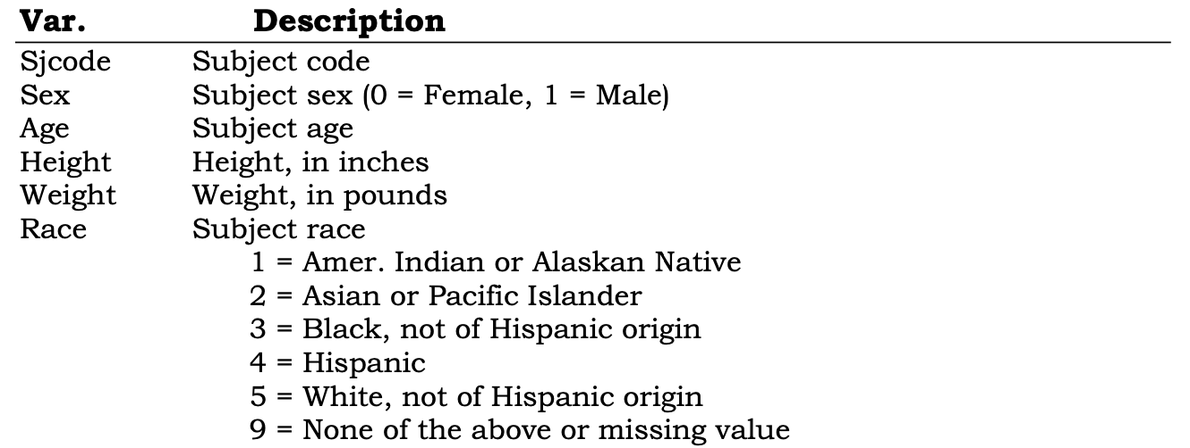
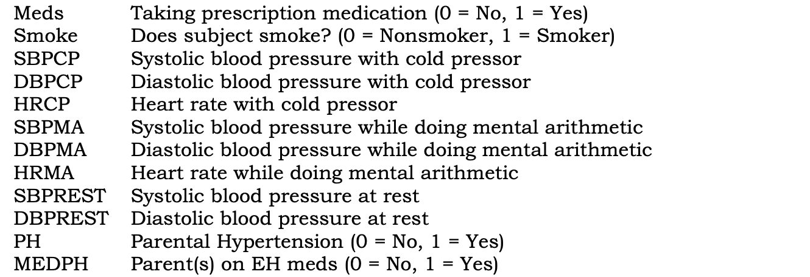
The Workbook contains blood pressure and other physical measurements of subjects under various experimental conditions. n = 181. This file contains data about blood pressure and other vital signs for subjects after various physical and mental activities.

