graphs
November 2020
OutgoingDaily | Outgoing Cumulative | Return daily | Dropbox | Return Cumulative

2016 and 2020 Cumulative Reurns
 | Return Cumulative | 2016 Return total
 | 168
 | 1,071
 | 1,916
 | 4,008 | 3
 | 9,522 | 3
 | 13,784 | 40
 | 18,909 | 481
 | 28,557 | 940
 | 30,429 | 950
 | 38,992 | 1582
 | 44,071 | 2326
 | 49,346 | 3190
 | 53,454 | 3793
 | 53,842 | 4401
 | 60,810 | 4420
 | 63,120 | 6018
 | 69,975 | 6561
 | 75,057 | 7850
 | 79,992 | 8940
 | 84,014 | 11273
 | 85,457 | 11567
 | 93,029 | 13047
 | 97,716 | 14274
 | 107,570 | 15333
 | 115,928 | 18235
 | 124,633 | 18708
 | 125,804 | 20645
 | 134,556 | 22339
 | 138,303 | 24060
 | 145,229 | 25588
 | 151,707 | 25622
 | 157,698 | 27735
 | 164,551 | 28607
 | 172,462 | 30790
 | 176,558 | 33203
 | 184,470 | 35603
 | 191,011 | 40276
 | 198,228 | 41189
 | 206,275 | 42807
 | 215,464 | 44531
 | 223,886
 | 224,913
 | 225,659
 | 226,321
 |  | 31 | 137 | 168
 |  | 446 | 457 | 1,071
63726 | 63,726 | 284 | 561 | 1,916 | 2016 Return | 2016 Return total | % returned of total
89701 | 153,427 | 1240 | 852 | 4,008
4137 | 157,564 | 4225 | 1289 | 9,522
5362 | 162,926 | 3960 | 302 | 13,784
5293 | 168,219 | 5068 | 57 | 18,909 | 3 | 3 | 0%
2913 | 171,132 | 8268 | 1380 | 28,557 | 0 | 3 | 0%
6152 | 177,284 | 775 | 1097 | 30,429 | 37 | 40 | 0%
8216 | 185,500 | 7386 | 1177 | 38,992 | 441 | 481 | 1%
8654 | 194,154 | 4007 | 1072 | 44,071 | 459 | 940 | 2%
4,871 | 199,025 | 3869 | 1406 | 49,346 | 10 | 950 | 2%
4,000 | 203,025 | 3728 | 380 | 53,454 | 632 | 1582 | 4%
4,821 | 207,846 | 0 | 388 | 53,842 | 744 | 2326 | 5%
99 | 207,945 | 5831 | 1137 | 60,810 | 864 | 3190 | 7%
0 | 207,945 | 797 | 1513 | 63,120 | 603 | 3793 | 9%
5,860 | 213,805 | 5544 | 1311 | 69,975 | 608 | 4401 | 10%
7,537 | 221,342 | 4132 | 950 | 75,057 | 19 | 4420 | 10%
5,121 | 226,463 | 3664 | 1271 | 79,992 | 1598 | 6018 | 14%
2,912 | 229,375 | 3259 | 763 | 84,014 | 543 | 6561 | 15%
4,154 | 233,529 | 0 | 1443 | 85,457 | 1289 | 7850 | 18%
0 | 233,529 | 5991 | 1581 | 93,029 | 1090 | 8940 | 20%
0 | 233,529 | 775 | 3912 | 97,716 | 2333 | 11273 | 25%
0 | 233,529 | 5713 | 4141 | 107,570 | 294 | 11567 | 26%
5,724 | 239,253 | 5180 | 3178 | 115,928 | 1480 | 13047 | 29%
3,009 | 242,262 | 3875 | 4830 | 124,633 | 1227 | 14274 | 32%
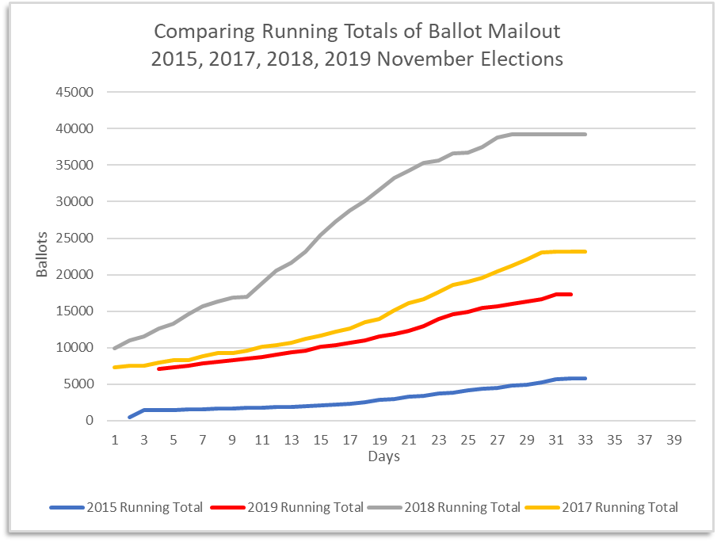
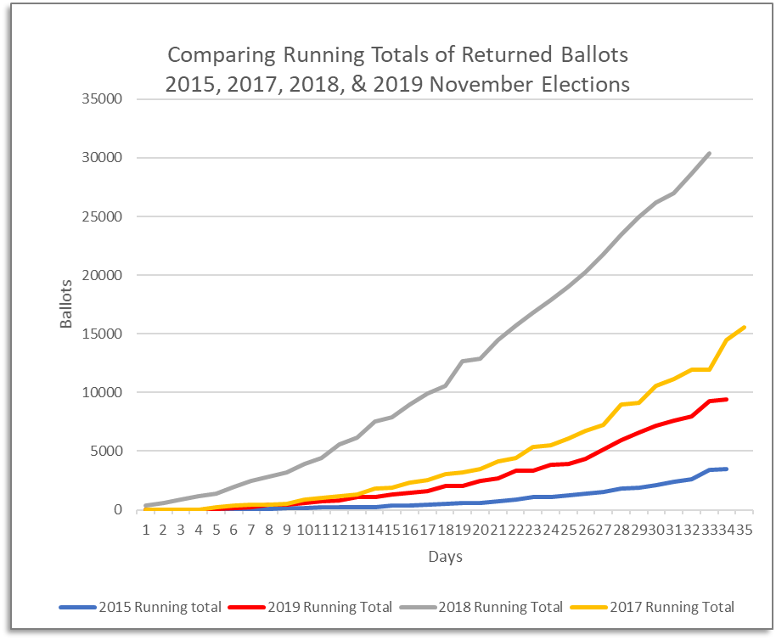
2,230 | 244,492 | 0 | 1171 | 125,804 | 1059 | 15333 | 34%
4,079 | 248,571 | 5711 | 3041 | 134,556 | 2902 | 18235 | 41%
0 | 248,571 | 706 | 3041 | 138,303 | 473 | 18708 | 42%
0 | 248,571 | 4464 | 2462 | 145,229 | 1937 | 20645 | 46%
4,678 | 253,249 | 3300 | 3178 | 151,707 | 1694 | 22339 | 50%
3,144 | 256,393 | 3434 | 2557 | 157,698 | 1721 | 24060 | 54%
2,786 | 259,179 | 2852 | 4001 | 164,551 | 1528 | 25588 | 57%
2,896 | 262,075 | 5169 | 2742 | 172,462 | 34 | 25622 | 58%
2,584 | 264,659 | 722 | 3374 | 176,558 | 2113 | 27735 | 62%
2,273 | 266,932 | 4365 | 3547 | 184,470 | 872 | 28607 | 64%
0 | 266,932 | 3433 | 3108 | 191,011 | 2183 | 30790 | 69%
1,293 | 268,225 | 3298 | 3919 | 198,228 | 2413 | 33203 | 75%
27 | 268,252 | 2825 | 5222 | 206,275 | 2400 | 35603 | 80%
490 | 268,742 | 8036 | 1153 | 215,464 | 4673 | 40276 | 90%
85 | 268,827 | 2258 | 6164 | 223,886 | 913 | 41189 | 92%
34 | 268,861 | 1027 | 0 | 224,913 | 1618 | 42807 | 96%
 |  | 746 | 0 | 225,659 | 1724 | 44531 | 100%
 |  | 662 | 0 | 226,321

