Plotly
https://plot.ly/~mphatak/1/

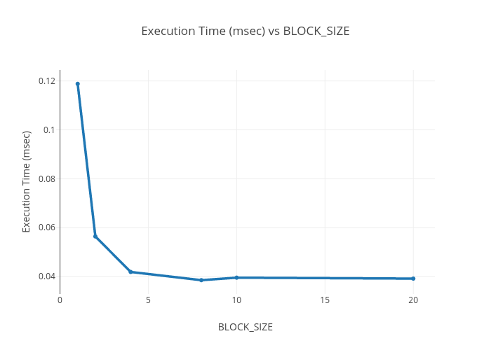

 | BLOCK SIZE | Execution_Time(MSEC)
 | 1 | 0.118816
 | 2 | 0.056416
 | 4 | 0.041888
 | 8 | 0.038528
 | 10 | 0.039552
 | 20 | 0.039168

