401K
 |  | 20250120 - Trump | 20250301 | 20250401 | 20250501 | 20250530 | 20250630 | 20250801 | 20250902 | 20251003 | 20251031 | 20251128 | 20260102 | 20260109 | 20260116
 | EDJ Bob | 749,080 | 757,359 | 738,669 | 763,765 | 798,781 | 828,585 | 827,043 | 849,769 | 879,232 | 881,997 | 881,313 | 885,797 | 896,050 | 895,844
 | EDJ Jo | 240,541 | 242,697 | 235,858 | 240,814 | 251,841 | 261,236 | 260,753 | 267,914 | 277,200 | 278,075 | 277,862 | 279,270 | 282,499 | 282,429
 | Verus Jo | 265,035 | 279,704 | 280,208 | 281,507 | 284,778 | 291,264 | 301,600 | 308,922 | 318,308 | 324,132 | 331,373 | 338,357 | 341,871 | 343,863

 | sum | 1,254,656 | 1,279,760 | 1,254,735 | 1,286,087 | 1,335,400 | 1,381,085 | 1,389,397 | 1,426,605 | 1,474,740 | 1,484,204 | 1,490,548 | 1,503,424 | 1,520,420 | 1,522,136

pct since trump |  | 0.00% | 2.00% | 0.01% | 2.51% | 6.44% | 10.08% | 10.74% | 13.70% | 17.54% | 18.30% | 18.80% | 19.83% | 21.18% | 21.32%
pct since yesterday |  | -0.01% | 0.06% | 0.18% | 0.19% | 0.07% | 0.25% | -0.72% | -0.55% | 0.25% | 0.17% | 0.70% | 0.21% | 0.45% | -0.10%

 |  |  |  |  |  |  | 1608 hrs | 1858 hrs | 2245 hrs | 2000 hrs | 2359 hrs | 2359 hrs | 1826 hrs | 2054 hrs | 1609 hrs
change since Trump |  | 22.6%
change since the dip |  | 29.7%
 |  | day of week | Sat | Tue | Thu | Fri | Mon | Fri | Tue | Fri | Fri | Fri | Fri | Fri | Fri
Ed Jones Mny Mkt |  | 162,850
Nationwide |  | 416,360

non-401k |  | 579,210
total |  | 2,117,793
401K
 | sum
20250120 - Trump | 1,254,656
20250301 | 1,279,760
20250401 | 1,254,735
20250501 | 1,286,087
20250530 | 1,335,400
20250630 | 1,381,085
20250801 | 1,389,397
20250902 | 1,426,605
20251003 | 1,474,740
20251031 | 1,484,204
20251128 | 1,490,548
20260102 | 1,503,424
20260109 | 1,520,420
20260116 | 1,522,136
20260122 | 1,521,764
20260130 | 1,523,268
20260206 | 1,531,700
20260209 | 1,537,077
20260210 | 1,538,583
20260211 | 1,538,332
20260212 | 1,529,144
20260213 | 1,532,459

Guyton-Klinger_mkt_based_incrs
year | Bob age in Sep | starting portfolio balance | withdrawal amount before guardrail | withdrawal rate (%) before guardrail | withdrawal amount after guardrail | withdrawal rate (%) after guardrail | portfolio growth | ending portfolio balance (before inflation) | upper (bad) withdrawal rate guardrail used | Average Inflation Rate | Average Investment Return |  | withdrawal equals this much in 2026 |  |  |  | inflation factor | ending portfolio (includes inflation) | portfolio dropped below … warning | ending portfolio value in 2025 dollars

2026 | 65 | 1,538,583 | 63,467 | 4.13% | 63,467 | 4.13% | 155,589 | 1,630,705 |  | 2.2% | 10.1% |  | 63,467 | starting pct withdrawal | 0.04125 |  | 1.022 | 1,594,569 | 0 | 1,559,999
2027 | 66 | 1,630,705 | 64,873 | 3.98% | 64,873 | 3.98% | -46,317 | 1,519,515 |  | 1.6% | -2.8% |  | 62,489 |  |  |  | 1.038 | 1,495,748 | 0 | 1,440,785 | Grok:
2028 | 67 | 1,519,515 | 64,873 | 4.27% | 64,873 | 4.27% | 9,901 | 1,464,543 |  | 1.3% | 0.7% |  | 61,668 | guardrail movement pct | 20% |  | 1.052 | 1,445,045 | 0 | 1,373,657 | Based on historical total annual returns (including dividends for stocks) from 1965 through 2024 (60 years), the arithmetic average annual return for a 50% S&P 500 / 50% 10-year U.S. Treasury Bond portfolio is 8.87%. The population standard deviation of these annual returns is 9.84%.
2029 | 68 | 1,464,543 | 65,737 | 4.49% | 65,737 | 4.49% | 165,152 | 1,563,958 |  | 0.1% | 11.3% |  | 62,440 | withdrawal adjustment amount (orig 0.10) | 10% |  | 1.053 | 1,562,726 | 0 | 1,484,355
2030 | 69 | 1,563,958 | 65,788 | 4.21% | 65,788 | 4.21% | 302,443 | 1,800,613 |  | 4.5% | 19.3% |  | 59,825 | lower guardrail (orig: 20%) | 0.033 | 0.047 | 1.100 | 1,720,430 | 0 | 1,564,482
2031 | 70 | 1,800,613 | 68,718 | 3.82% | 68,718 | 3.82% | 84,995 | 1,816,890 |  | -0.7% | 4.7% |  | 62,955 | upper guardrail (orig: 20%) | 0.0495 |  | 1.092 | 1,830,343 | 0 | 1,676,847
2032 | 71 | 1,816,890 | 68,209 | 5.83% | 61,388 | 3.38% | -19,961 | 1,735,540 | 1 | 5.5% | -1.1% |  | 53,292 |  |  |  | 1.152 | 1,639,532 | 0 | 1,423,303
2033 | 72 | 1,735,540 | 61,388 | 3.54% | 61,388 | 3.54% | -329,123 | 1,345,029 |  | 0.1% | -19.0% |  | 53,219 | uses normal distribution for inflation and investment |  |  | 1.153 | 1,343,193 | 0 | 1,164,456 | Based on historical total annual returns (including dividends for stocks) from 1965 through 2024 (60 years), the arithmetic average annual return for a 60% S&P 500 / 40% 10-year U.S. Treasury Bond portfolio is 9.44%. The population standard deviation of these annual returns is 10.89%.
2034 | 73 | 1,345,029 | 61,388 | 4.56% | 61,388 | 4.56% | -108,409 | 1,175,232 |  | 5.7% | -8.1% |  | 50,363 |  |  |  | 1.219 | 1,108,577 | 0 | 909,478
2035 | 74 | 1,175,232 | 61,388 | 5.22% | 55,249 | 4.70% | 3,386 | 1,123,369 | 1 | 1.3% | 0.3% |  | 44,728 |  |  |  | 1.235 | 1,108,333 | 0 | 897,268
2036 | 75 | 1,123,369 | 55,989 | 4.98% | 50,390 | 4.49% | -32,900 | 1,040,079 | 1 | 3.1% | -2.9% |  | 39,549 |  |  |  | 1.274 | 1,007,330 | 0 | 790,607
The Guyton-Klinger guardrails approach is a retirement withdrawal strategy developed by Jonathan Guyton and William Klinger in 2006. It was first published in an article in the FPA Journal. The strategy prescribes five rules that define how much one can draw annually.
Initial withdrawal rate: The Guyton-Klinger model says 99% of retirees can start with an initial draw rate of 5.2%-5.6%.
Upper guardrail: If the portfolio withdrawal rate falls 20% lower than the initial rate due to increases in the portfolio value, increase dollar withdrawals by 10%. This is known as the “Prosperity Rule.”
Lower guardrail: If the portfolio withdrawal rate rises 20% higher than the initial rate due to poor investment performance, reduce dollar withdrawals
by 10%. This is known as the “Capital Preservation Rule.”
Inflation adjustments: Based on the Consumer Price Index (CPI), adjust withdrawals for inflation up to a 6% annual increase.
Longevity: When you expect to have 15 years or less remaining (I know, it's ind of morbid), you remove the lower guardrail rule.
2037 | 76 | 1,040,079 | 50,390 | 4.84% | 50,390 | 4.84% | 54,307 | 1,043,996 |  | 0.9% | 5.2% |  | 39,207 |  |  |  | 1.285 | 1,034,899 | 0 | 805,228
2038 | 77 | 1,043,996 | 50,829 | 4.87% | 50,829 | 4.87% | 18,674 | 1,011,840 |  | 6.0% | 1.8% |  | 37,302 | inflation average (1961-2024) | 3.79% |  | 1.363 | 950,893 | 0 | 697,831
2039 | 78 | 1,011,840 | 53,891 | 5.33% | 48,502 | 4.79% | 19,458 | 982,797 | 1 | 5.1% | 1.9% |  | 33,852 | inflation std dev (1961-2024) | 2.73% |  | 1.433 | 932,220 | 0 | 650,645
2040 | 79 | 982,797 | 50,998 | 5.19% | 45,898 | 4.67% | 150,671 | 1,087,569 | 1 | 5.0% | 15.3% |  | 30,514 |  |  |  | 1.504 | 1,033,376 | 0 | 687,013
2041 | 80 | 1,087,569 | 48,185 | 4.43% | 48,185 | 4.43% | 337,270 | 1,376,654 |  | 5.1% | 31.0% |  | 30,488 | IRA current growth forecast | 6.70% |  | 1.580 | 1,306,805 | 0 | 826,843
2042 | 81 | 1,376,654 | 50,630 | 3.68% | 50,630 | 3.68% | 308,019 | 1,634,044 |  | 3.2% | 22.4% |  | 31,055 | std dev retirement assets (60% stock, 40% bonds) (1965-2024) | 10.89% |  | 1.630 | 1,582,479 | 0 | 970,638
2043 | 82 | 1,634,044 | 52,228 | 3.20% | 57,450 | 3.52% | 60,847 | 1,637,441 | 0 | 4.1% | 3.7% |  | 33,865 |  |  |  | 1.696 | 1,571,054 | 0 | 926,083
2044 | 83 | 1,637,441 | 59,780 | 3.65% | 59,780 | 3.65% | 286,685 | 1,864,346 |  | -1.0% | 17.5% |  | 35,593 |  |  |  | 1.680 | 1,882,927 | 0 | 1,121,096
2045 | 84 | 1,864,346 | 59,184 | 3.17% | 65,102 | 3.49% | -73,100 | 1,726,143 | 0 | 4.6% | -3.9% |  | 37,056 | run counter | 10,001 |  | 1.757 | 1,646,679 | 0 | 937,285
2046 | 85 | 1,726,143 | 65,102 | 3.77% | 65,102 | 3.77% | 85,797 | 1,746,838 |  | 6.0% | 5.0% |  | 34,969 | no decrease in withdrawal needed | 0 | 0.0% | 1.862 | 1,642,587 | 0 | 882,300
2047 | 86 | 1,746,838 | 68,987 | 3.95% | 68,987 | 3.95% | -88,939 | 1,588,911 |  | 0.8% | -5.1% |  | 36,770 | failure (ending balance (2057) < warning# in 2026 dollars) | 405 | 4.0% | 1.876 | 1,576,546 | 0 | 840,287
2048 | 87 | 1,588,911 | 68,987 | 4.34% | 68,987 | 4.34% | 156,279 | 1,676,203 |  | 5.6% | 9.8% |  | 34,836 | success (ending balance (2057) < warning# in 2026 dollars) | 9596 | 96.0% | 1.980 | 1,583,136 | 0 | 799,414
2049 | 88 | 1,676,203 | 72,818 | 4.34% | 72,818 | 4.34% | 204,607 | 1,807,991 |  | 4.9% | 12.2% |  | 35,065 | a portfolio below warning# in 2026 yr dollars during some year | 0 | 0.0% | 2.077 | 1,720,119 | 0 | 828,326
2050 | 89 | 1,807,991 | 76,357 | 4.22% | 76,357 | 4.22% | 454,321 | 2,185,955 |  | 9.7% | 25.1% |  | 33,518 | volatile [make this "=now()" or "=rand()"] ; clear contents to reset the above counters, then "=now()" | 2/13/26 |  | 2.278 | 1,973,880 | 0 | 866,463
2051 | 90 | 2,185,955 | 83,765 | 3.83% | 83,765 | 3.83% | 78,099 | 2,180,290 |  | 5.0% | 3.6% |  | 35,020 |  |  |  | 2.392 | 2,071,344 | 0 | 865,975
2052 | 91 | 2,180,290 | 87,950 | 4.03% | 87,950 | 4.03% | 390,052 | 2,482,391 |  | 2.3% | 17.9% |  | 35,934 |  |  |  | 2.448 | 2,424,677 | 0 | 990,662
2053 | 92 | 2,482,391 | 89,995 | 3.63% | 89,995 | 3.63% | 294,740 | 2,687,136 |  | 4.3% | 11.9% |  | 35,251 |  |  |  | 2.553 | 2,571,367 | 0 | 1,007,203
2054 | 93 | 2,687,136 | 93,872 | 3.49% | 93,872 | 3.49% | -15,096 | 2,578,168 |  | 8.0% | -0.6% |  | 34,061 |  |  |  | 2.756 | 2,373,163 | 0 | 861,096 | if ITERATIONS don't
2055 | 94 | 2,578,168 | 93,872 | 3.64% | 93,872 | 3.64% | 132,945 | 2,617,241 |  | 1.9% | 5.2% |  | 33,428 |  |  |  | 2.808 | 2,567,668 | 0 | 914,353 | work, check
2056 | 95 | 2,617,241 | 95,650 | 3.65% | 95,650 | 3.65% | -404,794 | 2,116,796 |  | 4.3% | -15.5% |  | 32,662 |  |  |  | 2.928 | 2,026,103 | 0 | 691,858 | File-Options-Formulas
2057 | 96 | 2,116,796 | 95,650 | 4.52% | 95,650 | 4.52% | 276,522 | 2,297,668 |  | 2.7% | 13.1% |  | 31,817 | 2057 minimum ending portfolio in 2026 dollars, lowest value | 50,884 |  | 3.006 | 2,236,614 | 0 | 743,973
2058 | 97 | 2,297,668 | 98,192 | 4.27% | 98,192 | 4.27% | 368,991 | 2,568,466 |  | 3.2% | 16.1% |  | 31,635 |  |  |  | 3.104 | 2,485,089 | 0 | 800,634
2059 | 98 | 2,568,466 | 101,380 | 3.95% | 101,380 | 3.95% | 42,885 | 2,509,972 |  | 3.7% | 1.7% |  | 31,486 | average retirement assets (60% stock, 40% bonds) (1965-2024) | 9.44% |  | 3.220 | 2,416,212 | 0 | 750,412
2060 | 99 | 2,509,972 | 105,167 | 4.19% | 105,167 | 4.19% | 418,102 | 2,822,907 |  | 7.3% | 16.7% |  | 30,431 | first 10-15 (2025-2040) years forecast by "Experts" | 6.70% |  | 3.456 | 2,615,973 | 0 | 756,963
2061 | 100 | 2,822,907 | 112,876 | 4.00% | 112,876 | 4.00% | 664,246 | 3,374,277 |  | -0.5% | 23.5% |  | 32,826 |  |  |  | 3.439 | 3,391,154 | 0 | 986,204
2062 | 101 | 3,374,277 | 112,311 | 3.33% | 112,311 | 3.33% | 658,407 | 3,920,373 |  | 5.0% | 19.5% |  | 31,121 | portfolio warning at | 250,000 |  | 3.609 | 3,726,281 | 0 | 1,032,545
2063 | 102 | 3,920,373 | 117,872 | 3.01% | 129,659 | 3.31% | 144,572 | 3,935,286 | 0 | 0.2% | 3.7% |  | 35,873 |  |  |  | 3.614 | 3,929,287 | 0 | 1,087,140

 |  |  | averages | 4.1461% |  | 4.0518% |  |  | 5 | 3.47% | 7.14% | sngl run mean |  |  |  |  |  |  | 0
 |  |  |  |  |  |  |  |  |  | 3.79% | 6.70% | population mean |  |  |  |  |  | min for the run |  | 650,645

 |  |  | Return mean = 6.7% ; guardrails 10% / 5% adjustments
 |  |  |  | withdraw rt | success 1M | success 750K | success 500K | success 250k | success $1 | withdraw
 |  |  | 60 / 40 | @6.7% mkt
 |  |  | 10,000 runs | 5.00% | 25.4 | 39.4 | 59.9 | 85.0 | 98.2 | $76,929
 |  |  | 10,000 runs | 4.70% | 30.2 | 45.5 | 66.4 | 88.6 | 99.0 | $72,313
 |  |  | 10,000 runs | 4.50% | 33.9 | 49.5 | 69.9 | 90.7 | 99.4 | $69,236
 |  |  | 10,000 runs | 4.25% | 38.8 | 55.4 | 74.6 | 93.3 | 99.8 | $65,390
 |  |  | 10,000 runs | 4.125% | 41.5 | 57.5 | 77.0 | 93.9 | 99.8 | $63,467
 |  |  | 10,000 runs | 4.00% | 43.7 | 60.2 | 78.8 | 95.1 | 99.9 | $61,543
 |  |  | 10,000 runs | 3.40% | 56.6 | 71.5 | 87.6 | 97.9 | 100.0 | $52,312

 |  |  | Return mean = 6.7% ; guardrails 20% / 10% adjustments
 |  |  | 60 / 40 | @6.7% mkt
 |  |  | 10,000 runs | 5.00% | 25.3 | 39.9 | 62.0 | 89.8 | 100.0
 |  |  | 10,000 runs | 4.70% | 32.0 | 47.4 | 69.2 | 92.9 | 100.0
 |  |  | 10,000 runs | 4.50% | 36.3 | 51.9 | 73.0 | 94.2 | 100.0
 |  |  | 10,000 runs | 4.25% | 40.2 | 57.0 | 77.3 | 95.6 | 100.0
 |  |  | 10,000 runs | 4.125% | 42.6 | 58.9 | 78.7 | 96.0 | 100.0
 |  |  | 10,000 runs | 4.00% | 45.8 | 62.1 | 80.3 | 96.7 | 100.0
 |  |  | 10,000 runs | 3.40% | 57.0 | 72.5 | 87.9 | 98.7 | 100.0

 |  |  | Return mean =9.4% ; guardrails 20% / 10% adjustments
 |  |  | 10,000 runs | withdraw rt | success 1M | success 750K | success 500K | success 250k | success $1
 |  |  | 60 / 40 | @9.4% mkt
 |  |  | 10,000 runs | 5.00%
 |  |  | 10,000 runs | 4.70%
 |  |  | 10,000 runs | 4.50%
 |  |  | 10,000 runs | 4.25%
 |  |  | 10,000 runs | 4.125%
 |  |  | 10,000 runs | 4.00%
 |  |  | 10,000 runs | 3.40%

 |  |  | Return mean =9.4% ; guardrails 10% / 5% adjustments
 |  |  | 10,000 runs | withdraw rt | success 1M | success 750K | success 500K | success 250k | success $1
 |  |  | 60 / 40 | @9.4mkt |  |  |  |  |  |  |  | invest return sum | 669.77871
 |  |  | 10,000 runs | 5.00% |  |  |  |  |  |  |  | inflation sum | 379.09026
 |  |  | 10,000 runs | 4.70%
 |  |  | 10,000 runs | 4.50%
 |  |  | 10,000 runs | 4.25%
 |  |  | 10,000 runs | 4.125%
 |  |  | 10,000 runs | 4.00%
 |  |  | 10,000 runs | 3.40%

Annuity
JoAnn's annuity looks to be Joint Option. She is currently 62, and the latest statement (as of 06/30/2025) shows that the yearly amount she'll receive is 15977.23, which is 4.5% of the current income benefit base of 355049.77

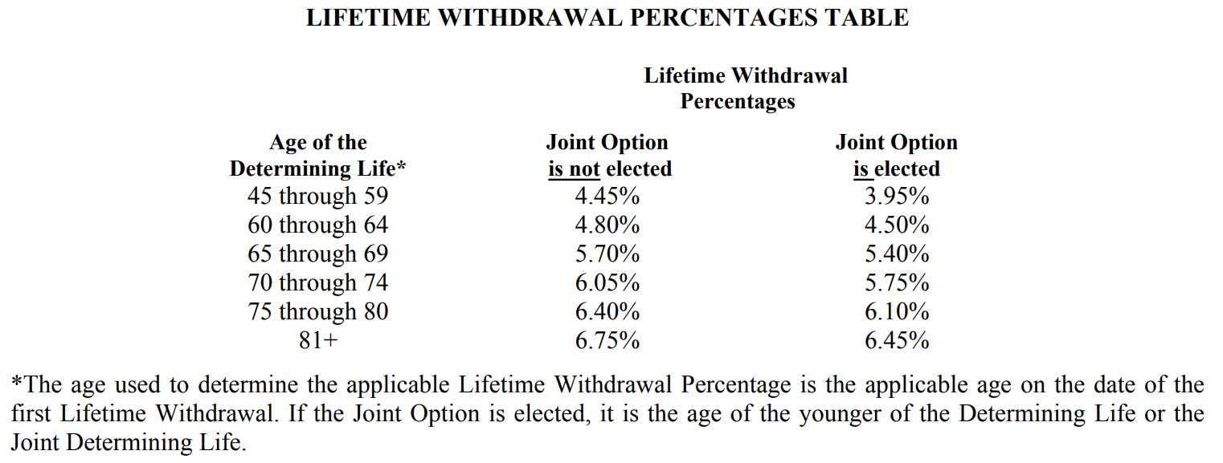

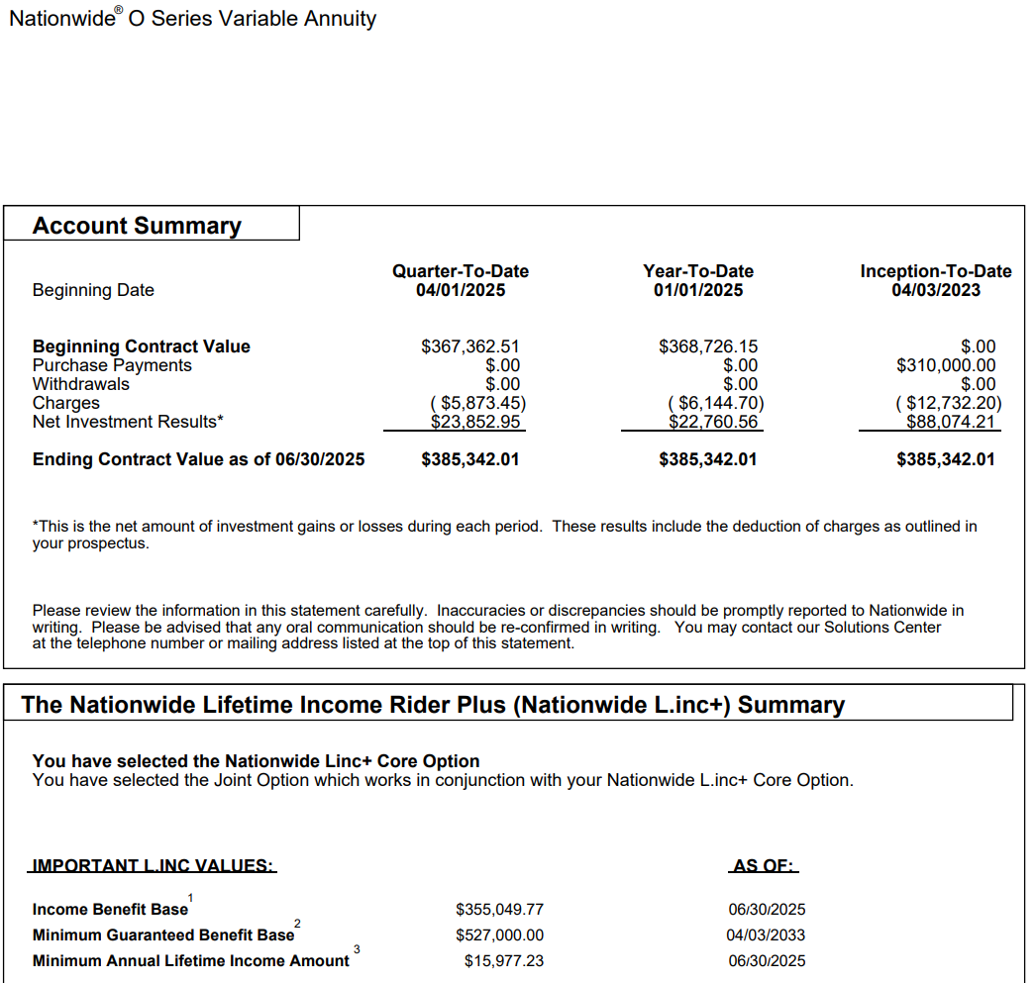

 |  |  | 7% per year on the base (not 7% on the current value)

 | Jo's age | if lock in on… | base | lifetime yearly | yearly increase
 | 61 |  | 310,000.00 |  | 21,700.00
 | 62+ | Apr-3-2025 | 355,049.77 | 15,977.24
 | 63+ | Apr-3-2026 | 375,100.00 | 16,879.50
 | 64+ | Apr-3-2027 | 396,800.00 | 17,856.00
 | 65+ | Apr-3-2028 | 418,500.00 | 22,599.00

that base moves around and is currently at 355050 for a yearly of 15977

guardrail_old
year | Bob age in Sep | starting portfolio balance | withdrawal amount before guardrail | withdrawal rate (%) before guardrail | withdrawal amount after guardrail | withdrawal rate (%) after guardrail | portfolio growth | ending portfolio balance | upper guardrail used | Average Inflation Rate | Average Investment Return | diff between current end balance and the same value of money in 2026 (positive means doing better than at start) |  | withdrawal to equal same dollars in 2026 |  |  |  | Warning for portfolio below 2026 dollars | ending portfolio in 2026 dollars | portfolio dropped below … warning

2025 | 64 | 1,400,000 | 65,800 | 4.70% | 65,800 | 4.70% | -61,502 | 1,272,698 |  | 3.6% | -4.4% | 0 |  | 65,800 | starting pct withdrawal | 0.047 |  | 1,035,529 | 1,227,480 | 0
2026 | 65 | 1,272,698 | 68,103 | 5.35% | 68,103 | 5.35% | 48,190 | 1,252,785 |  | 6.7% | 3.8% | -196,956 |  | 68,138 |  |  |  | 1,104,579 | 1,169,248 | 0
2027 | 66 | 1,252,785 | 70,487 | 5.63% | 70,487 | 5.63% | 97,340 | 1,279,638 |  | 3.4% | 7.8% | -266,773 |  | 72,681 | lower guardrail | 0.0376 |  | 1,141,830 | 1,236,483 | 0
2028 | 67 | 1,279,638 | 72,954 | 5.70% | 65,658 | 5.13% | 369,569 | 1,576,253 | 1 | -0.2% | 28.9% | -22,309 |  | 75,132 | upper guardrail | 0.0564 |  | 1,139,228 | 1,579,845 | 0
2029 | 68 | 1,576,253 | 67,956 | 4.31% | 67,956 | 4.31% | 197,279 | 1,705,576 |  | 5.0% | 12.5% | 110,657 |  | 74,961 |  |  |  | 1,195,968 | 1,620,629 | 0
2030 | 69 | 1,705,576 | 70,335 | 4.12% | 70,335 | 4.12% | 286,979 | 1,922,220 |  | 5.3% | 16.8% | 247,865 |  | 78,695 |  |  |  | 1,259,556 | 1,820,018 | 0
2031 | 70 | 1,922,220 | 72,797 | 3.79% | 72,797 | 3.79% | 40,940 | 1,890,364 |  | 8.4% | 2.1% | 126,985 |  | 82,879 | uses normal distribution for inflation and investment |  |  | 1,365,250 | 1,731,737 | 0
2032 | 71 | 1,890,364 | 75,344 | 3.99% | 75,344 | 3.99% | -72,834 | 1,742,185 |  | 2.5% | -3.9% | -169,165 |  | 89,833 |  |  |  | 1,399,261 | 1,698,784 | 0
2033 | 72 | 1,742,185 | 77,981 | 4.48% | 77,981 | 4.48% | 40,617 | 1,704,820 |  | 2.5% | 2.3% | -254,145 |  | 92,071 |  |  |  | 1,434,659 | 1,661,693 | 0
2034 | 73 | 1,704,820 | 80,711 | 4.73% | 80,711 | 4.73% | 326,047 | 1,950,157 |  | -1.9% | 19.1% | -58,366 |  | 94,401 | guardrail upper limit increase | 5.64% |  | 1,406,933 | 1,987,845 | 0
2035 | 74 | 1,950,157 | 83,536 | 4.28% | 83,536 | 4.28% | 33,256 | 1,899,877 |  | -1.9% | 1.7% | -69,829 |  | 92,576 | guardrail lower limit increase | 3.76% |  | 1,379,990 | 1,936,260 | 0
2036 | 75 | 1,899,877 | 86,459 | 4.55% | 86,459 | 4.55% | 284,065 | 2,097,483 |  | 4.8% | 15.0% | 165,497 |  | 90,803 |  |  |  | 1,446,810 | 1,995,921 | 0
2037 | 76 | 2,097,483 | 89,485 | 4.27% | 89,485 | 4.27% | 29,230 | 2,037,228 |  | -1.6% | 1.4% | 11,693 |  | 95,200 | inflation average (1975-2024) | 3.50% |  | 1,423,773 | 2,069,666 | 0
2038 | 77 | 2,037,228 | 92,617 | 4.55% | 92,617 | 4.55% | 78,559 | 2,023,170 |  | 6.0% | 3.9% | 29,887 |  | 93,684 | inflation std dev (1974-2024) | 2.90% |  | 1,509,183 | 1,901,803 | 0
2039 | 78 | 2,023,170 | 95,859 | 4.74% | 95,859 | 4.74% | 75,909 | 2,003,219 |  | 3.4% | 3.8% | -109,637 |  | 99,304 |  |  |  | 1,560,480 | 1,935,130 | 0
2040 | 79 | 2,003,219 | 99,214 | 4.95% | 99,214 | 4.95% | 282,826 | 2,186,831 |  | -2.0% | 14.1% | 2,159 |  | 102,680 | average retirement assets (50% stock, 50% bonds) (1975-2024) | 10.50% |  | 1,529,548 | 2,230,178 | 0
2041 | 80 | 2,186,831 | 102,687 | 4.70% | 102,687 | 4.70% | 245,123 | 2,329,267 |  | 0.8% | 11.2% | 187,900 |  | 100,644 | std dev retirement assets (50% stock, 50% bonds) (1975-2024) | 9.80% |  | 1,541,483 | 2,311,092 | 0
2042 | 81 | 2,329,267 | 106,281 | 4.56% | 106,281 | 4.56% | 304,515 | 2,527,502 |  | 7.2% | 13.1% | 369,425 |  | 101,430 |  |  |  | 1,652,311 | 2,345,782 | 0
2043 | 82 | 2,527,502 | 110,001 | 4.35% | 110,001 | 4.35% | 179,881 | 2,597,382 |  | 3.2% | 7.1% | 284,146 |  | 108,722 |  |  |  | 1,704,526 | 2,515,302 | 0
2044 | 83 | 2,597,382 | 113,851 | 4.38% | 113,851 | 4.38% | 259,781 | 2,743,312 |  | -0.8% | 10.0% | 356,976 |  | 112,158 | run counter | 2296802 |  | 1,690,267 | 2,766,261 | 0
2045 | 84 | 2,743,312 | 117,835 | 4.30% | 117,835 | 4.30% | -218,397 | 2,407,080 |  | 3.1% | -8.0% | 40,706 |  | 111,220 | smooth sailing ctr (no upper guardrail limit hit) | 1008309 | 43.9% | 1,742,315 | 2,332,958 | 0
2046 | 85 | 2,407,080 | 121,960 | 5.07% | 121,960 | 5.07% | 270,941 | 2,556,061 |  | 1.9% | 11.3% | 116,819 |  | 114,644 | failure (ending balance (2057) < warning# in 2026 dollars) | #NAME? | #NAME? | 1,775,989 | 2,506,660 | 0
2047 | 86 | 2,556,061 | 126,228 | 4.94% | 126,228 | 4.94% | 174,522 | 2,604,355 |  | 4.1% | 6.8% | 117,971 |  | 116,860 | success (ending balance (2057) < warning# in 2026 dollars) | #NAME? | #NAME? | 1,848,894 | 2,497,444 | 0
2048 | 87 | 2,604,355 | 130,646 | 5.02% | 130,646 | 5.02% | 442,227 | 2,915,936 |  | 5.4% | 17.0% | 327,484 |  | 121,657 | a portfolio below warning# in 2026 yr dollars during some year | 590423 | 25.7% | 1,948,329 | 2,759,114 | 0
2049 | 88 | 2,915,936 | 135,219 | 4.64% | 135,219 | 4.64% | 303,767 | 3,084,484 |  | 6.5% | 10.4% | 356,823 |  | 128,200 | volatile [make this "=now()" or "=rand()"] ; clear contents to reset the above counters, then "=now()" | 2/13/26 |  | 2,074,013 | 2,885,509 | 0
2050 | 89 | 3,084,484 | 139,951 | 4.54% | 139,951 | 4.54% | 348,754 | 3,293,287 |  | 1.9% | 11.3% | 389,668 |  | 136,470 |  |  |  | 2,113,601 | 3,230,426 | 0
2051 | 90 | 3,293,287 | 144,850 | 4.40% | 144,850 | 4.40% | 629,368 | 3,777,805 |  | 4.6% | 19.1% | 818,765 |  | 139,075 |  |  |  | 2,211,742 | 3,602,390 | 0
The Guyton-Klinger guardrails approach is a retirement withdrawal strategy developed by Jonathan Guyton and William Klinger in 2006. It was first published in an article in the FPA Journal. The strategy prescribes five rules that define how much one can draw annually.
Initial withdrawal rate: The Guyton-Klinger model says 99% of retirees can start with an initial draw rate of 5.2%-5.6%.
Upper guardrail: If the portfolio withdrawal rate falls 20% lower than the initial rate due to increases in the portfolio value, increase dollar withdrawals by 10%. This is known as the “Prosperity Rule.”
Lower guardrail: If the portfolio withdrawal rate rises 20% higher than the initial rate due to poor investment performance, reduce dollar withdrawals by 10%. This is known as the “Capital Preservation Rule.”
Inflation adjustments: Based on the Consumer Price Index (CPI), adjust withdrawals for inflation up to a 6% annual increase.
Longevity: When you expect to have 15 years or less remaining (I know, it's kind of morbid), you remove the lower guardrail rule.
2052 | 91 | 3,777,805 | 149,919 | 3.97% | 149,919 | 3.97% | -377,697 | 3,250,189 |  | 1.9% | -10.0% | 153,750 |  | 145,533 |  |  |  | 2,254,798 | 3,186,918 | 0
2053 | 92 | 3,250,189 | 155,167 | 4.77% | 155,167 | 4.77% | -58,509 | 3,036,514 |  | 0.8% | -1.8% | -120,203 |  | 148,366 |  |  |  | 2,273,513 | 3,011,310 | 0
2054 | 93 | 3,036,514 | 160,597 | 5.29% | 160,597 | 5.29% | 281,903 | 3,157,820 |  | 2.6% | 9.3% | -25,098 |  | 149,597 |  |  |  | 2,332,494 | 3,075,897 | 0
2055 | 94 | 3,157,820 | 166,218 | 5.26% | 166,218 | 5.26% | 619,179 | 3,610,780 |  | 4.7% | 19.6% | 345,288 |  | 153,478 |  |  |  | 2,441,050 | 3,442,733 | 0
2056 | 95 | 3,610,780 | 172,036 | 4.76% | 172,036 | 4.76% | 917,108 | 4,355,853 |  | 4.0% | 25.4% | 938,383 |  | 160,621 |  |  |  | 2,539,521 | 4,180,138 | 0
2057 | 96 | 4,355,853 | 178,057 | 4.09% | 178,057 | 4.09% | 21,481 | 4,199,276 |  | 6.9% | 0.5% | 643,947 |  | 167,100 |  |  |  | 2,713,809 | 3,911,078 | 0
2058 | 97 | 4,199,276 | 184,289 | 4.39% | 184,289 | 4.39% | 240,046 | 4,255,033 |  | 1.8% | 5.7% | 455,700 |  | 178,569 |  |  |  | 2,761,396 | 4,180,421 | 0
2059 | 98 | 4,255,033 | 190,739 | 4.48% | 190,739 | 4.48% | 174,037 | 4,238,331 |  | 2.8% | 4.1% | 372,377 |  | 181,700 |  |  |  | 2,837,400 | 4,121,676 | 0
2060 | 99 | 4,238,331 | 197,415 | 4.66% | 197,415 | 4.66% | 826,275 | 4,867,191 |  | 3.0% | 19.5% | 894,831 |  | 186,701 |  |  |  | 2,922,921 | 4,720,491 | 0
2061 | 100 | 4,867,191 | 204,325 | 4.20% | 204,325 | 4.20% | -223,292 | 4,439,574 |  | 1.3% | -4.6% | 347,485 |  | 192,328 |  |  |  | 2,960,295 | 4,382,807 | 0
2062 | 101 | 4,439,574 | 211,476 | 4.76% | 211,476 | 4.76% | 1,425,985 | 5,654,083 |  | 7.1% | 32.1% | 1,509,670 |  | 194,787 |  |  |  | 3,169,027 | 5,255,411 | 0

 |  |  | averages | 4.6225% |  | 4.6075% |  |  | 1 | 3.12% | 8.79% |  |  |  |  |  |  | num years below portfolio_min |  | 0

 |  |  |  |  | 10,000 runs | withdraw rt | success 1M | success 750K | success 500K | success 250K |  | 2057 portfolio below … warning in 2026 dollars
 |  |  |  |  |  | 3.75% | 98.2 | 99.2 | 99.9 | 100.00
if ITERATIONS don't work, check File-Options-Formulas |  |  |  |  |  | 4.00% | 97.0 | 99.1 | 99.8 | 100.00
 |  |  |  |  |  | 4.25% | 95.9 | 98.5 | 99.8 | 99.99 |  |  | 1,000,000 |  | 2057 minimum ending portfolio in 2026 dollars, lowest value | 691,858
 |  |  |  |  |  | 4.50% | 95.2 | 98.1 | 99.6 | 99.99
 |  |  |  |  |  | 4.70% | 93.5 | 97.2 | 99.5 | 99.99
 |  |  |  |  |  | 4.90% | 92.1 | 96.8 | 99.2 | 99.96
 |  |  |  |  |  | 5.00% | 90.8 | 96.2 | 98.8 | 99.95
 |  |  |  |  |  | 6.00% | 78.9 | 87.5 | 95.8 | 99.5
 |  |  |  |  |  | 7.00% | 57.7 | 71.1 | 85.9 | 97.1

