Value Customers
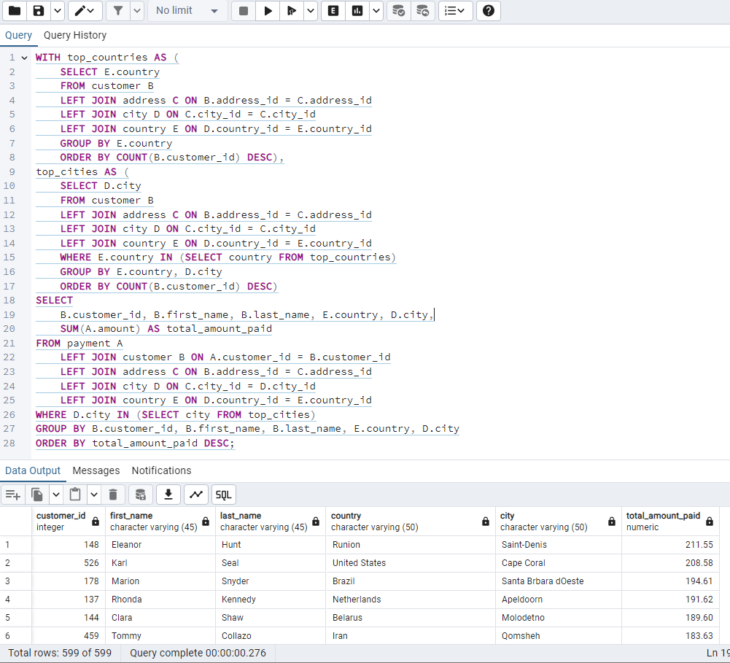
customer_id | first_name | last_name | country | city | total_amount_paid
148 | Eleanor | Hunt | Runion | Saint-Denis | 211.55
526 | Karl | Seal | United States | Cape Coral | 208.58
178 | Marion | Snyder | Brazil | Santa Brbara dOeste | 194.61
137 | Rhonda | Kennedy | Netherlands | Apeldoorn | 191.62
144 | Clara | Shaw | Belarus | Molodetno | 189.6
459 | Tommy | Collazo | Iran | Qomsheh | 183.63
181 | Ana | Bradley | United States | Memphis | 167.67
410 | Curtis | Irby | Canada | Richmond Hill | 167.62
236 | Marcia | Dean | Philippines | Tanza | 166.61
403 | Mike | Way | India | Valparai | 162.67
522 | Arnold | Havens | Philippines | Santa Rosa | 161.68
469 | Wesley | Bull | Spain | Ourense (Orense) | 158.65
470 | Gordon | Allard | Yemen | Hodeida | 157.69
373 | Louis | Leone | Philippines | Tanauan | 156.66
259 | Lena | Jensen | India | Halisahar | 154.7
468 | Tim | Cary | India | Bijapur | 154.66
462 | Warren | Sherrod | Russian Federation | Usolje-Sibirskoje | 152.69
372 | Steve | Mackenzie | Indonesia | Probolinggo | 152.68
187 | Brittany | Riley | Ukraine | Sumy | 151.73
550 | Guy | Brownlee | China | Zhoushan | 151.69
176 | June | Carroll | Algeria | Skikda | 151.68
532 | Neil | Renner | Vietnam | Cam Ranh | 149.69
75 | Tammy | Sanders | Taiwan | Changhwa | 149.61
209 | Tonya | Chapman | India | Bhilwara | 147.71
21 | Michelle | Clark | Bangladesh | Tangail | 146.68
26 | Jessica | Hall | Holy See (Vatican City State) | Citt del Vaticano | 146.68
86 | Jacqueline | Long | Thailand | Songkhla | 146.68
211 | Stacey | Montgomery | China | Fuyu | 146.67
346 | Arthur | Simpkins | Russian Federation | Maikop | 145.7
366 | Brandon | Huey | Turkey | Balikesir | 145.64
50 | Diane | Collins | Sudan | Omdurman | 144.7
360 | Ralph | Madrigal | Puerto Rico | Arecibo | 144.68
348 | Roger | Quintanilla | Taiwan | Hsichuh | 144.66
513 | Duane | Tubbs | Nauru | Yangor | 143.7
454 | Alex | Gresham | Mexico | Uruapan | 143.68
347 | Ryan | Salisbury | Latvia | Daugavpils | 142.7
390 | Shawn | Heaton | Thailand | Nakhon Sawan | 142.69
267 | Margie | Wade | China | Lengshuijiang | 142.67
257 | Marsha | Douglas | Mozambique | Beira | 142.66
39 | Debra | Nelson | Brazil | Vila Velha | 141.71
78 | Lori | Wood | India | Rae Bareli | 141.69
362 | Nicholas | Barfield | Brazil | Belm | 140.69
363 | Roy | Whiting | Kenya | Nyeri | 139.72
368 | Harry | Arce | Iran | Najafabad | 139.69
119 | Sherry | Marshall | Egypt | Shubra al-Khayma | 139.69
66 | Janice | Ward | Sweden | Malm | 139.67
237 | Tanya | Gilbert | South Korea | Naju | 138.69
29 | Angela | Hernandez | Japan | Shimonoseki | 138.65
87 | Wanda | Patterson | Colombia | Sincelejo | 137.72
80 | Marilyn | Ross | Nigeria | Ife | 137.7
439 | Alexander | Fennell | Italy | Bergamo | 137.67
558 | Jimmie | Eggleston | Poland | Wroclaw | 135.72
494 | Ramon | Choate | Ecuador | Robamba | 135.7
576 | Morris | Mccarter | Taiwan | Fengshan | 135.68
591 | Kent | Arsenault | Brazil | Juiz de Fora | 134.73
467 | Alvin | Deloach | Mexico | Cuauhtmoc | 134.72
479 | Zachary | Hite | United States | Akron | 134.71
210 | Ella | Oliver | Yemen | Aden | 134.7
120 | Sylvia | Ortiz | Colombia | Dos Quebradas | 134.7
204 | Rosemary | Schmidt | Turkey | Usak | 134.69
15 | Helen | Harris | India | Bhopal | 134.68
5 | Elizabeth | Brown | Taiwan | Nantou | 134.65
349 | Joe | Gilliland | Philippines | Imus | 133.72
404 | Stanley | Scroggins | Japan | Omiya | 133.71
172 | Bernice | Willis | Turkey | Batman | 133.7
197 | Sue | Peters | China | Changzhou | 133.68
265 | Jennie | Terry | Czech Republic | Olomouc | 132.72
533 | Jessie | Milam | China | Binzhou | 132.7
380 | Russell | Brinson | Poland | Tychy | 132.65
472 | Greg | Robins | Vietnam | Nam Dinh | 131.74
13 | Karen | Jackson | Turkey | Osmaniye | 131.73
46 | Catherine | Campbell | Russian Federation | Moscow | 131.69
125 | Ethel | Webb | South Africa | Boksburg | 131.69
3 | Linda | Williams | Greece | Athenai | 130.76
273 | Priscilla | Lowe | Mexico | Salamanca | 130.72
7 | Maria | Miller | Yugoslavia | Kragujevac | 130.72
502 | Brett | Cornwell | India | Siliguri (Shiliguri) | 130.7
342 | Harold | Martino | Brazil | Boa Vista | 130.68
566 | Casey | Mena | Turkey | Tokat | 130.68
112 | Rosa | Reynolds | United States | Lancaster | 129.72
560 | Jordan | Archuleta | Argentina | Avellaneda | 129.71
102 | Crystal | Ford | Israel | Ashdod | 129.7
168 | Regina | Berry | China | Jinchang | 129.68
484 | Roberto | Vu | China | Yinchuan | 128.73
242 | Glenda | Frazier | China | Qinhuangdao | 128.71
103 | Gladys | Hamilton | Nigeria | Ilorin | 128.71
84 | Sara | Perry | Mexico | Atlixco | 128.7
196 | Alma | Austin | Germany | Mannheim | 128.69
221 | Bessie | Morrison | Italy | Syrakusa | 127.73
448 | Miguel | Betancourt | Germany | Erlangen | 127.73
141 | Debbie | Reyes | Japan | Fukuyama | 127.69
520 | Mitchell | Westmoreland | Vietnam | Nha Trang | 127.69
38 | Martha | Gonzalez | Moldova | Chisinau | 127.66
200 | Jeanne | Lawson | Turkmenistan | Ashgabat | 126.74
206 | Terri | Vasquez | Brazil | Blumenau | 126.73
436 | Troy | Quigley | Canada | Vancouver | 126.73
146 | Jamie | Rice | United States | Sterling Heights | 126.73
108 | Tracy | Cole | Mexico | Huixquilucan | 126.72
114 | Grace | Ellis | Germany | Duisburg | 126.7
426 | Bradley | Motley | India | Purnea (Purnia) | 125.74
482 | Maurice | Crawley | Mexico | Coatzacoalcos | 125.74
295 | Daisy | Bates | Russian Federation | Kolpino | 125.72
147 | Joanne | Robertson | Japan | Urawa | 125.68
354 | Justin | Ngo | Brazil | Santo Andr | 125.67
45 | Janet | Phillips | Chile | Antofagasta | 124.74
89 | Julia | Flores | Argentina | La Plata | 124.71
198 | Elsie | Kelley | Nigeria | Ikerre | 124.68
129 | Carrie | Porter | China | Liaocheng | 124.66
300 | John | Farnsworth | India | Parbhani | 123.74
2 | Patricia | Johnson | United States | San Bernardino | 123.74
506 | Leslie | Seward | Indonesia | Pontianak | 123.72
371 | Billy | Poulin | Philippines | Cabuyao | 123.71
51 | Alice | Stewart | United States | Fontana | 123.7
27 | Shirley | Allen | Philippines | Davao | 123.7
30 | Melissa | King | Taiwan | Lungtan | 123.66
434 | Eddie | Tomlin | Philippines | Ozamis | 122.74
92 | Tina | Simmons | Brazil | Goinia | 122.74
535 | Javier | Elrod | Chad | NDjamna | 122.72
163 | Cathy | Spencer | Japan | Kakamigahara | 122.71
244 | Viola | Hanson | Philippines | Lapu-Lapu | 122.7
473 | Jorge | Olivares | Indonesia | Lhokseumawe | 122.69
508 | Milton | Howland | India | Vijayawada | 121.77
497 | Gilbert | Sledge | United Kingdom | York | 121.73
166 | Lynn | Payne | Malawi | Lilongwe | 121.73
438 | Barry | Lovelace | Zambia | Kitwe | 121.7
451 | Jim | Rea | Mexico | El Fuerte | 121.7
406 | Nathan | Runyon | Virgin Islands, U.S. | Charlotte Amalie | 121.69
491 | Rick | Mattox | Egypt | Mit Ghamr | 120.75
423 | Alfred | Casillas | Egypt | Sawhaj | 120.74
179 | Dana | Hart | Russian Federation | Kirovo-Tepetsk | 120.74
499 | Marc | Outlaw | Italy | Brindisi | 120.71
122 | Thelma | Murray | Peru | Lima | 120.7
59 | Cheryl | Murphy | India | Mysore | 119.76
389 | Alan | Kahn | China | Emeishan | 119.75
487 | Hector | Poindexter | Russian Federation | Pjatigorsk | 119.74
207 | Gertrude | Castillo | Greenland | Nuuk | 119.72
306 | Charles | Kowalski | Malaysia | Sungai Petani | 119.72
82 | Kathryn | Coleman | Ukraine | Simferopol | 118.76
41 | Stephanie | Mitchell | Armenia | Yerevan | 118.75
589 | Tracy | Herrmann | Ecuador | Loja | 118.75
565 | Jaime | Nettles | Peru | Hunuco | 118.73
128 | Marjorie | Tucker | Poland | Jastrzebie-Zdrj | 118.7
35 | Virginia | Green | France | Toulouse | 118.7
230 | Joy | George | Romania | Botosani | 118.69
285 | Miriam | Mckinney | Japan | Otsu | 117.77
583 | Marshall | Thorn | United Kingdom | Southampton | 117.77
585 | Perry | Swafford | Argentina | Quilmes | 117.76
421 | Lee | Hawks | India | Pudukkottai | 117.75
504 | Nathaniel | Adam | United States | Joliet | 117.75
573 | Byron | Box | Kazakstan | Zhezqazghan | 117.72
49 | Joyce | Edwards | Saudi Arabia | Jedda | 116.76
149 | Valerie | Black | United States | Brockton | 116.75
253 | Terry | Carlson | Japan | Miyakonojo | 116.74
274 | Naomi | Jennings | India | Karnal | 116.73
263 | Hilda | Hopkins | Philippines | Mandaluyong | 116.73
71 | Kathy | James | Philippines | Baybay | 116.72
356 | Gerald | Fultz | India | Satna | 116.71
56 | Gloria | Cook | French Polynesia | Papeete | 115.74
512 | Cecil | Vines | United Kingdom | London | 115.74
529 | Erik | Guillen | India | Bhimavaram | 115.72
393 | Philip | Causey | Russian Federation | Korolev | 115.71
158 | Veronica | Stone | United States | Greensboro | 115.7
279 | Dianne | Shelton | Iran | Tabriz | 114.76
54 | Teresa | Rogers | Japan | Iwakuni | 114.74
584 | Salvador | Teel | Gambia | Banjul | 114.73
262 | Patsy | Davidson | Ecuador | Portoviejo | 114.73
388 | Craig | Morrell | Philippines | Cavite | 114.72
107 | Florence | Woods | Argentina | Merlo | 114.72
1 | Mary | Smith | Japan | Sasebo | 114.7
433 | Don | Bone | Mozambique | Naala-Porto | 113.77
309 | Christopher | Greco | Italy | Brescia | 113.75
266 | Nora | Herrera | Austria | Salzburg | 113.74
302 | Michael | Silverman | China | Tiefa | 113.74
569 | Dave | Gardiner | China | Leshan | 113.73
139 | Amber | Dixon | Taiwan | Touliu | 113.73
416 | Jeffery | Pinson | Pakistan | Dadu | 113.72
314 | George | Linton | Brazil | Sorocaba | 113.71
260 | Christy | Vargas | China | Datong | 113.7
540 | Tyrone | Asher | Bulgaria | Ruse | 112.76
582 | Andy | Vanhorn | Mexico | Huejutla de Reyes | 112.76
63 | Ashley | Richardson | United States | Lincoln | 112.75
32 | Amy | Lopez | India | Jhansi | 112.74
131 | Monica | Hicks | Ukraine | Mukateve | 112.73
485 | Clyde | Tobias | China | Shaoguan | 112.72
453 | Calvin | Martel | Venezuela | Maracabo | 111.77
337 | Jerry | Jordon | Japan | Onomichi | 111.76
225 | Arlene | Harvey | India | Ambattur | 111.76
577 | Clifton | Malcolm | Taiwan | Tanshui | 111.74
579 | Daryl | Larue | Iraq | Mosul | 111.73
113 | Cindy | Fisher | Venezuela | Cuman | 111.73
173 | Audrey | Ray | Austria | Graz | 111.73
42 | Carolyn | Perez | Thailand | Pak Kret | 111.71
186 | Holly | Fox | India | Haldia | 111.71
592 | Terrance | Roush | Hungary | Szkesfehrvr | 111.71
531 | Jamie | Waugh | Japan | Kuwana | 110.77
495 | Charlie | Bess | China | Baiyin | 110.76
258 | Myrtle | Fleming | Dominican Republic | Santiago de los Caballeros | 110.76
515 | Andre | Rapp | Chile | Coquimbo | 110.74
213 | Gina | Williamson | Yemen | Taizz | 110.73
154 | Michele | Grant | China | Yuncheng | 110.73
559 | Everett | Banda | Egypt | Bilbays | 110.72
90 | Ruby | Washington | China | Meixian | 110.72
595 | Terrence | Gunderson | China | Jinzhou | 110.71
241 | Heidi | Larson | China | Xiangfan | 110.68
170 | Beatrice | Arnold | India | Udaipur | 109.77
536 | Fernando | Churchill | South Korea | Tonghae | 109.77
575 | Isaac | Oglesby | Mexico | Cuernavaca | 109.76
16 | Sandra | Martin | United Kingdom | Southend-on-Sea | 109.75
220 | Charlene | Alvarez | Tanzania | Zanzibar | 109.75
376 | Randy | Gaither | Russian Federation | Kurgan | 109.73
447 | Clifford | Bowens | Russian Federation | Nabereznyje Telny | 109.73
538 | Ted | Breaux | China | Baicheng | 109.73
446 | Theodore | Culp | India | Uluberia | 109.72
481 | Herman | Devore | Tanzania | Mwanza | 109.72
386 | Todd | Tan | Ukraine | Kamjanets-Podilskyi | 109.72
424 | Kyle | Spurlock | China | Shanwei | 109.71
284 | Sonia | Gregory | Nigeria | Benin City | 108.78
594 | Eduardo | Hiatt | China | Jining | 108.77
277 | Olga | Jimenez | Nigeria | Ogbomosho | 108.76
590 | Seth | Hannon | Bahrain | al-Manama | 108.76
334 | Raymond | Mcwhorter | Azerbaijan | Sumqayit | 108.75
518 | Gabriel | Harder | Turkey | Sivas | 108.75
574 | Julian | Vest | Japan | Akishima | 108.73
239 | Minnie | Romero | Indonesia | Ciomas | 108.72
167 | Sally | Pierce | India | Chandrapur | 108.71
293 | Mae | Fletcher | Spain | Donostia-San Sebastin | 107.79
571 | Johnnie | Chisholm | Poland | Plock | 107.78
427 | Jesus | Mccartney | Brazil | Guaruj | 107.77
332 | Stephen | Qualls | Bangladesh | Dhaka | 107.74
145 | Lucille | Holmes | South Africa | Soshanguve | 107.73
441 | Mario | Cheatham | Algeria | Batna | 107.73
588 | Marion | Ocampo | China | Weifang | 107.73
157 | Darlene | Rose | North Korea | Pyongyang | 107.71
254 | Maxine | Silva | Brazil | Poos de Caldas | 107.7
418 | Jeff | East | Dominican Republic | San Felipe de Puerto Plata | 107.7
91 | Lois | Butler | Brunei | Bandar Seri Begawan | 107.66
477 | Dan | Paine | United Kingdom | Stockport | 106.79
343 | Douglas | Graf | Mexico | Mexicali | 106.77
240 | Marlene | Welch | Japan | Iwaki | 106.77
155 | Gail | Knight | Switzerland | Bern | 106.76
234 | Claudia | Fuller | Kuwait | Jalib al-Shuyukh | 106.75
471 | Dean | Sauer | South Africa | Johannesburg | 106.74
116 | Victoria | Gibson | Indonesia | Pemalang | 106.74
23 | Sarah | Lewis | Latvia | Liepaja | 106.73
457 | Bill | Gavin | United States | Rockford | 106.73
160 | Erin | Dunn | Russian Federation | Ljubertsy | 106.73
52 | Julie | Sanchez | Spain | A Corua (La Corua) | 106.72
138 | Hazel | Warren | China | Hohhot | 106.68
490 | Sam | Mcduffie | Colombia | Sogamoso | 105.78
331 | Eric | Robert | Argentina | Santa F | 105.78
127 | Elaine | Stevens | Russian Federation | Smolensk | 105.78
294 | Shelly | Watts | United States | Dayton | 105.77
193 | Katie | Elliott | Kenya | Kisumu | 105.77
400 | Bryan | Hardison | United States | Dallas | 105.76
58 | Jean | Bell | Malaysia | Kuching | 105.76
396 | Earl | Shanks | Japan | Iwatsuki | 105.74
40 | Amanda | Carter | Morocco | Nador | 105.74
96 | Diana | Alexander | United States | Augusta-Richmond County | 105.73
444 | Marcus | Hidalgo | Estonia | Tartu | 105.72
28 | Cynthia | Young | India | Munger (Monghyr) | 105.7
345 | Carl | Artis | Paraguay | San Lorenzo | 104.79
493 | Brent | Harkins | Turkey | Sultanbeyli | 104.78
289 | Violet | Rodriquez | Hong Kong | Kowloon and New Kowloon | 104.76
121 | Josephine | Gomez | India | Etawah | 104.75
171 | Dolores | Wagner | Malaysia | Ipoh | 104.75
31 | Brenda | Wright | India | Kamarhati | 104.74
407 | Dale | Ratcliff | South Africa | Rustenburg | 104.74
25 | Deborah | Walker | Pakistan | Shikarpur | 104.73
397 | Jimmy | Schrader | Russian Federation | Atinsk | 104.72
442 | Leroy | Bustamante | China | Tongliao | 104.71
341 | Peter | Menard | Netherlands | Ede | 103.78
280 | Tracey | Barrett | Nigeria | Owo | 103.77
296 | Ramona | Hale | India | Patiala | 103.77
214 | Kristin | Johnston | United States | Sunnyvale | 103.74
245 | Courtney | Day | South Korea | Uijongbu | 103.74
202 | Carla | Gutierrez | India | Bhusawal | 103.74
20 | Sharon | Robinson | Pakistan | Mardan | 103.73
408 | Manuel | Murrell | Sri Lanka | Jaffna | 103.73
292 | Misty | Lambert | United Arab Emirates | Sharja | 102.78
510 | Ben | Easter | Russian Federation | Kamyin | 102.77
553 | Max | Pitt | Yugoslavia | Novi Sad | 102.77
98 | Lillian | Griffin | United Arab Emirates | al-Ayn | 102.76
587 | Sergio | Stanfield | Mexico | Celaya | 102.76
190 | Yolanda | Weaver | Tanzania | Tabora | 102.75
126 | Ellen | Simpson | Brazil | Po | 102.75
44 | Marie | Turner | Russian Federation | Lipetsk | 101.79
466 | Leo | Ebert | China | Dongying | 101.78
100 | Robin | Hayes | Russian Federation | Jelets | 101.77
593 | Rene | Mcalister | United States | Garden Grove | 101.76
405 | Leonard | Schofield | Argentina | Tandil | 101.7
486 | Glen | Talbert | Mexico | Acua | 100.77
...

