START
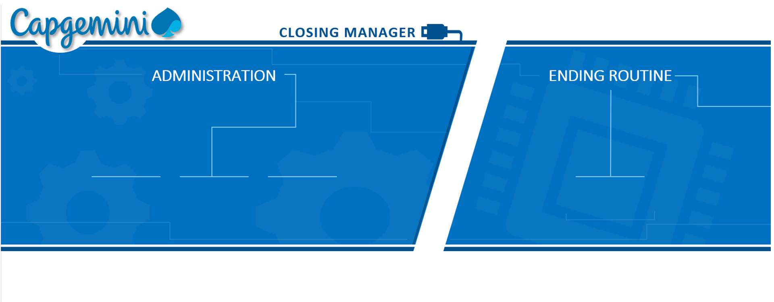







Created by: Paweł Latocha / 2019

Preflight
Closing Manager — Preflight Check

Check that everything this workbook needs is in place — before you start a month-end close.

RUN PREFLIGHT CHECK
Safe to run at any time. This check only reads: it starts no close, creates no folders and writes no files.

WHAT IT CHECKS
Workbook location — must be a real local folder, not OneDrive / SharePoint
Working drive — the drive holding the \pdf\ working folders
SAP GUI session — open, logged in, scripting enabled
PDFCreator — installed, printer named exactly PDFCreator
PDF merger — GiosPSMC.exe present, or reachable on the network share
Cost Centre — config!B2 is filled in

You can also run it from Alt + F8 → PreflightCheck → Run. · Closing Manager V4-CIO · Continuous Improvement Team

Error handling
Common error in DEBUG:
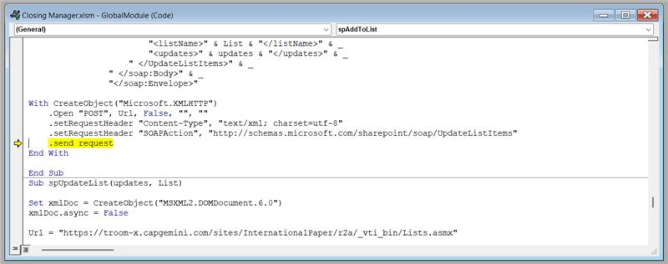

Solution:
Check SM35 transaction - if there is error in session with your username (company code included in the session name) you have to correct the error first
If all sessions in SM35 are processed, you can move the arrow to the next line and resume the macro

SM35 if everything is alright:

SM35 if there is an error to be processed:

Double click on the session to see the error message

The error message will probably say X to Y error
This type of error means that profit center is blocked.
A person with access to ZGE1060 can remove the block
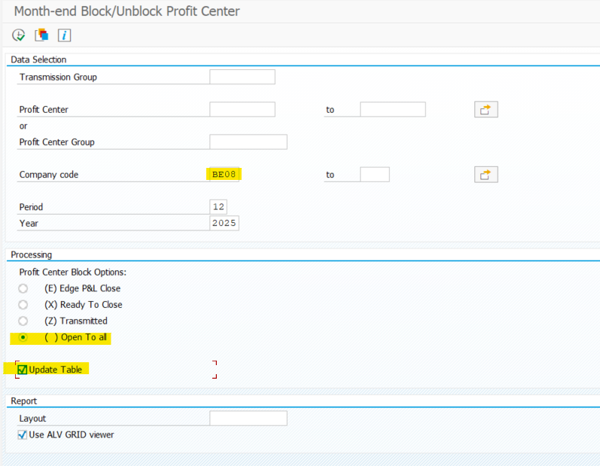

Once the block is removed, the session in SM35 can be processed with the following settings:
Highlight the session with error and click on process:

Select Display errors only and click on process
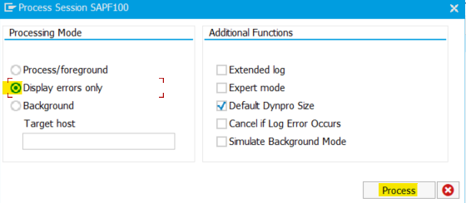

After the error is processed, the closing jobs need to be completed manually.

If macro shows errors in the ERROR tab, you need to review the errors and decide if the closing jobs can be run or if the corrections are necessary.

Possible error:

Msg type | Meaning | Action
W | Warning | Warnings can be ignored - no impact on month-end jobs
E | Error | Errors for non-transmitted profit centers can be ignored. Errors for transmitted profit centers must be corrected.

Transmit | Meaning
1 | transmitted PC
0 | non-transmitted PC

To process the month-end jobs with the allowed errors - run the macro again.

Blank PC errors:
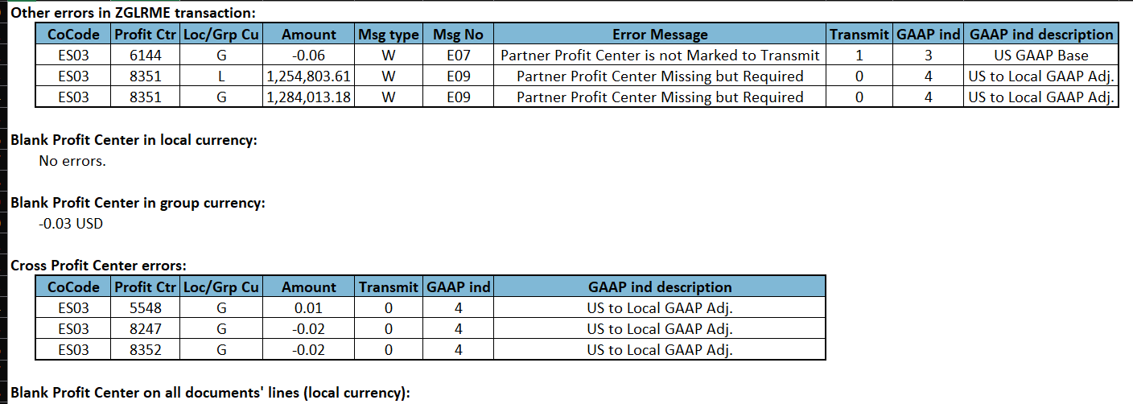

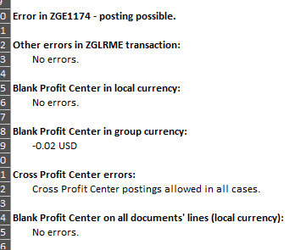

Blank profit center error is only allowed for non-transmitted profit centers

Macro sometimes recognize there is X to Y error:
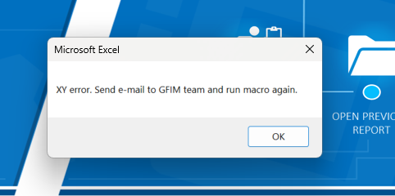

Process as described before.

Whenever SAP system message is populated, it will interrupt the macro:
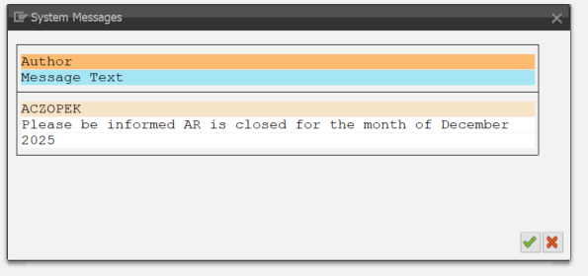

To process, close the system message, move the code line to the previous row and resume the macro

