Sheet1
 | Sim: |  | 2 |  |  | GRADING RUBRIC AND FEEDBACK FORM

 | PROGRAMMER SECRET ID: |  |  |  |  | 542093 |  | GRADER SECRET ID: | 651680

 |  |  | Grading annotation is REQUIRED where lines are provided - At least all four lines must be filled in with empirical evidence

 | Programmer Self-Grade Column | Grader Column
 |  |  | Read this before grading
 |  |  | All grading must be supported by clear, factual evidence, meaning you MUST use at least one of the following strategies:
 |  |  |  | - Identify line numbers of graded items, then reference these from the grading text
 |  |  |  | - Embed screen shots, then reference these from the grading text
 |  |  | You must also identify SPECIFIC function names and/or code snippets of items upon which you based your grading
 |  |  | You must also fill out AT LEAST the four lines of commentary under each grading segment; you are invited to insert new lines but the minimum is four

 |  |  | Clear Evidence of PA02 Components
 |  |  | If there is no evidence of an attempt to implement any of the PA02 requirements,
 |  |  | the grade for the programming part of this rubric will be zero.
 |  |  | Code must show at least one of the following items (place an 'X' beside each item found):
 |  |  | x | Code must CLEARLY show uncommented code for PCB use in process operations
 |  |  | x | Code must CLEARLY show the use of threads for I/O operations
 |  |  | x | Code must CLEARLY show uncommented code for processing all of the op code actions

 |  |  | Quality Development and Building Process
 |  |  |  | Enter grade as positive number

 | 2 | 2 | /2 | Correct file format
 | 2 | 2 | /2 | Correctly extracts
 | 2 | 2 | /2 | makes (builds to executable) without any corrections or adjustments
 | 2 | 2 | /2 | no unnecessary files (object files, config or meta-data files, etc.)
 | 2 | 2 | /2 | no unused library files or other files
 | Subtotal: | 10 | 10
 |  |  |  | Comments (add lines as needed):
 |  |  |  | The code is corrected packed into a tarball. The tarball can be extracted correctly with no issues.
 |  |  |  | There are no extra or unnecessary files included in the folder. All files are properply formatted.
 |  |  |  | Using the given makefile, the code builds correctly with no warnings, errors, or corrections.
 |  |  |  | There are no unused libraries or other files.

 |  |  | Program Source Code Easily Readable & Understandable
 |  |  |  | use Programming Standards Guide as a reference
 |  |  |  | Enter grade as positive number
 |  |  |  | Note: Do not increase or reduce credit for commenting unless use (or lack) of comments
 |  |  |  |  | directly takes away from program readability

 | 37 | 35 | /40 | Standards:
 | Subtotal: | 35 | 40 | < 5 pts: Difficult or impossible to read or understand, poor indenting and program structure
 |  |  |  | < 10 pts: Some parts difficult to read or have poor structure, but some program parts are clear
 |  |  |  | < 30 pts: Some parts difficult to read or have poor structure, but overall program process is clear
 |  |  |  | < 40 pts: Program is written and structured clearly, all parts are quickly and easily understood

 |  |  |  | Comments (add lines as needed):
 |  |  |  | For the most part, the code is well structured and clear in its purpose and function.
 |  |  |  | The code makes proper use of indenting, structuring, and comments to allow a reader to
 |  |  |  | easily comprehend code, as well as to find and locate code when needed. There are a few
 |  |  |  | sections, such as in ProcessOps.C, line 100, where code might be structured better, but overall
 |  |  |  | the code is functional and well structured.

 |  |  | Quality Program Development
 |  |  |  | Enter grade as positive number

 | 5 | 5 | /5 | Program and code are structured well
 | 5 | 5 | /5 | Functions are appropriately used to support program modularity
 | 5 | 5 | /5 | Code is efficient and is not repeated unnecessarily (i.e., very little or no duplicated code)
 | 5 | 5 | /5 | It is clear which file a given support function will be found in
 | Subtotal: | 20 | 20
 |  |  |  | Comments (add lines as needed):
 |  |  |  | As noted above, the program and code are well structured. All functions work together in a way
 |  |  |  | which supports modularity, and supporting functions are placed in an appropriate file.
 |  |  |  | The code is efficiently structured, and at first glance there is no apparent indication of
 |  |  |  | code being repeated unnecessarily.

 |  |  | Creation and appropriate use of a PCB (Code reading only)
 |  |  |  | Enter grade as positive number
 | 5 | 5 | /5 | The PCB is created as its own unique structure
 | 5 | 5 | /5 | One PCB is implemented and used for each process
 | 5 | 5 | /5 | Every PCB contains at least a process ID value, although it is expected that it will hold other values
 |  | 15 | 15
 |  |  |  | Comments (add lines as needed):
 |  |  |  | The code appropriately takes in a list of metadata and builds PCBs as expected. Each PCB
 |  |  |  | is assigned its own PID, as well as other member fields as appropriate, and each process
 |  |  |  | is assigned to exactly one PCB. There is no indication that processes or PCBs overlap, and
 |  |  |  | each PCB manages its own process and state as expected.

 |  |  | Program management, prior to running program (Code reading only)
 |  |  |  | Enter grade as positive number
 | 5 | 5 | /5 | Program is capable of managing any number of processes, each with any number of op codes
 | 5 | 5 | /5 | Program is capable of displaying solely to monitor, outputting solely to a file, or to both
 | 5 | 5 | /5 | Program displays specified message if outputting solely to a file
 | 5 | 5 | /5 | Program is capable of conducting FCFS operations
 | 5 | 5 | /5 | Program is capable of showing the four possible states, including changes
 | 5 | 5 | /5 | Program shows appropriate times as demonstrated in the example displays
 | 5 | 5 | /5 | Program is capable of displaying beginning and end of all I/O operations
 | Subtotal: | 35 | 35
 |  |  |  | Comments (add lines as needed):
 |  |  |  | The program should be capable of running any number of processes, each with any given
 |  |  |  | number of op codes. The program can output to File, Monitor, or Both, and displays a message
 |  |  |  | if running only to file. It can conduct FCFS operations, manage and display the states, and
 |  |  |  | correctly outputs the timestamps for each operation, as well as showing beginning and ends.

 |  |  | Correct use of threads for I/O operations; use of threads for run operations is optional (Code reading only)
 |  |  |  | No credit for this part if threads are not used and/or if sleep, usleep, nanosleep, etc. are used
 |  |  |  | Enter grade as positive number

 | 5 | 5 | /5 | Clear and correct implementation of a timer function
 | 5 | 5 | /5 | Clear and correct call to thread for all I/O operations
 | 5 | 5 | /5 | Clear and correct call to thread join operation
 | Subtotal: | 15 | 15
 |  |  |  | Comments (add lines as needed):
 |  |  |  | The program makes use of a timer function to implement the timing features of the program.
 |  |  |  | Additionally, the program uses pthreads to implement a separate thread for use in I/O ops.
 |  |  |  | When given an IO operation, the program will correctly fork it to a separate thread, perform the
 |  |  |  | work, and correctly join the thread back into the main process.

 |  |  | Correct running operations
 |  |  |  | No credit for this part if code cannot be compiled and/or run
 |  |  |  | Enter grade as positive number

 | 5 | 5 | /5 |  | one test with three processes, output to display
 | 5 | 5 | /5 |  | one test with six processes, output to file
 | 5 | 5 | /5 |  | one test with twelve processes, output to both
 | Subtotal: | 15 | 15

 |  |  |  | Code compiles and runs as expected. For each test of three, six, and twelve processes
 |  |  |  | respectively, the program is able to run as expected with no major issues. Additionally,
 |  |  |  | the settings for outputting to File, Display, or Both produce the expected outcomes. Overall,
 |  |  |  | all requirements of this section are met as expected.
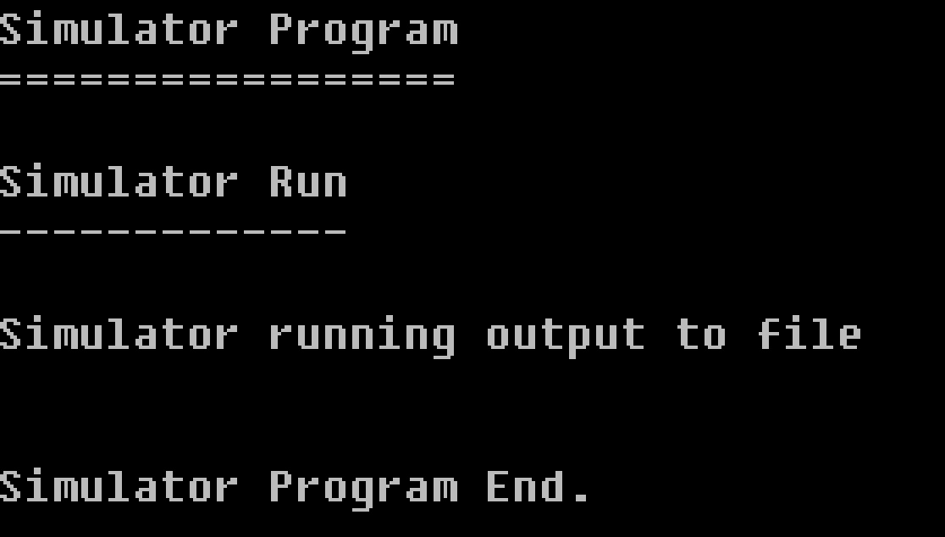

 |  |  | Grade Reductions
 |  |  |  | Each reduction is on a per occasion case (i.e., five single-letter variables is -5)
 |  |  |  | Enter grade as negative number

 | 0 | 0 | -1/ | single-letter or non-self-documenting variable
 | 0 | 0 | -1/ | missing or non-aligned curly braces
 | 0 | 0 | -1/ | redundant Boolean test
 | 0 | 0 | -2/ | second, or subsequent, if statement that should logically be else
 | 0 | 0 | -2/ | data/state change in parameter lists or array brackets
 | 0 | 0 | -2/ | declaration of variable within a loop (including for(---)
 | 0 | 0 | -2/ | use of if/else in place of Boolean return statement
 | 0 | 0 | -2/ | code on same line as curly brace, other than data type creation
 | 0 | 0 | -2/ | use of numbers where Boolean should be used
 | 0 | 0 | -2/ | use of numerical literals in parameter lists or array brackets
 | 0 | 0 | -2/ | use of break anywhere but in a switch statement
 | 0 | 0 | -3/ | use of return without return value
 | 0 | 0 | -3/ | use of continue or goto anywhere
 | 0 | 0 | -3/ | I/O operations in a function not specified for I/O
 | 0 | 0 | -3/ | use of functions in parameter lists or array brackets
 | 0 | 0 | -3/ | use of empty if or else statement blocks
 | 0 | 0 | -3/ | use of tabs that causes difficulty reading code
 | 0 | 0 | -20/ | output to file is not conducted after completion of the simulation
 | 0 | 0 | -25/ | use of sleep, usleep, nanosleep, etc.
 | Subtotal: | 0 | 0

 |  |  | Valgrind memory test
 |  |  |  | Enter grade as negative number

 | 0 | 0 |  | Credit reduction of -1 (up to -10 points) for "definitely lost" memory blocks
 | Subtotal: | 0 | 0 |  | - Note: No other Valgrind errors are considered
 |  |  |  |  | - Note: If no "definitely lost" memory blocks, reduction is zero

 |  |  | Assignment Specification or Constraint Not Met

 | 0 | 0 | --- | Failed to include grading spreadsheet in tar/gz file (-10)
 | 0 | 0 | --- | Incorrect file name (-10)
 | 0 | 0 | --- | Incorrect file compression (-10)
 | 0 | 0 | --- | Outputs to file during simulator operation (-10)
 | 0 | 0 | --- | Use of any str- or other disallowed utilities (-15% of raw subtotal)
 | 0 | 0 | --- | Use of any other disallowed functions or tools (-15% of raw subtotal)
 | 0 | 0 | --- | Other evidence of specification or constraint not met (Check with Michael)
 | Subtotal: | 0 | 0
 |  |  |  | All constraints are met, and none of these given sections are applicable.

 | Instructor Grade Management - No student input below this line

 | Raw Subtotal |  |  |  | 145 | / | 150
 | Normalized |  |  |  | 97 | / | 100
 |  |  |  |  |  |  |  | Not turned in: 0 and 50% reduction of programming grade
 |  |  | /25 |  | Grader Score |  |  | Poor grading, minimal comments: 0 and 25% reduction of programming grade

1 | Total Score: |  |  |  | 97 | / | 125

