Sheet1
 | Sim: |  | 2 |  |  | GRADING RUBRIC AND FEEDBACK FORM

 | PROGRAMMER SECRET ID: |  |  |  |  | 651680 |  | GRADER SECRET ID: | 550592

 |  |  | Grading annotation is REQUIRED where lines are provided - At least all four lines must be filled in with empirical evidence

 | Programmer Self-Grade Column | Grader Column
 |  |  | Read this before grading
 |  |  | All grading must be supported by clear, factual evidence, meaning you MUST use at least one of the following strategies:
 |  |  |  | - Identify line numbers of graded items, then reference these from the grading text
 |  |  |  | - Embed screen shots, then reference these from the grading text
 |  |  | You must also identify SPECIFIC function names and/or code snippets of items upon which you based your grading
 |  |  | You must also fill out AT LEAST the four lines of commentary under each grading segment; you are invited to insert new lines but the minimum is four

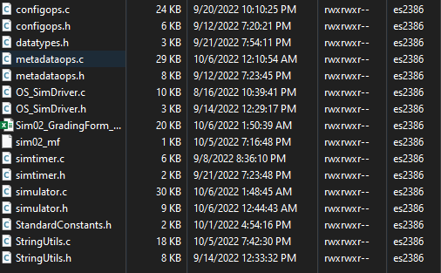
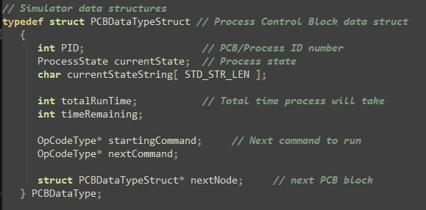
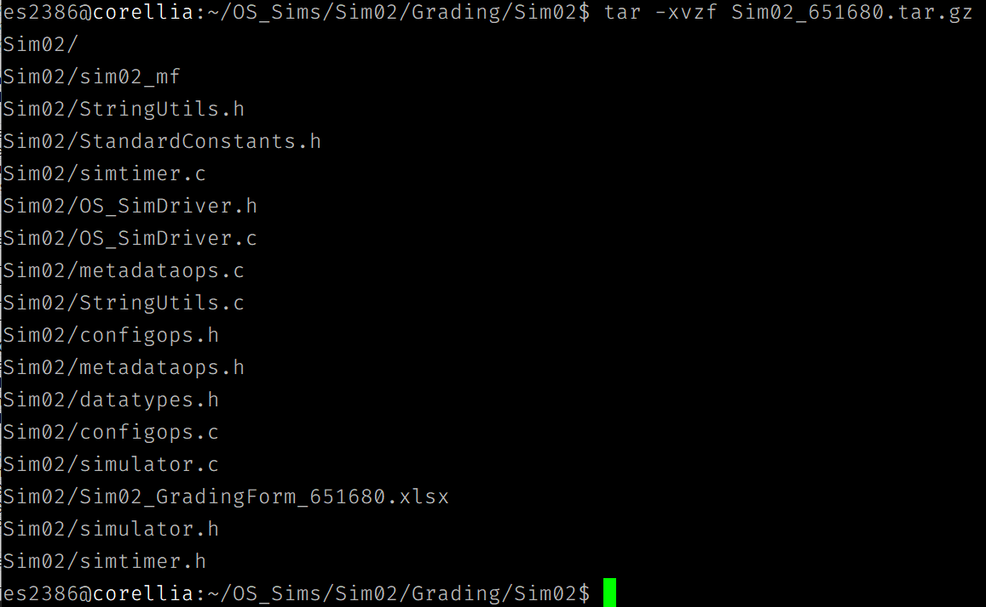
 |  |  | Clear Evidence of PA02 Components
 |  |  | If there is no evidence of an attempt to implement any of the PA02 requirements, |  |  |  |  |  |  |  |  |  | This picture shows the contents of the PCB Data Struct |  |  |  | File extracts correctly |  |  | No use of unecessary files and proper files located in extracted file.
 |  |  | the grade for the programming part of this rubric will be zero. |  |  |  |  |  |  | These pictures show the use of threads
 |  |  | Code must show at least one of the following items (place an 'X' beside each item found):
 |  | x |  | Code must CLEARLY show uncommented code for PCB use in process operations
 |  | x |  | Code must CLEARLY show the use of threads for I/O operations
 |  | x |  | Code must CLEARLY show uncommented code for processing all of the op code actions

 |  |  | Quality Development and Building Process
 |  |  |  | Enter grade as positive number
 |  |  |  |  |  |  |  |  |  | Proper file extension
 | 2 | 2 | /2 | Correct file format
 | 2 | 2 | /2 | Correctly extracts
 | 2 | 2 | /2 | makes (builds to executable) without any corrections or adjustments
 | 2 | 2 | /2 | no unnecessary files (object files, config or meta-data files, etc.)
 | 2 | 2 | /2 | no unused library files or other files
 | Subtotal: | 10 | 10
 |  |  |  | Comments (add lines as needed):
 |  |  |  | After opening the email for the grading of Sim02, it can be found that the attached file has the proper
 |  |  |  | format( as seen in the picture ). When running the extraction command for the tar file, it is seen per
 |  |  |  | the picture provided that all files extract correctly and there are no errors or warnings with the extraction.
 |  |  |  | After further inspection of the extracted files it can be seen that the .h, .c, the grading sheet and the
 |  |  |  | make file are all properly found in the extracted file. Furthermore, the PCB Data Struct can be found
 |  |  |  | in the simulator.h on lines 15-28 (Picture provided for contents of struct). Finally, while looking through
 |  |  |  | code it can be found that there was use of threads in the program per the pictures provided (lines 531-534).

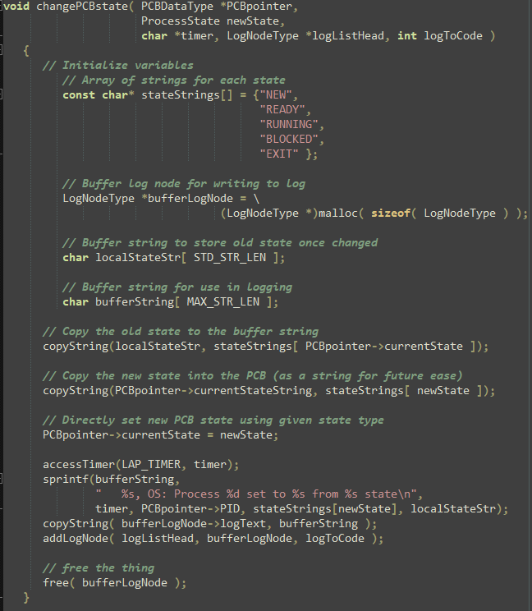
 |  |  |  |  |  |  |  |  |  |  | All function descriptions look like this. |  |  | Example of clean, organized function, easy to read. |  |  |  | Example of clean, organized function, easy to read.
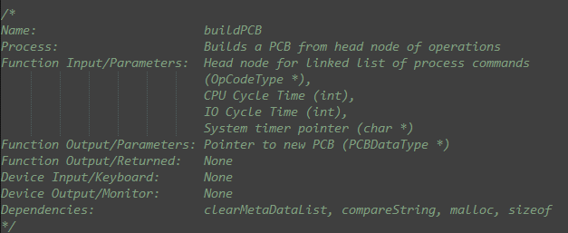
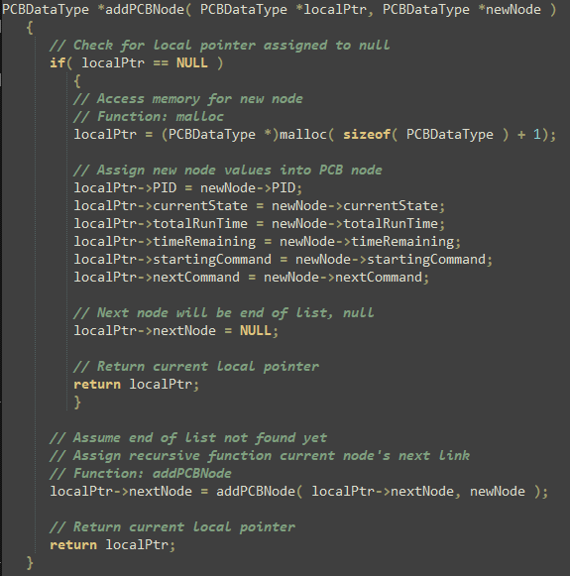
 |  |  | Program Source Code Easily Readable & Understandable
 |  |  |  | use Programming Standards Guide as a reference
 |  |  |  | Enter grade as positive number
 |  |  |  | Note: Do not increase or reduce credit for commenting unless use (or lack) of comments
 |  |  |  |  | directly takes away from program readability

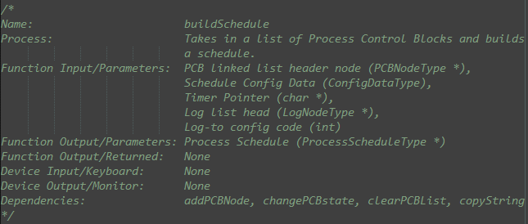
 | 35 | 40 | /40 | Standards:
 | Subtotal: | 40 | 40 | < 5 pts: Difficult or impossible to read or understand, poor indenting and program structure
 |  |  |  | < 10 pts: Some parts difficult to read or have poor structure, but some program parts are clear
 |  |  |  | < 30 pts: Some parts difficult to read or have poor structure, but overall program process is clear
 |  |  |  | < 40 pts: Program is written and structured clearly, all parts are quickly and easily understood

 |  |  |  | Comments (add lines as needed):
 |  |  |  | The reason I decided to give the programmer all 40 points for this section is because all their code
 |  |  |  | is shown to be well structure and easy to read. For instance, as seen in the pictures, there is enough
 |  |  |  | white space between each line of code which allows for each line to be easily ledgible. Moreover,
 |  |  |  | Another reason the functions are very easy to read is because each line of code has its own
 |  |  |  | descriptive comment, that briefly and thoroughly details what the line of code is doing. Finally, at the
 |  |  |  | beginning of each function, there is found a detailed description of what the function does, as well as,
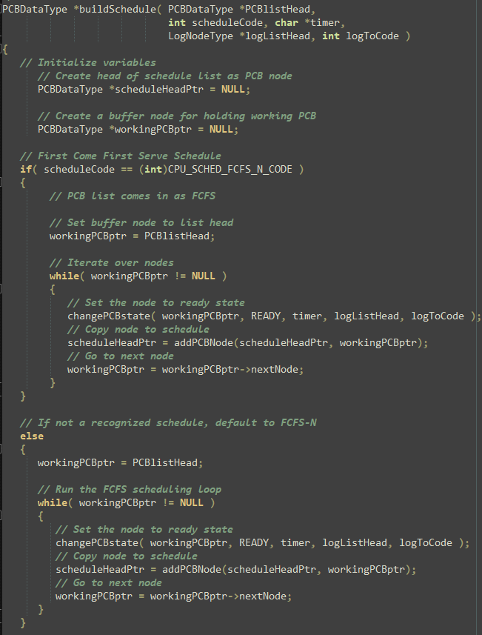
 |  |  |  | input parameters, outputs and links to other functions (dependencies).
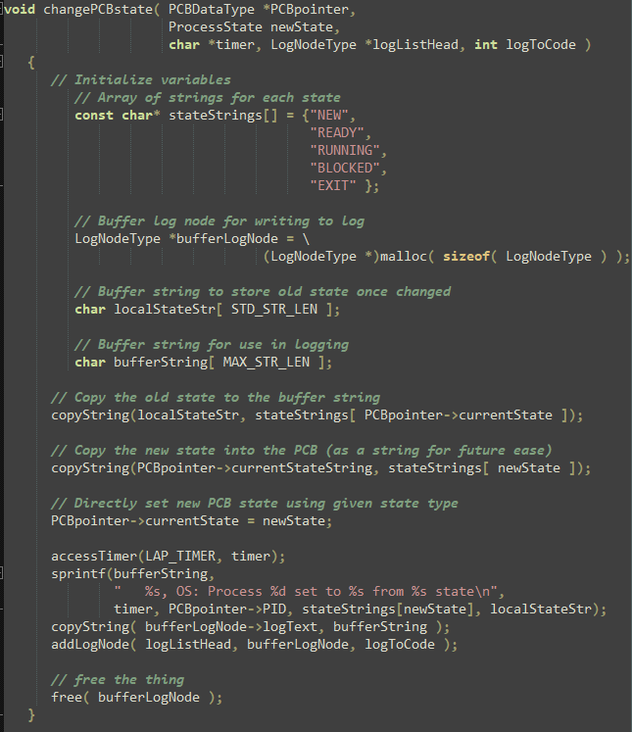

 |  |  | Quality Program Development
 |  |  |  | Enter grade as positive number

 | 5 | 5 | /5 | Program and code are structured well
 | 5 | 5 | /5 | Functions are appropriately used to support program modularity
 | 4 | 5 | /5 | Code is efficient and is not repeated unnecessarily (i.e., very little or no duplicated code)
 | 5 | 5 | /5 | It is clear which file a given support function will be found in
 | Subtotal: | 20 | 20
 |  |  |  | Comments (add lines as needed):
 |  |  |  | As seen in the pictures on the right, the code for all functions is structured properly meaning there is
 |  |  |  | no code net to brackets, no bunched up lines of code(unless necessary), proper white space between
 |  |  |  | the lines and proper indentations for brackets and different statements. There can also be seen proper
 |  |  |  | indentation and spacing for the parameters of functions and statements such as loops and if statements.
 |  |  |  | Moreover, in areas of the code where lists or new variables are created, there is proper spacing and
 |  |  |  | and alignment as can be seen in the boxes to the right.

 |  |  |  |  |  |  |  |  |  |  | PCB Structure |  |  | Function made to run one PCB for each Process
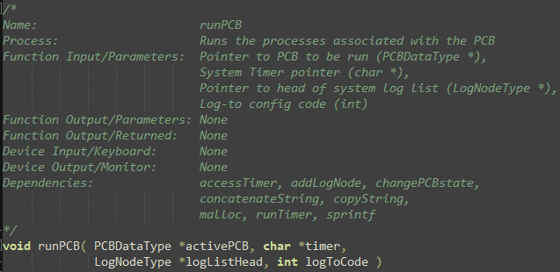
 |  |  | Creation and appropriate use of a PCB (Code reading only)
 |  |  |  | Enter grade as positive number
 | 5 | 5 | /5 | The PCB is created as its own unique structure
 | 5 | 5 | /5 | One PCB is implemented and used for each process
 | 5 | 5 | /5 | Every PCB contains at least a process ID value, although it is expected that it will hold other values
 |  | 15 | 15
 |  |  |  | Comments (add lines as needed):
 |  |  |  | The PCB is created as its own unique structure and the struct can be found in the simulator.h file.
 |  |  |  | Furthermore, the PCB struct contains a PID( Process ID ) that is used to identify the process number
 |  |  |  | Finally after a thorough look through the code I found that the programmer created a function called
 |  |  |  | runPCB that is dedicated to running the processes for each individual PCB. This function further
 |  |  |  | runs each process individually for each individual PID.

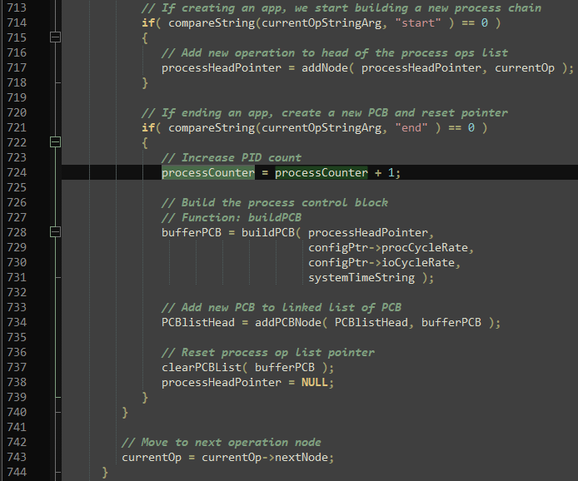
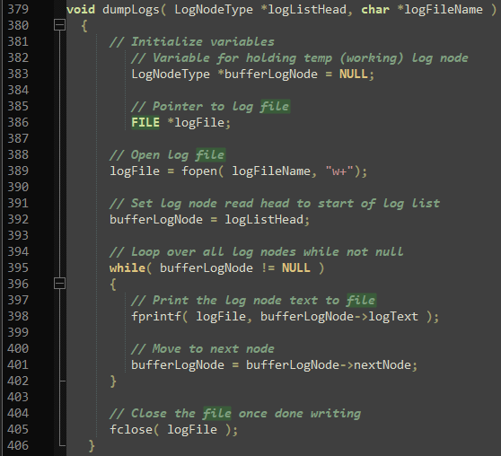
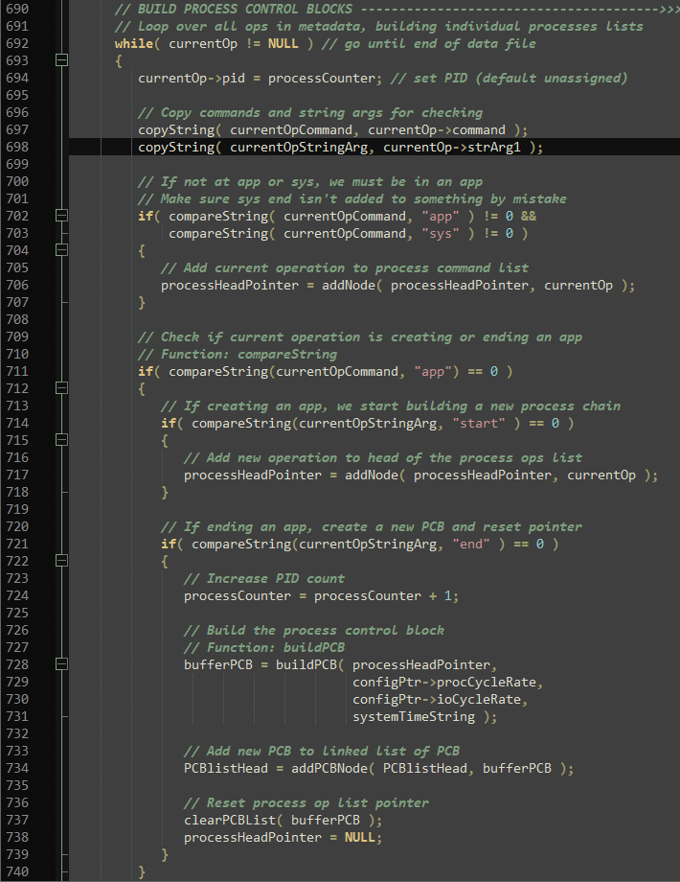
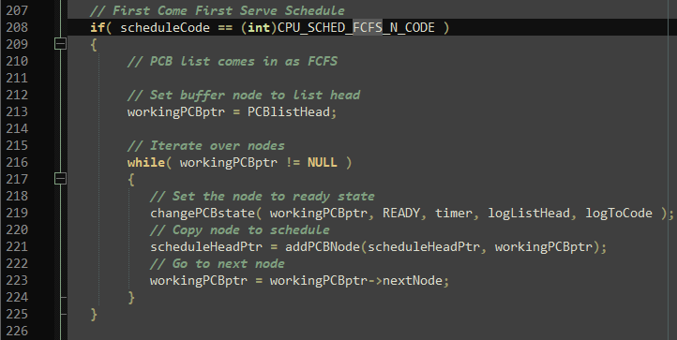
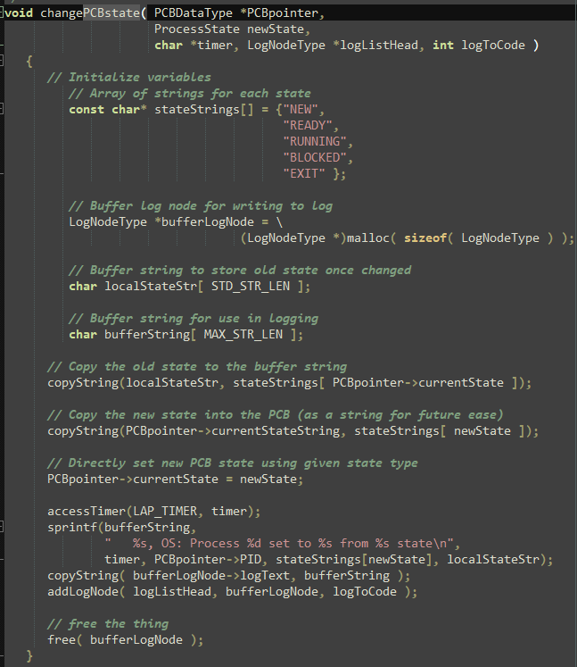
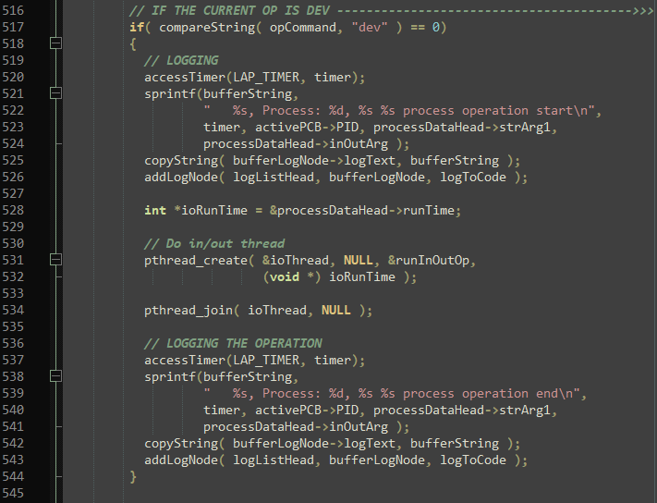
 |  |  |  |  |  |  |  |  |  |  |  | Area of code in runSim that displays op codes for any # of op codes |  |  |  | Function to display to file |  |  | If statement in runSim function to display either to file or both |  |  | Area in runSim that displays to monitor |  | Area in buildSchedule function that does FCFS operation |  | Function that displays the changes in processes states |  | Section in runPCB function that displays I/O ops from start to finish
 |  |  | Program management, prior to running program (Code reading only)
 |  |  |  | Enter grade as positive number
 | 5 | 5 | /5 | Program is capable of managing any number of processes, each with any number of op codes
 | 5 | 5 | /5 | Program is capable of displaying solely to monitor, outputting solely to a file, or to both
 | 5 | 5 | /5 | Program displays specified message if outputting solely to a file
 | 5 | 5 | /5 | Program is capable of conducting FCFS operations
 | 5 | 5 | /5 | Program is capable of showing the four possible states, including changes
 | 5 | 5 | /5 | Program shows appropriate times as demonstrated in the example displays |  |  |  |  |  |  |  |  |  |  |  |  |  |  | If statement in runSim that displays message when creating file
 | 5 | 5 | /5 | Program is capable of displaying beginning and end of all I/O operations
 | Subtotal: | 35 | 35
 |  |  |  | Comments (add lines as needed):
 |  |  |  | As seen in the pictures provided in the function runSim lines 713-744 the programmer implemented
 |  |  |  | several if statements that update and display the processes for any number of op codes. Furthermore,
 |  |  |  | all the display operations are located in the runSim function separated by if statements. These sections
 |  |  |  | can be seen in the images provided. The program displays a message on lines 662-665 that tell
 |  |  |  | the user that a file output is being created. Moreover, the progammer implemented a section in their
 |  |  |  | buildSchedule function that shows the FCFS algorithm being used (lines 208-224). The programmer
 |  |  |  | further implemented a function that is specifically dedicated to changing the process states when
 |  |  |  | running the simulator called changePCBStates. Finally, the program will display the appropriate times
 |  |  |  | from the example and as seen in the pictures provided the runPCB function has separate sections that
 |  |  |  | display I/O operations from beginning to end.

 |  |  | Correct use of threads for I/O operations; use of threads for run operations is optional (Code reading only)
 |  |  |  | No credit for this part if threads are not used and/or if sleep, usleep, nanosleep, etc. are used |  |  |  |  |  |  |  | Code line used to lap time when running simulator |  | Code line used to start timer (only used once)
 |  |  |  | Enter grade as positive number |  |  |  |  |  |  |  | This line repeats all over the code.

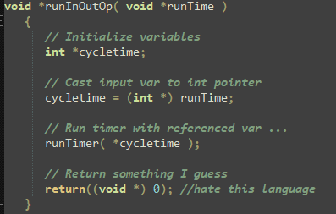
 | 5 | 5 | /5 | Clear and correct implementation of a timer function
 | 5 | 5 | /5 | Clear and correct call to thread for all I/O operations |  |  |  |  |  |  |  |  |  | Function created to run along the threads
 | 5 | 5 | /5 | Clear and correct call to thread join operation
 | Subtotal: | 15 | 15 |  |  |  |  |  |  |  |  | Thread implementation for I/O operations |  |  |  |  | Proper use of -lpthread as a command for the make file
 |  |  |  | Comments (add lines as needed): |  |  |  |  |  |  |  | found in function runPCB
 |  |  |  | As seen in the pictures provided there is proper use of the timer function. The LAP_TIMER parameter
 |  |  |  | is used everytime a process is ran and properly display the execution time for that section of the process.
 |  |  |  | Moreover, the timer is further implemented correctly as the timer was zeroed once at the beginning of
 |  |  |  | all function operations, leading to a proper start to the implementation of the timer. Furthermore, in the
 |  |  |  | runPCB function lines 530-534, the programmer properly implements the create and join methods for
 |  |  |  | the implementation of POSIX threads in the code. Finally the programmer properly implements a (void *)
 |  |  |  | function that is required to run along the thread and there is the proper implementation of the -lpthread
 |  |  |  | command in the make file as marked by a box in the provided image.

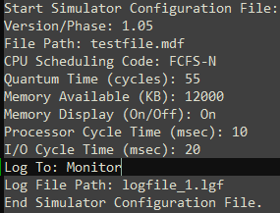
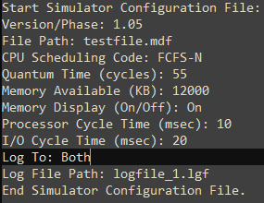
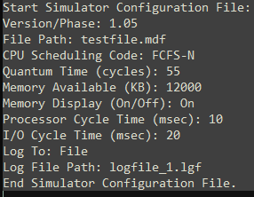
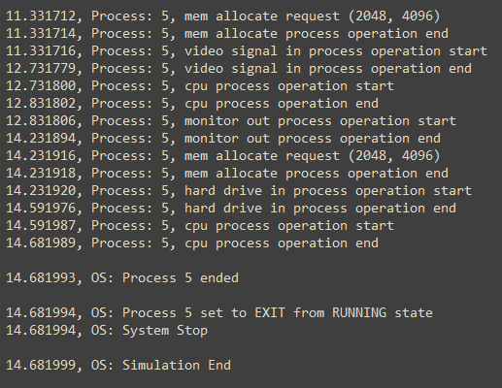
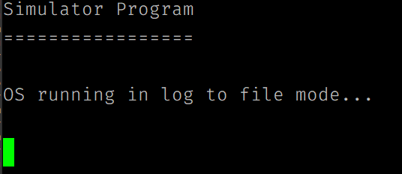
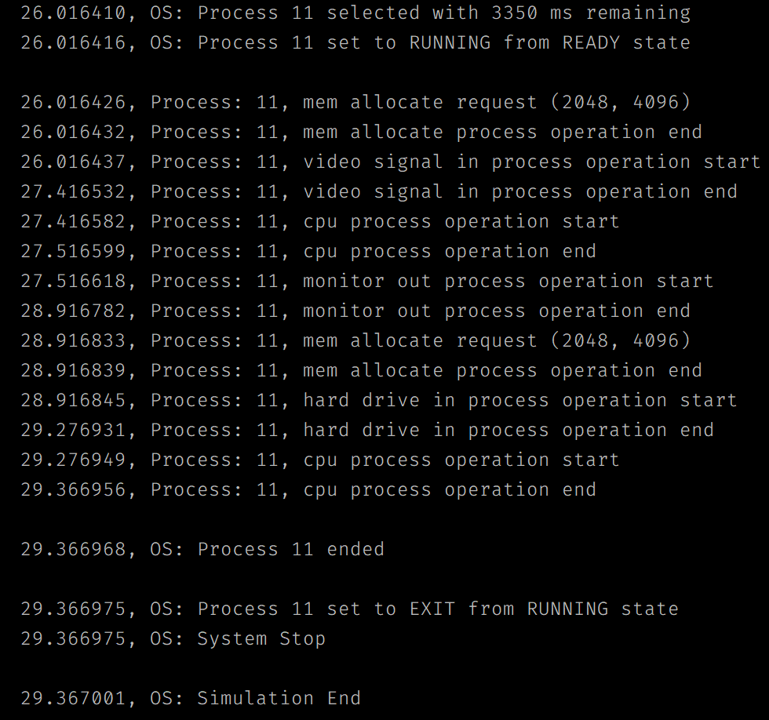
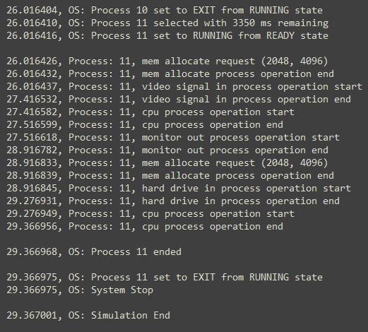
 |  |  |  |  |  |  |  |  |  |  | Config file with monitor requested |  |  |  | Config file with file requested |  | Proper log file is created for |  | Final process displayed inside log file with |  |  |  | Config file with both requested |  | Output to monitor when running both as an argument in config file |  | Final process output inside log file (matches monitor display)
 |  |  | Correct running operations |  |  |  |  |  |  |  |  |  |  |  |  |  | file output argument |  | 6 processes |  | Display of line telling user file is being created. |  |  |  | for 12 processes
 |  |  |  | No credit for this part if code cannot be compiled and/or run
 |  |  |  | Enter grade as positive number

 | 5 | 5 | /5 |  | one test with three processes, output to display
 | 5 | 5 | /5 |  | one test with six processes, output to file
 | 5 | 5 | /5 |  | one test with twelve processes, output to both
 | Subtotal: | 15 | 15
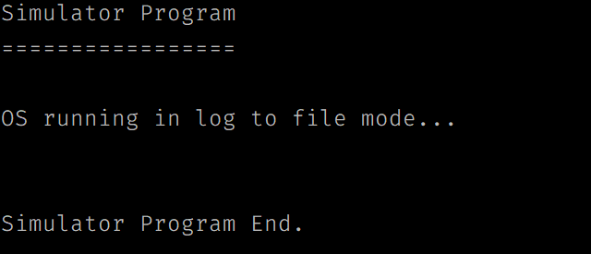
 |  |  |  |  |  |  |  |  |  |  | end of simulation run with monitor display and 3 processes |  |  |  | simulation run for file output with 6 processes
 |  |  |  | As seen in the pictures provided when running the simulator for the "Monitor" argument for 3 processes
 |  |  |  | the final process is 2 and since the first process is 0, this means that there are 3 processes displayed. |  |  |  |  |  |  |  |  |  |  |  |  |  |  |  |  |  |  | Log file properly created with
 |  |  |  | When running the 6 processes for the "File" argument, the simulator properly displays a line that tells |  |  |  |  |  |  |  |  |  |  |  |  |  |  |  |  |  |  | both as argument
 |  |  |  | the user that an output file is being created. After the program finishes running a log file can be found
 |  |  |  | in the directory and the information inside the log file is that of the processes running, changing states,
 |  |  |  | and doing different resource allocations. The final process displayed for the "File" argument is 5, and
 |  |  |  | since the first process is 0, 6 processes have been displayed. Finally, when running the simulator using
 |  |  |  | the "Both" argument, the simulator will display all the processes on the screen and once it is done finish
 |  |  |  | creating the log file, this means that both the display monitor and creating the file are running simultaneously
 |  |  |  | as seen in the pictures provided. The final process that appears for the "Both" argument is 11 and since
 |  |  |  | the first process is 0, that means that 12 processes have been displayed.

 |  |  | Grade Reductions
 |  |  |  | Each reduction is on a per occasion case (i.e., five single-letter variables is -5)
 |  |  |  | Enter grade as negative number

 | 0 | 0 | -1/ | single-letter or non-self-documenting variable
 | 0 | 0 | -1/ | missing or non-aligned curly braces
 | 0 | 0 | -1/ | redundant Boolean test
 | 0 | 0 | -2/ | second, or subsequent, if statement that should logically be else
 | 0 | 0 | -2/ | data/state change in parameter lists or array brackets
 | 0 | 0 | -2/ | declaration of variable within a loop (including for(---)
 | 0 | 0 | -2/ | use of if/else in place of Boolean return statement
 | 0 | 0 | -2/ | code on same line as curly brace, other than data type creation
 | 0 | 0 | -2/ | use of numbers where Boolean should be used
 | 0 | 0 | -2/ | use of numerical literals in parameter lists or array brackets
 | 0 | 0 | -2/ | use of break anywhere but in a switch statement
 | 0 | 0 | -3/ | use of return without return value
 | 0 | 0 | -3/ | use of continue or goto anywhere
 | 0 | 0 | -3/ | I/O operations in a function not specified for I/O
 | 0 | 0 | -3/ | use of functions in parameter lists or array brackets
 | 0 | 0 | -3/ | use of empty if or else statement blocks
 | 0 | 0 | -3/ | use of tabs that causes difficulty reading code
 | 0 | 0 | -20/ | output to file is not conducted after completion of the simulation
 | 0 | 0 | -25/ | use of sleep, usleep, nanosleep, etc.
 | Subtotal: | 0 | 0

 |  |  | Valgrind memory test |  |  |  |  |  | Results of valgrind check
 |  |  |  | Enter grade as negative number

 | -10 | -3 |  | Credit reduction of -1 (up to -10 points) for "definitely lost" memory blocks
 | Subtotal: | -3 | 0 |  | - Note: No other Valgrind errors are considered
 |  |  |  |  | - Note: If no "definitely lost" memory blocks, reduction is zero

 |  |  | Assignment Specification or Constraint Not Met

 | 0 | 0 | --- | Failed to include grading spreadsheet in tar/gz file (-10) |  |  |  |  | Grading sheet included in tar/gz file
 | 0 | 0 | --- | Incorrect file name (-10) |  |  |  |  | Has proper file name and compression
 | 0 | 0 | --- | Incorrect file compression (-10)
 | 0 | 0 | --- | Outputs to file during simulator operation (-10)
 | 0 | 0 | --- | Use of any str- or other disallowed utilities (-15% of raw subtotal)
 | 0 | 0 | --- | Use of any other disallowed functions or tools (-15% of raw subtotal)
 | 0 | 0 | --- | Other evidence of specification or constraint not met (Check with Michael)
 | Subtotal: | 0 | 0
 |  |  |  | After decompressing the tar.gz file, all necessary files are found in the extracted file, this includes the
 |  |  |  | grading sheet. Both the grading sheet and tar.gz files have the proper names and compressions.
 |  |  |  | When running the simulator, there are no unecessary file outputs unless the config file requests for
 |  |  |  | an output to file. Finally, after thorough examination of the code, no disallowed utilities were found
 |  |  |  | as well as no disallowed functions.

 | Instructor Grade Management - No student input below this line

 | Raw Subtotal |  |  |  | 147 | / | 150
 | Normalized |  |  |  | 98 | / | 100
 |  |  |  |  |  |  |  | Not turned in: 0 and 50% reduction of programming grade
 |  | 5 | /25 |  | Grader Score |  |  | Poor grading, minimal comments: 0 and 25% reduction of programming grade

 |  |  |  | Little use of grading instructions

1 | Total Score: |  |  |  | 103 | / | 125

