Sheet1
 | Sim: |  | 3 |  |  | GRADING RUBRIC AND FEEDBACK FORM

 | PROGRAMMER SECRET ID: |  |  |  |  |  | 303549 | GRADER SECRET ID: | 651680

 |  |  | Grading annotation is REQUIRED where lines are provided
 |  |  | - All four lines (at least) must be filled in with empirical evidence
 |  |  | - Failure to fill out the four lines will drive a significant loss of credit (see bottom)

 | Programmer Self-Grade Column | Grader Column
 |  |  | Read this before grading
 |  |  | All grading must be supported by clear, factual evidence, meaning you MUST use at least one of the following strategies:
 |  |  |  | - Identify line numbers of graded items, then reference these from the grading text
 |  |  |  | - Embed screen shots, then reference these from the grading text
 |  |  | You must also identify SPECIFIC function names and/or code snippets of items upon which you based your grading
 |  |  | You must also fill out AT LEAST the four lines of commentary under each grading segment; you are invited to insert new lines but the minimum is four

 |  |  | Clear Evidence of PA03 Components
 |  |  | If there is no evidence of an attempt to implement any of the PA03 requirements,
 |  |  | the grade for the programming part of this rubric will be zero.
 |  |  | Code must show at least one of the following items (place an 'X' beside each item found):
 |  |  | X | Code must CLEARLY show new uncommented code for scheduling SJF-N
 |  |  | X | Code must CLEARLY show the use of threads for timing operations
 |  |  | X | Code must CLEARLY show new uncommented code for memory management and display
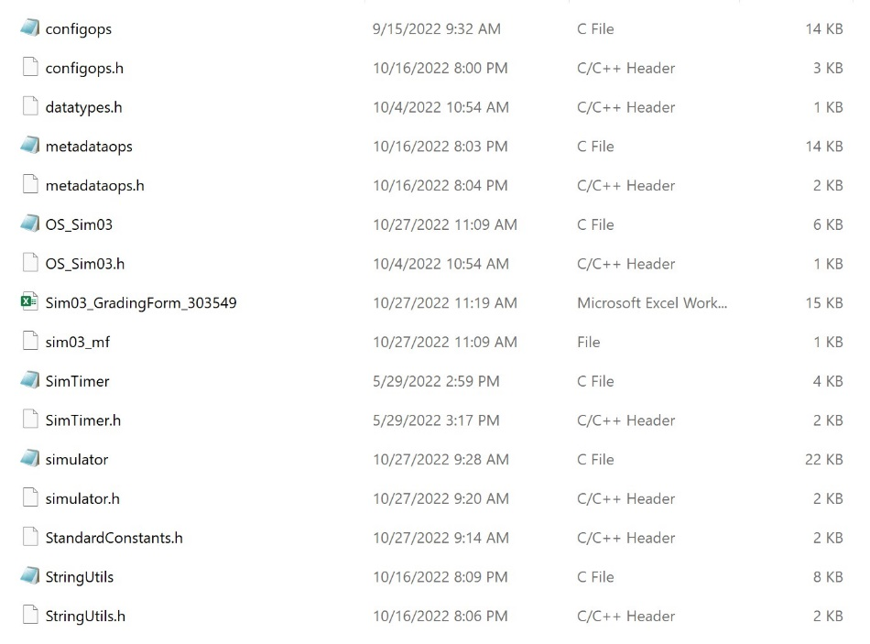
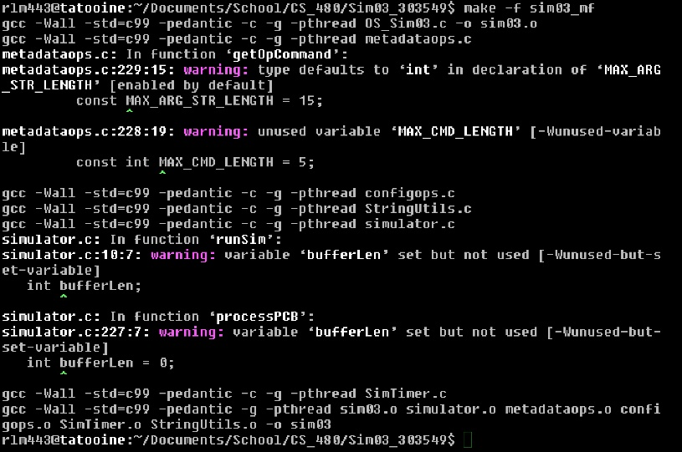
 |  |  | Quality Development and Building Process
 |  |  |  | Enter grade as positive number

 | 2 | 2 | /2 | Correct file format
 | 2 | 2 | /2 | Correctly extracts
 | 2 | 2 | /2 | makes (builds to executable) without any corrections or adjustments
 | 2 | 2 | /2 | no unnecessary files (object files, config or meta-data files, etc.)
 | 2 | 2 | /2 | no unused library files or other files
 | Subtotal: | 10 | 10

 |  |  |  | Comments (add lines as needed):
 |  |  |  | The project extracts correctly. All files in the folder are of the correct file type. The program does make |  |  |  |  |  |  |  |  |  |  | Makes with no errors, only warnings
 |  |  |  | without any adjustments, althought it does generate several warnings. Within the file there does not
 |  |  |  | appear to be any unused files, nor are there any unnecessary files. With all of this said, I have decided
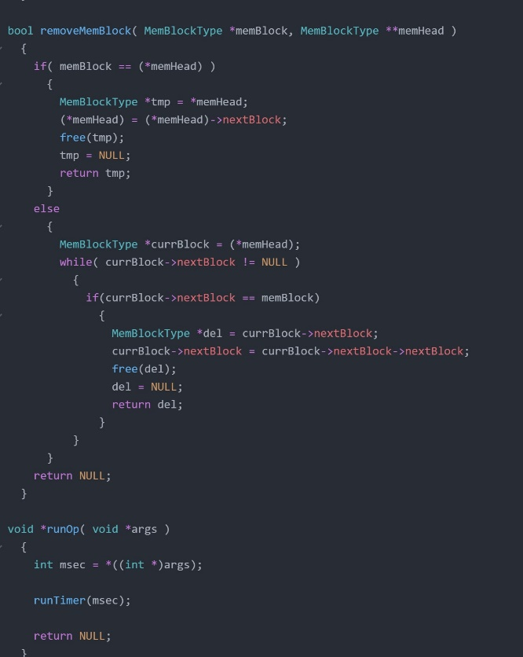
 |  |  |  | to give the programmer full points for this section. |  |  |  |  |  |  | No unnecessary files
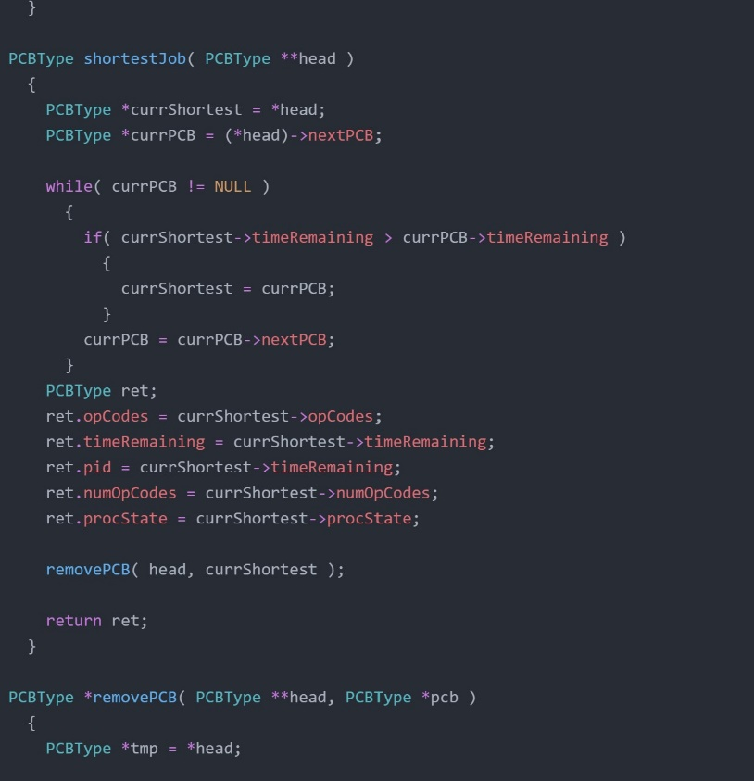
 |  |  | Program Source Code Easily Readable & Understandable
 |  |  |  | use Programming Standards Guide as a reference
 |  |  |  | Enter grade as positive number
 |  |  |  | Note: Do not increase or reduce credit for commenting unless use of comments directly takes away from program readability

 | 40 | 35 | /40 | Standards:
 | Subtotal: | 0 | 40 | < 5 pts: Difficult or impossible to read or understand, poor indenting and program structure
 |  |  |  | < 10 pts: Some parts difficult to read or have poor structure, but some program parts are clear
 |  |  |  | < 30 pts: Some parts difficult to read or have poor structure, but overall program process is clear
 |  |  |  | < 40 pts: Program is written and structured clearly, all parts are quickly and easily understood

 |  |  |  | Comments (add lines as needed):
 |  |  |  | The code created by this programmer lacks function definitions and comments. While it is clear in
 |  |  |  | general what the code does, the lack of comments makes it difficult to fully understand what all parts
 |  |  |  | of the program are doing. Furthermore, functions are not alphabetized. Overall, while the program
 |  |  |  | structure itself is clear, it can be challenging at times to read as a human being.
 |  |  |  |  |  |  |  |  |  |  |  |  |  |  |  | Further example of no comments or specs
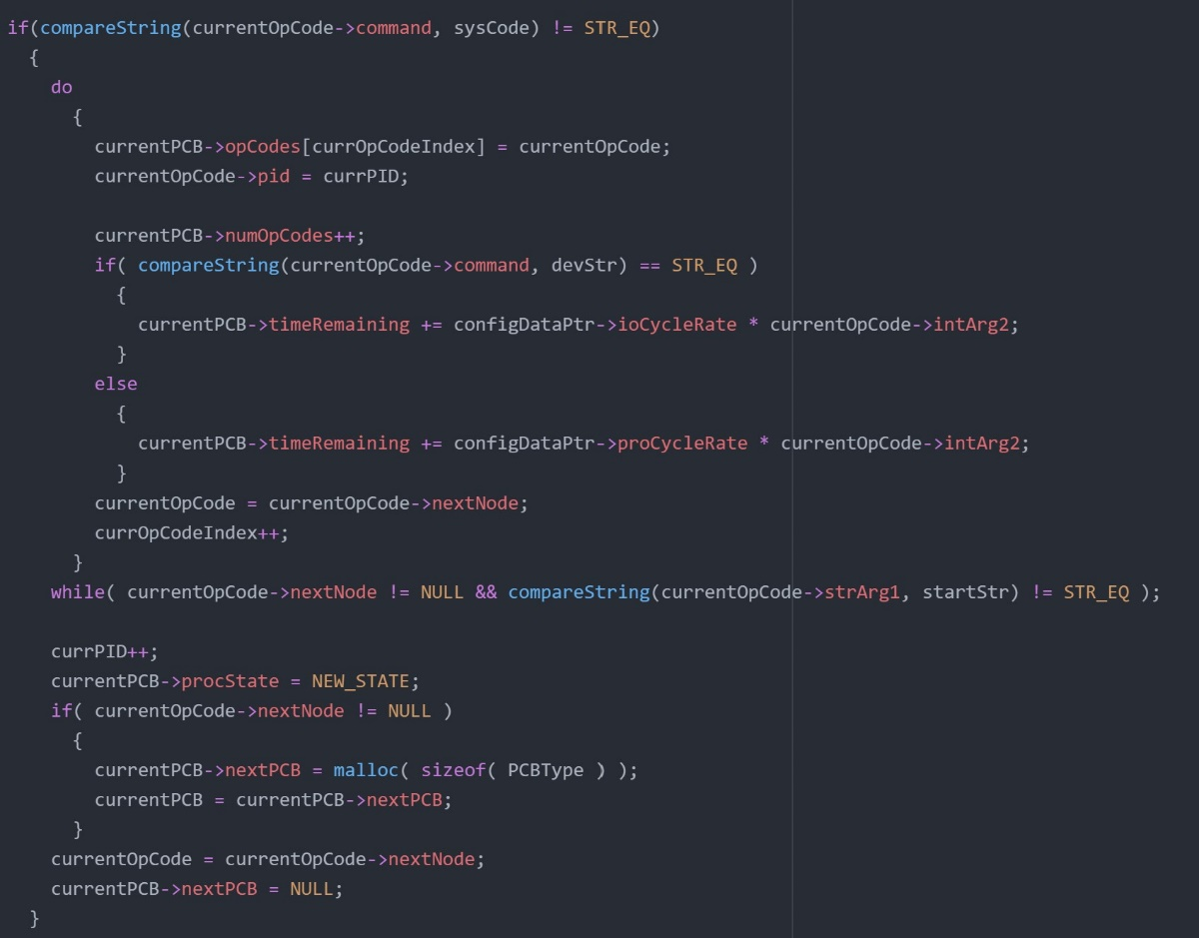
 |  |  | Quality Program Development
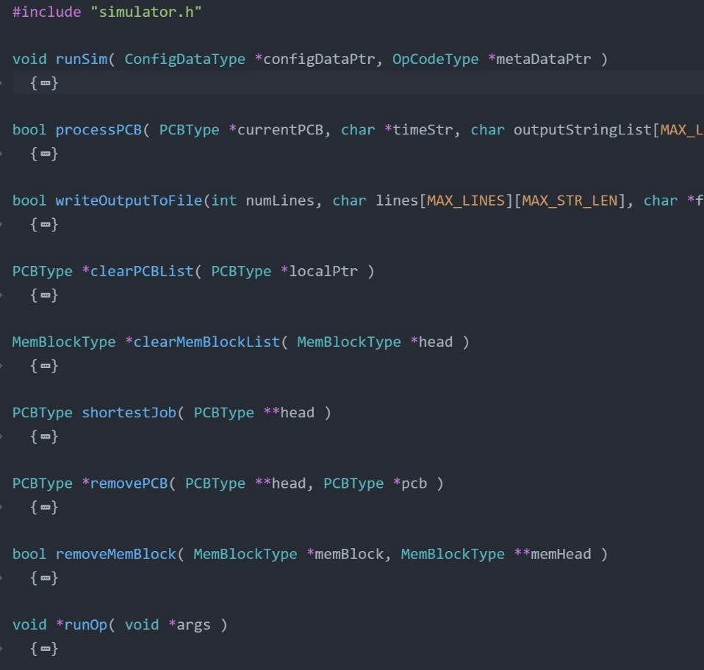
 |  |  |  | Enter grade as positive number |  |  |  |  |  |  |  | Functions are out of order, have no specs,
 |  |  |  |  |  |  |  |  |  |  |  | and do not have commenting
 | 5 | 5 | /5 | Program and code are structured well;
 | 5 | 5 | /5 | Functions are appropriately used to support program modularity
 | 5 | 5 | /5 | PCB structure is clear and easily accessed
 | 5 | 5 | /5 | Code is efficient and is not repeated unnecessarily (i.e., very little or no duplicated code)
 | 5 | 5 | /5 | It is clear which file a given support function will be found in
 | Subtotal: | 25 | 25
 |  |  |  | Comments (add lines as needed): |  |  |  |  |  | Clear and easy to access PCB structure
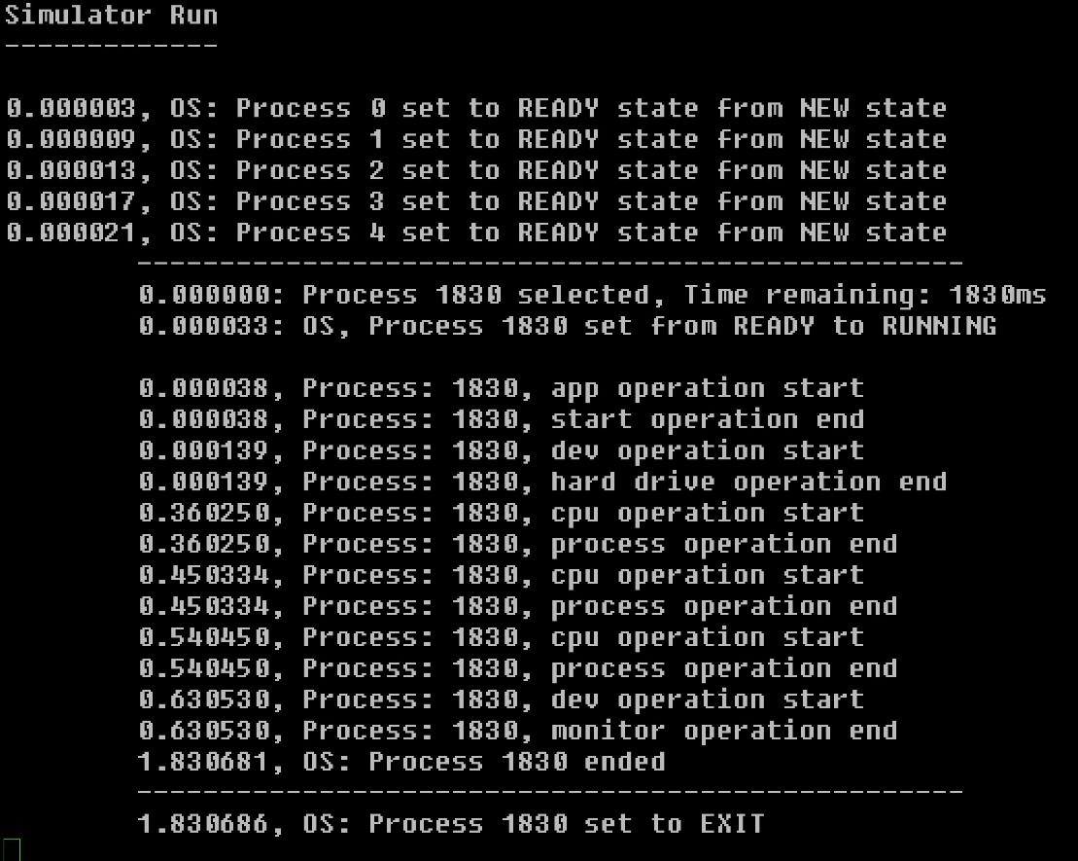
 |  |  |  | Overall, the code and the program are of high quality. The program is structured well in a way which
 |  |  |  | makes sense. Functions are used appropriately to support program modularity. There is a clear PCB
 |  |  |  | data structure which is used in the program. Code is efficient, and there are no instances of it being
 |  |  |  | repeated unnecessarily. All support functions are easily found without confusion.

 | 5 | 2 | /5 | each new process start includes the time remaining for the given process
 | 5 | 5 | /5 | program appropriately displays the simulator actions (only if set to MONITOR or BOTH)
 | 5 | 0 | /5 | program stores all simulator actions to a logfile AFTER the simulation has completed
 | Subtotal: | 7 | 15
 |  |  |  | Comments (add lines as needed):
 |  |  |  | In running the simulator, it is clear that not all processes are displayed, nor are their respective
 |  |  |  | time remainings displayed. The first process shows the time remaining as expected, but the program |  |  |  |  |  |  |  |  |  |  |  | Further PCB and solid program structure. Code is efficient and not repeated |  |  | Many functions to support modularity
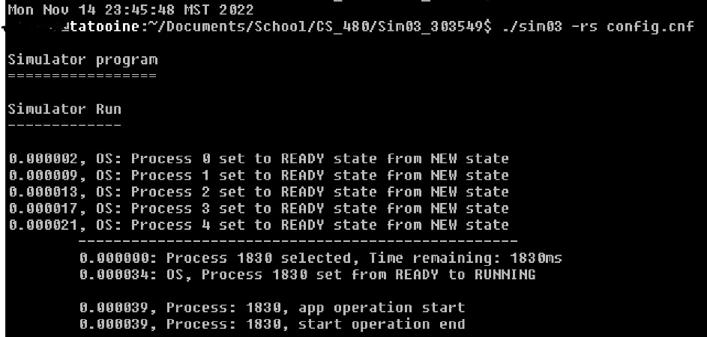
 |  |  |  | stalls out and does not display any other processes or time remainings. The log to file function is entirely
 |  |  |  | non-functional. The simulator does appropriately log operations to monitor.

 | 10 | 10 | /10 | clear evidence of FCFS-N scheduling
 | 10 | 5 | /10 | clear evidence of SJF-N scheduling
 | 10 | 10 | /10 | does not duplicate code by running FCFS and SJF simulations in separate functions
 | Subtotal: | 25 | 30
 |  |  |  | Comments (add lines as needed): |  |  |  |  |  |  | OS running in SJF-N mode. IO functions are not timed correctly, |  |  |  |  |  |  | No log file is created
 |  |  |  | The programmer has implemented FCFS scheduling in a clear and easy to understand way. The |  |  |  |  |  |  | programs are out of order, process numbers are incorrect. Program
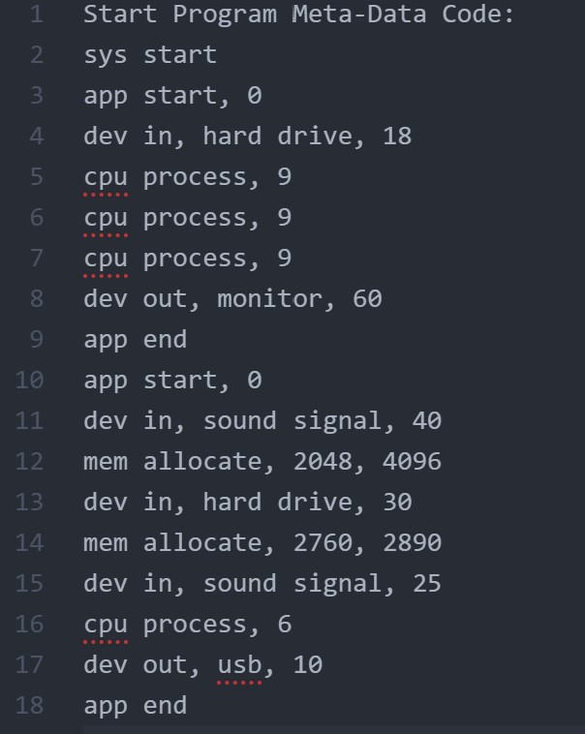
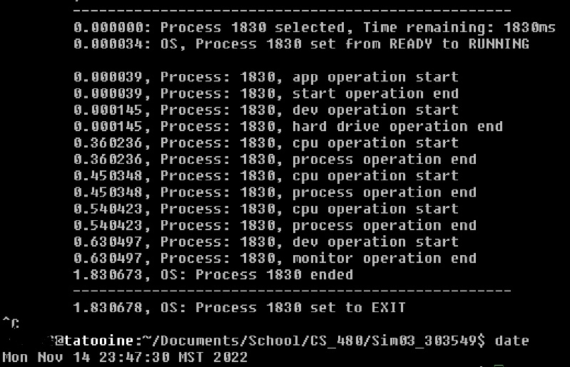
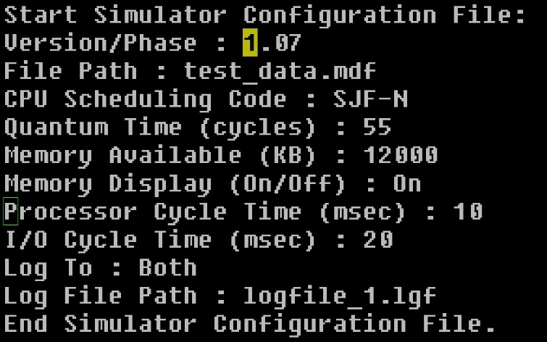
 |  |  |  | program also implements a scheduling algorithm for SJF-N, although 5 points have been deducted |  |  |  |  |  |  | stalls after first process finishes
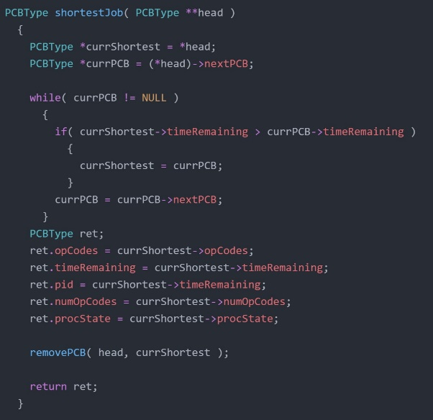
 |  |  |  | due to the fact that this algorithm does not work. Between the two algorithms, no code is
 |  |  |  | duplicated. Overall the FCFS is satisfactory but the SJF-N is not properly implemented.

 |  |  | Process Timing
 |  |  |  | Enter grade as positive number
 |  |  |  | No credit for this part if threads are not used and/or if sleep, usleep, nanosleep, etc. are used
 | 5 | 0 | /5 | Threads are correctly used for timing each I/O operation
 | 5 | 5 | /5 | Threading operations are clear and understandable
 | Subtotal: | 5 | 10
 |  |  |  | There is clear evidence that the programmer has written code for I/O operations. 5 points have been |  |  |  |  |  |  |  |  |  |  |  |  |  | Config file which should make program use
 |  |  |  | deducted as it is clear that these threads do not work correctly, nor are they properly implemented |  |  |  |  |  |  |  |  |  |  |  |  |  | SJF-N scheduling and also create a log file
 |  |  |  | in a way which allows the program to run as intended. I/O operations are understandable from the code, |  |  |  |  |  |  |  |  |  |  |  |  | Evidence of program stalling after 1 process. 2 minutes elapsed
 |  |  |  | but when run they do not work. I/O ops complete instantly and are not timed |  |  |  |  |  |  |  |  |  |  |  |  | with no display for a program that should take 15 seconds.
 |  |  |  |  |  |  |  |  |  |  | Algorithm for SJF scheduling |  |  |  |  |  | I/O ops are not timed correctly
 |  |  | Memory Operations
 |  |  |  | Enter grade as positive number |  |  |  |  |  |  |  |  | Metadata which should have atleast 2
 |  |  |  |  |  |  |  |  |  |  |  |  | time-taking I/O ops in the first program
 | 10 | 5 | /10 | Clearly shows correct tests and responses for memory allocation (getting memory from the OS)
 | 10 | 10 | /10 | Clearly shows correct tests and responses for memory access (using previously allocated memory)
 | 10 | 5 | /10 | Program code clearly shows how OS will accept success and drive segmentation fault as needed
 | 10 | 10 | /10 | Program code clearly shows how the memory will be displayed |  |  |  |  |  | Memory is allocated, and then accessed, but there is no indication of success
 | Subtotal: | 30 | 40
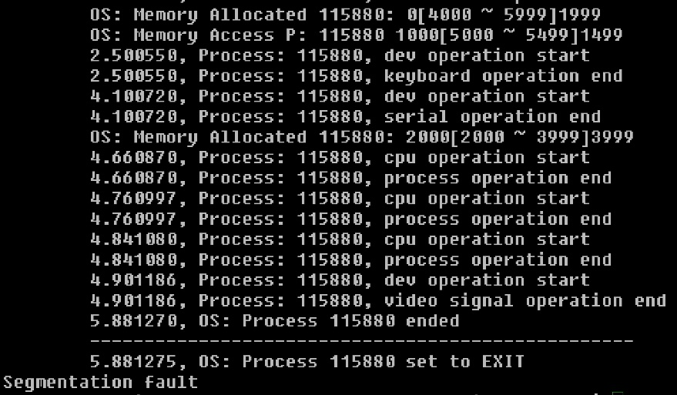
 |  |  |  | The programmer has implemented some memory operations, but they are finnicky and have some issues.
 |  |  |  | Memory access works correctly. It will successfully access previously allocated memory if in range,
 |  |  |  | and produce a seg fault error if out of range. Memory allocate does not properly seg fault, and the
 |  |  |  | program will sometimes produce random segfaults when it shouldn't. Memory displays properly.
 |  |  |  | Memory alloc sometimes works, sometimes doesn't. Appears to reject bad allocs correctly.

 |  |  | Simulator Operation |  |  |  |  |  |  |  |  |  |  | Good example of memory access failure with appropriate seg fault
 |  |  |  | Enter grade as positive number
 |  |  |  | No credit for this part if code cannot be compiled and/or run
 | 15 | 10 | /15 | Program runs correctly with "Log To:" set to MONITOR, FILE, or BOTH with one meta-data file
 | 5 | 5 | /5 | Program runs correctly with memory acquisition attempted, succeeded, and displayed
 | 5 | 2 | /5 | Program runs correctly with memory acquisition attempted, failed, and displayed |  |  |  |  |  | Memory allocate producing seg fault when it shouldn't
 | 5 | 5 | /5 | Program runs correctly with memory access attempted, succeeded, and displayed
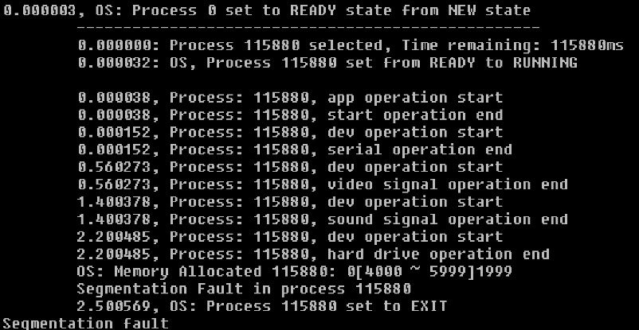
 | 5 | 5 | /5 | Program runs correctly with memory access attempted, failed, and displayed
 | Subtotal: | 27 | 35
 |  |  |  | Program does not write to log file at all. It does write to monitor when 'monitor' or 'both' are selected.
 |  |  |  | Memory allocate does not work correctly. Seg faults occur when they shouldn't. The program is
 |  |  |  | hit or miss when allocating more than 1 time in the same program. Mem access works well and will
 |  |  |  | succeed or fail as expected. Alloc'ing sometimes works and sometimes causes seg faults.

 |  |  | Grade Reductions
 |  |  |  | Each reduction is on a per occasion case (i.e., five single-letter variables is -5)
 |  |  |  | Enter grade as negative number |  |  |  |  |  |  | Memory allocate seg faulting for no reason

 | 0 | 0 | -1/ | single-letter or non-self-documenting variable
 | 0 | 0 | -1/ | missing or non-aligned curly braces
 | 0 | 0 | -1/ | redundant Boolean test
 | 0 | 0 | -2/ | second, or subsequent, if statement that should logically be else
 | 0 | 0 | -2/ | data/state change in parameter lists or array brackets
 | 0 | 0 | -2/ | declaration of variable within a loop (including for(---)
 | 0 | 0 | -2/ | use of if/else in place of Boolean return statement
 | 0 | 0 | -2/ | code on same line as curly brace, other than data type creation
 | 0 | 0 | -2/ | use of numbers where Boolean should be used
 | 0 | 0 | -2/ | use of numerical literals in parameter lists or array brackets
 | 0 | 0 | -2/ | use of break anywhere but in a switch statement
 | 0 | 0 | -3/ | use of return without return value
 | 0 | 0 | -3/ | use of continue or goto anywhere
 | 0 | 0 | -3/ | I/O operations in a function not specified for I/O
 | 0 | 0 | -3/ | use of functions in parameter lists or array brackets
 | 0 | 0 | -3/ | use of empty if or else statement blocks
 | 0 | 0 | -3/ | use of tabs that causes difficulty reading code
 | Subtotal: | 0 | 0

 |  |  | Valgrind memory test
 |  |  |  | Enter grade as negative number

 | -1 | -2 |  | Credit reduction of -1 (up to -10 points) for "definitely lost" memory blocks
 | Subtotal: | -2 | 0 |  | - Note: No other Valgrind errors are considered

 |  |  |  | Running the full valgrind tests on the programmers code resulted in 2 memory blocks lost.

 |  |  | Assignment Specification or Constraint Not Met

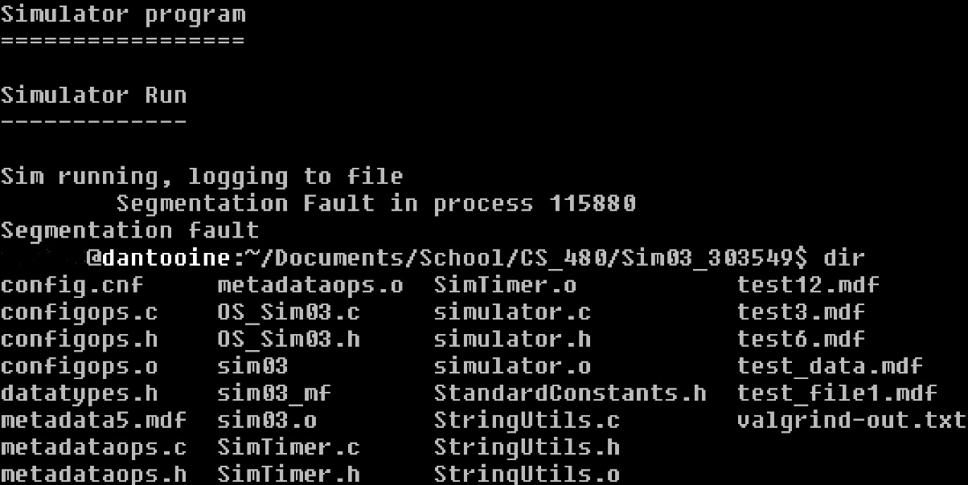
 | 0 | 0 | 0 | Failed to include grading spreadsheet in tar/gz file (-10)
 | 0 | 0 | 0 | Incorrect file name (-10)
 | 0 | 0 | 0 | Incorrect file compression (-10)
 | 0 | -10 | 0 | Outputs to file during simulator operation (-10)
 | 0 | 0 | 0 | Use of any str- or other disallowed utilities (-15% of raw subtotal)
 | 0 | 0 | 0 | Use of any other disallowed functions or tools (-15% of raw subtotal)
 | 0 | 0 | 0 | Other evidence of specification or constraint not met (Check with Michael)
 | Subtotal: | -10 | 0
 |  |  |  | For the most part all assignment constraints and specifications are met. The only specification not met
 |  |  |  | is that the program does not in any way, shape, or form output to a log file.

 | Instructor Grade Management - No student input below this line |  |  |  |  |  |  |  |  |  | Running in 'log to file' mode does not produce a log file

 | Raw Subtotal |  |  |  | 117 | / | 205
 | Normalized |  |  |  | 58 | / | 100
 |  |  |  |  |  |  |  | Not turned in: 0 and 50% reduction of grade
 |  |  | /25 |  | Grader Score |  |  | Poor grading, minimal comments: 0 and 25% reduction of grade

1 | Total Score: |  |  |  | 58 | / | 125

