Sheet1
 | Sim: |  | 3 |  |  | GRADING RUBRIC AND FEEDBACK FORM

 | PROGRAMMER SECRET ID: |  |  |  |  | 777323 |  | GRADER SECRET ID: |  | 651680

 |  |  | Grading annotation is REQUIRED where lines are provided
 |  |  | - All four lines (at least) must be filled in with empirical evidence
 |  |  | - Failure to fill out the four lines will drive a significant loss of credit (see bottom)

 | Programmer Self-Grade Column | Grader Column
 |  |  | Read this before grading
 |  |  | All grading must be supported by clear, factual evidence, meaning you MUST use at least one of the following strategies:
 |  |  |  | - Identify line numbers of graded items, then reference these from the grading text
 |  |  |  | - Embed screen shots, then reference these from the grading text
 |  |  | You must also identify SPECIFIC function names and/or code snippets of items upon which you based your grading
 |  |  | You must also fill out AT LEAST the four lines of commentary under each grading segment; you are invited to insert new lines but the minimum is four

 |  |  | Clear Evidence of PA03 Components
 |  |  | If there is no evidence of an attempt to implement any of the PA03 requirements,
 |  |  | the grade for the programming part of this rubric will be zero.
 |  |  | Code must show at least one of the following items (place an 'X' beside each item found):
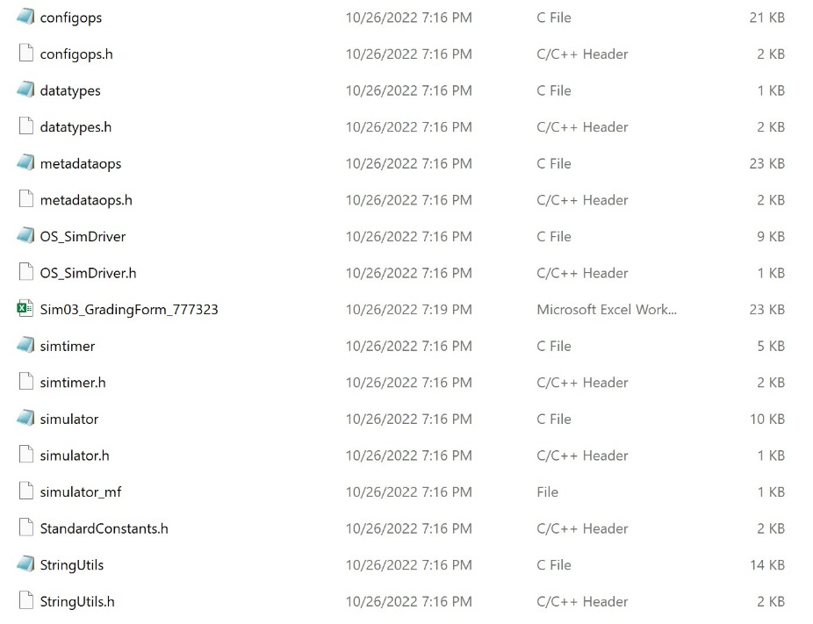
 | X |  |  | Code must CLEARLY show new uncommented code for scheduling SJF-N
 |  |  |  | Code must CLEARLY show the use of threads for timing operations
 | X |  |  | Code must CLEARLY show new uncommented code for memory management and display

 |  |  | Quality Development and Building Process
 |  |  |  | Enter grade as positive number

 | 2 | 2 | /2 | Correct file format
 | 2 | 2 | /2 | Correctly extracts
 | 2 | 2 | /2 | makes (builds to executable) without any corrections or adjustments |  |  |  |  |  |  |  | Program is a tar ball and extracts correctly
 | 2 | 2 | /2 | no unnecessary files (object files, config or meta-data files, etc.)
 | 2 | 2 | /2 | no unused library files or other files
 | Subtotal: | 10 | 10

 |  |  |  | Comments (add lines as needed):
 |  |  |  | The programmer has archived their tarball in the correct file format. The tarball or project directory does |  |  |  |  |  |  |  |  |  |  |  |  |  |  | No unnecessary files
 |  |  |  | no contain any unnecessary files, nor does it contain any files which are unused in the program itself.
 |  |  |  | After extracting the tarball, the program correctly builds to an executable using the provided makefile
 |  |  |  | without any warnings, errors, or adjustments.
 |  |  |  |  |  |  |  |  |  |  |  | Program makes from makefile with no errors
 |  |  | Program Source Code Easily Readable & Understandable
 |  |  |  | use Programming Standards Guide as a reference
 |  |  |  | Enter grade as positive number
 |  |  |  | Note: Do not increase or reduce credit for commenting unless use of comments directly takes away from program readability

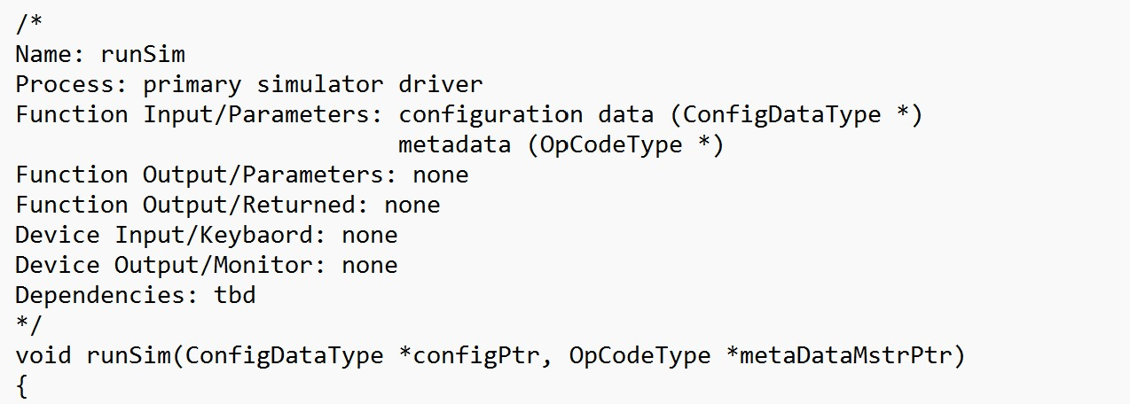
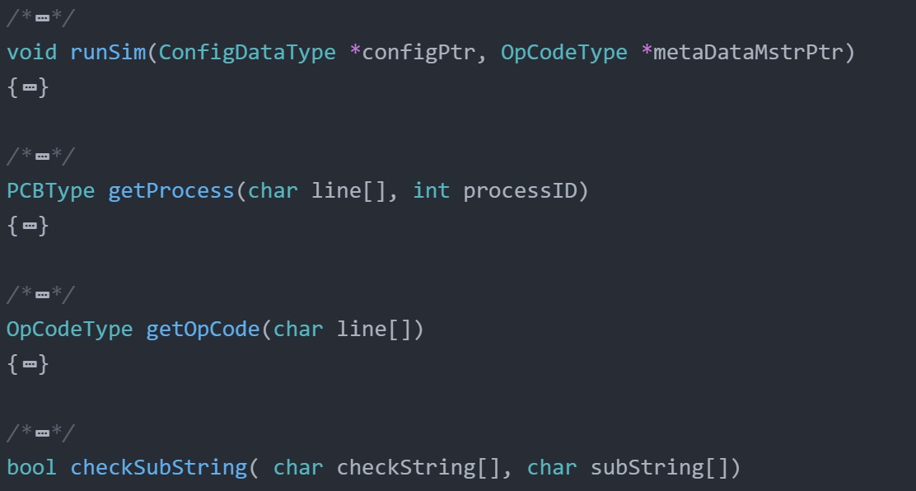
 | 40 | 40 | /40 | Standards:
 | Subtotal: | 40 | 40 | < 5 pts: Difficult or impossible to read or understand, poor indenting and program structure
 |  |  |  | < 10 pts: Some parts difficult to read or have poor structure, but some program parts are clear
 |  |  |  | < 30 pts: Some parts difficult to read or have poor structure, but overall program process is clear
 |  |  |  | < 40 pts: Program is written and structured clearly, all parts are quickly and easily understood

 |  |  |  | Comments (add lines as needed):
 |  |  |  | Overall the programmer has written and structured their code well. Each function has a specification
 |  |  |  | that makes it clear to understand what the function does, what the function inputs are, and what the
 |  |  |  | function outputs. Functions are not in alphabetical order, and some function specifications are not
 |  |  |  | complete, but this does not effect the readibility of the code, nor impact understanding of what it is doing.
 |  |  |  |  |  |  |  |  |  |  | Example of the programmer's well written function specifications |  |  |  |  |  | Example of functions being out of order
 |  |  | Quality Program Development
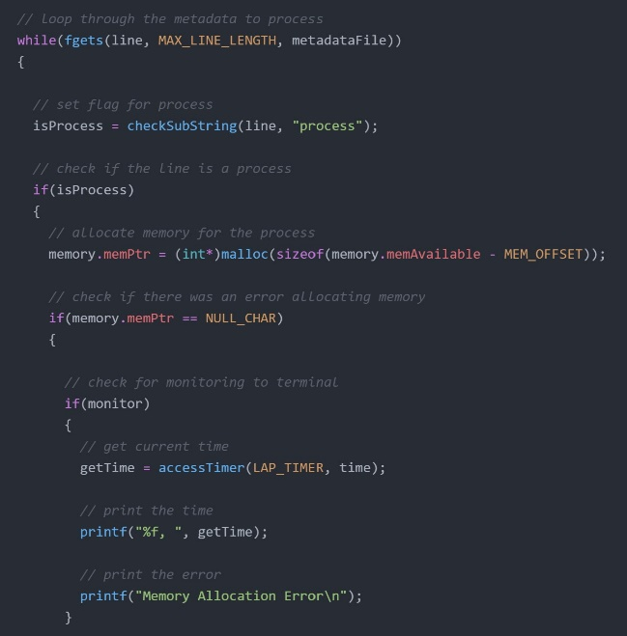
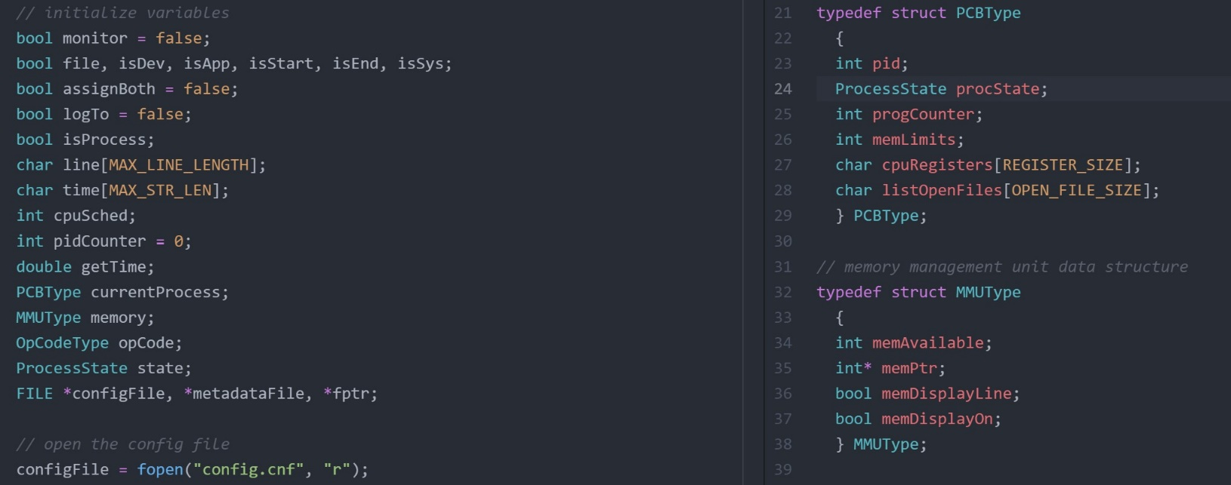
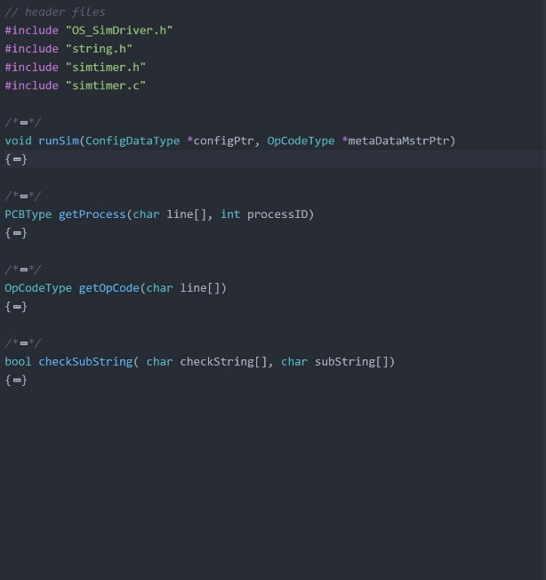
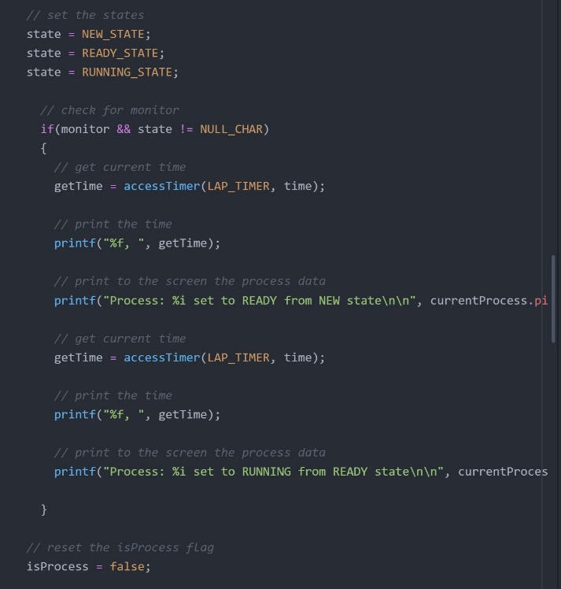
 |  |  |  | Enter grade as positive number

 | 5 | 5 | /5 | Program and code are structured well;
 | 5 | 3 | /5 | Functions are appropriately used to support program modularity
 | 5 | 5 | /5 | PCB structure is clear and easily accessed
 | 4 | 4 | /5 | Code is efficient and is not repeated unnecessarily (i.e., very little or no duplicated code)
 | 5 | 5 | /5 | It is clear which file a given support function will be found in
 | Subtotal: | 22 | 25
 |  |  |  | Comments (add lines as needed):
 |  |  |  | The program and code structure are well documented and it is clear what any given line of code is
 |  |  |  | attempting to accomplish. However, the programmer only implemented 4 functions for the entire project,
 |  |  |  | which does not lend itself to a highly modular system. This is clear in the fact that there are multiple
 |  |  |  | instances where code is unnecessarily repeated and could be better implemented as functions.
 |  |  |  | The programmer makes use of a PCB and Memory data structure which is easily accessed and clearly
 |  |  |  | implemented. All support functions are easily found and contained in the proper location. |  |  |  |  |  |  | Example of good structure & commenting |  |  | Programmer clearly defines and implements a PCB data structure |  |  |  |  |  |  | Few supporting functions are used

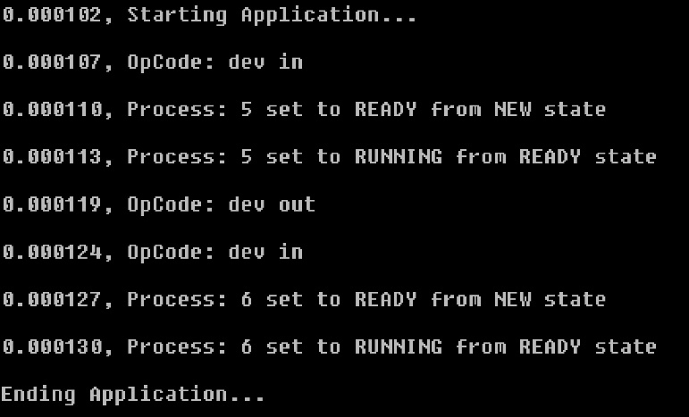
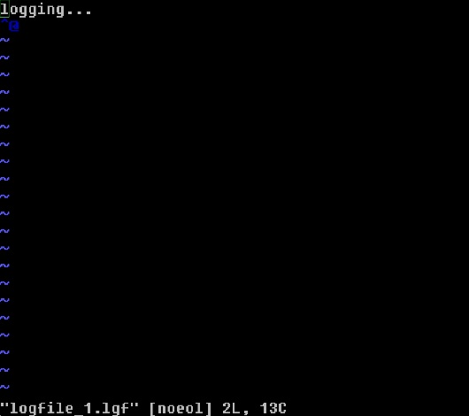
 | 0 | 0 | /5 | each new process start includes the time remaining for the given process |  |  |  |  |  |  |  |  |  |  |  |  |  |  |  |  |  | Example of repeated code to change state which might be better served by a function
 | 3 | 3 | /5 | program appropriately displays the simulator actions (only if set to MONITOR or BOTH)
 | 3 | 1 | /5 | program stores all simulator actions to a logfile AFTER the simulation has completed
 | Subtotal: | 4 | 15
 |  |  |  | Comments (add lines as needed):
 |  |  |  | The programmer's simulator does not display the time remaining for a given process, nor does it show
 |  |  |  | any indicator of which process has been selected to run. Additionally, many op codes are not shown
 |  |  |  | when the simulator is set to the running state. The log to file function is not properly implemented,
 |  |  |  | and running the program in this mode results in no useful information being outputted whatsoever.
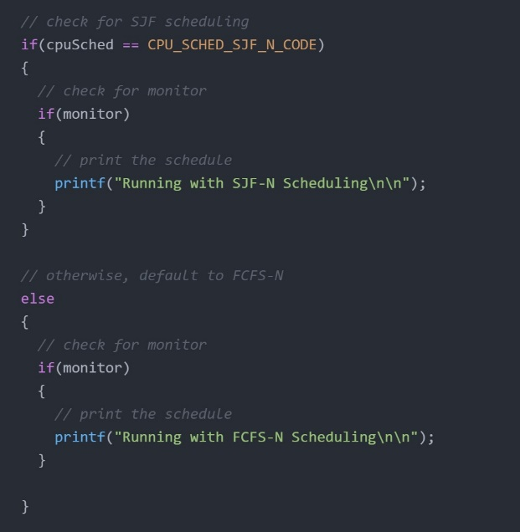
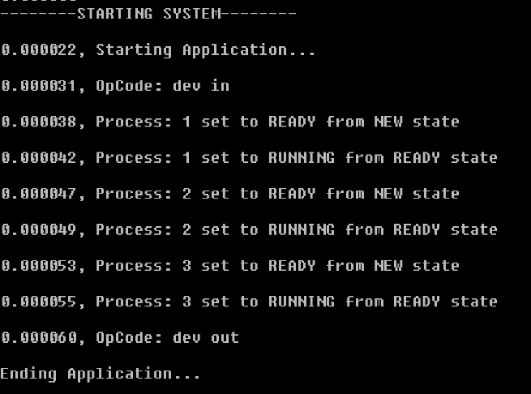
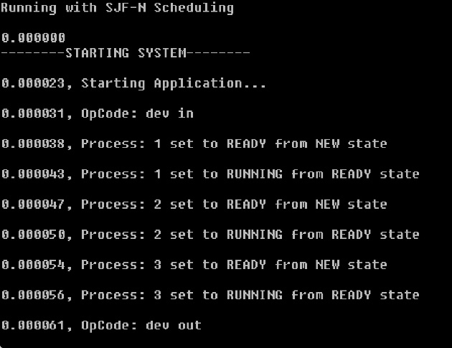
 | 10 | 10 | /10 | clear evidence of FCFS-N scheduling |  |  |  |  |  |  | Only dev op codes are shown in the program |  |  | Example log file (empty)
 | 1 | 1 | /10 | clear evidence of SJF-N scheduling
 | 0 | 5 | /10 | does not duplicate code by running FCFS and SJF simulations in separate functions
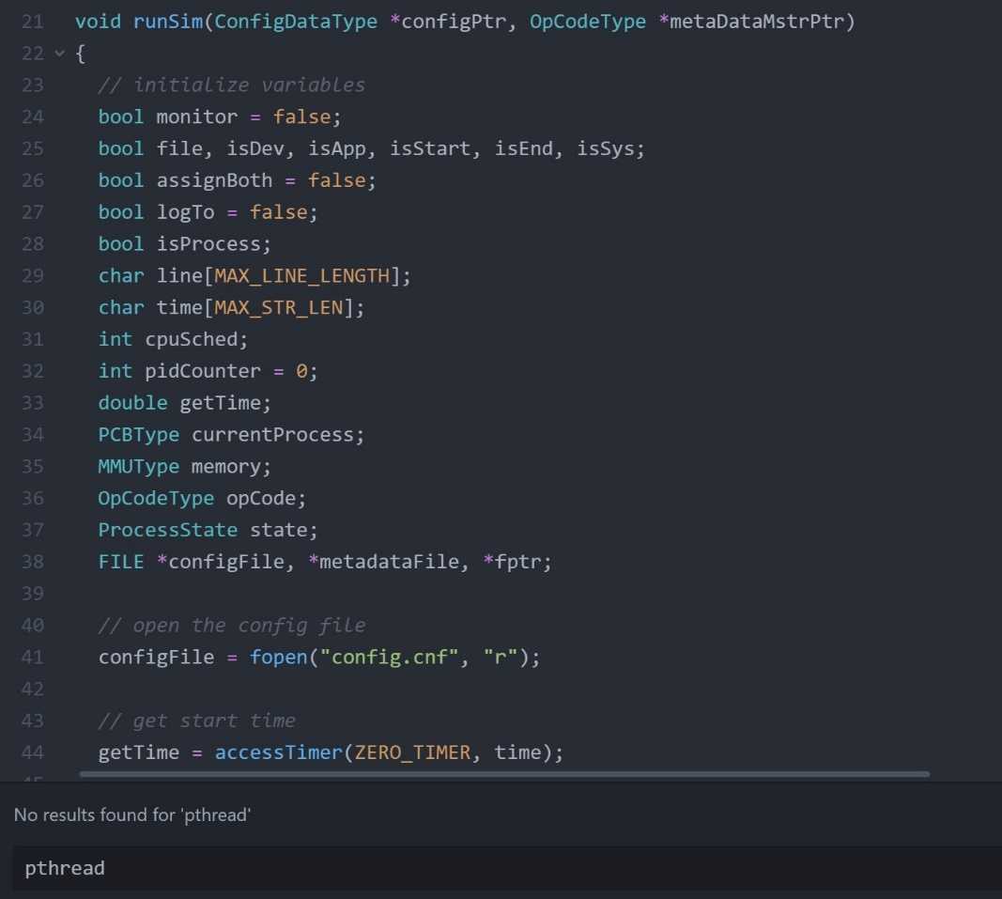
 | Subtotal: | 16 | 30
 |  |  |  | Comments (add lines as needed):
 |  |  |  | The programmer has clearly implemented FCFS-N scheduling which can be seen when the program
 |  |  |  | is initially run. However, the SJF-N scheduling is not implemented. Running the simulator project with
 |  |  |  | SJF-N scheduling results in a functionally identical program output, indicating that this feature is not
 |  |  |  | properly implemented. Looking at the code, it's clear changing the schedule doesn't change the program
 |  |  |  | Likewise, due to this implementation, both scheduling types will result in the exact same code being run.
 |  |  |  | No code is duplicated between scheduling types, but they do run the exact same code.

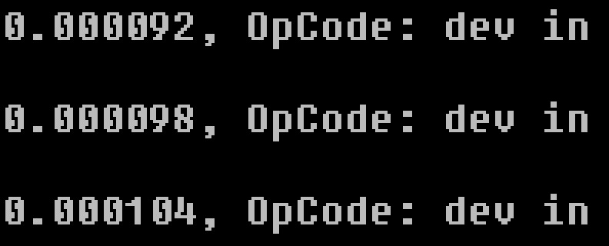
 |  |  | Process Timing |  |  |  |  |  |  |  | Clear example of FCFS-N scheduling |  | SJF-N scheduling results in
 |  |  |  | Enter grade as positive number |  |  |  |  |  |  |  |  | the same program output as FCFS |  |  | Changing the scheduling type
 |  |  |  | No credit for this part if threads are not used and/or if sleep, usleep, nanosleep, etc. are used |  |  |  |  |  |  |  |  |  |  |  | has no effect on how program runs
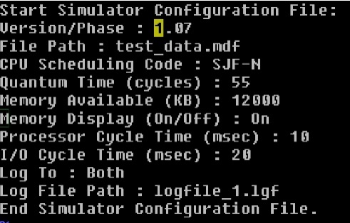
 | 0 | 0 | /5 | Threads are correctly used for timing each I/O operation
 | 0 | 0 | /5 | Threading operations are clear and understandable
 | Subtotal: | 0 | 10
 |  |  |  | The programmer has not implemented threads for I/O operations in this assignment. Likewise, the
 |  |  |  | timing function does not seem to be properly implemented, and operations will not run for the
 |  |  |  | appropriate amount of time as indicated by the configuration file. Because neither the timer nor the
 |  |  |  | thread operations are implemented corrected, no points have been awarded for this section.
 |  |  |  |  |  |  |  |  |  |  | Example of device timers not running correctly |  |  |  | Config file indicating timer should
 |  |  | Memory Operations |  |  |  |  |  |  |  |  |  |  |  | run for 20ms instead of 6ms
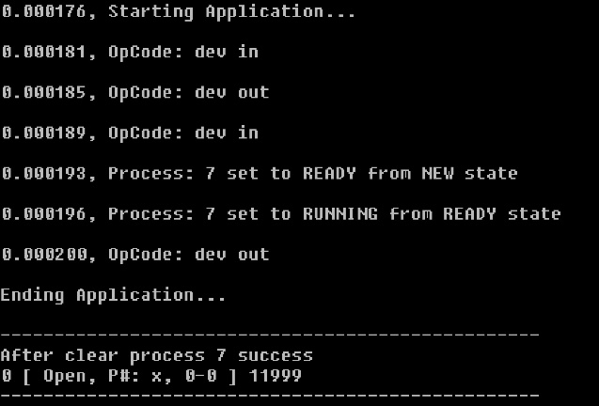
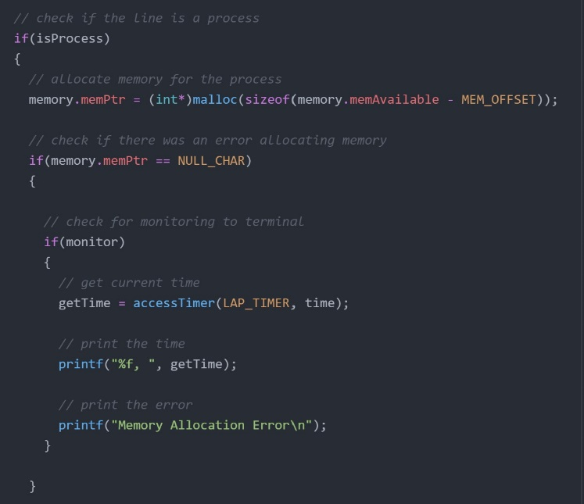
 |  |  |  | Enter grade as positive number |  |  |  |  |  |  |  |  |  |  |  |  |  |  | No evidence of threads being implemented
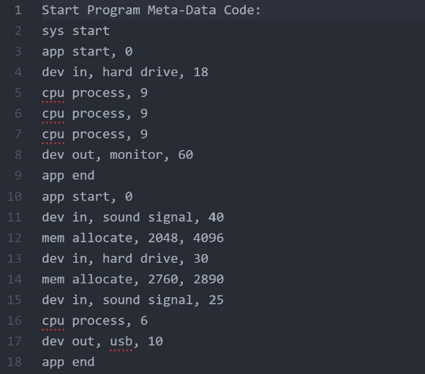
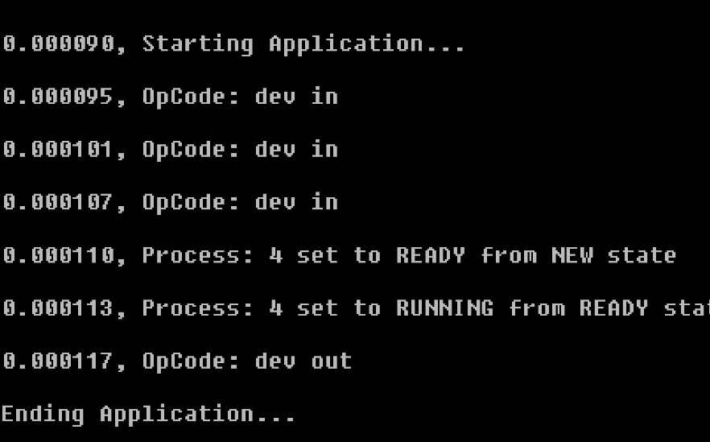
 | 4 | 0 | /10 | Clearly shows correct tests and responses for memory allocation (getting memory from the OS)
 | 0 | 0 | /10 | Clearly shows correct tests and responses for memory access (using previously allocated memory)
 | 2 | 0 | /10 | Program code clearly shows how OS will accept success and drive segmentation fault as needed
 | 10 | 2 | /10 | Program code clearly shows how the memory will be displayed
 | Subtotal: | 2 | 40
 |  |  |  | The program does not display any sort of response for memory access or memory allocation. Additionally,
 |  |  |  | passing in an invalid memory command does not cause a process to stop or fail, and is apparently
 |  |  |  | ignored. Even when configured to display memory, no memory is displayed, other than the clear process
 |  |  |  | memory display at the end of each process. The code does allocate memory within the program using malloc,
 |  |  |  | but this is not used within the simulator itself for any useful simulated memory operation or output. |  |  |  |  |  |  |  | No mem alloc or access display

 |  |  |  |  |  |  |  |  |  |  |  |  |  |  |  |  | Example metadata file which should result
 |  |  | Simulator Operation |  |  |  |  |  |  |  |  |  |  |  |  |  | in seg fault error
 |  |  |  | Enter grade as positive number |  |  |  |  |  |  |  |  | Only coded mem display is for if memory pointer is null |  |  |  |  |  |  | No indication of memory ops or memory error
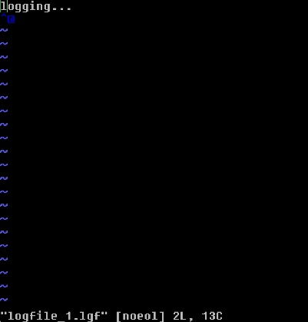
 |  |  |  | No credit for this part if code cannot be compiled and/or run |  |  |  |  |  |  |  |  | No internal alloc/access functions
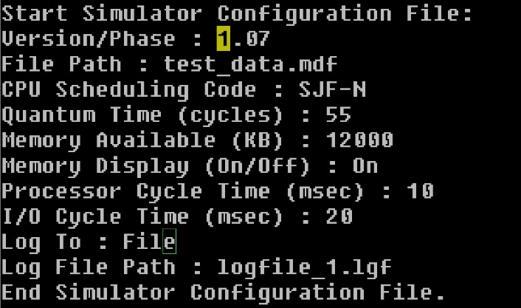
 | 12 | 12 | /15 | Program runs correctly with "Log To:" set to MONITOR, FILE, or BOTH with one meta-data file
 | 5 | 0 | /5 | Program runs correctly with memory acquisition attempted, succeeded, and displayed
 | 3 | 0 | /5 | Program runs correctly with memory acquisition attempted, failed, and displayed
 | 0 | 0 | /5 | Program runs correctly with memory access attempted, succeeded, and displayed
 | 0 | 0 | /5 | Program runs correctly with memory access attempted, failed, and displayed
 | Subtotal: | 12 | 35
 |  |  |  | Unfortunately the program does not run correctly with any implementation of memory operations in the |  |  |  |  |  |  |  |  |  |  | Sim shows that it is running in log to file mode
 |  |  |  | given metadata file. The log to Monitor seems to function as intended, but specifying logto both or file
 |  |  |  | does not result in a usable output file. Such file does not contain any log of operations, memory or otherwise.
 |  |  |  | There is no indication in the code of an attempt to implement memory operations. |  |  |  |  |  |  |  |  |  |  |  |  |  | Log file is empty
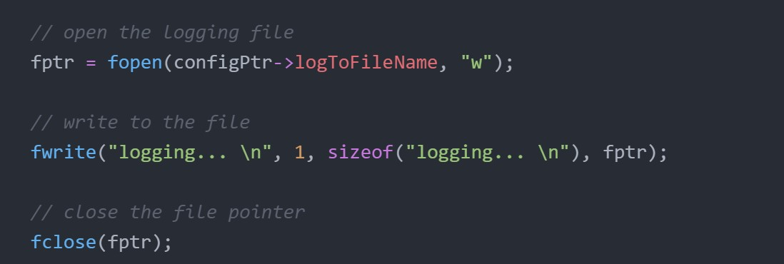
 |  |  |  |  |  |  |  |  |  |  |  | Test config for logging only to file
 |  |  | Grade Reductions |  |  |  |  |  |  |  |  | (with memory display)
 |  |  |  | Each reduction is on a per occasion case (i.e., five single-letter variables is -5)
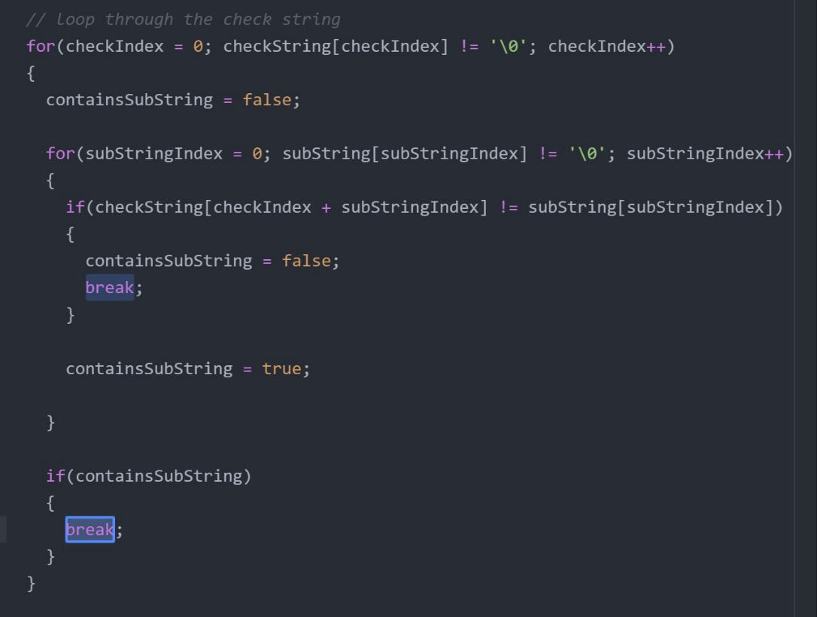
 |  |  |  | Enter grade as negative number

 | 0 | 0 | -1/ | single-letter or non-self-documenting variable
 | 0 | 0 | -1/ | missing or non-aligned curly braces
 | 0 | 0 | -1/ | redundant Boolean test
 | 0 | 0 | -2/ | second, or subsequent, if statement that should logically be else
 | 0 | 0 | -2/ | data/state change in parameter lists or array brackets
 | 0 | 0 | -2/ | declaration of variable within a loop (including for(---) |  |  |  |  |  |  |  |  |  |  | Code does not implement logging of any operations
 | 0 | 0 | -2/ | use of if/else in place of Boolean return statement
 | 0 | 0 | -2/ | code on same line as curly brace, other than data type creation
 | 0 | 0 | -2/ | use of numbers where Boolean should be used
 | 0 | 0 | -2/ | use of numerical literals in parameter lists or array brackets
 | -4 | -4 | -2/ | use of break anywhere but in a switch statement
 | 0 | 0 | -3/ | use of return without return value
 | 0 | 0 | -3/ | use of continue or goto anywhere
 | 0 | 0 | -3/ | I/O operations in a function not specified for I/O
 | 0 | 0 | -3/ | use of functions in parameter lists or array brackets
 | 0 | 0 | -3/ | use of empty if or else statement blocks
 | 0 | 0 | -3/ | use of tabs that causes difficulty reading code |  |  |  |  | Use of break(s) outside switch statement
 | Subtotal: | -4 | 0

 |  |  | Valgrind memory test
 |  |  |  | Enter grade as negative number

 | 0 | 0 |  | Credit reduction of -1 (up to -10 points) for "definitely lost" memory blocks
 | Subtotal: | 0 | 0 |  | - Note: No other Valgrind errors are considered

 |  |  |  | The Valgrind tests have shown that the programmer has no memory leaks in their program. All blocks
 |  |  |  | are 'still reachable', and there are no 'definitely lost' memory blocks identified.

 |  |  |  |  |  |  |  |  |  |  | No 'definitely lost' memory blocks
 |  |  | Assignment Specification or Constraint Not Met

 | 0 | 0 | 0 | Failed to include grading spreadsheet in tar/gz file (-10)
 | 0 | 0 | 0 | Incorrect file name (-10)
 | 0 | 0 | 0 | Incorrect file compression (-10)
 | 0 | 0 | 0 | Outputs to file during simulator operation (-10)
 | 0 | 0 | 0 | Use of any str- or other disallowed utilities (-15% of raw subtotal)
 | 0 | 0 | 0 | Use of any other disallowed functions or tools (-15% of raw subtotal)
 | 0 | -102 | 0 | Other evidence of specification or constraint not met (Check with Michael)
 | Subtotal: | -102 | 0
 |  |  |  | File names are correct, the correct type of compressed archive is used, no string utilities or disallowed
 |  |  |  | tools are used.

 |  |  |  | I spoke to Professor Leverington about this assignment and he has suggested that since none of the
 |  |  |  | 3 major requirements at the top of the rubric were fulfilled, this assignment should be graded as a zero.

 |  |  |  | Ultimately, there is no code which implements SJF-N scheduling other than a few short lines for
 |  |  |  | changing what is output to the monitor. Memory operations are not implemented at all in the program,
 |  |  |  | either display or actual code to manage them. The threads to manage and time I/O operations
 |  |  |  | are not implemented either, nor is the timer functional.

 |  |  |  | The simulator does not appear to function as outlined in the requirements for Sim 02 or Sim 03.
 |  |  |  | The only memory operation implemented is a malloc command run to allocate memory, which doesn't
 |  |  |  | actually have any effect on how the simulator is run. Turning memory display on or off doesn't show
 |  |  |  | anything different, other than a hard coded display to clear memory which doesn't actually free the
 |  |  |  | malloc'd memory. Threads aren't implemented, the timer doesn't work properly, and mem and cpu ops
 |  |  |  | don't even appear in the simulator display, nor does the sim have the code to appropriately handle them.

 |  |  |  | There is a single memory display implemented within the program, that of "after clear process memory".
 |  |  |  | However, this memory display does not functionally do anything within the program itself, and is hard-
 |  |  |  | coded to be displayed if memory management is turned on. The assignment specification states that there
 |  |  |  | must be new code for memory management and display. Because no memory management has been
 |  |  |  | implemented, and only one relatively unhelpful display which can only be logged to monitor, I believe that
 |  |  |  | this program does not meet this specification.

 |  |  |  | No attempt has been made to implement threads for I/O operations at all. Additionally, specifying SJF-N
 |  |  |  | scheduling does not have any impact on how the simulator runs, other than changing a single line in the
 |  |  |  | monitor log. Hence, with any given scheduling type, the simulator will always run exactly the same way.
 |  |  |  | Looking through the code, changing what is output to the monitor is the only thing that this config item
 |  |  |  | functionally accomplishes, and thus it cannot be said that there is new code to implement SJF-N
 |  |  |  | scheduling in the program.

 |  |  |  | It is very unfortunate, but having looked at both the code and the simulator output, I do not believe that
 |  |  |  | this simulator meets any of the requirements outlined for the project. At the advice of Professor
 |  |  |  | Leverington, this project has been graded as a zero due to the fact that none of the 3 fundamental
 |  |  |  | constraints have been met.

 | Instructor Grade Management - No student input below this line

 | Raw Subtotal |  |  |  | 0 | / | 205
 | Normalized |  |  |  | 0 | / | 100
 |  |  |  |  |  |  |  | Not turned in: 0 and 50% reduction of grade
 |  |  | /25 |  | Grader Score |  |  | Poor grading, minimal comments: 0 and 25% reduction of grade

1 | Total Score: |  |  |  | 0 | / | 125

