Contents


GINR Activity: Jun 01, 2020 to Jun 30, 2020

Table of Contents

Disclaimer and References | Disclaimer on the use of this report, and references to associated ERCOT Binding Documents ***Please read***
Acronyms | A list of the various acronyms used throughout the report
Summary | Tables that provide project aggregate counts and megawatt capacities by GINR phase and fuel type
Project Details | A table that lists project details; only includes projects for which a Full Interconnection Study has been requested
GINR Trends | Charts and tables that show historical and projected interconnection study trends
Commissioning Update | A table listing project commissioning approval milestones met for the month: energization, synchronization, and commercial operations approval
Inactive Projects | A table listing Inactive projects
Cancellation Update | A table listing the projects cancelled for the month

Time of Report Run: Jul 1, 2020 8:00:20 AM

GINR Trends
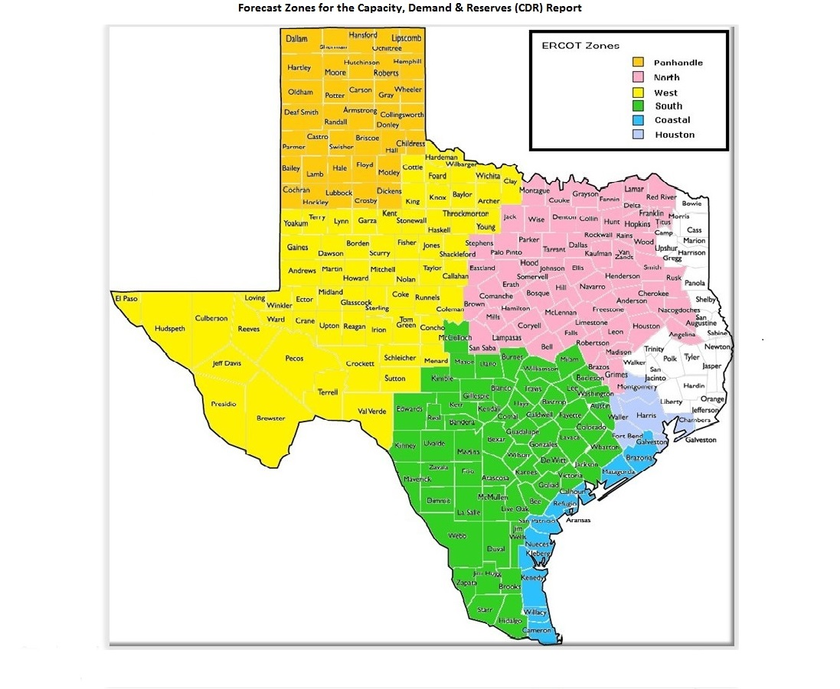
GINR Trends

Reflects all projects for which a Security Screening Study has been requested.
Excludes projects that have a status of Inactive (status = INA).
Nameplate capacity will change across time due to additional projects, cancelations, expirations, adjustments from study results, and projects being placed into service.

Monthly Capacity by GINR Milestone plus Project Count, 13-Month Rolling Basis
 | # Signed Interconnect Agreement | # Completed Full Study | # in Full Study | # Screening Study Complete | # Initial Screening study | GW Capacity
Jun-19 | 135 | 27 | 285 | 68 | 53 | 108.89626
Jul-19 | 143 | 25 | 295 | 87 | 36 | 111.97053
Aug-19 | 132 | 27 | 303 | 91 | 30 | 112.61539
Sep-19 | 130 | 26 | 298 | 91 | 30 | 111.06783
Oct-19 | 135 | 29 | 294 | 88 | 36 | 109.90887
Nov-19 | 133 | 29 | 300 | 89 | 38 | 110.39216
Dec-19 | 129 | 21 | 325 | 78 | 31 | 112.14983
Jan-20 | 132 | 23 | 333 | 78 | 47 | 119.35472
Feb-20 | 137 | 27 | 334 | 87 | 48 | 124.06242
Mar-20 | 144 | 21 | 320 | 101 | 35 | 121.61965
Apr-20 | 157 | 26 | 304 | 117 | 15 | 120.87084
May-20 | 159 | 27 | 300 | 89 | 20 | 116.52786
Jun-20 | 155 | 38 | 295 | 84 | 30 | 119.22852
 | Year | Month | Total Projects | Project Count |  |  |  |  |  | Project Capacity (MW)
 |  |  |  | GINR milestones |  |  |  |  |  | Fuel Type
 |  |  |  | Initial Screening Study | Screening Study Complete | In Full Study | Completed Full Study | Signed Interconnection Agreement | Cancelled | Wind | Solar | Gas | Nuclear | Coal | Biomass | Battery | Other
 | 2017 | Jun | 320 | 33 | 45 | 154 | 3 | 85 | 4 | 31,835 | 22,275 | 15,656 | 0 | 240 | 0 | 30 | 0
 | 2017 | Jul | 323 | 38 | 44 | 155 | 3 | 83 | 7 | 30,279 | 21,974 | 15,656 | 0 | 0 | 0 | 30 | 0
 | 2017 | Aug | 333 | 32 | 61 | 155 | 5 | 80 | 11 | 30,068 | 23,814 | 14,357 | 0 | 0 | 0 | 0 | 0
 | 2017 | Sep | 336 | 35 | 60 | 157 | 5 | 79 | 18 | 29,915 | 24,089 | 12,001 | 0 | 0 | 0 | 0 | 0
 | 2017 | Oct | 339 | 25 | 66 | 163 | 9 | 76 | 6 | 30,090 | 24,729 | 14,201 | 0 | 0 | 0 | 0 | 0
 | 2017 | Nov | 340 | 14 | 64 | 172 | 15 | 75 | 17 | 29,882 | 24,893 | 13,747 | 0 | 0 | 0 | 0 | 0
 | 2017 | Dec | 337 | 7 | 57 | 166 | 19 | 73 | 8 | 30,198 | 24,123 | 13,969 | 0 | 0 | 0 | 30 | 0
 | 2018 | Jan | 335 | 15 | 56 | 169 | 21 | 74 | 17 | 31,420 | 22,739 | 12,768 | 0 | 0 | 0 | 0 | 0
 | 2018 | Feb | 334 | 11 | 46 | 177 | 27 | 73 | 9 | 32,258 | 22,413 | 12,727 | 0 | 0 | 0 | 0 | 0
 | 2018 | Mar | 340 | 14 | 41 | 179 | 27 | 79 | 8 | 32,897 | 23,515 | 12,065 | 0 | 0 | 0 | 0 | 0
 | 2018 | Apr | 349 | 18 | 48 | 172 | 30 | 81 | 4 | 33,427 | 24,709 | 13,484 | 0 | 0 | 0 | 0 | 0
 | 2018 | May | 369 | 33 | 36 | 180 | 34 | 86 | 13 | 33,799 | 27,766 | 13,442 | 0 | 0 | 0 | 200 | 0
 | 2018 | Jun | 379 | 32 | 42 | 190 | 27 | 88 | 6 | 34,376 | 28,448 | 13,674 | 0 | 0 | 0 | 522 | 0
 | 2018 | Jul | 404 | 34 | 60 | 197 | 25 | 88 | 6 | 37,708 | 30,518 | 11,668 | 0 | 0 | 0 | 522 | 0
 | 2018 | Aug | 417 | 26 | 57 | 220 | 26 | 88 | 11 | 40,851 | 29,649 | 10,814 | 0 | 0 | 0 | 2,177 | 0
 | 2018 | Sep | 426 | 30 | 67 | 212 | 26 | 91 | 15 | 40,327 | 31,655 | 8,590 | 0 | 0 | 0 | 1,889 | 0
 | 2018 | Oct | 429 | 26 | 60 | 221 | 24 | 98 | 4 | 40,238 | 32,249 | 9,074 | 0 | 0 | 0 | 1,889 | 0
 | 2018 | Nov | 443 | 23 | 59 | 235 | 26 | 100 | 7 | 40,283 | 36,682 | 7,503 | 0 | 0 | 0 | 2,048 | 0
 | 2018 | Dec | 465 | 31 | 67 | 237 | 27 | 103 | 9 | 39,596 | 40,732 | 9,249 | 0 | 0 | 0 | 2,343 | 0
 | 2019 | Jan | 489 | 43 | 69 | 244 | 26 | 107 | 20 | 39,222 | 43,504 | 10,825 | 0 | 45 | 0 | 3,147 | 0
 | 2019 | Feb | 493 | 38 | 70 | 246 | 24 | 115 | 12 | 37,420 | 47,141 | 10,529 | 0 | 45 | 0 | 3,012 | 300
 | 2019 | Mar | 505 | 42 | 68 | 247 | 33 | 115 | 18 | 35,555 | 51,000 | 10,537 | 0 | 45 | 0 | 3,265 | 442
Monthly Capacity by Fuel Type plus Project Count, 13-Month Rolling Basis
 | Natural Gas | Nuclear | Coal | Wind | Solar | Biomass | Battery | Other | Total Project Count | Cancelled Project Count
Jun-19 | 9.7396 | 0 | 0 | 35.73918 | 59.16069 | 0 | 3.95679 | 0.3 | 568 | 19
Jul-19 | 9.2826 | 0.013 | 0 | 36.04846 | 62.35608 | 0 | 3.97039 | 0.3 | 586 | 11
Aug-19 | 8.2068 | 0.013 | 0 | 35.27572 | 64.57948 | 0 | 4.19979 | 0.3406 | 583 | 12
Sep-19 | 7.4052 | 0.013 | 0 | 34.55351 | 64.34373 | 0 | 4.45239 | 0.3 | 575 | 15
Oct-19 | 7.4455 | 0.013 | 0 | 31.68323 | 64.78975 | 0 | 5.62739 | 0.35 | 582 | 16
Nov-19 | 5.898 | 0.013 | 0 | 32.25273 | 64.66404 | 0 | 7.21439 | 0.35 | 589 | 11
Dec-19 | 5.607 | 0.013 | 0 | 30.17396 | 67.80794 | 0 | 7.79029 | 0.35 | 584 | 19
Jan-20 | 5.607 | 0.013 | 0 | 30.57334 | 73.6368 | 0 | 8.96562 | 0.55896 | 613 | 3
Feb-20 | 5.507 | 0.013 | 0 | 30.51472 | 77.69912 | 0 | 9.97858 | 0.35 | 633 | 1
Mar-20 | 5.749 | 0.013 | 0.493 | 28.8884 | 76.23817 | 0 | 10.38108 | 0.35 | 621 | 21
Apr-20 | 5.0838 | 0.013 | 0.493 | 27.77979 | 76.25221 | 0 | 10.89904 | 0.35 | 619 | 6
May-20 | 5.0838 | 0.013 | 0.42 | 25.95839 | 72.19113 | 0 | 12.38059 | 0.48095 | 595 | 40
Jun-20 | 5.4168 | 0.013 | 0.42 | 26.27199 | 73.65509 | 0 | 12.76873 | 0.68291 | 602 | 20
 | 2019 | Apr | 527 | 38 | 79 | 260 | 30 | 120 | 9 | 35,644 | 54,655 | 10,103 | 0 | 45 | 0 | 3,501 | 300
 | 2019 | May | 563 | 60 | 68 | 279 | 26 | 130 | 11 | 35,689 | 58,579 | 9,737 | 0 | 45 | 0 | 4,120 | 300
 | 2019 | Jun | 568 | 53 | 68 | 285 | 27 | 135 | 19 | 35,739 | 59,161 | 9,740 | 0 | 0 | 0 | 3,957 | 300
 | 2019 | Jul | 586 | 36 | 87 | 295 | 25 | 143 | 11 | 36,048 | 62,356 | 9,283 | 13 | 0 | 0 | 3,970 | 300
 | 2019 | Aug | 583 | 30 | 91 | 303 | 27 | 132 | 12 | 35,276 | 64,579 | 8,207 | 13 | 0 | 0 | 4,200 | 341
 | 2019 | Sep | 575 | 30 | 91 | 298 | 26 | 130 | 15 | 34,554 | 64,344 | 7,405 | 13 | 0 | 0 | 4,452 | 300
 | 2019 | Oct | 582 | 36 | 88 | 294 | 29 | 135 | 16 | 31,683 | 64,790 | 7,446 | 13 | 0 | 0 | 5,627 | 350
 | 2019 | Nov | 589 | 38 | 89 | 300 | 29 | 133 | 11 | 32,253 | 64,664 | 5,898 | 13 | 0 | 0 | 7,214 | 350
 | 2019 | Dec | 584 | 31 | 78 | 325 | 21 | 129 | 19 | 30,174 | 67,808 | 5,607 | 13 | 0 | 0 | 7,790 | 350
 | 2020 | Jan | 613 | 47 | 78 | 333 | 23 | 132 | 3 | 30,573 | 73,637 | 5,607 | 13 | 0 | 0 | 8,966 | 559
 | 2020 | Feb | 633 | 48 | 87 | 334 | 27 | 137 | 1 | 30,515 | 77,699 | 5,507 | 13 | 0 | 0 | 9,979 | 350
 | 2020 | Mar | 621 | 35 | 101 | 320 | 21 | 144 | 21 | 28,888 | 76,238 | 5,749 | 13 | 493 | 0 | 10,381 | 350
 | 2020 | Apr | 619 | 15 | 117 | 304 | 26 | 157 | 6 | 27,780 | 76,252 | 5,084 | 13 | 493 | 0 | 10,899 | 350
 | 2020 | May | 595 | 20 | 89 | 300 | 27 | 159 | 40 | 25,958 | 72,191 | 5,084 | 13 | 420 | 0 | 12,381 | 481
 | 2020 | Jun | 602 | 30 | 84 | 295 | 38 | 155 | 20 | 26,272 | 73,655 | 5,417 | 13 | 420 | 0 | 12,769 | 683

Capacity for Planned Projects by Projected In-service Year and CDR Forecast Zone
 | Gas | Wind | Solar | Battery | Other
2020 | 0.354 | 1.5041 | 0.12 |  | 0.013
2021 | 0.117 | 1.06174 | 2.40696 | 1.14504
2022 |  | 0.6275 | 2.4205 | 0.35185
2023 |  |  | 0.75784
2018 | 0.012
2020 | 0.374
2021 | 1.4636 |  | 1.54655
2022 | 0.498 | 0.4 | 0.138
2023 | 0.697 |  | 0.458
2025 |  |  |  |  | 0.05
2026 |  |  |  |  | 0.05
2019 |  | 0
2020 | 0.083 | 3.85382 | 2.18341 | 0.04026
2021 |  | 6.76089 | 7.28811 | 1.48088 | 0.20196
2022 |  | 1.8827 | 12.31323 | 2.20819 | 0.07095
2023 | 0.45 | 0.7553 | 2.6314
2024 |  | 0.2553
2020 | 0.065 | 0.47288 | 0.31815 |  | 0.42
2021 | 0.3903 | 1.7207 | 5.23063 | 0.91174
2022 |  | 0.55099 | 9.96891 | 2.03352
2023 |  |  | 3.038
2024 | 0.3244 |  | 0.79148 | 0.1001
2025 |  |  |  |  | 0.1
2026 |  |  |  |  | 0.15
2020 |  |  | 0.2408
2021 | 0.0815 | 0.8251 | 1.46181 | 0.4
2022 |  |  | 0.92279 | 0.40481
2023 |  |  | 0.68321
2024 |  | 0.289 | 0.345
2020 | 0.045 | 0.83451 | 0.144 | 0.02
2021 | 0.462 | 3.02166 | 8.26933 | 2.28482
2022 |  | 1.4558 | 6.40758 | 1.04692 | 0.06
2023 |  |  | 3.46815 | 0.3406
2024 |  |  | 0.10125

Note: Other contains all Fuel and Technology Types not in the Solar, Wind, Gas or Battery categories.

