Weather Zones
Weather Zones
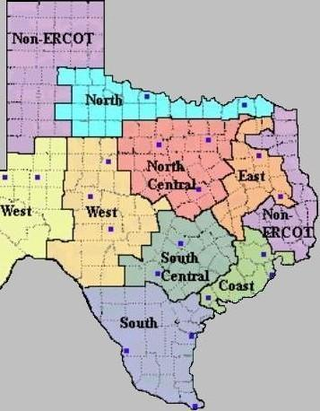
Weather Zone Name | Weather Zone Code
Coast | COAST
East | EAST
Far West | FWEST
North Central | NCENT
North | NORTH
South Central | SCENT
South | SOUTH
West | WEST
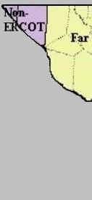

 |  | Blue squares signify weather station locations.

