Findings
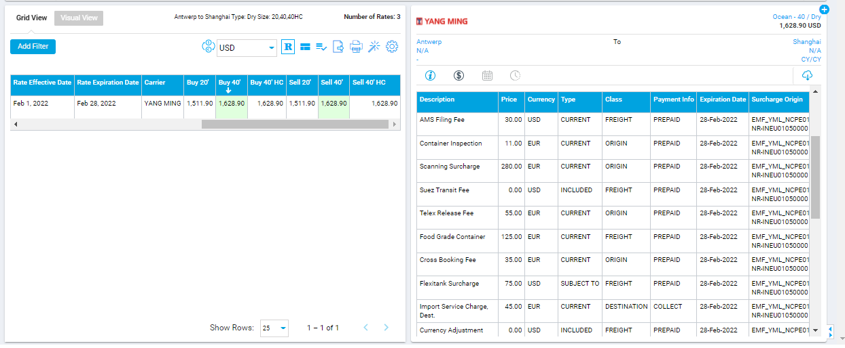

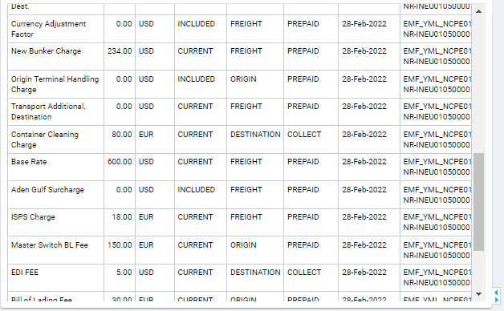

Currency Rate at the time of quote: | 0.92

 | Original Value before Round Up |  |  | Resulting Value after Round Up
CURRENT & PREPAID CHARGES: | Price |  | Value in USD | Price |  | Value in USD
AMS Filing Fee | 30.00 | USD | 30.00 | 30.00 | USD | 30.00
Container Inspection | 11.00 | EUR | 11.96 | 13.81 | EUR | 15.01
Scanning Surcharge | 280.00 | EUR | 304.35 | 280.72 | EUR | 305.13
Telex Release Fee | 55.00 | EUR | 59.78 | 55.22 | EUR | 60.02
Food Grade Container | 125.00 | EUR | 135.87 | 128.85 | EUR | 140.05
Cross Booking Fee | 35.00 | EUR | 38.04 | 36.82 | EUR | 40.02
New Bunker Charge | 234.00 | USD | 234.00 | 235.00 | USD | 235.00
Transport Additional, Destination | 0.00 | USD | 0.00 | 0.00 | USD | 0.00
Base Rate | 600.00 | USD | 600.00 | 600.00 | USD | 600.00
ISPS Charge | 18.00 | EUR | 19.57 | 18.41 | EUR | 20.01
Master Switch BL Fee | 150.00 | EUR | 163.04 | 151.86 | EUR | 165.07
Bill of Lading Fee | 30.00 | EUR | 32.61 | 32.31 | EUR | 35.12

TOTAL |  |  | 1629.22 |  |  | 1645.43

