Europa Params Set up
 |  | Europa

m | Mass (kg) | 4.80 E +22
R | Radius (m) | 1.561 E +6
C | MOI | 0.346

e | Eccentricity | 0.0094 | * varied in this project |  |  |  | I use the "knowns", m R C, to determine the silicate radius and density, by assuming the hydrosphere density is 1000
n | Mean Mot (Hz) | 2.05 E -5 |  |  |  |  |  |  | yes i assume the ice and ocean have the same density (though ice is like 920)
 |  |  |  |  |  |  |  |  | it makes it easier to hold the total mass constant as the ice thickness changes
 |  |  |  |  |  |  |  |  | it makes a very little difference compared to other reasons, in terms of equilibrium state
 | Europa 2 Layer Body |  |  |  |  |  |  |  | the range of behavior is covered, but i can adjust if you want
 |  | Radius (m) | Density (kg/m^3) | Rigidity (GPa)

 | silicate | 1.394 E +6 | 3824 | 65
 | hydrosphere | 1.561 E +6 | 1000 | 3.5 |  | << I use an Andrade rheology model for the ice, which scales this elastic rigidity down if theres dissipation (which there is - tidal heat).
 |  | * this means a 167km hydrosphere (ocean+ice) |  |  |  |  | its a function of temperature.
 |  |  |  |  |  |  | cold ices basically have this elastic value, it only scales down in maybe the bottom 10-20% of the ice where its warm

Ts | Surface Temp (K) | 100
Tb/Tm | Base/Melt Temp (K) | 273

ηm | Viscosity @ Tm (Pa s) | 10^13
c | Spec Heat Cap (J / [kg K]) | 2000

 | Other notes:

 | I didnt put it in the tables, but at depth = 0 the temperature is always 100K

 | The rheology model is Andrade

 | These are global average models, the tide and surface temp are average

 | The thickest shells are 165km (out of 167km) because my code requires an ocean layer. I can adjust if you need grounded models

 | For the 4 lowest eccentricities, i sampled to the maximum thicknesses every 5km. For the rest I did 2.5km. I can adjust if you need them tighter

 | The very thinnest shells, and also all thickness shells where the ecc is small, will not quite but essentially have a temperature profile that is analytic.
 |  | It has an equation.
 |  |  |  |  |  | where r is the radial position
 |  |  |  |  |  | d is the total shell thickness
 |  |  |  |  |  | and i think i defined the rest

 |  |  | Its just the solution to the heat equation diff eq, for conduction in sphericial medium without a source.
 |  |  |  | When the tide or volume is small the tide doesnt do much and this is the equation for the temp profile
 |  |  |  | It is always my initial condition, whether the tide is strong or not

 |  |  | Many of these tables (the ones with low eccentricity or are just real thin otherwise) are more or less going to be eqivalent to this
 |  |  |  | If you see the basal and the surface dots overlapping on a zipper plot you can assume this equation is the temperature profile.
 |  |  |  | Its only with a high tide (seperation between the basal and surface dots) that the solution deivates

 |  |  |  | A temp profile with a weak tide (about analytic) |  |  |  | A temp profile with a strong tide (evolved)

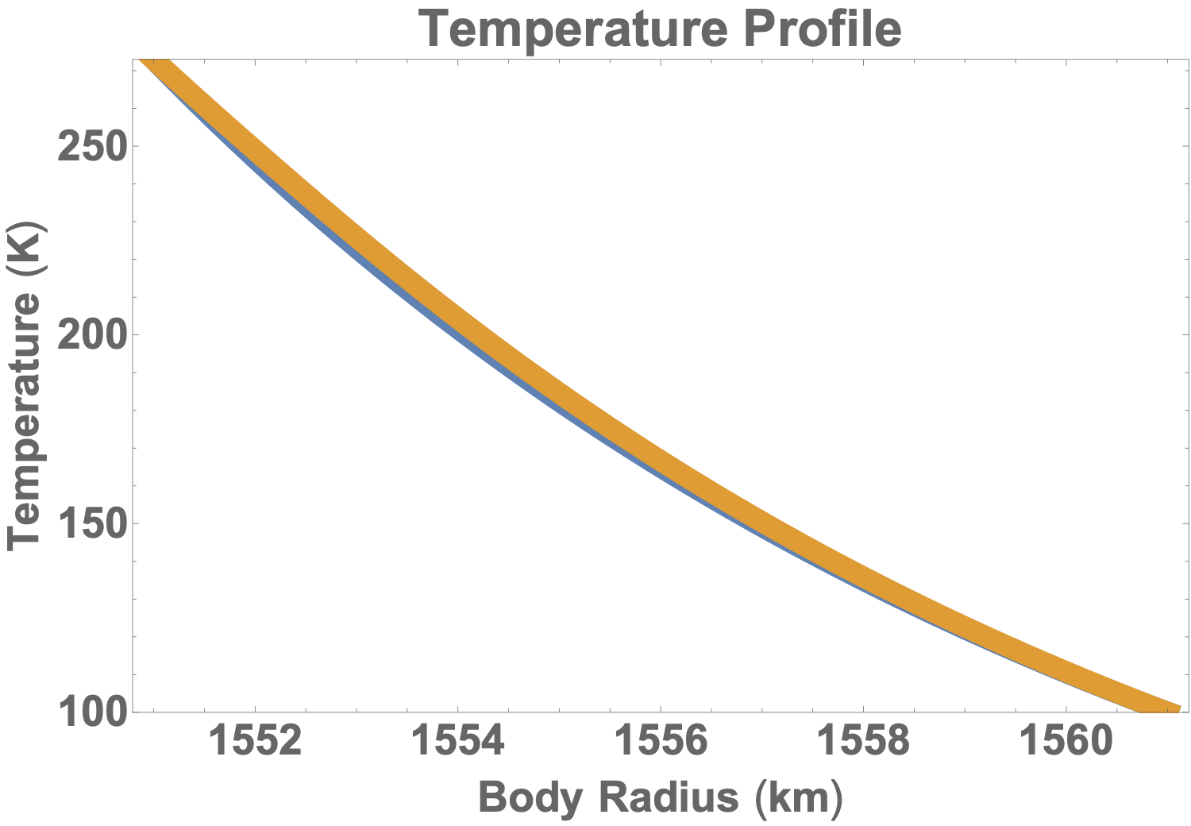
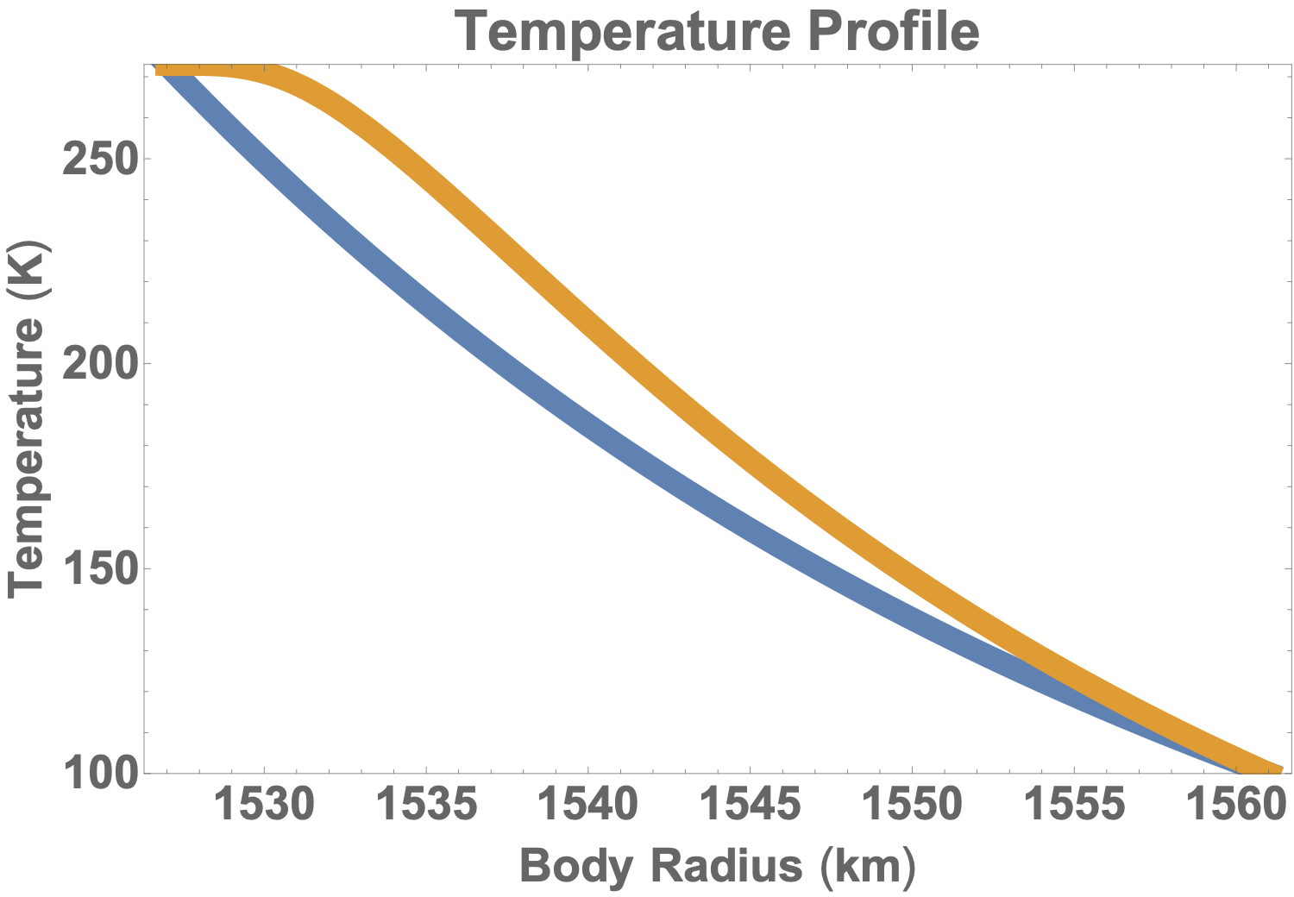

 |  |  | A 10km ice shell with ecc = 0.01 |  |  |  |  | A 34km ice shell with ecc = 0.01
 |  |  | Blue is the analytic initial condition |  |  |  |  | Blue is the analytic initial condition
 |  |  | Orange is equilibrium state |  |  |  |  | Orange is equilibrium state

 |  |  |  |  | Every Temp profile in the next tabs are all going to be somehwere in between these two

zippers
Weak Tide
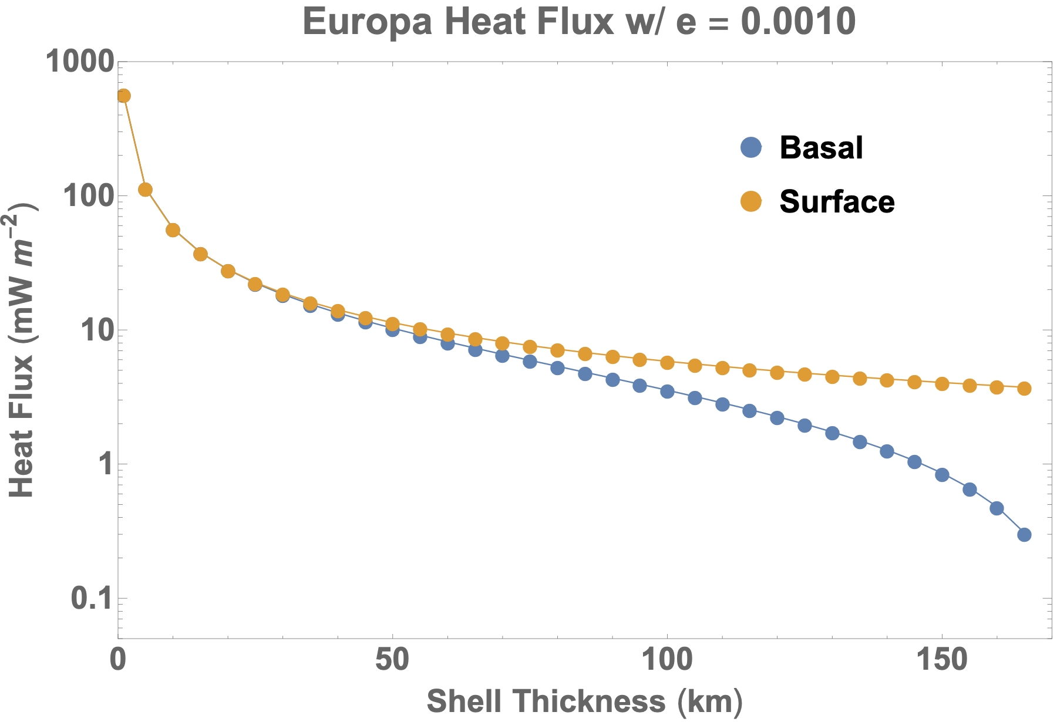



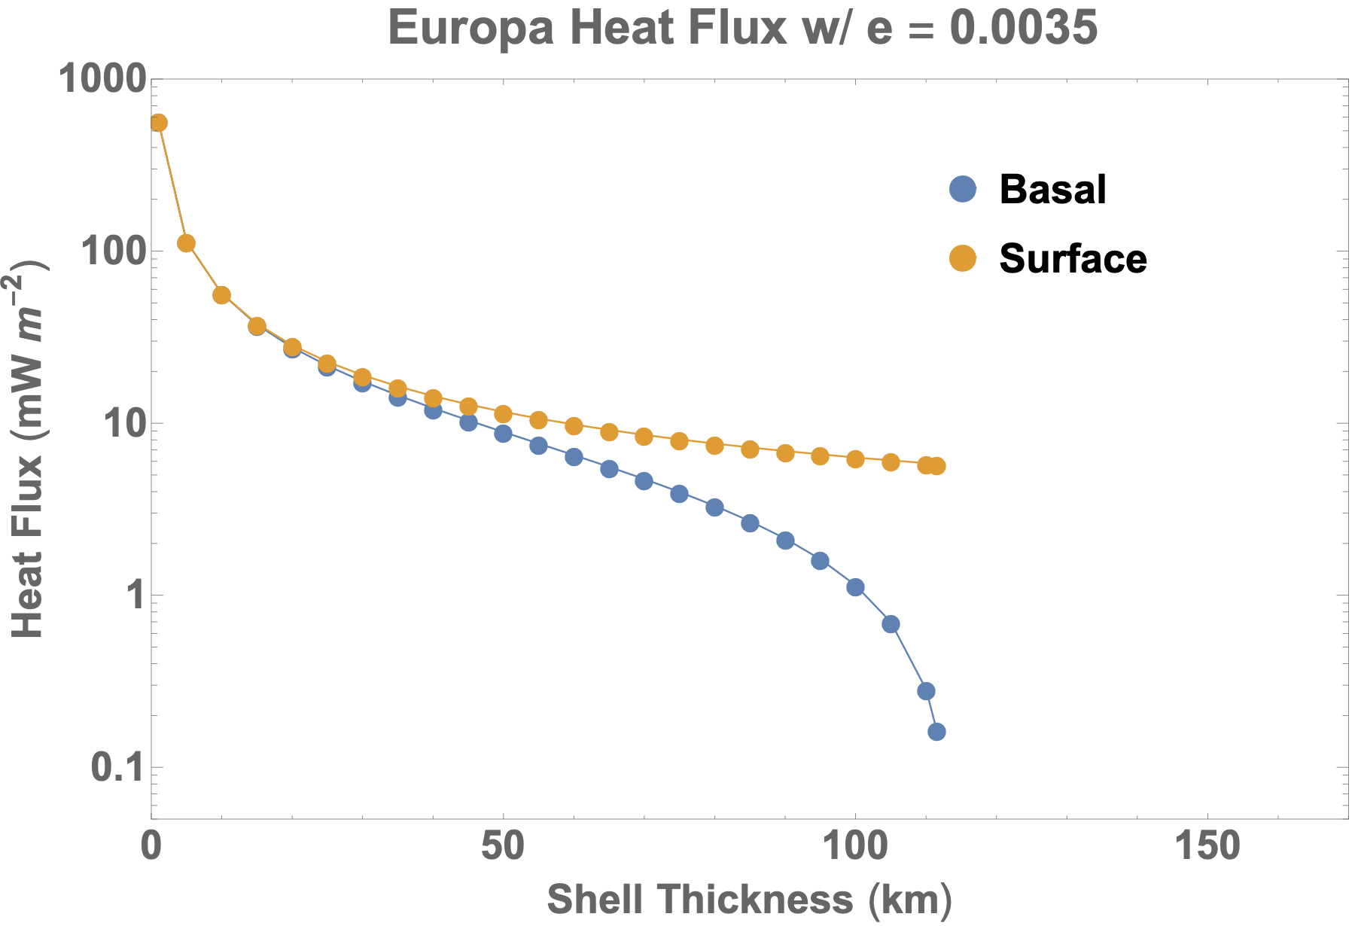

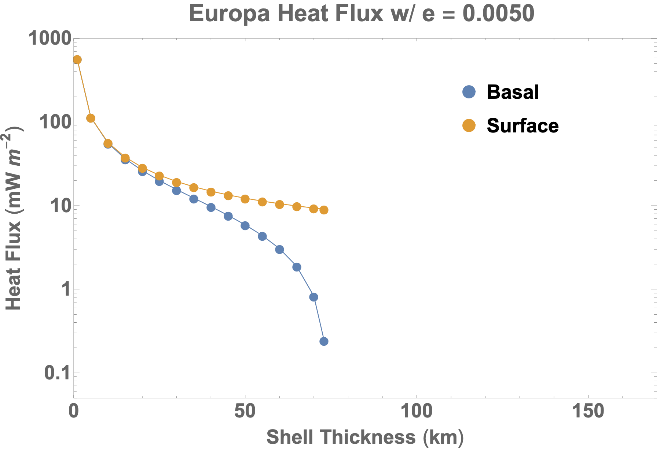

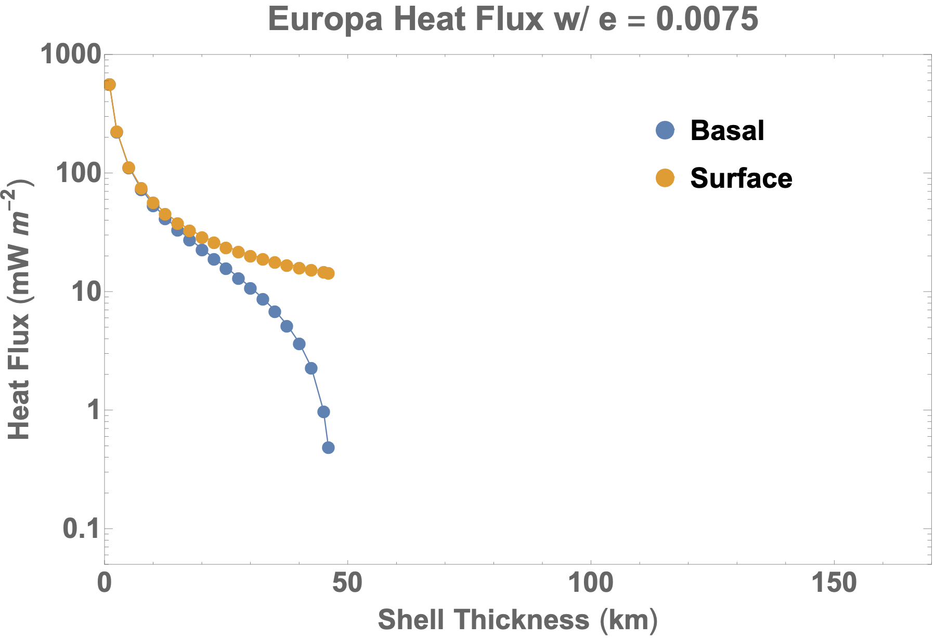

About todays value
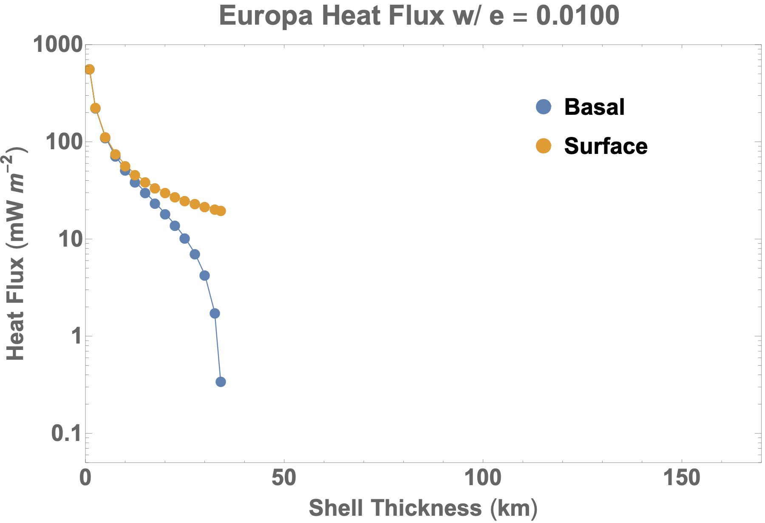

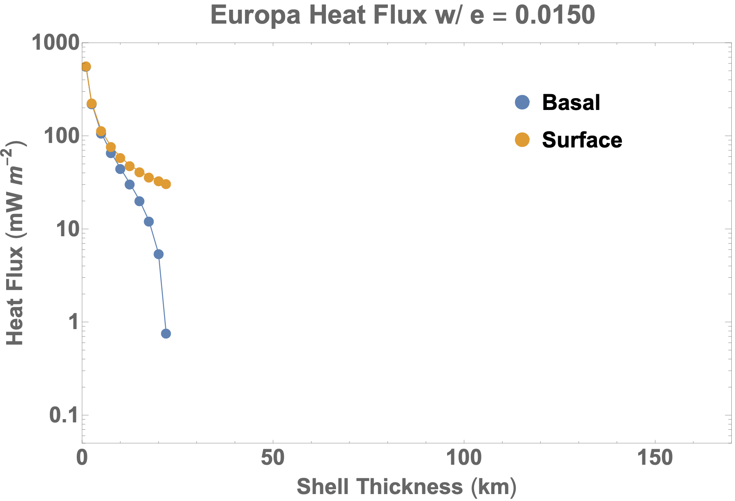

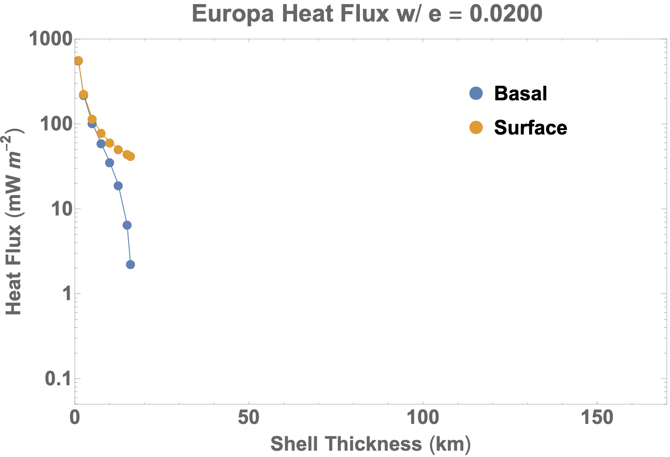

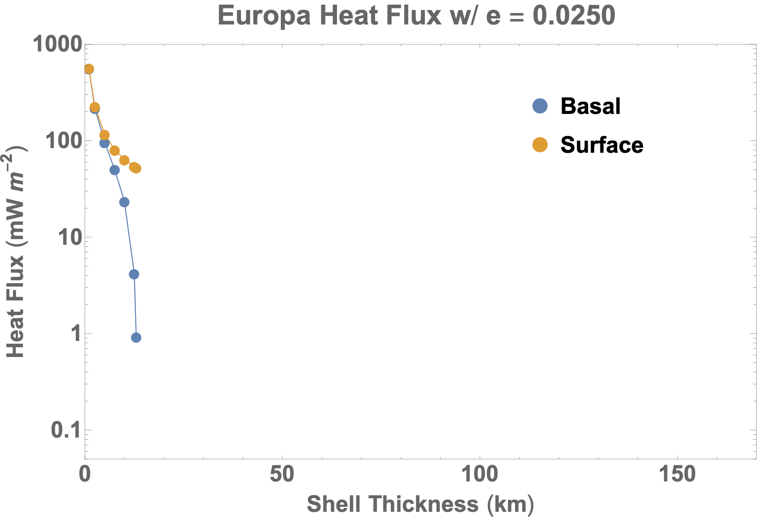
Strong tide

