Executive Rollup
MEGA PROJECT 2 — REAL REGULATORY CAPITAL ROLLUP

Real Pillar-1 Baseline Capital Requirement
$109,035,535

Real Portfolio RWA Density
79.0%

Real 99.9% Economic Capital (Monte Carlo)
$110,509,544

Real Severely Adverse Stressed Capital
$178,424,489

Most Concentrated Real Dimension
NAME_CONTRACT_TYPE (HHI=7562)

Real Problems Complete
5 / 5

Three Real Lenses on Capital — Compared, Never Summed
Lens | Capital (USD)
Pillar-1 Baseline (Notebook 01) | 109035535.28
99.9% Economic Capital — Monte Carlo (Notebook 03) | 110509544.36
Adverse Stress (Notebook 04) | 132589810.38
Severely Adverse Stress (Notebook 04) | 178424489.36

Scale caveat: figures reflect whatever data each notebook was most recently run against. The three lenses above are compared, never summed -- see the 'Three Lenses' sheet and this notebook's own model card for the full disclosure.

P01 Expected Loss & Capita
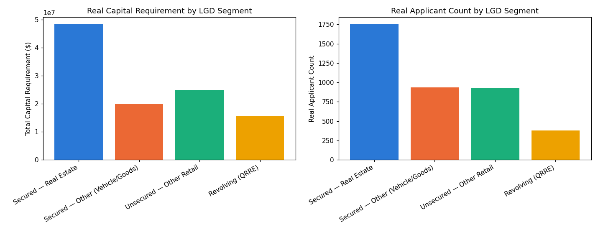
Metric | Value
Problem | Problem 1 — Expected Loss & Capital Requirement
Method | Basel retail-IRB Vasicek/ASRF closed-form capital function K(), applied to Mega Project 1's real champion PD
Statistical Robustness Verdict | STATISTICALLY ROBUST — RECOMMENDED FOR PRODUCTION
Integrity Checks | 15/15 PASS
Real Headline Result | $109,035,535 real Pillar-1 capital requirement
Runtime (s) | 2.3

Category | Value
Secured — Real Estate | 48524209.784
Secured — Other (Vehicle/Goods) | 20100849.454
Unsecured — Other Retail | 24914873.53
Revolving (QRRE) | 15495602.508

Real Capital by Segment

P02 Basel RWA Portfolio An
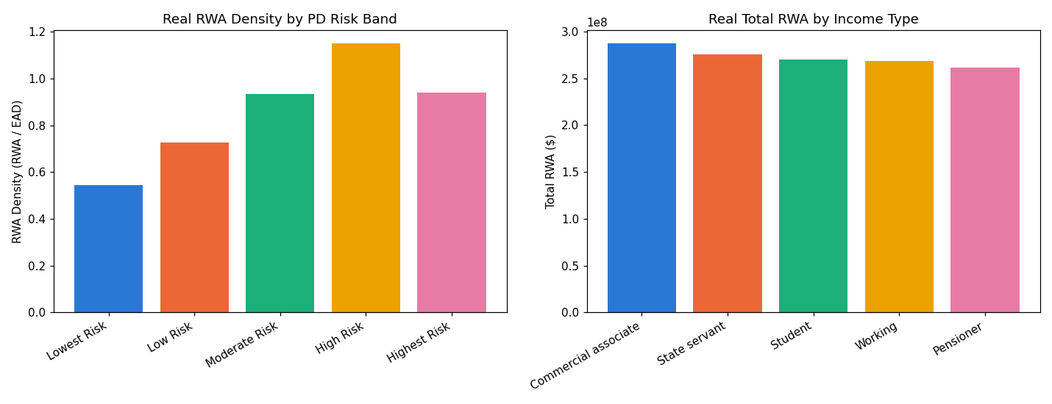
Metric | Value
Problem | Problem 2 — Basel RWA Portfolio Analytics
Method | Real RWA density (RWA / EAD) analytics across real PD bands and real segment dimensions -- a pure analytical layer, trains no model
Statistical Robustness Verdict | STATISTICALLY ROBUST — RECOMMENDED FOR PRODUCTION
Integrity Checks | 8/8 PASS
Real Headline Result | 79.0% real portfolio RWA density
Runtime (s) | 0.8

Category | Value
Lowest Risk | 0.54441418902
Low Risk | 0.72585749572
Moderate Risk | 0.9349433106
High Risk | 1.1495695804
Highest Risk | 0.94110445306

Real RWA Density by PD Band

P03 Economic Capital & Une
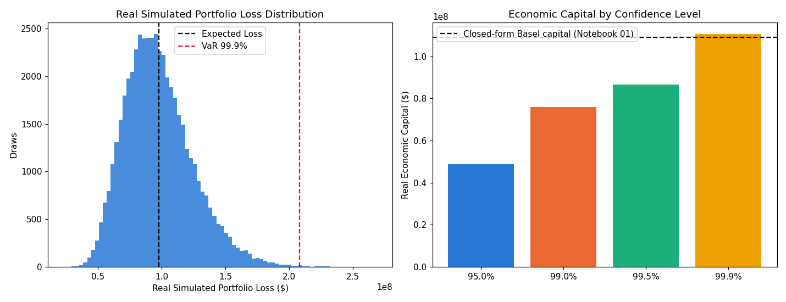
Metric | Value
Problem | Problem 3 — Economic Capital & Unexpected Loss
Method | Vectorized, batched Monte Carlo simulation of the same single-factor Vasicek model, cross-checked against the closed form
Statistical Robustness Verdict | STATISTICALLY ROBUST — RECOMMENDED FOR PRODUCTION
Integrity Checks | 7/7 PASS
Real Headline Result | $110,509,544 real 99.9% Economic Capital (Monte Carlo)
Runtime (s) | 10.3

Category | Value
0.95 | 48742580.088
0.99 | 75963054.379
0.995 | 86536083.427
0.999 | 110509544.36

Real Economic Capital by Confidence Level

P04 Macro Stress Testing
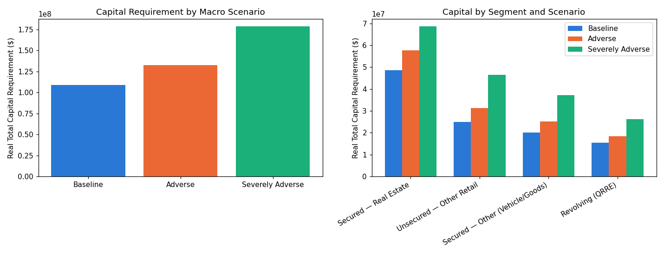
Metric | Value
Problem | Problem 4 — Macro Stress Testing
Method | Same real Vasicek conditional-PD formula re-evaluated at documented adverse Z values (95th / 99.9th percentile)
Scenario Validation Verdict | SCENARIO MECHANICS VALIDATED — RECOMMENDED FOR PRODUCTION
Integrity Checks | 7/7 PASS
Real Headline Result | $178,424,489 real Severely Adverse capital (+63.6% vs. baseline)
Runtime (s) | 0.8

Category | Value
Baseline | 109035535.3
Adverse | 132589810.38
Severely Adverse | 178424489.36

Real Capital by Stress Scenario

P05 Capital Concentration
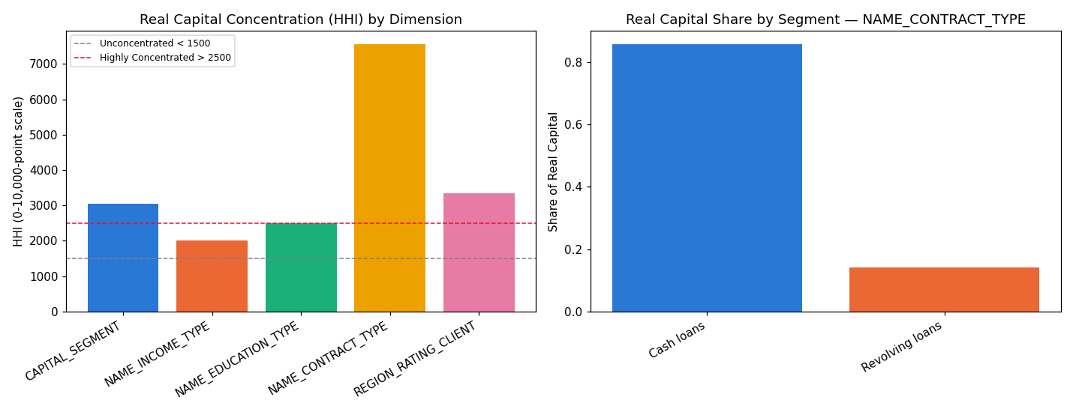
Metric | Value
Problem | Problem 5 — Capital Concentration by Segment
Method | Herfindahl-Hirschman Index (HHI) of real capital shares across 5 real segment/geography dimensions
Concentration Validation Verdict | CONCENTRATION METRICS VALIDATED — RECOMMENDED FOR PRODUCTION
Integrity Checks | 5/5 PASS
Real Headline Result | HHI=7562 (Highly Concentrated) by NAME_CONTRACT_TYPE
Runtime (s) | 0.8

Category | Value
CAPITAL_SEGMENT | 3044.4818229
NAME_INCOME_TYPE | 2001.9400949
NAME_EDUCATION_TYPE | 2505.5698346
NAME_CONTRACT_TYPE | 7561.6311784
REGION_RATING_CLIENT | 3335.8082454

Real HHI by Dimension

