Executive Rollup
MEGA PROJECT 2 — REAL REGULATORY CAPITAL ROLLUP

Real Pillar-1 Baseline Capital Requirement
$9,756,908,313

Real Portfolio RWA Density
66.2%

Real 99.9% Economic Capital (Monte Carlo)
$9,915,102,034

Real Severely Adverse Stressed Capital
$20,536,046,971

Most Concentrated Real Dimension
NAME_CONTRACT_TYPE (HHI=9031)

Real Problems Complete
5 / 5

Three Real Lenses on Capital — Compared, Never Summed
Lens | Capital (USD)
Pillar-1 Baseline (Notebook 01) | 9756908313
99.9% Economic Capital — Monte Carlo (Notebook 03) | 9915102033.7
Adverse Stress (Notebook 04) | 13811041323
Severely Adverse Stress (Notebook 04) | 20536046971

Scale caveat: figures reflect whatever data each notebook was most recently run against. The three lenses above are compared, never summed -- see the 'Three Lenses' sheet and this notebook's own model card for the full disclosure.

P01 Expected Loss & Capita
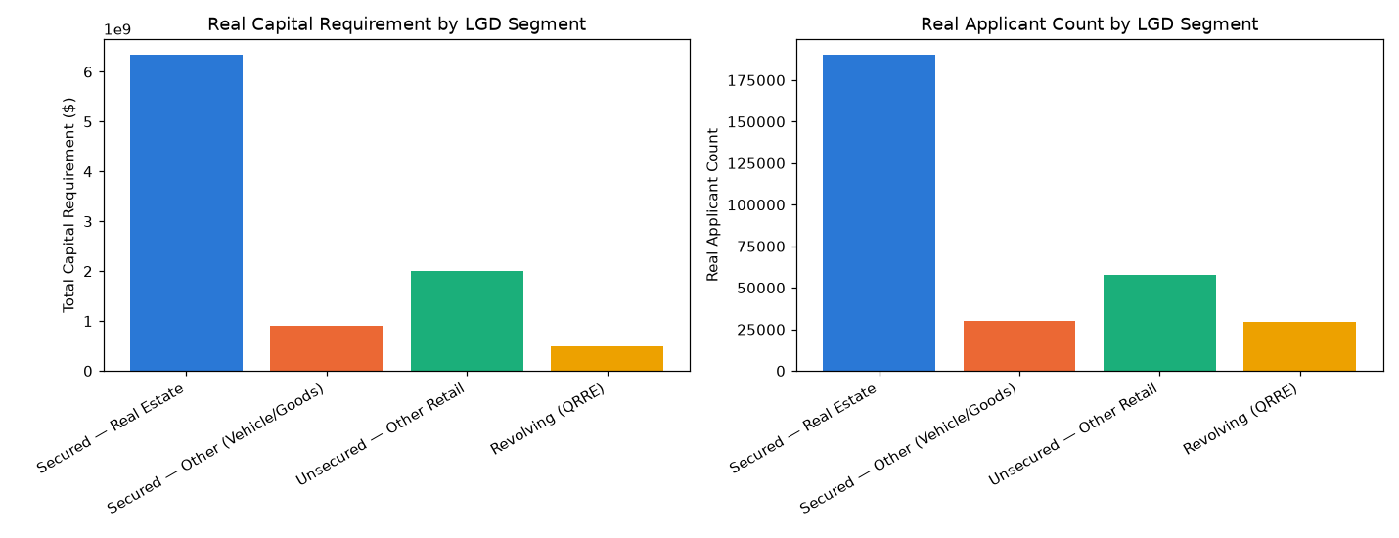
Metric | Value
Problem | Problem 1 — Expected Loss & Capital Requirement
Method | Basel retail-IRB Vasicek/ASRF closed-form capital function K(), applied to Mega Project 1's real champion PD
Statistical Robustness Verdict | STATISTICALLY ROBUST — RECOMMENDED FOR PRODUCTION
Integrity Checks | 15/15 PASS
Real Headline Result | $9,756,908,313 real Pillar-1 capital requirement
Runtime (s) | 48.6

Category | Value
Secured — Real Estate | 6340640309.9
Secured — Other (Vehicle/Goods) | 912034450.18
Unsecured — Other Retail | 2006180271.5
Revolving (QRRE) | 498053281.37

Real Capital by Segment

P02 Basel RWA Portfolio An
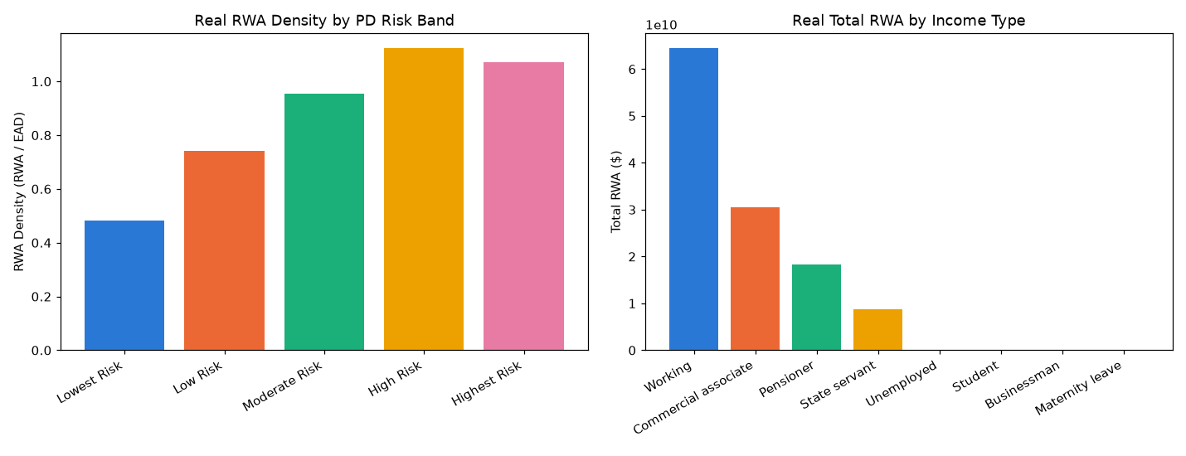
Metric | Value
Problem | Problem 2 — Basel RWA Portfolio Analytics
Method | Real RWA density (RWA / EAD) analytics across real PD bands and real segment dimensions -- a pure analytical layer, trains no model
Statistical Robustness Verdict | STATISTICALLY ROBUST — RECOMMENDED FOR PRODUCTION
Integrity Checks | 8/8 PASS
Real Headline Result | 66.2% real portfolio RWA density
Runtime (s) | 1.7

Category | Value
Lowest Risk | 0.483089761
Low Risk | 0.74045589523
Moderate Risk | 0.95551021354
High Risk | 1.1235057942
Highest Risk | 1.0722828803

Real RWA Density by PD Band

P03 Economic Capital & Une
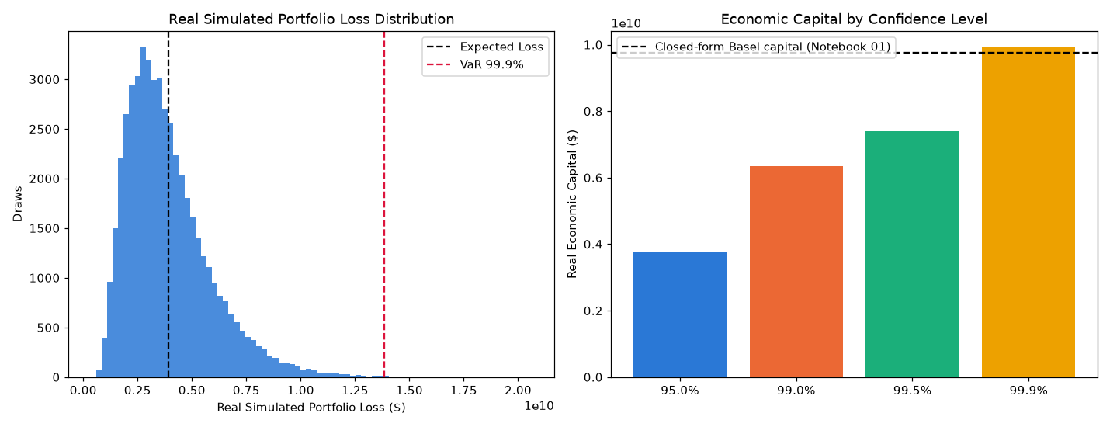
Metric | Value
Problem | Problem 3 — Economic Capital & Unexpected Loss
Method | Vectorized, batched Monte Carlo simulation of the same single-factor Vasicek model, cross-checked against the closed form
Statistical Robustness Verdict | STATISTICALLY ROBUST — RECOMMENDED FOR PRODUCTION
Integrity Checks | 7/7 PASS
Real Headline Result | $9,915,102,034 real 99.9% Economic Capital (Monte Carlo)
Runtime (s) | 717.9

Category | Value
0.95 | 3754282632.6
0.99 | 6340557945.6
0.995 | 7403256551.9
0.999 | 9915102033.7

Real Economic Capital by Confidence Level

P04 Macro Stress Testing
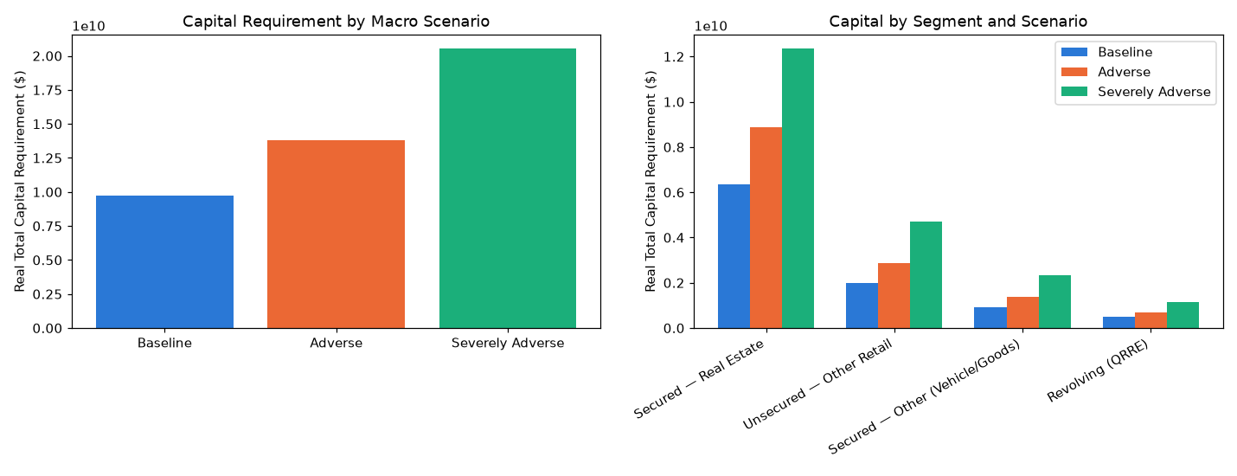
Metric | Value
Problem | Problem 4 — Macro Stress Testing
Method | Same real Vasicek conditional-PD formula re-evaluated at documented adverse Z values (95th / 99.9th percentile)
Scenario Validation Verdict | SCENARIO MECHANICS VALIDATED — RECOMMENDED FOR PRODUCTION
Integrity Checks | 7/7 PASS
Real Headline Result | $20,536,046,971 real Severely Adverse capital (+110.5% vs. baseline)
Runtime (s) | 1.9

Category | Value
Baseline | 9756908313
Adverse | 13811041323
Severely Adverse | 20536046971

Real Capital by Stress Scenario

