Bromine Route
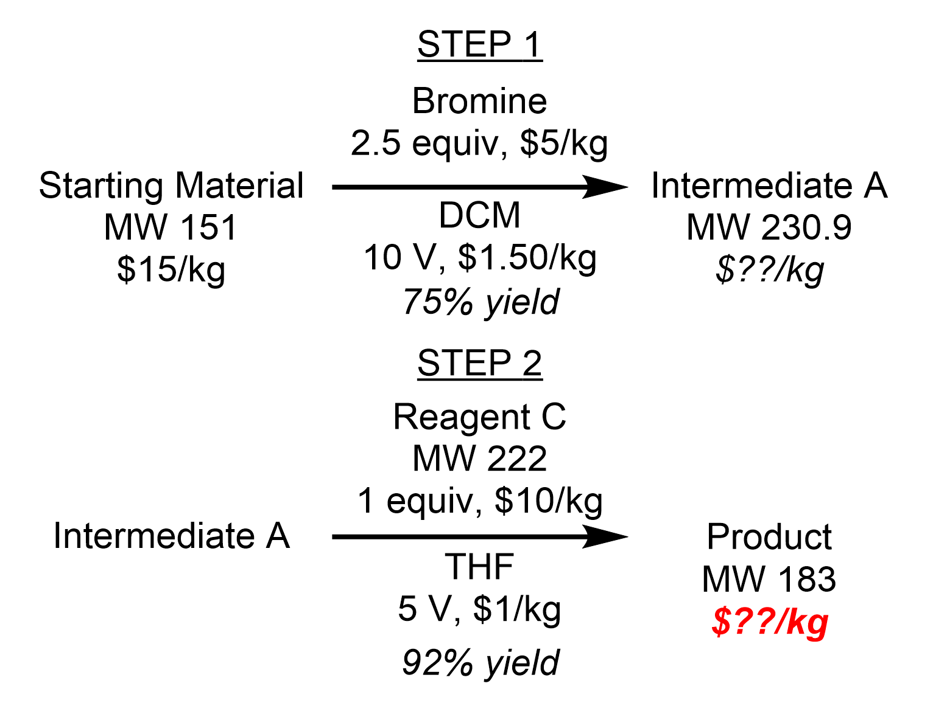
Step | Compound | Equiv | Volumes | Relative | Sol Recyc | Cost step | OPEX | Notes
1 | Starting Material | 1
1 | Bromine | 2.5
1 | Dichloromethane (DCM) |  | 10 | Starting Material | 0.75
1 | Intermediate A | 0.75 |  |  |  | 1

2 | Intermediate A | 1 |  |  |  | 1
2 | Reagent C | 1
2 | Tetrahydrofuran (THF) |  | 5 | Intermediate A | 0.75
2 | Product | 0.92 |  |  |  | 2

