Bromine Route
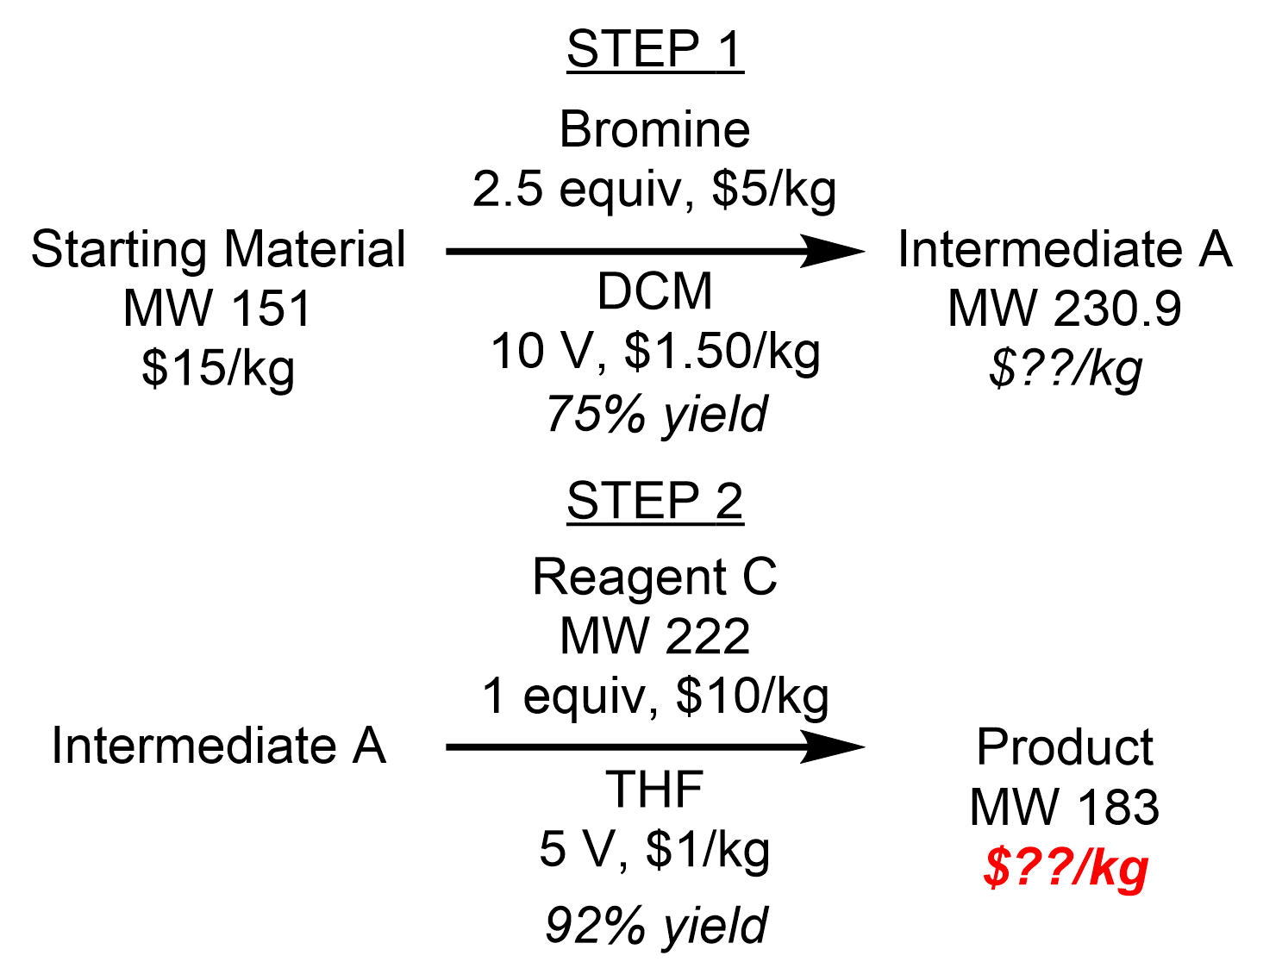
Step | Compound | Equiv | Volumes | Recycle | Notes
1 | Starting Material | 1
1 | Bromine | 2.5
1 | Dichloromethane (DCM) |  | 10 | 0.75 | 75% of solvent recycled
1 | Intermediate A | 0.75

2 | Intermediate A | 1
2 | Reagent C | 1
2 | Tetrahydrofuran (THF) |  | 5 | 0.75 | 75% of solvent recycled
2 | Product | 0.92

