Impl premium calculator
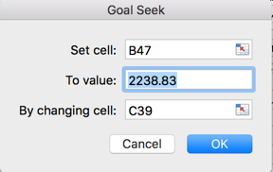
Implied Risk Premium Calculator
Inputs
Base Year Earnings for the Index | Reported |  | Cash Flow Choices
Enter current level of index | 2941.76 |  | Dividends and Buybacks Trailing 12 months = |  |  | 153.47 | C | Dividends + Buybacks in last four quarters
What cash yield (dividends & buybacks) do you want to use as your base number? | C |  | Dividends and Buybacks (Average yield- last decade) |  |  | 143.32 | A10 | Multiplies average cash yield over last 10 years by index level at the start of most recent quarter
Cash yield on index (Calculated number but you can override it) | 5.22% |  | Dividends and Buybacks (Average yield- last 5 years) |  |  | 148.20 | A5 | Multiplies average cash yield over last 5 years by index level at the start of most recent quarter
What expected growth rate do you want to use for the next 5 years? | TD |  | Dividends and Buybacks (Average payout- last decade) |  |  | 130.73 | P10 | Multiplies Earnings in last 12 months by average payout ratio (including buybacks) over last 10 years
Expected growth rate in earnings for the next 5 years = | 3.44% |  | Dividends and Buybacks (Average payout - last 5 years) |  |  | 148.46 | P5 | Multiplies Earnings in last 12 months by average payout ratio (including buybacks) over last 5 years
Enter current long term risk free rate = | 2.00% |  | Dividend and Buybacks (Average payout & normal earnings) |  |  | 98.00 | NORM | Multiplies average earnings over last 10 years by average payout ratio over same period
If you want to compute an intrinsic value for index, what ERP would you like to use? | ERP10 |  | Dividends and Buybacks, net of stock issues, trailing 12 months |  |  | 144.51 | NC | Dividends + Buybacks - Stock Issuances in last four quarters
ERP used to compute fair value of index (you can override this number) = | 5.57% |  | Growth Choices
Expected growth rate in the long term (after year 5) = | 2.00% |  | Historical earnings growth rate (last decade) = |  |  | 11.97% | H
Do you want to adjust the payout ratio to sustainable levels in year 5? | No |  | Bottom up forecasted growth rate (next 5 years) = |  |  | 6.47% | BU
Here is how it works |  |  | Top down forecasted growth rate (next 5 years) = |  |  | 3.44% | TD
For the intrinsic value of the index, I start with your base cash flow choice (from B5) and grow these cash flows at |  |  | Fundamental growth rate (based on current ROE) = |  |  | -0.01% | FC
the expected growth rate (from B7) for 5 years. After year 5, I use the expected growth rate in the long term (B12) |  |  | Fundamental growth rate (based on average ROE) = |  |  | -0.01% | FA
as the perpetual growth rate. The discount rate that I use is the sum of the risk free rate (B9) and your ERP choice (B11).
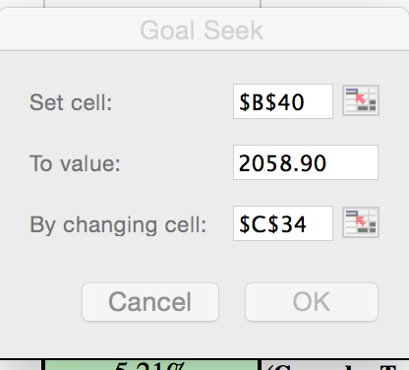
If you let me adjust your payout ratio, I adjust it to sustain your long term growth rate, given your ROE. Payout = 1 - g/ ROE |  |  | ERP Choices (for index intrinsic value)
For the implied ERP, you will have to use the goal seek function in Excel. (See picture to the right) |  |  | Historical Equity risk premium (US) = |  |  | 4.77% | HUS
1. In the set cell box, enter B47 |  |  | Historical Equity risk premium (Global) = |  |  | 3.20% | HG
2. In "To value" box, enter the current level of the index |  |  | Average implied ERP (last decade) = |  |  | 5.57% | ERP10
3. In "By changing cell" enter C39 |  |  | Average implied ERP (1960-Current) = |  |  | 4.20% | ERPLong
4. Click on OK and the answer should show up in C39. |  |  | Historical High ERP (1960-Current) = |  |  | 6.69% | ERPHigh
 |  |  | Base Year Earnings
 |  |  | Reported Earnings by companies in trailing 12 months |  |  | $153.38 | Reported
 |  |  | Operating Earnings (or adjusted earnings) |  |  | 140.42 | Inputed

Intrinsic Value Estimate (based on your choice of ERP)
 | Last 12 months | 1 | 2 | 3 | 4 | 5 | Terminal Year
Expected Earnings | 153.38 | 158.65 | 164.11 | 169.75 | 175.59 | 181.63 | 185.26
Expected cash payout (dividends + buybacks) as % of earnings | 100.06% | 100.06% | 100.06% | 100.06% | 100.06% | 100.06% | 100.06%
Expected Dividends + Buybacks = | 153.47 | $158.75 | $164.21 | $169.85 | $175.69 | $181.74 | 185.37
Expected Terminal Value = |  |  |  |  |  | $3,329.83
Present Value = |  | $147.58 | $141.92 | $136.47 | $131.23 | $2,438.40
Intrinsic Value of Index = |  | $2,995.60
Intrinsic Trailing PE = |  | 19.53
Intrinsic CAPE (based on inflation-adjusted ten year average earnings) = |  | 30.27
Implied Equity Risk Premium Calculator
Implied Risk Premium in current level of Index = |  | 5.67% | (Go under Tools and choose Solver or Goal Seek: See below)

 | Last 12 months | 1 | 2 | 3 | 4 | 5 | Terminal Year
Expected Earnings | $153.38 | 158.65 | 164.11 | 169.75 | 175.59 | 181.63 | 185.26
Expected cash payout (dividends + buybacks) as % of earnings | $1.00 | 100.06% | 100.06% | 100.06% | 100.06% | 100.06% | 1.00
Expected Dividends + Buybacks = | $153.47 | $158.75 | $164.21 | $169.85 | $175.69 | $181.74 | 185.37
Expected Terminal Value = |  |  |  |  |  | $3,270.34
Present Value = |  | $147.44 | $141.65 | $136.08 | $130.74 | $2,385.85
Intrinsic Value of Index = | $2,941.76

Expected growth rate
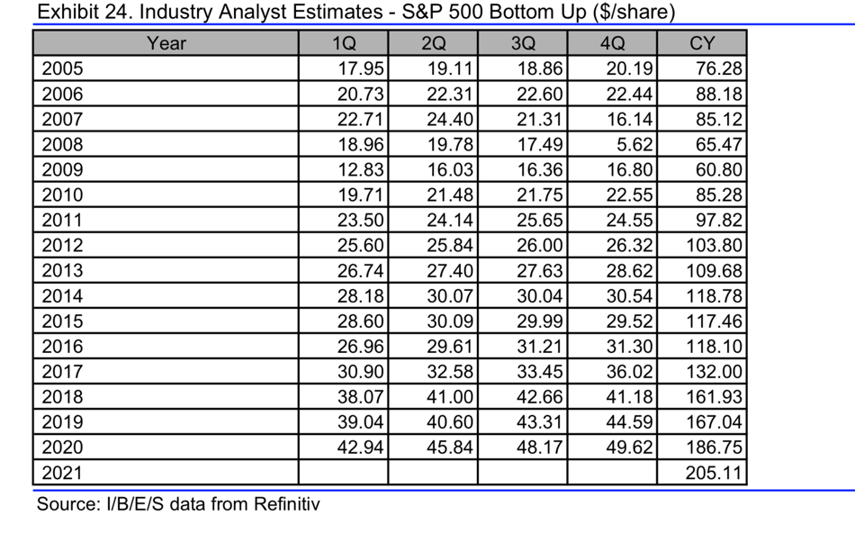
Top Down Estimates (Yardeni on 5/23/19) |  |  |  | Top down Estimates (Analyst Consensus on 3/18/19) |  |  |  |  | Bottom up Estimates (Thomson Reuters on 5/30/19) |  |  |  | Bottom up Estimates for Net Income (S&P)
Year | Earnings on Index |  | Source | Year | Earnings on Index |  | Source |  | Year | Earnings Growth | Earnings | Source | Earnings Growth | Earnings | Source
2018 |  | 163 | Yardeni | 2018 |  | 162.03 | Analyst Consensus |  | 2018 |  | 161.93 | Thomson-Reuters |  | 1418.75
2019 | 2.45% | 167 | Yardeni | 2019 | 3.64% | 167.93 | Analyst Consensus |  | 2019 | 3.16% | 167.04 | Thomson-Reuters | 6.39% | 1509.37 | S&P Cap IQ
2020 | 5.39% | 176 | Yardeni | 2020 | 11.98% | 188.05 | Analyst Consensus |  | 2020 | 11.80% | 186.75 | Thomson-Reuters | 8.45% | 1636.96 | S&P Cap IQ
2021 | 4.26% |  |  | 2021 | 8.65% |  |  |  | 2021 | 9.83% | 205.11 |  | 6.30% |  | S&P Cap IQ
2022 | 3.13% |  |  | 2022 | 5.33% |  |  |  | 2022 | 5.92% |  |  | 4.15%
2023 | 2.00% |  |  | 2023 | 2.00% |  |  |  | 2023 | 2.00% |  |  | 2.00%
Compounded average | 3.44% |  |  | Compounded average | 6.26% |  |  |  | Compounded average | 6.47% |  |  | 5.44%

Sources for top down estimates |  |  |  |  | Forecasts on Yahoo! Finance (Dec 2018)
Thomson Reuters |  |  |  |  | Analyst | 2018 | 2019
Factset |  |  |  |  | Mark Wilson, Morgan Stanley | 163.00 | 176.00
Yardeni |  |  |  |  | Savita Subramaniam, BofA | 163.00 | 170.00
Sources for bottom up estimates |  |  |  |  | Darby, Jeffries | 163.00 | 173.00
S&P Capital IQ | Used estimated Net Income aggregated across |  |  |  | Deshpande, Barclays | 163.00 | 176.00
 | individual companies for next two years |  |  |  | Levkovich (Citi) | 163.00 | 172.50
 |  |  |  |  | Lakos-Bujas, JPM | 163.00 | 178.00
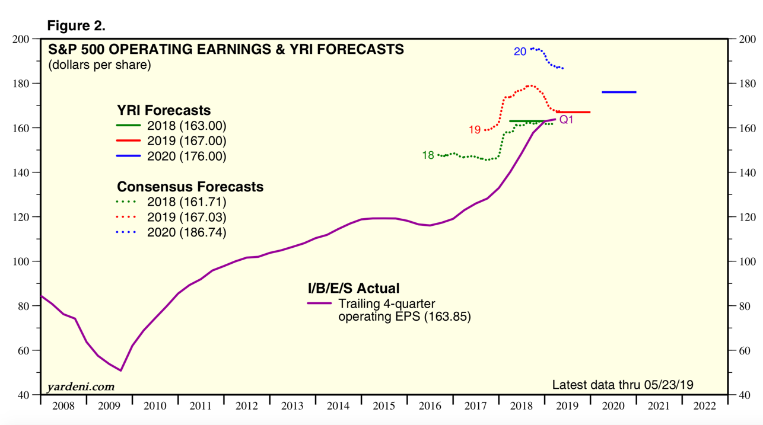
 |  |  |  |  | Belski, BMO | 163.00 | 174.00
 |  |  |  |  | Parker, UBS | 163.00 | 175.00
 |  |  |  |  | Chadha, DBk | 163.00 | 175.00
 |  |  |  |  | Golub, CSFB | 163.00 | 174.00
 |  |  |  |  | Average | 163.00 | 174.35 | 6.96%
 |  |  |  |  |  |  |  |  |  | On 5/31/19

