CALIBRATION
...
 | Term Structure for a4 = 3 |  | Term Structure for a4 = -3 |  | 300.0bps/yr (Slope at t=0) |  | T_indef=3.0 |  | S_indef=125.0 |  | T at which Lower Limit becomes effective |  | Spread Lower Limit (70.0% of 125.0bps) |  | -12.0 bps/yr (Slope at t=T_indef)
6 | 6.0 | 6 | 6.0 | 0.000 | 0.000 | 3 | 0 | 0 | 125 | 6.125 | 0 | 0 | 87.5 | 4 | 125
6 | 6.0 | 6 | 6.0 | 0.792 | 237.500 | 3 | 125 | 3 | 125 | 6.125 | 87.5 | 6.125 | 87.5 | 3 | 125
6 | 6.0 | 6 | 6.0 |  |  | 3 | 150 | 3.6 | 125 | 6.125 | 105 | 7.35 | 87.5 | 4 | 113
6 | 6.0 | 6 | 6.0
6 | 6.0 | 6 | 6.0
6 | 6.0 | 6 | 6.0
6 | 6.0 | 6 | 6.0
6 | 6.0 | 6 | 6.0
6 | 6.0 | 6 | 6.0
6 | 6.0 | 6 | 6.0
6 | 6.0 | 6 | 6.0
6 | 6.0 | 6 | 6.0
6 | 6.0 | 6 | 6.0
6 | 6.0 | 6 | 6.0
6 | 6.0 | 6 | 6.0
6 | 6.0 | 6 | 6.0
6 | 6.0 | 6 | 6.0
6 | 6.0 | 6 | 6.0
6 | 6.0 | 6 | 6.0
6 | 6.0 | 6 | 6.0
6 | 6.0 | 6 | 6.0
6 | 6.0 | 6 | 6.0
6 | 6.0 | 6 | 6.0
6 | 6.0 | 6 | 6.0
6 | 6.0 | 6 | 6.0
6 | 6.0 | 6 | 6.0
6 | 6.0 | 6 | 6.0
6 | 6.0 | 6 | 6.0
6 | 6.0 | 6 | 6.0
6 | 6.0 | 6 | 6.0
6 | 6.0 | 6 | 6.0
6 | 6.0 | 6 | 6.0
6 | 6.0 | 6 | 6.0
6 | 6.0 | 6 | 6.0
6 | 6.0 | 6 | 6.0
6 | 6.0 | 6 | 6.0
6 | 6.0 | 6 | 6.0
6 | 6.0 | 6 | 6.0
6 | 6.0 | 6 | 6.0
6 | 6.0 | 6 | 6.0
6 | 6.0 | 6 | 6.0
...
288
...
T∞ | Slope (t=0) | Slope (t=T∞) | a4 | Lower limit | Spread (bps)
0.5 | 300 | 0 | -10 | 0.8 | 40.000 |  |  |  |  |  |  |  |  | 300.0bps/yr (Slope at t=0) |  | MIN_TENOR (years)
1 | 300 | 0 | -8 | 0.8 | 50.045 |  |  |  |  |  |  |  |  | t | value | MAX_TENOR (years) |  | 10 |  | SHAPE_CHART | S∞ | T∞ | Slope (t=0) | Slope (t=T∞) | a4 | Lower limit | Spread | T at which Lower Limit becomes effective
1 | 300 | 0 | -6 | 0.8 | 54.539 |  |  |  |  |  |  |  |  | 0 | 0 | DELTA_TENOR (years) |  | 0.25 |  | Series 1 | 125 | 3 | 300 | -12 | 3 | 0.7 | 161.2 | 6.125
1 | 300 | 0 | 0 | 0.8 | 63.581 |  |  |  |  |  |  |  |  | 0.792 | 237.500 | SHAPE_FACTOR |  | 1.2 |  | Series 2 |  |  |  |  | -3 |  | 142.9
1 | 300 | -1 | 0 | 0.8 | 72.590 |  |  |  |  |  |  |  |  | T at which Lower Limit becomes effective
1.5 | 300 | -1 | 0.5 | 0.8 | 96.645 |  |  |  |  |  |  |  |  | t | value | Term Structure for a4 = 3 |  | Term Structure for a4 = -3 |  | Num Rating | S∞ | T∞ | Slope (t=0) | Slope (t=T∞) | a4 | Lower limit | Spread | T at which Lower Limit becomes effective
2 | 300 | -1 | 1 | 0.8 | 118.937 |  |  |  |  |  |  |  |  | 6.125 | 0 | 6 | 6.0 | 6 | 6.0 | 1 | 125 | 0 | 0 | 0 | 0 | 0 | 125.0 | 0
2.5 | 300 | -1 | 1 | 0.8 | 139.005 |  |  |  |  |  |  |  |  | 6.125 | 87.5 | 6 | 6 | 6 | 6.0 | 2 | 50 | 1.5 | 150 | 0 | -20 | 0 | 47.3 | 0
3 | 300 | -2 | 3 | 0.8 | 159.688 |  |  |  |  |  |  |  |  | 6.125 | 105 | 6 | 6.0 | 6 | 6.0 | 3 | 125 | 2.5 | 150 | 0 | 10 | 0 | 103.4 | 0
3.5 | 300 | -2 | 4 | 0.8 | 180.428 |  |  |  |  |  |  |  |  | Spread Lower Limit (70.0% of 125.0bps) |  | 6 | 6.0 | 6 | 6.0 | 4 | 270 | 3.5 | 600 | -5 | 10 | 0 | 366.3 | 57.5
4 | 300 | -2 | 5 | 0.8 | 203.662 |  |  |  |  |  |  |  |  | t | value | 6 | 6.0 | 6 | 6.0
 | Term Structure for a4 = 3 |  | T_indef
0 | 125.0 | 0 | 0
0.25 | 125.0 | 0 | 125
0.5 | 125.0 | 0 | 150
0.75 | 125.0
1 | 125.0
1.25 | 125.0
1.5 | 125.0
1.75 | 125.0
2 | 125.0
2.25 | 125.0
2.5 | 125.0
2.75 | 125.0
3 | 125.0
3.25 | 125.0
3.5 | 125.0
3.75 | 125.0
4 | 125.0
4.25 | 125.0
4.5 | 125.0
4.75 | 125.0
5 | 125.0
5.25 | 125.0
5.5 | 125.0
5.75 | 125.0
6 | 125.0
6.25 | 125.0
6.5 | 125.0
6.75 | 125.0
7 | 125.0
7.25 | 125.0
7.5 | 125.0
7.75 | 125.0
8 | 125.0
8.25 | 125.0
8.5 | 125.0
8.75 | 125.0
9 | 125.0
9.25 | 125.0
9.5 | 125.0
9.75 | 125.0
10
 | Term Structure for a4 = 3 |  | T_indef
0 | 27.8 | 1.5 | 0
0.25 | 41.3 | 1.5 | 50
0.5 | 46.8 | 1.5 | 60
0.75 | 48.7
1 | 49.6
1.25 | 50.0
1.5 | 50.0
1.75 | 50.0
2 | 50.0
2.25 | 50.0
2.5 | 50.0
2.75 | 50.0
3 | 50.0
3.25 | 50.0
3.5 | 50.0
3.75 | 50.0
4 | 50.0
4.25 | 50.0
4.5 | 50.0
4.75 | 50.0
5 | 50.0
5.25 | 50.0
5.5 | 50.0
5.75 | 50.0
6 | 50.0
6.25 | 50.0
6.5 | 50.0
6.75 | 50.0
7 | 50.0
7.25 | 50.0
7.5 | 50.0
7.75 | 50.0
8 | 50.0
8.25 | 50.0
8.5 | 50.0
8.75 | 50.0
9 | 50.0
9.25 | 50.0
9.5 | 50.0
9.75 | 50.0
10
 | Term Structure for a4 = 3 |  | T_indef
0 | 37.0 | 2.5 | 0
0.25 | 71.0 | 2.5 | 125
0.5 | 99.4 | 2.5 | 150
0.75 | 120.5
1 | 133.8
1.25 | 139.5
1.5 | 138.9
1.75 | 134.0
2 | 128.0
2.25 | 125.0
2.5 | 125.0
2.75 | 125.0
3 | 125.0
3.25 | 125.0
3.5 | 125.0
3.75 | 125.0
4 | 125.0
4.25 | 125.0
4.5 | 125.0
4.75 | 125.0
5 | 125.0
5.25 | 125.0
5.5 | 125.0
5.75 | 125.0
6 | 125.0
6.25 | 125.0
6.5 | 125.0
6.75 | 125.0
7 | 125.0
7.25 | 125.0
7.5 | 125.0
7.75 | 125.0
8 | 125.0
8.25 | 125.0
8.5 | 125.0
8.75 | 125.0
9 | 125.0
9.25 | 125.0
9.5 | 125.0
9.75 | 125.0
10
 | Term Structure for a4 = 3 |  | T_indef
0 | 140.0 | 3.5 | 0
0.25 | 258.2 | 3.5 | 270
0.5 | 352.9 | 3.5 | 324
0.75 | 423.2
1 | 469.2
1.25 | 492.0
1.5 | 493.5
1.75 | 476.6
2 | 445.2
2.25 | 404.0
2.5 | 358.7
2.75 | 316.1
3 | 283.7
3.25 | 270.0
3.5 | 268.8
3.75 | 267.5
4 | 266.3
4.25 | 265.0
4.5 | 263.8
4.75 | 262.5
5 | 261.3
5.25 | 260.0
5.5 | 258.8
5.75 | 257.5
6 | 256.3
6.25 | 255.0
6.5 | 253.8
6.75 | 252.5
7 | 251.3
7.25 | 250.0
7.5 | 248.8
7.75 | 247.5
8 | 246.3
8.25 | 245.0
8.5 | 243.8
8.75 | 242.5
9 | 241.3
9.25 | 240.0
9.5 | 238.8
9.75 | 237.5
10
4 | 300 | -2 | 6 | 0.8 | 214.193 |  |  |  |  |  |  |  |  | 0 | 87.5 | 6 | 6.0 | 6 | 6.0
4 | 300 | -2 | 7 | 0.8 | 222.685 |  |  |  |  |  |  |  |  | 6.125 | 87.5 | 6 | 6.0 | 6 | 6.0
4 | 300 | -2 | 9 | 0.8 | 238.647 |  |  |  |  |  |  |  |  | 7.35 | 87.5 | 6 | 6.0 | 6 | 6.0
4 | 300 | -2 | 10 | 0.8 | 248.159 |  |  |  |  |  |  |  |  | T_indef=3.0 |  | 6 | 6.0 | 6 | 6.0
 |  |  |  |  |  |  |  |  |  |  |  |  |  | t | value | 6 | 6.0 | 6 | 6.0
 |  |  |  |  |  |  |  |  |  |  |  |  |  | 3 | 0 | 6 | 6.0 | 6 | 6.0
 |  |  |  |  |  |  |  |  |  |  |  |  |  | 3 | 125 | 6 | 6.0 | 6 | 6.0
 |  |  |  |  |  |  |  |  |  |  |  |  |  | 3 | 150 | 6 | 6.0 | 6 | 6.0
AA+ | AA | AA- | A+ | A | A- | BBB+ | BBB | BBB- | BB+ | BB | BB- | B+ | B | S_indef=125.0 |  | 6 | 6.0 | 6 | 6.0
0.0000 | 0.0000 | 0.0000 | 0.0000 | 0.0000 | 0.0000 | 0.0000 | 0.0000 | 0.0000 | 0.0000 | 0.0000 | 0.0000 | 0.0000 | 0.0000 | t | value | 6 | 6 | 6 | 6
48.9375 | 49.7891 | 51.5625 | 53.1719 | 58.0928 | 61.5078 | 64.1689 | 66.9365 | 69.5287 | 72.3633 | 73.6914 | 74.7949 | 76.8896 | 78.1055 | 0 | 125 | 6 | 6 | 6 | 6
59.5000 | 62.1250 | 67.5000 | 72.6250 | 87.6435 | 99.0938 | 108.5200 | 118.2523 | 127.6356 | 138.0000 | 142.7813 | 146.7031 | 154.1172 | 158.4688 | 3 | 125 | 6 | 6 | 6 | 6
51.7500 | 56.0391 | 64.6875 | 73.2656 | 96.5957 | 117.4219 | 135.8902 | 154.9180 | 173.8826 | 195.0820 | 204.7148 | 212.5020 | 227.1533 | 235.8633 | 3.6 | 125 | 6 | 6 | 6 | 6
45.0000 | 50.0000 | 60.0000 | 70.0000 | 92.9398 | 121.2500 | 149.2100 | 178.1852 | 208.2070 | 242.2500 | 257.5000 | 269.6250 | 292.3125 | 306.0000 | -12.0 bps/yr (Slope at t=T_indef) |  | 6 | 6 | 6 | 6
45.0000 | 50.0000 | 60.0000 | 69.7500 | 84.7132 | 115.4297 | 151.5039 | 189.5870 | 230.9209 | 278.6133 | 299.7070 | 316.1621 | 346.7529 | 365.5273 | t | value | 6 | 6 | 6 | 6
45.0000 | 50.0000 | 60.0000 | 69.5000 | 80.0000 | 104.9063 | 145.8900 | 190.9375 | 242.7114 | 303.7500 | 330.4688 | 350.8594 | 388.4766 | 412.0313 | 4 | 125 | 6 | 6 | 6 | 6
45.0000 | 50.0000 | 60.0000 | 69.2500 | 79.7500 | 94.7188 | 135.5802 | 184.3323 | 244.6406 | 317.7070 | 349.4805 | 373.1191 | 416.3291 | 444.0352 | 3 | 125 | 6 | 6 | 6 | 6
 |  |  |  |  |  |  |  |  |  |  |  |  |  |  |  | 6 | 6 | 6 | 6
 |  |  |  |  |  |  |  |  |  |  |  |  |  |  |  | 6 | 6 | 6 | 6 | Data Table for Sample Shapes |  |  |  |  |  | SHAPE_FACTOR |  | 1.2
 |  |  |  |  |  |  |  |  |  |  |  |  |  |  |  | 6 | 6 | 6 | 6 | CREDIT SPREAD TABLE | AAA | AA+ | AA | AA-
 |  |  |  |  |  |  |  |  |  |  |  |  |  |  |  | 6 | 6 | 6 | 6 | 0 | 0.0 | 0.0 | 0.0 | 0.0 |  | 1: T_indef=0 |  | 3: T_indef=2.5
 |  |  |  |  |  |  |  |  |  |  |  |  |  |  |  | 6 | 6 | 6 | 6 | 0.25 | 125.0 | 27.8 | 37.0 | 140.0 |  | t | value | t | value
 |  |  |  |  |  |  |  |  |  |  |  |  |  |  |  | 6 | 6 | 6 | 6 | 0.5 | 125.0 | 41.3 | 71.0 | 258.2 |  | 0 | 0 | 2.5 | 0
 |  |  |  |  |  |  |  |  |  |  |  |  |  |  |  | 6 | 6 | 6 | 6 | 0.75 | 125.0 | 46.8 | 99.4 | 352.9 |  | 0 | 125 | 2.5 | 125
 |  |  |  |  |  |  |  |  |  |  |  |  |  |  |  | 6 | 6 | 6 | 6 | 1 | 125.0 | 48.7 | 120.5 | 423.2 |  | 0 | 150 | 2.5 | 150
 |  |  |  |  |  |  |  |  |  |  |  |  |  |  |  | 6 | 6 | 6 | 6 | 1.25 | 125.0 | 49.6 | 133.8 | 469.2 |  | 2: T_indef=1.5 |  | 4: T_indef=3.5
 |  |  |  |  |  |  |  |  |  |  |  |  |  |  |  | 6 | 6 | 6 | 6 | 1.5 | 125.0 | 50.0 | 139.5 | 492.0 |  | t | value | t | value
...

CHEAP-RICH
0.98457739735
 | SETTLEMENT | 1999-02-26 | Term Structure of Credit Spreads
 | POLYN DEGREES | 3
 | FREQUENCY | 2 | Num Rating | S∞ | T∞ | Slope (t=0) | Slope (t=T∞)
 | PAR VALUE | 100 | AAA |  |  |  | 0
 | COUNT BASIS | 0 | AA+ |  |  |  | 0
 | FIRST FACTOR | 10000 | AA | 201.85538426 | 1.2277777778 | 0 | 0
 | GUESS YIELD | 10% | AA- |  |  |  | 0
Reset & Set Up Cheap/Rich Analysis
 |  |  | A+ |  |  |  | -1
 |  |  | A | 94.539570988 | 2.45 | 400 | -1
 |  |  | A- |  |  |  | -1
 |  |  | BBB+ |  |  |  | -1
 |  |  | BBB | 101.5109704 | 6.3638888889 | 400 | -2
 |  |  | BBB- |  |  |  | -2
 |  |  | BB+ |  |  |  | -2
 |  |  | BB | 181.47555725 | 4.8833333333 | 365.64289678 | -2
 |  |  | BB- |  |  |  | -2
 |  |  | B+ |  |  |  | -2
 |  |  | B |  |  |  | -2

 |  |  | VALOR | RATING | PRICE | COUPON | MAT. DATE
 |  |  | 223789 | AA | 103.30 | 4.50% | 2000-05-18
 |  |  | 97921 | AA | 105.2 | 7.00% | 2002-02-06
...

DESK
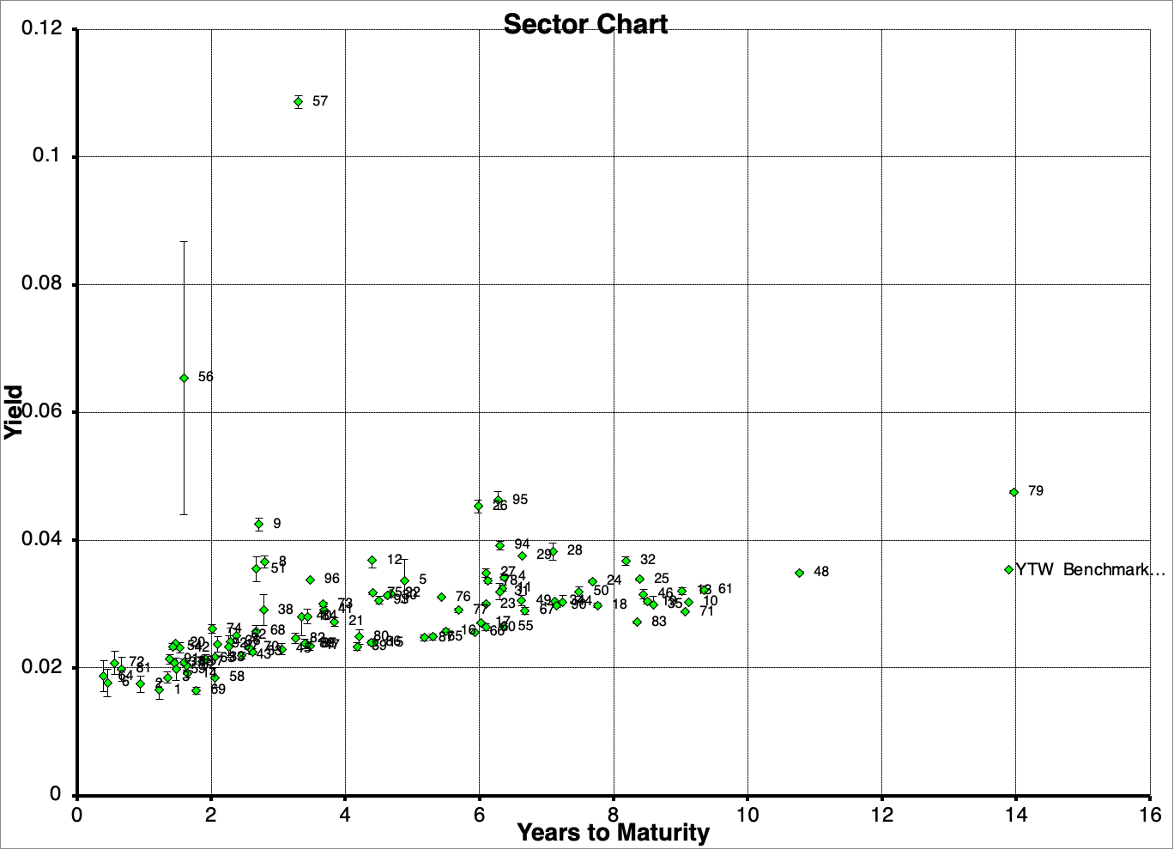
HIGH YIELD DESK
...
SETTLEMENT | 1999-02-26
...
BLACK OUT | 2 years
ACTION SENSITIVITY | 0.5
...
FREQUENCY | 1
COUNT BASIS | 0
...
METHOD | 0
GUESS YIELD | 10.0%
 |  |  |  | Internal Rating | AAA | AA | A | BBB | BB
PAR VALUE | 100 |  |  | COUNT OF CURVE | 1 | 9 | 35 | 31 | 10
SPREAD LIMIT | 200.0bps |  |  | AVERAGE OF CURVE | 40 | 44 | 79 | 139 | 248
FACTOR1 | 100 |  |  | MIN OF CURVE | 40 | 10 | 62 | 103 | 172
FACTOR2 | 1,000 |  |  | MAX OF CURVE | 40 | 50 | 107 | 240 | 342
FACTOR3 | 10,000 |  |  | AVERAGE OF MAT/CALL | 1.8 | 5.0 | 4.3 | 4.5 | 3.9

BOND NO | VALOR | YEARS MATURITY | ISSUER | BID PRICE | BID SIZE (m) | ASK PRICE | ASK SIZE (m) | HIST PRICE | SELECTED (YIELD TO WORST)
1 | 223789 | 1.23 | 4 1/2 % ABB INTERNATIONAL 1994-18.5.2000 | 103.25 | 0.50 | 103.60 | 0.50 | 103.30 | 1.65%
2 | 97921 | 0.94 | 7 % ABB ASEA BROWN 1992-6.2.2002 | 104.75 | 0.25 | 105.00 | 0.50 | 105.20 | 1.75%
3 | 97922 | 1.35 | 7 1/4 % ABB ASEA BROWN 1992-2.7.2002 | 107.00 | 0.25 | 107.25 | 1.14 | 107.30 | 1.85%
4 | 653264 | 6.36 | 4 % ADECCO CHESEREX 1997-7.7.05 | 103.00 | 0.25 | 103.50 | 0.25 | 103.60 | 3.42%
5 | 151175 | 4.88 | 3 1/4 % AFG ARBONIA 1994-14.1.04 EX | 98.00 | 0.02 | 101.00 | 0.25 | 98.00 | 3.36%
6 | 99129 | 0.45 | 6 3/4 % ALUSUISSE-LONZA HLD 1991-8.8.2001 | 102.10 | 0.25 | 102.30 | 0.50 | 102.25 | 1.77%
7 | 5566 | 1.86 | 6 3/4 % ALUSUISSE-LONZA HLD 1993-6.1.2003 | 108.30 | 0.25 | 108.50 | 0.50 | 108.30 | 2.10%
8 | 99786 | 2.79 | 5 % ASCOM HOLDING BERN 1991-12.12.01 | 103.25 | 0.25 | 103.75 | 0.50 | 103.75 | 3.65%
9 | 130473 | 2.71 | 4 3/4 % ATTISHOLZ HOLDING 1993-12.11.2001 | 101.00 | 0.02 | 101.50 | 0.10 | 101.50 | 4.24%
...

