sub1
year | NSE_1 | NSE_1 | NSE_1 | NSE_1 | NSE_1
1990 | 0.34 | 0.32 | 0.29 | 0.32 | 0.29
1991 | 0.44 | 0.44 | 0.44 | 0.44 | 0.44
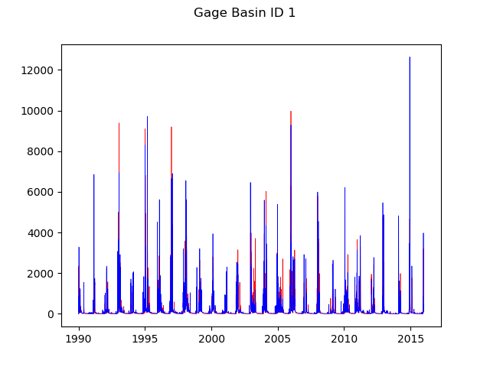
1992 | 0.74 | 0.74 | 0.68 | 0.72 | 0.72
1993 | 0.75 | 0.75 | 0.74 | 0.75 | 0.75
1994 | 0.59 | 0.61 | 0.6 | 0.61 | 0.62
1995 | 0.76 | 0.77 | 0.71 | 0.74 | 0.75
1996 | 0.59 | 0.59 | 0.53 | 0.56 | 0.57
1997 | 0.7 | 0.71 | 0.7 | 0.71 | 0.72
1998 | 0.63 | 0.63 | 0.53 | 0.59 | 0.59
1999 | 0.62 | 0.63 | 0.4 | 0.53 | 0.54
2000 | 0.7 | 0.71 | 0.7 | 0.71 | 0.72
2001 | 0.66 | 0.67 | 0.63 | 0.65 | 0.67
2002 | 0.63 | 0.64 | 0.59 | 0.61 | 0.63
2003 | 0.38 | 0.37 | 0.09 | 0.25 | 0.23
2004 | 0.63 | 0.63 | 0.53 | 0.58 | 0.59
2005 | 0.71 | 0.71 | 0.63 | 0.67 | 0.67
2006 | 0.53 | 0.54 | 0.36 | 0.46 | 0.47
2007 | 0.71 | 0.72 | 0.47 | 0.62 | 0.62
2008 | 0.39 | 0.39 | 0.25 | 0.33 | 0.32
2009 | 0.58 | 0.59 | 0.58 | 0.59 | 0.6
2010 | 0.63 | 0.64 | 0.6 | 0.62 | 0.63
2011 | 0.67 | 0.68 | 0.58 | 0.64 | 0.64
2012 | 0.58 | 0.58 | 0.56 | 0.57 | 0.57
2013 | 0.53 | 0.57 | 0.45 | 0.51 | 0.54
2014 | 0.53 | 0.54 | 0.53 | 0.53 | 0.54
2015 | 0.84 | 0.85 | 0.83 | 0.84 | 0.85
avg | 0.61 | 0.62 | 0.54 | 0.58 | 0.59

gwflow_coef | 2 | 2 | 2 | 2 | 2
gwsink_coef | 0 | 0 | 0 | 0 | 0
ssr2gw_rate | 0.001 | 0.001 | 0.01 | 0.005 | 0.005
slowcoef_lin | 1 | 1 | 1 | 1 | 1
slowcoef_sq | 1 | 1 | 1 | 1 | 1
smidx_coef | 1 | 0.5 | 1 | 1 | 0.5
carea_max | 1 | 1 | 1 | 1 | 1

sub2
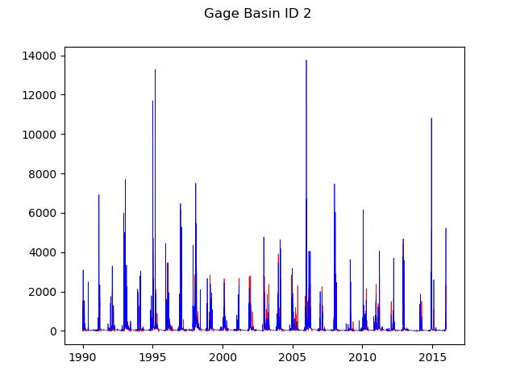
year | NSE_2 | NSE_2 | NSE_2 | NSE_2 | NSE_2 | NSE_2
1990 | 0.53 | 0.51 | 0.49 | 0.5 | 0.39 | 0.42
1991 | 0.36 | 0.37 | 0.37 | 0.38 | 0.35 | 0.36
1992 | 0.37 | 0.4 | 0.33 | 0.43 | 0.58 | 0.62
1993 | 0.66 | 0.68 | 0.64 | 0.69 | 0.71 | 0.76
1994 | 0.35 | 0.38 | 0.34 | 0.37 | 0.36 | 0.38
1995 | 0.59 | 0.59 | 0.59 | 0.6 | 0.67 | 0.68
1996 | -0.23 | -0.18 | -0.38 | -0.12 | 0.68 | 0.65
1997 | -0.05 | 0.02 | -0.11 | 0.09 | 0.65 | 0.66
1998 | -0.2 | -0.09 | -0.2 | 0.04 | 0.61 | 0.58
1999 | -2.99 | -2.24 | -2.91 | -1.68 | 0.79 | 0.64
2000 | -3.77 | -2.56 | -3.3 | -1.62 | 0.76 | 0.74
2001 | -2.35 | -2.03 | -2.7 | -1.78 | 0.63 | 0.57
2002 | -0.25 | -0.2 | -0.33 | -0.12 | 0.75 | 0.71
2003 | -1.75 | -1.8 | -2.31 | -1.8 | 0.66 | 0.51
2004 | -0.05 | 0 | -0.14 | 0.06 | 0.76 | 0.7
2005 | 0.32 | 0.33 | 0.3 | 0.34 | 0.53 | 0.51
2006 | -0.17 | -0.08 | -0.15 | 0 | 0.38 | 0.33
2007 | -2.92 | -2.86 | -3.99 | -2.55 | 0.9 | 0.7
2008 | 0.38 | 0.39 | 0.38 | 0.41 | 0.54 | 0.55
2009 | 0.48 | 0.51 | 0.5 | 0.53 | 0.43 | 0.47
2010 | 0.21 | 0.24 | 0.15 | 0.28 | 0.66 | 0.67
2011 | -1.75 | -1.22 | -1.65 | -0.77 | 0.69 | 0.64
2012 | 0.04 | 0.12 | -0.04 | 0.18 | 0.74 | 0.74
2013 | 0 | 0.16 | 0.15 | 0.21 | 0.34 | 0
2014 | 0.72 | 0.72 | 0.73 | 0.73 | 0.63 | 0.65
2015 | 0.47 | 0.48 | 0.46 | 0.48 | 0.52 | 0.53
avg | -0.42 | -0.28 | -0.49 | -0.16 | 0.60 | 0.57

gwflow_coef | 1 | 2 | 2 | 3 | 2 | 2
gwsink_coef | 0 | 0 | 0 | 0 | 0 | 0
ssr2gw_rate | 1 | 1 | 1 | 1 | 0.001 | 0.01
slowcoef_lin | 1 | 1 | 1 | 1 | 1 | 1
slowcoef_sq | 1 | 1 | 1 | 1 | 1 | 1
smidx_coef | 1 | 1 | 0.5 | 1 | 1 | 1
carea_max | 1 | 1 | 1 | 1 | 1 | 1

sub22
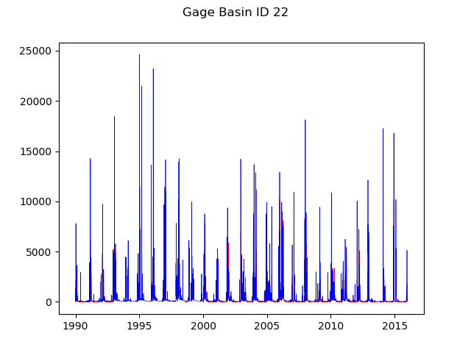
year | NSE_22 | NSE_22
1990 | 0.59 | 0.52
1991 | 0.68 | 0.66
1992 | 0.52 | 0.62
1993 | 0.41 | 0.7
1994 | nan | nan
1995 | nan | nan
1996 | nan | nan
1997 | nan | nan
1998 | 0 | -0.02
1999 | 0.42 | 0.54
2000 | 0.24 | 0.6
2001 | 0.39 | 0.52
2002 | 0.39 | 0.6
2003 | 0.53 | 0.56
2004 | 0.51 | 0.58
2005 | 0.64 | 0.78
2006 | 0.46 | 0.77
2007 | 0.5 | 0.5
2008 | 0.73 | 0.72
2009 | 0.51 | 0.54
2010 | 0.64 | 0.76
2011 | -0.32 | 0.63
2012 | 0.54 | 0.57
2013 | 0.03 | 0.16
2014 | 0.5 | 0.47
2015 | 0.37 | 0.42
avg | 0.42 | 0.55

gwflow_coef | 1 | 2
gwsink_coef | 0 | 0
ssr2gw_rate | 1 | 0.01
slowcoef_lin | 1 | 1
slowcoef_sq | 1 | 1
smidx_coef | 1 | 0.5
carea_max | 1 | 1

