image
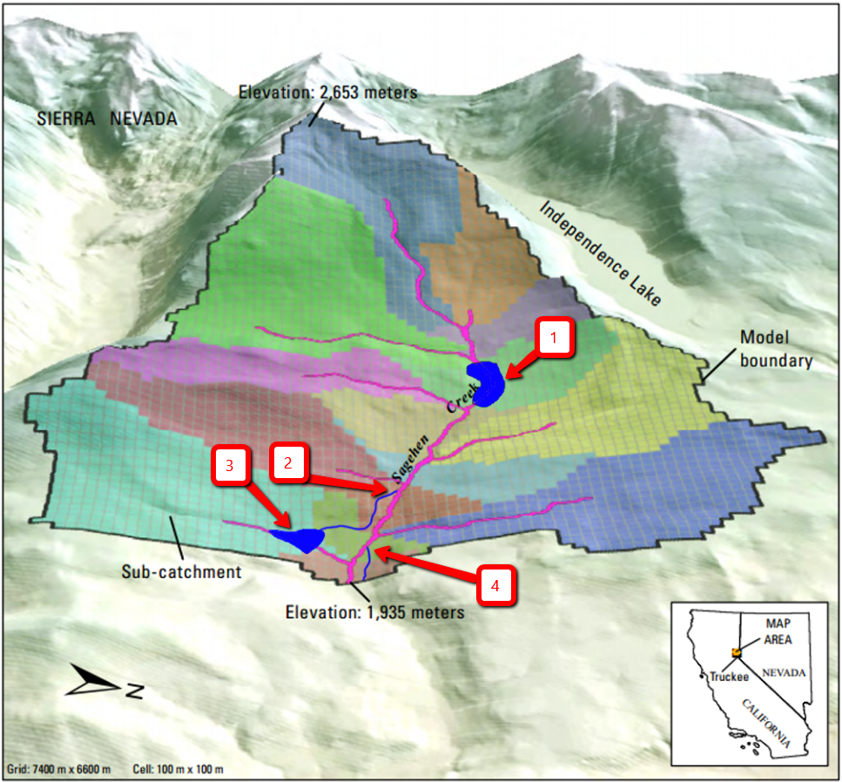

TableInput_calculator
 |  |  |  | 2047 | 2045 | 2048 |  |  |  | 1947 | 1945 | 1941 | 1940
 |  | 2045 | 2040 | 2035 | 2035 | 2030 |  |  |  | 1946 | 1943 | 1942 | 1951
 | 2045 | 2033 | 2031 | 2025 | 2025 | 2024 | 1957 | 1956 | 1952 | 1945 | 1943 | 1942 | 1954
2045 | 2033 | 2030 | 2026 | 2022 | 2020 | 2022 |  | 1952 | 1951 | 1948 | 1944 | 1945 | 1947
2042 | 2032 | 2033 | 2028 | 2024 | 2024 | 2019 |  | 1954 | 1953 | 1952 | 1948 | 1949
2040 | 2046 | 2045 | 2043 | 2025 | 2025 | 2022 |  | 1955 | 1954 | 1953 | 1950 | 1951
 |  |  |  |  | 2030 | 2026 |  |  | 1956 | 1954 | 1952 | 1953
 |  |  |  |  |  |  |  |  |  | 1957 | 1956 | 1957
 |  | m3 | acre-ft | cell ct | m2 |  |  | 0.14 | m3 | acre-ft | cell ct | m2
1 | 2019.0 | 0.0 | 0 | 0 | 0 |  | 1 | 1940.00 | 0.0 | 0 | 1 | 0
2 | 2019.2 | 1676.7 | 1.3593303355 | 1 | 350 |  | 2 | 1940.14 | 1134.0 | 0.91935385009 | 1 | 400
Volume
2019.0 | 0.0
2019.2 | 1676.7
2019.4 | 3361.5
2019.6 | 5046.3
2019.8 | 6731.1
2020.0 | 8731.8
2020.2 | 12101.4
2020.5 | 15471.0
2020.7 | 18840.6
2020.9 | 22210.2
2021.1 | 25579.8
2021.3 | 28949.4
2021.5 | 32319.0
2021.7 | 35688.6
2021.9 | 39058.2
2022.1 | 45319.5
2022.3 | 53743.5
2022.5 | 62167.5
2022.7 | 70591.5
2023.0 | 79015.5
2023.2 | 87439.5
2023.4 | 95863.5
2023.6 | 104287.5
2023.8 | 112711.5
2024.0 | 121135.5
2024.2 | 134395.2
2024.4 | 147873.6
2024.6 | 161352.0
2024.8 | 174830.4
2025.0 | 189313.2
2025.2 | 209530.8
2025.4 | 229748.4
2025.7 | 249966.0
2025.9 | 270183.6
2026.1 | 291551.4
2026.3 | 315138.6
2026.5 | 338725.8
2026.7 | 362313.0
2026.9 | 385900.2
2027.1 | 409487.4
2027.3 | 433074.6
2027.5 | 456661.8
2027.7 | 480249.0
2027.9 | 503836.2
2028.2 | 528646.5
2028.4 | 553918.5
2028.6 | 579190.5
2028.8 | 604462.5
2029.0 | 629734.5
2029.2 | 655006.5
...
Volume
1940.00 | 0.0
1940.14 | 1134.0
1940.28 | 2268.0
1940.42 | 3402.0
1940.56 | 4536.0
1940.70 | 5670.0
1940.84 | 6804.0
1940.98 | 7938.0
1941.12 | 10044.0
1941.26 | 12312.0
1941.40 | 14580.0
1941.54 | 16848.0
1941.68 | 19116.0
1941.82 | 21384.0
1941.96 | 23652.0
1942.10 | 27540.0
1942.24 | 32076.0
1942.38 | 36612.0
1942.52 | 41148.0
1942.66 | 45684.0
1942.80 | 50220.0
1942.94 | 54756.0
1943.08 | 60588.0
1943.22 | 67392.0
1943.36 | 74196.0
1943.50 | 81000.0
1943.64 | 87804.0
1943.78 | 94608.0
1943.92 | 101412.0
1944.06 | 108702.0
1944.20 | 116640.0
1944.34 | 124578.0
1944.48 | 132516.0
1944.62 | 140454.0
1944.76 | 148392.0
1944.90 | 156330.0
1945.04 | 165240.0
1945.18 | 176580.0
1945.32 | 187920.0
1945.46 | 199260.0
1945.60 | 210600.0
1945.74 | 221940.0
1945.88 | 233280.0
1946.02 | 244782.0
1946.16 | 257256.0
1946.30 | 269730.0
1946.44 | 282204.0
1946.58 | 294678.0
1946.72 | 307152.0
1946.86 | 319626.0
...
3 | 2019.4 | 3361.5 | 2.7252274842 | 1 | 1000 |  | 3 | 1940.28 | 2268.0 | 1.8387077002 | 1 | 1300
4 | 2019.6 | 5046.3 | 4.0911246329 | 1 | 1686 |  | 4 | 1940.42 | 3402.0 | 2.7580615503 | 1 | 2317
5 | 2019.8 | 6731.1 | 5.4570217816 | 1 | 4460 |  | 5 | 1940.56 | 4536.0 | 3.6774154004 | 1 | 5243
6 | 2020.0 | 8731.8 | 7.0790246457 | 2 | 7262 |  | 6 | 1940.70 | 5670.0 | 4.5967692504 | 1 | 8067
7 | 2020.2 | 12101.4 | 9.8108189431 | 2 | 10091 |  | 7 | 1940.84 | 6804.0 | 5.5161231005 | 1 | 10795
8 | 2020.5 | 15471.0 | 12.54261324 | 2 | 12945 |  | 8 | 1940.98 | 7938.0 | 6.4354769506 | 1 | 13430
9 | 2020.7 | 18840.6 | 15.274407538 | 2 | 15821 |  | 9 | 1941.12 | 10044.0 | 8.1428483865 | 2 | 15977
10 | 2020.9 | 22210.2 | 18.006201835 | 2 | 18717 |  | 10 | 1941.26 | 12312.0 | 9.9815560867 | 2 | 18440
11 | 2021.1 | 25579.8 | 20.737996133 | 2 | 21631 |  | 11 | 1941.40 | 14580.0 | 11.820263787 | 2 | 20822
12 | 2021.3 | 28949.4 | 23.46979043 | 2 | 24561 |  | 12 | 1941.54 | 16848.0 | 13.658971487 | 2 | 23129
13 | 2021.5 | 32319.0 | 26.201584728 | 2 | 27506 |  | 13 | 1941.68 | 19116.0 | 15.497679187 | 2 | 25363
14 | 2021.7 | 35688.6 | 28.933379025 | 2 | 30462 |  | 14 | 1941.82 | 21384.0 | 17.336386887 | 2 | 27530
15 | 2021.9 | 39058.2 | 31.665173322 | 2 | 33429 |  | 15 | 1941.96 | 23652.0 | 19.175094588 | 2 | 29632
16 | 2022.1 | 45319.5 | 36.741319937 | 5 | 36405 |  | 16 | 1942.10 | 27540.0 | 22.327164931 | 4 | 31673
17 | 2022.3 | 53743.5 | 43.570805681 | 5 | 39387 |  | 17 | 1942.24 | 32076.0 | 26.004580331 | 4 | 33658
Surface Area
1 | 0
2 | 1
3 | 1
4 | 1
5 | 1
6 | 2
7 | 2
8 | 2
9 | 2
10 | 2
11 | 2
12 | 2
13 | 2
14 | 2
15 | 2
16 | 5
17 | 5
18 | 5
19 | 5
20 | 5
21 | 5
22 | 5
23 | 5
24 | 5
25 | 5
26 | 8
27 | 8
28 | 8
29 | 8
30 | 12
31 | 12
32 | 12
33 | 12
34 | 12
35 | 14
36 | 14
37 | 14
38 | 14
39 | 14
40 | 14
41 | 14
42 | 14
43 | 14
44 | 14
45 | 15
46 | 15
47 | 15
48 | 15
49 | 15
50 | 15
...
Surface Area
1 | 1
2 | 1
3 | 1
4 | 1
5 | 1
6 | 1
7 | 1
8 | 1
9 | 2
10 | 2
11 | 2
12 | 2
13 | 2
14 | 2
15 | 2
16 | 4
17 | 4
18 | 4
19 | 4
20 | 4
21 | 4
22 | 4
23 | 6
24 | 6
25 | 6
26 | 6
27 | 6
28 | 6
29 | 6
30 | 7
31 | 7
32 | 7
33 | 7
34 | 7
35 | 7
36 | 7
37 | 10
38 | 10
39 | 10
40 | 10
41 | 10
42 | 10
43 | 10
44 | 11
45 | 11
46 | 11
47 | 11
48 | 11
49 | 11
50 | 11
...
18 | 2022.5 | 62167.5 | 50.400291425 | 5 | 42373 |  | 18 | 1942.38 | 36612.0 | 29.681995731 | 4 | 35589
19 | 2022.7 | 70591.5 | 57.229777168 | 5 | 45363 |  | 19 | 1942.52 | 41148.0 | 33.359411132 | 4 | 37470
20 | 2023.0 | 79015.5 | 64.059262912 | 5 | 48355 |  | 20 | 1942.66 | 45684.0 | 37.036826532 | 4 | 39305
21 | 2023.2 | 87439.5 | 70.888748655 | 5 | 51345 |  | 21 | 1942.80 | 50220.0 | 40.714241933 | 4 | 41097
22 | 2023.4 | 95863.5 | 77.718234399 | 5 | 54334 |  | 22 | 1942.94 | 54756.0 | 44.391657333 | 4 | 42849
23 | 2023.6 | 104287.5 | 84.547720142 | 5 | 57320 |  | 23 | 1943.08 | 60588.0 | 49.119762848 | 6 | 44564
24 | 2023.8 | 112711.5 | 91.377205886 | 5 | 60300 |  | 24 | 1943.22 | 67392.0 | 54.635885948 | 6 | 46246
25 | 2024.0 | 121135.5 | 98.206691629 | 5 | 63274 |  | 25 | 1943.36 | 74196.0 | 60.152009049 | 6 | 47897
26 | 2024.2 | 134395.2 | 108.95656486 | 8 | 66239 |  | 26 | 1943.50 | 81000.0 | 65.668132149 | 6 | 49521
27 | 2024.4 | 147873.6 | 119.88374205 | 8 | 69195 |  | 27 | 1943.64 | 87804.0 | 71.18425525 | 6 | 51120
28 | 2024.6 | 161352.0 | 130.81091924 | 8 | 72140 |  | 28 | 1943.78 | 94608.0 | 76.70037835 | 6 | 52697
29 | 2024.8 | 174830.4 | 141.73809643 | 8 | 75073 |  | 29 | 1943.92 | 101412.0 | 82.216501451 | 6 | 54255
30 | 2025.0 | 189313.2 | 153.47955846 | 12 | 77992 |  | 30 | 1944.06 | 108702.0 | 88.126633344 | 7 | 55797
31 | 2025.2 | 209530.8 | 169.87032424 | 12 | 80897 |  | 31 | 1944.20 | 116640.0 | 94.562110295 | 7 | 57324
32 | 2025.4 | 229748.4 | 186.26109003 | 12 | 83785 |  | 32 | 1944.34 | 124578.0 | 100.99758725 | 7 | 58841
33 | 2025.7 | 249966.0 | 202.65185581 | 12 | 86656 |  | 33 | 1944.48 | 132516.0 | 107.4330642 | 7 | 60348
34 | 2025.9 | 270183.6 | 219.0426216 | 12 | 89508 |  | 34 | 1944.62 | 140454.0 | 113.86854115 | 7 | 61848
35 | 2026.1 | 291551.4 | 236.36587486 | 14 | 92341 |  | 35 | 1944.76 | 148392.0 | 120.3040181 | 7 | 63344
36 | 2026.3 | 315138.6 | 255.48843494 | 14 | 95153 |  | 36 | 1944.90 | 156330.0 | 126.73949505 | 7 | 64838
37 | 2026.5 | 338725.8 | 274.61099502 | 14 | 97943 |  | 37 | 1945.04 | 165240.0 | 133.96298958 | 10 | 66331
38 | 2026.7 | 362313.0 | 293.7335551 | 14 | 100710 |  | 38 | 1945.18 | 176580.0 | 143.15652809 | 10 | 67827
39 | 2026.9 | 385900.2 | 312.85611519 | 14 | 103454 |  | 39 | 1945.32 | 187920.0 | 152.35006659 | 10 | 69326
40 | 2027.1 | 409487.4 | 331.97867527 | 14 | 106172 |  | 40 | 1945.46 | 199260.0 | 161.54360509 | 10 | 70830
41 | 2027.3 | 433074.6 | 351.10123535 | 14 | 108866 |  | 41 | 1945.60 | 210600.0 | 170.73714359 | 10 | 72343
42 | 2027.5 | 456661.8 | 370.22379543 | 14 | 111532 |  | 42 | 1945.74 | 221940.0 | 179.93068209 | 10 | 73864
43 | 2027.7 | 480249.0 | 389.34635551 | 14 | 114172 |  | 43 | 1945.88 | 233280.0 | 189.12422059 | 10 | 75396
44 | 2027.9 | 503836.2 | 408.46891559 | 14 | 116784 |  | 44 | 1946.02 | 244782.0 | 198.44909536 | 11 | 76941
45 | 2028.2 | 528646.5 | 428.58306447 | 15 | 119366 |  | 45 | 1946.16 | 257256.0 | 208.56198771 | 11 | 78499
46 | 2028.4 | 553918.5 | 449.0715217 | 15 | 121920 |  | 46 | 1946.30 | 269730.0 | 218.67488006 | 11 | 80073
47 | 2028.6 | 579190.5 | 469.55997893 | 15 | 124443 |  | 47 | 1946.44 | 282204.0 | 228.78777241 | 11 | 81663
48 | 2028.8 | 604462.5 | 490.04843616 | 15 | 126935 |  | 48 | 1946.58 | 294678.0 | 238.90066476 | 11 | 83271
49 | 2029.0 | 629734.5 | 510.53689339 | 15 | 129396 |  | 49 | 1946.72 | 307152.0 | 249.01355711 | 11 | 84898
50 | 2029.2 | 655006.5 | 531.02535062 | 15 | 131825 |  | 50 | 1946.86 | 319626.0 | 259.12644946 | 11 | 86544
51 | 2029.4 | 680278.5 | 551.51380786 | 15 | 134222 |  | 51 | 1947.00 | 332100.0 | 269.23934181 | 13 | 88212
52 | 2029.6 | 705550.5 | 572.00226509 | 15 | 136586 |  | 52 | 1947.14 | 346842.0 | 281.19094186 | 13 | 89902
53 | 2029.8 | 730822.5 | 592.49072232 | 15 | 138916 |  | 53 | 1947.28 | 361584.0 | 293.14254191 | 13 | 91615
54 | 2030.0 | 756653.4 | 613.43228966 | 18 | 141213 |  | 54 | 1947.42 | 376326.0 | 305.09414197 | 13 | 93352
55 | 2030.2 | 786979.8 | 638.01843834 | 18 | 143476 |  | 55 | 1947.56 | 391068.0 | 317.04574202 | 13 | 95112
56 | 2030.4 | 817306.2 | 662.60458701 | 18 | 145704 |  | 56 | 1947.70 | 405810.0 | 328.99734207 | 13 | 96898
57 | 2030.6 | 847632.6 | 687.19073569 | 18 | 147898 |  | 57 | 1947.84 | 420552.0 | 340.94894212 | 13 | 98709
58 | 2030.9 | 877959.0 | 711.77688437 | 18 | 150057 |  | 58 | 1947.98 | 435294.0 | 352.90054217 | 13 | 100546
59 | 2031.1 | 908795.7 | 736.77674227 | 19 | 152181 |  | 59 | 1948.12 | 451980.0 | 366.42817739 | 15 | 102410
60 | 2031.3 | 940806.9 | 762.7287881 | 19 | 154270 |  | 60 | 1948.26 | 468990.0 | 380.21848514 | 15 | 104300
61 | 2031.5 | 972818.1 | 788.68083393 | 19 | 156324 |  | 61 | 1948.40 | 486000.0 | 394.0087929 | 15 | 106217
62 | 2031.7 | 1004829.3 | 814.63287975 | 19 | 158342 |  | 62 | 1948.54 | 503010.0 | 407.79910065 | 15 | 108161
63 | 2031.9 | 1036840.5 | 840.58492558 | 19 | 160324 |  | 63 | 1948.68 | 520020.0 | 421.5894084 | 15 | 110132
64 | 2032.1 | 1069686.0 | 867.21335316 | 20 | 162272 |  | 64 | 1948.82 | 537030.0 | 435.37971615 | 15 | 112130
65 | 2032.3 | 1103382.0 | 894.53129614 | 20 | 164184 |  | 65 | 1948.96 | 554040.0 | 449.1700239 | 15 | 114155
66 | 2032.5 | 1137078.0 | 921.84923911 | 20 | 166060 |  | 66 | 1949.10 | 571860.0 | 463.61701297 | 16 | 116208
67 | 2032.7 | 1170774.0 | 949.16718208 | 20 | 167901 |  | 67 | 1949.24 | 590004.0 | 478.32667458 | 16 | 118286
68 | 2032.9 | 1204470.0 | 976.48512506 | 20 | 169708 |  | 68 | 1949.38 | 608148.0 | 493.03633618 | 16 | 120392
69 | 2033.1 | 1241640.9 | 1006.6202309 | 23 | 171479 |  | 69 | 1949.52 | 626292.0 | 507.74599778 | 16 | 122523
70 | 2033.4 | 1280391.3 | 1038.0358653 | 23 | 173216 |  | 70 | 1949.66 | 644436.0 | 522.45565938 | 16 | 124679
71 | 2033.6 | 1319141.7 | 1069.4514997 | 23 | 174919 |  | 71 | 1949.80 | 662580.0 | 537.16532098 | 16 | 126861
72 | 2033.8 | 1357892.1 | 1100.8671342 | 23 | 176587 |  | 72 | 1949.94 | 680724.0 | 551.87498258 | 16 | 129067
73 | 2034.0 | 1396642.5 | 1132.2827686 | 23 | 178222 |  | 73 | 1950.08 | 699516.0 | 567.10998924 | 17 | 131296
74 | 2034.2 | 1435392.9 | 1163.698403 | 23 | 179823 |  | 74 | 1950.22 | 718794.0 | 582.73900469 | 17 | 133549
75 | 2034.4 | 1474143.3 | 1195.1140374 | 23 | 181392 |  | 75 | 1950.36 | 738072.0 | 598.36802014 | 17 | 135823
76 | 2034.6 | 1512893.7 | 1226.5296718 | 23 | 182928 |  | 76 | 1950.50 | 757350.0 | 613.9970356 | 17 | 138118
77 | 2034.8 | 1551644.1 | 1257.9453063 | 23 | 184433 |  | 77 | 1950.64 | 776628.0 | 629.62605105 | 17 | 140434
78 | 2035.0 | 1590637.5 | 1289.5579451 | 25 | 185906 |  | 78 | 1950.78 | 795906.0 | 645.2550665 | 17 | 142768
79 | 2035.2 | 1632757.5 | 1323.7053738 | 25 | 187348 |  | 79 | 1950.92 | 815184.0 | 660.88408195 | 17 | 145120
80 | 2035.4 | 1674877.5 | 1357.8528025 | 25 | 188760 |  | 80 | 1951.06 | 835920.0 | 677.69512378 | 20 | 147489
81 | 2035.6 | 1716997.5 | 1392.0002312 | 25 | 190143 |  | 81 | 1951.20 | 858600.0 | 696.08220078 | 20 | 149873
82 | 2035.8 | 1759117.5 | 1426.14766 | 25 | 191496 |  | 82 | 1951.34 | 881280.0 | 714.46927778 | 20 | 152271
83 | 2036.1 | 1801237.5 | 1460.2950887 | 25 | 192822 |  | 83 | 1951.48 | 903960.0 | 732.85635479 | 20 | 154681
84 | 2036.3 | 1843357.5 | 1494.4425174 | 25 | 194121 |  | 84 | 1951.62 | 926640.0 | 751.24343179 | 20 | 157101
85 | 2036.5 | 1885477.5 | 1528.5899461 | 25 | 195393 |  | 85 | 1951.76 | 949320.0 | 769.63050879 | 20 | 159532
86 | 2036.7 | 1927597.5 | 1562.7373748 | 25 | 196639 |  | 86 | 1951.90 | 972000.0 | 788.01758579 | 20 | 161969
87 | 2036.9 | 1969717.5 | 1596.8848035 | 25 | 197861 |  | 87 | 1952.04 | 995976.0 | 807.45535291 | 24 | 164412
88 | 2037.1 | 2011837.5 | 1631.0322323 | 25 | 199059 |  | 88 | 1952.18 | 1023192.0 | 829.51984531 | 24 | 166859
89 | 2037.3 | 2053957.5 | 1665.179661 | 25 | 200234 |  | 89 | 1952.32 | 1050408.0 | 851.58433771 | 24 | 169308
90 | 2037.5 | 2096077.5 | 1699.3270897 | 25 | 201388 |  | 90 | 1952.46 | 1077624.0 | 873.64883011 | 24 | 171756
91 | 2037.7 | 2138197.5 | 1733.4745184 | 25 | 202521 |  | 91 | 1952.60 | 1104840.0 | 895.71332252 | 24 | 174203
92 | 2037.9 | 2180317.5 | 1767.6219471 | 25 | 203634 |  | 92 | 1952.74 | 1132056.0 | 917.77781492 | 24 | 176645
93 | 2038.1 | 2222437.5 | 1801.7693758 | 25 | 204728 |  | 93 | 1952.88 | 1159272.0 | 939.84230732 | 24 | 179080
94 | 2038.3 | 2264557.5 | 1835.9168046 | 25 | 205805 |  | 94 | 1953.02 | 1186974.0 | 962.30080852 | 27 | 181506
95 | 2038.6 | 2306677.5 | 1870.0642333 | 25 | 206867 |  | 95 | 1953.16 | 1217592.0 | 987.12336247 | 27 | 183921
96 | 2038.8 | 2348797.5 | 1904.211662 | 25 | 207913 |  | 96 | 1953.30 | 1248210.0 | 1011.9459164 | 27 | 186321
97 | 2039.0 | 2390917.5 | 1938.3590907 | 25 | 208945 |  | 97 | 1953.44 | 1278828.0 | 1036.7684704 | 27 | 188706
98 | 2039.2 | 2433037.5 | 1972.5065194 | 25 | 209965 |  | 98 | 1953.58 | 1309446.0 | 1061.5910243 | 27 | 191071
99 | 2039.4 | 2475157.5 | 2006.6539481 | 25 | 210975 |  | 99 | 1953.72 | 1340064.0 | 1086.4135783 | 27 | 193414
100 | 2039.6 | 2517277.5 | 2040.8013769 | 25 | 211975 |  | 100 | 1953.86 | 1370682.0 | 1111.2361322 | 27 | 195732
101 | 2039.8 | 2559397.5 | 2074.9488056 | 25 | 212966 |  | 101 | 1954.00 | 1401300.0 | 1136.0586862 | 31 | 198023
102 | 2040.0 | 2601630.9 | 2109.1881697 | 27 | 213951 |  | 102 | 1954.14 | 1436454.0 | 1164.5586555 | 31 | 200284
103 | 2040.2 | 2647120.5 | 2146.0673927 | 27 | 214931 |  | 103 | 1954.28 | 1471608.0 | 1193.0586249 | 31 | 202511
104 | 2040.4 | 2692610.1 | 2182.9466157 | 27 | 215908 |  | 104 | 1954.42 | 1506762.0 | 1221.5585942 | 31 | 204701
105 | 2040.6 | 2738099.7 | 2219.8258387 | 27 | 216882 |  | 105 | 1954.56 | 1541916.0 | 1250.0585636 | 31 | 206852
106 | 2040.8 | 2783589.3 | 2256.7050617 | 27 | 217856 |  | 106 | 1954.70 | 1577070.0 | 1278.5585329 | 31 | 208959
107 | 2041.0 | 2829078.9 | 2293.5842848 | 27 | 218832 |  | 107 | 1954.84 | 1612224.0 | 1307.0585023 | 31 | 211020
...

