4
id | x0 | x1 | y0 | y1 | level | area | score | grid_size | total_score | 290797 | 629527 | 13339144 | 15552512 | 749736694739 | TRUE
1 | 290797 | 629527 | 13339144 | 15552512 | 1 | 749,736,694,739 | 749,736,694,739 | 50515093 | 23,967,876,580,415,004 | 3034546 | 17939732 | 22608053 | 23794117 | 17678520619155 | TRUE
2 | 3034546 | 3245539 | 22608053 | 23794117 | 1 | 250,252,598,610 | 250,252,598,610 |  | 2.396787658E+16 | 10474246 | 25904962 | 18236822 | 38959070 | 319759159922533 | TRUE
3 | 3245540 | 10474245 | 8801316 | 22608052 | 1 | 99,804,842,592,322 | 99,804,842,592,322 |  |  | 3245540 | 21669054 | 8801316 | 36244611 | 505601975505440 | TRUE
4 | 3245540 | 10474245 | 22608053 | 23794117 | 2 | 8,573,715,181,890 | 17,147,430,363,780 |  | 624,767,355,159,212
5 | 3245540 | 10474245 | 23794118 | 36244611 | 1 | 90,000,960,680,764 | 90,000,960,680,764 |  | 843,789,392,741,867
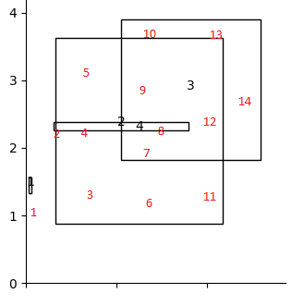
6 | 10474246 | 17939732 | 8801316 | 18236821 | 1 | 70,440,647,381,422 | 70,440,647,381,422 |  | 843789392741867
7 | 10474246 | 17939732 | 18236822 | 22608052 | 2 | 32,633,368,204,497 | 65,266,736,408,994
8 | 10474246 | 17939732 | 22608053 | 23794117 | 3 | 8,854,552,838,655 | 26,563,658,515,965
9 | 10474246 | 17939732 | 23794118 | 36244611 | 2 | 92,949,001,100,578 | 185,898,002,201,156
10 | 10474246 | 17939732 | 36244612 | 38959070 | 1 | 20,264,758,376,533 | 20,264,758,376,533
11 | 17939733 | 21669054 | 8801316 | 18236821 | 1 | 35,188,040,106,932 | 35,188,040,106,932
12 | 17939733 | 21669054 | 18236822 | 36244611 | 2 | 67,156,847,418,380 | 134,313,694,836,760
13 | 17939733 | 21669054 | 36244612 | 38959070 | 1 | 10,123,091,666,798 | 10,123,091,666,798
14 | 21669055 | 25904962 | 18236822 | 38959070 | 1 | 87,777,540,317,092 | 87,777,540,317,092

5
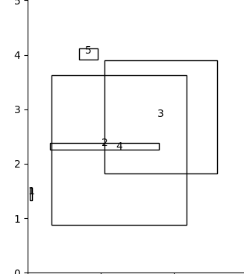
same as 4 plus last square
1 | 6983913 | 9561938 | 39083806 | 41200140 | 1 | 5,455,966,654,710 | 5,455,966,654,710
 |  |  |  |  |  | 5455966654710

 |  |  |  |  | 624,767,355,159,212
 |  |  |  |  | 624767355159212 | 630,223,321,813,922

