Sheet1
id | x0 | x1 | y0 | y1 | level | area | score | grid_size | total_score | 290797 | 629527 | 13339144 | 15552512 | 749736694739 | TRUE
1 | 290797 | 629527 | 13339144 | 15552512 | 1 | 749736694739 | 749736694739 | 50515093 | 23,967,876,580,415,110 | 3034546 | 17939732 | 22608053 | 23794117 | 17678520619155 | TRUE
2 | 3245540 | 21669054 | 8801316 | 18236821 | 1 | 173835186323590 | 173835186323590 |  | 2.396787658E+16 | 10474246 | 25904962 | 18236822 | 38959070 | 319759159922533 | TRUE
3 | 3245540 | 10474245 | 18236822 | 22608052 | 1 | 31598343757086 | 31598343757086 |  |  | 3245540 | 21669054 | 8801316 | 36244611 | 505601975505440 | TRUE
4 | 10474246 | 21669054 | 18236822 | 22608052 | 2 | 48935096139879 | 97870192279758
5 | 21669055 | 25904962 | 18236822 | 38959070 | 1 | 87777540317092 | 87777540317092
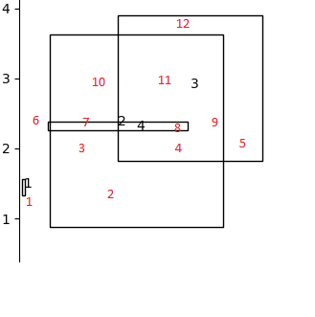
6 | 3034546 | 3245539 | 22608053 | 23794117 | 1 | 250252598610 | 250252598610
7 | 3245540 | 10474245 | 22608053 | 23794117 | 2 | 8573715181890 | 17147430363780
8 | 10474246 | 17939732 | 22608053 | 23794117 | 3 | 8854552838655 | 26563658515965
9 | 17939733 | 21669054 | 22608053 | 23794117 | 2 | 4423218297930 | 8846436595860
10 | 3245540 | 10474245 | 23794118 | 36244611 | 1 | 90000960680764 | 90000960680764
11 | 10474246 | 21669054 | 23794118 | 36244611 | 2 | 139380902285646 | 278761804571292
12 | 10474246 | 21669054 | 36244612 | 38959070 | 1 | 30387850043331 | 30387850043331

