Order
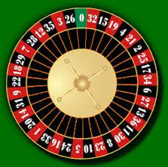
0 | 1
32 | 2
15 | 3
19 | 4
4 | 5
21 | 6
2 | 7
25 | 8
17 | 9
34 | 10
6 | 11
27 | 12
13 | 13
36 | 14
11 | 15
30 | 16
8 | 17
23 | 18
10 | 19
5 | 20
24 | 21
16 | 22
33 | 23
1 | 24
20 | 25
14 | 26
31 | 27
9 | 28
22 | 29
18 | 30
29 | 31
7 | 32
28 | 33
12 | 34
35 | 35
3 | 36
26 | 37

