PriceList
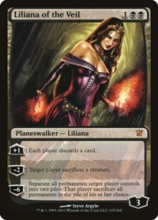
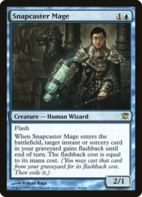
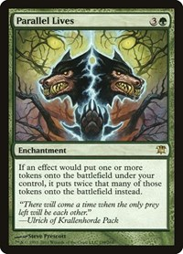
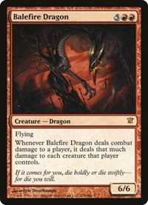
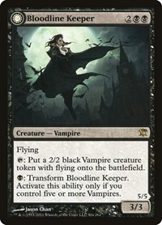
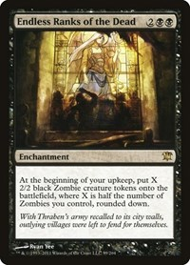
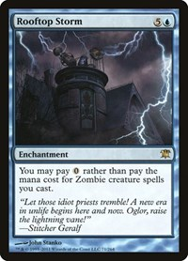
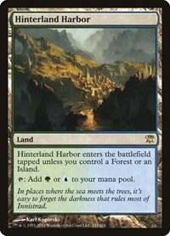
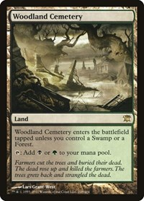
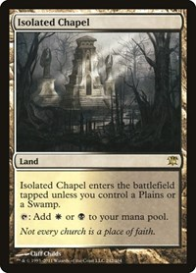
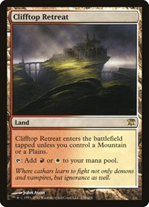
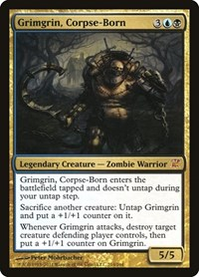
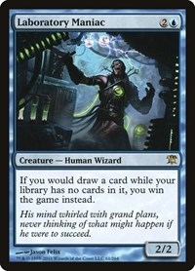
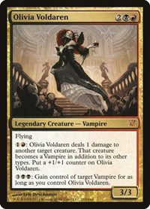
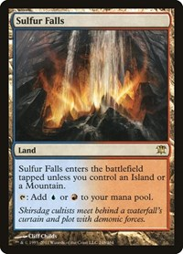
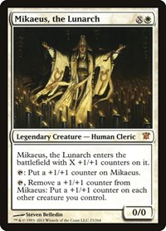
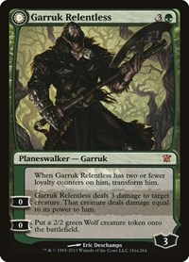
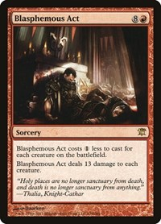
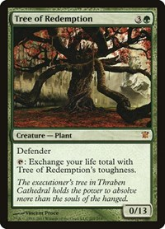
Price | $89.99 | $56.56 | $49.22 | $36.13 | $15.37 | $11.98 | $8.60 | $7.90 | $6.74 | $5.80 | $5.77 | $5.75 | $5.25 | $4.94 | $4.67 | $4.65 | $4.17 | $3.23 | $3.04
TGC Market Link | https://shop.tcgplayer.com/magic/innistrad/liliana-of-the-veil?xid=pi182dad29-1380-4230-a41a-92c06e519ec0& | https://shop.tcgplayer.com/magic/innistrad/snapcaster-mage?xid=pie124b0c2-3f2e-41ef-930c-593c6b0f852d& | https://shop.tcgplayer.com/magic/innistrad/parallel-lives?xid=pi2d2ba72f-1ab5-4f4d-ab95-ca4265b8e428& | https://shop.tcgplayer.com/magic/innistrad/balefire-dragon?xid=pi626cb91b-c43f-463a-8a83-bd3accdbc13a& | https://shop.tcgplayer.com/magic/innistrad/bloodline-keeper?xid=pic3c1a2f9-50fe-4d68-9d8d-a854e43ed46d& | https://shop.tcgplayer.com/magic/innistrad/endless-ranks-of-the-dead?xid=pi71f1672f-3d3b-4947-9565-fe23270ed575& | https://shop.tcgplayer.com/magic/innistrad/rooftop-storm?xid=pi3505c4d2-52ae-425c-833f-db06dba5f425& |  | https://shop.tcgplayer.com/magic/innistrad/woodland-cemetery?xid=pi0ccc93b5-64e4-4ae4-990e-85a818970505& | https://shop.tcgplayer.com/magic/innistrad/isolated-chapel?xid=pi35e2de4b-db02-4e22-9749-c6b83db52a17& | https://shop.tcgplayer.com/magic/innistrad/clifftop-retreat?xid=pi230b904b-2524-4845-80ff-4d2d1ce1014c& | https://shop.tcgplayer.com/magic/innistrad/grimgrin-corpse-born?xid=pi6610747d-4f8e-495e-8016-a1d769ade7f0& | https://shop.tcgplayer.com/magic/innistrad/laboratory-maniac?xid=pia4b0a52d-bd58-4524-ba10-7416f83c9a31& | https://shop.tcgplayer.com/magic/innistrad/olivia-voldaren?xid=pi5d5f5fab-8068-46f4-a548-c9a8f4516322& | https://shop.tcgplayer.com/magic/innistrad/sulfur-falls?xid=pi3dc3ef09-8963-4bfa-b191-62198521bc8c& | https://shop.tcgplayer.com/magic/innistrad/mikaeus-the-lunarch?xid=pi16e7f431-a648-41bb-8366-2e3245cbecee& | https://shop.tcgplayer.com/magic/innistrad/garruk-relentless?xid=piac7a3dfa-13b5-45d4-bc43-5c362c5dcaa2& | https://shop.tcgplayer.com/magic/innistrad/blasphemous-act?xid=pi1ed94fb6-c1f9-4dff-82c3-b0b25ecec08c& | https://shop.tcgplayer.com/magic/innistrad/tree-of-redemption?xid=pie648c201-3fa7-4688-bb8b-b609f127319a&
Image Set: Innistrad

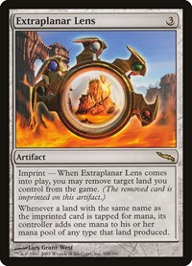
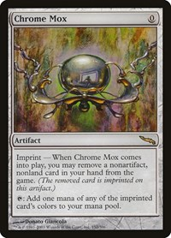
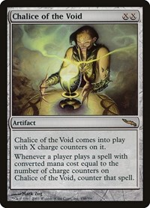
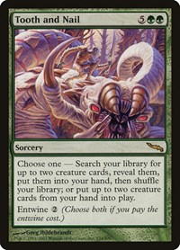
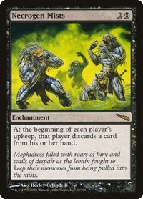
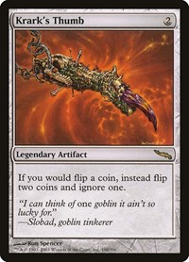
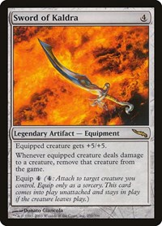
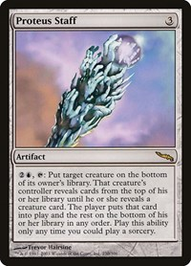
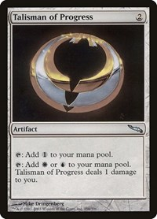
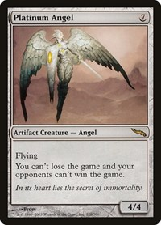
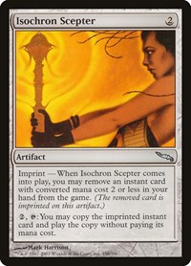
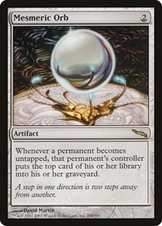
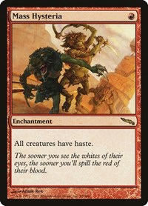
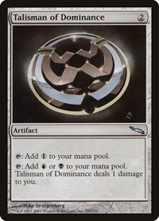
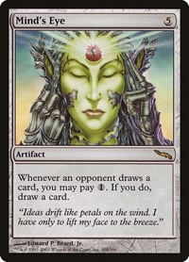
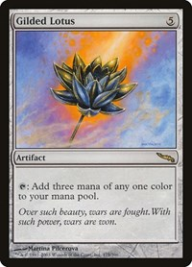
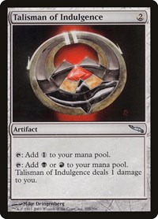
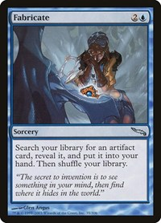
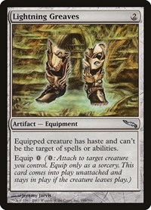
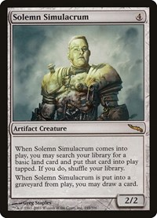
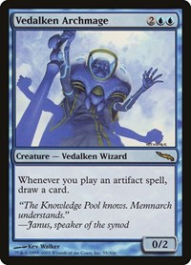
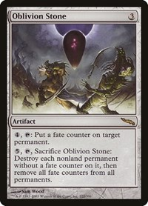
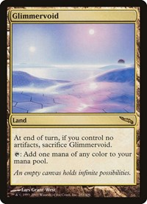
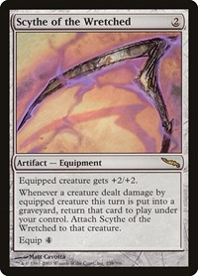
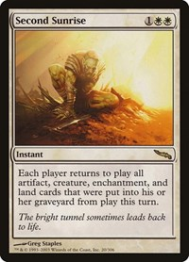
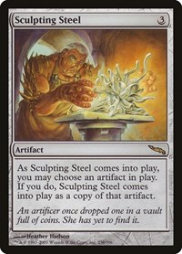
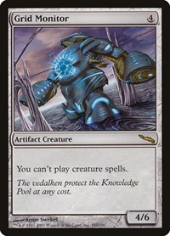
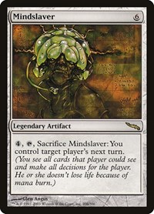
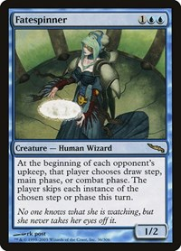
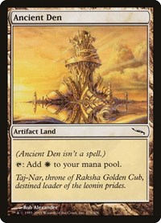
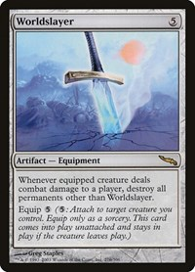

Price | $66.32 | $50.93 | $38.05 | $27.47 | $22.33 | $20.55 | $15.35 | $12.46 | $12.20 | $11.07 | $10.45 | $8.96 | $8.33 | $7.64 | $6.82 | $6.47 | $5.45 | $5.36 | $5.33 | $4.93 | $4.90 | $4.80 | $4.61 | $4.59 | $4.59 | $4.54 | $4.34 | $4.07 | $3.71 | $3.44 | $3.05 | $3.00
TGC Market Link | https://shop.tcgplayer.com/magic/mirrodin/extraplanar-lens?xid=pi713b6d81-0b29-4639-9327-b7a6adc8975e& | https://shop.tcgplayer.com/magic/mirrodin/chrome-mox?xid=pid395bc8a-e4f0-493e-945b-c3880b0a5f9a& | https://shop.tcgplayer.com/magic/mirrodin/chalice-of-the-void?xid=pi4106abdb-4b8e-4b37-a2aa-250ccb4db575& | https://shop.tcgplayer.com/magic/mirrodin/tooth-and-nail?xid=pi3db42012-4629-4333-93e4-f49d32f44101& | https://shop.tcgplayer.com/magic/mirrodin/necrogen-mists?xid=pi927ce1fa-9290-4e0d-941b-6b26460691d7& | https://shop.tcgplayer.com/magic/mirrodin/krarks-thumb?xid=pi372a4462-8187-4cde-9ba7-f1098f272e4b& | https://shop.tcgplayer.com/magic/mirrodin/sword-of-kaldra?xid=pia0e471bf-57d4-4848-8d80-303a9d3f2a30& | https://shop.tcgplayer.com/magic/mirrodin/proteus-staff?xid=pi78a61634-e31b-4998-bc03-780b8e1ec23f& | https://shop.tcgplayer.com/magic/mirrodin/talisman-of-progress?xid=pi44dc9b64-2419-4cae-8493-3ddebdba1dcd& | https://shop.tcgplayer.com/magic/mirrodin/platinum-angel?xid=pic2d6d476-9789-47c8-81b6-50f606369d62& | https://shop.tcgplayer.com/magic/mirrodin/isochron-scepter?xid=pif43d8aa5-f984-4afc-9420-ec883103cbda& | https://shop.tcgplayer.com/magic/mirrodin/mesmeric-orb?xid=pi7576a201-c73a-4659-92c3-0474ed938ae1& | https://shop.tcgplayer.com/magic/mirrodin/mass-hysteria?xid=pi4cd4b560-f835-43ec-a4ac-c745384553f2& | https://shop.tcgplayer.com/magic/mirrodin/talisman-of-dominance?xid=pia3993753-55db-40c9-9017-bebed32737e1& | https://shop.tcgplayer.com/magic/mirrodin/minds-eye?xid=pif6f7716c-6eb2-4f00-afea-814314d58aa3& | https://shop.tcgplayer.com/magic/mirrodin/gilded-lotus?xid=pi409684a0-4b87-41ad-b5de-ba0536854ee0& | https://shop.tcgplayer.com/magic/mirrodin/talisman-of-indulgence?xid=pi058f850b-fb03-4894-a4c0-5af366dbc50a& | https://shop.tcgplayer.com/magic/mirrodin/fabricate?xid=pieda319e4-c901-42d5-855c-26784c1ae0ae& | https://shop.tcgplayer.com/magic/mirrodin/lightning-greaves?xid=pi59c3c3f7-6d03-4959-b895-c037e4e26531& | https://shop.tcgplayer.com/magic/mirrodin/solemn-simulacrum?xid=pic0828b9f-56f2-438a-8462-c73b50ea4ac3& | https://shop.tcgplayer.com/magic/mirrodin/vedalken-archmage?xid=pi3e2a138b-4953-42bd-97f3-10a9b96ff272& | https://shop.tcgplayer.com/magic/mirrodin/oblivion-stone?xid=pi9296bb4b-7104-461b-b207-c6ea0e32a26a& | https://shop.tcgplayer.com/magic/mirrodin/glimmervoid?xid=pi58537912-29e1-480e-a953-d37dcc74fe38& | https://shop.tcgplayer.com/magic/mirrodin/scythe-of-the-wretched?xid=pi3da245dc-07d8-4139-aa3c-f3222faafbe6& | https://shop.tcgplayer.com/magic/mirrodin/second-sunrise?xid=pi483d8cca-760d-493e-83b6-17857d7e2e82& | https://shop.tcgplayer.com/magic/mirrodin/sculpting-steel?xid=pib3cb7a2a-780d-4657-925b-a0dd04b5adc7& | https://shop.tcgplayer.com/magic/mirrodin/grid-monitor?xid=pid11700e7-5db5-4097-bd05-6899968ac478& | https://shop.tcgplayer.com/magic/mirrodin/mindslaver?xid=pi1fe04168-9176-456e-94d3-048d7f6119bc& | https://shop.tcgplayer.com/magic/mirrodin/fatespinner?xid=pi30849b7c-59f0-4417-8f91-d7126fc5b5ec& | https://shop.tcgplayer.com/magic/mirrodin/ancient-den?xid=pi170f18cc-c51b-49e4-a345-d414fd569ca9& | https://shop.tcgplayer.com/magic/mirrodin/worldslayer?xid=pibeffb64b-7a22-4561-bc4b-4f7b7a428bdf& | https://shop.tcgplayer.com/magic/mirrodin/spellweaver-helix?xid=pie6c914b0-412e-4e58-a436-b2bc04ccad9c&
Image Set: Mirrodin
















Price | $54.63 | $40.24 | $39.90 | $27.29 | $23.28 | $16.82 | $10.73 | $8.06 | $7.05 | $6.21 | $4.25 | $4.07 | $3.81 | $3.29 | $3.20
TGC Market Link | https://shop.tcgplayer.com/magic/mirrodin-besieged/sword-of-feast-and-famine?xid=pi1041f982-0b4a-4585-a1c9-a575d3afce7f& | https://shop.tcgplayer.com/magic/mirrodin-besieged/consecrated-sphinx?xid=pi08b05ecd-caf3-4b3a-b62b-6448fa6c9dfd& | https://shop.tcgplayer.com/magic/mirrodin-besieged/blightsteel-colossus?xid=pic3aaaedb-a62b-4013-b7f4-18a9acae897a& | https://shop.tcgplayer.com/magic/mirrodin-besieged/green-suns-zenith?xid=pibcda08ca-2e4e-4e6b-95a0-f7b0415506fa& | https://shop.tcgplayer.com/magic/mirrodin-besieged/inkmoth-nexus?xid=pi1f0c0d95-d79b-4547-96a8-c7fbade6f730& | https://shop.tcgplayer.com/magic/mirrodin-besieged/darksteel-plate?xid=pi8361081d-a640-4943-89bc-aee0045a49f3& | https://shop.tcgplayer.com/magic/mirrodin-besieged/phyrexian-crusader?xid=picb131709-b231-4ce5-b076-a38e3fa36643& | https://shop.tcgplayer.com/magic/mirrodin-besieged/tezzeret-agent-of-bolas?xid=pi6ae2e23c-552f-4b69-a7dd-34e015fb3d1f& | https://shop.tcgplayer.com/magic/mirrodin-besieged/hero-of-bladehold?xid=pi425aba76-674d-4c22-b386-b46df62a8d35& | https://shop.tcgplayer.com/magic/mirrodin-besieged/black-suns-zenith?xid=pi52873255-3293-4309-8559-1d3876955c0b& | https://shop.tcgplayer.com/magic/mirrodin-besieged/blue-suns-zenith?xid=pi46b5e430-7059-4fcf-9eb0-2ec6acbe9a51& | https://shop.tcgplayer.com/magic/mirrodin-besieged/massacre-wurm?xid=pia2294e9d-2f8b-47a9-9b79-335faa1c9d62& | https://shop.tcgplayer.com/magic/mirrodin-besieged/praetors-counsel?xid=pie2c4eed4-283b-467a-a082-3702664958e3& | https://shop.tcgplayer.com/magic/mirrodin-besieged/phyrexian-hydra?xid=pi5e3b3bf0-0e4b-4de3-bef9-0a77cb250e79& | https://shop.tcgplayer.com/magic/mirrodin-besieged/glissa-the-traitor?xid=pi5941e460-cd9f-4671-877a-9f5bce7b5f54&
Image Set: Mirrodin Besieged
































Price | $41.62 | $22.90 | $21.67 | $20.91 | $19.47 | $18.69 | $17.90 | $17.32 | $15.28 | $15.21 | $11.45 | $9.72 | $9.47 | $9.26 | $9.05 | $8.81 | $7.61 | $7.29 | $6.76 | $6.51 | $6.02 | $5.79 | $5.07 | $5.06 | $5.03 | $4.83 | $4.74 | $4.20 | $3.98 | $3.47 | $3.15
TGC Market Link | https://shop.tcgplayer.com/magic/scars-of-mirrodin/mox-opal | https://shop.tcgplayer.com/magic/scars-of-mirrodin/painful-quandary | https://shop.tcgplayer.com/magic/scars-of-mirrodin/wurmcoil-engine | https://shop.tcgplayer.com/magic/scars-of-mirrodin/venser-the-sojourner | https://shop.tcgplayer.com/magic/scars-of-mirrodin/contagion-engine | https://shop.tcgplayer.com/magic/scars-of-mirrodin/asceticism | https://shop.tcgplayer.com/magic/scars-of-mirrodin/blackcleave-cliffs | https://shop.tcgplayer.com/magic/scars-of-mirrodin/platinum-emperion | https://shop.tcgplayer.com/magic/scars-of-mirrodin/skithiryx-the-blight-dragon | https://shop.tcgplayer.com/magic/scars-of-mirrodin/ezuri-renegade-leader | https://shop.tcgplayer.com/magic/scars-of-mirrodin/sword-of-body-and-mind | https://shop.tcgplayer.com/magic/scars-of-mirrodin/nim-deathmantle | https://shop.tcgplayer.com/magic/scars-of-mirrodin/exsanguinate | https://shop.tcgplayer.com/magic/scars-of-mirrodin/elspeth-tirel | https://shop.tcgplayer.com/magic/scars-of-mirrodin/genesis-wave | https://shop.tcgplayer.com/magic/scars-of-mirrodin/darkslick-shores | https://shop.tcgplayer.com/magic/scars-of-mirrodin/leonin-arbiter | https://shop.tcgplayer.com/magic/scars-of-mirrodin/vensers-journal | https://shop.tcgplayer.com/magic/scars-of-mirrodin/seachrome-coast | https://shop.tcgplayer.com/magic/scars-of-mirrodin/semblance-anvil | https://shop.tcgplayer.com/magic/scars-of-mirrodin/razorverge-thicket | https://shop.tcgplayer.com/magic/scars-of-mirrodin/hand-of-the-praetors | https://shop.tcgplayer.com/magic/scars-of-mirrodin/inexorable-tide | https://shop.tcgplayer.com/magic/scars-of-mirrodin/koth-of-the-hammer | https://shop.tcgplayer.com/magic/scars-of-mirrodin/wurm-token-deathtouch | https://shop.tcgplayer.com/magic/scars-of-mirrodin/copperline-gorge | https://shop.tcgplayer.com/magic/scars-of-mirrodin/wurm-token-lifelink | https://shop.tcgplayer.com/magic/scars-of-mirrodin/mindslaver | https://shop.tcgplayer.com/magic/scars-of-mirrodin/grafted-exoskeleton | https://shop.tcgplayer.com/magic/scars-of-mirrodin/argentum-armor | https://shop.tcgplayer.com/magic/scars-of-mirrodin/molten-psyche
Image Set: Scars Of Mirrodin






























Price | $47.69 | $36.82 | $31.30 | $29.15 | $25.75 | $23.30 | $22.55 | $21.79 | $17.20 | $15.83 | $12.32 | $11.84 | $11.57 | $11.01 | $8.90 | $8.81 | $8.39 | $8.00 | $7.40 | $6.48 | $5.28 | $4.76 | $4.55 | $4.47 | $4.35 | $4.15 | $3.35 | $3.20 | $3.14
TGC Market Link | https://shop.tcgplayer.com/magic/new-phyrexia/vorinclex-voice-of-hunger?xid=pi75edfa31-f58b-46a2-801f-075fe67bf3bc& | https://shop.tcgplayer.com/magic/new-phyrexia/jin-gitaxias-core-augur?xid=pi9f8eaa0e-0aeb-4c95-8a95-b98059e0dcd4& | https://shop.tcgplayer.com/magic/new-phyrexia/phyrexian-obliterator?xid=picfcc07d3-a117-4e46-a561-267af6323d1c& | https://shop.tcgplayer.com/magic/new-phyrexia/karn-liberated?xid=piede35d90-9675-476e-aa64-53a97f642b9e& | https://shop.tcgplayer.com/magic/new-phyrexia/elesh-norn-grand-cenobite?xid=pi688ea437-c36a-4db2-bbf0-c32daa1f4070& | https://shop.tcgplayer.com/magic/new-phyrexia/sheoldred-whispering-one?xid=pi3fd91fbb-af1b-4580-9d2a-f71a3a67497c& | https://shop.tcgplayer.com/magic/new-phyrexia/triumph-of-the-hordes?xid=pi191d7688-eef6-4d3e-b9db-5391c2f3f84d& | https://shop.tcgplayer.com/magic/new-phyrexia/surgical-extraction?xid=pi7b7d2d8e-ff0a-419e-94f6-2db8c22b26b5& | https://shop.tcgplayer.com/magic/new-phyrexia/birthing-pod?xid=picf645e28-bb1f-454b-b981-3f12f7ffb448& | https://shop.tcgplayer.com/magic/new-phyrexia/noxious-revival?xid=pi81ec3def-540e-4b0e-b800-c4384e02b255& | https://shop.tcgplayer.com/magic/new-phyrexia/puresteel-paladin?xid=pi6bc8baab-df30-408f-8857-2f7d62cf02b2& | https://shop.tcgplayer.com/magic/new-phyrexia/sword-of-war-and-peace?xid=pia8bc78c6-5136-476c-9efe-22554816e81a& | https://shop.tcgplayer.com/magic/new-phyrexia/urabrask-the-hidden?xid=pi746463dc-cec5-423d-9bc2-e4d2e085ec52& | https://shop.tcgplayer.com/magic/new-phyrexia/unwinding-clock?xid=pi5c905250-4056-4e9a-a386-455019dfd1ed& | https://shop.tcgplayer.com/magic/new-phyrexia/phyrexian-swarmlord?xid=pifcd069e2-b404-4881-9c09-7a797ecdc1bc& | https://shop.tcgplayer.com/magic/new-phyrexia/torpor-orb?xid=pi4150ec5c-d3aa-418c-88d5-c9db48833a36& | https://shop.tcgplayer.com/magic/new-phyrexia/praetors-grasp?xid=pia887b79a-3b89-4ebd-b449-6a4e30735da9& | https://shop.tcgplayer.com/magic/new-phyrexia/batterskull?xid=pi8885fc29-6962-47e0-963e-c2aca849ba41& | https://shop.tcgplayer.com/magic/new-phyrexia/caged-sun?xid=piaa757fb0-a1ec-4aff-bab1-564795d72967& | https://shop.tcgplayer.com/magic/new-phyrexia/mental-misstep?xid=pi9c7898fe-857d-4ee9-9489-6d14250d2423& | https://shop.tcgplayer.com/magic/new-phyrexia/mindcrank?xid=piffed75f1-762e-484e-8b51-4c43da9d0cb2& | https://shop.tcgplayer.com/magic/new-phyrexia/phyrexian-unlife?xid=pia74d5274-4552-40ec-aecb-e4c622bd5262& | https://shop.tcgplayer.com/magic/new-phyrexia/norns-annex?xid=pi71574c38-a147-4ec7-8a91-fa2b06a78433& | https://shop.tcgplayer.com/magic/new-phyrexia/melira-sylvok-outcast?xid=pi6f5dc6f9-8d0d-43ca-8984-5a3535105a70& | https://shop.tcgplayer.com/magic/new-phyrexia/phyrexian-metamorph?xid=pi74933ef4-69c8-4924-ba75-4cb77962054e& | https://shop.tcgplayer.com/magic/new-phyrexia/spellskite?xid=pifef76057-91d2-407f-bbc9-06e6cdd68535& | https://shop.tcgplayer.com/magic/new-phyrexia/viral-drake?xid=piec0886ed-e299-419e-b7b8-00d5af970906& | https://shop.tcgplayer.com/magic/new-phyrexia/goblin-token?xid=pi99460a23-e7e8-47e9-8aec-12cc38b19460& | https://shop.tcgplayer.com/magic/new-phyrexia/dismember?xid=pi23d1cc76-af5c-4286-9030-ea3e1edf09b5&
Image Set: New Phyrexia














Price | $43.19 | $10.03 | $8.89 | $7.54 | $6.95 | $6.81 | $6.39 | $5.52 | $4.32 | $3.94 | $3.57 | $3.47 | $3.33
TGC Market Link | https://shop.tcgplayer.com/magic/dark-ascension/mikaeus-the-unhallowed?xid=pi30d45bef-fddf-49c1-93ac-9ffd3eb412cb& | https://shop.tcgplayer.com/magic/dark-ascension/thalia-guardian-of-thraben?xid=pi2a919b9b-a07e-4e54-8daa-abd8e2a93008& | https://shop.tcgplayer.com/magic/dark-ascension/geralfs-messenger?xid=pi0345dc01-789c-419b-8dd0-960ea05db2fc& | https://shop.tcgplayer.com/magic/dark-ascension/vault-of-the-archangel?xid=pia9c26659-54f2-493f-ad66-0c7b3d38ee97& | https://shop.tcgplayer.com/magic/dark-ascension/huntmaster-of-the-fells?xid=pife6d1322-2985-4afa-8e66-c5152a613d96& | https://shop.tcgplayer.com/magic/dark-ascension/gravecrawler?xid=pi3b110a81-46f7-4eaa-8064-72c8c5fde859& | https://shop.tcgplayer.com/magic/dark-ascension/sorin-lord-of-innistrad?xid=pief17a1cd-3a43-4c23-9c89-647f27669b00& | https://shop.tcgplayer.com/magic/dark-ascension/elbrus-the-binding-blade?xid=pi583f50b8-4ec0-4f3b-82a0-d241a2be8731& | https://shop.tcgplayer.com/magic/dark-ascension/emblem-sorin-lord-of-innistrad?xid=pi3803ed9d-ccd7-46ed-8766-093d7e0f8bdb& | https://shop.tcgplayer.com/magic/dark-ascension/havengul-lich?xid=pib042f119-eb8e-4b93-8254-3202405b3fc7& | https://shop.tcgplayer.com/magic/dark-ascension/vampire-token?xid=pibac49179-2ee8-46ab-8126-1d6c1de8c5c1& | https://shop.tcgplayer.com/magic/dark-ascension/zombie-apocalypse?xid=pic608b0e2-6164-4f92-b155-4cf5a5c452c2& | https://shop.tcgplayer.com/magic/dark-ascension/drogskol-reaver?xid=pi6230dc20-7f6f-4239-af94-e7f3ddc8b75f&
Image Set: Dark Ascension























Price | $78.95 | $58.42 | $41.13 | $34.94 | $19.19 | $19.06 | $11.42 | $11.04 | $10.60 | $9.64 | $9.06 | $7.95 | $7.70 | $6.11 | $5.44 | $4.69 | $4.45 | $4.41 | $4.26 | $4.09 | $3.54 | $3.43
TGC Market Link | https://shop.tcgplayer.com/magic/avacyn-restored/cavern-of-souls?xid=pifa42cdbd-6088-4b1d-9581-14a1e7009296& | https://shop.tcgplayer.com/magic/avacyn-restored/craterhoof-behemoth?xid=pi89de5018-eaaa-4349-9bfa-f4bfa083d323& | https://shop.tcgplayer.com/magic/avacyn-restored/exquisite-blood?xid=pia4167772-7cec-42d6-870a-28a307303ee6& | https://shop.tcgplayer.com/magic/avacyn-restored/avacyn-angel-of-hope?xid=picc0bc697-7396-49ff-80e7-9f2834871e06& | https://shop.tcgplayer.com/magic/avacyn-restored/tamiyo-the-moon-sage?xid=pia57aeff5-e793-40ef-835c-e3ed91a374e8& | https://shop.tcgplayer.com/magic/avacyn-restored/gisela-blade-of-goldnight?xid=pi1674ae38-187a-449e-9fe4-399873ea2016& | https://shop.tcgplayer.com/magic/avacyn-restored/descendants-path?xid=piaf14342f-1631-42e3-a1e3-0c00c1989e03& | https://shop.tcgplayer.com/magic/avacyn-restored/sigarda-host-of-herons?xid=pic4b80fa5-36ee-48d1-ac67-ccb52a4314df& | https://shop.tcgplayer.com/magic/avacyn-restored/reforge-the-soul?xid=pifc0bedb1-a318-44b2-b491-ace401f85ea5& | https://shop.tcgplayer.com/magic/avacyn-restored/griselbrand?xid=pib431a107-e9f2-452b-89c0-d1e70a7f0eb9& | https://shop.tcgplayer.com/magic/avacyn-restored/deadeye-navigator?xid=pi0e94db97-631a-4c92-bc10-553646223719& | https://shop.tcgplayer.com/magic/avacyn-restored/temporal-mastery?xid=pi5074766a-7f76-4968-a535-5e30bc7a3545& | https://shop.tcgplayer.com/magic/avacyn-restored/angel-of-jubilation?xid=pi1c42961f-dace-4733-8bb7-260fd7c70fc6& | https://shop.tcgplayer.com/magic/avacyn-restored/cathars-crusade?xid=pi4a0e8327-0c4c-4480-8332-94e8367259b0& | https://shop.tcgplayer.com/magic/avacyn-restored/malignus?xid=pi0036b1b3-91fa-45dd-80b1-55853f9b1580& | https://shop.tcgplayer.com/magic/avacyn-restored/blood-artist?xid=pi223ccf5b-8307-4830-8783-79413eab60da& | https://shop.tcgplayer.com/magic/avacyn-restored/conjurers-closet?xid=pi9ce27b8b-59c0-4e35-b90b-9436abcd6e68& | https://shop.tcgplayer.com/magic/avacyn-restored/alchemists-refuge?xid=pi8e5c1b69-55b7-4e05-b23b-dba027cc006b& | https://shop.tcgplayer.com/magic/avacyn-restored/vexing-devil?xid=pi1dc9cecb-dca2-4e16-9e51-b5c329c77d54& | https://shop.tcgplayer.com/magic/avacyn-restored/primal-surge?xid=pi0bcc32a3-8cee-4075-9173-c3f012bfb5de& | https://shop.tcgplayer.com/magic/avacyn-restored/herald-of-war?xid=pi0798c454-f8d7-4bb2-9c3c-54f3f5d9b63e& | https://shop.tcgplayer.com/magic/avacyn-restored/somberwald-sage?xid=pi7fd9593d-71e5-44ea-9601-70592f503a91&
Image Set: Avacyn Restored

