2) Province ranking
Province-level PET exposure pressure - why Jawa Barat (West Java) ??
score = 0.40 river plastic flux + 0.30 PET in waste + 0.20 converter plants + 0.10 population density
Data status: synthetic (dummy) - generated, not measured

rank | province | msw_generation_kt_yr | plastic_share_pct | pet_share_of_plastic_pct | textile_and_bottling_plants_n | population_density_p_km2 | river_plastic_flux_index | pet_in_waste_kt_yr | exposure_pressure_score
1 | Jawa Barat | 6520 | 17.80 | 22.50 | 1180 | 1450 | 100.00 | 261.13 | 90.90
2 | DKI Jakarta | 3180 | 19.40 | 24.10 | 410 | 15900 | 88.50 | 148.68 | 69.40
3 | Jawa Timur | 5480 | 16.20 | 20.30 | 860 | 850 | 76.40 | 180.22 | 66.40
4 | Jawa Tengah | 4720 | 15.60 | 19.80 | 640 | 1060 | 68.10 | 145.79 | 55.50
5 | Banten | 2140 | 17.10 | 21.60 | 520 | 1320 | 61.70 | 79.04 | 43.40
6 | Sumatera Utara | 2280 | 14.30 | 18.40 | 210 | 200 | 44.20 | 59.99 | 28.30
7 | Bali | 940 | 18.20 | 21.00 | 130 | 750 | 39.80 | 35.93 | 22.70

Composite PET exposure-pressure score by province

3) Stations & exposure
Sampling stations and measured PET nanoplastic exposure
8 stations from Situ Cisanti to Muara Gembong x 3 seasons x 3 field replicates
Data status: synthetic (dummy) - generated, not measured

station_code | station_name | regency | river_km | pressure_type | population_density_p_km2 | latitude_dd | longitude_dd | water_body
ST1 | Situ Cisanti (headwater) | Kab. Bandung | 0 | reference / upstream forest | 420 | (7.204) | 107.66 | lake/spring
ST2 | Majalaya (textile cluster) | Kab. Bandung | 32 | textile wastewater | 3900 | (7.048) | 107.76 | river
ST3 | Dayeuhkolot | Kab. Bandung | 54 | urban domestic + industry | 8600 | (6.983) | 107.62 | river
ST4 | Nanjung - Bandung Barat | Kab. Bandung Barat | 71 | mixed urban runoff | 5100 | (6.928) | 107.55 | river
ST5 | Saguling reservoir inlet | Kab. Bandung Barat | 95 | reservoir sedimentation | 1400 | (6.912) | 107.38 | reservoir inlet
ST6 | Cirata reservoir | Kab. Purwakarta | 128 | reservoir + aquaculture cages | 1100 | (6.703) | 107.31 | reservoir
ST7 | Jatiluhur outlet | Kab. Purwakarta | 158 | reservoir outlet / raw water intake | 1600 | (6.535) | 107.39 | reservoir outlet
ST8 | Muara Gembong (estuary) | Kab. Bekasi | 269 | estuary, landfill leachate + tidal | 2300 | (5.977) | 107.01 | estuary

Exposure records (blue = replace with measured data)
station_code | station_name | regency | river_km | season | replicate | pet_np_water_ug_L | pet_np_particles_per_L | d50_nm | zeta_potential_mV | tss_mg_L | pet_np_sediment_mg_kg | dissolved_organic_carbon_mg_L | water_temp_C | pH | season_note | data_status
ST1 | Situ Cisanti (headwater) | Kab. Bandung | 0 | Kemarau (dry, Jul-Sep) | 1 | 0.830 | 1539349 | 78.20 | (23.20) | 10.60 | 1.110 | 6.800 | 25.80 | 6.940 | low flow, less dilution but less land wash-off | synthetic (dummy) - generated, not measured
ST1 | Situ Cisanti (headwater) | Kab. Bandung | 0 | Kemarau (dry, Jul-Sep) | 2 | 0.930 | 1919029 | 107.40 | (24.50) | 5.900 | 1.220 | 5.990 | 27.10 | 7.620 | low flow, less dilution but less land wash-off | synthetic (dummy) - generated, not measured
ST1 | Situ Cisanti (headwater) | Kab. Bandung | 0 | Kemarau (dry, Jul-Sep) | 3 | 0.910 | 1754010 | 94.70 | (29.40) | 6.400 | 0.900 | 3.480 | 28.20 | 7.030 | low flow, less dilution but less land wash-off | synthetic (dummy) - generated, not measured
ST1 | Situ Cisanti (headwater) | Kab. Bandung | 0 | Transisi (Apr-Jun/Oct) | 1 | 0.790 | 1554894 | 97.70 | (25.50) | 16.20 | 1.190 | 6.870 | 26.60 | 7.760 | reference season for PEC | synthetic (dummy) - generated, not measured
ST1 | Situ Cisanti (headwater) | Kab. Bandung | 0 | Transisi (Apr-Jun/Oct) | 2 | 1.230 | 2825225 | 90.70 | (21.40) | 13.80 | 1.200 | 4.650 | 27.00 | 7.150 | reference season for PEC | synthetic (dummy) - generated, not measured
ST1 | Situ Cisanti (headwater) | Kab. Bandung | 0 | Transisi (Apr-Jun/Oct) | 3 | 0.920 | 1764148 | 94.50 | (25.30) | 14.00 | 0.920 | 5.050 | 29.00 | 7.160 | reference season for PEC | synthetic (dummy) - generated, not measured
ST1 | Situ Cisanti (headwater) | Kab. Bandung | 0 | Hujan (wet, Dec-Feb) | 1 | 1.250 | 2179601 | 96.10 | (24.90) | 28.00 | 1.580 | 4.090 | 27.10 | 7.200 | runoff-driven mobilisation of PET debris | synthetic (dummy) - generated, not measured
ST1 | Situ Cisanti (headwater) | Kab. Bandung | 0 | Hujan (wet, Dec-Feb) | 2 | 1.140 | 2193736 | 72.30 | (20.30) | 32.50 | 1.030 | 7.830 | 27.90 | 7.800 | runoff-driven mobilisation of PET debris | synthetic (dummy) - generated, not measured
ST1 | Situ Cisanti (headwater) | Kab. Bandung | 0 | Hujan (wet, Dec-Feb) | 3 | 1.630 | 2945011 | 89.40 | (24.00) | 34.50 | 2.150 | 6.300 | 27.40 | 7.240 | runoff-driven mobilisation of PET debris | synthetic (dummy) - generated, not measured
ST2 | Majalaya (textile cluster) | Kab. Bandung | 32 | Kemarau (dry, Jul-Sep) | 1 | 24.72 | 49910946 | 103.30 | (29.60) | 26.90 | 23.37 | 4.860 | 29.70 | 7.000 | low flow, less dilution but less land wash-off | synthetic (dummy) - generated, not measured
ST2 | Majalaya (textile cluster) | Kab. Bandung | 32 | Kemarau (dry, Jul-Sep) | 2 | 24.18 | 43290596 | 112.20 | (22.80) | 29.00 | 37.10 | 7.260 | 28.10 | 7.260 | low flow, less dilution but less land wash-off | synthetic (dummy) - generated, not measured
ST2 | Majalaya (textile cluster) | Kab. Bandung | 32 | Kemarau (dry, Jul-Sep) | 3 | 26.43 | 55781068 | 121.50 | (23.20) | 22.90 | 31.99 | 9.450 | 28.70 | 7.430 | low flow, less dilution but less land wash-off | synthetic (dummy) - generated, not measured
ST2 | Majalaya (textile cluster) | Kab. Bandung | 32 | Transisi (Apr-Jun/Oct) | 1 | 47.56 | 88516257 | 114.70 | (28.50) | 53.60 | 45.20 | 7.220 | 27.80 | 6.910 | reference season for PEC | synthetic (dummy) - generated, not measured
ST2 | Majalaya (textile cluster) | Kab. Bandung | 32 | Transisi (Apr-Jun/Oct) | 2 | 34.78 | 60606862 | 129.50 | (26.60) | 46.30 | 33.18 | 7.600 | 25.50 | 7.490 | reference season for PEC | synthetic (dummy) - generated, not measured
ST2 | Majalaya (textile cluster) | Kab. Bandung | 32 | Transisi (Apr-Jun/Oct) | 3 | 31.97 | 65519362 | 116.70 | (22.80) | 61.10 | 51.03 | 6.430 | 27.20 | 6.930 | reference season for PEC | synthetic (dummy) - generated, not measured
ST2 | Majalaya (textile cluster) | Kab. Bandung | 32 | Hujan (wet, Dec-Feb) | 1 | 41.56 | 75275044 | 105.20 | (28.20) | 130.20 | 56.33 | 6.510 | 28.10 | 7.010 | runoff-driven mobilisation of PET debris | synthetic (dummy) - generated, not measured
ST2 | Majalaya (textile cluster) | Kab. Bandung | 32 | Hujan (wet, Dec-Feb) | 2 | 43.58 | 85005851 | 110.30 | (25.40) | 88.70 | 57.04 | 6.960 | 27.40 | 7.060 | runoff-driven mobilisation of PET debris | synthetic (dummy) - generated, not measured
ST2 | Majalaya (textile cluster) | Kab. Bandung | 32 | Hujan (wet, Dec-Feb) | 3 | 53.90 | 92933926 | 97.90 | (24.50) | 100.10 | 59.42 | 7.820 | 28.30 | 7.910 | runoff-driven mobilisation of PET debris | synthetic (dummy) - generated, not measured
ST3 | Dayeuhkolot | Kab. Bandung | 54 | Kemarau (dry, Jul-Sep) | 1 | 48.65 | 78093544 | 105.10 | (24.20) | 30.30 | 68.43 | 5.650 | 27.50 | 7.450 | low flow, less dilution but less land wash-off | synthetic (dummy) - generated, not measured
ST3 | Dayeuhkolot | Kab. Bandung | 54 | Kemarau (dry, Jul-Sep) | 2 | 33.24 | 55201950 | 115.80 | (22.20) | 23.90 | 39.15 | 4.960 | 28.90 | 7.890 | low flow, less dilution but less land wash-off | synthetic (dummy) - generated, not measured
ST3 | Dayeuhkolot | Kab. Bandung | 54 | Kemarau (dry, Jul-Sep) | 3 | 41.14 | 92622807 | 126.80 | (24.10) | 26.40 | 64.12 | 4.680 | 27.70 | 7.050 | low flow, less dilution but less land wash-off | synthetic (dummy) - generated, not measured
ST3 | Dayeuhkolot | Kab. Bandung | 54 | Transisi (Apr-Jun/Oct) | 1 | 53.78 | 111151070 | 119.30 | (24.20) | 42.20 | 77.75 | 6.550 | 28.20 | 7.560 | reference season for PEC | synthetic (dummy) - generated, not measured
ST3 | Dayeuhkolot | Kab. Bandung | 54 | Transisi (Apr-Jun/Oct) | 2 | 54.85 | 101328884 | 116.60 | (25.80) | 53.00 | 80.47 | 8.210 | 28.80 | 7.610 | reference season for PEC | synthetic (dummy) - generated, not measured
ST3 | Dayeuhkolot | Kab. Bandung | 54 | Transisi (Apr-Jun/Oct) | 3 | 42.65 | 75343626 | 130.20 | (22.40) | 41.20 | 45.72 | 2.120 | 25.50 | 7.110 | reference season for PEC | synthetic (dummy) - generated, not measured
ST3 | Dayeuhkolot | Kab. Bandung | 54 | Hujan (wet, Dec-Feb) | 1 | 67.84 | 121721400 | 141.00 | (21.60) | 118.30 | 76.75 | 5.830 | 26.40 | 7.610 | runoff-driven mobilisation of PET debris | synthetic (dummy) - generated, not measured
ST3 | Dayeuhkolot | Kab. Bandung | 54 | Hujan (wet, Dec-Feb) | 2 | 58.95 | 111118718 | 135.50 | (19.20) | 96.50 | 76.56 | 8.040 | 27.00 | 7.520 | runoff-driven mobilisation of PET debris | synthetic (dummy) - generated, not measured
ST3 | Dayeuhkolot | Kab. Bandung | 54 | Hujan (wet, Dec-Feb) | 3 | 55.03 | 118399762 | 142.70 | (23.30) | 111.10 | 83.40 | 7.130 | 29.30 | 7.610 | runoff-driven mobilisation of PET debris | synthetic (dummy) - generated, not measured
ST4 | Nanjung - Bandung Barat | Kab. Bandung Barat | 71 | Kemarau (dry, Jul-Sep) | 1 | 20.27 | 36402743 | 125.10 | (24.60) | 19.40 | 20.76 | 5.120 | 26.10 | 7.160 | low flow, less dilution but less land wash-off | synthetic (dummy) - generated, not measured
ST4 | Nanjung - Bandung Barat | Kab. Bandung Barat | 71 | Kemarau (dry, Jul-Sep) | 2 | 18.41 | 45852188 | 109.90 | (25.60) | 16.80 | 23.30 | 7.850 | 26.90 | 7.420 | low flow, less dilution but less land wash-off | synthetic (dummy) - generated, not measured
ST4 | Nanjung - Bandung Barat | Kab. Bandung Barat | 71 | Kemarau (dry, Jul-Sep) | 3 | 22.62 | 37538014 | 113.10 | (28.10) | 21.40 | 27.20 | 3.470 | 25.60 | 7.460 | low flow, less dilution but less land wash-off | synthetic (dummy) - generated, not measured
ST4 | Nanjung - Bandung Barat | Kab. Bandung Barat | 71 | Transisi (Apr-Jun/Oct) | 1 | 23.82 | 41907409 | 89.50 | (21.20) | 49.70 | 21.90 | 6.340 | 27.30 | 7.260 | reference season for PEC | synthetic (dummy) - generated, not measured
ST4 | Nanjung - Bandung Barat | Kab. Bandung Barat | 71 | Transisi (Apr-Jun/Oct) | 2 | 28.42 | 56855811 | 116.90 | (20.90) | 59.40 | 31.60 | 7.940 | 28.80 | 7.070 | reference season for PEC | synthetic (dummy) - generated, not measured
ST4 | Nanjung - Bandung Barat | Kab. Bandung Barat | 71 | Transisi (Apr-Jun/Oct) | 3 | 27.24 | 45788223 | 133.30 | (23.90) | 46.80 | 38.29 | 6.100 | 26.70 | 7.930 | reference season for PEC | synthetic (dummy) - generated, not measured
ST4 | Nanjung - Bandung Barat | Kab. Bandung Barat | 71 | Hujan (wet, Dec-Feb) | 1 | 37.61 | 66369753 | 123.00 | (23.50) | 100.80 | 43.01 | 5.790 | 29.20 | 7.760 | runoff-driven mobilisation of PET debris | synthetic (dummy) - generated, not measured
ST4 | Nanjung - Bandung Barat | Kab. Bandung Barat | 71 | Hujan (wet, Dec-Feb) | 2 | 42.48 | 97234796 | 109.10 | (23.10) | 122.80 | 41.50 | 6.290 | 28.50 | 7.190 | runoff-driven mobilisation of PET debris | synthetic (dummy) - generated, not measured
ST4 | Nanjung - Bandung Barat | Kab. Bandung Barat | 71 | Hujan (wet, Dec-Feb) | 3 | 47.44 | 85189866 | 112.40 | (26.50) | 133.60 | 69.58 | 8.690 | 25.90 | 7.910 | runoff-driven mobilisation of PET debris | synthetic (dummy) - generated, not measured
ST5 | Saguling reservoir inlet | Kab. Bandung Barat | 95 | Kemarau (dry, Jul-Sep) | 1 | 12.27 | 25622702 | 138.00 | (28.00) | 27.10 | 11.48 | 7.120 | 27.90 | 7.990 | low flow, less dilution but less land wash-off | synthetic (dummy) - generated, not measured
ST5 | Saguling reservoir inlet | Kab. Bandung Barat | 95 | Kemarau (dry, Jul-Sep) | 2 | 11.08 | 22013049 | 132.60 | (20.30) | 22.20 | 16.61 | 7.860 | 28.90 | 7.050 | low flow, less dilution but less land wash-off | synthetic (dummy) - generated, not measured
ST5 | Saguling reservoir inlet | Kab. Bandung Barat | 95 | Kemarau (dry, Jul-Sep) | 3 | 14.50 | 30358145 | 96.80 | (26.70) | 24.70 | 22.09 | 7.440 | 28.80 | 7.190 | low flow, less dilution but less land wash-off | synthetic (dummy) - generated, not measured
ST5 | Saguling reservoir inlet | Kab. Bandung Barat | 95 | Transisi (Apr-Jun/Oct) | 1 | 20.10 | 37464022 | 138.90 | (27.40) | 52.30 | 25.73 | 6.500 | 27.40 | 6.860 | reference season for PEC | synthetic (dummy) - generated, not measured
ST5 | Saguling reservoir inlet | Kab. Bandung Barat | 95 | Transisi (Apr-Jun/Oct) | 2 | 22.99 | 42037230 | 102.30 | (23.50) | 45.00 | 23.83 | 5.670 | 27.00 | 7.070 | reference season for PEC | synthetic (dummy) - generated, not measured
ST5 | Saguling reservoir inlet | Kab. Bandung Barat | 95 | Transisi (Apr-Jun/Oct) | 3 | 18.97 | 38411854 | 125.20 | (24.50) | 46.30 | 22.58 | 5.640 | 28.30 | 7.620 | reference season for PEC | synthetic (dummy) - generated, not measured
ST5 | Saguling reservoir inlet | Kab. Bandung Barat | 95 | Hujan (wet, Dec-Feb) | 1 | 26.19 | 49132149 | 102.90 | (22.40) | 110.80 | 25.90 | 6.860 | 28.00 | 7.330 | runoff-driven mobilisation of PET debris | synthetic (dummy) - generated, not measured
ST5 | Saguling reservoir inlet | Kab. Bandung Barat | 95 | Hujan (wet, Dec-Feb) | 2 | 23.22 | 42383548 | 140.60 | (29.80) | 73.30 | 36.12 | 8.360 | 28.40 | 7.200 | runoff-driven mobilisation of PET debris | synthetic (dummy) - generated, not measured
ST5 | Saguling reservoir inlet | Kab. Bandung Barat | 95 | Hujan (wet, Dec-Feb) | 3 | 28.91 | 63643995 | 133.30 | (25.40) | 121.30 | 27.52 | 6.930 | 27.50 | 7.910 | runoff-driven mobilisation of PET debris | synthetic (dummy) - generated, not measured
ST6 | Cirata reservoir | Kab. Purwakarta | 128 | Kemarau (dry, Jul-Sep) | 1 | 9.960 | 20760097 | 106.20 | (26.90) | 26.60 | 15.70 | 5.100 | 28.90 | 7.780 | low flow, less dilution but less land wash-off | synthetic (dummy) - generated, not measured
ST6 | Cirata reservoir | Kab. Purwakarta | 128 | Kemarau (dry, Jul-Sep) | 2 | 8.820 | 15800893 | 108.80 | (25.90) | 32.20 | 12.52 | 5.960 | 29.30 | 7.130 | low flow, less dilution but less land wash-off | synthetic (dummy) - generated, not measured
ST6 | Cirata reservoir | Kab. Purwakarta | 128 | Kemarau (dry, Jul-Sep) | 3 | 7.090 | 13506737 | 132.20 | (29.30) | 27.70 | 8.790 | 4.600 | 28.00 | 7.140 | low flow, less dilution but less land wash-off | synthetic (dummy) - generated, not measured
ST6 | Cirata reservoir | Kab. Purwakarta | 128 | Transisi (Apr-Jun/Oct) | 1 | 16.25 | 26182347 | 144.80 | (20.40) | 50.60 | 24.92 | 7.040 | 28.70 | 7.340 | reference season for PEC | synthetic (dummy) - generated, not measured
ST6 | Cirata reservoir | Kab. Purwakarta | 128 | Transisi (Apr-Jun/Oct) | 2 | 11.20 | 17834549 | 102.20 | (21.00) | 70.00 | 16.50 | 2.980 | 27.70 | 7.190 | reference season for PEC | synthetic (dummy) - generated, not measured
ST6 | Cirata reservoir | Kab. Purwakarta | 128 | Transisi (Apr-Jun/Oct) | 3 | 9.910 | 20926362 | 83.50 | (21.40) | 38.10 | 15.07 | 6.210 | 29.60 | 6.610 | reference season for PEC | synthetic (dummy) - generated, not measured
ST6 | Cirata reservoir | Kab. Purwakarta | 128 | Hujan (wet, Dec-Feb) | 1 | 22.07 | 37702598 | 145.80 | (24.10) | 109.00 | 24.69 | 8.070 | 27.30 | 6.880 | runoff-driven mobilisation of PET debris | synthetic (dummy) - generated, not measured
ST6 | Cirata reservoir | Kab. Purwakarta | 128 | Hujan (wet, Dec-Feb) | 2 | 26.42 | 51463886 | 127.60 | (30.60) | 81.70 | 41.24 | 9.130 | 26.60 | 7.150 | runoff-driven mobilisation of PET debris | synthetic (dummy) - generated, not measured
ST6 | Cirata reservoir | Kab. Purwakarta | 128 | Hujan (wet, Dec-Feb) | 3 | 19.40 | 40161814 | 143.00 | (25.80) | 78.90 | 30.28 | 6.560 | 27.60 | 7.570 | runoff-driven mobilisation of PET debris | synthetic (dummy) - generated, not measured
ST7 | Jatiluhur outlet | Kab. Purwakarta | 158 | Kemarau (dry, Jul-Sep) | 1 | 5.970 | 12253472 | 124.20 | (25.00) | 27.70 | 8.700 | 6.960 | 27.60 | 7.020 | low flow, less dilution but less land wash-off | synthetic (dummy) - generated, not measured
ST7 | Jatiluhur outlet | Kab. Purwakarta | 158 | Kemarau (dry, Jul-Sep) | 2 | 5.640 | 9596565 | 104.30 | (25.60) | 28.80 | 6.390 | 6.520 | 28.90 | 7.570 | low flow, less dilution but less land wash-off | synthetic (dummy) - generated, not measured
ST7 | Jatiluhur outlet | Kab. Purwakarta | 158 | Kemarau (dry, Jul-Sep) | 3 | 6.530 | 12608262 | 125.50 | (24.00) | 29.30 | 10.18 | 6.160 | 29.00 | 7.220 | low flow, less dilution but less land wash-off | synthetic (dummy) - generated, not measured
ST7 | Jatiluhur outlet | Kab. Purwakarta | 158 | Transisi (Apr-Jun/Oct) | 1 | 10.07 | 16498057 | 113.90 | (27.10) | 55.20 | 14.59 | 4.790 | 27.90 | 7.350 | reference season for PEC | synthetic (dummy) - generated, not measured
ST7 | Jatiluhur outlet | Kab. Purwakarta | 158 | Transisi (Apr-Jun/Oct) | 2 | 8.740 | 15828024 | 108.30 | (23.10) | 56.30 | 11.91 | 5.690 | 26.20 | 7.490 | reference season for PEC | synthetic (dummy) - generated, not measured
ST7 | Jatiluhur outlet | Kab. Purwakarta | 158 | Transisi (Apr-Jun/Oct) | 3 | 9.680 | 19966781 | 112.80 | (20.60) | 48.70 | 9.570 | 8.920 | 28.40 | 7.780 | reference season for PEC | synthetic (dummy) - generated, not measured
ST7 | Jatiluhur outlet | Kab. Purwakarta | 158 | Hujan (wet, Dec-Feb) | 1 | 13.03 | 29830536 | 111.90 | (21.00) | 120.90 | 19.84 | 5.910 | 26.50 | 6.950 | runoff-driven mobilisation of PET debris | synthetic (dummy) - generated, not measured
ST7 | Jatiluhur outlet | Kab. Purwakarta | 158 | Hujan (wet, Dec-Feb) | 2 | 14.84 | 29756901 | 134.90 | (24.50) | 109.50 | 18.30 | 9.310 | 28.20 | 7.300 | runoff-driven mobilisation of PET debris | synthetic (dummy) - generated, not measured
ST7 | Jatiluhur outlet | Kab. Purwakarta | 158 | Hujan (wet, Dec-Feb) | 3 | 10.82 | 14930074 | 133.60 | (22.90) | 111.90 | 17.26 | 7.850 | 27.70 | 7.310 | runoff-driven mobilisation of PET debris | synthetic (dummy) - generated, not measured
ST8 | Muara Gembong (estuary) | Kab. Bekasi | 269 | Kemarau (dry, Jul-Sep) | 1 | 10.40 | 18765293 | 104.60 | (27.20) | 28.20 | 10.72 | 6.850 | 28.70 | 6.990 | low flow, less dilution but less land wash-off | synthetic (dummy) - generated, not measured
ST8 | Muara Gembong (estuary) | Kab. Bekasi | 269 | Kemarau (dry, Jul-Sep) | 2 | 16.62 | 39494745 | 98.40 | (26.90) | 33.90 | 18.70 | 7.210 | 26.20 | 7.470 | low flow, less dilution but less land wash-off | synthetic (dummy) - generated, not measured
ST8 | Muara Gembong (estuary) | Kab. Bekasi | 269 | Kemarau (dry, Jul-Sep) | 3 | 17.19 | 32472208 | 95.50 | (20.80) | 27.90 | 21.60 | 4.940 | 26.60 | 6.930 | low flow, less dilution but less land wash-off | synthetic (dummy) - generated, not measured
ST8 | Muara Gembong (estuary) | Kab. Bekasi | 269 | Transisi (Apr-Jun/Oct) | 1 | 24.83 | 53471226 | 112.70 | (25.10) | 57.90 | 29.36 | 4.770 | 25.60 | 7.690 | reference season for PEC | synthetic (dummy) - generated, not measured
ST8 | Muara Gembong (estuary) | Kab. Bekasi | 269 | Transisi (Apr-Jun/Oct) | 2 | 29.32 | 67598477 | 136.50 | (20.50) | 52.80 | 31.80 | 5.600 | 29.00 | 7.760 | reference season for PEC | synthetic (dummy) - generated, not measured
ST8 | Muara Gembong (estuary) | Kab. Bekasi | 269 | Transisi (Apr-Jun/Oct) | 3 | 23.87 | 37706849 | 144.90 | (25.70) | 37.70 | 28.27 | 5.830 | 27.80 | 7.380 | reference season for PEC | synthetic (dummy) - generated, not measured
ST8 | Muara Gembong (estuary) | Kab. Bekasi | 269 | Hujan (wet, Dec-Feb) | 1 | 30.64 | 48612438 | 92.20 | (20.00) | 125.20 | 45.67 | 4.580 | 27.80 | 7.290 | runoff-driven mobilisation of PET debris | synthetic (dummy) - generated, not measured
ST8 | Muara Gembong (estuary) | Kab. Bekasi | 269 | Hujan (wet, Dec-Feb) | 2 | 29.73 | 56734886 | 104.30 | (28.00) | 111.50 | 27.59 | 6.270 | 26.40 | 7.200 | runoff-driven mobilisation of PET debris | synthetic (dummy) - generated, not measured
ST8 | Muara Gembong (estuary) | Kab. Bekasi | 269 | Hujan (wet, Dec-Feb) | 3 | 36.08 | 62673143 | 88.10 | (22.50) | 64.80 | 38.64 | 8.720 | 27.80 | 7.090 | runoff-driven mobilisation of PET debris | synthetic (dummy) - generated, not measured

Mean PET nanoplastics per station and season (µg/L)
Mean PET NP in water per station and season (µg/L) - live AVERAGEIFS over the table above
station_code | Kemarau (dry, Jul-Sep) | Transisi (Apr-Jun/Oct) | Hujan (wet, Dec-Feb)
ST1 | 0.89 | 0.98 | 1.34
ST2 | 25.11 | 38.10 | 46.35
ST3 | 41.01 | 50.43 | 60.61
ST4 | 20.43 | 26.49 | 42.51
ST5 | 12.62 | 20.69 | 26.11
ST6 | 8.62 | 12.45 | 22.63
ST7 | 6.05 | 9.50 | 12.90
ST8 | 14.74 | 26.01 | 32.15

4) Ecotox dose-response
Dose-response, 96 h, PET nanoplastics
LC50 / EC50 are computed with Excel formulas (log-logit regression), not hardcoded
Data status: synthetic (dummy) - generated, not measured

species | species_code | group | life_stage | dose_pet_np_ug_L | replicate | n_organisms | mortality_96h_pct | growth_inhibition_pct | third_endpoint_name | third_endpoint_pct | exposure_h | medium
Macrobrachium rosenbergii | MRO | small crustacean | post-larvae PL-25 | - | 1 | 20 | - | 1.620 | moulting_delay_pct | (2.570) | 96 | dechlorinated tap water, semi-static renewal 24 h
Macrobrachium rosenbergii | MRO | small crustacean | post-larvae PL-25 | - | 2 | 20 | - | (0.970) | moulting_delay_pct | 1.590 | 96 | dechlorinated tap water, semi-static renewal 24 h
Macrobrachium rosenbergii | MRO | small crustacean | post-larvae PL-25 | - | 3 | 20 | 3.780 | 2.160 | moulting_delay_pct | (0.370) | 96 | dechlorinated tap water, semi-static renewal 24 h
Macrobrachium rosenbergii | MRO | small crustacean | post-larvae PL-25 | - | 4 | 20 | - | (1.750) | moulting_delay_pct | (0.090) | 96 | dechlorinated tap water, semi-static renewal 24 h
Macrobrachium rosenbergii | MRO | small crustacean | post-larvae PL-25 | 50.00 | 1 | 20 | 2.440 | 2.070 | moulting_delay_pct | 2.350 | 96 | dechlorinated tap water, semi-static renewal 24 h
Macrobrachium rosenbergii | MRO | small crustacean | post-larvae PL-25 | 50.00 | 2 | 20 | - | 7.270 | moulting_delay_pct | 8.080 | 96 | dechlorinated tap water, semi-static renewal 24 h
Macrobrachium rosenbergii | MRO | small crustacean | post-larvae PL-25 | 50.00 | 3 | 20 | 0.190 | 5.670 | moulting_delay_pct | 1.760 | 96 | dechlorinated tap water, semi-static renewal 24 h
Macrobrachium rosenbergii | MRO | small crustacean | post-larvae PL-25 | 50.00 | 4 | 20 | - | 1.700 | moulting_delay_pct | 1.520 | 96 | dechlorinated tap water, semi-static renewal 24 h
Macrobrachium rosenbergii | MRO | small crustacean | post-larvae PL-25 | 250.00 | 1 | 20 | 1.870 | 20.79 | moulting_delay_pct | 13.44 | 96 | dechlorinated tap water, semi-static renewal 24 h
Macrobrachium rosenbergii | MRO | small crustacean | post-larvae PL-25 | 250.00 | 2 | 20 | 4.760 | 19.35 | moulting_delay_pct | 18.96 | 96 | dechlorinated tap water, semi-static renewal 24 h
Macrobrachium rosenbergii | MRO | small crustacean | post-larvae PL-25 | 250.00 | 3 | 20 | 3.130 | 23.11 | moulting_delay_pct | 16.11 | 96 | dechlorinated tap water, semi-static renewal 24 h
Macrobrachium rosenbergii | MRO | small crustacean | post-larvae PL-25 | 250.00 | 4 | 20 | 11.27 | 22.99 | moulting_delay_pct | 15.31 | 96 | dechlorinated tap water, semi-static renewal 24 h
Macrobrachium rosenbergii | MRO | small crustacean | post-larvae PL-25 | 1,000.00 | 1 | 20 | 34.76 | 48.98 | moulting_delay_pct | 28.52 | 96 | dechlorinated tap water, semi-static renewal 24 h
Macrobrachium rosenbergii | MRO | small crustacean | post-larvae PL-25 | 1,000.00 | 2 | 20 | 29.95 | 50.65 | moulting_delay_pct | 35.75 | 96 | dechlorinated tap water, semi-static renewal 24 h
Macrobrachium rosenbergii | MRO | small crustacean | post-larvae PL-25 | 1,000.00 | 3 | 20 | 27.67 | 50.81 | moulting_delay_pct | 34.78 | 96 | dechlorinated tap water, semi-static renewal 24 h
Macrobrachium rosenbergii | MRO | small crustacean | post-larvae PL-25 | 1,000.00 | 4 | 20 | 26.72 | 52.09 | moulting_delay_pct | 31.88 | 96 | dechlorinated tap water, semi-static renewal 24 h
Macrobrachium rosenbergii | MRO | small crustacean | post-larvae PL-25 | 5,000.00 | 1 | 20 | 78.92 | 69.38 | moulting_delay_pct | 49.93 | 96 | dechlorinated tap water, semi-static renewal 24 h
Macrobrachium rosenbergii | MRO | small crustacean | post-larvae PL-25 | 5,000.00 | 2 | 20 | 79.95 | 72.88 | moulting_delay_pct | 52.58 | 96 | dechlorinated tap water, semi-static renewal 24 h
Macrobrachium rosenbergii | MRO | small crustacean | post-larvae PL-25 | 5,000.00 | 3 | 20 | 87.87 | 70.77 | moulting_delay_pct | 53.68 | 96 | dechlorinated tap water, semi-static renewal 24 h
Macrobrachium rosenbergii | MRO | small crustacean | post-larvae PL-25 | 5,000.00 | 4 | 20 | 81.16 | 68.52 | moulting_delay_pct | 55.03 | 96 | dechlorinated tap water, semi-static renewal 24 h
Macrobrachium rosenbergii | MRO | small crustacean | post-larvae PL-25 | 20,000.00 | 1 | 20 | 100.00 | 73.53 | moulting_delay_pct | 62.74 | 96 | dechlorinated tap water, semi-static renewal 24 h
Macrobrachium rosenbergii | MRO | small crustacean | post-larvae PL-25 | 20,000.00 | 2 | 20 | 89.90 | 74.94 | moulting_delay_pct | 59.35 | 96 | dechlorinated tap water, semi-static renewal 24 h
Macrobrachium rosenbergii | MRO | small crustacean | post-larvae PL-25 | 20,000.00 | 3 | 20 | 84.92 | 76.15 | moulting_delay_pct | 56.88 | 96 | dechlorinated tap water, semi-static renewal 24 h
Macrobrachium rosenbergii | MRO | small crustacean | post-larvae PL-25 | 20,000.00 | 4 | 20 | 100.00 | 79.22 | moulting_delay_pct | 60.34 | 96 | dechlorinated tap water, semi-static renewal 24 h
Oreochromis niloticus | ONI | fish | juvenile 2.1 +/- 0.3 g | - | 1 | 20 | - | 1.210 | gill_histopathology_index | (3.000) | 96 | dechlorinated tap water, semi-static renewal 24 h
Oreochromis niloticus | ONI | fish | juvenile 2.1 +/- 0.3 g | - | 2 | 20 | 0.470 | (2.190) | gill_histopathology_index | (1.430) | 96 | dechlorinated tap water, semi-static renewal 24 h
Oreochromis niloticus | ONI | fish | juvenile 2.1 +/- 0.3 g | - | 3 | 20 | - | 1.160 | gill_histopathology_index | 0.340 | 96 | dechlorinated tap water, semi-static renewal 24 h
Oreochromis niloticus | ONI | fish | juvenile 2.1 +/- 0.3 g | - | 4 | 20 | 0.150 | (0.760) | gill_histopathology_index | 2.770 | 96 | dechlorinated tap water, semi-static renewal 24 h
Oreochromis niloticus | ONI | fish | juvenile 2.1 +/- 0.3 g | 50.00 | 1 | 20 | 3.250 | (1.450) | gill_histopathology_index | 0.030 | 96 | dechlorinated tap water, semi-static renewal 24 h
Oreochromis niloticus | ONI | fish | juvenile 2.1 +/- 0.3 g | 50.00 | 2 | 20 | - | 4.750 | gill_histopathology_index | (0.010) | 96 | dechlorinated tap water, semi-static renewal 24 h
Oreochromis niloticus | ONI | fish | juvenile 2.1 +/- 0.3 g | 50.00 | 3 | 20 | 0.910 | 0.410 | gill_histopathology_index | (0.710) | 96 | dechlorinated tap water, semi-static renewal 24 h
Oreochromis niloticus | ONI | fish | juvenile 2.1 +/- 0.3 g | 50.00 | 4 | 20 | 3.520 | (0.950) | gill_histopathology_index | 5.850 | 96 | dechlorinated tap water, semi-static renewal 24 h
Oreochromis niloticus | ONI | fish | juvenile 2.1 +/- 0.3 g | 250.00 | 1 | 20 | 4.270 | 8.850 | gill_histopathology_index | 4.120 | 96 | dechlorinated tap water, semi-static renewal 24 h
Oreochromis niloticus | ONI | fish | juvenile 2.1 +/- 0.3 g | 250.00 | 2 | 20 | - | 7.210 | gill_histopathology_index | 7.700 | 96 | dechlorinated tap water, semi-static renewal 24 h
Oreochromis niloticus | ONI | fish | juvenile 2.1 +/- 0.3 g | 250.00 | 3 | 20 | - | 10.44 | gill_histopathology_index | 3.020 | 96 | dechlorinated tap water, semi-static renewal 24 h
Oreochromis niloticus | ONI | fish | juvenile 2.1 +/- 0.3 g | 250.00 | 4 | 20 | 1.650 | 11.20 | gill_histopathology_index | 1.870 | 96 | dechlorinated tap water, semi-static renewal 24 h
Oreochromis niloticus | ONI | fish | juvenile 2.1 +/- 0.3 g | 1,000.00 | 1 | 20 | 11.95 | 22.87 | gill_histopathology_index | 13.36 | 96 | dechlorinated tap water, semi-static renewal 24 h
Oreochromis niloticus | ONI | fish | juvenile 2.1 +/- 0.3 g | 1,000.00 | 2 | 20 | 7.720 | 28.65 | gill_histopathology_index | 14.54 | 96 | dechlorinated tap water, semi-static renewal 24 h
Oreochromis niloticus | ONI | fish | juvenile 2.1 +/- 0.3 g | 1,000.00 | 3 | 20 | 10.17 | 25.48 | gill_histopathology_index | 12.16 | 96 | dechlorinated tap water, semi-static renewal 24 h
Oreochromis niloticus | ONI | fish | juvenile 2.1 +/- 0.3 g | 1,000.00 | 4 | 20 | 11.04 | 24.88 | gill_histopathology_index | 11.21 | 96 | dechlorinated tap water, semi-static renewal 24 h
Oreochromis niloticus | ONI | fish | juvenile 2.1 +/- 0.3 g | 5,000.00 | 1 | 20 | 41.12 | 56.73 | gill_histopathology_index | 40.78 | 96 | dechlorinated tap water, semi-static renewal 24 h
Oreochromis niloticus | ONI | fish | juvenile 2.1 +/- 0.3 g | 5,000.00 | 2 | 20 | 50.21 | 57.51 | gill_histopathology_index | 42.85 | 96 | dechlorinated tap water, semi-static renewal 24 h
Oreochromis niloticus | ONI | fish | juvenile 2.1 +/- 0.3 g | 5,000.00 | 3 | 20 | 50.24 | 54.59 | gill_histopathology_index | 36.63 | 96 | dechlorinated tap water, semi-static renewal 24 h
Oreochromis niloticus | ONI | fish | juvenile 2.1 +/- 0.3 g | 5,000.00 | 4 | 20 | 37.97 | 58.82 | gill_histopathology_index | 34.42 | 96 | dechlorinated tap water, semi-static renewal 24 h
Oreochromis niloticus | ONI | fish | juvenile 2.1 +/- 0.3 g | 20,000.00 | 1 | 20 | 82.19 | 68.15 | gill_histopathology_index | 45.59 | 96 | dechlorinated tap water, semi-static renewal 24 h
Oreochromis niloticus | ONI | fish | juvenile 2.1 +/- 0.3 g | 20,000.00 | 2 | 20 | 78.53 | 70.58 | gill_histopathology_index | 51.51 | 96 | dechlorinated tap water, semi-static renewal 24 h
Oreochromis niloticus | ONI | fish | juvenile 2.1 +/- 0.3 g | 20,000.00 | 3 | 20 | 77.23 | 70.96 | gill_histopathology_index | 42.50 | 96 | dechlorinated tap water, semi-static renewal 24 h
Oreochromis niloticus | ONI | fish | juvenile 2.1 +/- 0.3 g | 20,000.00 | 4 | 20 | 83.86 | 73.48 | gill_histopathology_index | 48.88 | 96 | dechlorinated tap water, semi-static renewal 24 h

Dose-response - Macrobrachium rosenbergii
Regression block - Macrobrachium rosenbergii
dose (µg/L) | log10(dose) | mean mortality % | logit(mortality) | mean growth inhib. % | logit(growth) | mean 3rd endpoint % | logit(3rd)
50 | 1.699 | 0.66 | (5.018) | 4.18 | (2.925) | 3.43 | (2.966)
250 | 2.398 | 5.26 | (2.892) | 21.56 | (1.031) | 15.96 | (1.220)
1,000 | 3.000 | 29.78 | (0.858) | 50.63 | 0.479 | 32.73 | (0.130)
5,000 | 3.699 | 81.98 | 1.515 | 70.39 | 1.802 | 52.81 | 1.122
20,000 | 4.301 | 93.71 | 2.700 | 75.96 | 2.532 | 59.83 | 1.772

LC50 mortality (µg/L) |  | 2,078 | 0.994 | Hill slope | 3.053
EC50 growth (µg/L) |  | 868 | 0.980 | Hill slope | 2.117
EC50 3rd endpoint (µg/L) |  | 1,498 | 0.982 | Hill slope | 1.821
Method: log-logistic linearised as logit(response) = a*log10(dose) + b; EC50 = 10^(-b/a).

Dose-response - Oreochromis niloticus
Regression block - Oreochromis niloticus
dose (µg/L) | log10(dose) | mean mortality % | logit(mortality) | mean growth inhib. % | logit(growth) | mean 3rd endpoint % | logit(3rd)
50 | 1.699 | 1.92 | (3.933) | 0.69 | (4.769) | 1.29 | (3.975)
250 | 2.398 | 1.48 | (4.198) | 9.43 | (2.041) | 4.18 | (2.757)
1,000 | 3.000 | 10.22 | (2.173) | 25.47 | (0.797) | 12.82 | (1.495)
5,000 | 3.699 | 44.89 | (0.205) | 56.91 | 0.819 | 38.67 | 0.210
20,000 | 4.301 | 80.45 | 1.415 | 70.79 | 1.843 | 47.12 | 0.722

LC50 mortality (µg/L) |  | 6,739 | 0.918 | Hill slope | 2.248
EC50 growth (µg/L) |  | 2,620 | 0.974 | Hill slope | 2.480
EC50 3rd endpoint (µg/L) |  | 6,108 | 0.986 | Hill slope | 1.903
Method: log-logistic linearised as logit(response) = a*log10(dose) + b; EC50 = 10^(-b/a).

6) Behaviour dynamics
Behavioural dynamics, 0-96 h open-field tracking
six traits x 6 doses x 7 time points x 3 replicates, both species

species | trait | dose_pet_np_ug_L | time_h | mean_value | sd_value
Macrobrachium rosenbergii | aggression_events_per_10min | - | 0 | 1.935 | 0.120
Macrobrachium rosenbergii | aggression_events_per_10min | - | 6 | 1.901 | 0.099
Macrobrachium rosenbergii | aggression_events_per_10min | - | 12 | 1.825 | 0.134
Macrobrachium rosenbergii | aggression_events_per_10min | - | 24 | 1.984 | 0.151
Macrobrachium rosenbergii | aggression_events_per_10min | - | 48 | 1.783 | 0.047
Macrobrachium rosenbergii | aggression_events_per_10min | - | 72 | 1.986 | 0.084
Macrobrachium rosenbergii | aggression_events_per_10min | - | 96 | 1.845 | 0.115
Macrobrachium rosenbergii | aggression_events_per_10min | 50.00 | 0 | 1.981 | 0.163
Macrobrachium rosenbergii | aggression_events_per_10min | 50.00 | 6 | 1.952 | 0.079
Macrobrachium rosenbergii | aggression_events_per_10min | 50.00 | 12 | 1.873 | 0.107
Macrobrachium rosenbergii | aggression_events_per_10min | 50.00 | 24 | 1.836 | 0.107
Macrobrachium rosenbergii | aggression_events_per_10min | 50.00 | 48 | 1.855 | 0.129
Macrobrachium rosenbergii | aggression_events_per_10min | 50.00 | 72 | 1.824 | 0.061
Macrobrachium rosenbergii | aggression_events_per_10min | 50.00 | 96 | 1.775 | 0.057
Macrobrachium rosenbergii | aggression_events_per_10min | 250.00 | 0 | 1.941 | 0.154
Macrobrachium rosenbergii | aggression_events_per_10min | 250.00 | 6 | 1.690 | 0.054
Macrobrachium rosenbergii | aggression_events_per_10min | 250.00 | 12 | 1.741 | 0.093
Macrobrachium rosenbergii | aggression_events_per_10min | 250.00 | 24 | 1.815 | 0.074
Macrobrachium rosenbergii | aggression_events_per_10min | 250.00 | 48 | 1.672 | 0.139
Macrobrachium rosenbergii | aggression_events_per_10min | 250.00 | 72 | 1.671 | 0.030
Macrobrachium rosenbergii | aggression_events_per_10min | 250.00 | 96 | 1.540 | 0.026
Macrobrachium rosenbergii | aggression_events_per_10min | 1,000.00 | 0 | 1.876 | 0.181
Macrobrachium rosenbergii | aggression_events_per_10min | 1,000.00 | 6 | 1.820 | 0.155
Macrobrachium rosenbergii | aggression_events_per_10min | 1,000.00 | 12 | 1.852 | 0.116
Macrobrachium rosenbergii | aggression_events_per_10min | 1,000.00 | 24 | 1.769 | 0.121
Macrobrachium rosenbergii | aggression_events_per_10min | 1,000.00 | 48 | 1.639 | 0.041
Macrobrachium rosenbergii | aggression_events_per_10min | 1,000.00 | 72 | 1.550 | 0.122
Macrobrachium rosenbergii | aggression_events_per_10min | 1,000.00 | 96 | 1.695 | 0.165
Macrobrachium rosenbergii | aggression_events_per_10min | 5,000.00 | 0 | 2.021 | 0.105
Macrobrachium rosenbergii | aggression_events_per_10min | 5,000.00 | 6 | 1.744 | 0.146
Macrobrachium rosenbergii | aggression_events_per_10min | 5,000.00 | 12 | 1.715 | 0.060
Macrobrachium rosenbergii | aggression_events_per_10min | 5,000.00 | 24 | 1.601 | 0.082
Macrobrachium rosenbergii | aggression_events_per_10min | 5,000.00 | 48 | 1.515 | 0.082
Macrobrachium rosenbergii | aggression_events_per_10min | 5,000.00 | 72 | 1.480 | 0.069
Macrobrachium rosenbergii | aggression_events_per_10min | 5,000.00 | 96 | 1.386 | 0.076
Macrobrachium rosenbergii | aggression_events_per_10min | 20,000.00 | 0 | 1.989 | 0.074
Macrobrachium rosenbergii | aggression_events_per_10min | 20,000.00 | 6 | 1.746 | 0.121
Macrobrachium rosenbergii | aggression_events_per_10min | 20,000.00 | 12 | 1.761 | 0.086
Macrobrachium rosenbergii | aggression_events_per_10min | 20,000.00 | 24 | 1.656 | 0.033
Macrobrachium rosenbergii | aggression_events_per_10min | 20,000.00 | 48 | 1.369 | 0.065
Macrobrachium rosenbergii | aggression_events_per_10min | 20,000.00 | 72 | 1.260 | 0.009
Macrobrachium rosenbergii | aggression_events_per_10min | 20,000.00 | 96 | 1.232 | 0.130
Macrobrachium rosenbergii | distance_moved_cm_per_10min | - | 0 | 538.35 | 15.47
Macrobrachium rosenbergii | distance_moved_cm_per_10min | - | 6 | 511.95 | 26.71
Macrobrachium rosenbergii | distance_moved_cm_per_10min | - | 12 | 516.48 | 29.42
Macrobrachium rosenbergii | distance_moved_cm_per_10min | - | 24 | 511.52 | 15.71
Macrobrachium rosenbergii | distance_moved_cm_per_10min | - | 48 | 529.37 | 53.02
Macrobrachium rosenbergii | distance_moved_cm_per_10min | - | 72 | 506.65 | 40.88
Macrobrachium rosenbergii | distance_moved_cm_per_10min | - | 96 | 509.46 | 24.49
Macrobrachium rosenbergii | distance_moved_cm_per_10min | 50.00 | 0 | 541.26 | 41.78
Macrobrachium rosenbergii | distance_moved_cm_per_10min | 50.00 | 6 | 536.56 | 26.78
Macrobrachium rosenbergii | distance_moved_cm_per_10min | 50.00 | 12 | 521.68 | 37.60
Macrobrachium rosenbergii | distance_moved_cm_per_10min | 50.00 | 24 | 505.68 | 19.43
Macrobrachium rosenbergii | distance_moved_cm_per_10min | 50.00 | 48 | 485.19 | 38.33
Macrobrachium rosenbergii | distance_moved_cm_per_10min | 50.00 | 72 | 486.08 | 13.37
Macrobrachium rosenbergii | distance_moved_cm_per_10min | 50.00 | 96 | 512.33 | 15.40
Macrobrachium rosenbergii | distance_moved_cm_per_10min | 250.00 | 0 | 542.79 | 17.77
Macrobrachium rosenbergii | distance_moved_cm_per_10min | 250.00 | 6 | 513.62 | 17.77
Macrobrachium rosenbergii | distance_moved_cm_per_10min | 250.00 | 12 | 472.15 | 58.11
Macrobrachium rosenbergii | distance_moved_cm_per_10min | 250.00 | 24 | 476.07 | 58.29
Macrobrachium rosenbergii | distance_moved_cm_per_10min | 250.00 | 48 | 432.10 | 27.80
Macrobrachium rosenbergii | distance_moved_cm_per_10min | 250.00 | 72 | 458.43 | 35.18
Macrobrachium rosenbergii | distance_moved_cm_per_10min | 250.00 | 96 | 462.59 | 40.75
Macrobrachium rosenbergii | distance_moved_cm_per_10min | 1,000.00 | 0 | 557.57 | 44.48
Macrobrachium rosenbergii | distance_moved_cm_per_10min | 1,000.00 | 6 | 516.80 | 26.55
Macrobrachium rosenbergii | distance_moved_cm_per_10min | 1,000.00 | 12 | 482.07 | 34.06
Macrobrachium rosenbergii | distance_moved_cm_per_10min | 1,000.00 | 24 | 446.30 | 36.88
Macrobrachium rosenbergii | distance_moved_cm_per_10min | 1,000.00 | 48 | 451.18 | 39.85
Macrobrachium rosenbergii | distance_moved_cm_per_10min | 1,000.00 | 72 | 390.79 | 30.52
Macrobrachium rosenbergii | distance_moved_cm_per_10min | 1,000.00 | 96 | 399.68 | 9.178
Macrobrachium rosenbergii | distance_moved_cm_per_10min | 5,000.00 | 0 | 518.91 | 41.55
Macrobrachium rosenbergii | distance_moved_cm_per_10min | 5,000.00 | 6 | 506.08 | 33.39
Macrobrachium rosenbergii | distance_moved_cm_per_10min | 5,000.00 | 12 | 460.76 | 40.51
Macrobrachium rosenbergii | distance_moved_cm_per_10min | 5,000.00 | 24 | 438.73 | 26.93
Macrobrachium rosenbergii | distance_moved_cm_per_10min | 5,000.00 | 48 | 371.97 | 18.90
Macrobrachium rosenbergii | distance_moved_cm_per_10min | 5,000.00 | 72 | 369.00 | 12.90
Macrobrachium rosenbergii | distance_moved_cm_per_10min | 5,000.00 | 96 | 358.11 | 18.97
Macrobrachium rosenbergii | distance_moved_cm_per_10min | 20,000.00 | 0 | 505.63 | 23.07
Macrobrachium rosenbergii | distance_moved_cm_per_10min | 20,000.00 | 6 | 472.11 | 30.91
Macrobrachium rosenbergii | distance_moved_cm_per_10min | 20,000.00 | 12 | 475.15 | 42.79
Macrobrachium rosenbergii | distance_moved_cm_per_10min | 20,000.00 | 24 | 414.39 | 18.52
Macrobrachium rosenbergii | distance_moved_cm_per_10min | 20,000.00 | 48 | 367.22 | 14.11
Macrobrachium rosenbergii | distance_moved_cm_per_10min | 20,000.00 | 72 | 305.89 | 15.27
Macrobrachium rosenbergii | distance_moved_cm_per_10min | 20,000.00 | 96 | 302.76 | 10.36
Macrobrachium rosenbergii | feeding_rate_items_per_min | - | 0 | 3.379 | 0.209
Macrobrachium rosenbergii | feeding_rate_items_per_min | - | 6 | 3.526 | 0.180
Macrobrachium rosenbergii | feeding_rate_items_per_min | - | 12 | 3.352 | 0.277
Macrobrachium rosenbergii | feeding_rate_items_per_min | - | 24 | 3.461 | 0.189
Macrobrachium rosenbergii | feeding_rate_items_per_min | - | 48 | 3.384 | 0.060
Macrobrachium rosenbergii | feeding_rate_items_per_min | - | 72 | 3.387 | 0.099
Macrobrachium rosenbergii | feeding_rate_items_per_min | - | 96 | 3.207 | 0.098
Macrobrachium rosenbergii | feeding_rate_items_per_min | 50.00 | 0 | 3.312 | 0.150
Macrobrachium rosenbergii | feeding_rate_items_per_min | 50.00 | 6 | 3.098 | 0.220
Macrobrachium rosenbergii | feeding_rate_items_per_min | 50.00 | 12 | 3.166 | 0.079
Macrobrachium rosenbergii | feeding_rate_items_per_min | 50.00 | 24 | 3.236 | 0.116
Macrobrachium rosenbergii | feeding_rate_items_per_min | 50.00 | 48 | 3.330 | 0.367
Macrobrachium rosenbergii | feeding_rate_items_per_min | 50.00 | 72 | 3.159 | 0.263
Macrobrachium rosenbergii | feeding_rate_items_per_min | 50.00 | 96 | 3.126 | 0.220
Macrobrachium rosenbergii | feeding_rate_items_per_min | 250.00 | 0 | 3.207 | 0.177
Macrobrachium rosenbergii | feeding_rate_items_per_min | 250.00 | 6 | 3.177 | 0.266
Macrobrachium rosenbergii | feeding_rate_items_per_min | 250.00 | 12 | 3.397 | 0.115
Macrobrachium rosenbergii | feeding_rate_items_per_min | 250.00 | 24 | 3.048 | 0.061
Macrobrachium rosenbergii | feeding_rate_items_per_min | 250.00 | 48 | 3.119 | 0.331
Macrobrachium rosenbergii | feeding_rate_items_per_min | 250.00 | 72 | 2.836 | 0.120
Macrobrachium rosenbergii | feeding_rate_items_per_min | 250.00 | 96 | 2.862 | 0.158
Macrobrachium rosenbergii | feeding_rate_items_per_min | 1,000.00 | 0 | 3.676 | 0.181
Macrobrachium rosenbergii | feeding_rate_items_per_min | 1,000.00 | 6 | 3.202 | 0.253
Macrobrachium rosenbergii | feeding_rate_items_per_min | 1,000.00 | 12 | 3.076 | 0.349
Macrobrachium rosenbergii | feeding_rate_items_per_min | 1,000.00 | 24 | 2.773 | 0.166
Macrobrachium rosenbergii | feeding_rate_items_per_min | 1,000.00 | 48 | 2.607 | 0.150
Macrobrachium rosenbergii | feeding_rate_items_per_min | 1,000.00 | 72 | 2.486 | 0.258
Macrobrachium rosenbergii | feeding_rate_items_per_min | 1,000.00 | 96 | 2.590 | 0.081
Macrobrachium rosenbergii | feeding_rate_items_per_min | 5,000.00 | 0 | 3.367 | 0.159
Macrobrachium rosenbergii | feeding_rate_items_per_min | 5,000.00 | 6 | 3.042 | 0.078
Macrobrachium rosenbergii | feeding_rate_items_per_min | 5,000.00 | 12 | 2.947 | 0.335
Macrobrachium rosenbergii | feeding_rate_items_per_min | 5,000.00 | 24 | 2.631 | 0.111
Macrobrachium rosenbergii | feeding_rate_items_per_min | 5,000.00 | 48 | 2.162 | 0.101
Macrobrachium rosenbergii | feeding_rate_items_per_min | 5,000.00 | 72 | 2.075 | 0.142
Macrobrachium rosenbergii | feeding_rate_items_per_min | 5,000.00 | 96 | 2.079 | 0.135
Macrobrachium rosenbergii | feeding_rate_items_per_min | 20,000.00 | 0 | 3.547 | 0.189
Macrobrachium rosenbergii | feeding_rate_items_per_min | 20,000.00 | 6 | 3.009 | 0.114
Macrobrachium rosenbergii | feeding_rate_items_per_min | 20,000.00 | 12 | 2.627 | 0.103
Macrobrachium rosenbergii | feeding_rate_items_per_min | 20,000.00 | 24 | 2.467 | 0.055
Macrobrachium rosenbergii | feeding_rate_items_per_min | 20,000.00 | 48 | 1.955 | 0.060
Macrobrachium rosenbergii | feeding_rate_items_per_min | 20,000.00 | 72 | 1.655 | 0.065
Macrobrachium rosenbergii | feeding_rate_items_per_min | 20,000.00 | 96 | 1.466 | 0.148
Macrobrachium rosenbergii | freezing_time_pct | - | 0 | 8.833 | 0.293
Macrobrachium rosenbergii | freezing_time_pct | - | 6 | 8.838 | 0.627
Macrobrachium rosenbergii | freezing_time_pct | - | 12 | 8.604 | 0.772
Macrobrachium rosenbergii | freezing_time_pct | - | 24 | 8.775 | 0.425
Macrobrachium rosenbergii | freezing_time_pct | - | 48 | 8.575 | 0.793
Macrobrachium rosenbergii | freezing_time_pct | - | 72 | 8.214 | 0.177
Macrobrachium rosenbergii | freezing_time_pct | - | 96 | 8.452 | 0.630
Macrobrachium rosenbergii | freezing_time_pct | 50.00 | 0 | 8.275 | 0.897
Macrobrachium rosenbergii | freezing_time_pct | 50.00 | 6 | 9.083 | 0.393
Macrobrachium rosenbergii | freezing_time_pct | 50.00 | 12 | 8.981 | 0.349
Macrobrachium rosenbergii | freezing_time_pct | 50.00 | 24 | 9.094 | 0.279
Macrobrachium rosenbergii | freezing_time_pct | 50.00 | 48 | 9.655 | 0.548
Macrobrachium rosenbergii | freezing_time_pct | 50.00 | 72 | 9.742 | 0.514
Macrobrachium rosenbergii | freezing_time_pct | 50.00 | 96 | 10.11 | 0.320
Macrobrachium rosenbergii | freezing_time_pct | 250.00 | 0 | 8.224 | 0.464
Macrobrachium rosenbergii | freezing_time_pct | 250.00 | 6 | 9.752 | 0.405
Macrobrachium rosenbergii | freezing_time_pct | 250.00 | 12 | 9.382 | 0.157
Macrobrachium rosenbergii | freezing_time_pct | 250.00 | 24 | 11.23 | 0.258
Macrobrachium rosenbergii | freezing_time_pct | 250.00 | 48 | 12.57 | 0.628
Macrobrachium rosenbergii | freezing_time_pct | 250.00 | 72 | 13.03 | 0.196
Macrobrachium rosenbergii | freezing_time_pct | 250.00 | 96 | 13.48 | 0.807
Macrobrachium rosenbergii | freezing_time_pct | 1,000.00 | 0 | 8.784 | 0.131
Macrobrachium rosenbergii | freezing_time_pct | 1,000.00 | 6 | 10.12 | 0.153
Macrobrachium rosenbergii | freezing_time_pct | 1,000.00 | 12 | 10.83 | 0.362
Macrobrachium rosenbergii | freezing_time_pct | 1,000.00 | 24 | 12.71 | 0.910
Macrobrachium rosenbergii | freezing_time_pct | 1,000.00 | 48 | 13.73 | 0.643
Macrobrachium rosenbergii | freezing_time_pct | 1,000.00 | 72 | 15.43 | 0.916
Macrobrachium rosenbergii | freezing_time_pct | 1,000.00 | 96 | 15.94 | 0.497
Macrobrachium rosenbergii | freezing_time_pct | 5,000.00 | 0 | 8.905 | 0.111
Macrobrachium rosenbergii | freezing_time_pct | 5,000.00 | 6 | 11.13 | 0.596
Macrobrachium rosenbergii | freezing_time_pct | 5,000.00 | 12 | 11.74 | 0.449
Macrobrachium rosenbergii | freezing_time_pct | 5,000.00 | 24 | 14.62 | 1.131
Macrobrachium rosenbergii | freezing_time_pct | 5,000.00 | 48 | 17.58 | 1.305
Macrobrachium rosenbergii | freezing_time_pct | 5,000.00 | 72 | 17.25 | 0.105
Macrobrachium rosenbergii | freezing_time_pct | 5,000.00 | 96 | 19.72 | 0.439
Macrobrachium rosenbergii | freezing_time_pct | 20,000.00 | 0 | 8.584 | 0.342
Macrobrachium rosenbergii | freezing_time_pct | 20,000.00 | 6 | 11.23 | 1.014
Macrobrachium rosenbergii | freezing_time_pct | 20,000.00 | 12 | 12.06 | 0.422
Macrobrachium rosenbergii | freezing_time_pct | 20,000.00 | 24 | 15.58 | 0.739
Macrobrachium rosenbergii | freezing_time_pct | 20,000.00 | 48 | 19.09 | 0.376
Macrobrachium rosenbergii | freezing_time_pct | 20,000.00 | 72 | 20.05 | 1.284
Macrobrachium rosenbergii | freezing_time_pct | 20,000.00 | 96 | 21.96 | 0.724
Macrobrachium rosenbergii | swimming_speed_mm_s | - | 0 | 14.81 | 1.345
Macrobrachium rosenbergii | swimming_speed_mm_s | - | 6 | 14.22 | 0.522
Macrobrachium rosenbergii | swimming_speed_mm_s | - | 12 | 15.42 | 1.557
Macrobrachium rosenbergii | swimming_speed_mm_s | - | 24 | 14.81 | 0.912
Macrobrachium rosenbergii | swimming_speed_mm_s | - | 48 | 14.46 | 0.350
Macrobrachium rosenbergii | swimming_speed_mm_s | - | 72 | 13.77 | 0.707
Macrobrachium rosenbergii | swimming_speed_mm_s | - | 96 | 14.52 | 0.634
Macrobrachium rosenbergii | swimming_speed_mm_s | 50.00 | 0 | 15.82 | 0.880
Macrobrachium rosenbergii | swimming_speed_mm_s | 50.00 | 6 | 14.58 | 0.697
Macrobrachium rosenbergii | swimming_speed_mm_s | 50.00 | 12 | 14.57 | 0.437
Macrobrachium rosenbergii | swimming_speed_mm_s | 50.00 | 24 | 13.36 | 0.097
Macrobrachium rosenbergii | swimming_speed_mm_s | 50.00 | 48 | 14.20 | 0.477
Macrobrachium rosenbergii | swimming_speed_mm_s | 50.00 | 72 | 13.63 | 0.918
Macrobrachium rosenbergii | swimming_speed_mm_s | 50.00 | 96 | 14.38 | 0.952
Macrobrachium rosenbergii | swimming_speed_mm_s | 250.00 | 0 | 14.48 | 1.445
Macrobrachium rosenbergii | swimming_speed_mm_s | 250.00 | 6 | 13.42 | 0.239
Macrobrachium rosenbergii | swimming_speed_mm_s | 250.00 | 12 | 13.37 | 0.579
Macrobrachium rosenbergii | swimming_speed_mm_s | 250.00 | 24 | 12.99 | 1.093
Macrobrachium rosenbergii | swimming_speed_mm_s | 250.00 | 48 | 12.35 | 0.112
Macrobrachium rosenbergii | swimming_speed_mm_s | 250.00 | 72 | 12.37 | 0.625
Macrobrachium rosenbergii | swimming_speed_mm_s | 250.00 | 96 | 12.74 | 0.166
Macrobrachium rosenbergii | swimming_speed_mm_s | 1,000.00 | 0 | 14.22 | 1.493
Macrobrachium rosenbergii | swimming_speed_mm_s | 1,000.00 | 6 | 13.99 | 0.690
Macrobrachium rosenbergii | swimming_speed_mm_s | 1,000.00 | 12 | 13.65 | 0.797
Macrobrachium rosenbergii | swimming_speed_mm_s | 1,000.00 | 24 | 12.38 | 0.927
Macrobrachium rosenbergii | swimming_speed_mm_s | 1,000.00 | 48 | 11.54 | 0.280
Macrobrachium rosenbergii | swimming_speed_mm_s | 1,000.00 | 72 | 10.71 | 1.183
Macrobrachium rosenbergii | swimming_speed_mm_s | 1,000.00 | 96 | 10.24 | 0.974
Macrobrachium rosenbergii | swimming_speed_mm_s | 5,000.00 | 0 | 14.75 | 0.898
Macrobrachium rosenbergii | swimming_speed_mm_s | 5,000.00 | 6 | 13.25 | 1.002
Macrobrachium rosenbergii | swimming_speed_mm_s | 5,000.00 | 12 | 13.64 | 0.080
Macrobrachium rosenbergii | swimming_speed_mm_s | 5,000.00 | 24 | 11.75 | 0.540
Macrobrachium rosenbergii | swimming_speed_mm_s | 5,000.00 | 48 | 9.921 | 0.404
Macrobrachium rosenbergii | swimming_speed_mm_s | 5,000.00 | 72 | 9.310 | 0.531
Macrobrachium rosenbergii | swimming_speed_mm_s | 5,000.00 | 96 | 9.101 | 0.478
Macrobrachium rosenbergii | swimming_speed_mm_s | 20,000.00 | 0 | 14.74 | 0.440
Macrobrachium rosenbergii | swimming_speed_mm_s | 20,000.00 | 6 | 13.74 | 0.688
Macrobrachium rosenbergii | swimming_speed_mm_s | 20,000.00 | 12 | 12.55 | 0.973
Macrobrachium rosenbergii | swimming_speed_mm_s | 20,000.00 | 24 | 10.74 | 0.156
Macrobrachium rosenbergii | swimming_speed_mm_s | 20,000.00 | 48 | 8.842 | 0.485
Macrobrachium rosenbergii | swimming_speed_mm_s | 20,000.00 | 72 | 8.861 | 0.744
Macrobrachium rosenbergii | swimming_speed_mm_s | 20,000.00 | 96 | 8.480 | 0.594
Macrobrachium rosenbergii | thigmotaxis_pct_time_wall_zone | - | 0 | 30.20 | 0.722
Macrobrachium rosenbergii | thigmotaxis_pct_time_wall_zone | - | 6 | 31.54 | 0.557
Macrobrachium rosenbergii | thigmotaxis_pct_time_wall_zone | - | 12 | 34.18 | 1.949
Macrobrachium rosenbergii | thigmotaxis_pct_time_wall_zone | - | 24 | 31.42 | 1.907
Macrobrachium rosenbergii | thigmotaxis_pct_time_wall_zone | - | 48 | 31.83 | 4.900
Macrobrachium rosenbergii | thigmotaxis_pct_time_wall_zone | - | 72 | 33.77 | 5.473
Macrobrachium rosenbergii | thigmotaxis_pct_time_wall_zone | - | 96 | 33.11 | 0.923
Macrobrachium rosenbergii | thigmotaxis_pct_time_wall_zone | 50.00 | 0 | 34.40 | 1.966
Macrobrachium rosenbergii | thigmotaxis_pct_time_wall_zone | 50.00 | 6 | 32.08 | 2.910
Macrobrachium rosenbergii | thigmotaxis_pct_time_wall_zone | 50.00 | 12 | 32.08 | 3.711
Macrobrachium rosenbergii | thigmotaxis_pct_time_wall_zone | 50.00 | 24 | 33.65 | 1.102
Macrobrachium rosenbergii | thigmotaxis_pct_time_wall_zone | 50.00 | 48 | 33.12 | 1.525
Macrobrachium rosenbergii | thigmotaxis_pct_time_wall_zone | 50.00 | 72 | 36.36 | 0.974
Macrobrachium rosenbergii | thigmotaxis_pct_time_wall_zone | 50.00 | 96 | 34.11 | 0.445
Macrobrachium rosenbergii | thigmotaxis_pct_time_wall_zone | 250.00 | 0 | 33.10 | 1.276
Macrobrachium rosenbergii | thigmotaxis_pct_time_wall_zone | 250.00 | 6 | 32.27 | 1.646
Macrobrachium rosenbergii | thigmotaxis_pct_time_wall_zone | 250.00 | 12 | 35.63 | 2.713
Macrobrachium rosenbergii | thigmotaxis_pct_time_wall_zone | 250.00 | 24 | 37.14 | 0.477
Macrobrachium rosenbergii | thigmotaxis_pct_time_wall_zone | 250.00 | 48 | 40.06 | 1.751
Macrobrachium rosenbergii | thigmotaxis_pct_time_wall_zone | 250.00 | 72 | 41.52 | 5.024
Macrobrachium rosenbergii | thigmotaxis_pct_time_wall_zone | 250.00 | 96 | 42.88 | 1.659
Macrobrachium rosenbergii | thigmotaxis_pct_time_wall_zone | 1,000.00 | 0 | 32.01 | 1.206
Macrobrachium rosenbergii | thigmotaxis_pct_time_wall_zone | 1,000.00 | 6 | 33.34 | 2.206
Macrobrachium rosenbergii | thigmotaxis_pct_time_wall_zone | 1,000.00 | 12 | 37.19 | 0.627
Macrobrachium rosenbergii | thigmotaxis_pct_time_wall_zone | 1,000.00 | 24 | 38.76 | 0.999
Macrobrachium rosenbergii | thigmotaxis_pct_time_wall_zone | 1,000.00 | 48 | 45.13 | 3.775
Macrobrachium rosenbergii | thigmotaxis_pct_time_wall_zone | 1,000.00 | 72 | 45.85 | 2.037
Macrobrachium rosenbergii | thigmotaxis_pct_time_wall_zone | 1,000.00 | 96 | 49.61 | 2.473
Macrobrachium rosenbergii | thigmotaxis_pct_time_wall_zone | 5,000.00 | 0 | 31.98 | 2.369
Macrobrachium rosenbergii | thigmotaxis_pct_time_wall_zone | 5,000.00 | 6 | 36.54 | 2.389
Macrobrachium rosenbergii | thigmotaxis_pct_time_wall_zone | 5,000.00 | 12 | 39.54 | 2.592
Macrobrachium rosenbergii | thigmotaxis_pct_time_wall_zone | 5,000.00 | 24 | 41.36 | 3.079
Macrobrachium rosenbergii | thigmotaxis_pct_time_wall_zone | 5,000.00 | 48 | 53.16 | 1.124
Macrobrachium rosenbergii | thigmotaxis_pct_time_wall_zone | 5,000.00 | 72 | 54.78 | 1.899
Macrobrachium rosenbergii | thigmotaxis_pct_time_wall_zone | 5,000.00 | 96 | 55.38 | 1.576
Macrobrachium rosenbergii | thigmotaxis_pct_time_wall_zone | 20,000.00 | 0 | 33.56 | 0.774
Macrobrachium rosenbergii | thigmotaxis_pct_time_wall_zone | 20,000.00 | 6 | 38.18 | 1.906
Macrobrachium rosenbergii | thigmotaxis_pct_time_wall_zone | 20,000.00 | 12 | 43.03 | 2.487
Macrobrachium rosenbergii | thigmotaxis_pct_time_wall_zone | 20,000.00 | 24 | 48.78 | 2.147
Macrobrachium rosenbergii | thigmotaxis_pct_time_wall_zone | 20,000.00 | 48 | 54.59 | 3.213
Macrobrachium rosenbergii | thigmotaxis_pct_time_wall_zone | 20,000.00 | 72 | 60.30 | 3.185
Macrobrachium rosenbergii | thigmotaxis_pct_time_wall_zone | 20,000.00 | 96 | 61.65 | 0.426
Oreochromis niloticus | aggression_events_per_10min | - | 0 | 2.448 | 0.078
Oreochromis niloticus | aggression_events_per_10min | - | 6 | 2.562 | 0.065
Oreochromis niloticus | aggression_events_per_10min | - | 12 | 2.656 | 0.062
Oreochromis niloticus | aggression_events_per_10min | - | 24 | 2.710 | 0.111
Oreochromis niloticus | aggression_events_per_10min | - | 48 | 2.510 | 0.098
Oreochromis niloticus | aggression_events_per_10min | - | 72 | 2.637 | 0.072
Oreochromis niloticus | aggression_events_per_10min | - | 96 | 2.564 | 0.208
Oreochromis niloticus | aggression_events_per_10min | 50.00 | 0 | 2.467 | 0.310
Oreochromis niloticus | aggression_events_per_10min | 50.00 | 6 | 2.528 | 0.023
Oreochromis niloticus | aggression_events_per_10min | 50.00 | 12 | 2.584 | 0.099
Oreochromis niloticus | aggression_events_per_10min | 50.00 | 24 | 2.429 | 0.108
Oreochromis niloticus | aggression_events_per_10min | 50.00 | 48 | 2.513 | 0.173
Oreochromis niloticus | aggression_events_per_10min | 50.00 | 72 | 2.484 | 0.188
Oreochromis niloticus | aggression_events_per_10min | 50.00 | 96 | 2.548 | 0.062
Oreochromis niloticus | aggression_events_per_10min | 250.00 | 0 | 2.582 | 0.119
Oreochromis niloticus | aggression_events_per_10min | 250.00 | 6 | 2.536 | 0.105
Oreochromis niloticus | aggression_events_per_10min | 250.00 | 12 | 2.509 | 0.227
Oreochromis niloticus | aggression_events_per_10min | 250.00 | 24 | 2.482 | 0.160
Oreochromis niloticus | aggression_events_per_10min | 250.00 | 48 | 2.363 | 0.081
Oreochromis niloticus | aggression_events_per_10min | 250.00 | 72 | 2.472 | 0.222
Oreochromis niloticus | aggression_events_per_10min | 250.00 | 96 | 2.424 | 0.252
Oreochromis niloticus | aggression_events_per_10min | 1,000.00 | 0 | 2.775 | 0.186
Oreochromis niloticus | aggression_events_per_10min | 1,000.00 | 6 | 2.462 | 0.282
Oreochromis niloticus | aggression_events_per_10min | 1,000.00 | 12 | 2.439 | 0.073
Oreochromis niloticus | aggression_events_per_10min | 1,000.00 | 24 | 2.225 | 0.169
Oreochromis niloticus | aggression_events_per_10min | 1,000.00 | 48 | 2.379 | 0.173
Oreochromis niloticus | aggression_events_per_10min | 1,000.00 | 72 | 2.317 | 0.160
Oreochromis niloticus | aggression_events_per_10min | 1,000.00 | 96 | 2.320 | 0.133
Oreochromis niloticus | aggression_events_per_10min | 5,000.00 | 0 | 2.529 | 0.114
Oreochromis niloticus | aggression_events_per_10min | 5,000.00 | 6 | 2.520 | 0.158
Oreochromis niloticus | aggression_events_per_10min | 5,000.00 | 12 | 2.548 | 0.094
Oreochromis niloticus | aggression_events_per_10min | 5,000.00 | 24 | 2.303 | 0.110
Oreochromis niloticus | aggression_events_per_10min | 5,000.00 | 48 | 2.083 | 0.198
Oreochromis niloticus | aggression_events_per_10min | 5,000.00 | 72 | 2.047 | 0.096
Oreochromis niloticus | aggression_events_per_10min | 5,000.00 | 96 | 2.061 | 0.190
Oreochromis niloticus | aggression_events_per_10min | 20,000.00 | 0 | 2.643 | 0.196
Oreochromis niloticus | aggression_events_per_10min | 20,000.00 | 6 | 2.554 | 0.134
Oreochromis niloticus | aggression_events_per_10min | 20,000.00 | 12 | 2.463 | 0.037
Oreochromis niloticus | aggression_events_per_10min | 20,000.00 | 24 | 2.306 | 0.062
Oreochromis niloticus | aggression_events_per_10min | 20,000.00 | 48 | 2.095 | 0.078
Oreochromis niloticus | aggression_events_per_10min | 20,000.00 | 72 | 2.011 | 0.121
Oreochromis niloticus | aggression_events_per_10min | 20,000.00 | 96 | 1.863 | 0.046
Oreochromis niloticus | distance_moved_cm_per_10min | - | 0 | 2,088.65 | 53.07
Oreochromis niloticus | distance_moved_cm_per_10min | - | 6 | 2,069.81 | 268.16
Oreochromis niloticus | distance_moved_cm_per_10min | - | 12 | 2,049.64 | 194.74
Oreochromis niloticus | distance_moved_cm_per_10min | - | 24 | 1,994.62 | 128.31
Oreochromis niloticus | distance_moved_cm_per_10min | - | 48 | 2,024.15 | 122.33
Oreochromis niloticus | distance_moved_cm_per_10min | - | 72 | 2,082.37 | 176.23
Oreochromis niloticus | distance_moved_cm_per_10min | - | 96 | 1,956.03 | 136.28
Oreochromis niloticus | distance_moved_cm_per_10min | 50.00 | 0 | 2,008.81 | 165.22
Oreochromis niloticus | distance_moved_cm_per_10min | 50.00 | 6 | 2,024.01 | 104.70
Oreochromis niloticus | distance_moved_cm_per_10min | 50.00 | 12 | 2,010.59 | 145.09
Oreochromis niloticus | distance_moved_cm_per_10min | 50.00 | 24 | 2,130.99 | 73.49
Oreochromis niloticus | distance_moved_cm_per_10min | 50.00 | 48 | 2,111.66 | 212.90
Oreochromis niloticus | distance_moved_cm_per_10min | 50.00 | 72 | 2,173.84 | 96.91
Oreochromis niloticus | distance_moved_cm_per_10min | 50.00 | 96 | 2,042.56 | 279.59
Oreochromis niloticus | distance_moved_cm_per_10min | 250.00 | 0 | 2,088.77 | 119.88
Oreochromis niloticus | distance_moved_cm_per_10min | 250.00 | 6 | 2,111.68 | 66.86
Oreochromis niloticus | distance_moved_cm_per_10min | 250.00 | 12 | 2,027.14 | 98.93
Oreochromis niloticus | distance_moved_cm_per_10min | 250.00 | 24 | 1,970.96 | 150.40
Oreochromis niloticus | distance_moved_cm_per_10min | 250.00 | 48 | 1,991.28 | 127.75
Oreochromis niloticus | distance_moved_cm_per_10min | 250.00 | 72 | 1,903.41 | 26.78
Oreochromis niloticus | distance_moved_cm_per_10min | 250.00 | 96 | 1,906.31 | 47.63
Oreochromis niloticus | distance_moved_cm_per_10min | 1,000.00 | 0 | 2,118.88 | 16.67
Oreochromis niloticus | distance_moved_cm_per_10min | 1,000.00 | 6 | 2,208.34 | 64.69
Oreochromis niloticus | distance_moved_cm_per_10min | 1,000.00 | 12 | 2,045.32 | 52.54
Oreochromis niloticus | distance_moved_cm_per_10min | 1,000.00 | 24 | 1,978.01 | 121.83
Oreochromis niloticus | distance_moved_cm_per_10min | 1,000.00 | 48 | 1,952.52 | 138.34
Oreochromis niloticus | distance_moved_cm_per_10min | 1,000.00 | 72 | 1,742.68 | 55.24
Oreochromis niloticus | distance_moved_cm_per_10min | 1,000.00 | 96 | 1,661.67 | 38.14
Oreochromis niloticus | distance_moved_cm_per_10min | 5,000.00 | 0 | 2,128.74 | 175.96
Oreochromis niloticus | distance_moved_cm_per_10min | 5,000.00 | 6 | 1,896.72 | 14.94
Oreochromis niloticus | distance_moved_cm_per_10min | 5,000.00 | 12 | 1,912.26 | 97.28
Oreochromis niloticus | distance_moved_cm_per_10min | 5,000.00 | 24 | 1,786.22 | 15.62
Oreochromis niloticus | distance_moved_cm_per_10min | 5,000.00 | 48 | 1,647.09 | 115.37
Oreochromis niloticus | distance_moved_cm_per_10min | 5,000.00 | 72 | 1,601.36 | 61.76
Oreochromis niloticus | distance_moved_cm_per_10min | 5,000.00 | 96 | 1,555.36 | 65.64
Oreochromis niloticus | distance_moved_cm_per_10min | 20,000.00 | 0 | 2,083.26 | 55.11
Oreochromis niloticus | distance_moved_cm_per_10min | 20,000.00 | 6 | 2,007.90 | 56.84
Oreochromis niloticus | distance_moved_cm_per_10min | 20,000.00 | 12 | 1,889.61 | 155.31
Oreochromis niloticus | distance_moved_cm_per_10min | 20,000.00 | 24 | 1,835.87 | 115.61
Oreochromis niloticus | distance_moved_cm_per_10min | 20,000.00 | 48 | 1,696.02 | 79.66
Oreochromis niloticus | distance_moved_cm_per_10min | 20,000.00 | 72 | 1,427.42 | 107.97
Oreochromis niloticus | distance_moved_cm_per_10min | 20,000.00 | 96 | 1,498.62 | 39.72
Oreochromis niloticus | feeding_rate_items_per_min | - | 0 | 6.896 | 0.092
Oreochromis niloticus | feeding_rate_items_per_min | - | 6 | 6.610 | 0.436
Oreochromis niloticus | feeding_rate_items_per_min | - | 12 | 6.708 | 0.286
Oreochromis niloticus | feeding_rate_items_per_min | - | 24 | 6.844 | 0.645
Oreochromis niloticus | feeding_rate_items_per_min | - | 48 | 6.738 | 0.424
Oreochromis niloticus | feeding_rate_items_per_min | - | 72 | 6.757 | 0.485
Oreochromis niloticus | feeding_rate_items_per_min | - | 96 | 6.659 | 0.237
Oreochromis niloticus | feeding_rate_items_per_min | 50.00 | 0 | 6.647 | 0.197
Oreochromis niloticus | feeding_rate_items_per_min | 50.00 | 6 | 7.157 | 0.432
Oreochromis niloticus | feeding_rate_items_per_min | 50.00 | 12 | 6.717 | 0.363
Oreochromis niloticus | feeding_rate_items_per_min | 50.00 | 24 | 6.574 | 0.198
Oreochromis niloticus | feeding_rate_items_per_min | 50.00 | 48 | 6.791 | 0.663
Oreochromis niloticus | feeding_rate_items_per_min | 50.00 | 72 | 6.432 | 0.386
Oreochromis niloticus | feeding_rate_items_per_min | 50.00 | 96 | 6.542 | 0.303
Oreochromis niloticus | feeding_rate_items_per_min | 250.00 | 0 | 7.256 | 0.467
Oreochromis niloticus | feeding_rate_items_per_min | 250.00 | 6 | 6.974 | 0.078
Oreochromis niloticus | feeding_rate_items_per_min | 250.00 | 12 | 6.076 | 0.257
Oreochromis niloticus | feeding_rate_items_per_min | 250.00 | 24 | 6.677 | 0.046
Oreochromis niloticus | feeding_rate_items_per_min | 250.00 | 48 | 6.152 | 0.922
Oreochromis niloticus | feeding_rate_items_per_min | 250.00 | 72 | 6.180 | 0.414
Oreochromis niloticus | feeding_rate_items_per_min | 250.00 | 96 | 6.264 | 0.366
Oreochromis niloticus | feeding_rate_items_per_min | 1,000.00 | 0 | 6.771 | 0.010
Oreochromis niloticus | feeding_rate_items_per_min | 1,000.00 | 6 | 6.585 | 0.352
Oreochromis niloticus | feeding_rate_items_per_min | 1,000.00 | 12 | 5.937 | 0.488
Oreochromis niloticus | feeding_rate_items_per_min | 1,000.00 | 24 | 5.672 | 0.546
Oreochromis niloticus | feeding_rate_items_per_min | 1,000.00 | 48 | 5.804 | 0.307
Oreochromis niloticus | feeding_rate_items_per_min | 1,000.00 | 72 | 5.800 | 0.403
Oreochromis niloticus | feeding_rate_items_per_min | 1,000.00 | 96 | 5.241 | 0.320
Oreochromis niloticus | feeding_rate_items_per_min | 5,000.00 | 0 | 6.563 | 0.138
Oreochromis niloticus | feeding_rate_items_per_min | 5,000.00 | 6 | 6.814 | 0.714
Oreochromis niloticus | feeding_rate_items_per_min | 5,000.00 | 12 | 6.486 | 0.329
Oreochromis niloticus | feeding_rate_items_per_min | 5,000.00 | 24 | 5.516 | 0.219
Oreochromis niloticus | feeding_rate_items_per_min | 5,000.00 | 48 | 5.041 | 0.349
Oreochromis niloticus | feeding_rate_items_per_min | 5,000.00 | 72 | 4.885 | 0.354
Oreochromis niloticus | feeding_rate_items_per_min | 5,000.00 | 96 | 4.748 | 0.106
Oreochromis niloticus | feeding_rate_items_per_min | 20,000.00 | 0 | 6.720 | 0.714
Oreochromis niloticus | feeding_rate_items_per_min | 20,000.00 | 6 | 6.470 | 0.192
Oreochromis niloticus | feeding_rate_items_per_min | 20,000.00 | 12 | 5.807 | 0.163
Oreochromis niloticus | feeding_rate_items_per_min | 20,000.00 | 24 | 4.870 | 0.499
Oreochromis niloticus | feeding_rate_items_per_min | 20,000.00 | 48 | 4.599 | 0.454
Oreochromis niloticus | feeding_rate_items_per_min | 20,000.00 | 72 | 4.414 | 0.171
Oreochromis niloticus | feeding_rate_items_per_min | 20,000.00 | 96 | 4.415 | 0.112
Oreochromis niloticus | freezing_time_pct | - | 0 | 5.214 | 0.474
Oreochromis niloticus | freezing_time_pct | - | 6 | 5.275 | 0.264
Oreochromis niloticus | freezing_time_pct | - | 12 | 5.305 | 0.627
Oreochromis niloticus | freezing_time_pct | - | 24 | 5.315 | 0.164
Oreochromis niloticus | freezing_time_pct | - | 48 | 5.259 | 0.402
Oreochromis niloticus | freezing_time_pct | - | 72 | 5.073 | 0.163
Oreochromis niloticus | freezing_time_pct | - | 96 | 5.170 | 0.067
Oreochromis niloticus | freezing_time_pct | 50.00 | 0 | 5.083 | 0.480
Oreochromis niloticus | freezing_time_pct | 50.00 | 6 | 5.477 | 0.084
Oreochromis niloticus | freezing_time_pct | 50.00 | 12 | 5.586 | 0.100
Oreochromis niloticus | freezing_time_pct | 50.00 | 24 | 5.512 | 0.389
Oreochromis niloticus | freezing_time_pct | 50.00 | 48 | 6.024 | 0.549
Oreochromis niloticus | freezing_time_pct | 50.00 | 72 | 5.860 | 0.443
Oreochromis niloticus | freezing_time_pct | 50.00 | 96 | 5.755 | 0.152
Oreochromis niloticus | freezing_time_pct | 250.00 | 0 | 5.341 | 0.253
Oreochromis niloticus | freezing_time_pct | 250.00 | 6 | 5.449 | 0.188
Oreochromis niloticus | freezing_time_pct | 250.00 | 12 | 6.054 | 0.167
Oreochromis niloticus | freezing_time_pct | 250.00 | 24 | 6.387 | 0.293
Oreochromis niloticus | freezing_time_pct | 250.00 | 48 | 7.121 | 0.091
Oreochromis niloticus | freezing_time_pct | 250.00 | 72 | 7.046 | 0.214
Oreochromis niloticus | freezing_time_pct | 250.00 | 96 | 6.649 | 0.574
Oreochromis niloticus | freezing_time_pct | 1,000.00 | 0 | 5.359 | 0.269
Oreochromis niloticus | freezing_time_pct | 1,000.00 | 6 | 5.892 | 0.083
Oreochromis niloticus | freezing_time_pct | 1,000.00 | 12 | 6.351 | 0.094
Oreochromis niloticus | freezing_time_pct | 1,000.00 | 24 | 7.299 | 0.351
Oreochromis niloticus | freezing_time_pct | 1,000.00 | 48 | 7.683 | 0.257
Oreochromis niloticus | freezing_time_pct | 1,000.00 | 72 | 7.973 | 0.153
Oreochromis niloticus | freezing_time_pct | 1,000.00 | 96 | 7.932 | 0.107
...
 |  |  | 6 | 511.95 | 26.71
 |  |  | 12 | 516.48 | 29.42
 |  |  | 96 | 43.90 | 1.463
 |  |  | 0 | 27.53 | 1.832
 |  |  | 6 | 32.04 | 1.105
 |  |  | 12 | 32.12 | 1.012
 |  |  | 24 | 37.66 | 2.759
 |  |  | 48 | 43.23 | 2.551
 |  |  | 72 | 43.84 | 3.202
 |  |  | 96 | 47.18 | 0.873
...
Thigmotaxis over exposure time (Macrobrachium)
 | 0 µg/L | 50 µg/L | 250 µg/L | 1,000 µg/L | 5,000 µg/L | 20,000 µg/L
- | 30.20 | 34.40 | 33.10 | 32.01 | 31.98 | 33.56
6.000 | 31.54 | 32.08 | 32.27 | 33.34 | 36.54 | 38.18
12.000 | 34.18 | 32.08 | 35.63 | 37.19 | 39.54 | 43.03
24.000 | 31.42 | 33.65 | 37.14 | 38.76 | 41.36 | 48.78
48.000 | 31.83 | 33.12 | 40.06 | 45.13 | 53.16 | 54.59
72.000 | 33.77 | 36.36 | 41.52 | 45.85 | 54.78 | 60.30
96.000 | 33.11 | 34.11 | 42.88 | 49.61 | 55.38 | 61.65
 |  |  | 6 | 511.95 | 26.71
 |  |  | 12 | 516.48 | 29.42
 |  |  | 250 µg/L | 1,000 µg/L | 5,000 µg/L | 20,000 µg/L
 |  |  | 33.10 | 32.01 | 31.98 | 33.56
 |  |  | 32.27 | 33.34 | 36.54 | 38.18
 |  |  | 35.63 | 37.19 | 39.54 | 43.03
 |  |  | 37.14 | 38.76 | 41.36 | 48.78
 |  |  | 40.06 | 45.13 | 53.16 | 54.59
 |  |  | 41.52 | 45.85 | 54.78 | 60.30
 |  |  | 42.88 | 49.61 | 55.38 | 61.65

8) SSD & HC5
...
noec_or_ec10_ug_L | source_status | rank | cumulative_probability | log10_conc
320.00 | literature-anchored range | 5 | 0.375 | 2.505
380.00 | dummy | 6 | 0.458 | 2.580
410.00 | literature-anchored range | 7 | 0.542 | 2.613
480.00 | dummy | 8 | 0.625 | 2.681
540.00 | literature-anchored range | 9 | 0.708 | 2.732
640.00 | dummy - this study | 10 | 0.792 | 2.806
760.00 | dummy | 11 | 0.875 | 2.881
1,250.00 | dummy | 12 | 0.958 | 3.097

SSD: cumulative fraction affected vs log10 concentration
 | taxa
1.978 | 0.042
2.114 | 0.125
2.218 | 0.208
2.342 | 0.292
2.505 | 0.375
2.580 | 0.458
2.613 | 0.542
2.681 | 0.625
2.732 | 0.708
2.806 | 0.792
2.881 | 0.875
3.097 | 0.958
...

9) Risk (PEC-PNEC)
...
Data status: synthetic (dummy) - generated, not measured
station_code | station_name | regency | river_km | season | pec_mean_ug_L | pec_max_ug_L | pec_sd_ug_L | pec_95th_ug_L | hc5_ug_L | assessment_factor | pnec_ug_L | rq_mean | rq_reasonable_worst_case | risk_class_mean | risk_class_rwc
ST6 | Cirata reservoir | Kab. Purwakarta | 128 | Kemarau (dry, Jul-Sep) | 8.620 | 9.960 | 1.450 | 11.00 | #NAME? | 3.000 | #NAME? | #NAME? | #NAME? | #NAME? | #NAME?
ST6 | Cirata reservoir | Kab. Purwakarta | 128 | Transisi (Apr-Jun/Oct) | 12.45 | 16.25 | 3.350 | 17.97 | #NAME? | 3.000 | #NAME? | #NAME? | #NAME? | #NAME? | #NAME?
ST7 | Jatiluhur outlet | Kab. Purwakarta | 158 | Hujan (wet, Dec-Feb) | 12.90 | 14.84 | 2.010 | 16.21 | #NAME? | 3.000 | #NAME? | #NAME? | #NAME? | #NAME? | #NAME?
ST7 | Jatiluhur outlet | Kab. Purwakarta | 158 | Kemarau (dry, Jul-Sep) | 6.050 | 6.530 | 0.450 | 6.790 | #NAME? | 3.000 | #NAME? | #NAME? | #NAME? | #NAME? | #NAME?
ST7 | Jatiluhur outlet | Kab. Purwakarta | 158 | Transisi (Apr-Jun/Oct) | 9.500 | 10.07 | 0.680 | 10.62 | #NAME? | 3.000 | #NAME? | #NAME? | #NAME? | #NAME? | #NAME?
ST8 | Muara Gembong (estuary) | Kab. Bekasi | 269 | Hujan (wet, Dec-Feb) | 32.15 | 36.08 | 3.430 | 37.80 | #NAME? | 3.000 | #NAME? | #NAME? | #NAME? | #NAME? | #NAME?
ST8 | Muara Gembong (estuary) | Kab. Bekasi | 269 | Kemarau (dry, Jul-Sep) | 14.74 | 17.19 | 3.770 | 20.93 | #NAME? | 3.000 | #NAME? | #NAME? | #NAME? | #NAME? | #NAME?
ST8 | Muara Gembong (estuary) | Kab. Bekasi | 269 | Transisi (Apr-Jun/Oct) | 26.01 | 29.32 | 2.910 | 30.79 | #NAME? | 3.000 | #NAME? | #NAME? | #NAME? | #NAME? | #NAME?

Risk quotient (PEC95 / PNEC) per station-season record
 | rq_reasonable_worst_case
ST1 | -
ST1 | -
ST1 | -
ST2 | -
ST2 | -
ST2 | -
ST3 | -
ST3 | -
ST3 | -
ST4 | -
ST4 | -
ST4 | -
ST5 | -
ST5 | -
ST5 | -
ST6 | -
ST6 | -
ST6 | -
ST7 | -
ST7 | -
ST7 | -
ST8 | -
ST8 | -
ST8 | -

11) EIA RIAM scoring
...
Data status: synthetic (dummy) - generated, not measured
environmental_component | A1_importance_of_condition | A2_magnitude_of_change | B1_permanence | B2_reversibility | B3_cumulative | AT_A1xA2 | BT_B1plusB2plusB3 | ES_environmental_score | riam_range_class | significance | mitigation_measure | data_status
Drinking water supply & public health | 4 | -2 | 2 | 2 | 3 | -8 | 7 | -56 | -D | significant negative | Nano-filtration step + PET NP in raw-water monitoring protocol | synthetic (dummy) - generated, not measured
Sediment quality | 3 | -2 | 3 | 3 | 3 | -6 | 9 | -54 | -D | significant negative | Sediment monitoring at Saguling/Cirata; dredging spoil management | synthetic (dummy) - generated, not measured
Air quality (open burning) | 3 | -3 | 1 | 2 | 2 | -9 | 5 | -45 | -D | significant negative | Close open dumps; formalise collection in Kab. Bandung | synthetic (dummy) - generated, not measured
Fisher & fish-farmer livelihood | 3 | -2 | 2 | 2 | 2 | -6 | 6 | -36 | -D | significant negative | Alternative livelihood + compensation scheme | synthetic (dummy) - generated, not measured
Waste-picker occupational exposure | 2 | -3 | 2 | 2 | 2 | -6 | 6 | -36 | -D | significant negative | PPE, formal cooperatives, health screening | synthetic (dummy) - generated, not measured
Benthic macroinvertebrates | 2 | -2 | 2 | 2 | 2 | -4 | 6 | -24 | -C | moderate negative | Habitat protection in upstream reaches | synthetic (dummy) - generated, not measured
Reservoir operation (Cirata) | 2 | -1 | 2 | 3 | 2 | -2 | 7 | -14 | -B | negative | Trash rack maintenance, drawdown-timed clean-ups | synthetic (dummy) - generated, not measured
Recycling sector value creation | 3 | 2 | 2 | 3 | 2 | 6 | 7 | 42 | D | significant positive | Support bottle-to-bottle recycling capacity | synthetic (dummy) - generated, not measured

RIAM environmental score per component
 | ES_environmental_score
Surface water quality (PET NP) | -96
Small crustaceans (Macrobrachium) | -63
Fish community & aquaculture stock | -56
Drinking water supply & public health | -56
Sediment quality | -54
Air quality (open burning) | -45
Fisher & fish-farmer livelihood | -36
Waste-picker occupational exposure | -36
Benthic macroinvertebrates | -24
Reservoir operation (Cirata) | -14
Recycling sector value creation | 42

13) LCA impacts & EOL
...
GWP100 contribution by life cycle stage (kg CO2e / kg PET)
gwp100_kgCO2e | ced_MJ | water_consumption_m3 | share_of_gwp_pct
2.310 | 55.30 | 0.019 | 47.73
0.050 | 0.700 | 0.000 | 1.03
1.220 | 15.40 | 0.004 | 25.21
0.490 | 5.100 | 0.002 | 10.12
0.100 | 1.400 | 0.000 | 2.07
0.140 | 1.500 | 0.001 | 2.89
0.100 | 1.400 | 0.000 | 2.07
0.220 | 2.300 | 0.018 | 4.55
0.020 | 0.100 | - | 0.41
0.190 | - | - | 3.93
- | - | - | -
...
PET nanoplastic release per kg resin, by end-of-life scenario
recycling_frac | landfill_frac | open_burning_frac | river_leakage_frac | gwp100_kgCO2e_per_kg | recycling_credit_kgCO2e | open_burning_kgCO2e | pet_to_river_g_per_kg | np_release_factor_mg_per_kg_leaked | pet_np_release_mg_per_kg_resin | description | functional_unit | data_status
0.130 | 0.660 | 0.160 | 0.050 | 4.805 | (0.241) | 0.376 | 50.00 | 920.00 | 46.00 | current Jawa Barat collection and treatment mix | 1 kg PET bottle-grade resin, cradle-to-grave | synthetic (dummy) - generated, not measured
0.220 | 0.680 | 0.080 | 0.020 | 4.452 | (0.407) | 0.188 | 20.00 | 380.00 | 7.60 | collection to 80 %, open burning halved | 1 kg PET bottle-grade resin, cradle-to-grave | synthetic (dummy) - generated, not measured
0.450 | 0.500 | 0.040 | 0.010 | 3.921 | (0.833) | 0.094 | 10.00 | 190.00 | 1.90 | deposit-return, formalised waste pickers | 1 kg PET bottle-grade resin, cradle-to-grave | synthetic (dummy) - generated, not measured
0.600 | 0.380 | 0.010 | 0.002 | 3.566 | (1.110) | 0.024 | 2.000 | 40.00 | 0.08 | aspirational, near-zero leakage | 1 kg PET bottle-grade resin, cradle-to-grave | synthetic (dummy) - generated, not measured

14) Integrated scorecard
...
w_ecotox | 0.30 | w_risk | 0.35 | w_eia | 0.20 | w_exposure | 0.15
ST1 | Situ Cisanti (headwater) | Kab. Bandung | 0 | reference / upstream forest | 1.070 | 1.340 | 0.980 | 0.032 | 0.053 | 0.002 | 0.200 | 96.00 | - | - | - | -
ST2 | Majalaya (textile cluster) | Kab. Bandung | 32 | textile wastewater | 36.52 | 46.35 | 38.10 | 1.091 | 1.710 | 0.074 | 1.000 | 480.00 | 93.00 | 94.00 | 100.00 | 91.50
ST3 | Dayeuhkolot | Kab. Bandung | 54 | urban domestic + industry | 50.68 | 60.61 | 50.43 | 1.514 | 2.134 | 0.096 | 0.920 | 441.60 | 100.00 | 100.00 | 90.00 | 100.00
ST4 | Nanjung - Bandung Barat | Kab. Bandung Barat | 71 | mixed urban runoff | 29.81 | 42.51 | 26.49 | 0.891 | 1.512 | 0.068 | 0.780 | 374.40 | 90.70 | 90.70 | 72.50 | 86.20
ST5 | Saguling reservoir inlet | Kab. Bandung Barat | 95 | reservoir sedimentation | 19.81 | 26.11 | 20.69 | 0.592 | 0.920 | 0.042 | 0.550 | 264.00 | 78.00 | 77.20 | 43.80 | 75.60
ST6 | Cirata reservoir | Kab. Purwakarta | 128 | reservoir + aquaculture cages | 14.57 | 22.63 | 12.45 | 0.435 | 0.850 | 0.036 | 0.660 | 316.80 | 74.20 | 75.10 | 57.50 | 67.70
ST7 | Jatiluhur outlet | Kab. Purwakarta | 158 | reservoir outlet / raw water intake | 9.483 | 12.90 | 9.500 | 0.283 | 0.484 | 0.021 | 0.520 | 249.60 | 59.60 | 59.90 | 40.00 | 56.60
ST8 | Muara Gembong (estuary) | Kab. Bekasi | 269 | estuary, landfill leachate + tidal | 24.30 | 32.15 | 26.01 | 0.726 | 1.130 | 0.051 | 0.840 | 403.20 | 83.40 | 82.80 | 80.00 | 80.90

Integrated concern index per station (0-100)
 | integrated_index_0_100
ST1 | -
ST2 | 94.52
ST3 | 98.00
ST4 | 86.38
ST5 | 70.52
ST6 | 70.20
ST7 | 55.34
ST8 | 82.14

15) Charts
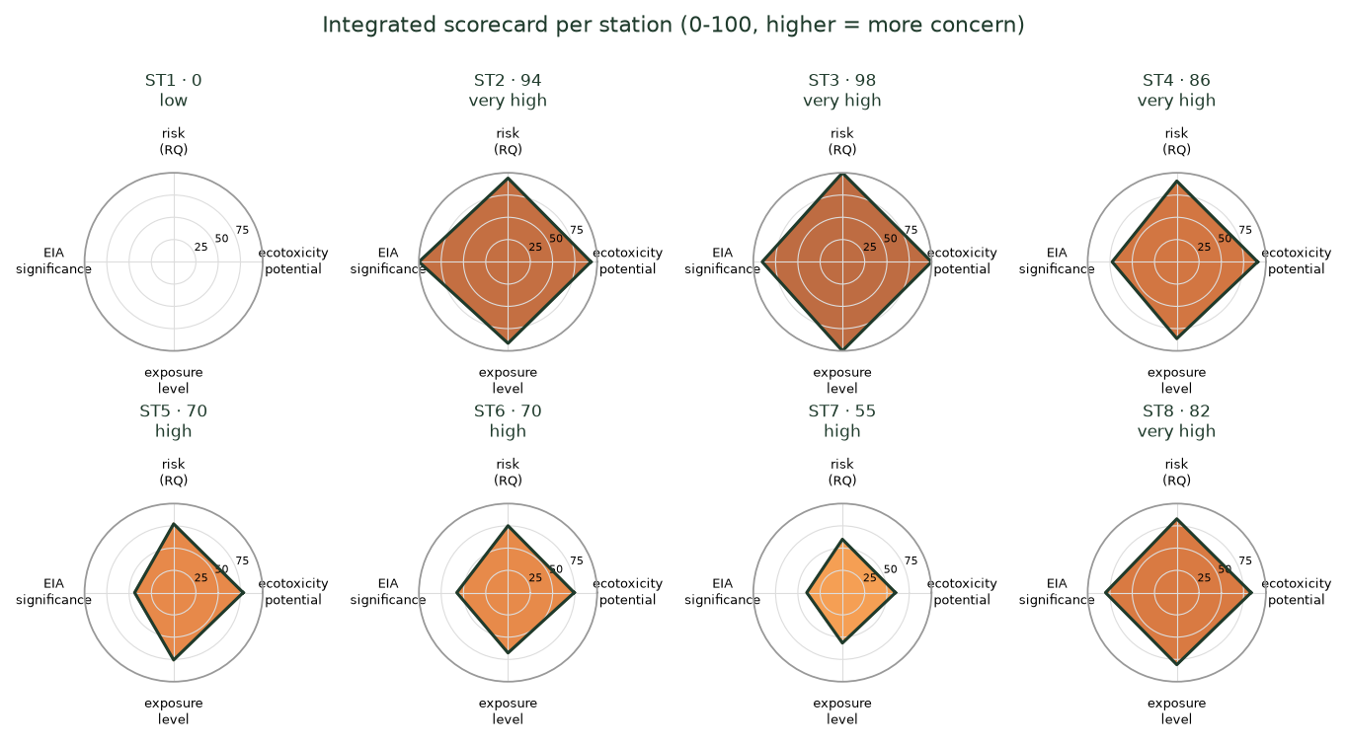
Figure gallery
same figures as /figures/*.png, generated from the tables in this workbook
Data status: synthetic (dummy) - generated, not measured

Figure 1 - Longitudinal PET nanoplastic profile along the Citarum
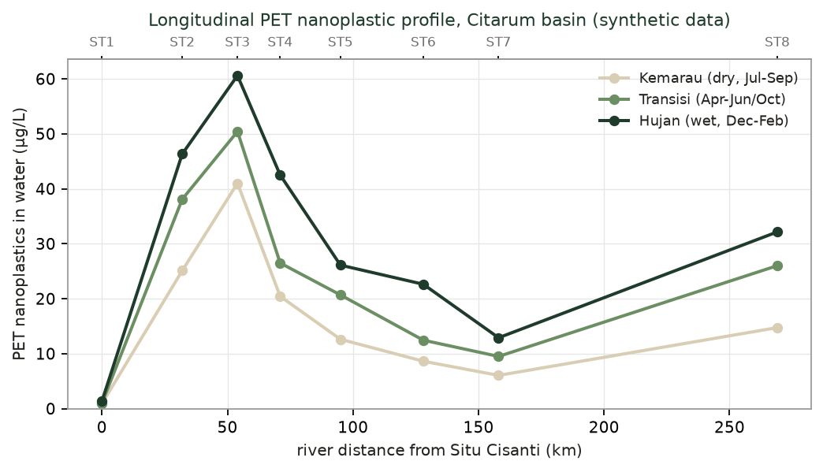

Figure 2 - Province-level PET pressure ranking (why West Java)
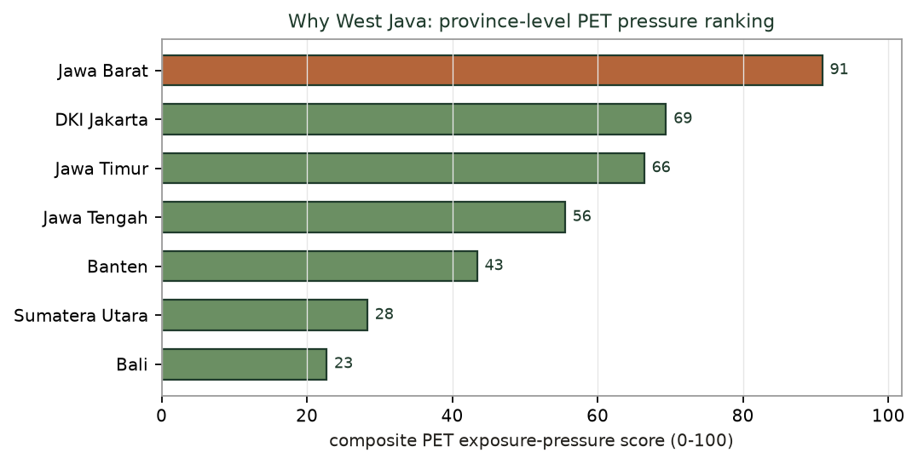

Figure 3 - Dose-response curves and LC50/EC50, both species
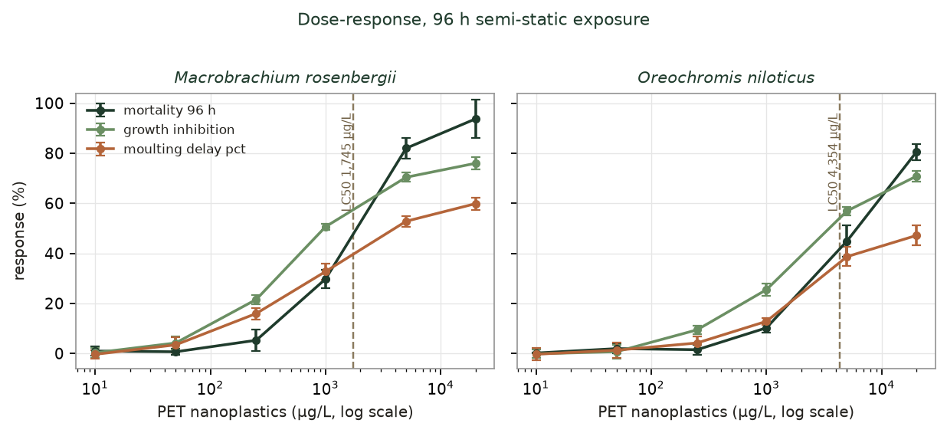

Figure 4 - Biomarker fold-change heatmap
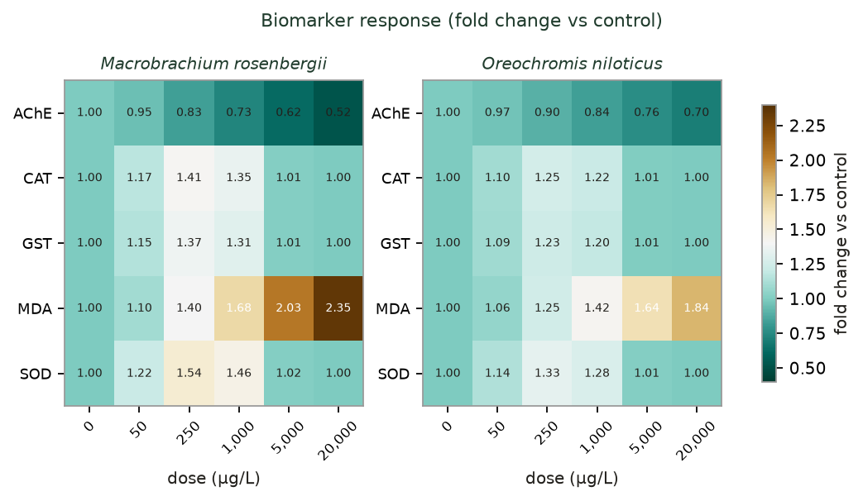

Figure 5 - Behavioural dynamics over 96 h
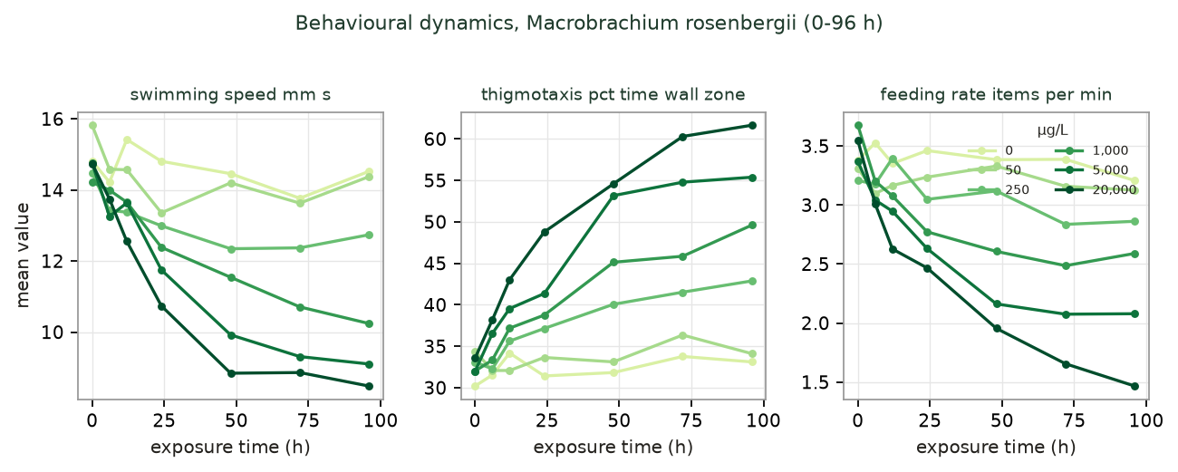

Figure 6 - Tissue burden and bioconcentration factors
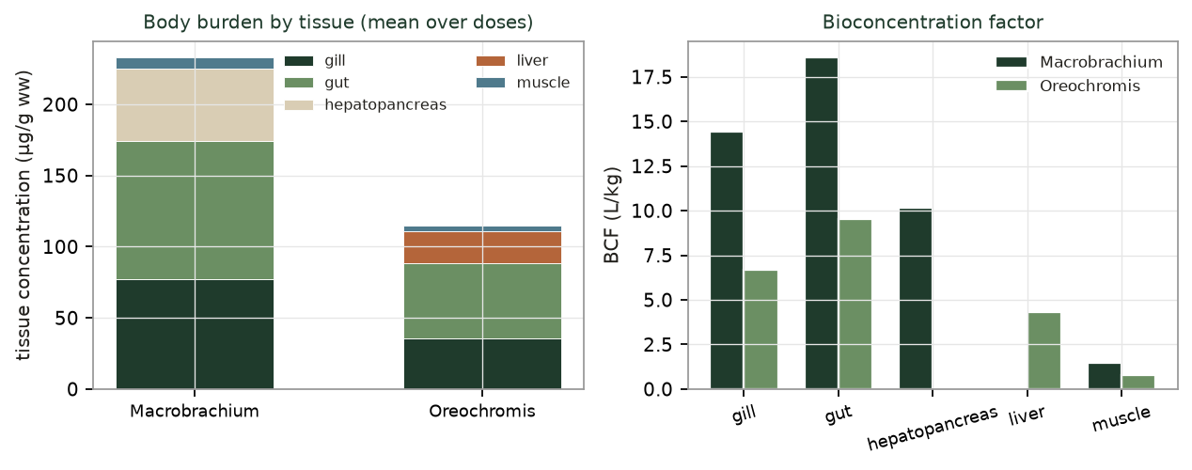

Figure 7 - Species sensitivity distribution, HC5 and PNEC
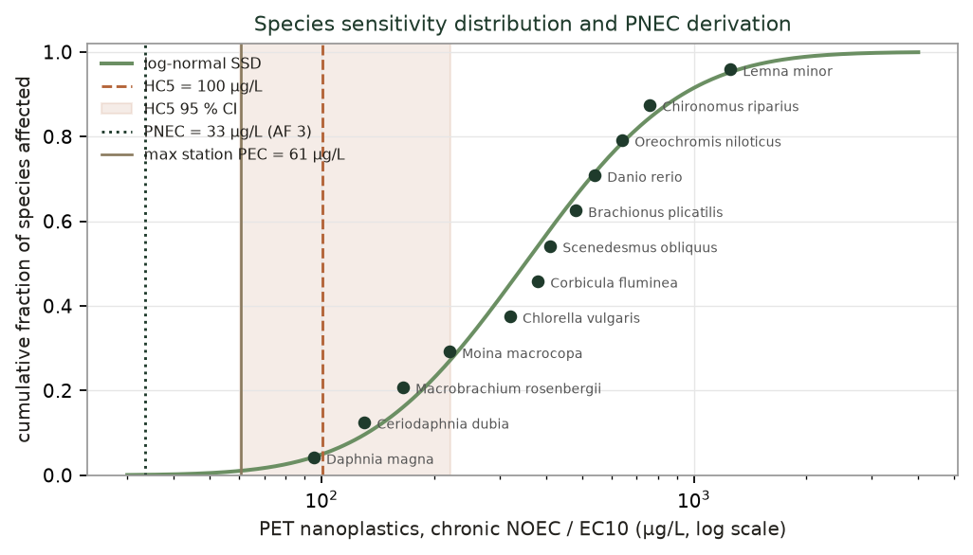

Figure 8 - Risk quotients per station and season
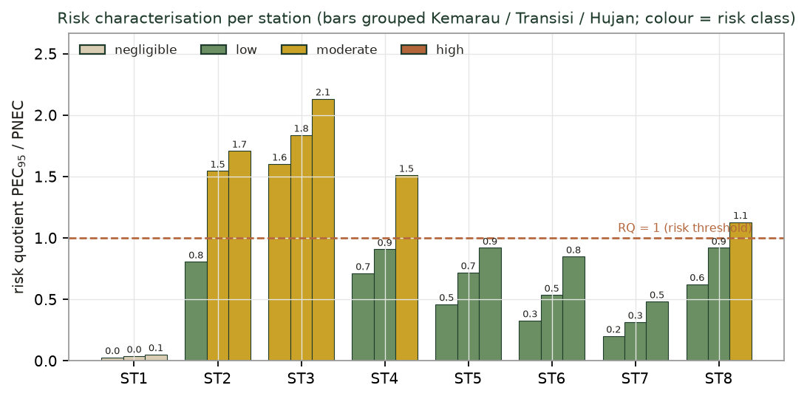

Figure 9 - EIA: RIAM significance and Leopold matrix
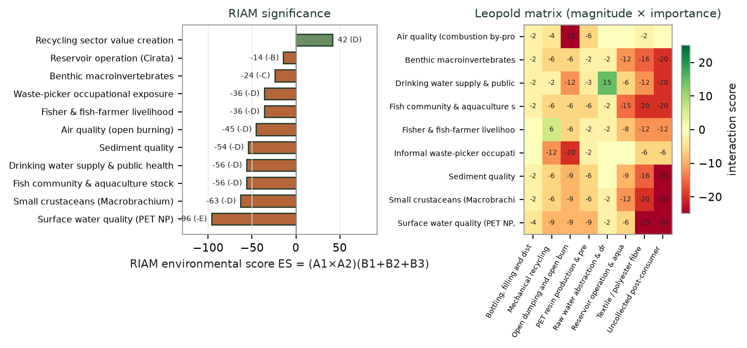

Figure 10 - Screening LCA of PET and end-of-life scenarios
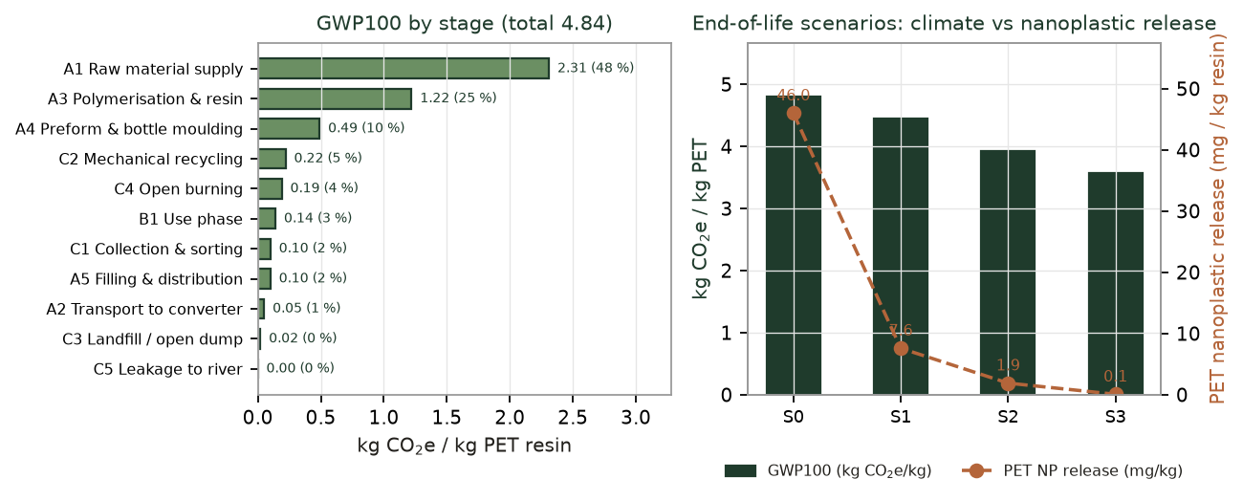

Figure 11 - Integrated scorecard per station

