Property Portfolio
Portfolio By Value |  |  |  | Portfolio by Area
Management Portfolio | Project portfolio | Development sites |  | Management Portfolio | Project Portfolio | Development sites
91% | 8% | 1% |  | 85% | 8% | 7%
Portfolio By Value
Portfolio By Area

Geographic Exposure
Portfolio by Area |  |  |  |  | Portfolio By Value
Oslo | Bergen/Stavanger | Sandvika | Drammen |  | Oslo | Bergen/Stavanger | Sandvika | Drammen
67% | 15% | 12% | 5% |  | 77% | 12% | 8% | 4%

Annual_report_2025
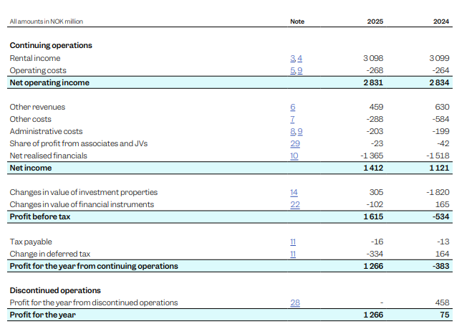
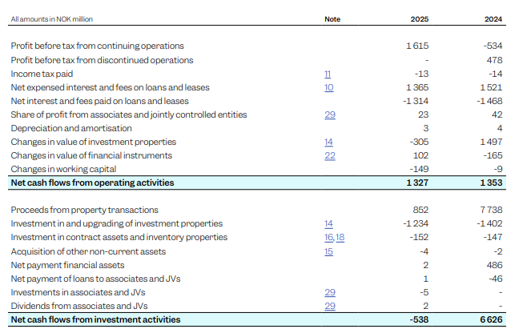
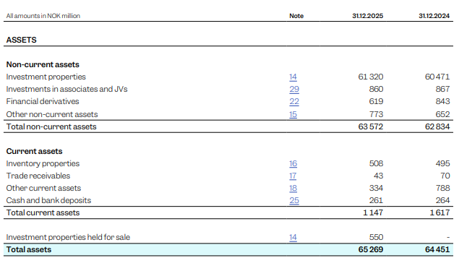
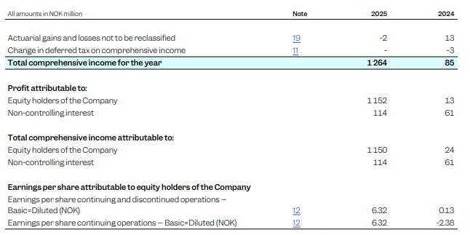
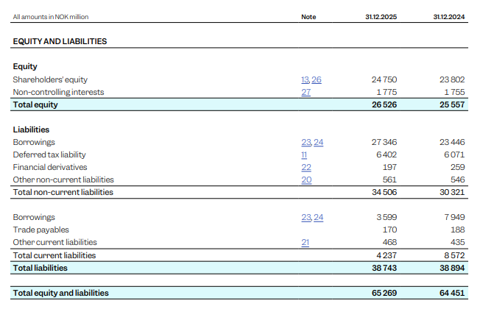
Statement of comprehensive income | Balance sheet | Cash flow statement

Financial statements_2026_Q2
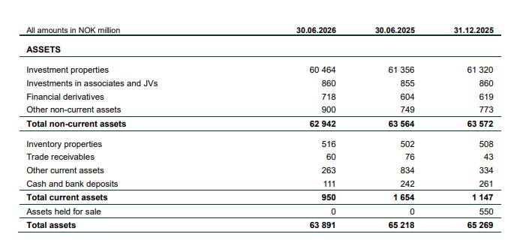
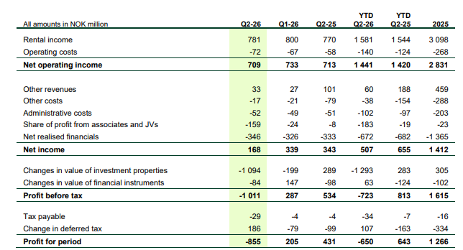
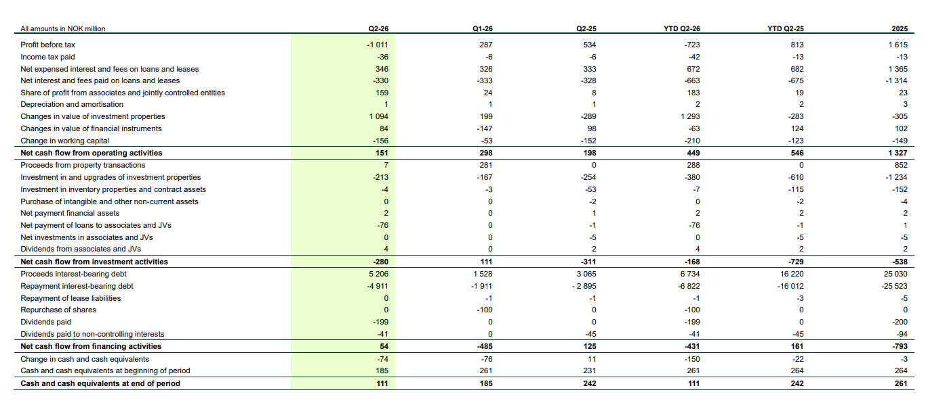
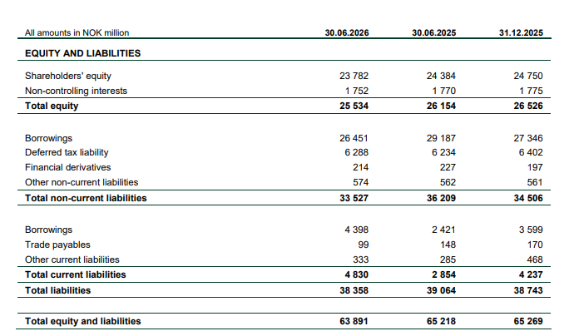
Balance sheet | Statement of financial income | Cash flow statement

