Requirements Phase Defects
do not print this form |  |  |  | Echipa
Review Form. Requirements Defects |  |  |  |  | Numele si prenumele | Grupa
 |  |  |  | Student 1: | Hatnean Maria Cristina | 234
 | Document Title: | Requirements Document |  | Student 2: | Hodosi Attila | 234
 | Author Name: | Firicescu George |  | Student 3: | Ieremie Robert Gabriel | 234
 | Reviewer Name: | Hatnean Cristina, Hodosi Attila,Ieremie Robert
 | Review date: | 15/03/2023

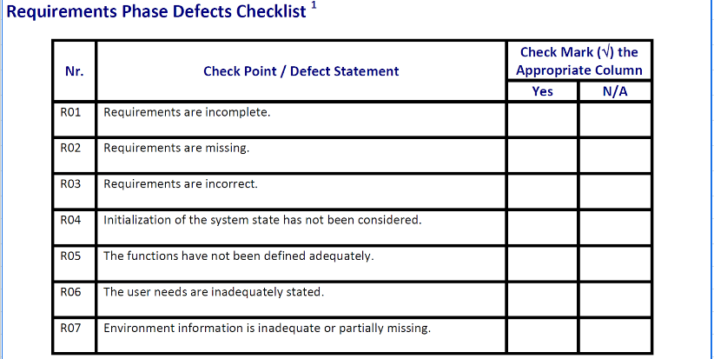
Crt. No. | Checked Item | Doc. page/line | Comments/ improvements
1 | R02 | x | Nu se specifica tipul aplicatiei cerute (aplicatie web, mobile, desktop…)
2 | R04 | x | Nu se specifica starea initiala a sistemului, ce se afiseaza la pornirea aplicatiei.
3 | R01 | linia 3 | Nu se specifica tipurile de date ale elementelor din fisier.
4 | R07 | linia 4 | Nu se specifica comportamentul si structura aplicatiei referitor la modul in care se plaseaza o comanda.
5 | R05 | F01b | Nu se specifica ce inseamna ca nu mai sunt clienti: nu mai sunt comenzi de pregatit sau nu mai sunt mese ocupate.
6 | R06 | F02 | Ar fi mai util pentru utilizator ca aplicatia sa genereze la inchiderea restaurantului un fisier excel in care sa fie memorate totalurile cerute, decat sa le afiseze.
7
8
9
10
11
12
13
14
15
16

 | Effort to review document (hours): |  | 1/2 hours

Architect. Design Phase Defects
do not print this form |  |  |  | Echipa
Review Form. Architectural Design Defects |  |  |  |  | Numele si prenumele | Grupa
 |  |  |  | Student 1: | Hatnean Maria Cristina | 234
 | Document Title: | Architectural Design Document |  | Student 2: | Hodosi Attila | 234
 | Author Name: | Georgescu Anca |  | Student 3: | Ieremie Robert Gabriel | 234
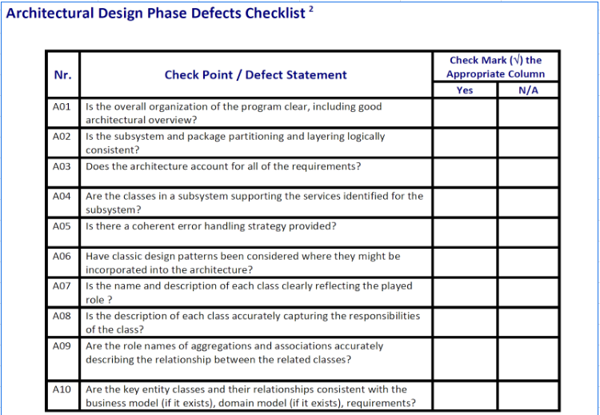
 | Reviewer Name: | Hatnean Cristina, Hodosi Attila, Ieremie Robert
 | Review date: | 15/03/2023

Crt. No. | Checked Item | Doc. page/line | Comments/ improvements
1 | A01 | PaymentOperation | Nu se face interfata pentru o singura clasa, din motive de redundanta (over-engineering)
2 | A02 | PaymentAlert | Ar fi trebuit sa fie in pachetul gui, nu in service.
3 | A07 | clasa PizzaService | PizzaService nu este un nume sugestiv facand referinta la metodele din acesta
4 | A08 | clasa MenuDataModel cu clasa Payments | inconsistenta de nume pentru clasele din model
5 | A06 |  | Se folosesc sabloane Observer, MVC, Repository
6
7
8
9
10
11
12
13
14
15
16
17

 | Effort to review document (hours): |  | 1hour

Coding Phase Defects
do not print this form |  |  |  | Echipa
Review Form. Coding Defects |  |  |  |  | Numele si prenumele | Grupa
 |  |  |  | Student 1: | Hatnean Maria Cristina | 234
 | Document Title: | Coding Document |  | Student 2: | Hodosi Attila | 234
 | Author Name: | Popescu Ionel |  | Student 3: | Ieremie Robert Gabriel | 234
 | Reviewer Name: | Hatnean Cristina, Hodosi Attila, Ieremie Robert
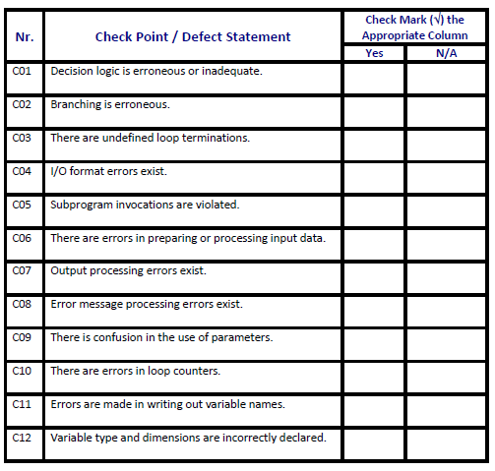
 | Review date: | 20/03/2023

Crt. No. | Checked Item | Doc. page/line | Comments/ improvements
1 | C02 | PaymentAlert, linia 52 | else redundant
2 | C012 | MenuRepository, linia 20 | tipul nu este corect declarat, deoarece daca nu apar si semnele <> in lista se pot pune obiecte de orice tip, nu doar de tipul dorit: MenuDataModel
3 | C08 | KitchenGUIController, linia 53 si 68 | mesaj de eroare inexistent in cazul in care nu era selectata o comanda pentru optiunea cook sau ready, in cadrul kitchen.
4 | C012 | PizzaService, linia 31 | tipul de variabila si valoarea cu care este initializata nnu se potrivesc.
5
6
7
8
9
10
11
12
13
14
15
16
17
18
19
20
21

 | Effort to review document (hours): |  | 1hour

