Eingabe
 | M-N-Interaktion |  | Ed |  | Rd
-345 | 9266 | 500.0 | 0.0 | 780.4 | 0.0
-171 | 8842
124 | 8078
549 | 6945
584 | 6844
619 | 6742
652 | 6640
685 | 6537
754 | 6315
816 | 6104
873 | 5901
925 | 5706
972 | 5520
1016 | 5340
1056 | 5167
1093 | 5001
1127 | 4840
1159 | 4684
1189 | 4534
1217 | 4388
1244 | 4246
1269 | 4109
1292 | 3976
1314 | 3846
1336 | 3720
1356 | 3597
1375 | 3477
1394 | 3360
1412 | 3246
1425 | 3163
1424 | 3144
1423 | 3075
1421 | 3008
1419 | 2944
1416 | 2881
1413 | 2821
1410 | 2762
1406 | 2705
1402 | 2650
1398 | 2597
1394 | 2545
1389 | 2495
1385 | 2446
1380 | 2399
1375 | 2353
1370 | 2308
1365 | 2265
1359 | 2222
1354 | 2181
1349 | 2141
...
Beton: |  | C30/37 |  |  | → | fck | = | 3.0 |  | kN/cm² |  |  |  | ; | Ec | = | 3300 |  | kN/cm²

 |  |  |  |  |  | fcd | = | 0,85 * fck / 1,50 |  |  |  |  | = | 1.70 |  | kN/cm²

Stahl: |  | B500 |  |  | → | fyk | = | 50.00 |  |  | kN/cm² |  |  | ; | Es | = | 20000 |  |  | kN/cm²

 |  |  |  |  |  | fyd | = | fyk / 1,15 |  |  | = | 43.48 |  |  | kN/cm²
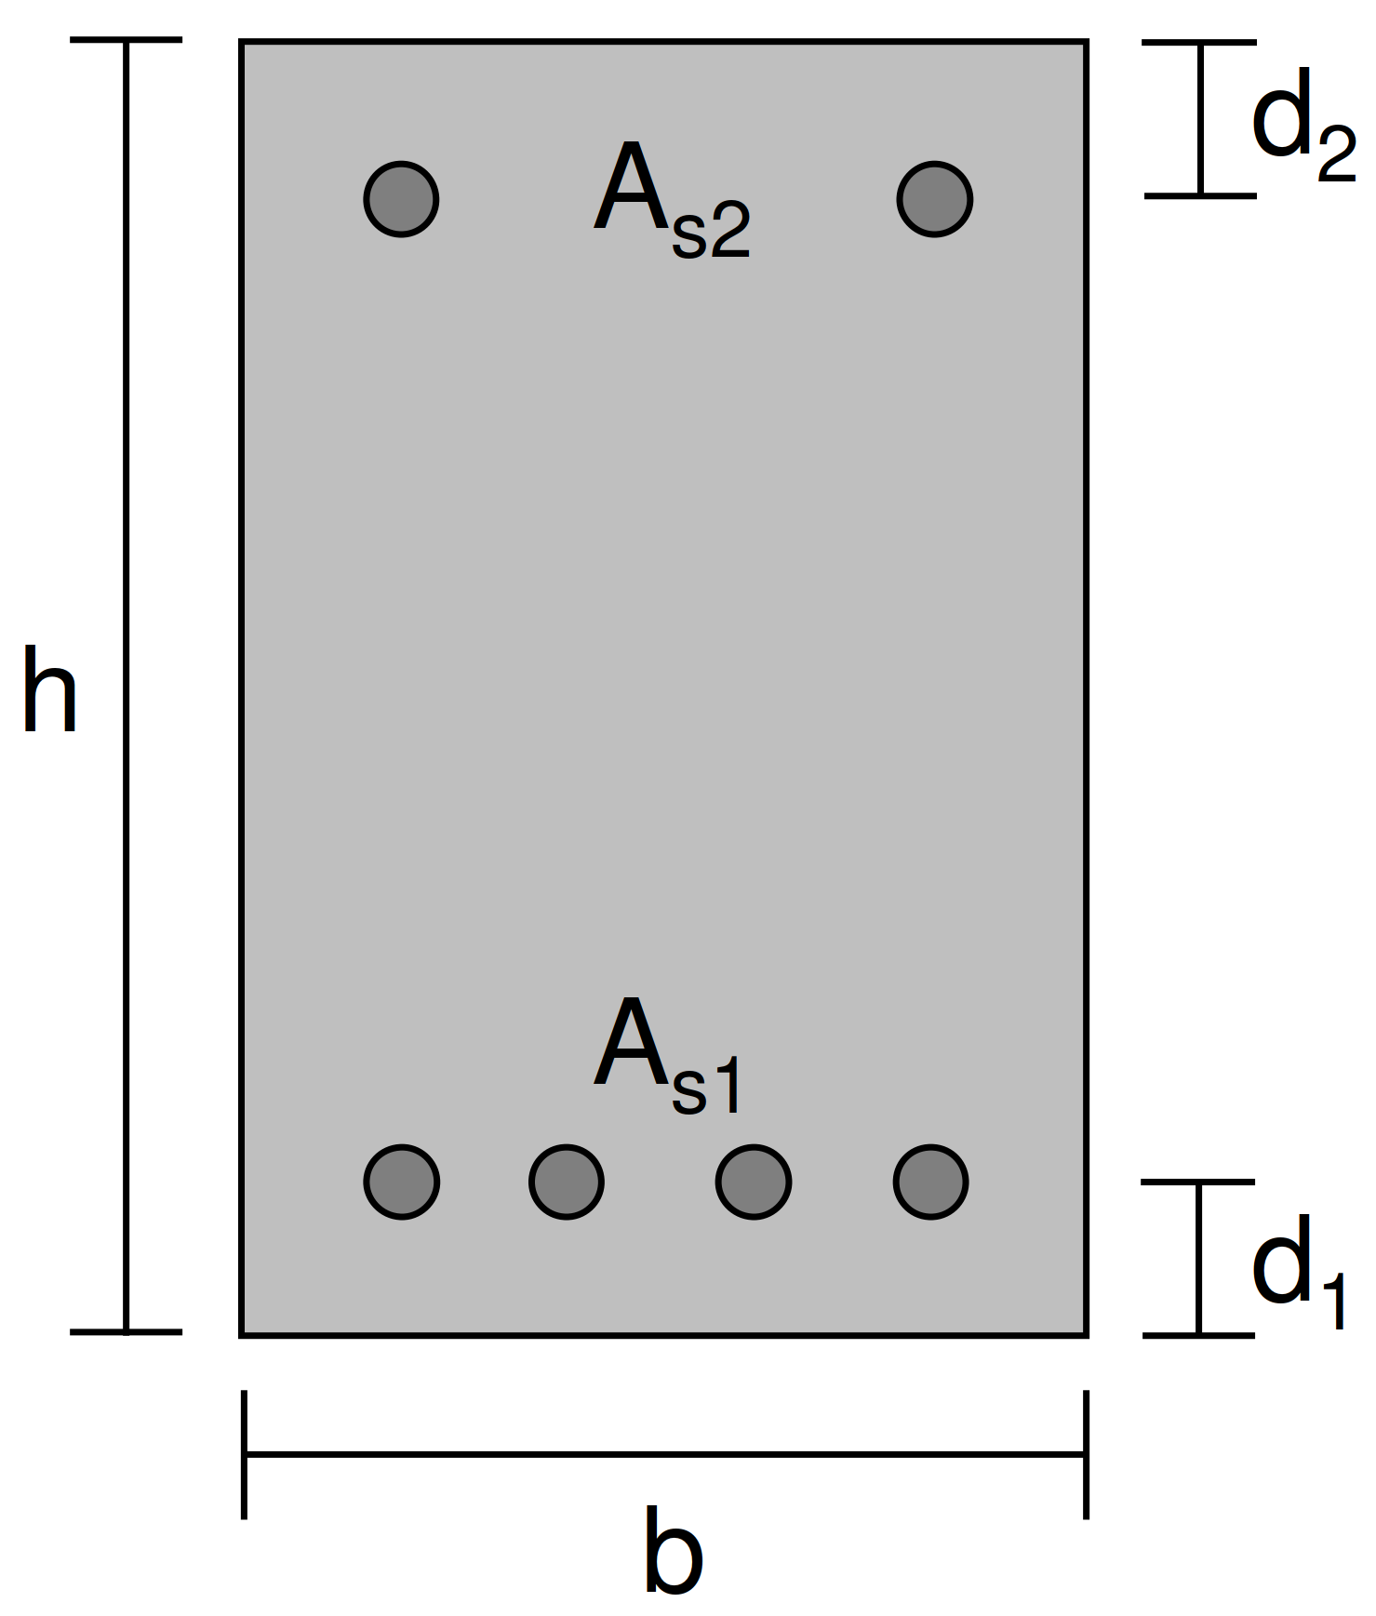
 |  | As1 |  | = | 20 | cm² |  | ; | d1 | = | 5.0 |  | cm

 |  | As2 |  | = | 0 | cm² |  | ; | d2 | = | 5.0 |  | cm

Querschnitt: |  |  |  | Breite: |  | b | = | 50 |  | cm

 |  |  |  | Höhe: |  | h | = | 100 |  | cm

Einwirkung: |  |  |  |  | NEd | = | 0.0 |  |  | kN

 |  |  |  |  | MEd | = | 500.0 |  |  | kNm

Widerstand:

 | NRd | = | Fc + Fs1 - ΔFc,s1 + Fs2 - ΔFc,s2 |  |  |  |  |  |  |  | = | 0.0 |  |  | kN

 | MRd | = | Fc * xs,c + (Fs1 - ΔFc,s1) * xs,s1 + (Fs2 - ΔFc,s2) * xs,s2 |  |  |  |  |  |  |  |  |  |  |  |  |  |  | = | 780.4 |  |  | kNm

 | mit: | εc |  | = | -3.500 |  | ‰ |  | ; | εs1 |  | = | 22.811 |  |  | ‰ |  | ; | εs2 |  | = | -2.12 | ‰

 |  | Fc |  | = | 869.57 |  | kN |  | ; | Fs1 |  | = | -869.57 |  |  | kN |  | ; | Fs2 |  | = | 0.00 | kN

 |  | xs,c |  | = | 44.74 |  | cm |  | ; | ΔFc,s1 |  | = | 0.00 |  |  | kN |  | ; | ΔFc,s2 |  | = | 0.00 | kN

 |  |  |  |  |  |  |  |  |  | xs,s1 |  | = | -45.00 |  |  | cm |  | ; | xs,s2 |  | = | 45.00 | cm

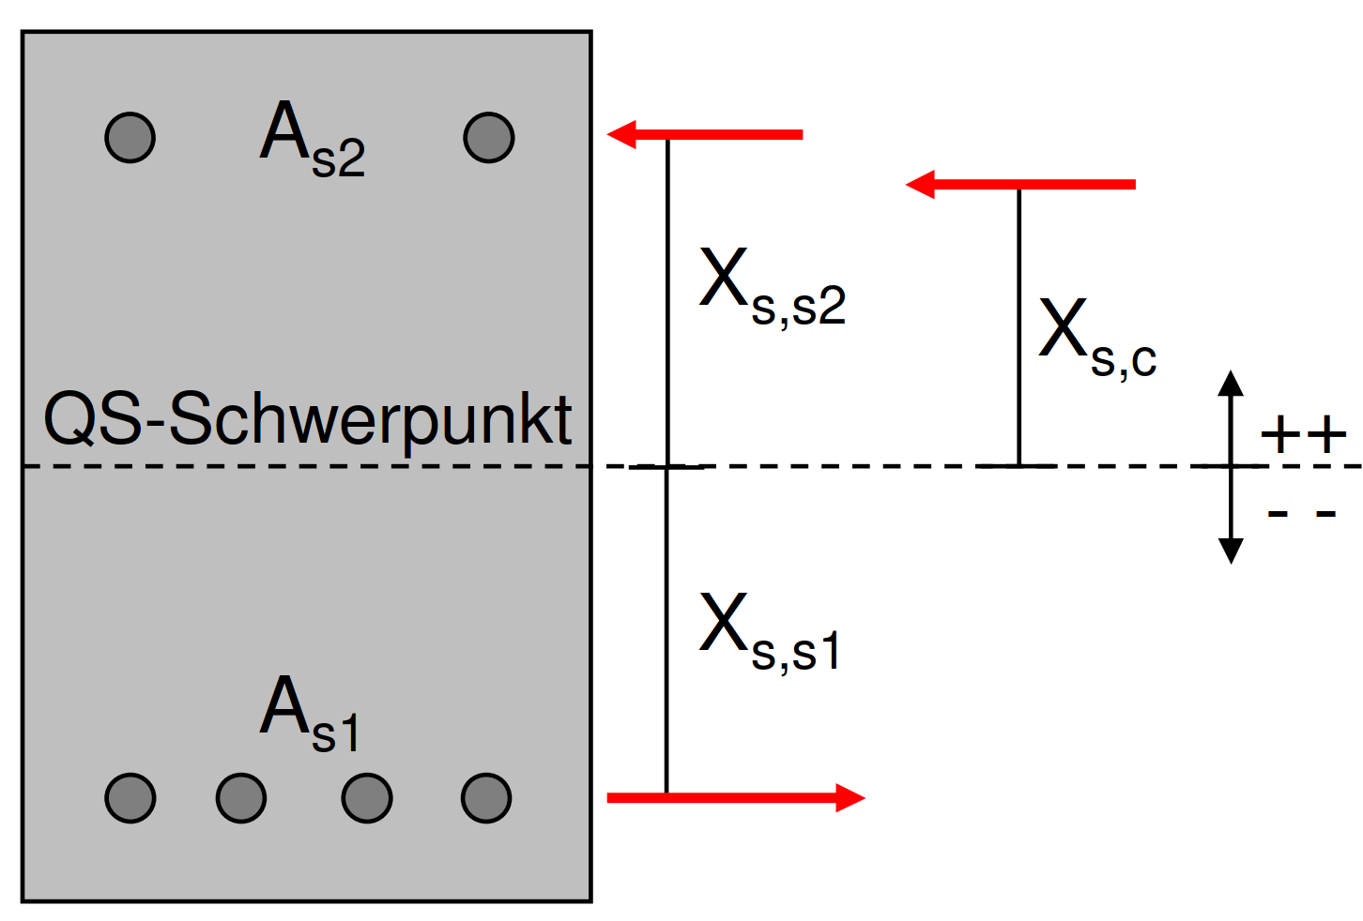

 |  |  |  |  |  |  |  |  |  |  |  |  |  |  |  |  |  |  |  |  |  |  |  | MRd | NRd
 |  |  |  |  |  |  |  |  |  |  |  |  |  |  |  |  |  |  |  |  |  |  |  | [kNm] | [kN]
 |  |  |  |  |  |  |  |  |  |  |  |  |  |  |  |  |  |  |  |  |  |  |  | -345 | 9266
 |  |  |  |  |  |  |  |  |  |  |  |  |  |  |  |  |  |  |  |  |  |  |  | -171 | 8842
 |  |  |  |  |  |  |  |  |  |  |  |  |  |  |  |  |  |  |  |  |  |  |  | 124 | 8078
 |  |  |  |  |  |  |  |  |  |  |  |  |  |  |  |  |  |  |  |  |  |  |  | 549 | 6945
 |  |  |  |  |  |  |  |  |  |  |  |  |  |  |  |  |  |  |  |  |  |  |  | 584 | 6844
 |  |  |  |  |  |  |  |  |  |  |  |  |  |  |  |  |  |  |  |  |  |  |  | 619 | 6742
 |  |  |  |  |  |  |  |  |  |  |  |  |  |  |  |  |  |  |  |  |  |  |  | 652 | 6640
 |  |  |  |  |  |  |  |  |  |  |  |  |  |  |  |  |  |  |  |  |  |  |  | 685 | 6537
 |  |  |  |  |  |  |  |  |  |  |  |  |  |  |  |  |  |  |  |  |  |  |  | 754 | 6315
 |  |  |  |  |  |  |  |  |  |  |  |  |  |  |  |  |  |  |  |  |  |  |  | 816 | 6104
 |  |  |  |  |  |  |  |  |  |  |  |  |  |  |  |  |  |  |  |  |  |  |  | 873 | 5901
 |  |  |  |  |  |  |  |  |  |  |  |  |  |  |  |  |  |  |  |  |  |  |  | 925 | 5706
 |  |  |  |  |  |  |  |  |  |  |  |  |  |  |  |  |  |  |  |  |  |  |  | 972 | 5520
 |  |  |  |  |  |  |  |  |  |  |  |  |  |  |  |  |  |  |  |  |  |  |  | 1016 | 5340
 |  |  |  |  |  |  |  |  |  |  |  |  |  |  |  |  |  |  |  |  |  |  |  | 1056 | 5167
 |  |  |  |  |  |  |  |  |  |  |  |  |  |  |  |  |  |  |  |  |  |  |  | 1093 | 5001
 |  |  |  |  |  |  |  |  |  |  |  |  |  |  |  |  |  |  |  |  |  |  |  | 1127 | 4840
 |  |  |  |  |  |  |  |  |  |  |  |  |  |  |  |  |  |  |  |  |  |  |  | 1159 | 4684
 |  |  |  |  |  |  |  |  |  |  |  |  |  |  |  |  |  |  |  |  |  |  |  | 1189 | 4534
 |  |  |  |  |  |  |  |  |  |  |  |  |  |  |  |  |  |  |  |  |  |  |  | 1217 | 4388
 |  |  |  |  |  |  |  |  |  |  |  |  |  |  |  |  |  |  |  |  |  |  |  | 1244 | 4246
 |  |  |  |  |  |  |  |  |  |  |  |  |  |  |  |  |  |  |  |  |  |  |  | 1269 | 4109
 |  |  |  |  |  |  |  |  |  |  |  |  |  |  |  |  |  |  |  |  |  |  |  | 1292 | 3976
 |  |  |  |  |  |  |  |  |  |  |  |  |  |  |  |  |  |  |  |  |  |  |  | 1314 | 3846
 |  |  |  |  |  |  |  |  |  |  |  |  |  |  |  |  |  |  |  |  |  |  |  | 1336 | 3720
 |  |  |  |  |  |  |  |  |  |  |  |  |  |  |  |  |  |  |  |  |  |  |  | 1356 | 3597
 |  |  |  |  |  |  |  |  |  |  |  |  |  |  |  |  |  |  |  |  |  |  |  | 1375 | 3477
 |  |  |  |  |  |  |  |  |  |  |  |  |  |  |  |  |  |  |  |  |  |  |  | 1394 | 3360
 |  |  |  |  |  |  |  |  |  |  |  |  |  |  |  |  |  |  |  |  |  |  |  | 1412 | 3246
 |  |  |  |  |  |  |  |  |  |  |  |  |  |  |  |  |  |  |  |  |  |  |  | 1425 | 3163
 |  |  |  |  |  |  |  |  |  |  |  |  |  |  |  |  |  |  |  |  |  |  |  | 1424 | 3144
 |  |  |  |  |  |  |  |  |  |  |  |  |  |  |  |  |  |  |  |  |  |  |  | 1423 | 3075
 |  |  |  |  |  |  |  |  |  |  |  |  |  |  |  |  |  |  |  |  |  |  |  | 1421 | 3008
 |  |  |  |  |  |  |  |  |  |  |  |  |  |  |  |  |  |  |  |  |  |  |  | 1419 | 2944
 |  |  |  |  |  |  |  |  |  |  |  |  |  |  |  |  |  |  |  |  |  |  |  | 1416 | 2881
 |  |  |  |  |  |  |  |  |  |  |  |  |  |  |  |  |  |  |  |  |  |  |  | 1413 | 2821
 |  |  |  |  |  |  |  |  |  |  |  |  |  |  |  |  |  |  |  |  |  |  |  | 1410 | 2762
 |  |  |  |  |  |  |  |  |  |  |  |  |  |  |  |  |  |  |  |  |  |  |  | 1406 | 2705
 |  |  |  |  |  |  |  |  |  |  |  |  |  |  |  |  |  |  |  |  |  |  |  | 1402 | 2650
 |  |  |  |  |  |  |  |  |  |  |  |  |  |  |  |  |  |  |  |  |  |  |  | 1398 | 2597
 |  |  |  |  |  |  |  |  |  |  |  |  |  |  |  |  |  |  |  |  |  |  |  | 1394 | 2545
 |  |  |  |  |  |  |  |  |  |  |  |  |  |  |  |  |  |  |  |  |  |  |  | 1389 | 2495
 |  |  |  |  |  |  |  |  |  |  |  |  |  |  |  |  |  |  |  |  |  |  |  | 1385 | 2446
 |  |  |  |  |  |  |  |  |  |  |  |  |  |  |  |  |  |  |  |  |  |  |  | 1380 | 2399
 |  |  |  |  |  |  |  |  |  |  |  |  |  |  |  |  |  |  |  |  |  |  |  | 1375 | 2353
 |  |  |  |  |  |  |  |  |  |  |  |  |  |  |  |  |  |  |  |  |  |  |  | 1370 | 2308
 |  |  |  |  |  |  |  |  |  |  |  |  |  |  |  |  |  |  |  |  |  |  |  | 1365 | 2265
 |  |  |  |  |  |  |  |  |  |  |  |  |  |  |  |  |  |  |  |  |  |  |  | 1359 | 2222
 |  |  |  |  |  |  |  |  |  |  |  |  |  |  |  |  |  |  |  |  |  |  |  | 1354 | 2181
 |  |  |  |  |  |  |  |  |  |  |  |  |  |  |  |  |  |  |  |  |  |  |  | 1349 | 2141
 |  |  |  |  |  |  |  |  |  |  |  |  |  |  |  |  |  |  |  |  |  |  |  | 1343 | 2102
 |  |  |  |  |  |  |  |  |  |  |  |  |  |  |  |  |  |  |  |  |  |  |  | 1338 | 2064
 |  |  |  |  |  |  |  |  |  |  |  |  |  |  |  |  |  |  |  |  |  |  |  | 1332 | 2027
 |  |  |  |  |  |  |  |  |  |  |  |  |  |  |  |  |  |  |  |  |  |  |  | 1327 | 1990
 |  |  |  |  |  |  |  |  |  |  |  |  |  |  |  |  |  |  |  |  |  |  |  | 1321 | 1955
 |  |  |  |  |  |  |  |  |  |  |  |  |  |  |  |  |  |  |  |  |  |  |  | 1316 | 1921
 |  |  |  |  |  |  |  |  |  |  |  |  |  |  |  |  |  |  |  |  |  |  |  | 1310 | 1887
 |  |  |  |  |  |  |  |  |  |  |  |  |  |  |  |  |  |  |  |  |  |  |  | 1305 | 1854
 |  |  |  |  |  |  |  |  |  |  |  |  |  |  |  |  |  |  |  |  |  |  |  | 1299 | 1822
 |  |  |  |  |  |  |  |  |  |  |  |  |  |  |  |  |  |  |  |  |  |  |  | 1294 | 1791
 |  |  |  |  |  |  |  |  |  |  |  |  |  |  |  |  |  |  |  |  |  |  |  | 1288 | 1760
 |  |  |  |  |  |  |  |  |  |  |  |  |  |  |  |  |  |  |  |  |  |  |  | 1283 | 1730
 |  |  |  |  |  |  |  |  |  |  |  |  |  |  |  |  |  |  |  |  |  |  |  | 1277 | 1701
 |  |  |  |  |  |  |  |  |  |  |  |  |  |  |  |  |  |  |  |  |  |  |  | 1272 | 1673
 |  |  |  |  |  |  |  |  |  |  |  |  |  |  |  |  |  |  |  |  |  |  |  | 1266 | 1645
 |  |  |  |  |  |  |  |  |  |  |  |  |  |  |  |  |  |  |  |  |  |  |  | 1261 | 1617
 |  |  |  |  |  |  |  |  |  |  |  |  |  |  |  |  |  |  |  |  |  |  |  | 1255 | 1591
 |  |  |  |  |  |  |  |  |  |  |  |  |  |  |  |  |  |  |  |  |  |  |  | 1250 | 1564
 |  |  |  |  |  |  |  |  |  |  |  |  |  |  |  |  |  |  |  |  |  |  |  | 1245 | 1539
 |  |  |  |  |  |  |  |  |  |  |  |  |  |  |  |  |  |  |  |  |  |  |  | 1240 | 1514
 |  |  |  |  |  |  |  |  |  |  |  |  |  |  |  |  |  |  |  |  |  |  |  | 1234 | 1489
 |  |  |  |  |  |  |  |  |  |  |  |  |  |  |  |  |  |  |  |  |  |  |  | 1229 | 1465
 |  |  |  |  |  |  |  |  |  |  |  |  |  |  |  |  |  |  |  |  |  |  |  | 1224 | 1441
 |  |  |  |  |  |  |  |  |  |  |  |  |  |  |  |  |  |  |  |  |  |  |  | 1219 | 1418
 |  |  |  |  |  |  |  |  |  |  |  |  |  |  |  |  |  |  |  |  |  |  |  | 1214 | 1396
 |  |  |  |  |  |  |  |  |  |  |  |  |  |  |  |  |  |  |  |  |  |  |  | 1209 | 1373
 |  |  |  |  |  |  |  |  |  |  |  |  |  |  |  |  |  |  |  |  |  |  |  | 1204 | 1352
 |  |  |  |  |  |  |  |  |  |  |  |  |  |  |  |  |  |  |  |  |  |  |  | 1199 | 1330
 |  |  |  |  |  |  |  |  |  |  |  |  |  |  |  |  |  |  |  |  |  |  |  | 1194 | 1309
 |  |  |  |  |  |  |  |  |  |  |  |  |  |  |  |  |  |  |  |  |  |  |  | 1189 | 1289
 |  |  |  |  |  |  |  |  |  |  |  |  |  |  |  |  |  |  |  |  |  |  |  | 1184 | 1269
 |  |  |  |  |  |  |  |  |  |  |  |  |  |  |  |  |  |  |  |  |  |  |  | 1179 | 1249
 |  |  |  |  |  |  |  |  |  |  |  |  |  |  |  |  |  |  |  |  |  |  |  | 1174 | 1229
 |  |  |  |  |  |  |  |  |  |  |  |  |  |  |  |  |  |  |  |  |  |  |  | 1170 | 1210
 |  |  |  |  |  |  |  |  |  |  |  |  |  |  |  |  |  |  |  |  |  |  |  | 1165 | 1192
 |  |  |  |  |  |  |  |  |  |  |  |  |  |  |  |  |  |  |  |  |  |  |  | 1160 | 1173
 |  |  |  |  |  |  |  |  |  |  |  |  |  |  |  |  |  |  |  |  |  |  |  | 1156 | 1155
 |  |  |  |  |  |  |  |  |  |  |  |  |  |  |  |  |  |  |  |  |  |  |  | 1151 | 1137
 |  |  |  |  |  |  |  |  |  |  |  |  |  |  |  |  |  |  |  |  |  |  |  | 1147 | 1120
 |  |  |  |  |  |  |  |  |  |  |  |  |  |  |  |  |  |  |  |  |  |  |  | 1142 | 1103
 |  |  |  |  |  |  |  |  |  |  |  |  |  |  |  |  |  |  |  |  |  |  |  | 1138 | 1086
 |  |  |  |  |  |  |  |  |  |  |  |  |  |  |  |  |  |  |  |  |  |  |  | 1133 | 1069
 |  |  |  |  |  |  |  |  |  |  |  |  |  |  |  |  |  |  |  |  |  |  |  | 1129 | 1053
 |  |  |  |  |  |  |  |  |  |  |  |  |  |  |  |  |  |  |  |  |  |  |  | 1125 | 1037
 |  |  |  |  |  |  |  |  |  |  |  |  |  |  |  |  |  |  |  |  |  |  |  | 1121 | 1021
 |  |  |  |  |  |  |  |  |  |  |  |  |  |  |  |  |  |  |  |  |  |  |  | 1116 | 1006
 |  |  |  |  |  |  |  |  |  |  |  |  |  |  |  |  |  |  |  |  |  |  |  | 1112 | 991
 |  |  |  |  |  |  |  |  |  |  |  |  |  |  |  |  |  |  |  |  |  |  |  | 1108 | 976
 |  |  |  |  |  |  |  |  |  |  |  |  |  |  |  |  |  |  |  |  |  |  |  | 1104 | 961
 |  |  |  |  |  |  |  |  |  |  |  |  |  |  |  |  |  |  |  |  |  |  |  | 1100 | 946
 |  |  |  |  |  |  |  |  |  |  |  |  |  |  |  |  |  |  |  |  |  |  |  | 1096 | 932
 |  |  |  |  |  |  |  |  |  |  |  |  |  |  |  |  |  |  |  |  |  |  |  | 1092 | 918
 |  |  |  |  |  |  |  |  |  |  |  |  |  |  |  |  |  |  |  |  |  |  |  | 1088 | 904
 |  |  |  |  |  |  |  |  |  |  |  |  |  |  |  |  |  |  |  |  |  |  |  | 1084 | 890
 |  |  |  |  |  |  |  |  |  |  |  |  |  |  |  |  |  |  |  |  |  |  |  | 1080 | 877
 |  |  |  |  |  |  |  |  |  |  |  |  |  |  |  |  |  |  |  |  |  |  |  | 1076 | 864
 |  |  |  |  |  |  |  |  |  |  |  |  |  |  |  |  |  |  |  |  |  |  |  | 1073 | 851
 |  |  |  |  |  |  |  |  |  |  |  |  |  |  |  |  |  |  |  |  |  |  |  | 1069 | 838
 |  |  |  |  |  |  |  |  |  |  |  |  |  |  |  |  |  |  |  |  |  |  |  | 1065 | 825
 |  |  |  |  |  |  |  |  |  |  |  |  |  |  |  |  |  |  |  |  |  |  |  | 1061 | 813
 |  |  |  |  |  |  |  |  |  |  |  |  |  |  |  |  |  |  |  |  |  |  |  | 1058 | 800
 |  |  |  |  |  |  |  |  |  |  |  |  |  |  |  |  |  |  |  |  |  |  |  | 1054 | 788
 |  |  |  |  |  |  |  |  |  |  |  |  |  |  |  |  |  |  |  |  |  |  |  | 1051 | 776
 |  |  |  |  |  |  |  |  |  |  |  |  |  |  |  |  |  |  |  |  |  |  |  | 1047 | 765
 |  |  |  |  |  |  |  |  |  |  |  |  |  |  |  |  |  |  |  |  |  |  |  | 1043 | 753
 |  |  |  |  |  |  |  |  |  |  |  |  |  |  |  |  |  |  |  |  |  |  |  | 1040 | 742
 |  |  |  |  |  |  |  |  |  |  |  |  |  |  |  |  |  |  |  |  |  |  |  | 1037 | 730
 |  |  |  |  |  |  |  |  |  |  |  |  |  |  |  |  |  |  |  |  |  |  |  | 1033 | 719
 |  |  |  |  |  |  |  |  |  |  |  |  |  |  |  |  |  |  |  |  |  |  |  | 1030 | 708
 |  |  |  |  |  |  |  |  |  |  |  |  |  |  |  |  |  |  |  |  |  |  |  | 1026 | 698
 |  |  |  |  |  |  |  |  |  |  |  |  |  |  |  |  |  |  |  |  |  |  |  | 1023 | 687
 |  |  |  |  |  |  |  |  |  |  |  |  |  |  |  |  |  |  |  |  |  |  |  | 1020 | 676
 |  |  |  |  |  |  |  |  |  |  |  |  |  |  |  |  |  |  |  |  |  |  |  | 1017 | 666
 |  |  |  |  |  |  |  |  |  |  |  |  |  |  |  |  |  |  |  |  |  |  |  | 1013 | 656
 |  |  |  |  |  |  |  |  |  |  |  |  |  |  |  |  |  |  |  |  |  |  |  | 1010 | 646
 |  |  |  |  |  |  |  |  |  |  |  |  |  |  |  |  |  |  |  |  |  |  |  | 1007 | 636
 |  |  |  |  |  |  |  |  |  |  |  |  |  |  |  |  |  |  |  |  |  |  |  | 1004 | 626
 |  |  |  |  |  |  |  |  |  |  |  |  |  |  |  |  |  |  |  |  |  |  |  | 1001 | 616
 |  |  |  |  |  |  |  |  |  |  |  |  |  |  |  |  |  |  |  |  |  |  |  | 998 | 607
 |  |  |  |  |  |  |  |  |  |  |  |  |  |  |  |  |  |  |  |  |  |  |  | 995 | 597
 |  |  |  |  |  |  |  |  |  |  |  |  |  |  |  |  |  |  |  |  |  |  |  | 992 | 588
 |  |  |  |  |  |  |  |  |  |  |  |  |  |  |  |  |  |  |  |  |  |  |  | 989 | 578
 |  |  |  |  |  |  |  |  |  |  |  |  |  |  |  |  |  |  |  |  |  |  |  | 986 | 569
 |  |  |  |  |  |  |  |  |  |  |  |  |  |  |  |  |  |  |  |  |  |  |  | 983 | 560
 |  |  |  |  |  |  |  |  |  |  |  |  |  |  |  |  |  |  |  |  |  |  |  | 980 | 552
 |  |  |  |  |  |  |  |  |  |  |  |  |  |  |  |  |  |  |  |  |  |  |  | 977 | 543
 |  |  |  |  |  |  |  |  |  |  |  |  |  |  |  |  |  |  |  |  |  |  |  | 974 | 534
 |  |  |  |  |  |  |  |  |  |  |  |  |  |  |  |  |  |  |  |  |  |  |  | 971 | 526
 |  |  |  |  |  |  |  |  |  |  |  |  |  |  |  |  |  |  |  |  |  |  |  | 968 | 517
 |  |  |  |  |  |  |  |  |  |  |  |  |  |  |  |  |  |  |  |  |  |  |  | 966 | 509
 |  |  |  |  |  |  |  |  |  |  |  |  |  |  |  |  |  |  |  |  |  |  |  | 963 | 500
 |  |  |  |  |  |  |  |  |  |  |  |  |  |  |  |  |  |  |  |  |  |  |  | 960 | 492
 |  |  |  |  |  |  |  |  |  |  |  |  |  |  |  |  |  |  |  |  |  |  |  | 957 | 484
 |  |  |  |  |  |  |  |  |  |  |  |  |  |  |  |  |  |  |  |  |  |  |  | 955 | 476
 |  |  |  |  |  |  |  |  |  |  |  |  |  |  |  |  |  |  |  |  |  |  |  | 952 | 468
 |  |  |  |  |  |  |  |  |  |  |  |  |  |  |  |  |  |  |  |  |  |  |  | 949 | 461
 |  |  |  |  |  |  |  |  |  |  |  |  |  |  |  |  |  |  |  |  |  |  |  | 947 | 453
 |  |  |  |  |  |  |  |  |  |  |  |  |  |  |  |  |  |  |  |  |  |  |  | 944 | 445
 |  |  |  |  |  |  |  |  |  |  |  |  |  |  |  |  |  |  |  |  |  |  |  | 942 | 438
 |  |  |  |  |  |  |  |  |  |  |  |  |  |  |  |  |  |  |  |  |  |  |  | 939 | 430
 |  |  |  |  |  |  |  |  |  |  |  |  |  |  |  |  |  |  |  |  |  |  |  | 937 | 423
 |  |  |  |  |  |  |  |  |  |  |  |  |  |  |  |  |  |  |  |  |  |  |  | 934 | 416
 |  |  |  |  |  |  |  |  |  |  |  |  |  |  |  |  |  |  |  |  |  |  |  | 932 | 409
 |  |  |  |  |  |  |  |  |  |  |  |  |  |  |  |  |  |  |  |  |  |  |  | 929 | 401
 |  |  |  |  |  |  |  |  |  |  |  |  |  |  |  |  |  |  |  |  |  |  |  | 927 | 394
 |  |  |  |  |  |  |  |  |  |  |  |  |  |  |  |  |  |  |  |  |  |  |  | 924 | 388
 |  |  |  |  |  |  |  |  |  |  |  |  |  |  |  |  |  |  |  |  |  |  |  | 922 | 381
 |  |  |  |  |  |  |  |  |  |  |  |  |  |  |  |  |  |  |  |  |  |  |  | 920 | 374
 |  |  |  |  |  |  |  |  |  |  |  |  |  |  |  |  |  |  |  |  |  |  |  | 917 | 367
 |  |  |  |  |  |  |  |  |  |  |  |  |  |  |  |  |  |  |  |  |  |  |  | 915 | 360
 |  |  |  |  |  |  |  |  |  |  |  |  |  |  |  |  |  |  |  |  |  |  |  | 913 | 354
 |  |  |  |  |  |  |  |  |  |  |  |  |  |  |  |  |  |  |  |  |  |  |  | 910 | 347
 |  |  |  |  |  |  |  |  |  |  |  |  |  |  |  |  |  |  |  |  |  |  |  | 908 | 341
 |  |  |  |  |  |  |  |  |  |  |  |  |  |  |  |  |  |  |  |  |  |  |  | 906 | 335
 |  |  |  |  |  |  |  |  |  |  |  |  |  |  |  |  |  |  |  |  |  |  |  | 903 | 328
 |  |  |  |  |  |  |  |  |  |  |  |  |  |  |  |  |  |  |  |  |  |  |  | 901 | 322
 |  |  |  |  |  |  |  |  |  |  |  |  |  |  |  |  |  |  |  |  |  |  |  | 899 | 316
 |  |  |  |  |  |  |  |  |  |  |  |  |  |  |  |  |  |  |  |  |  |  |  | 897 | 310
 |  |  |  |  |  |  |  |  |  |  |  |  |  |  |  |  |  |  |  |  |  |  |  | 895 | 304
 |  |  |  |  |  |  |  |  |  |  |  |  |  |  |  |  |  |  |  |  |  |  |  | 893 | 298
 |  |  |  |  |  |  |  |  |  |  |  |  |  |  |  |  |  |  |  |  |  |  |  | 890 | 292
 |  |  |  |  |  |  |  |  |  |  |  |  |  |  |  |  |  |  |  |  |  |  |  | 888 | 286
 |  |  |  |  |  |  |  |  |  |  |  |  |  |  |  |  |  |  |  |  |  |  |  | 886 | 280
 |  |  |  |  |  |  |  |  |  |  |  |  |  |  |  |  |  |  |  |  |  |  |  | 884 | 274
 |  |  |  |  |  |  |  |  |  |  |  |  |  |  |  |  |  |  |  |  |  |  |  | 882 | 269
 |  |  |  |  |  |  |  |  |  |  |  |  |  |  |  |  |  |  |  |  |  |  |  | 880 | 263
 |  |  |  |  |  |  |  |  |  |  |  |  |  |  |  |  |  |  |  |  |  |  |  | 878 | 257
 |  |  |  |  |  |  |  |  |  |  |  |  |  |  |  |  |  |  |  |  |  |  |  | 876 | 252
 |  |  |  |  |  |  |  |  |  |  |  |  |  |  |  |  |  |  |  |  |  |  |  | 874 | 246
 |  |  |  |  |  |  |  |  |  |  |  |  |  |  |  |  |  |  |  |  |  |  |  | 872 | 241
 |  |  |  |  |  |  |  |  |  |  |  |  |  |  |  |  |  |  |  |  |  |  |  | 870 | 236
 |  |  |  |  |  |  |  |  |  |  |  |  |  |  |  |  |  |  |  |  |  |  |  | 868 | 230
 |  |  |  |  |  |  |  |  |  |  |  |  |  |  |  |  |  |  |  |  |  |  |  | 866 | 225
 |  |  |  |  |  |  |  |  |  |  |  |  |  |  |  |  |  |  |  |  |  |  |  | 864 | 220
 |  |  |  |  |  |  |  |  |  |  |  |  |  |  |  |  |  |  |  |  |  |  |  | 862 | 215
 |  |  |  |  |  |  |  |  |  |  |  |  |  |  |  |  |  |  |  |  |  |  |  | 860 | 210
 |  |  |  |  |  |  |  |  |  |  |  |  |  |  |  |  |  |  |  |  |  |  |  | 859 | 205
 |  |  |  |  |  |  |  |  |  |  |  |  |  |  |  |  |  |  |  |  |  |  |  | 857 | 200
 |  |  |  |  |  |  |  |  |  |  |  |  |  |  |  |  |  |  |  |  |  |  |  | 855 | 195
 |  |  |  |  |  |  |  |  |  |  |  |  |  |  |  |  |  |  |  |  |  |  |  | 853 | 190
 |  |  |  |  |  |  |  |  |  |  |  |  |  |  |  |  |  |  |  |  |  |  |  | 851 | 185
 |  |  |  |  |  |  |  |  |  |  |  |  |  |  |  |  |  |  |  |  |  |  |  | 849 | 180
 |  |  |  |  |  |  |  |  |  |  |  |  |  |  |  |  |  |  |  |  |  |  |  | 848 | 175
 |  |  |  |  |  |  |  |  |  |  |  |  |  |  |  |  |  |  |  |  |  |  |  | 846 | 170
 |  |  |  |  |  |  |  |  |  |  |  |  |  |  |  |  |  |  |  |  |  |  |  | 844 | 166
 |  |  |  |  |  |  |  |  |  |  |  |  |  |  |  |  |  |  |  |  |  |  |  | 842 | 161
 |  |  |  |  |  |  |  |  |  |  |  |  |  |  |  |  |  |  |  |  |  |  |  | 841 | 156
 |  |  |  |  |  |  |  |  |  |  |  |  |  |  |  |  |  |  |  |  |  |  |  | 839 | 152
 |  |  |  |  |  |  |  |  |  |  |  |  |  |  |  |  |  |  |  |  |  |  |  | 837 | 147
 |  |  |  |  |  |  |  |  |  |  |  |  |  |  |  |  |  |  |  |  |  |  |  | 836 | 143
 |  |  |  |  |  |  |  |  |  |  |  |  |  |  |  |  |  |  |  |  |  |  |  | 834 | 138
 |  |  |  |  |  |  |  |  |  |  |  |  |  |  |  |  |  |  |  |  |  |  |  | 832 | 134
 |  |  |  |  |  |  |  |  |  |  |  |  |  |  |  |  |  |  |  |  |  |  |  | 831 | 130
 |  |  |  |  |  |  |  |  |  |  |  |  |  |  |  |  |  |  |  |  |  |  |  | 829 | 125
 |  |  |  |  |  |  |  |  |  |  |  |  |  |  |  |  |  |  |  |  |  |  |  | 827 | 121
 |  |  |  |  |  |  |  |  |  |  |  |  |  |  |  |  |  |  |  |  |  |  |  | 826 | 117
 |  |  |  |  |  |  |  |  |  |  |  |  |  |  |  |  |  |  |  |  |  |  |  | 824 | 112
 |  |  |  |  |  |  |  |  |  |  |  |  |  |  |  |  |  |  |  |  |  |  |  | 822 | 108
 |  |  |  |  |  |  |  |  |  |  |  |  |  |  |  |  |  |  |  |  |  |  |  | 821 | 104
 |  |  |  |  |  |  |  |  |  |  |  |  |  |  |  |  |  |  |  |  |  |  |  | 819 | 100
 |  |  |  |  |  |  |  |  |  |  |  |  |  |  |  |  |  |  |  |  |  |  |  | 818 | 96
 |  |  |  |  |  |  |  |  |  |  |  |  |  |  |  |  |  |  |  |  |  |  |  | 816 | 92
 |  |  |  |  |  |  |  |  |  |  |  |  |  |  |  |  |  |  |  |  |  |  |  | 815 | 88
 |  |  |  |  |  |  |  |  |  |  |  |  |  |  |  |  |  |  |  |  |  |  |  | 813 | 84
 |  |  |  |  |  |  |  |  |  |  |  |  |  |  |  |  |  |  |  |  |  |  |  | 811 | 80
 |  |  |  |  |  |  |  |  |  |  |  |  |  |  |  |  |  |  |  |  |  |  |  | 810 | 76
 |  |  |  |  |  |  |  |  |  |  |  |  |  |  |  |  |  |  |  |  |  |  |  | 808 | 72
 |  |  |  |  |  |  |  |  |  |  |  |  |  |  |  |  |  |  |  |  |  |  |  | 807 | 68
 |  |  |  |  |  |  |  |  |  |  |  |  |  |  |  |  |  |  |  |  |  |  |  | 806 | 64
 |  |  |  |  |  |  |  |  |  |  |  |  |  |  |  |  |  |  |  |  |  |  |  | 804 | 60
 |  |  |  |  |  |  |  |  |  |  |  |  |  |  |  |  |  |  |  |  |  |  |  | 803 | 57
 |  |  |  |  |  |  |  |  |  |  |  |  |  |  |  |  |  |  |  |  |  |  |  | 801 | 53
 |  |  |  |  |  |  |  |  |  |  |  |  |  |  |  |  |  |  |  |  |  |  |  | 800 | 49
 |  |  |  |  |  |  |  |  |  |  |  |  |  |  |  |  |  |  |  |  |  |  |  | 798 | 46
 |  |  |  |  |  |  |  |  |  |  |  |  |  |  |  |  |  |  |  |  |  |  |  | 797 | 42
 |  |  |  |  |  |  |  |  |  |  |  |  |  |  |  |  |  |  |  |  |  |  |  | 795 | 38
 |  |  |  |  |  |  |  |  |  |  |  |  |  |  |  |  |  |  |  |  |  |  |  | 794 | 35
 |  |  |  |  |  |  |  |  |  |  |  |  |  |  |  |  |  |  |  |  |  |  |  | 793 | 31
 |  |  |  |  |  |  |  |  |  |  |  |  |  |  |  |  |  |  |  |  |  |  |  | 791 | 28
 |  |  |  |  |  |  |  |  |  |  |  |  |  |  |  |  |  |  |  |  |  |  |  | 790 | 24
 |  |  |  |  |  |  |  |  |  |  |  |  |  |  |  |  |  |  |  |  |  |  |  | 789 | 21
 |  |  |  |  |  |  |  |  |  |  |  |  |  |  |  |  |  |  |  |  |  |  |  | 787 | 17
 |  |  |  |  |  |  |  |  |  |  |  |  |  |  |  |  |  |  |  |  |  |  |  | 786 | 14
 |  |  |  |  |  |  |  |  |  |  |  |  |  |  |  |  |  |  |  |  |  |  |  | 784 | 10
 |  |  |  |  |  |  |  |  |  |  |  |  |  |  |  |  |  |  |  |  |  |  |  | 783 | 7
 |  |  |  |  |  |  |  |  |  |  |  |  |  |  |  |  |  |  |  |  |  |  |  | 782 | 4
 |  |  |  |  |  |  |  |  |  |  |  |  |  |  |  |  |  |  |  |  |  |  |  | 781 | 0
 |  |  |  |  |  |  |  |  |  |  |  |  |  |  |  |  |  |  |  |  |  |  |  | 779 | -3
 |  |  |  |  |  |  |  |  |  |  |  |  |  |  |  |  |  |  |  |  |  |  |  | 778 | -6
 |  |  |  |  |  |  |  |  |  |  |  |  |  |  |  |  |  |  |  |  |  |  |  | 777 | -9
 |  |  |  |  |  |  |  |  |  |  |  |  |  |  |  |  |  |  |  |  |  |  |  | 775 | -13
 |  |  |  |  |  |  |  |  |  |  |  |  |  |  |  |  |  |  |  |  |  |  |  | 774 | -16
 |  |  |  |  |  |  |  |  |  |  |  |  |  |  |  |  |  |  |  |  |  |  |  | 773 | -19
 |  |  |  |  |  |  |  |  |  |  |  |  |  |  |  |  |  |  |  |  |  |  |  | 772 | -22
...

Interaktionsdiagramm
fcd | 1.70 | kN/cm2
fyd | 43.48 | kN/cm2
Es | 20000 | kN/cm2
b | 50 | cm
h | 100 | cm
Bewehrung - unten
-345 | 9266
-171 | 8842
124 | 8078
549 | 6945
584 | 6844
619 | 6742
652 | 6640
685 | 6537
754 | 6315
816 | 6104
873 | 5901
925 | 5706
972 | 5520
1016 | 5340
1056 | 5167
1093 | 5001
1127 | 4840
1159 | 4684
1189 | 4534
1217 | 4388
1244 | 4246
1269 | 4109
1292 | 3976
1314 | 3846
1336 | 3720
1356 | 3597
1375 | 3477
1394 | 3360
1412 | 3246
1425 | 3163
1424 | 3144
1423 | 3075
1421 | 3008
1419 | 2944
1416 | 2881
1413 | 2821
1410 | 2762
1406 | 2705
1402 | 2650
1398 | 2597
1394 | 2545
1389 | 2495
1385 | 2446
1380 | 2399
1375 | 2353
1370 | 2308
1365 | 2265
1359 | 2222
1354 | 2181
1349 | 2141
...
d1 | 5 | cm
As1 | 20 | cm2
Bewehrung - oben
d2 | 5 | cm
As2 | 0 | cm2
...
9266
8842
8078
6945
6844
6742
6640
6537
6315
6104
5901
5706
5520
5340
5167
5001
4840
4684
4534
4388
4246
4109
3976
3846
3720
3597
3477
...

