Notes
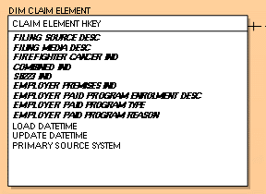
1. Trim all Text fields | Screenshot from 3/21/23

