TPM Instruction
PPE Required
ANSI Z87.1
Safety Glasses with Side Shields
Steel Toe
Boot / Shoe
Gloves - Kevlar and/or Welding / Leather
Kevlar Sleeves
Hearing Protection -
Ear Plugs
 |  |  |  | TPM Work Instruction level 1 |  |  |  | Plant: GLADSTONE |  |  |  |  | Equip. Name |  |  | Ferris Wheel |  |  | DOCUMENT REFERENCE: | TPM 6700-16 Rev. 0 | Page 1 | Rev. Summary: Created (7/26/18)
 |  |  |  |  |  |  |  |  |  |  |  |  | Creation date: |  |  | 2018-07-26 |  |  | Update:
Who does it: Operator 1 |  |  |  |  |  |  | Frequency: Refer to schedule | Line/Gap: |  |  | 6700 |  | Asset #
 | Description |  |  |  |  |  | Standard |  | Safety |  | Quality | Manual | Tool |  | Tips/Operation |  | Visual

1
2
2
2
Ensure that PI Tag is placed on control panel prior to entering a hazard area.
Follow proper lockout procedure when working on, or in, any piece of equipment.
Tool A - Metal pin
Tool B - Anti-spatter spray
Rag
Fixture section 1
Fixture section 2
4
 |  |  | Check for Personal protective equipment, ie, safety glasses(Z87.1), gloves, protective sleeves, safety shoes( steeltoes), hearing protection, jewelry, frayed, or appropriate clothing, hair, ect.
Safety Steps |  | 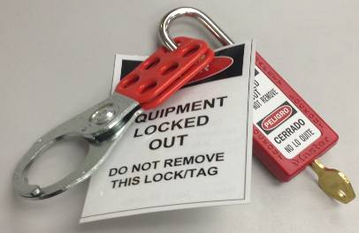 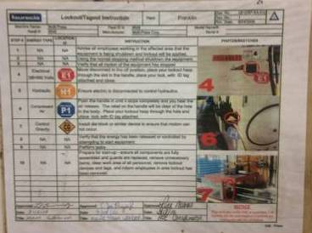 |  |  |  |  |  |  |  | 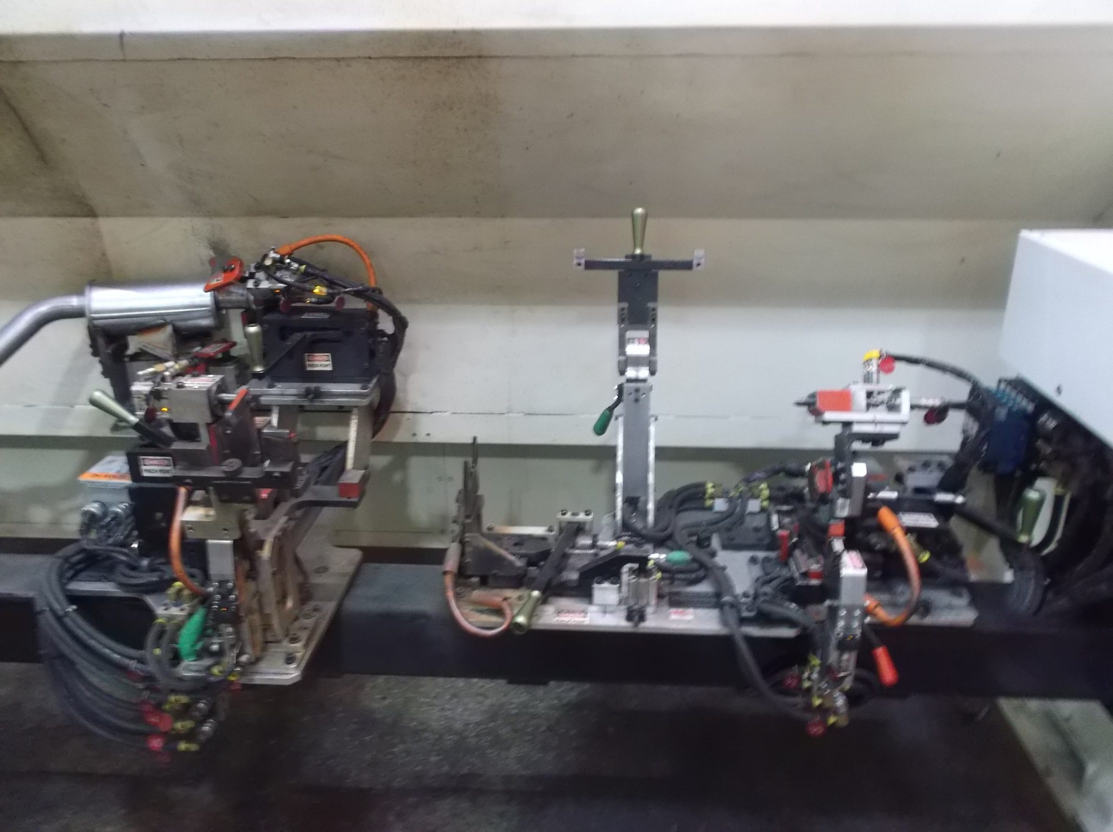
Required Tools |  | 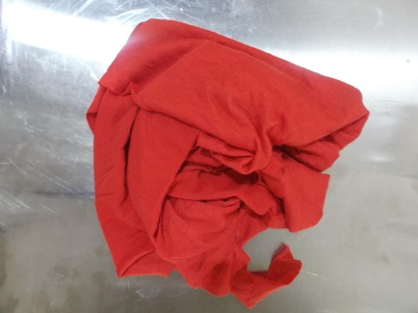

 | WHAT |  |  |  |  | WHERE | HOW
1 | Clean surface and ensure sensor works - Surface must be free of debris and sensor must be lit only when part is present |  |  |  |  | Fixture section 1 | Wipe the surace with a rag. Then check if the sensor is lit without any activation. If it is lit, wipe the surface with the rag. Using tool A, push down against the sensor and check if it is activated. Contact the gap leader if the sensor does not detect the metal pin.
2 | Clean bracket holder and check sensor - Ensure no debris are present in the slot and senor is lit only when part is present |  |  |  |  | Fixture section 1 | Wipe the slot with a rag. Then check if the sensor is lit without any activation. If it is lit, wipe the surface with the rag again. Using tool A, push down against the sensor and check if it is activated. Contact the gap leader if the sensor does not detect the metal pin.
3
6
6
3 | Check slider and clean - Ensure part slides smoothly using lever |  |  |  |  | Fixture section 1 | Using lever, slide the fixture and check if it is smooth. Use rag to clean off any debris
4 | Clean holder - Make sure no debris are present on fixture section |  |  |  |  | Fixture section 2 | Using the rag, wipe the side and surface of the holder. Ensure no debris is resting on the surface.
7
5
5
5
5 | Clean clamp/springs and check sensor - Ensure lever and springs are clean and senor is lit only when part is present |  |  |  |  | Fixture section 2 | Wipe the clamp with a rag. Then check if the sensor is lit without any activation. If it is lit, wipe the surface with the rag again. Using tool A, push down against the sensor and check if it is activated. Contact the gap leader if the sensor does not detect the metal pin.
6 | Clean bracket holder - Ensure no debris are present in the slot |  |  |  |  | Fixture section 2 | Wipe the slot with a rag and ensure not debris are left.
7 | Clean SICK sensor - Ensures operators are not in ferris wheel cell when running |  |  |  |  | Floor of Ferris Wheel cell (left side) | Using a rag, wipe the surface of the senor, removing any dust or dirt
 | Clean fixture base and floor |  |  |  |  | Ferris Wheel
MAINTENANCE APPROVAL |  |  |  |  | SIGN OFF: |  | SUPERVISOR APPROVAL: | SIGN OFF: |  |  |  |  |  | GAP LEADER APPROVAL: |  |  |  | SIGN OFF:

NAME: |  |  |  |  |  |  | NAME: |  |  |  |  |  |  | NAME:

DATE: |  |  |  |  |  |  | DATE: |  |  |  |  |  |  | DATE:

