TPM Instruction
PPE Required
ANSI Z87.1
Safety Glasses with Side Shields
Steel Toe
Boot / Shoe
Gloves - Kevlar and/or Welding / Leather
Hearing Protection -
Ear Plugs
Kevlar Sleeves
 |  |  |  | TPM Work Instruction level 1 |  |  |  | Plant: GLADSTONE |  |  |  |  | Equip. Name |  |  | Guage/Leak test |  |  | DOCUMENT REFERENCE: | TPM 6700-17 Rev. 0 | Page 1 | Rev. Summary: Created (7/26/18)
 |  |  |  |  |  |  |  |  |  |  |  |  | Creation date: |  |  | 2018-07-30 |  |  | Update:
Who does it: Operator 4 |  |  |  |  |  |  | Frequency: Refer to schedule | Line/Gap: |  |  | 6700 |  | Asset #
 | Description |  |  |  |  |  | Standard |  | Safety |  | Quality | Manual | Tool |  | Tips/Operation |  | Visual
2
7
1
Ensure that PI Tag is placed on control panel prior to entering a hazard area.
Follow proper lockout procedure when working on, or in, any piece of equipment.
Tool A - Metal pin
Tool B - Anti-spatter spray
Rag
8
Fixture section 1
Fixture section 2
Fixture section 3
 |  |  | Check for Personal protective equipment, ie, safety glasses(Z87.1), gloves, protective sleeves, safety shoes( steeltoes), hearing protection, jewelry, frayed, or appropriate clothing, hair, ect.
Safety Steps |  | 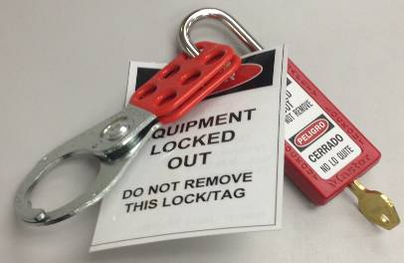 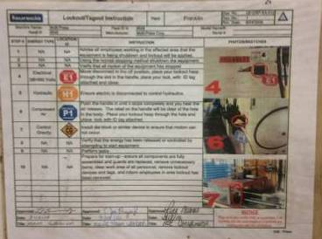
Required Tools |  | 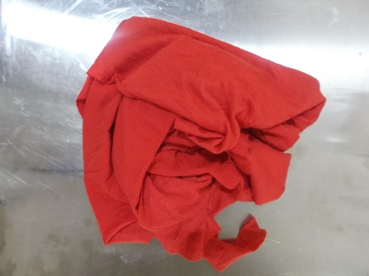

 | WHAT |  |  |  |  | WHERE | HOW
1 | Clean cup and pipe holder - Ensure no debris are present in order for the pipe to fit correctly |  |  |  |  | Fixture section 1 | Using a rag, wipe the inside of the cup as well as the pipe holder.
2 | Check sensor - Ensure sensor is lit orange when guage is not running |  |  |  |  | Fixture section 1 | Visually check if sensor is lit when guauge is in rest position. Contact gap leader if sensor is not responding correctly.
3
5
4
6
3 | Clean bracket holder - Ensure no deris/dirt is present in the slot |  |  |  |  | Fixture section 1 | Using a rag, wipe the inside of the cup as well as the pipe holder. |  |  | 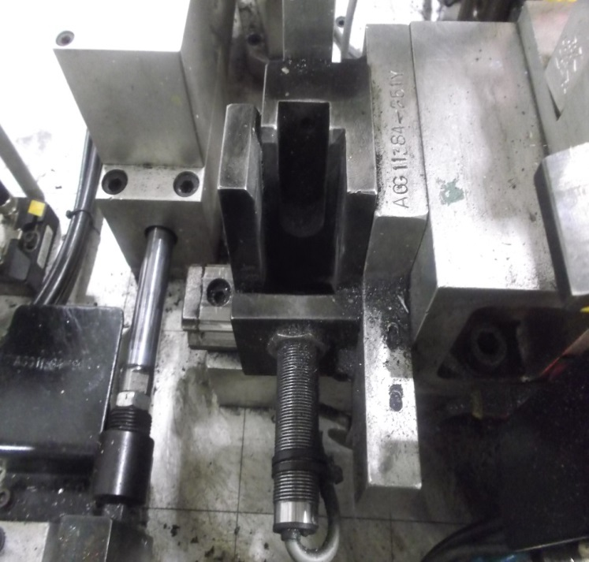
4 | Clean indicator and check springs - Ensure sensor is lit red |  |  |  |  | Fixture section 2 | Using a rag, wipe the indicator and test the spring by gently pulling the pin. If the pin does not return to the orgina\ position, let the gap leader know
7
5 | Clean all pipe saddles - Ensure no dirt rests on saddles |  |  |  |  | Fixture section 1, 2 & 3 | Using a rag, wipe off any debris on the saddle. These can be found at multiple locations on the gauge
6 | Clean flange side face - Ensure surface is clean and flange sits flat againts fixture surface. |  |  |  |  | Fixture section 3 | Using rag, wipe the face of this fixture, removing any debris.
7 | Clean isolator holder and sensor - Ensure sensor is lit only when isolator is on |  |  |  |  | Fixture section 1, 2 & 3 | Using a rag, wipe the isolator holder and remove any dirt/debris and check sensor is lit by covering the sensor with rag
8 | Clean SICK sensor - Ensures operators are not in behind the curtain while guage is running |  |  |  |  | Fixture section 1 | Using a rag, wipe the surface of the senor, removing any dust or dirt
MAINTENANCE APPROVAL |  |  |  |  | SIGN OFF: |  | SUPERVISOR APPROVAL: | SIGN OFF: |  |  |  |  |  | GAP LEADER APPROVAL: |  |  |  | SIGN OFF:

NAME: |  |  |  |  |  |  | NAME: |  |  |  |  |  |  | NAME:

DATE: |  |  |  |  |  |  | DATE: |  |  |  |  |  |  | DATE:

