TPM Instruction
PPE Required
ANSI Z87.1
Safety Glasses with Side Shields
Gloves - Kevlar and/or Welding / Leather
Kevlar Sleeves
Hearing Protection -
Ear Plugs
 |  |  |  | TPM Work Instruction level 1 |  |  |  | Plant: GLADSTONE |  |  |  | Equip. Name |  |  | Vcell 1 |  |  | DOCUMENT REFERENCE: | TPM 6700-18 Rev. 0 |  | Page 1 | Rev. Summary: Created (7/26/18)
 |  |  |  |  |  |  |  |  |  |  |  | Creation date: |  |  | 2018-07-26 |  |  | Update:
Who does it: Operator 1 |  |  |  |  |  |  | Frequency: Refer to schedule | Line/Gap: |  | 6700 |  | Asset #
Steel Toe
Boot / Shoe
 | Description |  |  |  |  |  | Standard |  | Safety | Quality | Manual | Tool |  | Tips/Operation |  | Visual

1
1
Ensure that PI Tag is placed on control panel prior to entering a hazard area.
Follow proper lockout procedure when working on, or in, any piece of equipment.
Tool A - Metal pin
Rag
2
2
 |  |  | Check for Personal protective equipment, ie, safety glasses(Z87.1), gloves, protective sleeves, safety shoes( steeltoes), hearing protection, jewelry, frayed, or appropriate clothing, hair, ect.
Safety Steps |  | 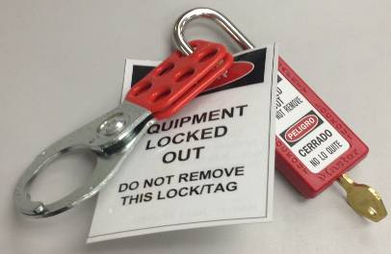 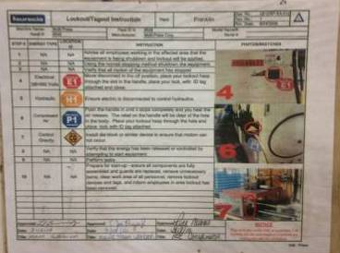
Required Tools |  | 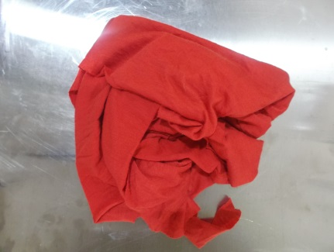
1
 | WHAT |  |  |  |  | WHERE | HOW
6
7
1 | Clean muffler inlet/outlet holder - Ensures muffler sits correctly in fixture |  |  |  |  | Fixture section 1 and 3 | Using the rag, wipe the debris and dirt off the holders.
3
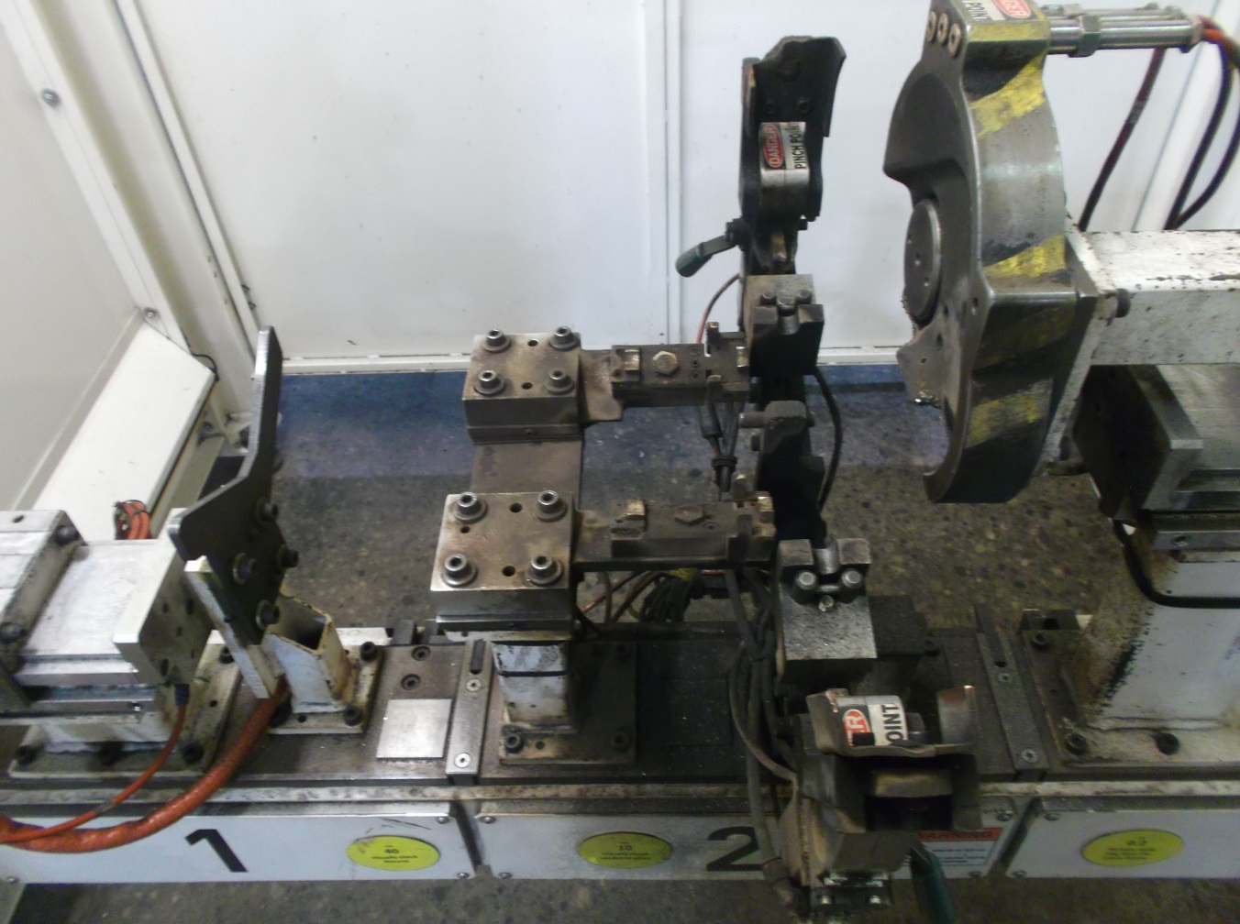
4
2 | Check muffler clamps and sensor - Ensure clamps slide smoothly and there is limited resistance. Check read switch is lit when clamped |  |  |  |  | Fixture section 1 & 3 | Push in the clamps and check if sensor is lit only when in clamped position.
3 | Check proximity (base) sensors - Sensors must be lit orange when part is in place |  |  |  |  | Fixture section 2 | First check if sensor is lit without activing the senor. If it is lit, wipe the surface with the rag. Using tool A, push down against sensor and check if the senor is activated.
3
4
3
4 | Clean datum points - 2 bracket holders can be found in section 2 of the fixture |  |  |  |  | Fixture section 2 | Using the rag wipe the surface of the datum. Remove all debris where the brackets should rest.
5 | Clean Clamps - Ensure clamp faces are free of debris and sensor turns red only when part is clamped |  |  |  |  | Fixture section 2 | Clean clamp using the rag. Check the clamp is lit red by placing it in a clamping position and checking the sensor colour.
5
5
6 | Clean muffler holder - Make sure no debris are present on fixture section |  |  |  |  | Fixture section 1 | Using the rag, wipe the side and surface of the holder. Ensure no debris is resting on the surface.
Clamp
7 | Clean pin datum between brackets |  |  |  |  | Fixture section 2 | Usinga rag, wipe the pin and remove any dirt resting on it
 | Clean fixture base and VCell 1 area |  |  |  |  | VCell 1
MAINTENANCE APPROVAL |  |  |  |  | SIGN OFF: |  | SUPERVISOR APPROVAL: | SIGN OFF: |  |  |  |  | GAP LEADER APPROVAL: |  |  |  | SIGN OFF: |  |  | UAP MANAGER APPROVAL:

 |  |  |  |  |  |  |  |  |  |  |  |  |  |  |  |  |  |  |  |  |  |  | SIGN OFF:

NAME: |  |  |  |  |  |  | NAME: |  |  |  |  |  | NAME: |  |  |  |  |  |  | NAME:

DATE: |  |  |  |  |  |  | DATE: |  |  |  |  |  | DATE: |  |  |  |  |  |  | DATE:

