LEVEL 1 - OP4 - GAUGE-leak test
TPM WORK INSTRUCTION Level 1 |  |  |  |  |  |  |  |  |  |  | PLANT: |  | Columbus North |  |  | DOCUMENT N° + ISSUE REV.: | 6700 TPM-07 Rev. 2 |  | CONTROL PLAN REF. |  |  | Every operator is responsible of his working area
 |  |  |  |  |  |  |  |  |  |  |  |  |  |  |  | ISSUE DATE: | 2018-01-29 |  | APPLICATION DATE:
PART NUMBER N°: |  | N/A | DESCRIPTION: | GAUGE/LEAK TEST |  |  |  |  |  |  |  |  |  |  |  | Revision Summary: Created (12/5/17) 1. Updated process (1/10/18) 2. Updated (1/29/18)

S
R
00.1
00.2
Steel Toed
Shoes/Boots
Kevlar Sleeves
ANSI Z87.1
Safety Glasses
Gloves - Kevlar or Leather
Hearing Protection
N° | OPERATION & FREQ. |  |  |  |  | = HSE OPERATOR | = KEY POINT | = QUALITY |  | = VISUAL |  |  | = BY HAND |  | = BY TOOLING |  |  | = BY NOISE |  |  | SKETCHES / PICTURES / ...
HSE
00 | SAFETY Each step |  |  |  | Time 1min | STEP 00.1 Place your PI Tag on the equipment in the appropriate location. 00.2 Wear all required PPE
 |  |  |  |  |  | Self checking |  |  | Criteria
 |  |  |  |  |  | PI tag is on operator panel. PPE is worn. |  |  | PI Tag on operator panel. Required PPE properly worn.
 |  |  |  |  |  | Reaction rules
 |  |  |  |  |  | PPE check and PI procedure MUST be done before performing PM inside the machine.
5S
0.1, 0.3, 0.4,0.5, 0.6
0.2
0.2
0 | CLEAN GAUGE AREA Each break |  |  |  | 5min | CLEAN THE GAUGE AND 5S ZONE. |  |  |  |  |  | 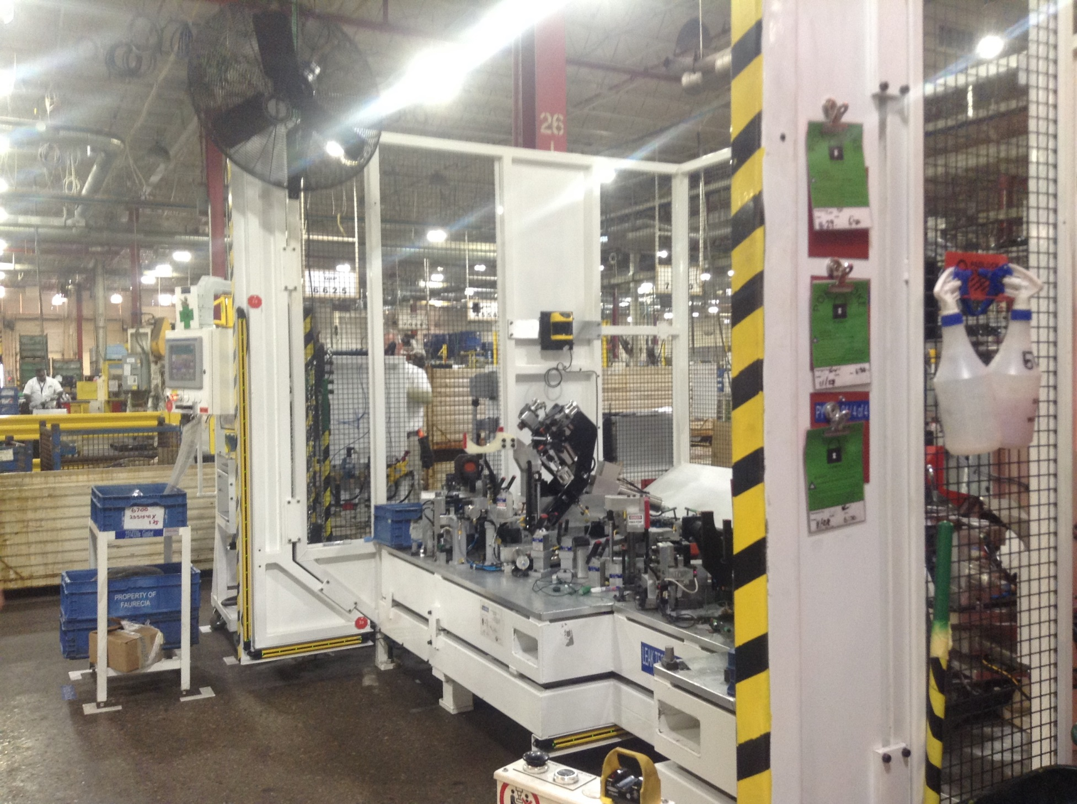 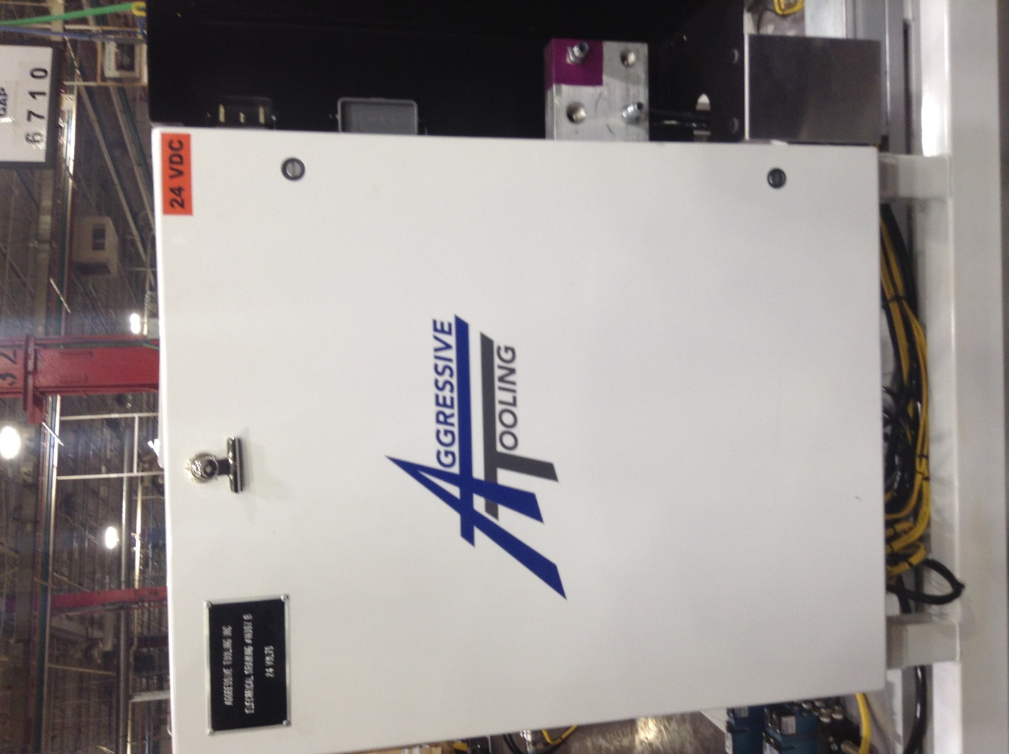 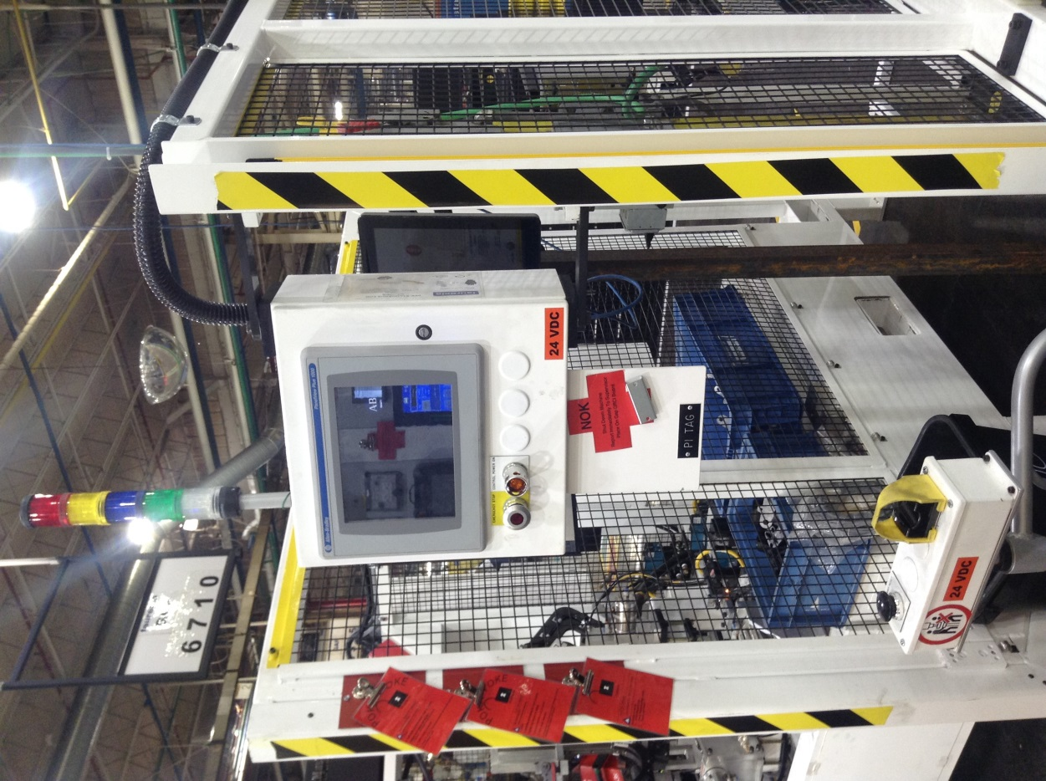 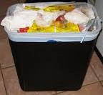 
10.3
 |  |  |  |  |  | Self checking |  |  | Criteria
OK
0.7
NOK
 |  |  |  |  |  | 0.1 Vaccum the tooling die plate |  |  | Tools put away. All 4 sides are clean of dirt and grease. Hoses are clean of dirt, oil and grease.
 |  |  |  |  |  | Reaction rules
 |  |  |  |  |  | Continue 5S until free of loose debris and tools and no dirt, grease or oil are on surfaces of equipment or floor.
OPERATOR 4 - TPM
10.1, 10.2, 10.3
10.1, 10.2, 10.3
10.1, 10.2, 10.3
10 | VISUALLY CHECK LIGHTS & THAT WIRES ARE NOT FRAYING 2 / days |  |  |  | 2min | VERIFY THAT LIGHTS WORK, WIRES ARE NOT FRAYED, CUT OR HANGING LOOSELY ONTO FLOOR. |  |  |  |  |  | 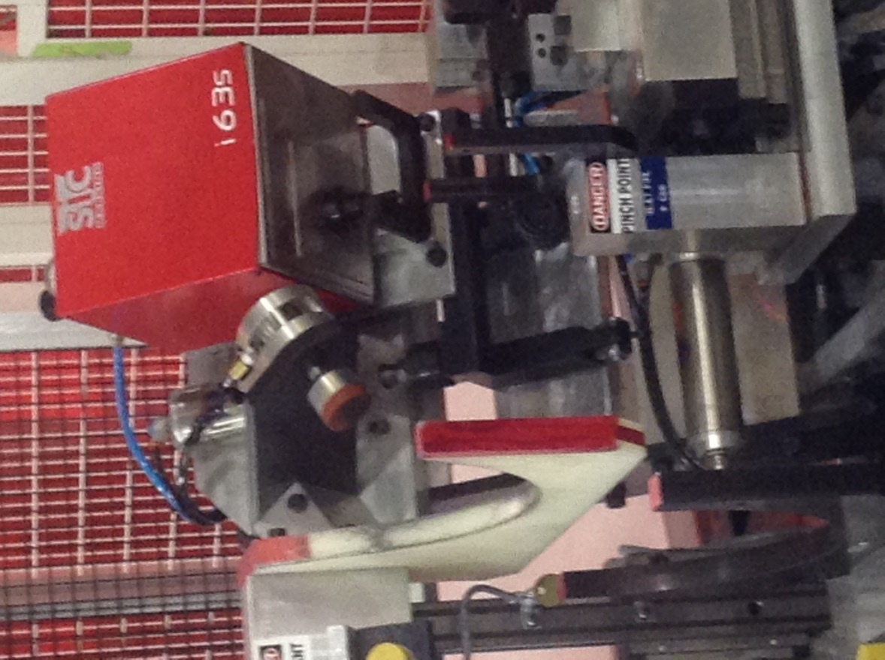 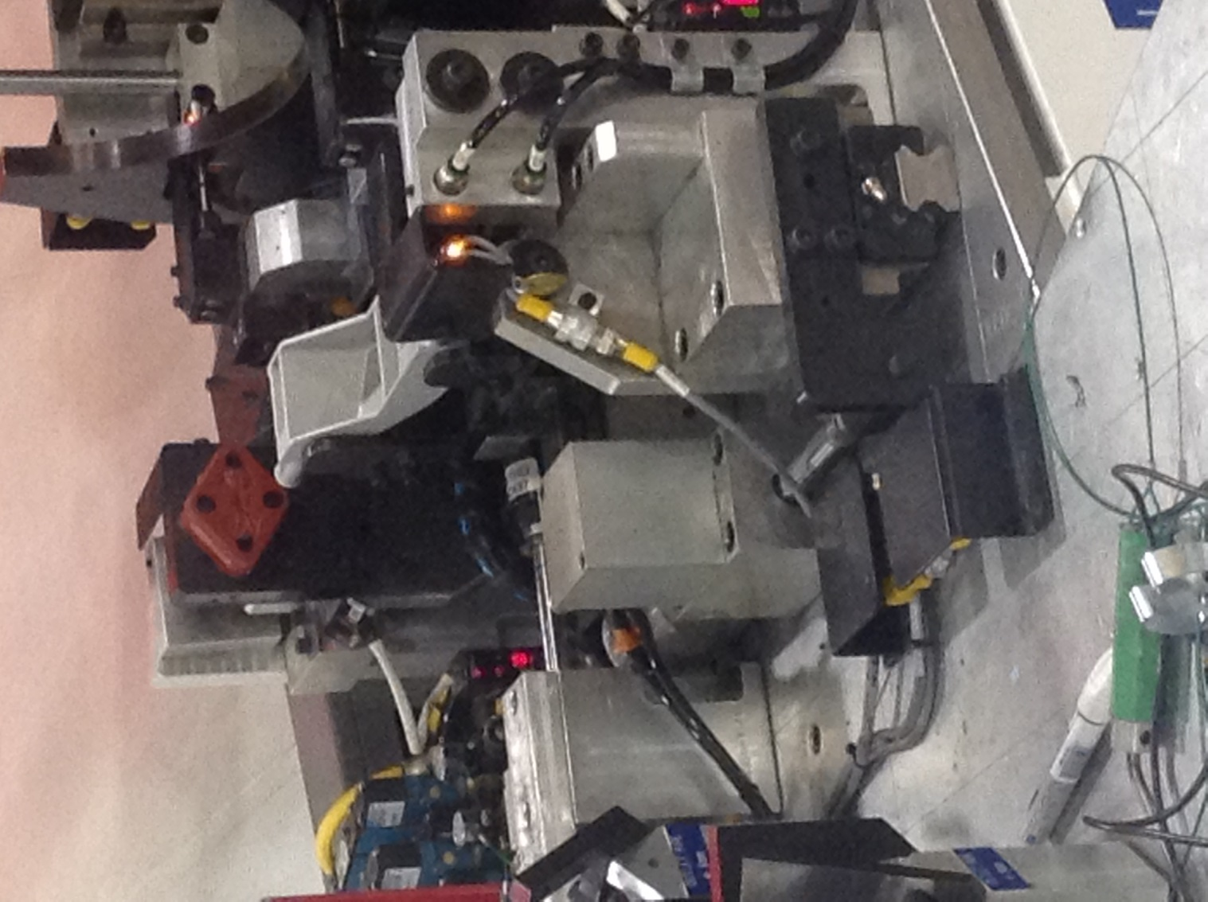 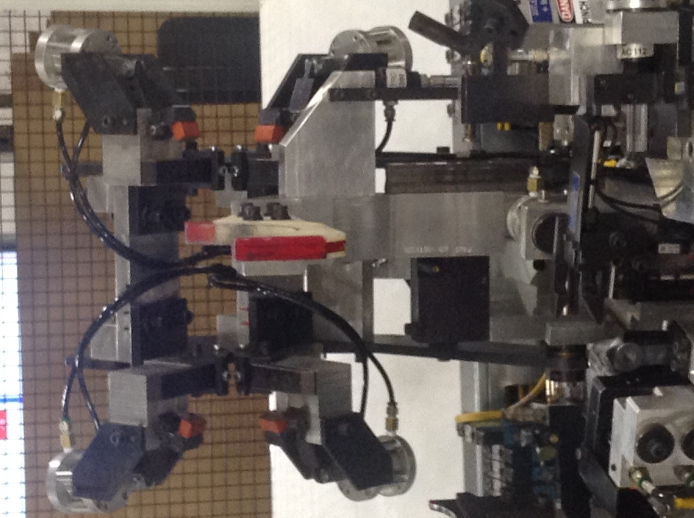 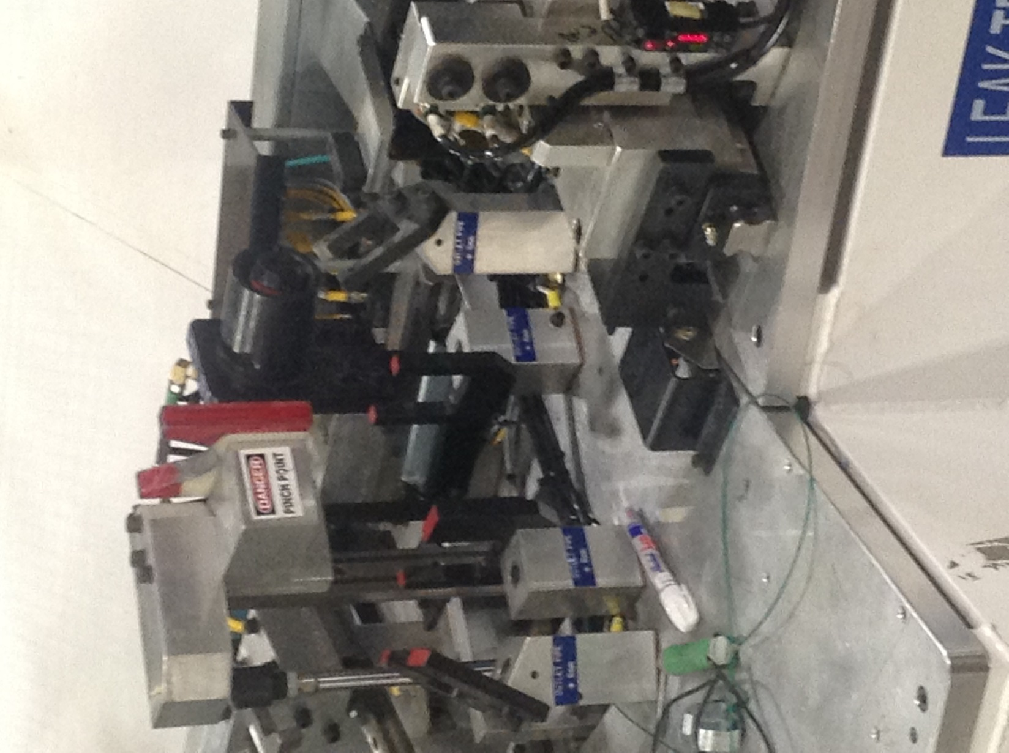 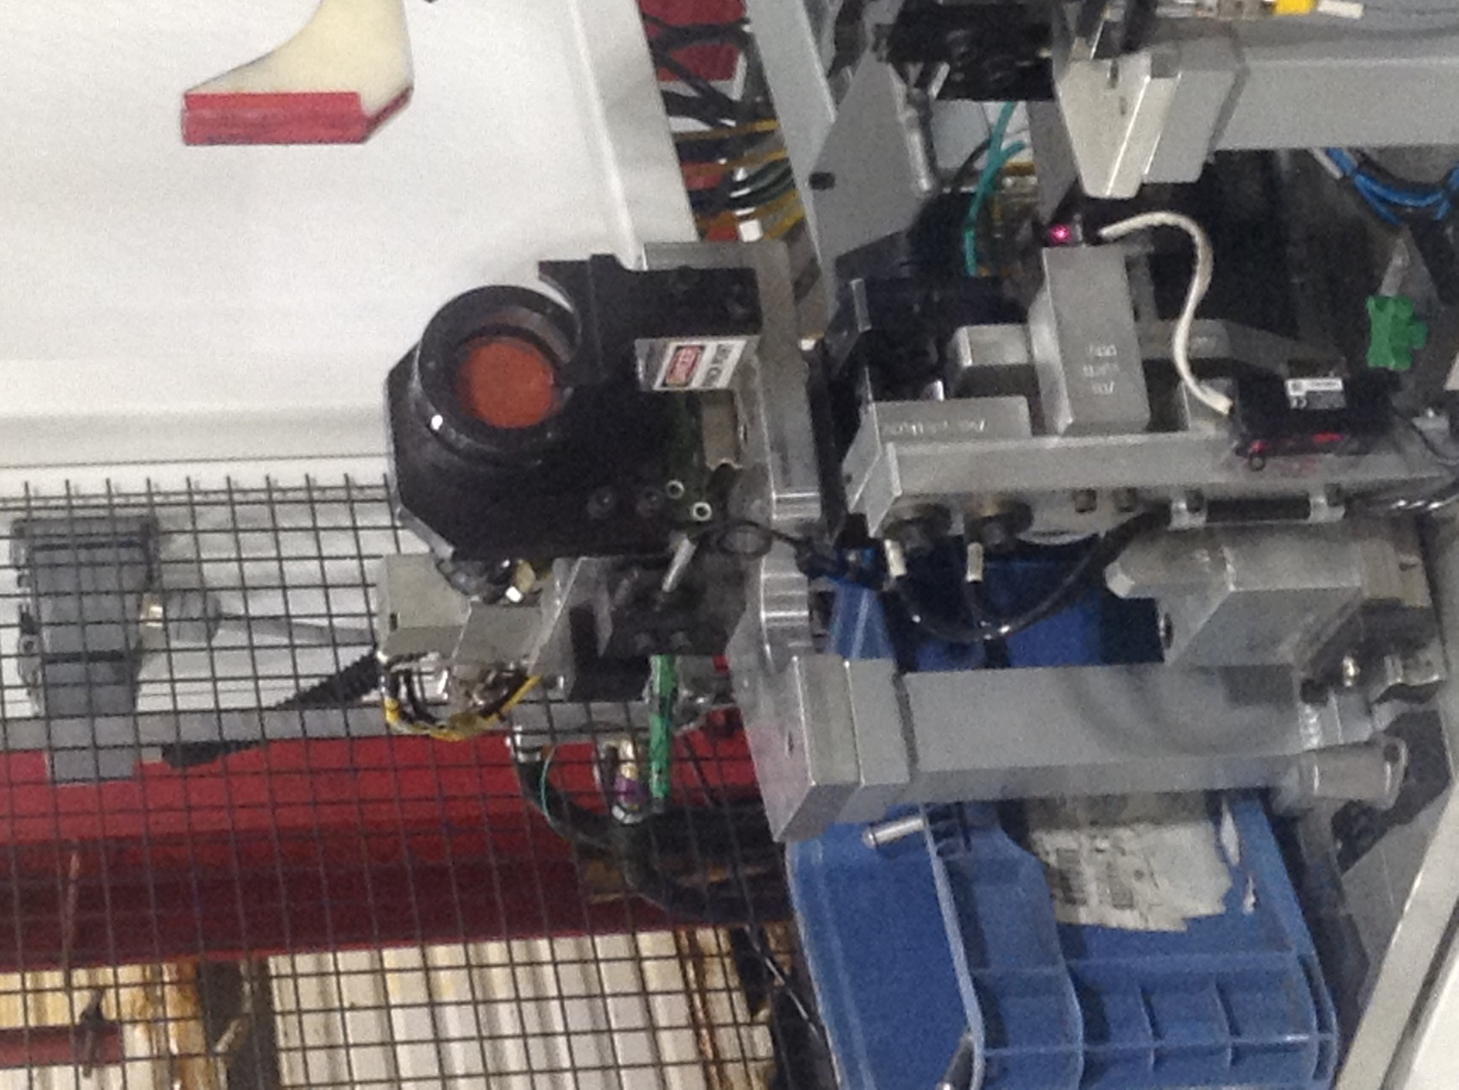 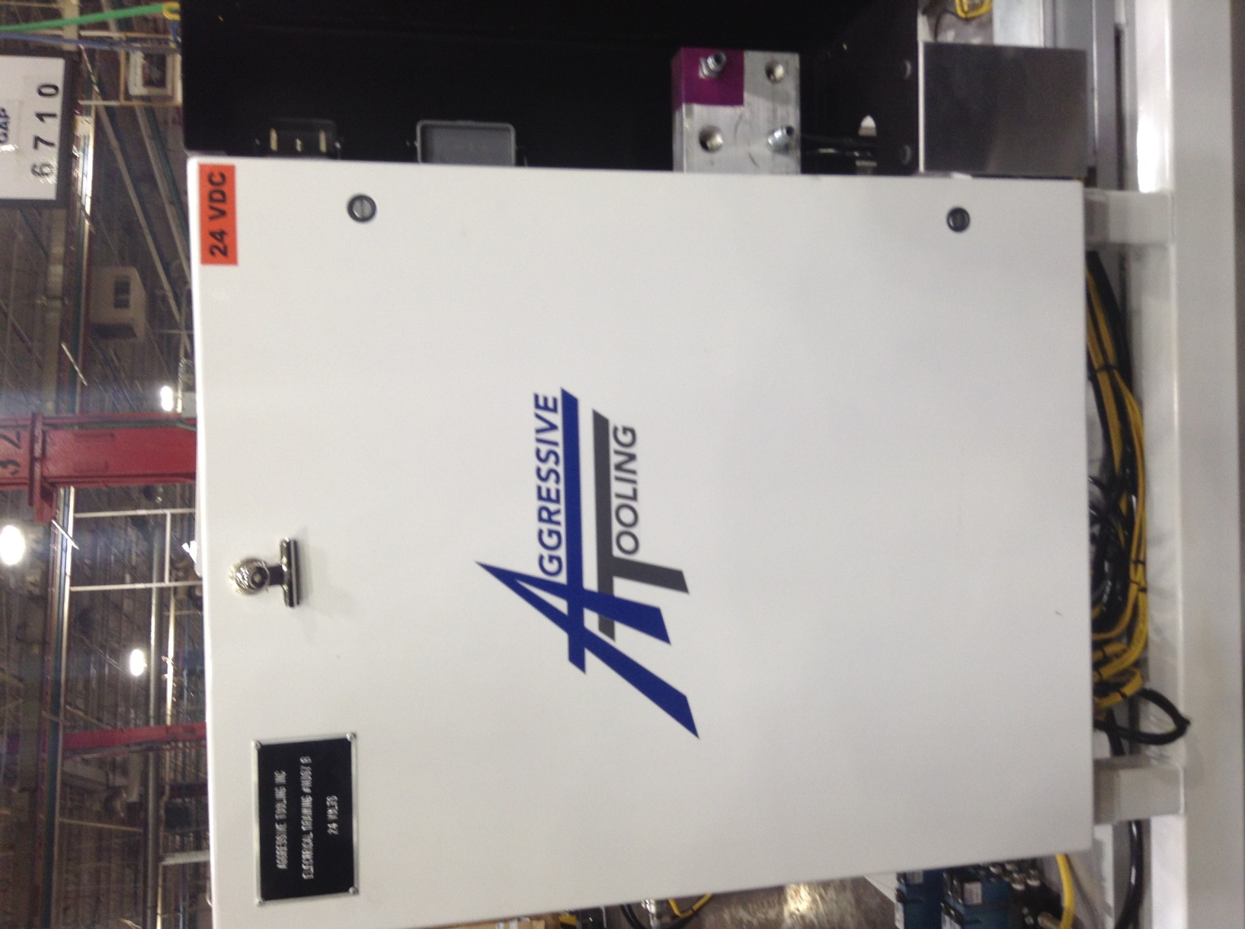 
 |  |  |  |  |  | Self checking |  |  | Criteria
OK
OK
OK
OK
10.4
 |  |  |  |  |  | 10.1 Wires are not frayed. 10.2 Wires are not cut. 10.3 Wires are not loose or laying on the floor. 10.4 Lights on control box are not out. 10.5 The date is within the next scheduled calibration date on the calibration tag. |  |  | Wires are intact. Wires are off of floor and any extended wire is zip tied. Lights are in working condition.
10.1, 10.2, 10.3
NOK
10.1, 10.2, 10.3
OK
OK
OK
10.1, 10.2, 10.3, 10.5
OK
20.1, 20.2
20.2, 20.3
NOK
 |  |  |  |  |  | Reaction rules
 |  |  |  |  |  | If damaged to wires exist, notify supervisor and identify it with a TPM TAG imediately.
20 | VISUALLY CHECK ELECTRICAL CONDUIT & CABINET 2 / days |  |  |  | 1min | VERIFY THAT THE CONDUIT IS NOT BARE AND THE ELECTRICAL CABINET IS NOT DAMAGED. |  |  |  |  |  | 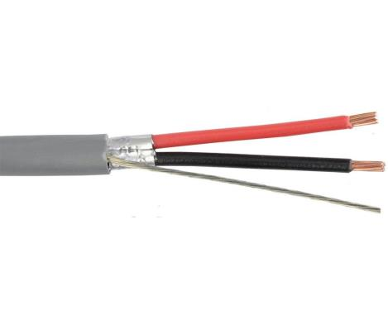  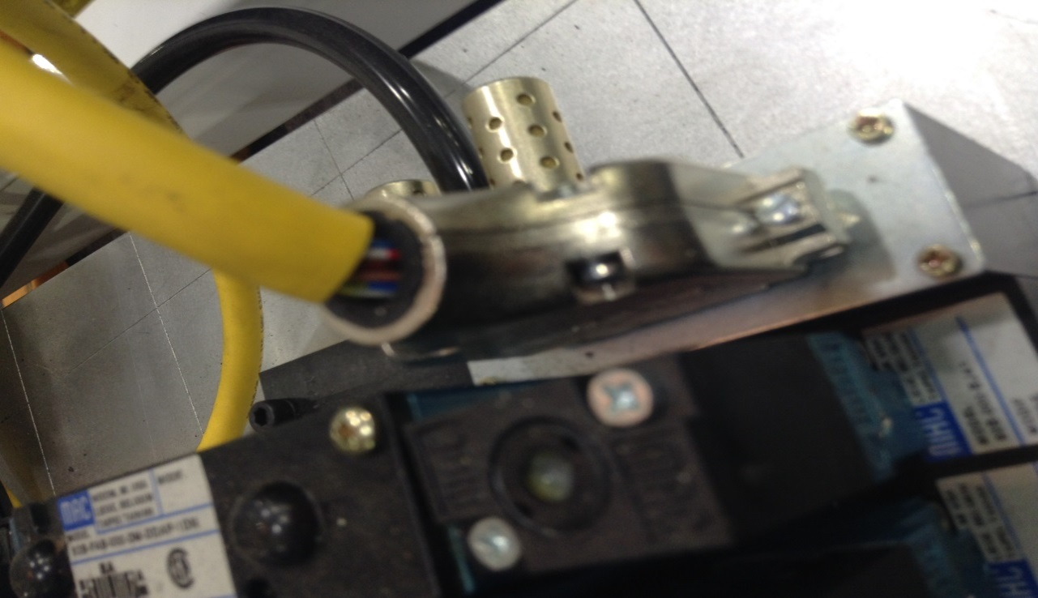 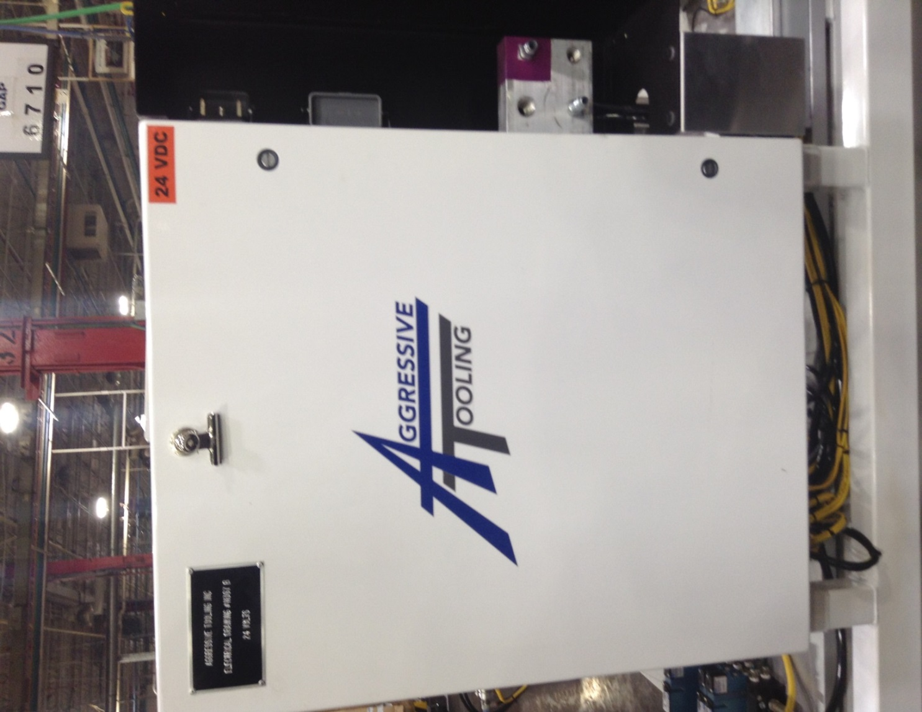
 |  |  |  |  |  | Self checking |  |  | Criteria
NOK
 |  |  |  |  |  | 20.1 Conduit covering is not damaged or missing. 20.2 Electrical cabinet and handle are not damaged. 20.3 Voltage meters reads within the green marking. |  |  | Conduit is complete with nothing bare. Electrical cabinet is in good condition.
 |  |  |  |  |  | Reaction rules
OK
OK
NOK
 |  |  |  |  |  | If damaged to conduit exists, notify supervisor and identify it with a TPM TAG immediately.
30.1
30.1
30.2
OK
OK
30.3
30 | VISUALLY CHECK THE CONDITION OF THE TOOLING 2 / days |  |  |  | 2min | CHECK TOOLING FOR CHIPS, CRACKS OR BREAKS. |  |  |  |  |  | 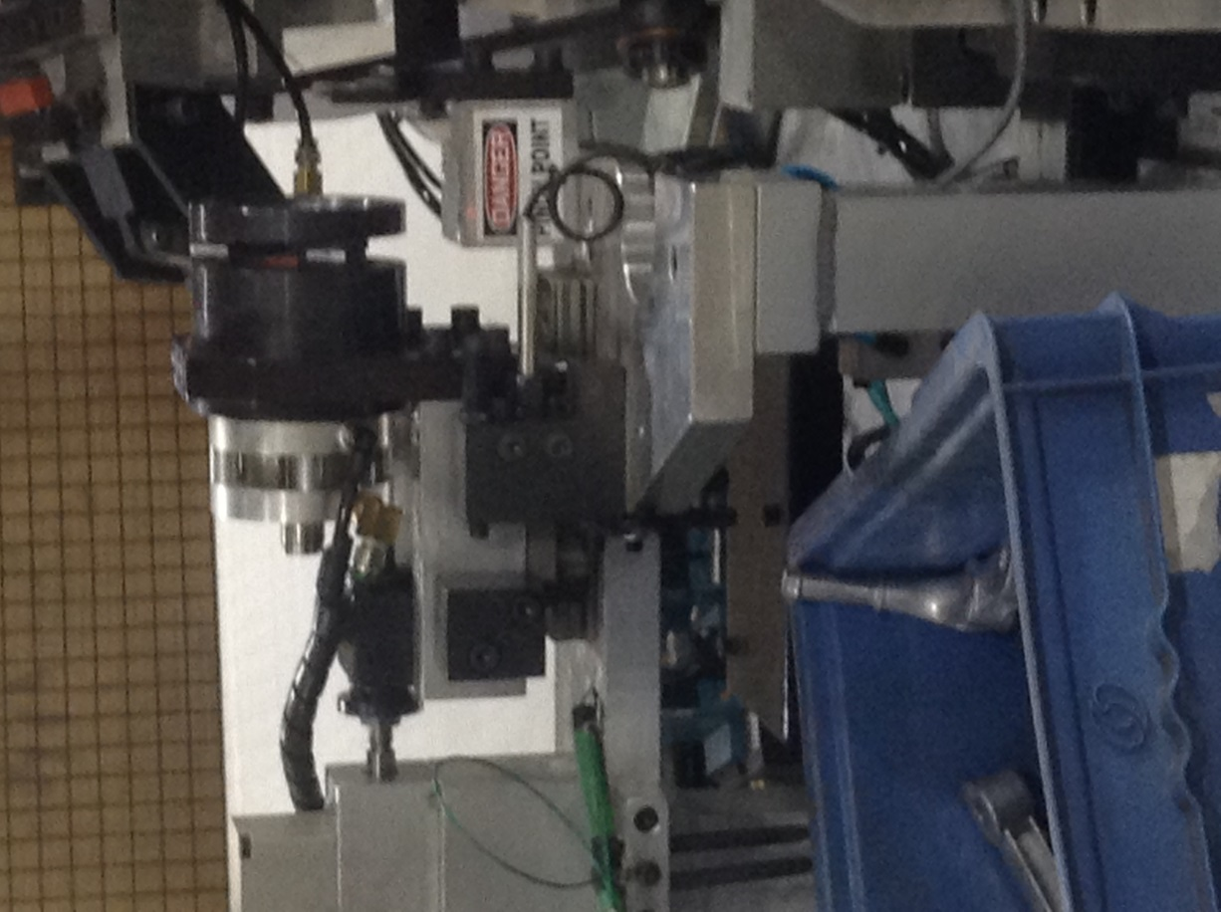  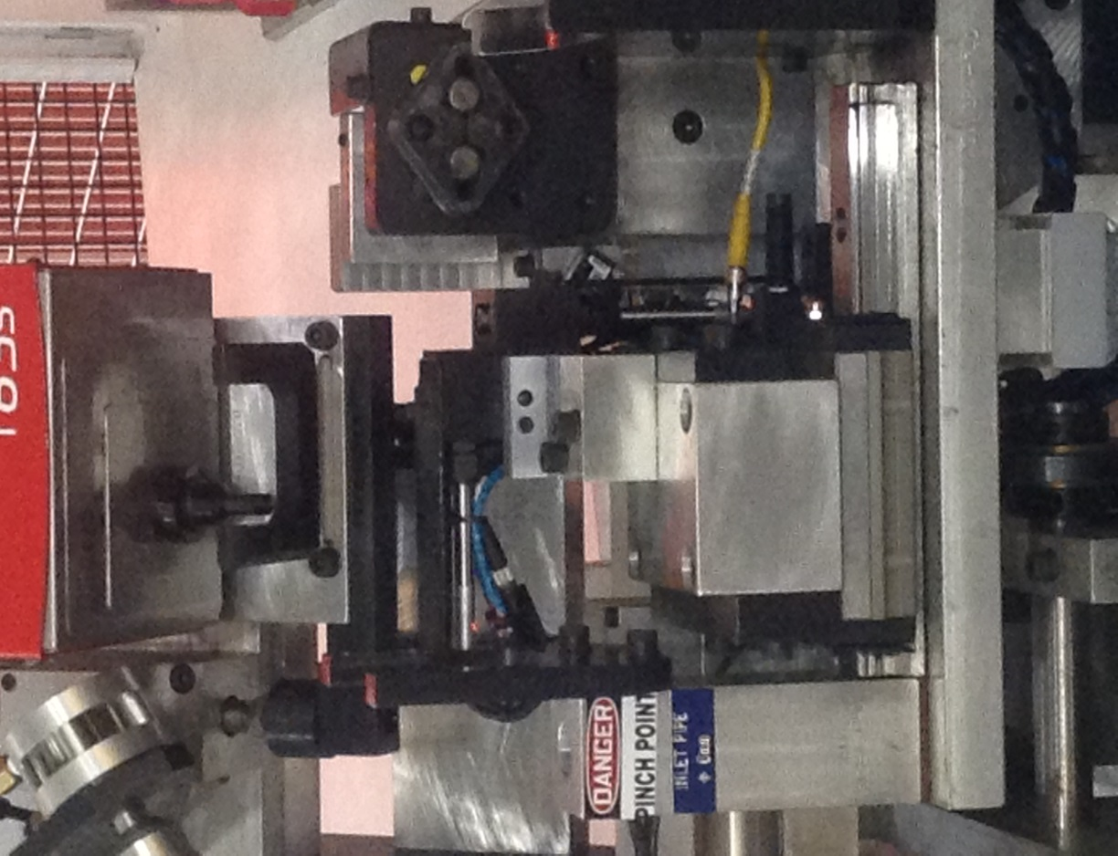    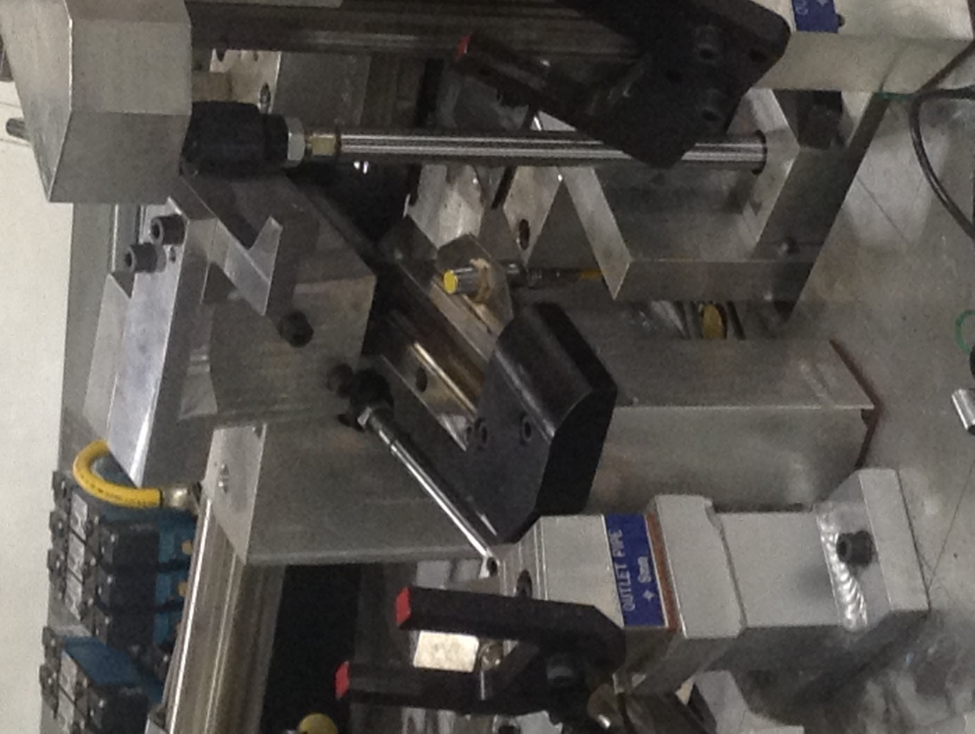
 |  |  |  |  |  | Self checking |  |  | Criteria
 |  |  |  |  |  | 30.1 No chipped, broken or loose tooling. 30.2 Check the unloader saddle tooling. 30.3 Check the movement on the saddles and tooling cup. |  |  | Tooling is in good condition.
30.3
OK
OK
30.3
30.3
OK
OK
OK
OK
OK
40.1, 40.2, 40.3
40.1, 40.2, 40.3
 |  |  |  |  |  | Reaction rules
 |  |  |  |  |  | If damaged to the gauge exists, notify the supervisor immediately.
40 | CHECK THE PNEUMATIC AIR PRESSURE SYSTEM 2 / days |  |  |  | 2min | VERIFY THAT PRESSURE GAUGE IS WITHIN THE GREEN. HOLD A RAG UNDER THE RELEASE VALVE AND GENTLY PRESS IT TO THE SIDE TO RELEASE ANY FLUID IN THE FILTER. LISTEN FOR AIR LEAK AFTER COMPLETING THE RELEASE OF FLUID. |  |  |  |  |  | 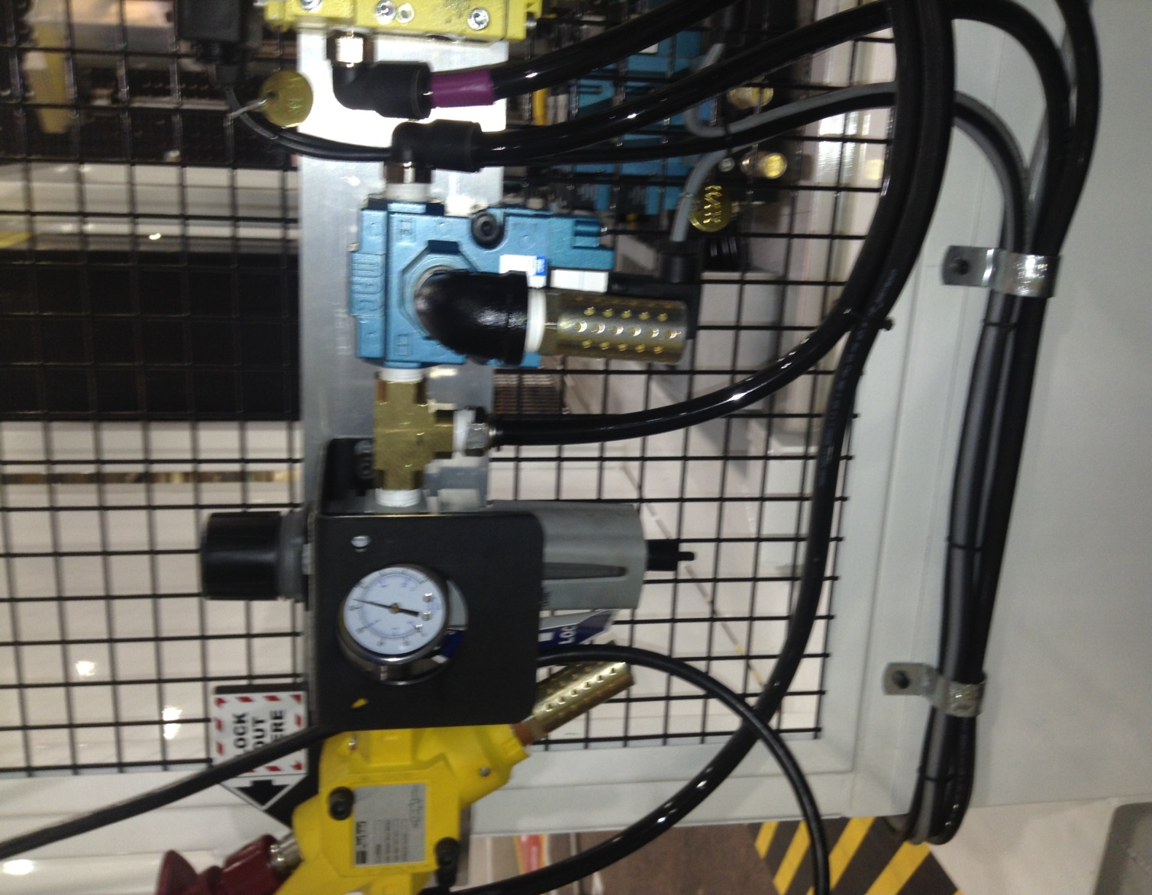 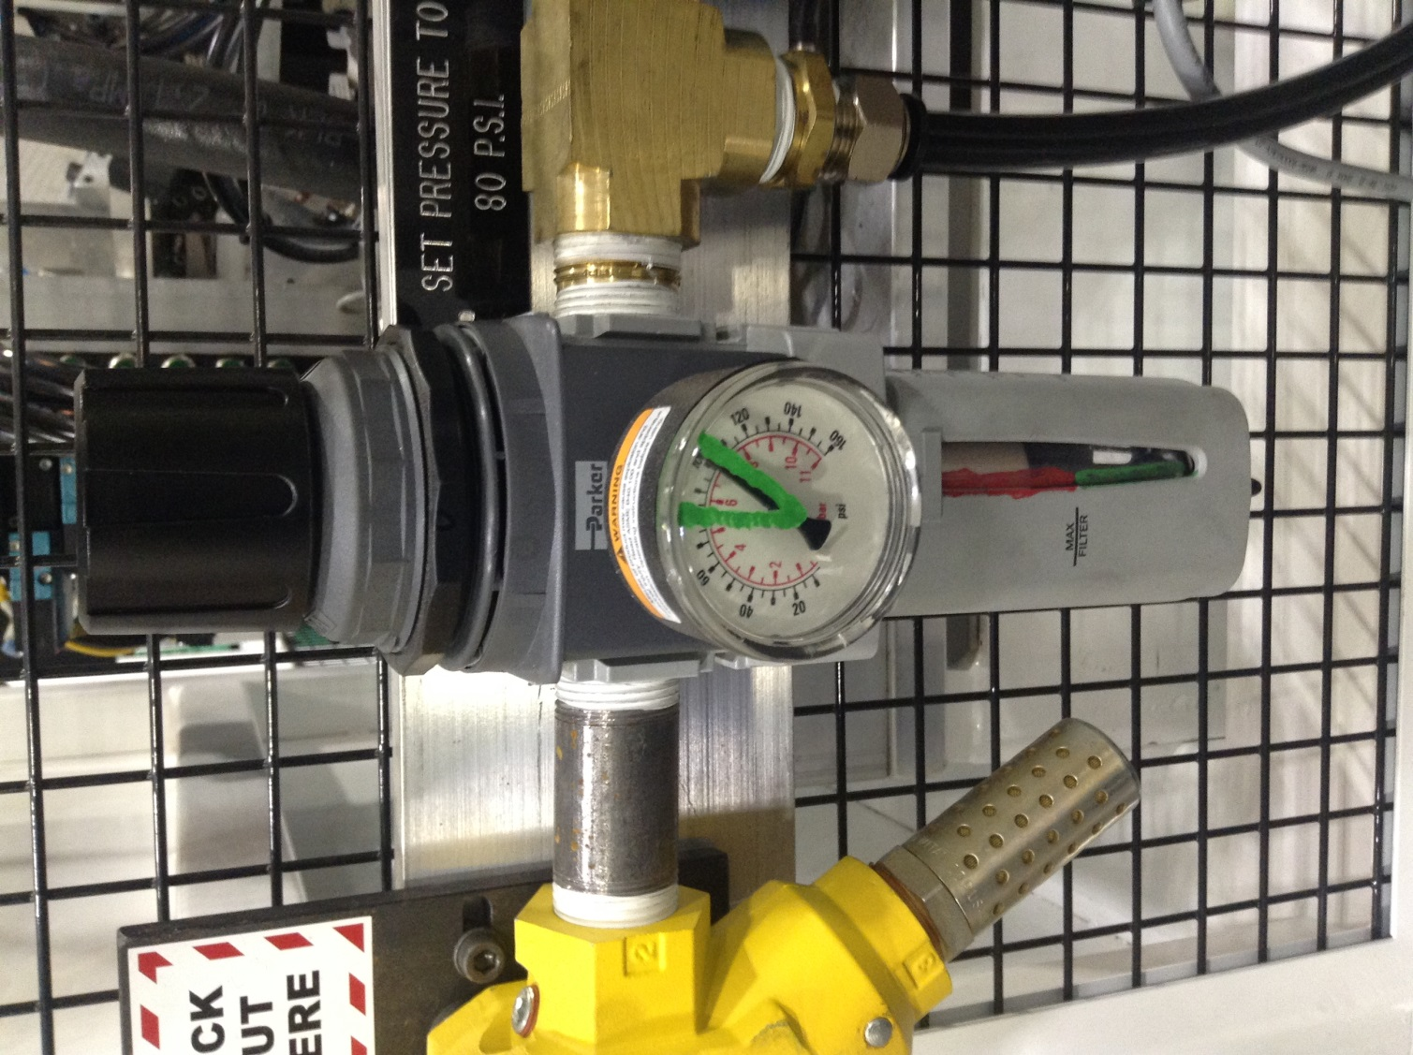 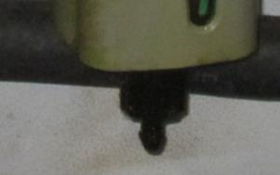 
 |  |  |  |  |  | Self checking |  |  | Criteria
 |  |  |  |  |  | 40.1 Pressure gauge is not reading outside of the green. 40.2 The filter fluid level is not within the red. 40.3 No air leak exists. |  |  | Each level reads within the green. Pressure gauge reads within the green. No air leaks allowed.
 |  |  |  |  |  | Reaction rules
OK
OK
 |  |  |  |  |  | If damage to system exists, notify gap leader. If the filter is in the red, use a clean rag and gently press the release valve to the side to empty the fluid into the rag.
WRITER: sign & date |  |  |  |  | APPROVED: sign & date |  |  | CHECKED:sign & date | CHECKED:sign & date |  |  |  |  | TRAINED:sign & date |  |  |  |  |  | NON-CONFORM PIECES: REFER TO RULES OF NON-CONFORMS TRAITMENT (GLOBAL OR SPECIFIC)
Name : |  |  |  |  | Name : |  |  | Name : | Name : |  |  |  |  | Name:
FUNCTION: MAINTENANCE |  |  |  |  | FUNCTION: UAP MGR |  |  | FUNCTION: SAFETY | FUNCTION: QUALITY |  |  |  |  | FUNCTION: OPERATOR

LEVEL 1 - OP3 - FERRIS (BACK)
PM WORK INSTRUCTION Level 1 |  |  |  |  |  |  |  |  |  |  | PLANT: |  | Columbus North |  |  | DOCUMENT N° + ISSUE REV.: | 6700 TPM-06 Rev. 2 |  | CONTROL PLAN REF. |  |  | Every operator is responsible of his working area
 |  |  |  |  |  |  |  |  |  |  |  |  |  |  |  | ISSUE DATE: | 2018-01-29 |  | APPLICATION DATE:
PART NUMBER N°: |  | N/A | DESCRIPTION: | FERRIS WHEEL ROBOT (REAR) |  |  |  |  |  |  |  |  |  |  |  | Revision Summary: Created (12/5/17) 1. Updated process (1/10/18) 2. Updated (1/29/18)

S
R
00.1
00.2
Steel Toed
Shoes/Boots
Kevlar Sleeves
ANSI Z87.1
Safety Glasses
Gloves - Kevlar or Leather
Hearing Protection
N° | OPERATION & FREQ. |  |  |  |  | = HSE OPERATOR | = KEY POINT | = QUALITY |  | = VISUAL |  |  | = BY HAND |  | = BY TOOLING |  |  | = BY NOISE |  |  | SKETCHES / PICTURES / ...
HSE
00 | SAFETY Each step |  |  |  | Time 1min | STEP 00.1 Place your PI Tag on the equipment in the appropriate location. 00.2 Wear all required PPE
 |  |  |  |  |  | Self checking |  |  | Criteria
 |  |  |  |  |  | PI tag is on operator panel. PPE is worn. |  |  | PI Tag on operator panel. Required PPE properly worn.
 |  |  |  |  |  | Reaction rules
 |  |  |  |  |  | PPE check and PI procedure MUST be done before performing PM inside the machine.
5S
0 | CLEAN V-CELL AND AREA Each shift |  |  |  | 5min | CLEAN THE REAR FERRIS WHEEL ROBOT 5S ZONE. |  |  |  |  |  | 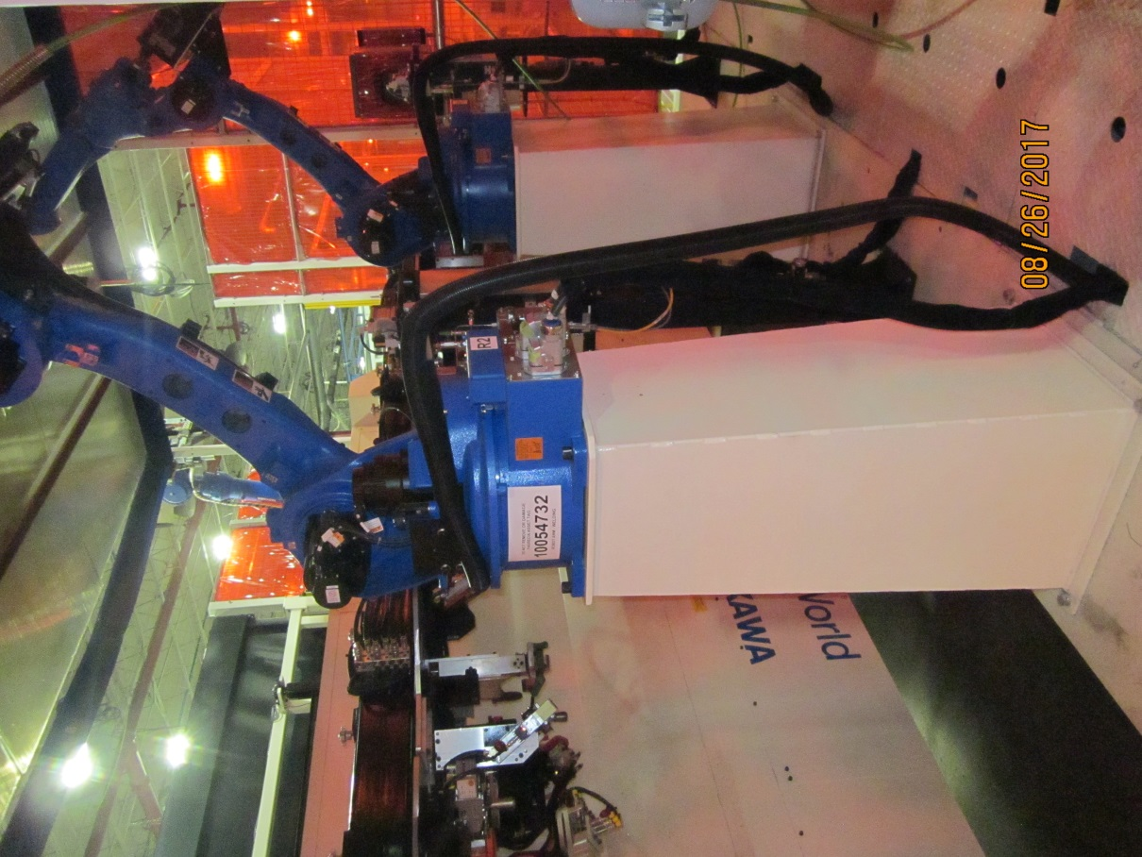 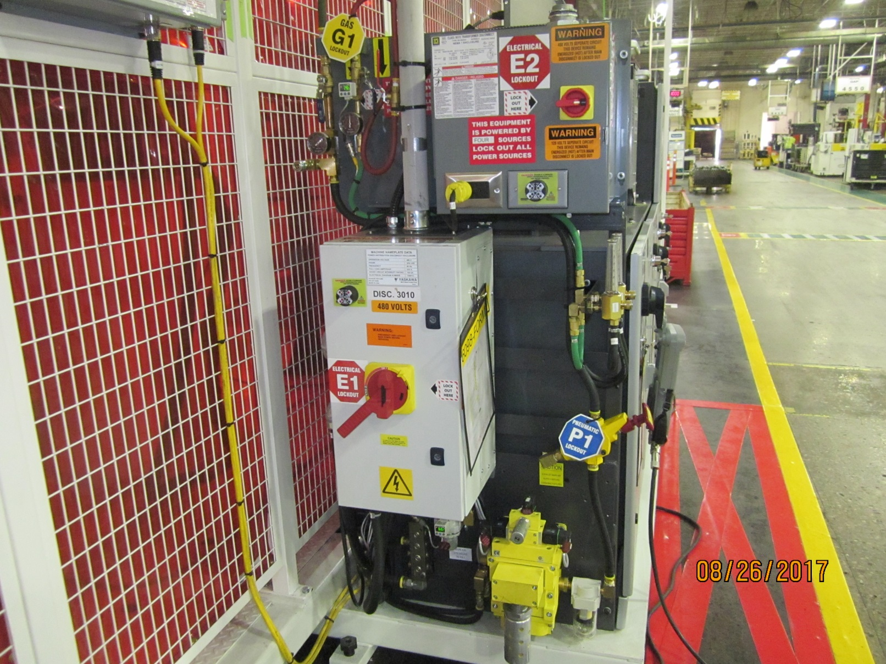 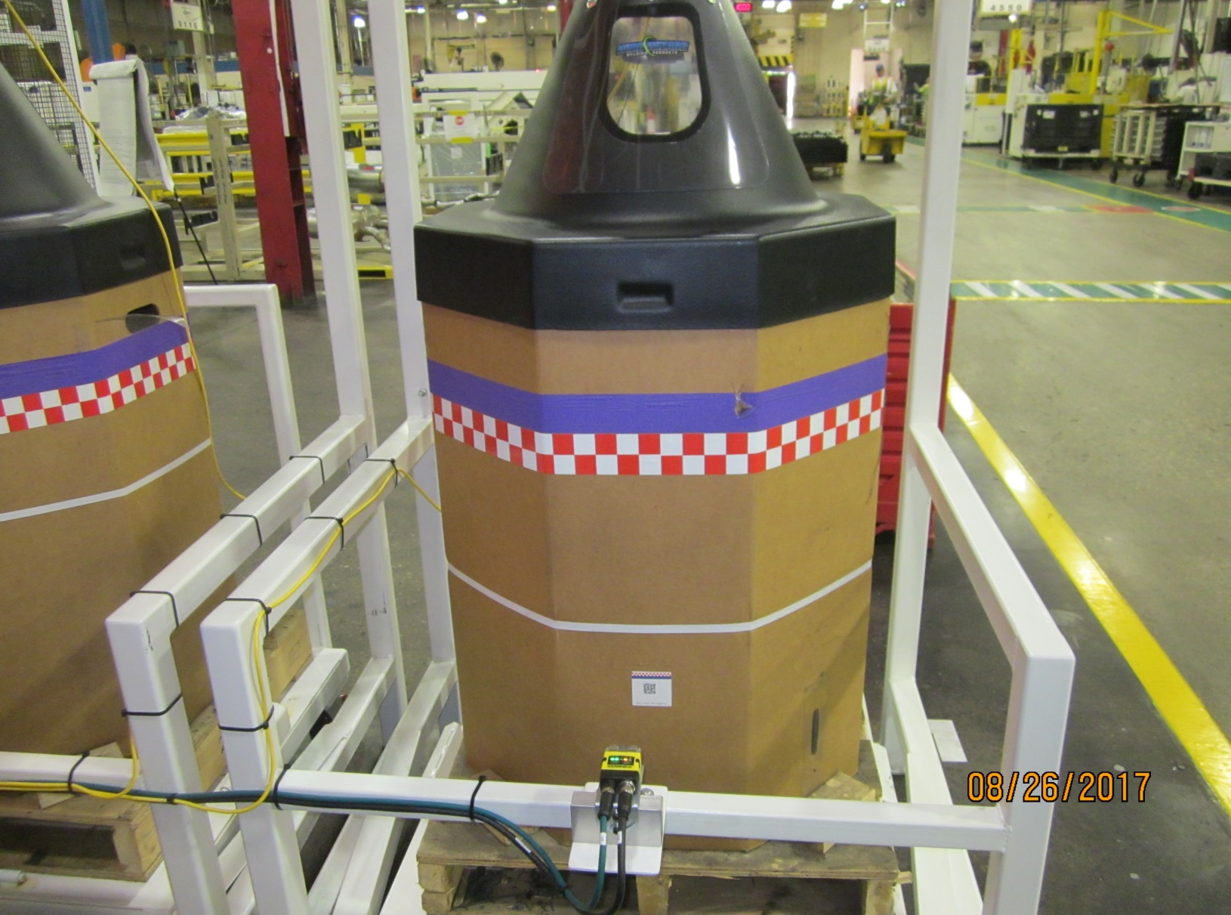 
10.3
 |  |  |  |  |  | Self checking |  |  | Criteria
0.1, 0.2, 0.6, 0.7
0.3, 0.4
0.5
 |  |  |  |  |  | 0.1 Dust the netted guarding of the robot cell with a brush, broom or vacuum. 0.2 Dust the control cabinets with a brush or wipe clean with a clean rag. 0.3 Wipe the blue and white base area of the robot down with a clean rag, sweep the white floor area, then vacuum the remaining dirt and debris. 0.4 Use a vacuum to clean the inner side walls by moving the extension accessory up and down until the walls are clean. 0.5 Dust the wire barrel areas and wipe clean with a clean rag. 0.6 Sweep the floor around the back of the ferris wheel robot. 0.7 Mop the floor around the back of the ferris wheel robot. |  |  | Robot and 5S area should be free of dirt and debris.

0.4
OK
NOK
 |  |  |  |  |  | Reaction rules
 |  |  |  |  |  | If a vacuum from your area is not available, use a broom to loosen weld dust from the inner walls of the V-Cell and request as needed. Empty dirty mop water after completing 5S task.
OPERATOR 3 - TPM
10.1, 10.2
10.1, 10.2
NOK
10 | VISUALLY CHECK ELECTRICAL WIRES Every Shift |  |  |  | 1min | VERIFY THAT WIRES ARE NOT FRAYED, CUT OR HANGING LOOSELY ONTO FLOOR. |  |  |  |  |  | 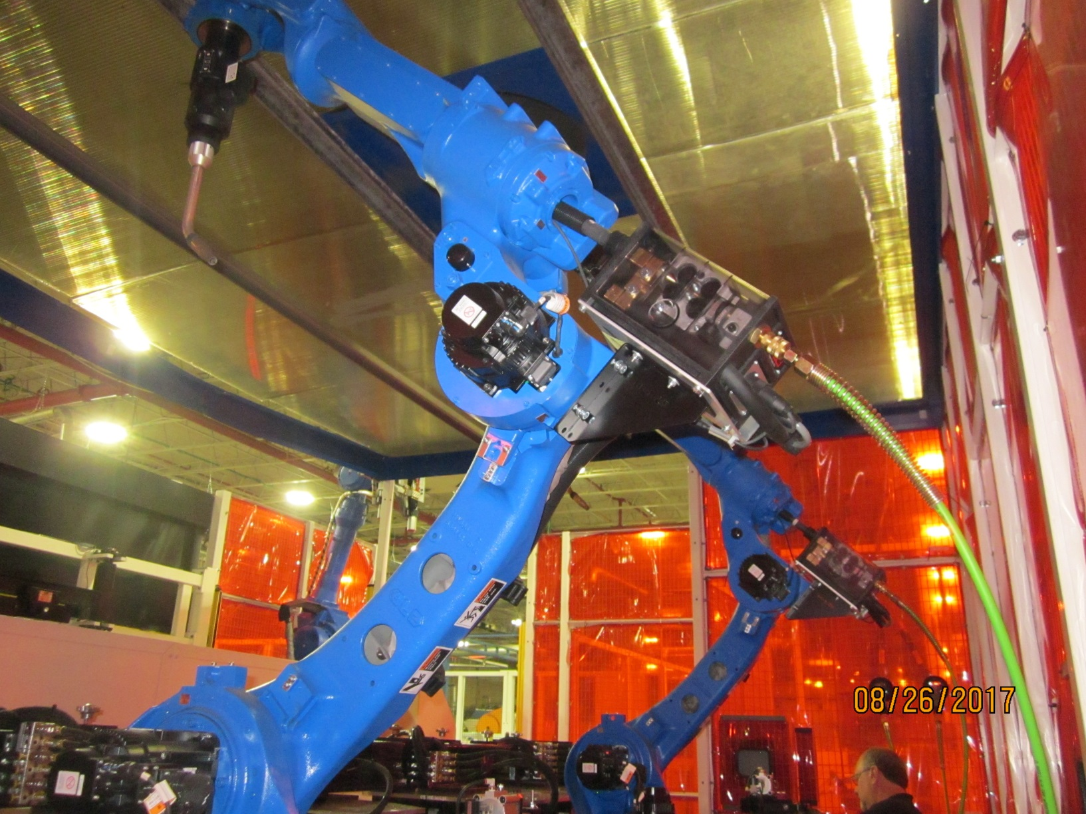
 |  |  |  |  |  | Self checking |  |  | Criteria
 |  |  |  |  |  | 10.1 Wires are not loose or laying on the floor. 10.2 Wires are not cut or frayed. |  |  | Wires are intact. Wires are off of floor and any extended wire is zip tied.
OK
OK
 |  |  |  |  |  | Reaction rules
 |  |  |  |  |  | If damaged to wires exist, Identify it in the backlog list and plan to replace it in the next opportunity
50.1
20.1
20.1
20 | Once a day |  |  |  | 1min | CHECK METER READINGS. VERIFY WITH GAP IF ONE METER IS NOT IN USE.
 |  |  |  |  |  | Self checking |  |  | Criteria
 |  |  |  |  |  | 20.1 Ball in the CO2 and argon meters read within the green during weld operation. |  |  | Weld meter balls read within the green.
OK
 |  |  |  |  |  | Reaction rules
OK
OK
 |  |  |  |  |  | If one meter ball doesn't move, verify with Gap leader that each weld station run to the one meters that reads within the green.
WRITER: sign & date |  |  |  |  | APPROVED: sign & date |  |  | CHECKED:sign & date | CHECKED:sign & date |  |  |  |  | TRAINED:sign & date |  |  |  |  |  | NON-CONFORM PIECES: REFER TO RULES OF NON-CONFORMS TRAITMENT (GLOBAL OR SPECIFIC)
Name : |  |  |  |  | Name : |  |  | Name : | Name : |  |  |  |  | Name:
FUNCTION: MAINTENANCE |  |  |  |  | FUNCTION: UAP MGR |  |  | FUNCTION: SAFETY | FUNCTION: QUALITY |  |  |  |  | FUNCTION: OPERATOR

LEVEL 1 - OP3 - FERRIS (FRONT)
TPM WORK INSTRUCTION Level 1 |  |  |  |  |  |  |  |  |  |  | PLANT: |  | Columbus North |  |  | DOCUMENT N° + ISSUE REV.: | 6700 TPM-05 Rev. 2 |  | CONTROL PLAN REF. |  |  | Every operator is responsible of his working area
 |  |  |  |  |  |  |  |  |  |  |  |  |  |  |  | ISSUE DATE: | 2018-01-29 |  | APPLICATION DATE:
PART NUMBER N°: |  | N/A | DESCRIPTION: | FERRIS WHEEL ROBOT (FRONT) |  |  |  |  |  |  |  |  |  |  |  | Revision Summary: Created (12/5/17) 1. Updated process (1/10/18) 2. Updated (1/29/18)

S
R
00.1
00.2
Steel Toed
Shoes/Boots
Kevlar Sleeves
ANSI Z87.1
Safety Glasses
Gloves - Kevlar or Leather
Hearing Protection
N° | OPERATION & FREQ. |  |  |  |  | = HSE OPERATOR | = KEY POINT | = QUALITY |  | = VISUAL |  |  | = BY HAND |  | = BY TOOLING |  |  | = BY NOISE |  |  | SKETCHES / PICTURES / ...
HSE
00 | SAFETY Each step |  |  |  | Time 1min | STEP 00.1 Place your PI Tag on the equipment in the appropriate location. 00.2 Wear all required PPE
 |  |  |  |  |  | Self checking |  |  | Criteria
 |  |  |  |  |  | PI tag is on operator panel. PPE is worn. |  |  | PI Tag on operator panel. Required PPE properly worn.
 |  |  |  |  |  | Reaction rules
 |  |  |  |  |  | PPE check and PI procedure MUST be done before performing PM inside the machine.
5S
20.1
20.1
20.1
0 | CLEAN THE AREA Each break |  |  |  | 5min | CLEAN THE FRONT FERRIS WHEEL ROBOT 5S ZONE. |  |  |  |  |  | 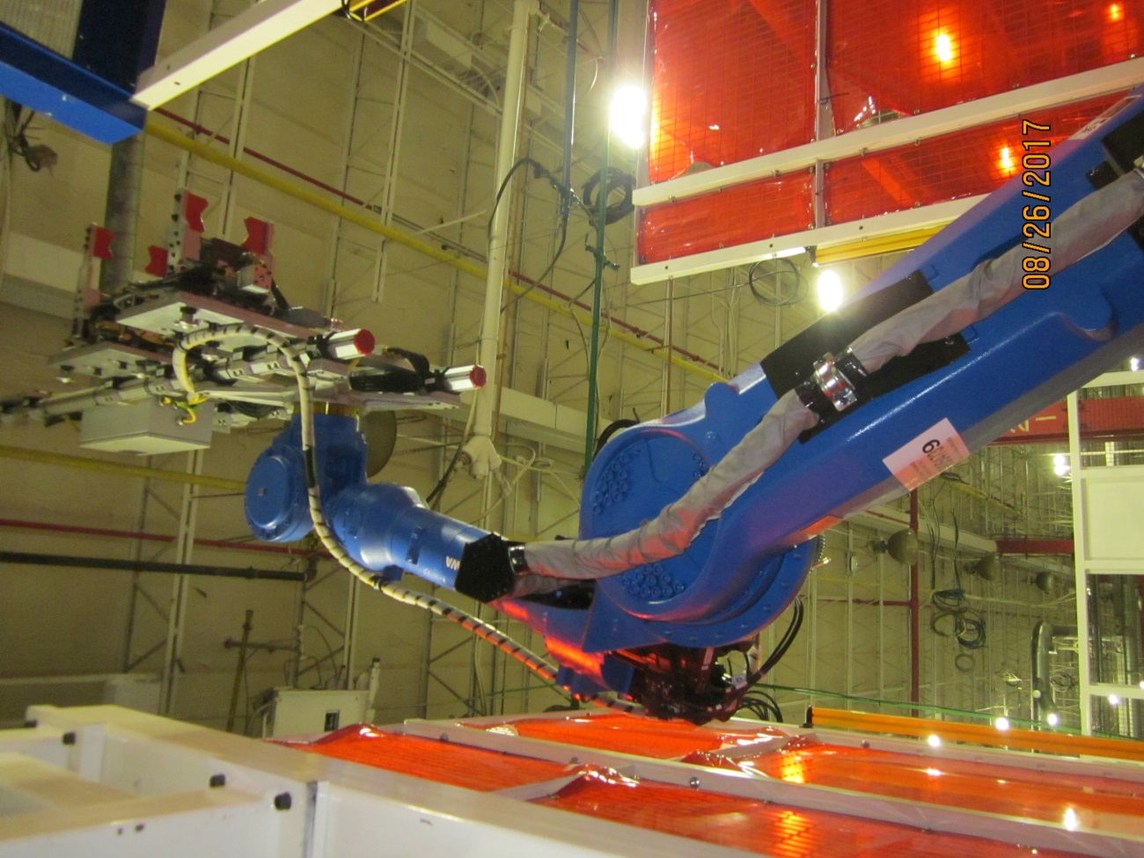 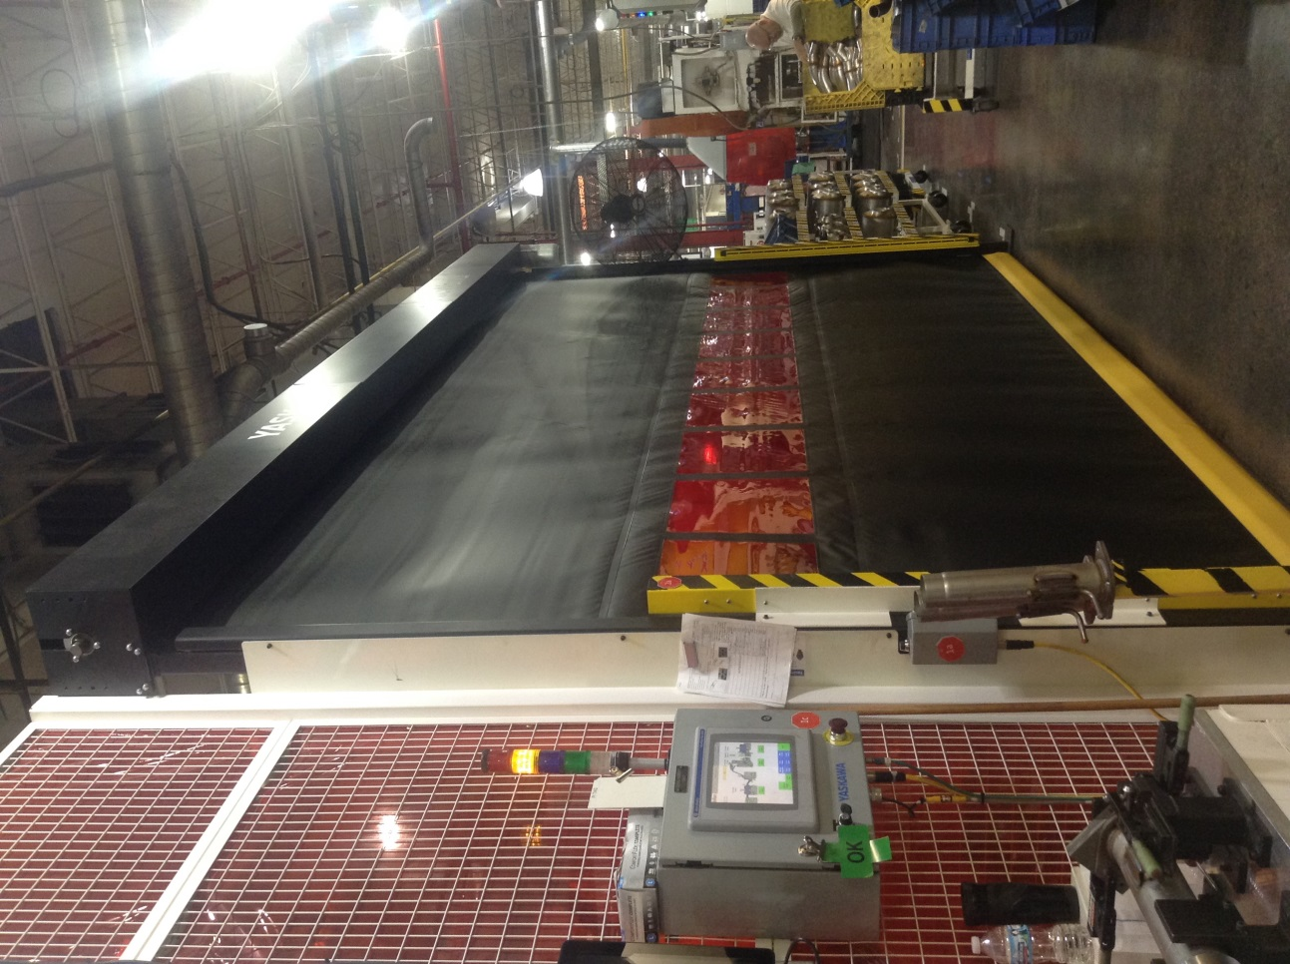
10.3
 |  |  |  |  |  | Self checking |  |  | Criteria
 |  |  |  |  |  | 0.1 Remove any weld slag from the robot fixtures. 0.2 Dust the robot fixtures with a brush, clean rag, soap & water. 0.3 Use a vacuum to clean areas that cannot be reached by moving the extension accessory up and down until the areas are clean. 0.4 Wipe all light curtains with a clean rag. |  |  | Robot should be free of dirt and debris.

OK
OK
OK
 |  |  |  |  |  | Reaction rules
 |  |  |  |  |  | If a vacuum from your area is not available, use a broom to loosen weld dust from the inner walls of the V-Cell and request as needed.
OPERATOR 1 - TPM
10.1, 10.2, 10.3
10.1, 10.2, 10.3
10.1, 10.2, 10.3
10 | VISUALLY CHECK ELECTRICAL WIRES Each Break |  |  |  | 1min | VERIFY THAT WIRES ARE NOT FRAYED, CUT OR HANGING LOOSELY ONTO FLOOR. VERIFY THAT PROX SENSOR MARKING LOCATIONS. |  |  |  |  |  | 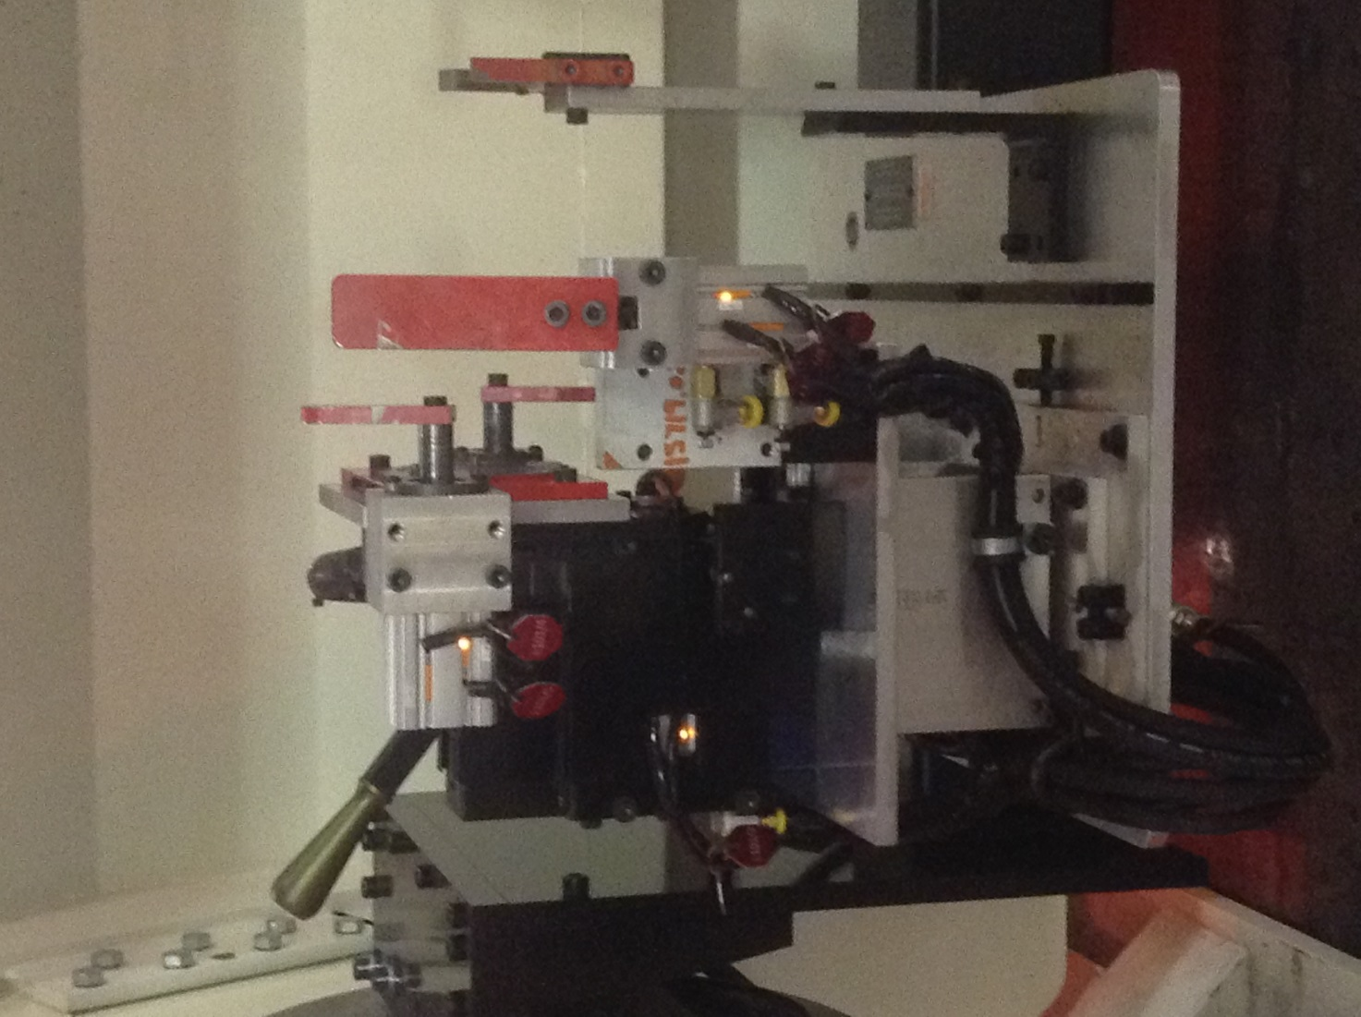 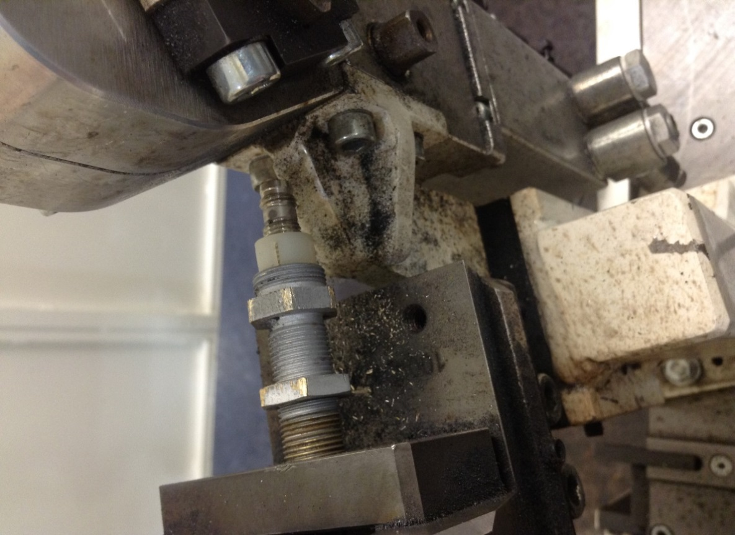 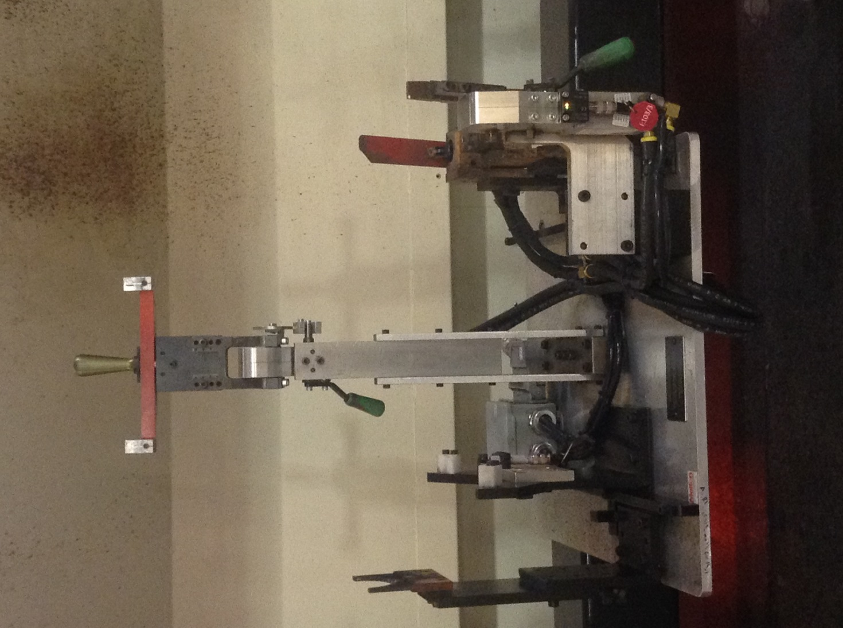 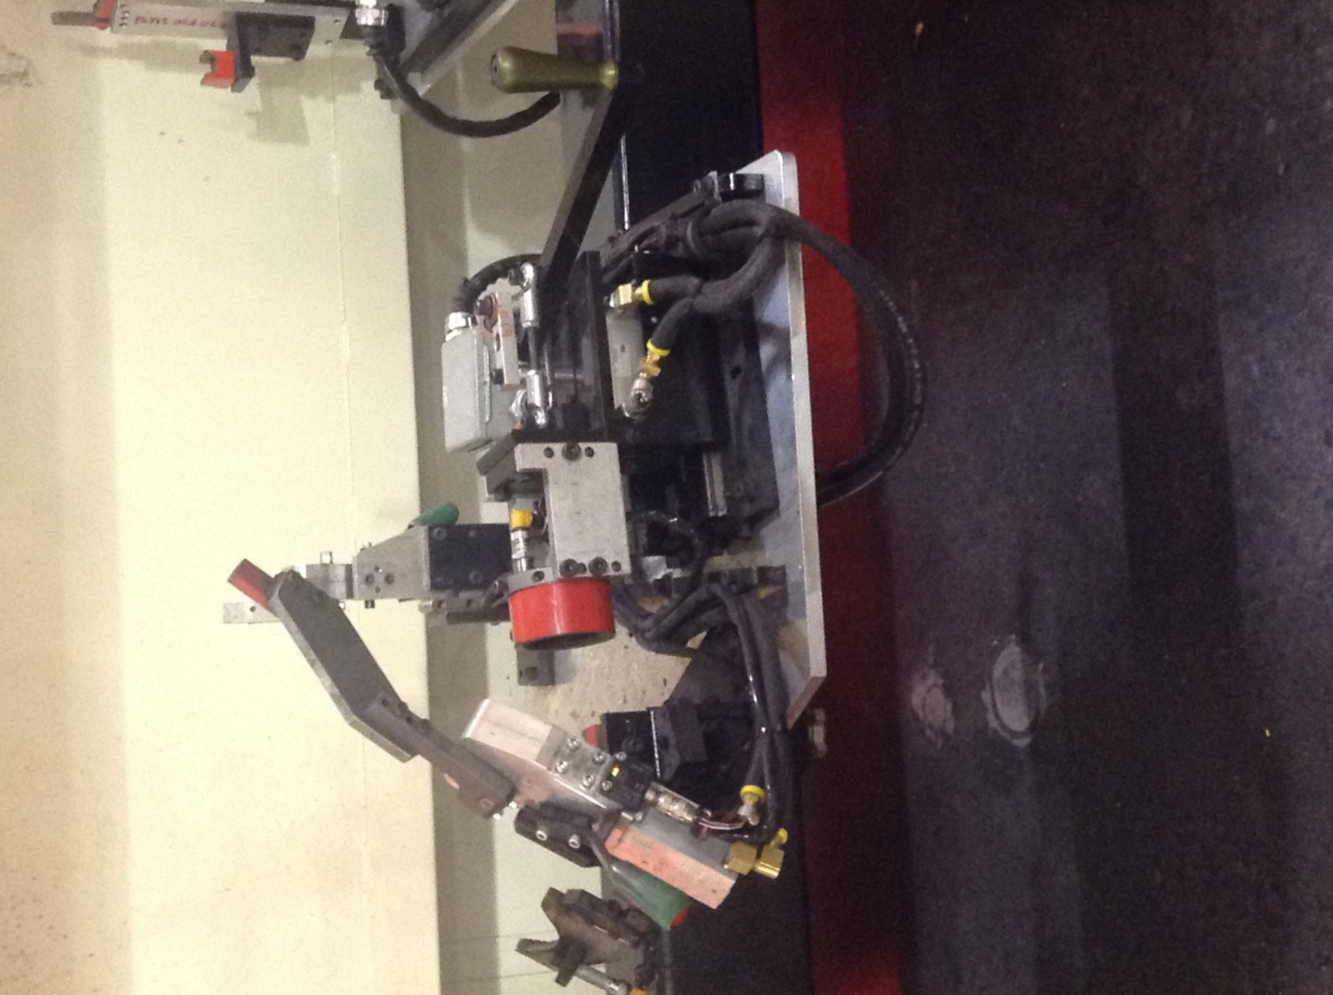 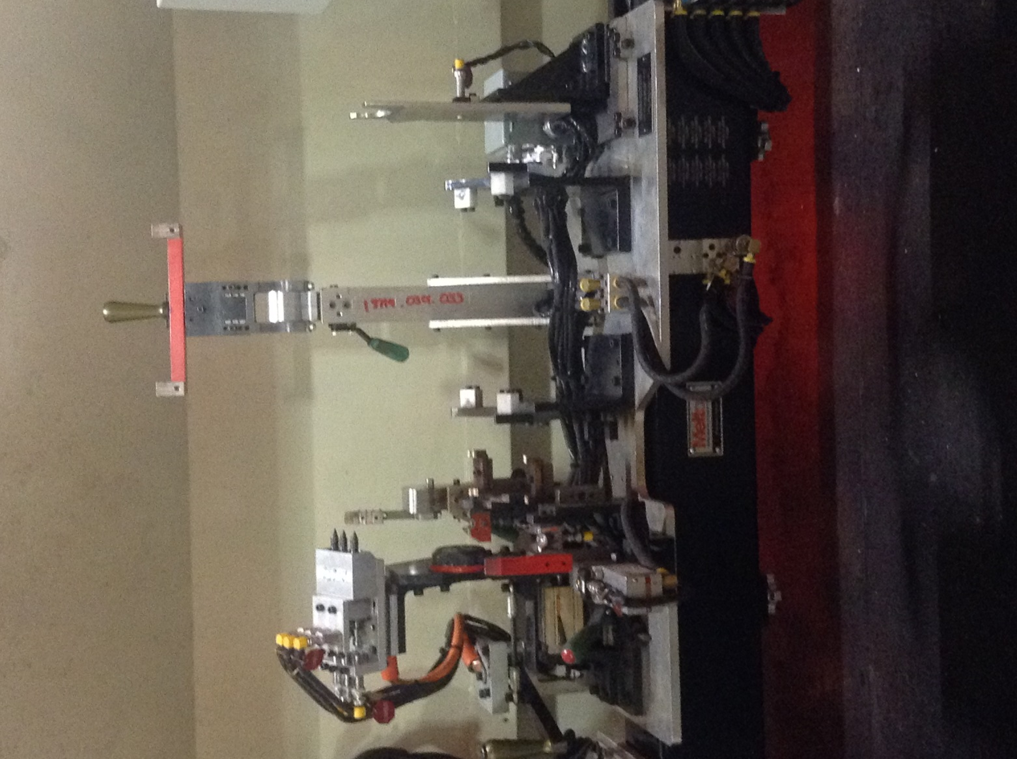 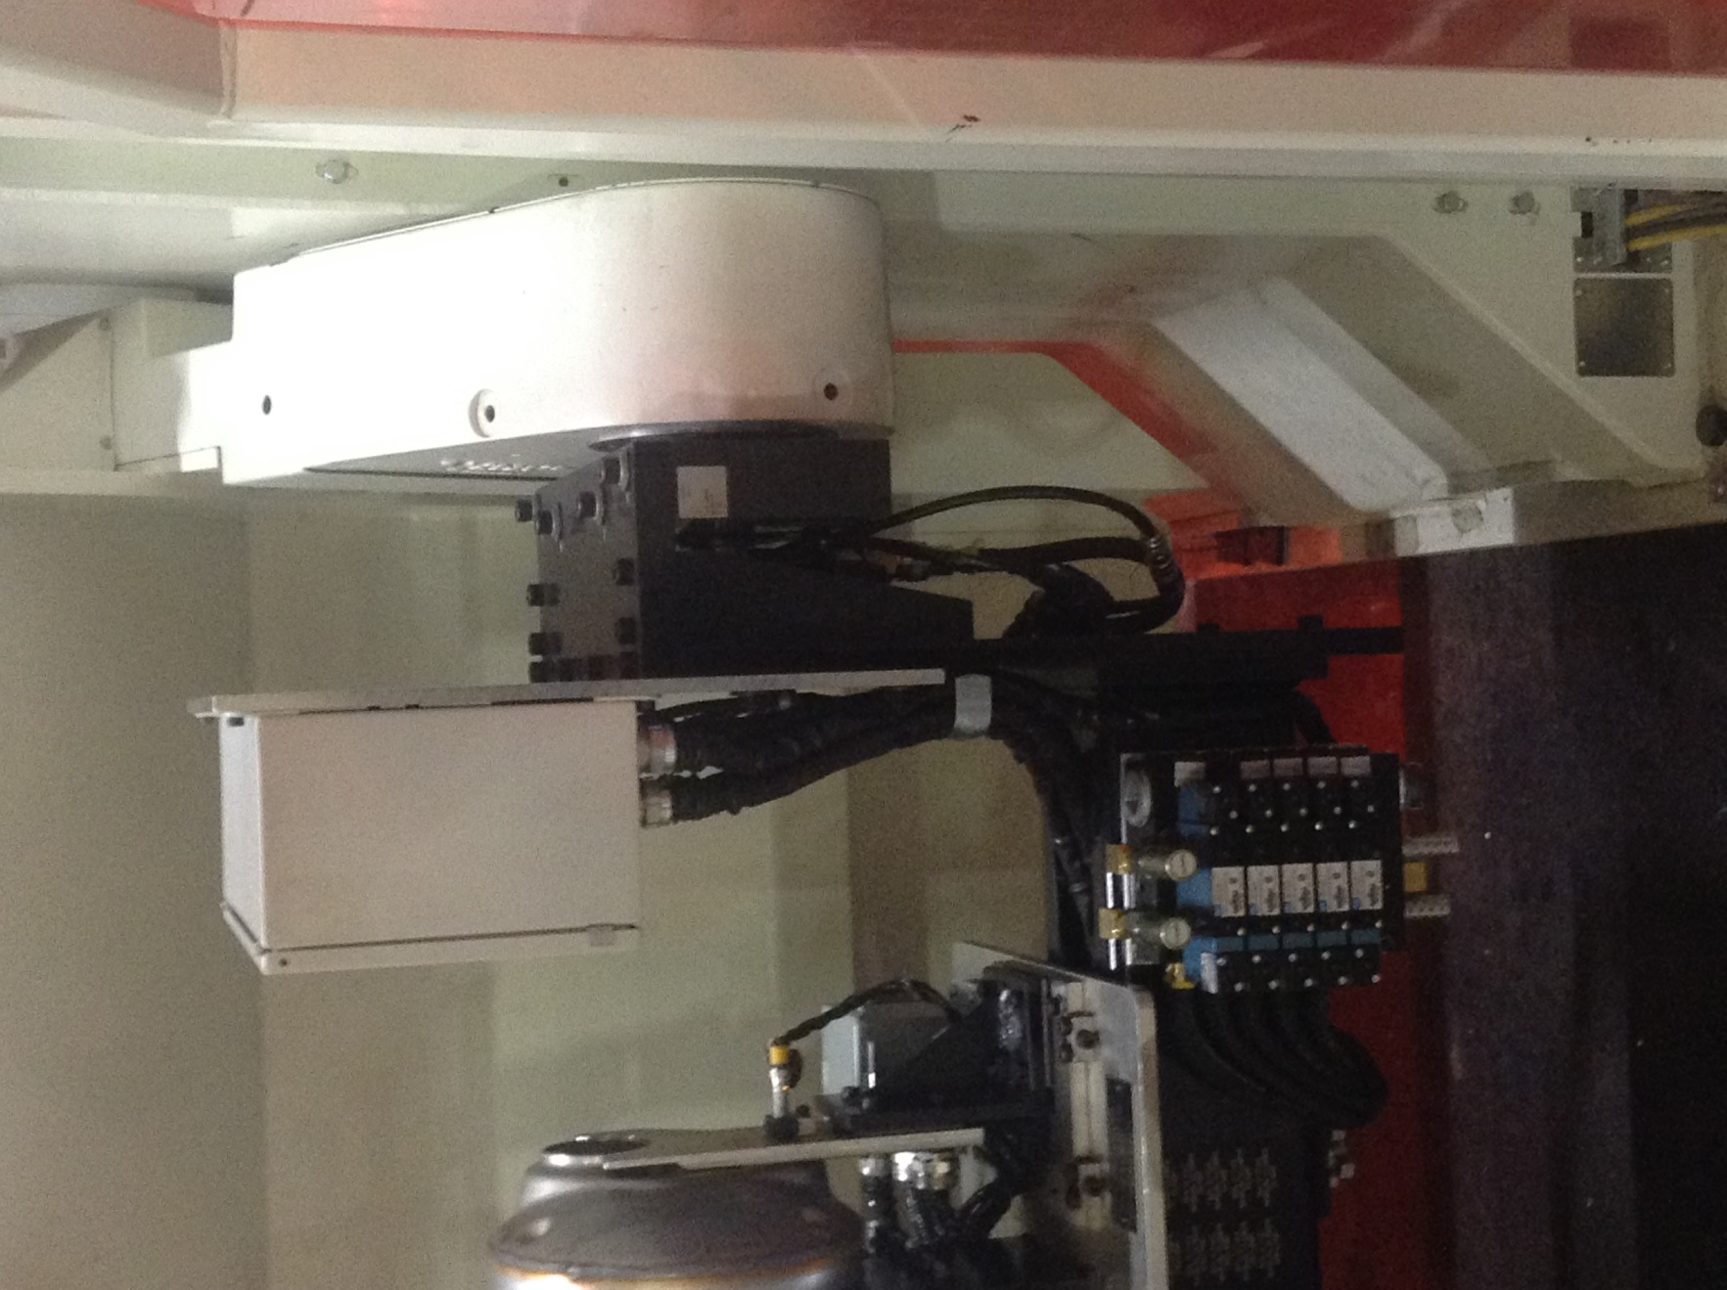
 |  |  |  |  |  | Self checking |  |  | Criteria
10.1, 10.2, 10.3
OK
10.1, 10.2, 10.3
NOK
 |  |  |  |  |  | 10.1 Wires are not loose or laying on the floor. 10.2 Wires are not cut or frayed. 10.3 Verify that each prox sensor light is lit up to verify it is not misaligned. |  |  | Wires are intact. Wires are off of floor and any extended wire is zip tied. Fixtures are secure. Prox sensors are good.

NOK
20.1
 |  |  |  |  |  | Reaction rules
 |  |  |  |  |  | If damaged to wires exist, Identify it in the backlog list and plan to replace it in the next opportunity
20 | VISUALLY CHECK FIXTURES Each Break |  |  |  | 1min | CHECK SADDLES AND CLAMPS.
 |  |  |  |  |  | Self checking |  |  | Criteria
20.1
OK
20.1
 |  |  |  |  |  | 20.1 Fixture saddles and clamps are not broken or loose. |  |  | Fixtures are in good working condition.

30.1, 30.2, 30.3
 |  |  |  |  |  | Reaction rules
 |  |  |  |  |  | If damaged to system exists, Identify it in the backlog list and plan to replace it in the next opportunity
30 | CHECK ROLL CURTAIN Once a week |  |  |  | 3min | VERIFY THAT THE ROLL CURTAIN FUNCTIONS PROPERLY MOVING UPWARD & DOWNWARD. |  |  |  |  |  | 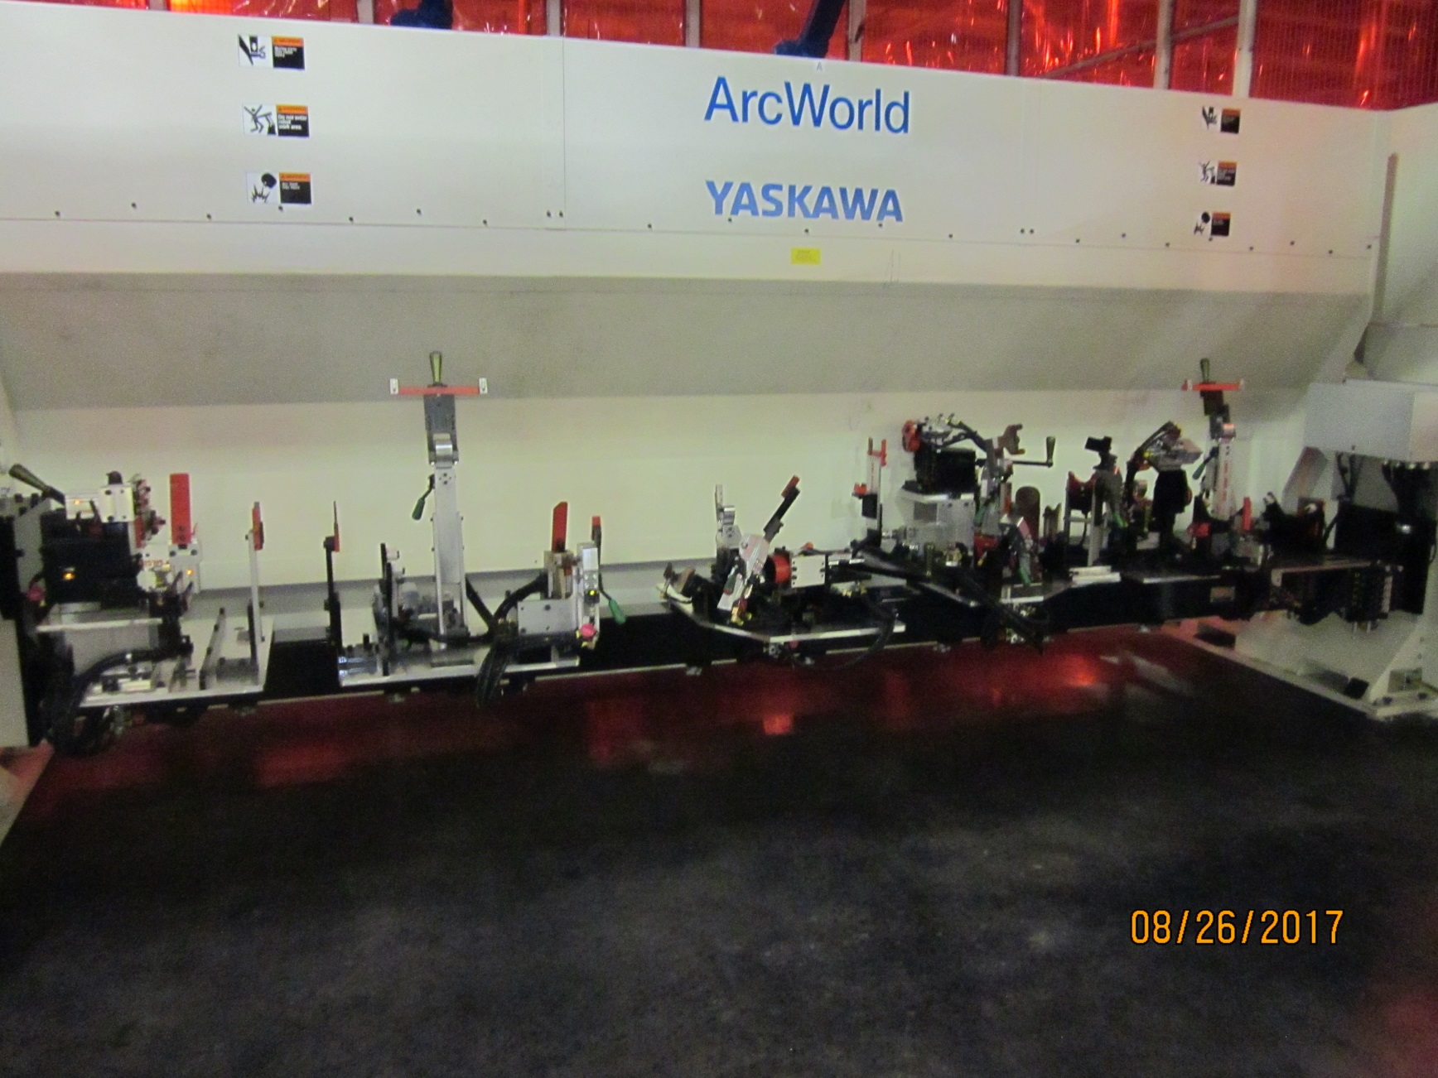 
 |  |  |  |  |  | Self checking |  |  | Criteria
 |  |  |  |  |  | 30.1 The roll curtain does not jerk or sway going up or down. 30.2 The roll curtain reached it's barrier point in the downward position. 30.3 The roll curtain does not function with anything in it's path. |  |  | The curtain should move smoothly.. The roll curtain must go completely down to its barrier. The curtain will not come down with something in its path.
 |  |  |  |  |  | Reaction rules
OK
 |  |  |  |  |  | If damage to system exists, notify gap leader. If the filter is in the red, use a clean rag and gently press the release valve to the side to empty the fluid into the rag.
WRITER: sign & date |  |  |  |  | APPROVED: sign & date |  |  | CHECKED:sign & date | CHECKED:sign & date |  |  |  |  | TRAINED:sign & date |  |  |  |  |  | NON-CONFORM PIECES: REFER TO RULES OF NON-CONFORMS TRAITMENT (GLOBAL OR SPECIFIC)
Name : |  |  |  |  | Name : |  |  | Name : | Name : |  |  |  |  | Name:
FUNCTION: MAINTENANCE |  |  |  |  | FUNCTION: UAP MGR |  |  | FUNCTION: SAFETY | FUNCTION: QUALITY |  |  |  |  | FUNCTION: OPERATOR

